TestCases
Manual TestSet of ButtonPress RPC
Test Cases in the demo are not individual atomic tests, they should be performed as End To End flow

Step # | Action | Expected Result | Comment
Preconditions
1 | Build SDL with default configuration | SDL is built successfully
2 | Setup SyncProxyTester (SPT) | SyncProxyTester is set up
3 | Turn off Internet connection in order to disable interactions with cloud | Internet connection is turned off
4 | Start SDL and HMI | SDL is started
4 | Start HMI (check "plugin" RC radiobutton) and when 'OK' | HMI is started
5 | Connect mobile device via any transport | Mobile device is connected
6 | Open Climate" module tab. | For Temperature Unit "C" is choosen
7 | Press on "Driver" button | "Drivers Device Selection Window" is opened
8 | Go to "Drivers device" drop-down filter and choose connected mobile device. | Connected device is present in the drop-down filter and selected.
9 | Press "Set as Driver's" button. | "Current driver's device is <connected device>"
Test case: | Registration of application
1 | Register mobile application with the following parameters and values (mostly default ones): - 'AppName': 'SyncProxyTester' - 'Media': 'Checked' - ‘App synonim1’: 'Synonim1' - ‘App synonim2’: 'Synonim2' - ‘TTS Text’: 'Sync Proxy Tester' - ‘TTS Text Type': 'TEXT' - ‘Language’: ‘EN-US’ - ‘HMI language’: ‘EN-US’ - ‘Transport Type’: <Check_selected_transport_radio_button> - ‘IP address’: 10.0.2.2 (if applicable) - ‘Port’: 12345 (if applicable) - 'App ID': '584421907' - 'More options': - ‘NGN Short App Name: 'SPT' - ‘Override Policies URL': 'Unchecked' - ‘Set app icon after registration': 'FIESTA' - ‘Enter Hash Id': 'Checked': 'Checked' - ‘Simulate Media Streaming App': unchecked - ‘Select Previous HashID': 'Checked' - ' Keep Bluetooth Port Open': 'Checked' - 'Enabe BT Multiplexing': 'Checked' - 'MTU Size': 'Unchecked' - 'Enabe Siphon Server': 'Unchecked' - 'Enabe App Resuming': 'Checked' - 'Policy data logs to SD-card': 'Checked' - 'Enabe Heartbeat': 'Unchecked' - 'Enabe Protocol Message Logging': 'Unchecked' - 'Enabe Auto Send RPC': 'Checked' - ' Include Media Library': 'Unchecked' - ' Include Security Library': 'Checked' - ' Enabe Secure RPC Service': 'Unchecked' - 'External Certificate': 'Unchecked' - 'Select App HMI Type': ‘REMOTE_CONTROL’ - ‘Auto HMI Script': 'Unchecked' | Mobile application is registered successfully: App→SDL: RegisterAppInterface() SDL→HMI: BC.OnAppRegistered() SDL→App: SUCCESS: RegisterAppInterface() SDL→App: OnHMIStatus(NONE) SDL→App: OnPermissionsChange() SDL→App: OnHashChange() |  | 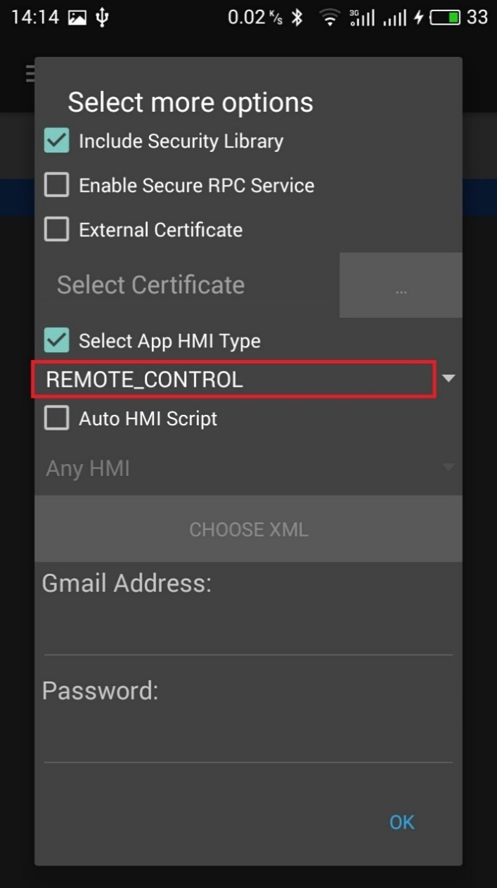
3 | On HMI activate SPT application | Application is activated: SDL→App: OnHMIStatus(FULL)
Test case: | ButtonPress TEMP_DOWN for CLIMATE module
1 | On mobile device send - 'ButtonPress’ RPC with moduleType= ‘CLIMATE’ ButtonName= 'TEMP_DOWN', 'checked' ButtonPressMode: 'SHORT', 'checked' | ButtonPress finished with SUCCESS: App→SDL: ButtonPress(CLIMATE, TEMP_DOWN, SHORT) SDL→HMI: Buttons.ButtonPress(CLIMATE, TEMP_DOWN, SHORT) HMI→SDL: SUCCESS:Buttons.ButtonPress('success': true) SDL→ App: SUCCESS: ButtonPress('success': true) On HMI, 'CLIMATE' module 'Desired temperature' is decreased for 1 degree. |  | 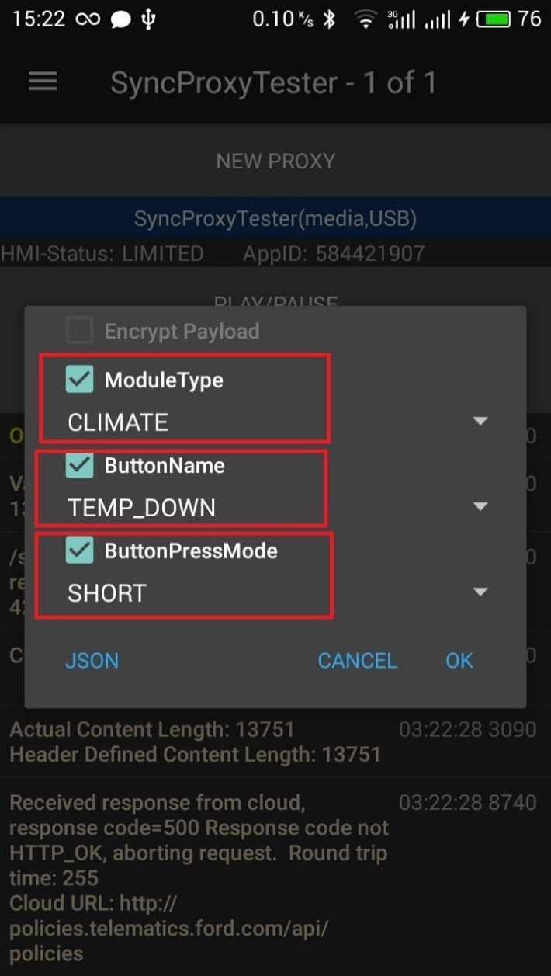 | 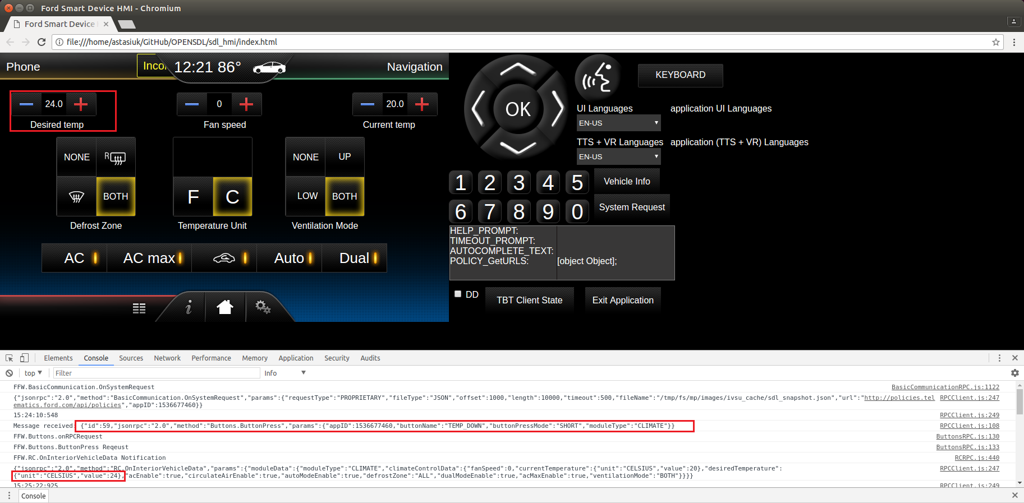
Test case: | ButtonPress FAN_UP for CLIMATE module
1 | On mobile device send - 'ButtonPress’ RPC with moduleType= ‘CLIMATE’ ButtonName= 'FAN_UP', 'checked' ButtonPressMode: 'SHORT', 'checked' | ButtonPress finished with SUCCESS: App→SDL: .ButtonPress(CLIMATE, FAN_UP, SHORT) SDL→HMI: Buttons.ButtonPress(CLIMATE, FAN_UP, SHORT) HMI→SDL: SUCCESS:Buttons.ButtonPress('success': true) SDL→ App: Buttons.ButtonPress('success': true) On HMI, Climate module 'Fan speed' is increased for 1 point. |  | 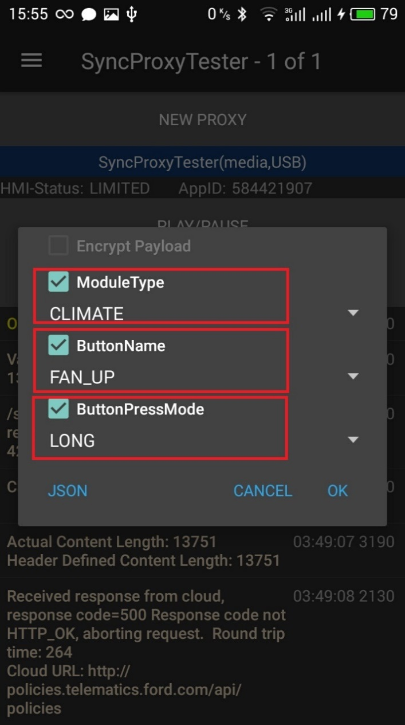 | 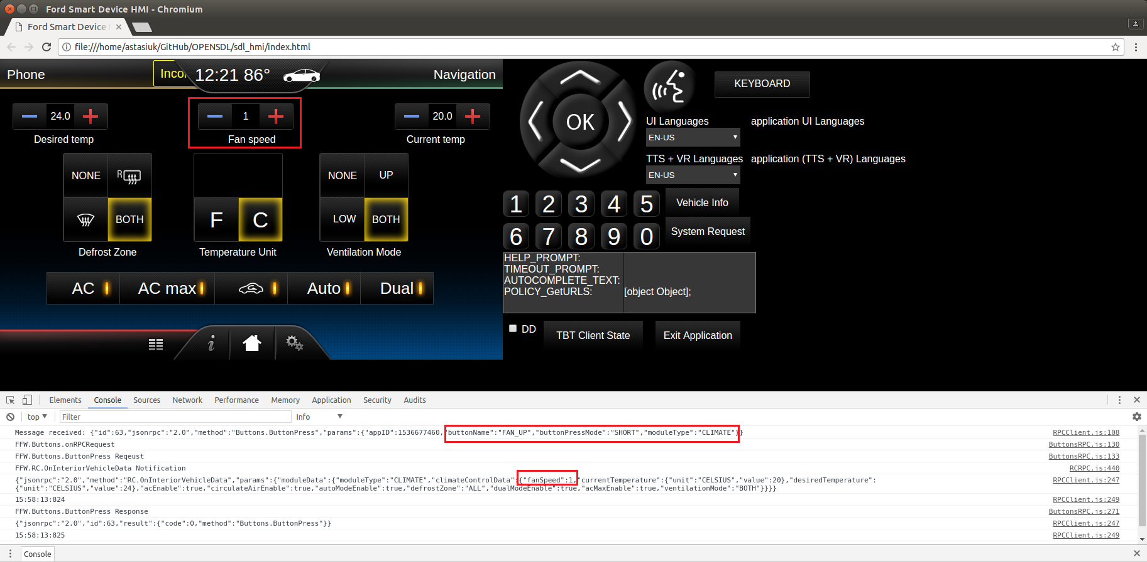
Test case: | ButtonPress RECIRCULATE for CLIMATE module
1 | On mobile device send - 'ButtonPress’ RPC with moduleType= ‘CLIMATE’ ButtonName= 'RECIRCULATE', 'checked' ButtonPressMode: 'SHORT', 'checked' | ButtonPress finished with SUCCESS: App→SDL: ButtonPress(CLIMATE, RECIRCULATE, SHORT) SDL→HMI: Buttons.ButtonPress(CLIMATE,RECIRCULATE, SHORT) HMI→SDL: SUCCESS:Buttons.ButtonPress('success': true) SDL→ App: SUCCESS:ButtonPress('success': true) On HMI, 'CLIMATE' module 'RECIRCULATE' button is unchecked. |  | 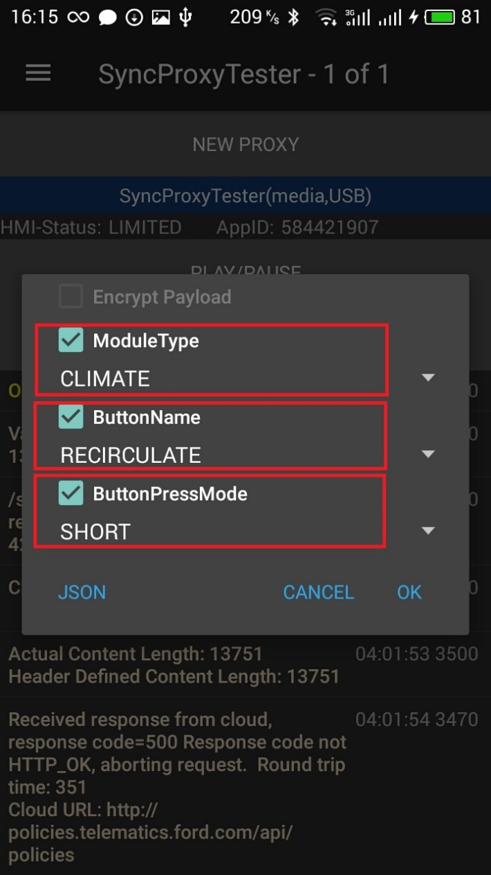 | 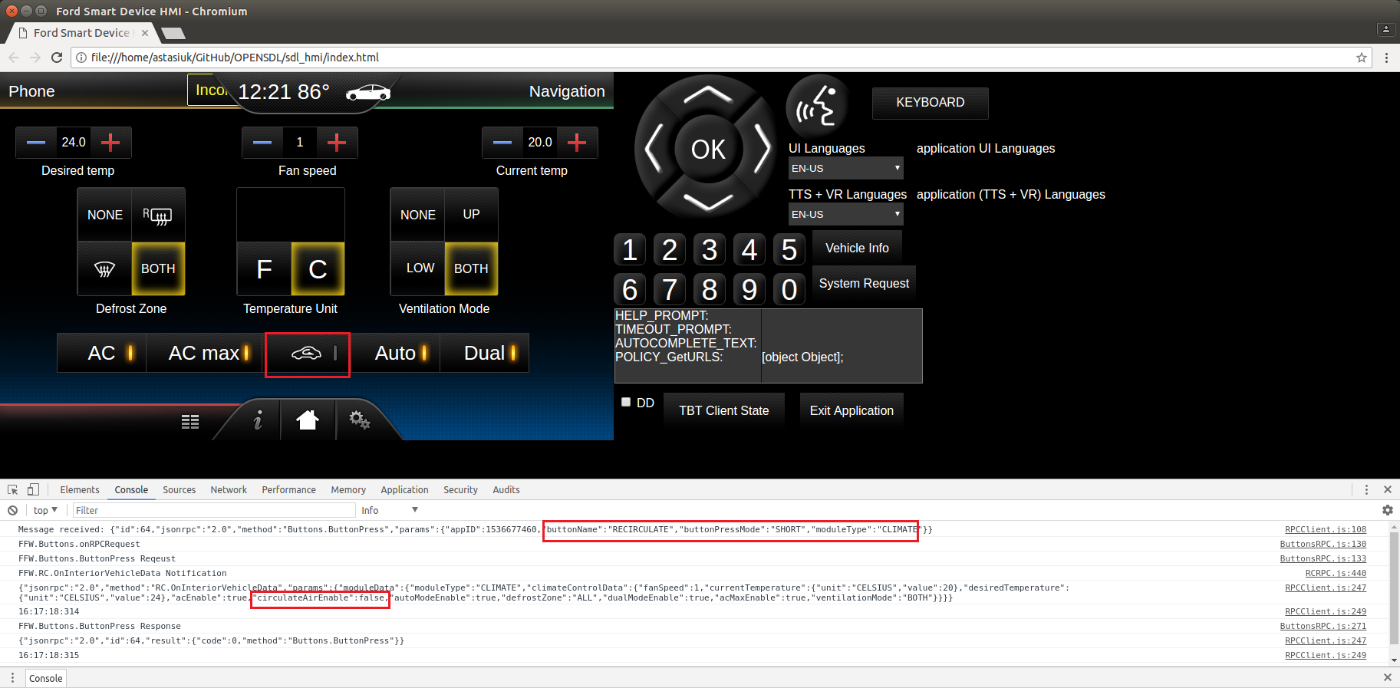
Test case: | ButtonPress VOLUME_UP for RADIO module
1 | On HMI Select Radio module | Radio module is activated on HMI.
2 | On mobile device send - 'ButtonPress’ RPC with moduleType= ‘RADIO’ ButtonName= 'VOLUME_UP', 'checked' ButtonPressMode: 'SHORT', 'checked' | ButtonPress finished with SUCCESS: App→SDL: ButtonPress(RADIO, VOLUME_UP, SHORT) SDL→HMI: Buttons.ButtonPress(RADIO, VOLUME_UP, SHORT) HMI→SDL: SUCCESS:Buttons.ButtonPress('success': true) SDL→ App: SUCCESS:ButtonPress('success': true) On HMI, 'RADIO' module current Volume is increased. |  | 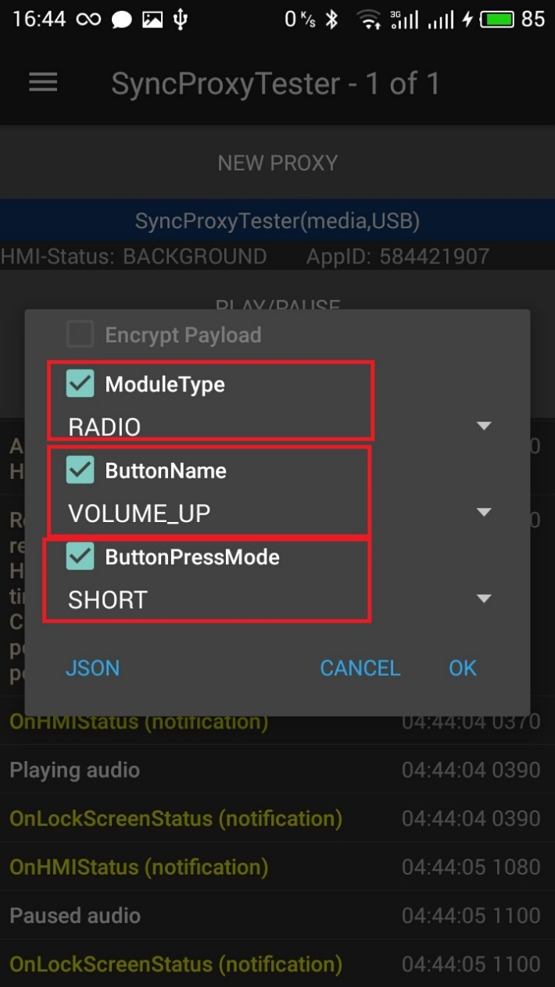 | 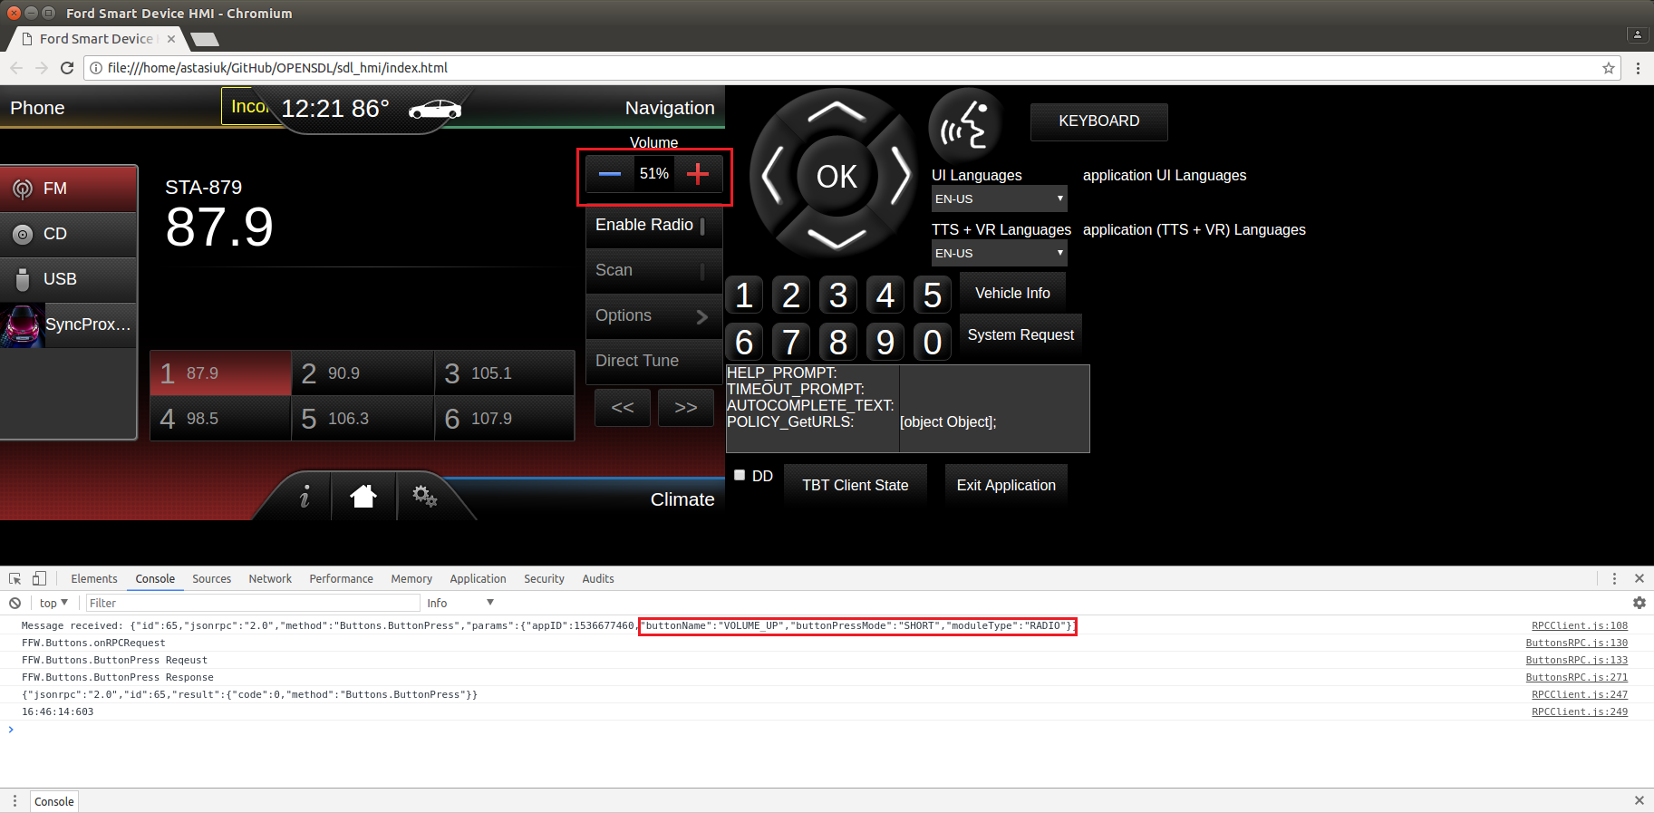
Test case: | ButtonPress SOURCE for RADIO module

1 | On mobile device send - 'ButtonPress’ RPC with moduleType= ‘RADIO’ ButtonName= 'SOURCE', 'checked' ButtonPressMode: 'SHORT', 'checked' | ButtonPress finished with SUCCESS: App→SDL: ButtonPress(RADIO, VOLUME_UP, SHORT) SDL→HMI: Buttons.ButtonPress(RADIO, VOLUME_UP, SHORT) HMI→SDL: SUCCESS:Buttons.ButtonPress('success': true) SDL→ App: SUCCESS:ButtonPress('success': true) |  | 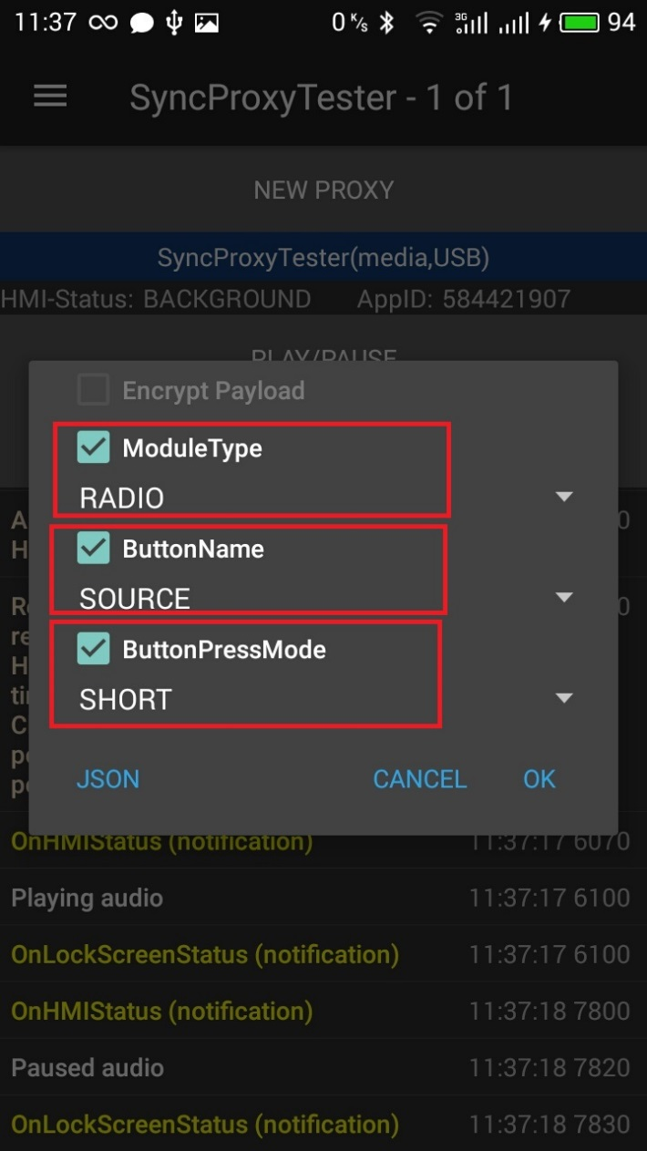 | 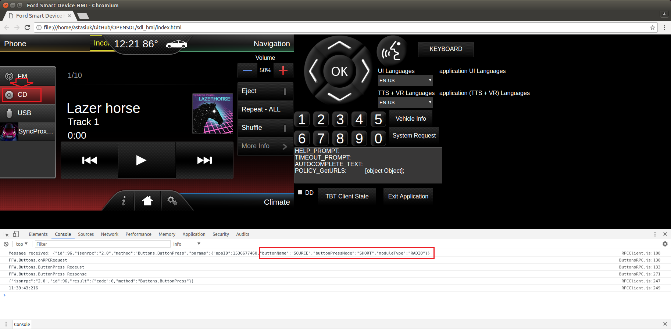
Test case: | ButtonPress SHUFFLE for RADIO module
1 | On mobile device send - 'ButtonPress’ RPC with moduleType= ‘RADIO’ ButtonName= 'SHUFFLE', 'checked' ButtonPressMode: 'SHORT', 'checked' | ButtonPress finished with SUCCESS: App→SDL: ButtonPress(RADIO, SHUFFLE, SHORT) SDL→HMI: Buttons.ButtonPress(RADIO, SHUFFLE, SHORT) HMI→SDL: SUCCESS:Buttons.ButtonPress('success': true) SDL→ App: SUCCESS:ButtonPress('success': true) |  | 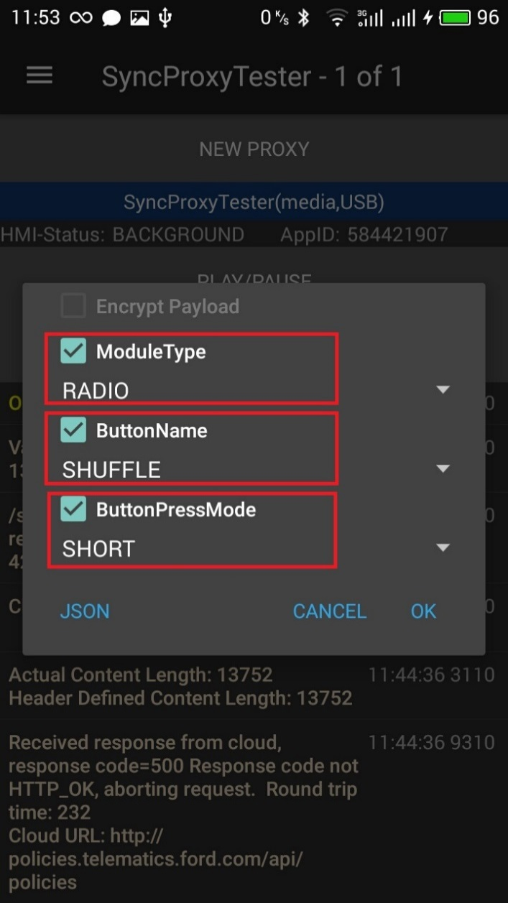 | 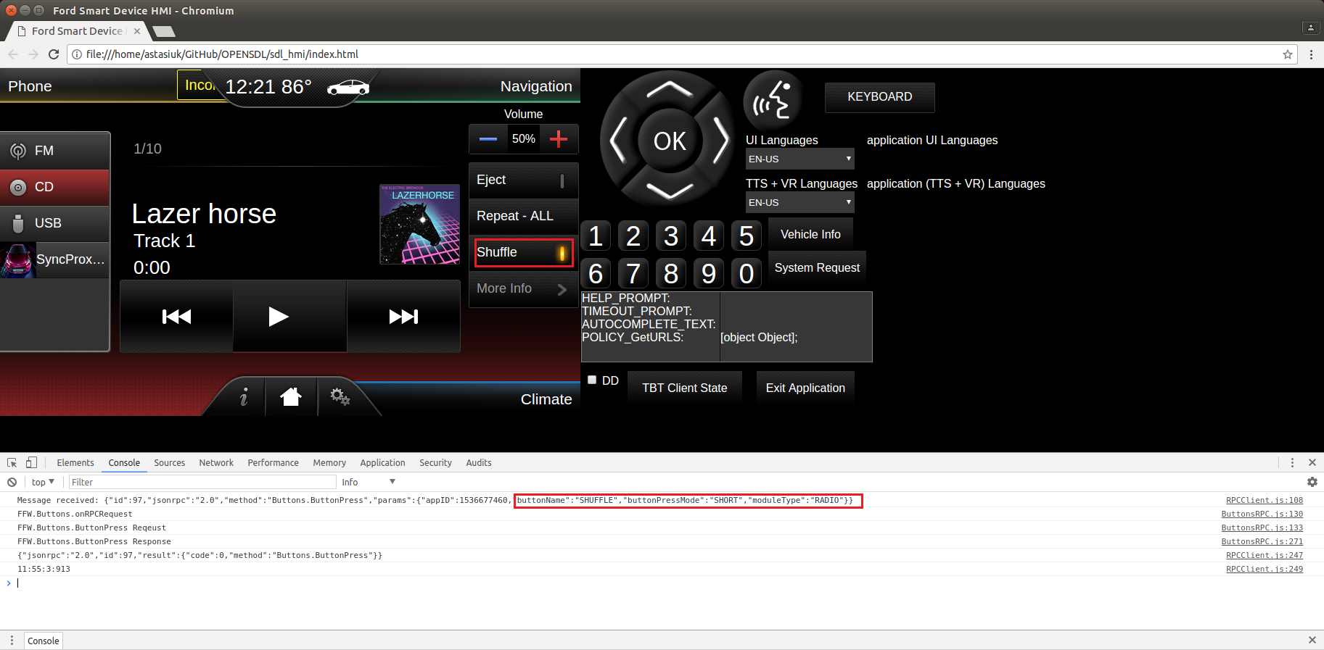
Test case: | ButtonPress SOURCE for CLIMATE module
1 | On mobile device send - 'ButtonPress’ RPC with moduleType= ‘CLIMATE’ ButtonName= 'SOURCE', 'checked' ButtonPressMode: 'SHORT', 'checked' | ButtonPress finished with INVALID_DATA: App→SDL: Buttons.ButtonPress(CLIMATE, SOURCE, SHORT) SDL→ App: INVALID_DATA:Buttons.ButtonPress('success': false) |  | 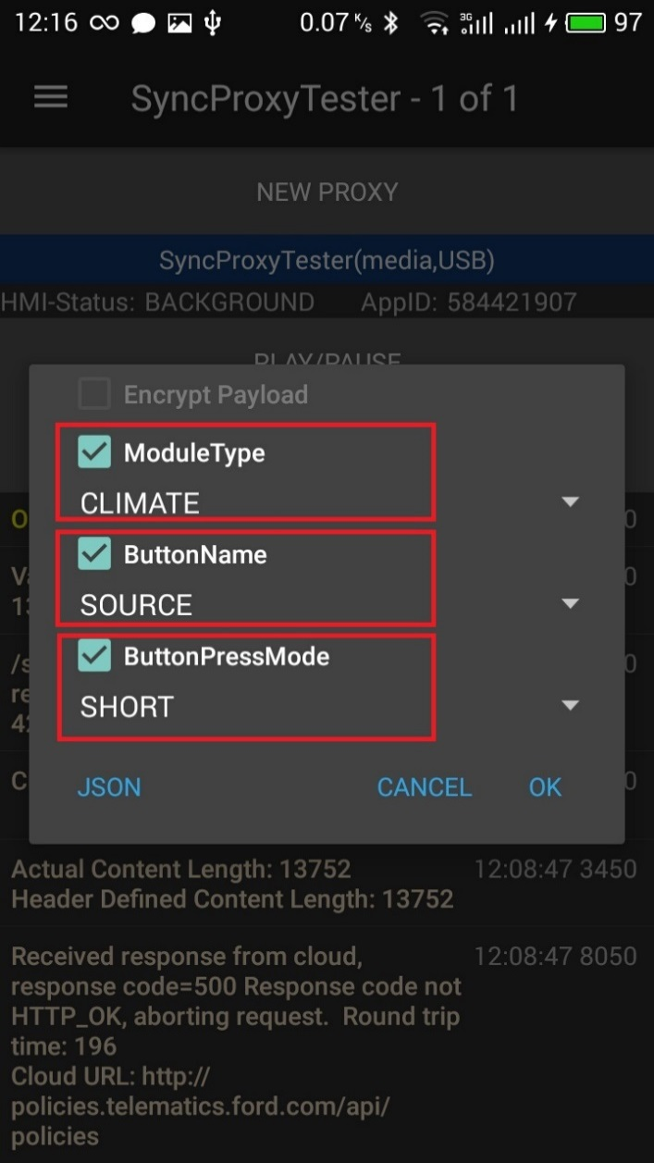 | 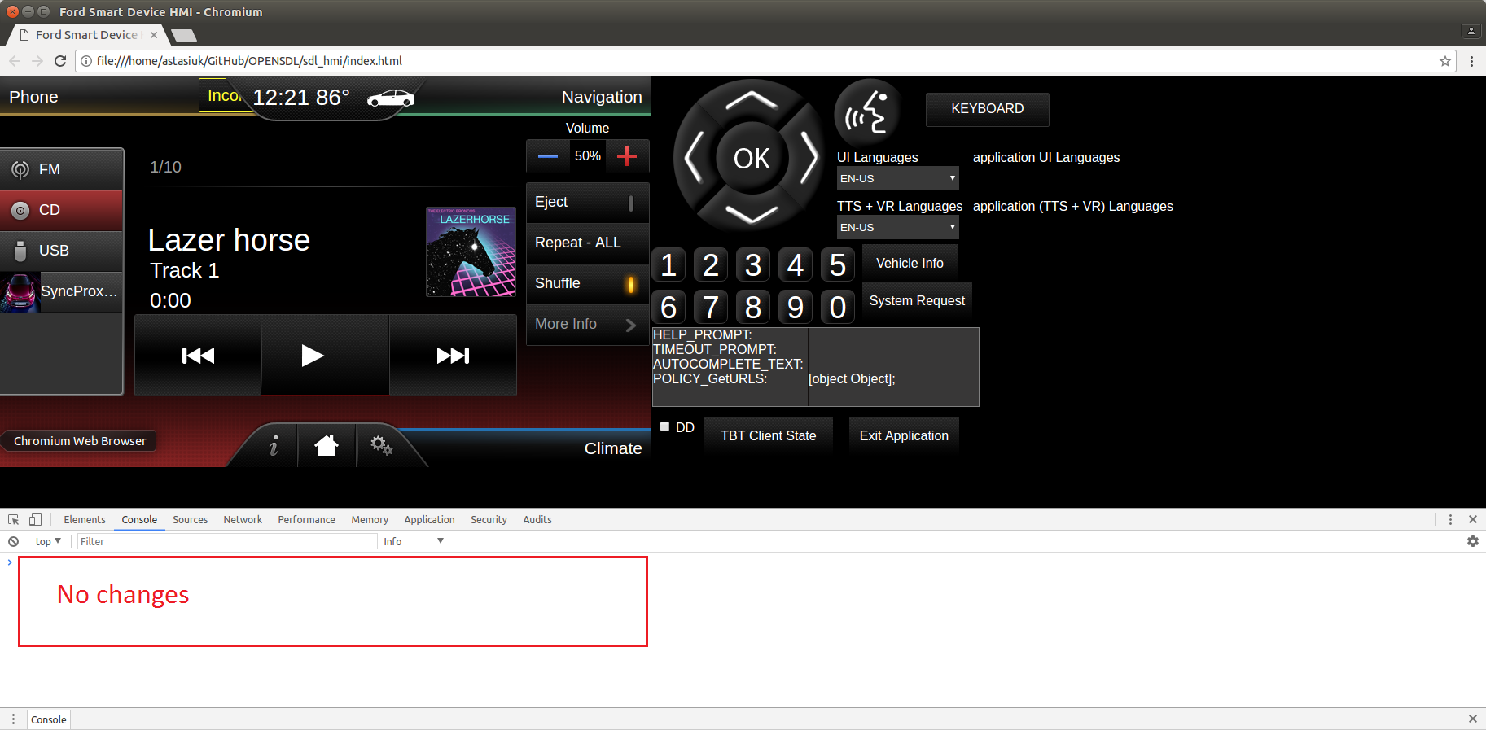
Test case: | Shutdown (Ignition OFF)
1 | On HMI press "Exit Application" button, make sure, that from drop-down filter IGNITION_OFF reason is selected | HMI→SDL: BC.OnExitAllApplications(IGNITION_OFF) SDL→HMI: BC.OnSDLClose() SDL→App: OnAppInterfaceUnregistered() SDL stops working |  | 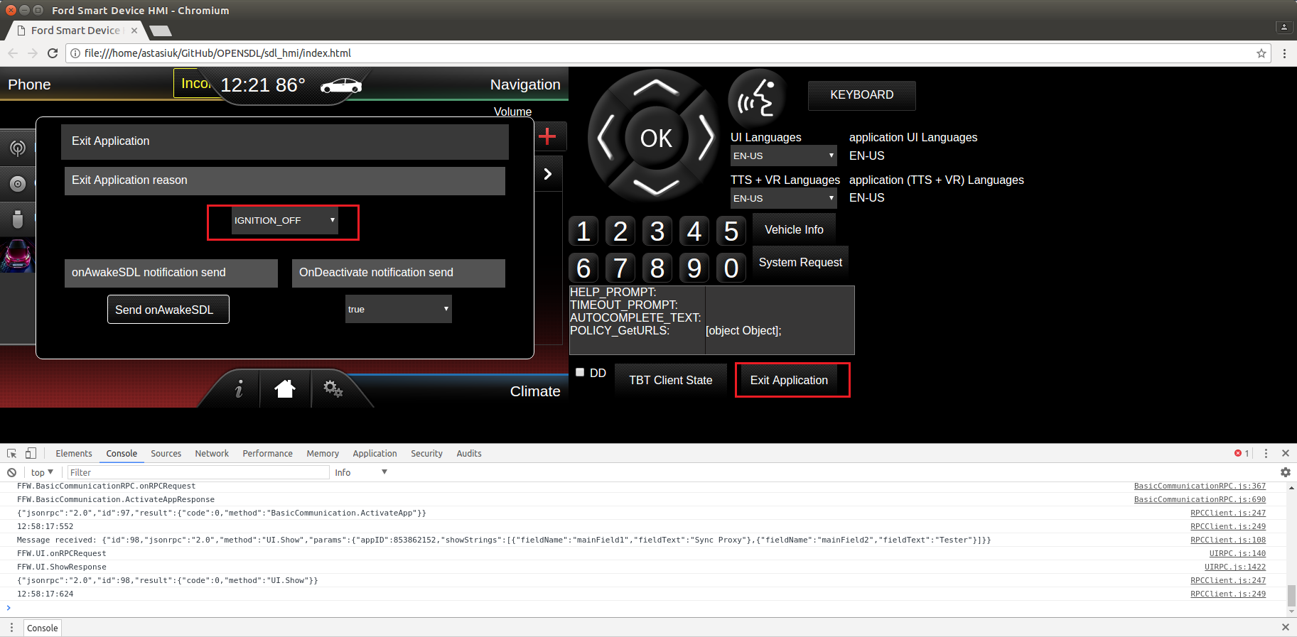
Test case: | Resumption (Ignition ON)
1 | Start SDL binary In case if USB transport is used, reconnect usb cable | SDL starts working App is registered: App→SDL: RegisterAppInterface() SDL→App: SUCCESS: RegisterAppInterface(). Resume succeeded. HMI level is restored: SDL→App: OnHMIStatus(FULL)
Test case: | Shutdown (Master Reset)
1 | On HMI press "Exit Application" button, make sure, that from drop-down filter MASTER_RESET reason is selected | HMI→SDL: BC.OnExitAllApplications(MASTER_RESET) SDL→HMI: BC.OnSDLClose() SDL→App: OnAppInterfaceUnregistered() SDL clears all Apps folder, app_info.dat file and shut down |  | 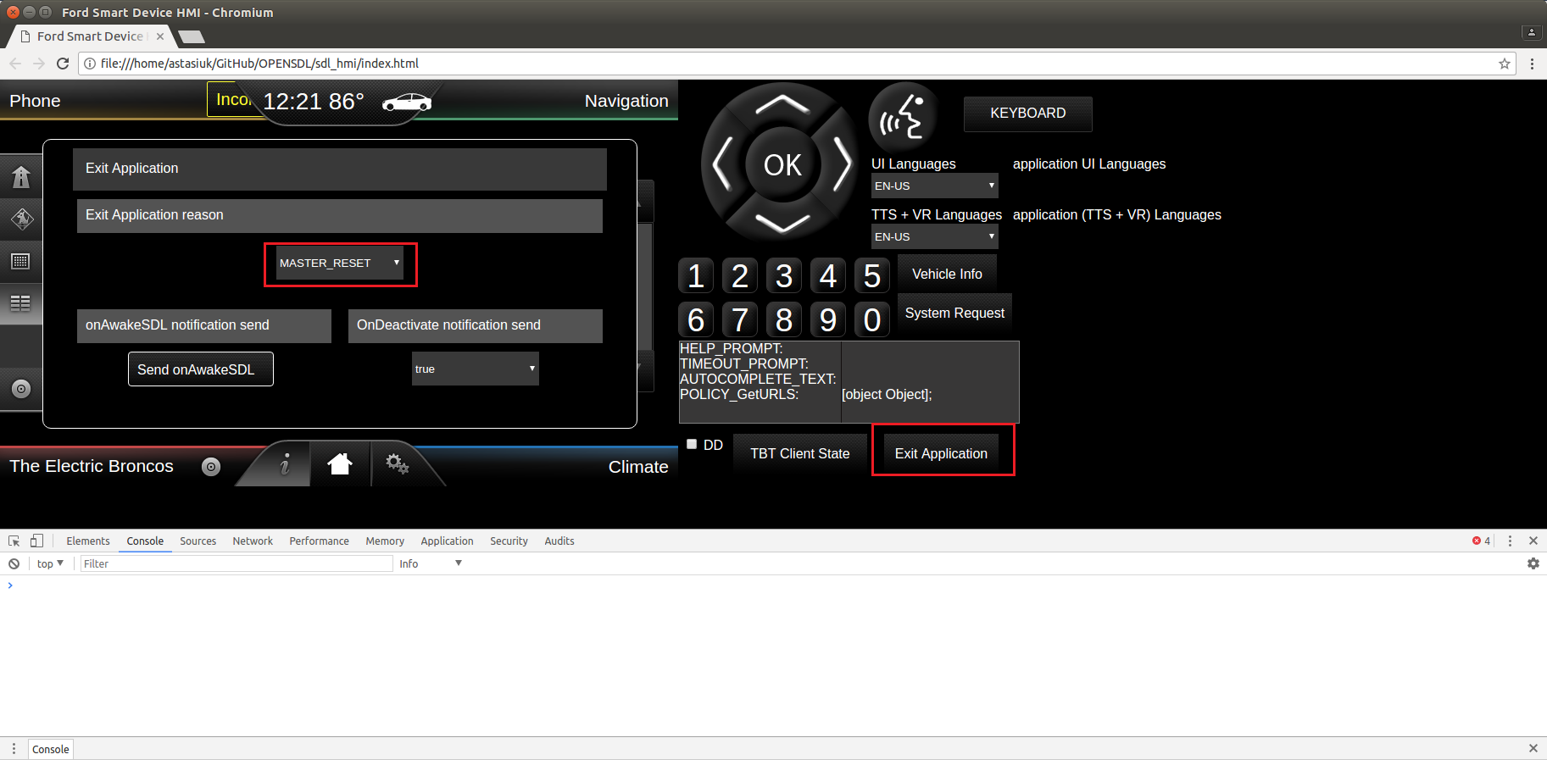
2 | Start SDL binary In case if USB transport is used, reconnect usb cable | SDL starts working No application registered Policy DB is clean and correspond to sdl_preloaded_pt.json

