STL Major Components
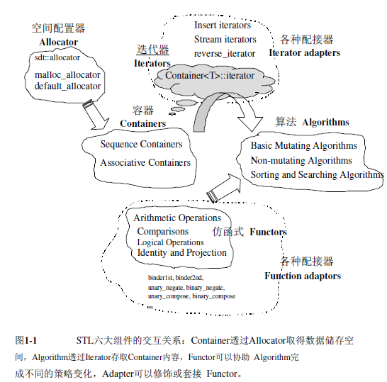
Six Major Components of STL
Container | Vector | List | Deque | Set
class template | Stack | Unordered Map | Unordered Set | Queue
 | Map | Array | Forward_List
Algorithm | Non-modifying sequence operations | Sorting | Heap
function template | Modifying sequence operations | Binary search | Min/max
 | Partitions | Merge | Other
Iterator | Input | Forward | Bidrectional | Random Access
Generic Pointer | Output
Relationship | The intermediary between Algorithm and Container.
class template | each container type has a specific iterator type designed to iterate through its elements
Overload Pointer Operator | Operator* | Operator-> | Operator++ | Operator--
Functor
class template | (1) Objects designed to be used with a syntax similar to functions
overload operator ( ) | (2) In C++, this is achieved by defining member function operator() in their class.

Adapter | Used to adapt functor, iterator and algorithm
Function Like | Container Adaptor | Functor Adaptor | Iterator Adaptor
Examples | Eg.stack, queue is adapted from deque using functor adapyor
 | Eg.priority_queue is adapted from vector
Allocator | Memory allocation and management: Classes that define memory models to be used by some parts of the Standard Library especially by STL containers.

Preprocessor Directives
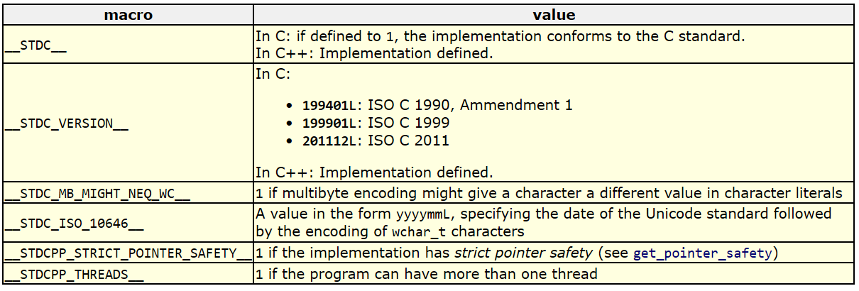
Preprocessor Directives
Definition: (1) Preprocessor directives are the statements for the preprocessor (2) It examines the code before actual compilation of code begins (3) It resolves all these directives before any code is actually generated by regular statements.

Macro Defitions: #define and #undef
#define |  |  | #undefine
 |  | (1) Replace TABLE_SIZE by 100 | Undefines a macro: A macro lasts until it is undefined with the #undef preprocessor directive
 |  | (2) The preprocessor does not understand C++ and will only care about preprocessor directives
 |  |  | 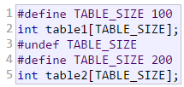

 |  | (1) Define function macros.
 |  | (2)replace any occurrence of getmax followed by two arguments by a>b?a:b

 |  |  | Above 2 blocks are the same
Special Operator: #
 |  | (1) x will be treated as a string literal
 |  | (2) The passed argument will be treated as "test"
 |  | (3) #define str(x) #x is actuall the meaning of #define str(x) "x", # can be regarded as double quote

Special Operator: ##
 |  | (1) a and b will be concatenated together without blank
 |  | (2) Left 2 blocks are the same
 |  | (3) The operator ## concatenates two arguments leaving no blank spaces between them

Conditional inclusions (#ifdef, #ifndef, #if, #endif, #else and #elif)
Conditional inclusion directives allow to include or discard part of the code of a program if a certain condition is met
#ifdef |  |  | #ifndef
#ifdef allows a section of a program to be compiled only if the macro that is specified as the parameter has been defined |  |  | the code between #ifndef and #endif directives is only compiled if the specified identifier has not been previously defined

 |  | (1) The line 2 will not be compiled if TABLE_SIZE if not defined |  | (1)If the TABLE_SIZE macro has not been defined yet, it would be defined to a value of 100

 |  | (2) The compilation is independent of the value of TABLE_SIZE |  | (2) Otherwise the #define will not be executed, and TABLE_SIZE keep unchanged

#if, #else and #elif |  |  | #if defined and #if !defined
They specify some condition to be met in order for the portion of code they surround to be compiled. |  |  | #ifdef and #ifndef can be replaced by #if defined and #if !defined

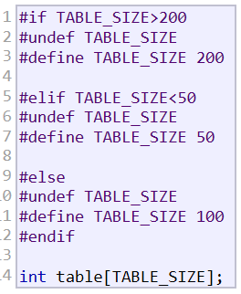 |  | (1) #if, #elif, #else should be chained and ended with #endif | 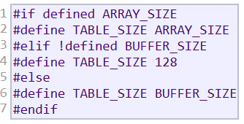

Line Control #line |  |  | Error Directive #error
Allow compiler shows an error message with references to the name of the file where the error happened and a line number |  |  | This directive aborts the compilation process when it is found, generating a compilation error that can be specified as its paramete

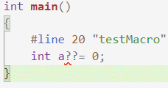 |  |  |  |  | If the __cplusplus is not defined, the directive compilation will be aborted

Source File Inclusion #include
When the preprocessor finds an #include directive it replaces it by the entire content of the specified header or file.

 | Angle-brackets<> are used to include headers provided by the implementation: standard library <iostream>,<string>...

 | The file is searched for in an implementation-defined manner, which generally includes the current path. In the case that the file is not found, the compiler interprets the directive as a header inclusion, just as if the quotes ("") were replaced by angle-brackets (<>).

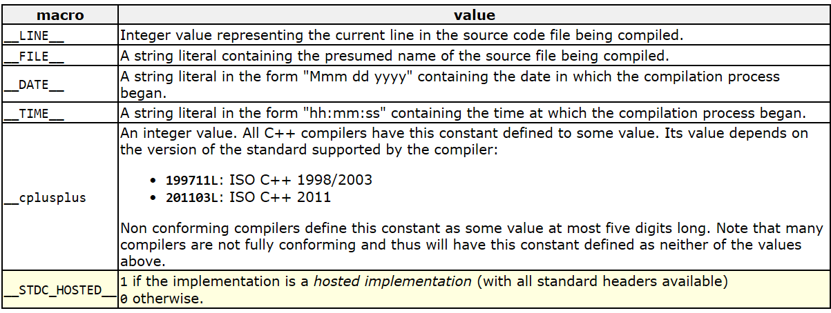
Predefined Macro Names
Defined for almost all the compier

Optionally Predefined for Some Compilers

