Sheet1
Function and Class Template
Function Templates |  |  |  |  | Class Template
Definition: Function templates are special functions that can operate with generic types. |  |  |  |  | Definition: a class can have members that use template parameters as types
 |  |  |  |  | How to create a class template?
 |  |  |  |  | 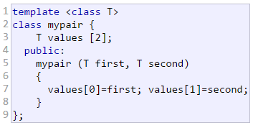

 | Template Parameter |  | myType
 | (1) This template parameter represents a type that has not yet been specified

 | (2) This template paramter can be used in the template function as if it were a regular type.

 | How compiler deal with template function?
 | (1) Automatically generates function based on the template |  |  |  | How to create a template class object?

 | (2) Replace the parameter types with the real passed type.
 |  |  |  |  | How to define a function member outside the declaration of the class template?
 | (3) Calls the function (execution)
Implicit Specification: Both i and j are of type int, and the compiler can automatically find out that the template parameter can only be int. |  |  |  |  | 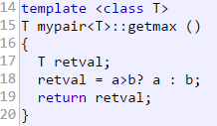 |  | we must always precede that definition with the template <...> prefix

 | Though we have 2 different template parameters, we can still use implicit specification.

Template Specialization
If you want to implement a class in different implementation ways for some specific data type, we can use template specialization
General Template Class
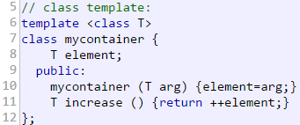

Class Template Specialization |  | How to declare a class template specialization
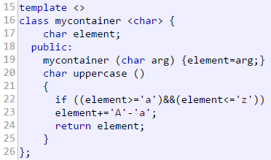 |  | (1) Precede the class template name with an empty template<> parameter list. This is to explicitly declare it as a template specialization.

 |  | (2) Postfix the class template name with <Specific_Type>. This specialization parameter itself identifies the type for which we are going to declare a template class specialization

 |  | Can class template specialization inherit from the general generic template?
 |  | No. When we declare specializations for a template class, we must also define all its members, even those exactly equal to the generic template class.

Non-Type Parameters for Templates
Template can also have regular typed parameters
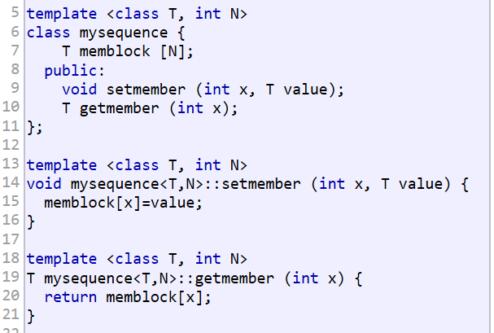 |  |  |  | What if we want to set default value or types for class template parameters?

 |  |  |  | Then, next 2 statements will be equivalent… …
 |  |  |  |  |  | =

Summary for Templates
(1) Templates are compiled on demand…
the code of a template function is not compiled until an instantiation with specific template arguments is required.

(2) How to deal with general classes or functions in multiple-file projects?
Interface and implementation are generally seperated: Declarations of the prototype of all the functions in the "header"file, the implementation (definition) is in an c++ file

(3) How to deal with template classes or functions in multiple-file projects?
The implementation (definition) of a template class or function must be in the same file as its declaration: it is becausethat template will not be compiled until required, and multi-file projects cannot do it.

(4) Can we include more than once of the same template file with both declaration and definition?
Yes, we can, and no linkage error will be reported. It is because that no code is generated until a template is instantiated when required.

