Functor
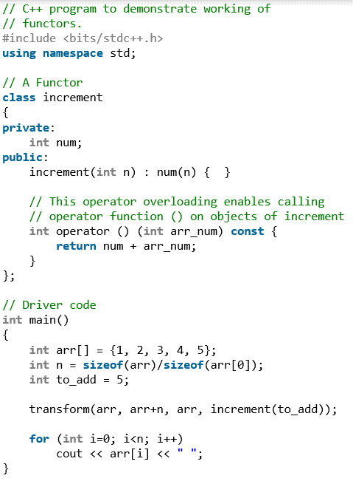
Functor
Functors are objects that can be treated as though they are a function or function pointer.

How the function pointer works in the STL?
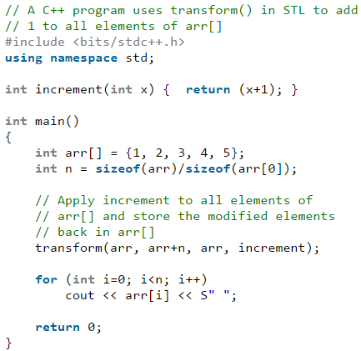

How the functor works?
(1) A functor (or function object) is a C++ class that acts like a function. (2) Functors are called using the same old function call syntax. (3)To create a functor, we create a object that overloads the operator().

Function Pointer
Pointer to Functions
(1) A function pointer is a pointer that denotes a function rather an object. (2) A function's name cannot determine the function pointer type but the return type and the paramters types determined the type of a function pointer.

How to declare a function pointer?
We have a function :

We declare a pointer matching this function:

(1) As we can see the fators influencing the function pointer declaration are only the arguments types and return type, function name is not involved.

(2) We find the function pointer pf points to a function that has two const string& parameters and returns bool.

How to assign a function pointer?

(1) As we can see in the first statement, if we use the name of a function as an assigned value, the function is automatically converted to a pointer.
(2) As we can see in the second statement, the function prefixed with dereference is equivalent to the first statement.
* So there is no need to dereference a function for convinence.
How to call the function using a function pointer?

(1) There is no conversion between pointers to one function type and pointers to another function type. （只要参数和返回类项一致，一个函数指针可以指向任意一个满足条件的函数）

(2) However, as usual, we can assign nullptr or a zero-valued integer constant expression to a function pointer to indicate that the pointer does not point to any function

What about a function pointer to overloaded functions?

When we use an overloaded function, we must keep the parameters type and return type perfectly matched, otherwise an error will occur.

How to declare a function with a function pointer as a parameter?

These 2 declarations are equivalent, and for convenience, we usually use the first one.

Use typedef keyword to define a function pointer type
We have 2 reasons to use typedef keyword to define a function pointer type: (1) Improve the readability (2) Define a function pointer type to improve the resuability

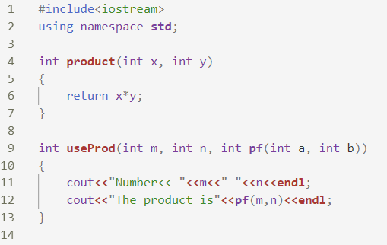 | 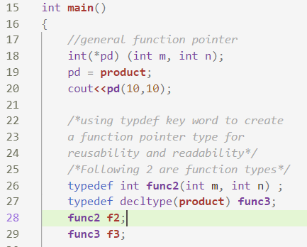 | 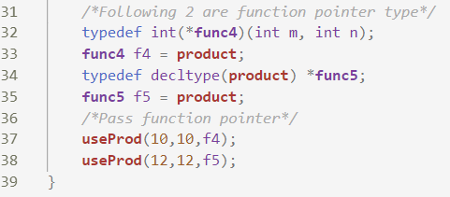

How to return a function pointer
(1) We can return a pointer to a function type .
(2) we must write the return type as a pointer type because the compiler will not convert function type to be function pointer type automatically.
(3) We use type alias technique to return function pointer
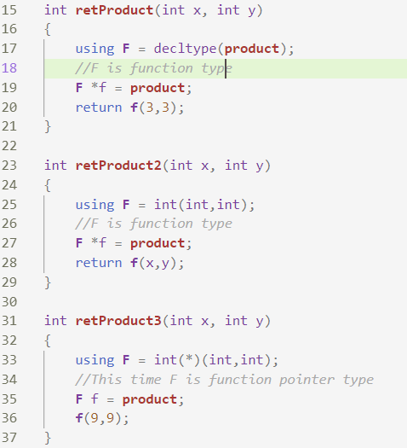 | How to declare a function type and a function pointer type?

 | Unlike when we pass a function type as a parameter, when we return a function pointer, a function type object will not be converted to function pointer automatically, so we need to specify the function pointer type mannually.

 | Another quicker way is using function pointer type object directly…
 | 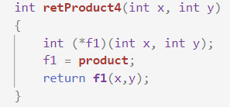

 | And we can use decltype to simplify the declaration of function pointer
 | 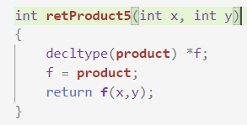

Type Inference
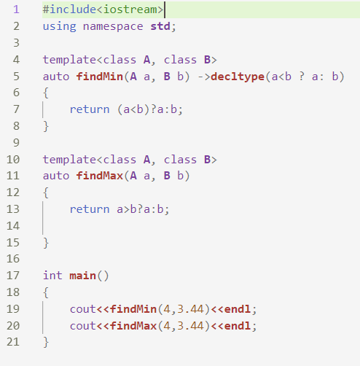
Type Inference
(1) Type Inference refers to automatic deduction of the data type of an expression. (2) After C++ 11, many keywords are included which allows a a compiler to deduce the data type by itself. (3) The compilation time will increase but the run time will not be affected.

auto keyword |  | decltype keyword
(1) With auto keword, the type of a varibale will be deducted automatically from its initializer. |  | decltype is sort of an operator that evaluates the type of passed expression, it allows us to extract the type from the variable
(2) In case of functions, if their return type is auto, then it will be determined by return type expression at runtime.
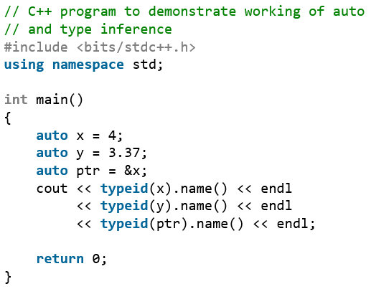 | (1) typeid is an operator included in <typeinfo> header file, and typeid is used where dynamic type of an object need to be known. (2) typeid(x).name() return shorthand name of the data type of x, for example, it return i for integers, d for doubles, Pi for the pointer to integer etc (3) But actual name returned is mostly compiler dependent | 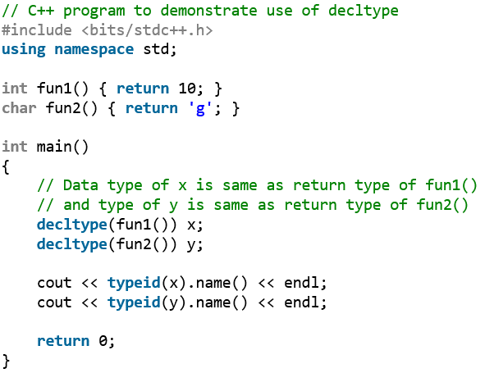 | 所以我们可以理解decltype( )理解成从一个expression或者object中提取其变量类型用以初始化一个新的变量。

 |  |  | 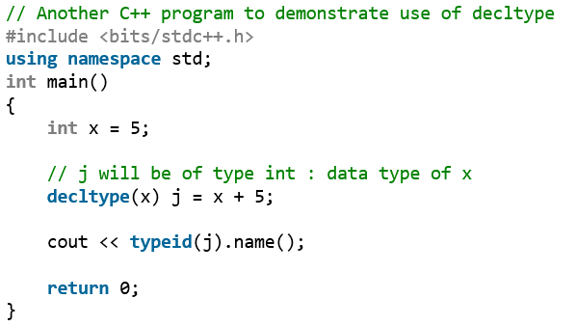

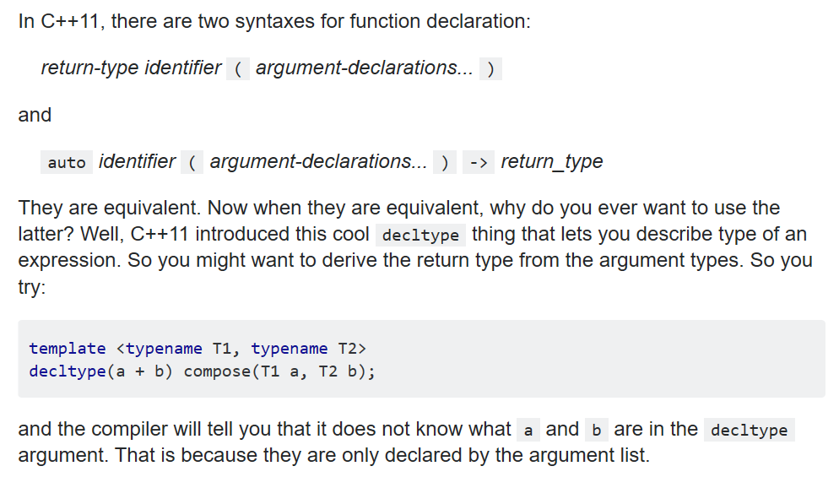
auto keyword is usually used for creating an iterator for container |  | use auto as the return type with the help of the decltype
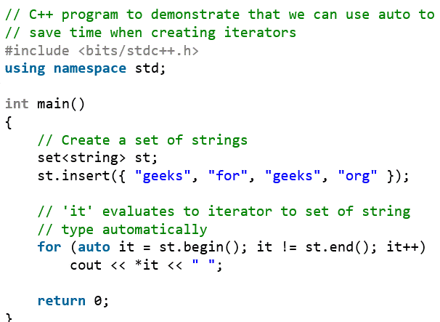 | Here it refers to an iterator to set of string | 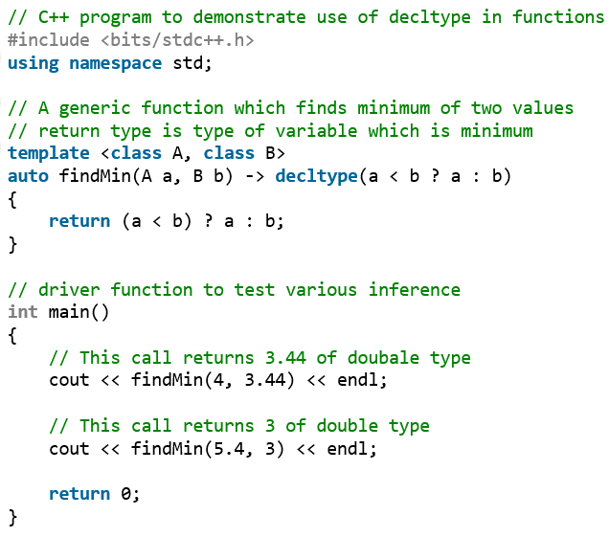

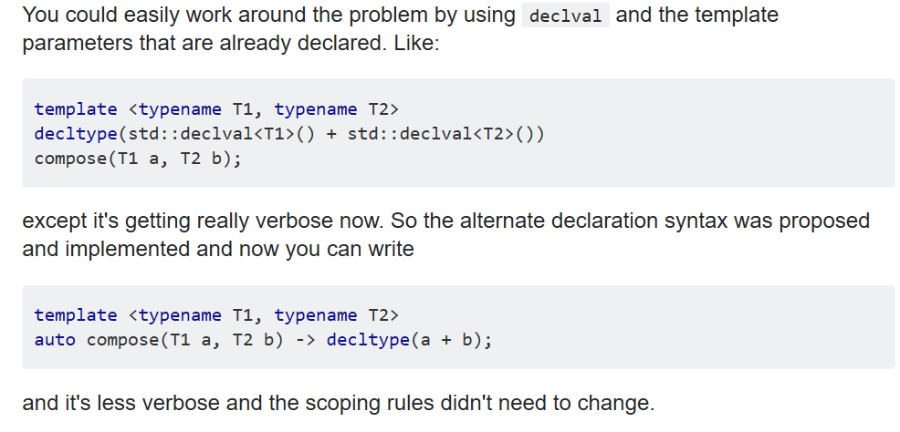

When do we need auto&
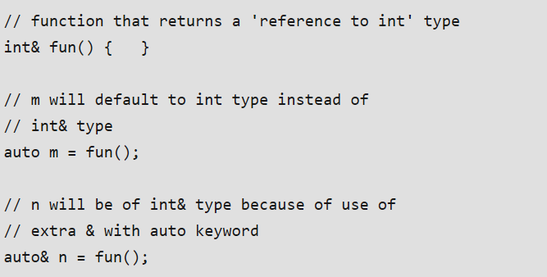 | (1) auto becomes int type if even an integer reference is assigned to it.

 | (2) To make it reference type, we use auto &

Type Aliase
Type Aliase
(1) A type alias is a different name by which a type can be identified. In C++, any valid type can be aliased so that it can be referred to with a different identifier. (2) two keywords: typedef and using

typedef

Now, C is equivalent to type char, WORD is equivalent to type unsigned int, pChar is equivalent to type char*, field is equivalent to type char[50]
using

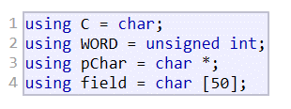 | (1) typedef and using are almost the same.
 | (2) typedef has certain limitation in template generic programming.
 | (3) They only create synonyms of existing types.
 | (4) they are most useful as tools to abstract programs from the underlying types they use.

