graph
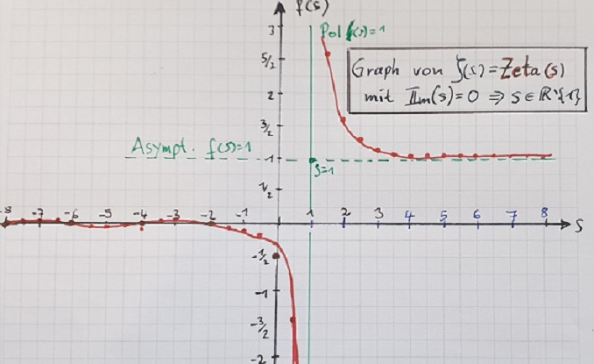
Graph of the Riem. Zeta Fct. Zeta(s) with Im(s)=0

