ML5-sLR Coeff.
Example of a "Least Squares Fitting" calculation for simple LR

Find the "least square fit" y = b0 + b1x for the experimental data points: {(1 , 2) , (3 , 4) , (2 , 6) , (4 , 8) , (5 , 12) , (6 , 13) , (7 , 15)}

Solution:
Number of Point N=7 |  |  | Mean-Values ("Mittelwerte"): [M(x),M(y)] = [28/7; 60/7] ~ [4; 8,5714] |  |  |  |  |  |  | 4 | 8.5714285714
Set up a table with the quantities included in the above formulas for b0 and b1 and also the quantities for the calculation of R²:

 | needed for calculation of b0 and b1 |  |  |  | needed for calculation of R² |  |  | SST = SSE + SSR ?
i | xi | yi | xi*yi | xi² | y(xi) | SSE=sum(yi-y(xi))² | SST=sum(yi-M(y))² | SSR=sum(y(xi) - M(y))² |  | xi - M(x) | yi - M(y) | [xi - M(x)]*[yi-M(y)]
1 | 1 | 2 | 2 | 1 | 2.0357 | 0.001274 | 43.1833 | 42.7101 |  | -3 | -6.5714285714 | 19.714285714
2 | 3 | 4 | 12 | 9 | 6.3929 | 5.726 | 20.8977 | 4.7459 |  | -1 | -4.5714285714 | 4.5714285714
3 | 2 | 6 | 12 | 4 | 4.2143 | 3.1887 | 6.6121 | 18.9843 |  | -2 | -2.5714285714 | 5.1428571429
4 | 4 | 8 | 32 | 16 | 8.5715 | 0.3266 | 0.3265 | 0 |  | 0 | -0.57142857143 | 0
5 | 5 | 12 | 60 | 25 | 10.7501 | 1.5623 | 11.7553 | 4.7467 |  | 1 | 3.4285714286 | 3.4285714286
6 | 6 | 13 | 78 | 36 | 12.9287 | 0.00661 | 19.6125 | 18.9861 |  | 2 | 4.4285714286 | 8.8571428571
7 | 7 | 15 | 105 | 49 | 15.1073 | 0.01151 | 41.3269 | 42.718 |  | 3 | 6.4285714286 | 19.285714286
sum | 28 | 60 | 301 | 140 |  | 10.822994 | 143.7143 | 132.8911 |  | 0 | 0 | 61
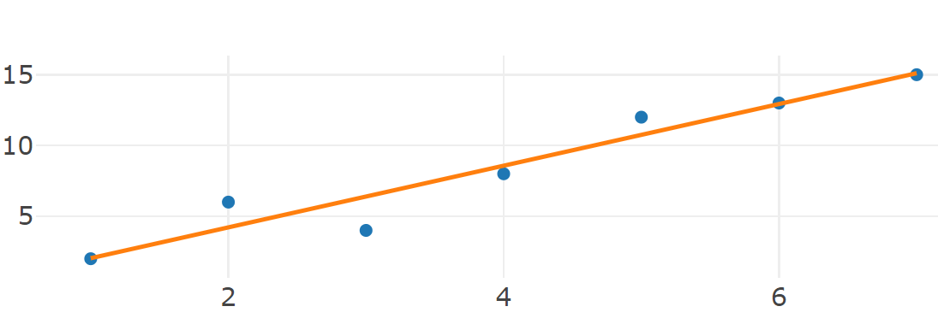
Substitute these values into Formula I and II: |  |  |  |  |  | Compare with Python

b0 = (140*60/7 -4*301)/(140 -7*16) = -28/196 = -1/7 ~ -0,14286 |  |  |  |  |  | intercept: - 0.14285714285714057
b1 = (301 -7*4*(60/7))/28 = 61/28 ~ 2,1786 |  |  |  |  |  | slope: [2.17857143]

----> Regression-Line: y = -1/7 + (61/28)*x |  |  |  |  |  |  |  |  | Check of Proposition (P5.1): f(Mean(x)) = -1/7 + (61/28)*4 = -1/7 + 61/7 = 60/7 = Mean(y) q.e.d.

R² = 1 - Sum((yi-y(xi))²)/Sum((yi-M(y))²) = 1 -(10,822994 / 143,7143) ~ 0,9247 |  |  |  |  |  | coeff. determination: 0.9247017892644135

Example-E5.1
Example of a "Least Squares Fitting" calculation for simple LR: "Student Examination"

Find "least square fit" y = b0 + b1x with {(exam prep.[h], score[pt.])}= {(7, 41), (3, 27), (5, 35), (3, 26), (8, 48), (7, 45), (10, 46), (3, 27), (5, 29) , (3, 19)} |  |  |  |  |  |  |  |  | Find "least square fit" y = b0 + b1x with {(homework[h], score[pt.])}= {(5, 41), (4, 27), (5, 35), (3, 26), (9, 48), (8, 45), (10, 46), (5, 27), (3, 29), (3, 19)}

Solution: |  |  |  |  |  |  |  |  | Solution:
Number of Point N=10 |  |  | Mean-Values ("Mittelwerte"): [M(x),M(y)] = [54/10; 343/10] = [5,4; 34,3] |  |  |  |  |  | Number of Point N=10 |  |  | Mean-Values ("Mittelwerte"): [M(x),M(y)] = [55/10; 343/10] = [5,5; 34,3]
Set up a table with the quantities included in the above formulas for b0 and b1 and also the quantities for the calculation of R²: |  |  |  |  |  |  |  |  | Set up a table with the quantities included in the above formulas for b0 and b1 and also the quantities for the calculation of R²:

 | needed for calculation of b0 and b1 |  |  |  | needed for calculation of R² |  |  | SST = SSE + SSR ? |  | needed for calculation of b0 and b1 |  |  |  | needed for calculation of R² |  |  | SST = SSE + SSR ?
student i | exam prep. xi | points yi | xi*yi | xi² | y(xi) | SSE=sum(yi-y(xi))² | SST=sum(yi-M(y))² | SSR=sum(y(xi) - M(y))² | student i | exam prep. xi | points yi | xi*yi | xi² | y(xi) | SSE=sum(yi-y(xi))² | SST=sum(yi-M(y))² | SSR=sum(y(xi) - M(y))²
1 | 7 | 41 | 287 | 49 | 40.269 | 0.534361 | 44.89 | 35.628961 | 1 | 5 | 41 | 205 | 25 | 32.559 | 71.250481 | 44.89 | 3.031081
2 | 3 | 27 | 81 | 9 | 25.325 | 2.805625 | 53.29 | 80.550625 | 2 | 4 | 27 | 108 | 16 | 29.08 | 4.3264 | 53.29 | 27.2484
3 | 5 | 35 | 175 | 25 | 32.797 | 4.853209 | 0.49 | 2.259009 | 3 | 5 | 35 | 175 | 25 | 32.559 | 5.958481 | 0.49 | 3.031081
4 | 3 | 26 | 78 | 9 | 25.325 | 0.455625 | 68.89 | 80.550625 | 4 | 3 | 26 | 78 | 9 | 25.601 | 0.159201 | 68.89 | 75.672601
5 | 8 | 48 | 384 | 64 | 44.005 | 15.960025 | 187.69 | 94.187025 | 5 | 9 | 48 | 432 | 81 | 46.475 | 2.325625 | 187.69 | 148.230625
6 | 7 | 45 | 315 | 49 | 40.269 | 22.382361 | 114.49 | 35.628961 | 6 | 8 | 45 | 360 | 64 | 42.996 | 4.016016 | 114.49 | 75.620416
7 | 10 | 46 | 460 | 100 | 51.477 | 29.997529 | 136.89 | 295.049329 | 7 | 10 | 46 | 460 | 100 | 49.954 | 15.634116 | 136.89 | 245.047716
8 | 3 | 27 | 81 | 9 | 25.325 | 2.805625 | 53.29 | 80.550625 | 8 | 5 | 27 | 135 | 25 | 32.559 | 30.902481 | 53.29 | 3.031081
9 | 5 | 29 | 145 | 25 | 32.797 | 14.417209 | 28.09 | 2.259009 | 9 | 3 | 29 | 87 | 9 | 25.601 | 11.553201 | 28.09 | 75.672601
10 | 3 | 19 | 57 | 9 | 25.325 | 40.005625 | 234.09 | 80.550625 | 10 | 3 | 19 | 57 | 9 | 25.601 | 43.573201 | 234.09 | 75.672601
sum | 54 | 343 | 2063 | 348 |  | 134.217194 | 922.10 | 787.214794 | sum | 55 | 343 | 2097 | 363 |  | 189.699203 | 922.10 | 732.258203
 |  |  |  |  |  |  |  | sse+ssr |  |  |  |  |  |  |  |  | sse+ssr
Substitute these values into Formula I and II: |  |  |  |  |  | Compare with Python |  | 921.431988 | Substitute these values into Formula I and II: |  |  |  |  |  | Compare with Python |  | 921.957406
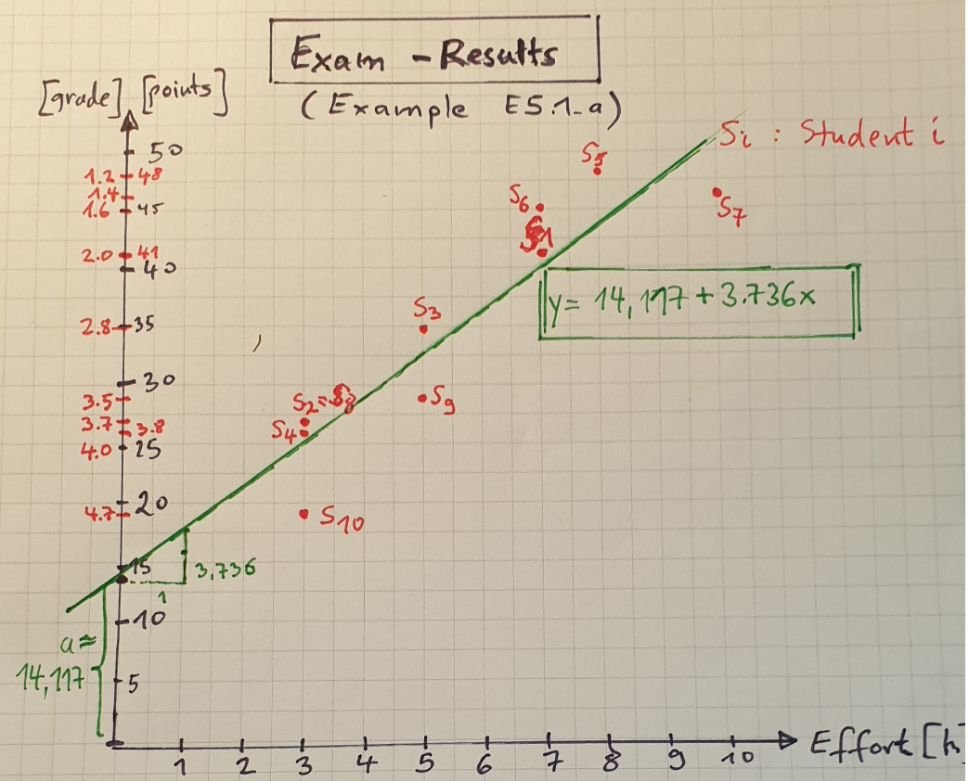
b0 = (348*34,3 -5,4*2063)/(348-10*5,4²) = (3981/5)/(282/5) = 1327/94 ~14,117 |  |  |  |  |  | intercept: 14.11702127659574 |  |  | b0 = (363*34,3 -5,5*2097)/(363-10*5,5²) = (4587/5)/(121/2) = 834/55 ~15,164 |  |  |  |  |  | intercept: 15.163636363636353
b1 = (2063-10*5,4*34,3)/(282/5)= (1054/5)/(282/5)=527/141~3,7376 |  |  |  |  |  | slope: [3.73758865] |  |  | b1 = (2097 -10*5,5*34,3)/(121/2) = 421/121~3,479 |  |  |  |  |  | slope: [3.47933884]

----> Regression-Line: y = 14,117 + 3,7376*x |  |  |  |  |  |  |  |  | ----> Regression-Line: y = 15,164 + 3,479*x

R² = 1 - Sum((yi-y(xi))²)/Sum((yi-M(y))²) = 1 -(134,2172/922,1) ~ 0,8544 |  |  |  |  |  | coeff. determination: 0.8544449495100991 |  |  | R² = 1 - Sum((yi-y(xi))²)/Sum((yi-M(y))²) = 1 -(189,699 / 922,1) ~ 0,7943 |  |  |  |  |  | coeff. determination: 0.7942748361851003

Question 1: 14,117 points. |  |  |  |  |  |  |  |  | Question 1: 15,164 points.
Question 2: 14,117 + 37,38 = 51,497 = 50 points (grade= 1,0). |  |  |  |  |  | 51.4929078 |  |  | Question 2: 15,164 + 34,79 = 49,954 = 50 points (grade= 1,0). |  |  |  |  |  | 49.95702479
Question 3: x= (25-14,117)/3,7376=2,91[h] |  |  |  |  |  |  |  |  | Question 3: x= (25-15,164)/3,479=2,83[h]

Check of Proposition (P5.1): f(Mean(x)) = 14,117 + 3,736*5,4 = 34,2914 ~ Mean(y) q.e.d. |  |  |  |  |  |  |  |  | Check of Proposition (P5.1): f(Mean(x)) = 15,164 + 3,479*5,5 = -34,2985 ~ Mean(y) q.e.d.

 | needed for calculation of b0 and b1
student i | exam. prep. xi | points yi | xi*yi | xi² | grade
1 | 7 | 41 | 287 | 49 | 2.0
2 | 3 | 27 | 81 | 9 | 3.7
3 | 5 | 35 | 175 | 25 | 2.8
4 | 3 | 26 | 78 | 9 | 3.8
5 | 8 | 48 | 384 | 64 | 1.2
6 | 7 | 45 | 315 | 49 | 1.6
7 | 10 | 46 | 460 | 100 | 1.4
8 | 3 | 27 | 81 | 9 | 3.7
9 | 5 | 29 | 145 | 25 | 3.5
10 | 3 | 19 | 57 | 9 | 4.7
sum | 54 | 343 | 2063 | 348 | 2.8

Homework-H5.1_a
Manuel calculation of two sLR-lines (green ,red) (Homework (H5.1_a) + Compare with optimal sLR-line (homewrk (H5.1_b) + Check Results with the new metric R²=SSR/SST

Decide what is the "better" sLR-Line: y = 1,5 + 0,5*x or y = 1,25+0,5*x ? |  |  |  |  |  |  |  |  | With the defintion R²:=SSR/SST we get as an result that the green line is the best sLR-line of the three --> With R²=1-SSE/SST it was the yellow line

Solution:
Number of Point N=3 |  |  | Mean-Values ("Mittelwerte"): [M(x),M(y)] = [2; (7/3)]
Set up a table with the quantities included in the above formulas for a and b and also the quantities for the calculation of R²:

 | needed for calculation of a and b |  |  |  | Needed for calculation of R² |  |  |  | SST = SSE + SSR ?
i | xi | yi | xi*yi | xi² | y(xi) | SSE=sum(yi-y(xi))² | SST=sum(yi-M(y))² | R² | SSR=sum(y(xi) - M(y))² | R²
1 | 1 | 2 | 2 | 1 | 2.00 | 0.0000000 | 0.1111111 | 1.0000000 | 0.1111111
2 | 3 | 3 | 9 | 9 | 3.00 | 0.0000000 | 0.4444444 | 1.0000000 | 0.4444444
3 | 2 | 2 | 4 | 4 | 2.50 | 0.2500000 | 0.1111111 | 0.9000000 | 0.0277778
sum | 6 | 7 | 15 | 14 |  | 0.2500000 | 0.6666667 | 0.6250000 | 0.5833333 | 0.8750000
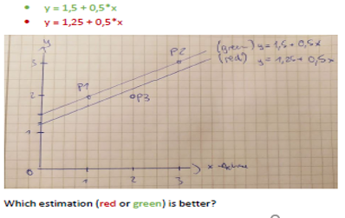
 |  |  |  |  |  |  |  |  | 0.8333333 | <--SSR + SSE
 |  |  |  |  | Needed for calculation of R² |  |  |  | SST = SSE + SSR ?
 |  |  |  |  | y(xi) | SSE=sum(yi-y(xi))² | SST=sum(yi-M(y))² | R² | SSR=sum(y(xi) - M(y))² | R²
 |  |  |  |  | 1.75 | 0.0625000 | 0.1111111 |  | 0.3402778
 |  |  |  |  | 2.75 | 0.0625000 | 0.4444444 |  | 0.1736111
 |  |  |  |  | 2.25 | 0.0625000 | 0.1111111 |  | 0.0069444
 |  |  |  |  |  | 0.1875000 | 0.6666667 | 0.7187500 | 0.5208333 | 0.7812500
 |  |  |  |  |  |  |  |  | 0.7083333 | <--SSR + SSE
 |  |  |  |  | From Homework (H5.1_b) we get the data for the "optimal" sLR-line:
 |  |  |  |  | needed for calculation of R² |  |  |  | SST = SSE + SSR ?
 |  |  |  |  | y(xi) | SSE=sum(yi-y(xi))² | SST=sum(yi-M(y))² | R² | SSR=sum(y(xi) - M(y))² | R²
 |  |  |  |  | 11/6 | (1/6)²=1/36 | (-1/3)²=1/9 |  | 1/4
 |  |  |  |  | 17/6 | (1/6)²=1/36 | (2/3)²=4/9 |  | 1/4
 |  |  |  |  | 14/6 | (-2/6)²=4/36 | (1/3)²=1/9 |  | 0
 |  |  |  |  | 42/6=7 | 6/36=1/6 | 2/3 | 0.7500000 | 1/2 | 0.7500000
 |  |  |  |  |  |  |  |  | 0.6666667 | <--SSR + SSE

Homework-H5.1_b
Example of a "Least Squares Fitting" calculation for simple LR: Homework 5.1_b" |  |  |  |  |  |  |  |  |  | Coefficients a, b calculated with formulas of Theorem: "(sst=sse+ssr)=??=> optimal"

Find "least square fit" y = a + b*x with Trainingset TS :={(x, y))}= {(1,2), (3, 3), (2, 2)}

Solution:
Number of Point N=3 |  |  | Mean-Values ("Mittelwerte"): [M(x),M(y)] = [2; (7/3)]
Set up a table with the quantities included in the above formulas for b0 and b1 and also the quantities for the calculation of R²: |  |  |  |  |  |  |  |  |  | 2 | 7/3

 | needed for calculation of b0 and b1 |  |  |  | needed for calculation of R² |  |  | SST = SSE + SSR ?
i | xi | yi | xi*yi | xi² | y(xi) | SSE=sum(yi-y(xi))² | SST=sum(yi-M(y))² | SSR=sum(y(xi) - M(y))² | 0.25 | xi - M(x) | yi - M(y) | [xi - M(x)]*[yi-M(y)]
1 | 1 | 2 | 2 | 1 | 11/6 | (1/6)²=1/36 | (-1/3)²=1/9 | 1/4 | 0.25 | -1 | -0.33333333333 | 0.33333333333
2 | 3 | 3 | 9 | 9 | 17/6 | (1/6)²=1/36 | (2/3)²=4/9 | 1/4 |  | 1 | 0.66666666667 | 0.66666666667
3 | 2 | 2 | 4 | 4 | 14/6 | (-2/6)²=4/36 | (1/3)²=1/9 | 0 |  | 0 | -0.33333333333 | 0
sum | 6 | 7 | 15 | 14 | 42/6=7 | 6/36=1/6 | 2/3 | 1/2 | 0.50 | 0 | -4.4408920985E-16 | 1

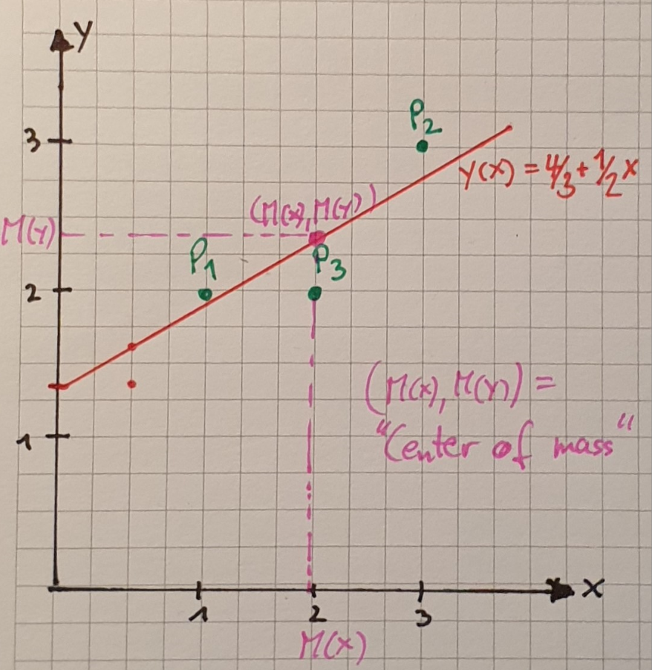
Substitute these values into Formula I and II: |  |  |  |  |  | Compare with Python
 |  |  |  |  |  |  |  |  |  | Coefficients a, b calculated with formulas of Theorem: "(sst=sse+ssr)=??=> optimal"
b0 = ((7/3)*14 -2*15)/(14-12) = (8/3)/2= 4/3 |  |  |  |  |  | intercept: 1.333333333333334 |  |  |  | a= [(7/3)*14-(14/3)*6]/(14-3*4)= 14/(3*2) = 14/6=7/3 = M(y)
b1 = (15 -3*2*(7/3))/2 = 1/2 = 0.5 |  |  |  |  |  | slope: [0.5] |  |  |  | b=[(7/3)*6 - 3*2*(7/3)]/2 = [14-14]/2=0 |  | ===> y(x) = 7/3 + 0*x ===>y(xi)=M(y) => SSR= 0 ---> unclear ??!
 |  |  |  |  |  |  |  |  |  |  | SSR=0
----> Regression-Line: y = 4/3 + 1/2*x |  |  |  |  |  |  |  |  |  |  | SSE = (2-7/3)²+ (3-7/3)²+0=1/9+4/9=5/9 ; SST =6/9 > 5/9 = SSR + SSE
 |  |  |  |  |  |  |  |  |  |  | SST = 2/3 => R²=1-(5/9)/(2/3)= 1-15/18=3/18=1/6 not max. ! ( SST<>sse+sst --> not counter-example !!!
R² = 1 - Sum((yi-y(xi))²)/Sum((yi-M(y))²) = 1 -(1/6)/(2/3) = 1 -(1*3)/(6*2)=1-3/12= 1-1/4=3/4 |  |  |  |  |  | coefficient of determination: 0.7499999999999999

Check of Proposition (P5.1): f(Mean(x)) = (4/3) + (1/2)*2 = 7/3 = Mean(y) q.e.d.

