BOM
Item | Part Number | Thumbnail | BOM Structure | Unit QTY | QTY | Stock Number | Description | REV
1 | base | 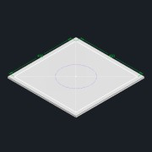 | Normal | Each | 1
2 | SIDE_BEAMSipt-01 |  | Normal | Each | 4
3 | MOTOR_MOUNT_ | 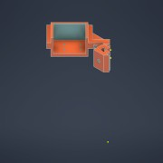 | Normal | Each | 4
4 | motor_imported_Simplify_1 | 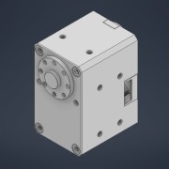 | Normal | Each | 4
5 | spool | 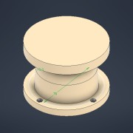 | Normal | Each | 4
6 | spool_test | 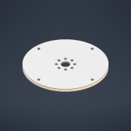 | Normal | Each | 4
7 | EN ISO 7045 - M2 x 6 - 4.8 - H | 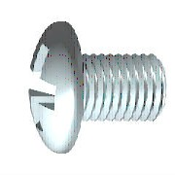 | Purchased | Each | 32 |  | Pan head with type H or type Z cross recess. Product grade A
8 | ISO 4032 - M2 | 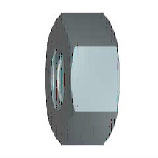 | Purchased | Each | 20 |  | Hexagon nuts, style 1- Product grade A and B
9 | AS 1427 - M2.5 x 8 |  | Purchased | Each | 4 |  | Phillips ISO metric machine screws
10 | EN ISO 7045 - M2 x 10 - 4.8 - H |  | Purchased | Each | 8 |  | Pan head with type H or type Z cross recess. Product grade A
11 | ISO 4032 - M2.5 |  | Purchased | Each | 4 |  | Hexagon nuts, style 1- Product grade A and B
12 | SIDE_BEAMSipt-04 | 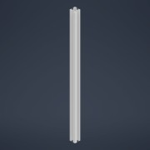 | Normal | Each | 4

