Age
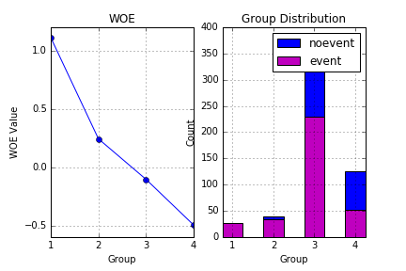
Groups | Cutoff | Bad | Good | WOE
1 | Age <= 4.0 | 27 | 13 | 1.1107400408
2 | ( 4.0 < Age <= 17.0] | 34 | 39 | 0.24265141074
3 | Age > 17.0 | 229 | 372 | -0.10531931847
4 | missing | 52 | 125 | -0.49721748647

Pclass
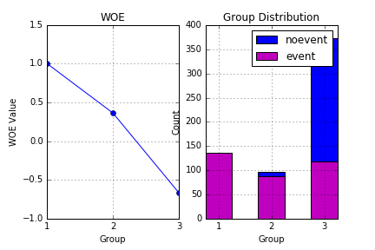
Groups | Cutoff | Bad | Good | WOE
1 | Pclass <= 1.0 | 136 | 80 | 1.0039159555
2 | ( 1.0 < Pclass <= 2.0] | 87 | 97 | 0.3644848446
3 | Pclass > 2.0 | 119 | 372 | -0.66648265671

Sex
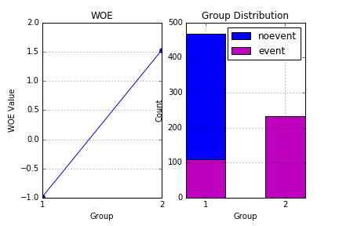
Groups | Cutoff | Bad | Good | WOE
1 | Sex = male | 109 | 468 | -0.98383270924
2 | Sex = female | 233 | 81 | 1.5298770033

SibSp
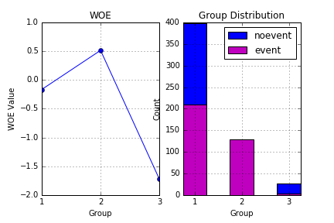
Groups | Cutoff | Bad | Good | WOE
1 | SibSp <= 0.0 | 210 | 398 | -0.16605677012
2 | ( 0.0 < SibSp <= 3.0] | 129 | 124 | 0.5128185432
3 | SibSp > 3.0 | 3 | 27 | -1.7239368729

Parch
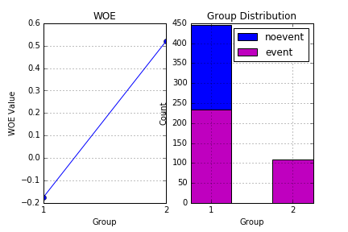
Groups | Cutoff | Bad | Good | WOE
1 | Parch <= 0.0 | 233 | 445 | -0.17374812415
2 | Parch > 0.0 | 109 | 104 | 0.52024468753

Fare
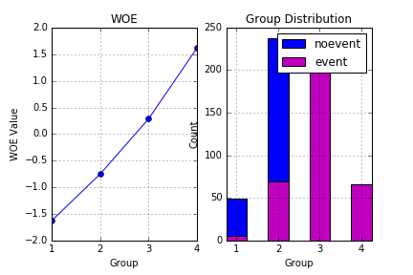
Groups | Cutoff | Bad | Good | WOE
1 | Fare <= 7.225 | 6 | 49 | -1.6267731244
2 | ( 7.225 < Fare <= 10.5] | 70 | 238 | -0.75048772718
3 | ( 10.5 < Fare <= 77.9583] | 200 | 241 | 0.2868081375
4 | Fare > 77.9583 | 66 | 21 | 1.6184200087

