A1
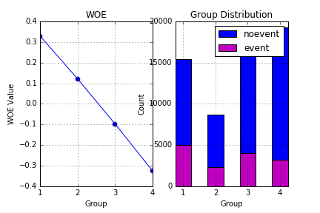
Groups | Cutoff | Bad | Good | WOE
1 | A1 <= 20.0 | 4999 | 15369 | 0.32916262259
2 | ( 20.0 < A1 <= 30.0] | 2288 | 8660 | 0.12124057473
3 | ( 30.0 < A1 <= 59.0] | 3991 | 18805 | -0.09780374207
4 | A1 > 59.0 | 3251 | 19246 | -0.32606338183

A127
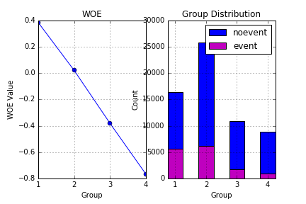
Groups | Cutoff | Bad | Good | WOE
1 | A127 <= 3.0 | 5646 | 16435 | 0.3838113465
2 | ( 3.0 < A127 <= 7.0] | 6176 | 25857 | 0.020366679175
3 | ( 7.0 < A127 <= 10.0] | 1746 | 10936 | -0.38245541822
4 | A127 > 10.0 | 961 | 8852 | -0.76814706841

A86
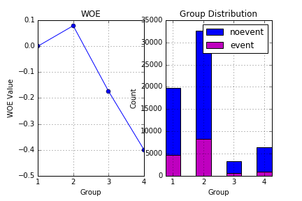
Groups | Cutoff | Bad | Good | WOE
1 | A86 <= 2000.0 | 4637 | 19828 | -0.00075025096324
2 | ( 2000.0 < A86 <= 17000.0] | 8248 | 32586 | 0.07836522222
3 | ( 17000.0 < A86 <= 24000.0] | 635 | 3232 | -0.17495419696
4 | A86 > 24000.0 | 1009 | 6434 | -0.40035946366

A146
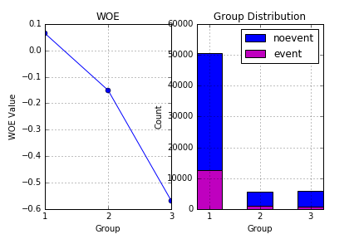
Groups | Cutoff | Bad | Good | WOE
1 | A146 <= 1.0 | 12622 | 50565 | 0.064458909594
2 | ( 1.0 < A146 <= 2.0] | 1116 | 5545 | -0.15086853306
3 | A146 > 2.0 | 791 | 5970 | -0.56892701483

