BERTH 1
 | HYOP WOON SHIPPING LTD.

 |  | TIME SHEET

VESSEL: |  |  |  | VOY : |  |  | DATE :
PORT OF | LOADING :
CHARTERER:

 | DATE / HOUR |  | STATEMENT

2026, JUL |  |  | - ARRIVED PILOT STATION/ANCHORAGE
 |  |  | - PILOT ON BOARD FOR BERTHING
 |  |  | - BERTHED AT
 |  |  | - NOR TENDERED
 |  |  | - NOR ACCEPTED
 |  |  | - TANKS INSPECTED
 |  |  | - TANKS ACCEPTED.

CGO. | SHIPPER/ | TANK | LINE | HOSE | COMM | COMP |  | HOSE |  | B/L | SHIP
 | CONSIGNEE | NO | NO | ON | LOAD | LOAD |  | OFF |  | FIG M/T | FIG M/T

 |  |  |  | START CARGO CALCULATION
 |  |  |  | COMPLETED CARGO CALCULATION
 |  |  |  | CARGO PAPERS ON BOARD
 |  |  |  | PILOT ON BOARD
 |  |  |  | LEFT FM BERTH

REMARK:

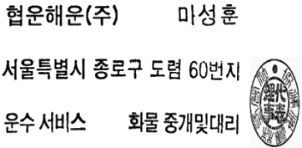

SHORE REPRESENTATIVE |  |  |  | AGENT |  |  |  |  | MASTER

