Plotly
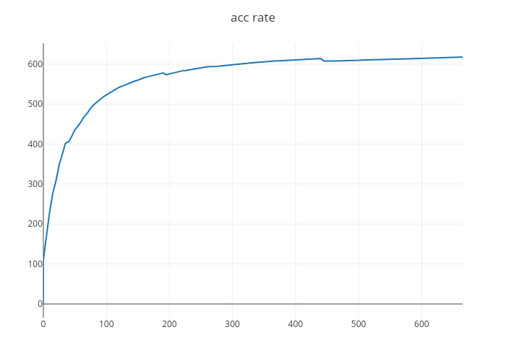
https://plot.ly/~HYPENG1/5/

