Sheet1
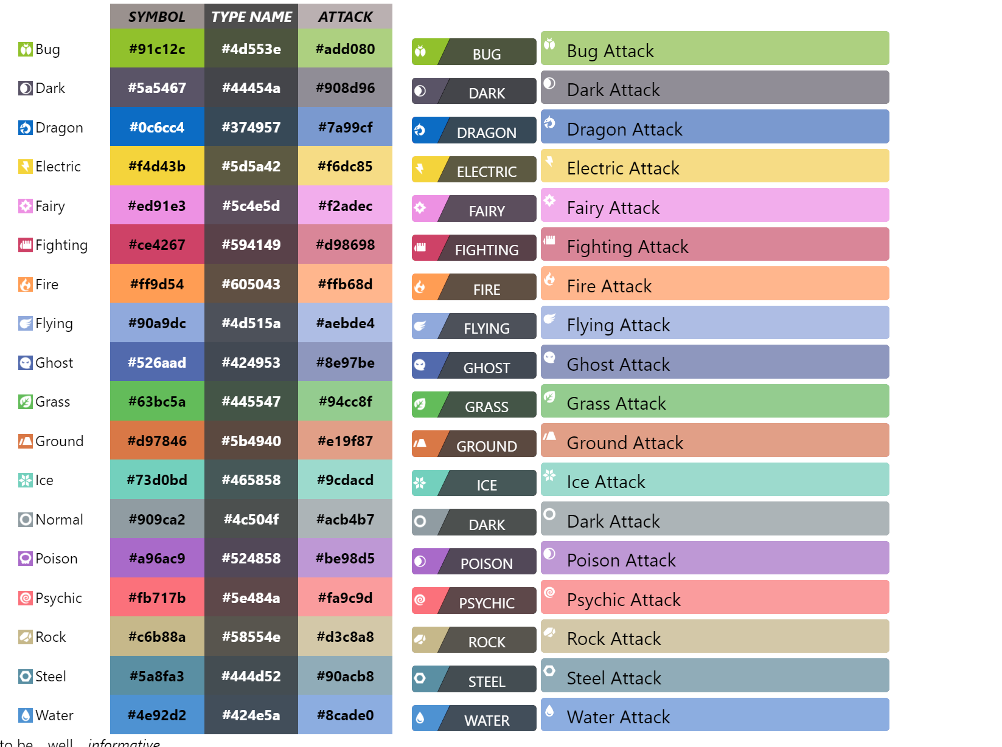
 | SYMBOL | TYPE NAME | ATTACK
Normal | #909ca2 | #4c504f | #acb4b7
Fighting | #ce4267 | #594149 | #d98698
Flying | #90a9dc | #4d515a | #aebde4
Poison | #a96ac9 | #524858 | #be98d5
Ground | #d97846 | #5b4940 | #e19f87
Rock | #c6b88a | #58554e | #d3c8a8
Bug | #91c12c | #4d553e | #add080
Ghost | #526aad | #424953 | #8e97be
Steel | #5a8fa3 | #444d52 | #90acb8
Fire | #ff9d54 | #605043 | #ffb68d
Water | #4e92d2 | #424e5a | #8cade0
Grass | #63bc5a | #445547 | #94cc8f
Electric | #f4d43b | #5d5a42 | #f6dc85
Psychic | #fb717b | #5e484a | #fa9c9d
Ice | #73d0bd | #465858 | #9cdacd
Dragon | #0c6cc4 | #374957 | #7a99cf
Dark | #5a5467 | #44454a | #908d96
Fairy | #ed91e3 | #5c4e5d | #f2adec

