Dataset_overview
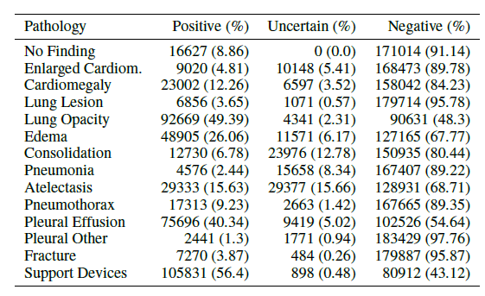
Dataset | X-ray images | # of patients | disease labels | segmetation | image size | File size | format | Folder name | url
CheXpert | total 224,316 | total 65,240 | 14 | none | low resolution : 320*320, 390*320, 320*322, ,,, | downsample 11GB (which I downloaded) | JPG | CheXpert-v1.0-small | https://stanfordmlgroup.github.io/competitions/chexpert/
 | type : frontal & lateral | train : 64,540 |  |  | high-resolution : 3408*2800, ,,, | high resolution 439G | JPG
 |  | valid : 200 |  |  | The size is different each file.

 | Some data have both type, other data have only one type view images | The paper said that dataset contains 65,240 patients, but there are only 64,740 patients.

 |  |  | present (1), confidently absent (0), uncertainly present (u), not mentioned (blank)
 |  |  | The label information is given as Exel file (train.csv, valid.csv)

NIH | total 112,120 | total 30,805 | 14 | disease localization : Bounding boxes for 984 images | 1024*1024 | 45.08GB | PNG | NIH | https://www.kaggle.com/nih-chest-xrays/data
 | type : frontal |  |  | BBox_List_2017.csv
 | train : 86,524 |  | 1, Atelectasis; 2, Cardiomegaly; 3, Effusion; 4, Infiltration; 5, Mass; 6, Nodule; 7, Pneumonia; 8, Pneumothorax; 9, Consolidation; 10, Edema; 11, Emphysema; 12, Fibrosis; 13, Pleural_Thickening; 14 Hernia
 | test : 25,596 |  | where each image can have multi-labels
 |  |  | The label information is given as Exel file (Data_Entry_2017.csv)

Chest X-Ray Images (Pneumonia) | total 5,863 | total 4,686 | 2 | none | 2090*1858, 1422*1152, 1032*592 ,,, | 1.24GB | JPEG | ChestXRay_Pneumonia | https://www.kaggle.com/paultimothymooney/chest-xray-pneumonia/data
 | type : anterior-posterior |  | Pneumonia/Normal |  | The size is different each file.
 | train : normal 1,341 / pneumonia 3,875
 | valid : normal 234 / pneumonia 390
 | test : normal 8 / pneumonia 8

COVID-19 Open Image Data Collection - classifier | X-ray total 866 | total 481 | 19 | none |  |  | JPG, PNG, JPEG, nii.gz | covid-chestxray-dataset-master & covid-openimage | https://academictorrents.com/details/136ffddd0959108becb2b3a86630bec049fcb0ff (only CT images) https://github.com/ieee8023/covid-chestxray-dataset
 | (# of Total images is 950. CT images are also included.) |  | ARDS, Bacterial, COVID-19, Chlamydophila, E.Coli, Fungal, Influenza, Klebsiella, Legionella, Lipoid, MERS, Mycoplasma, No Finding, Pneumocystis, Pneumonia, SARS, Streptococcus, Varicella, Viral
 | type : AP, PA, L |  | Labels 0=No or 1=Yes, multi-labels
 |  |  | metadata.csv
COVID-19 Open Image Data Collection - segmentation | total 100 |  |  | Anatomical classes (Left lung, Right lung, Cardiomediastinum, Airways), Pathology classes (Ground glass opacities, Consolidation, Pleural effusion, Pneumothorax), Objects (Endotracheal tube, Central veinous line, Monitoring probes, Nasogastric tube, Chest tube, Tubings) |  |  |  | covid-chestxray-segmentations | https://github.com/GeneralBlockchain/covid-19-chest-xray-segmentations-dataset#about-the-dataset
 |  |  |  | Check how to use json file for segmentation

Montgomery County X-ray Set | total 138 |  | 2 | left and right lungs masks | 4020*4892, 4892*4020 |  | PNG | MontgomeryCXRSet | https://lhncbc.nlm.nih.gov/LHC-publications/pubs/TuberculosisChestXrayImageDataSets.html
 | type : posterior-anterior |  | normal(0) / abnormal lung(1)
 | normal 80 / abnormal 58

JSRT dataset (=SCR) | total 247 |  |  | both lungs, the heart and both clavicles | 1024*1024 | 2.5MB | GIF | scr | https://www.isi.uu.nl/Research/Databases/SCR/index.php
 | 93 no nodules, 100 malignant, 54 benign |  |  | .gif and .pfs format |  | 1.92GB | IMG | JSRT | http://db.jsrt.or.jp/eng.php
 |  |  |  | Check how to open IMG file in python

