COEM_SW_TEST
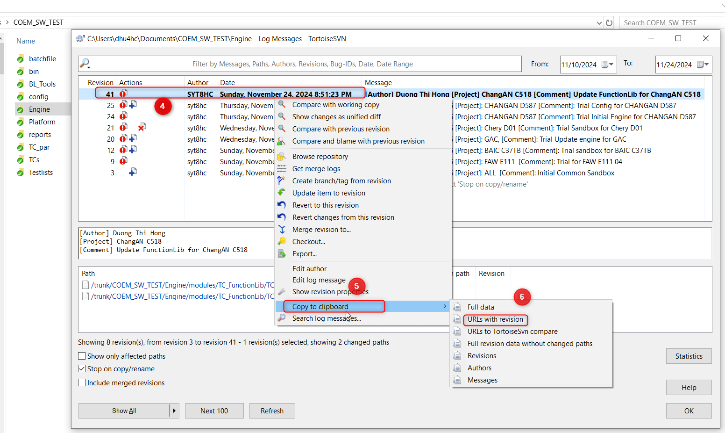
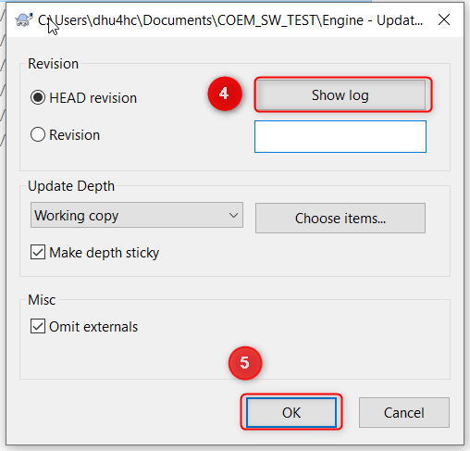
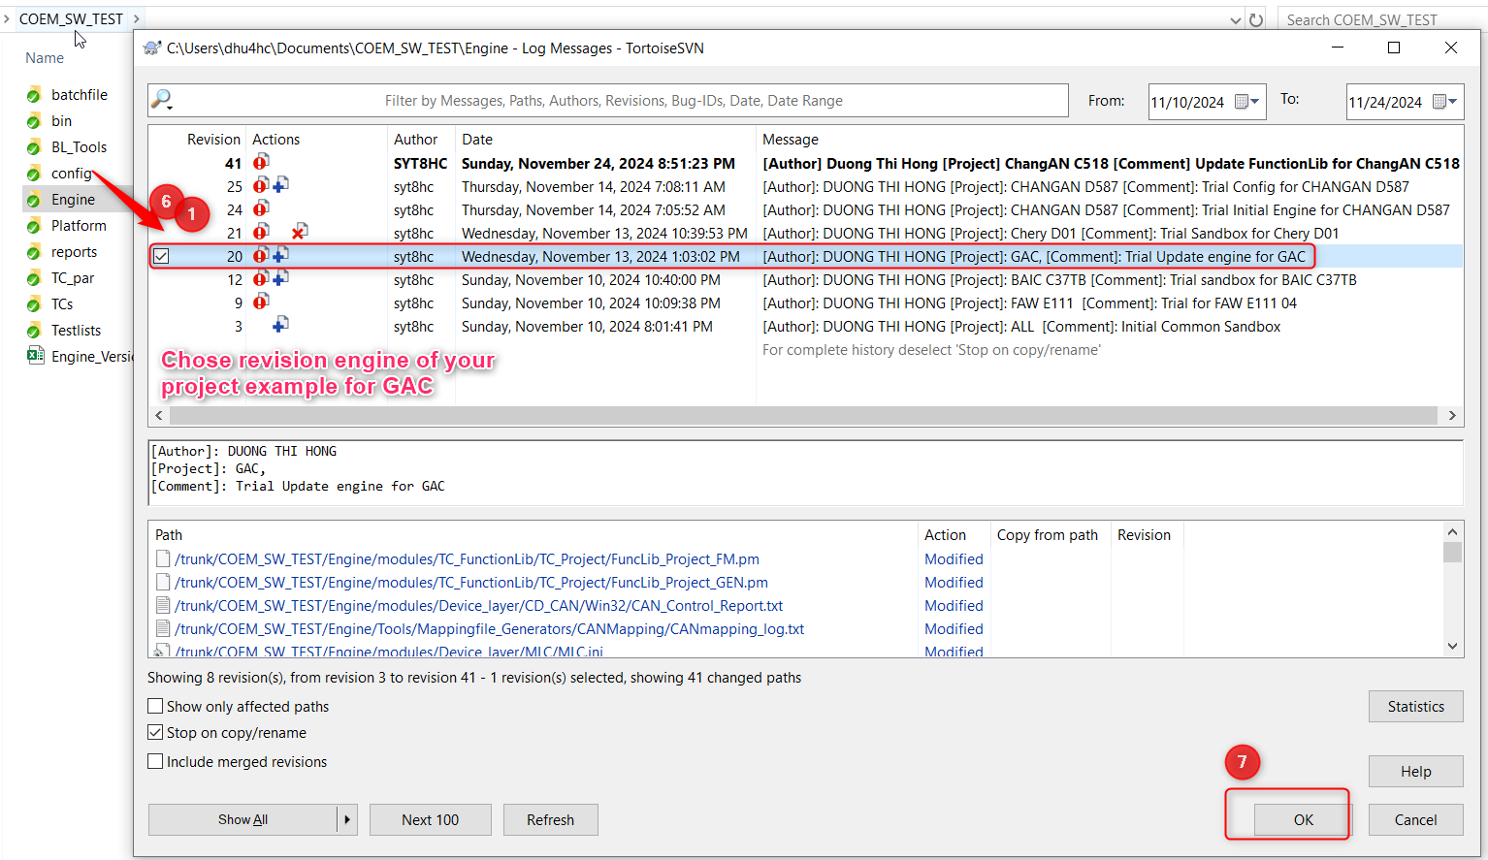
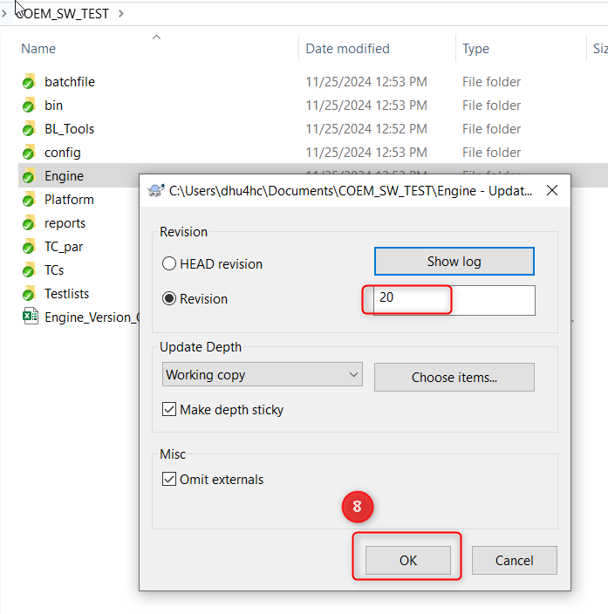
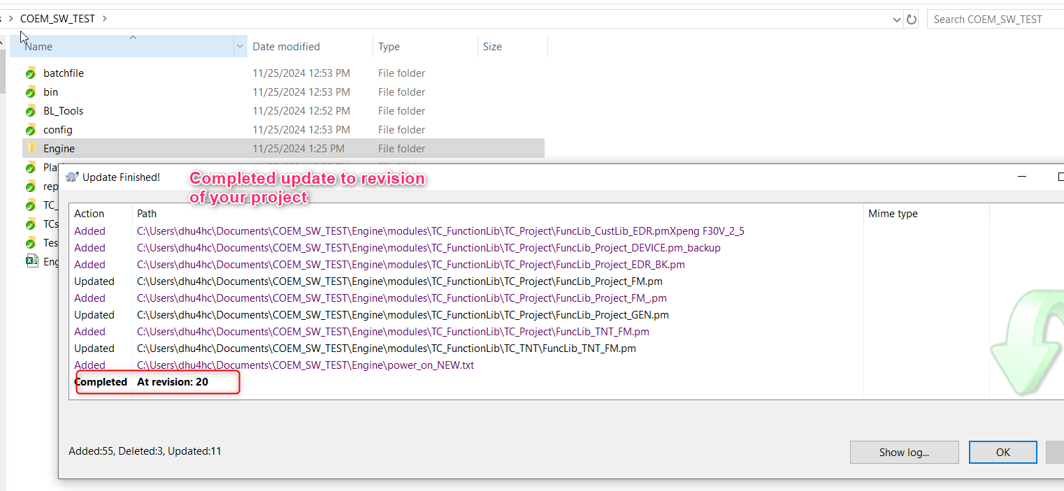
CONTROL VERSION ENGINE

 | COEM_SW_TEST | file://10.194.208.47/coem_svn/SVN/trunk/COEM_SW_TEST/Engine |  |  |  | How to record revision after edit and commit new engine | How to update to revision to setup for testing
 | Project name | svn Engine Revisions | Author | Change Date | Remarks
 | BAIC
 | BJEV |  |  |  |  | Step1: | Step1:
 | BYD HKH 3D | 41 | Hong Duong | 2024-12-12 | Same ChangAn
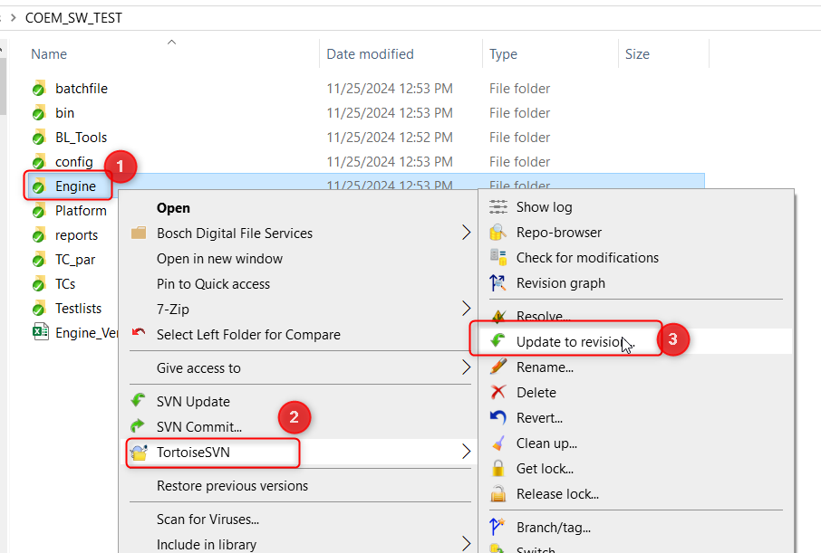
 | CHANGAN | 41 | Hong Duong | 2024-11-25 | Draft
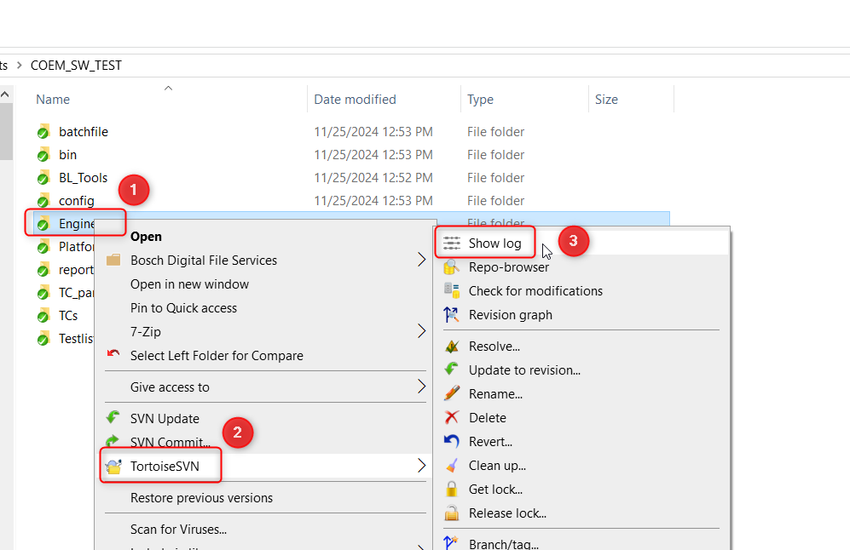
 | CHERY_D01 | 46 | Thao Do | 28/11/2024
 | CHERY_T13J | 52 | Thao Do | 29/11/2024
 | CHERY_T1N
 | FAW | 50 | Hoai Phong | 2024-11-29
 | FOTON
 | GAC | 61 | Phuoc Pham | 2024-02-12
 | JAC
 | LIA
 | PROTON
 | SERES
 | SGMW | 44 | Dai Phu | 2024-11-28
 | VENUCIA
 | XPENG | 48 | Hau Ngo | 2024-11-29

