Network
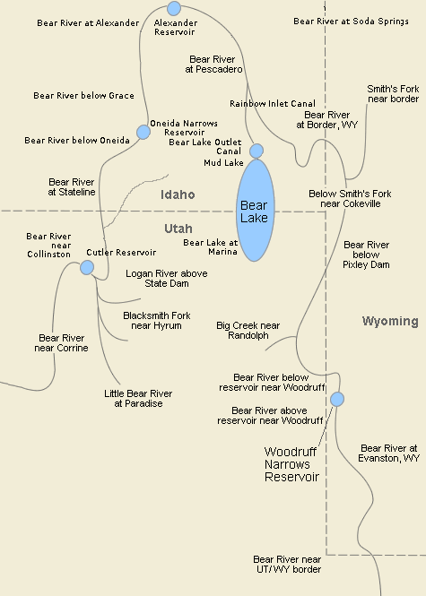
Source | http://www.bearriverbasin.org/rivers/rivers/

Diversions
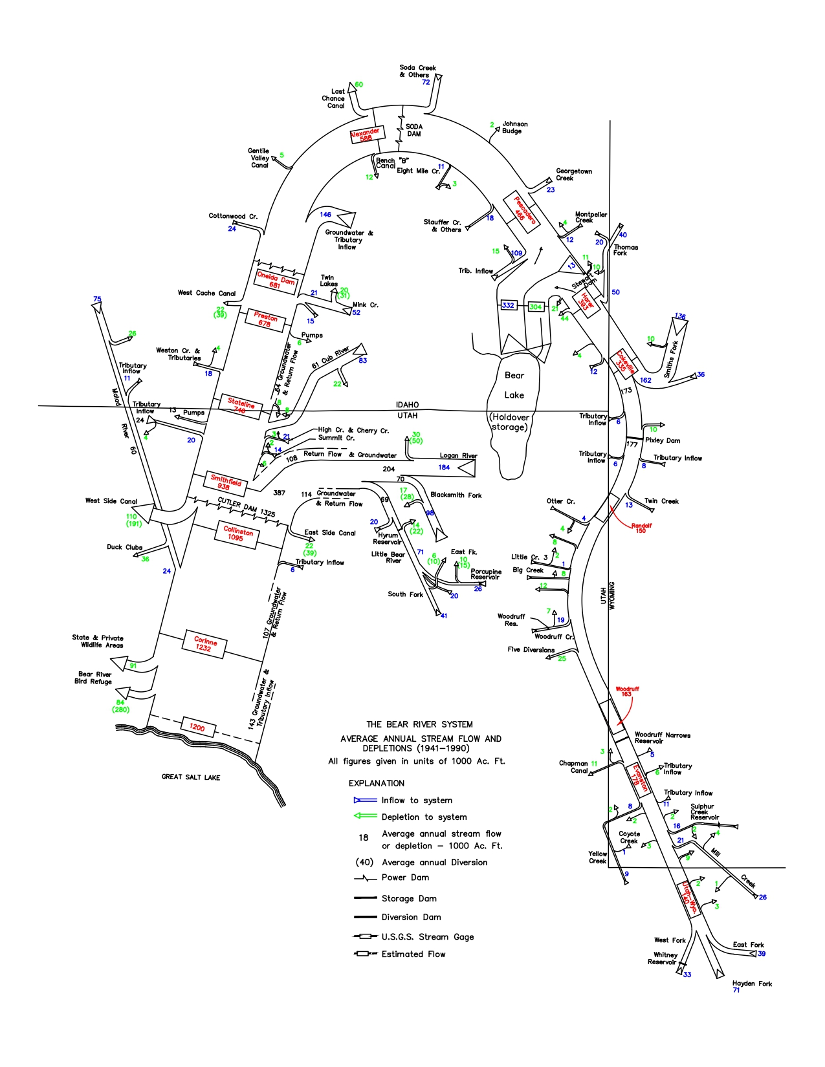

BearLakeAllocation
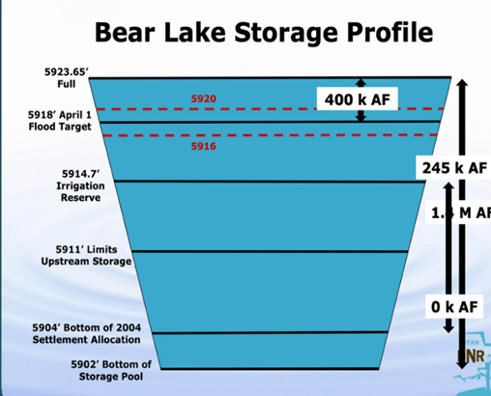
 |  | https://ffsl.utah.gov/wp-content/uploads/Bear_Lake_CMP_Compressed.pdf
Lake Elevation | UT-Allocation
5923.65 | 245,000
5914.7 | 245,000
5904 |  | Decrease Allocation
5902 | 0 | No allocation

