Csat Graph
PCE Distributiuon (NAPL Saturation [Sr ≤ 0.5] and Concentration Saturation [Csat])
 | Groundwater
132473 | 210
129823 | 210
127174 | 210
124525 | 210
121875 | 210
119226 | 210
116576 | 210
113927 | 210
111277 | 210
108628 | 210
105978 | 210
103329 | 210
100679 | 210
98030 | 210
95381 | 210
92731 | 210
90082 | 210
87432 | 210
84783 | 210
82133 | 210
79484 | 210
76834 | 210
74185 | 210
71535 | 210
68886 | 210
66237 | 210
63587 | 210
60938 | 210
58288 | 210
55639 | 210
52989 | 210
50340 | 210
47690 | 210
45041 | 210
42391 | 210
39742 | 210
37093 | 210
34443 | 210
31794 | 210
29144 | 210
26495 | 210
23845 | 210
21196 | 210
18546 | 210
15897 | 210
13247 | 210
10598 | 210
7948 | 210
5299 | 210
2650 | 210
...

Csat-Calc
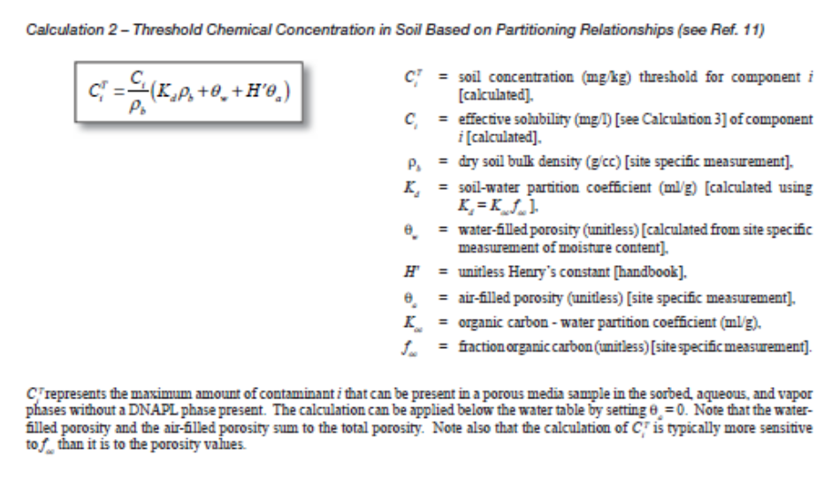
Histogram
 |  |  |  |  |  |  |  |  |  |  |  |  | %TOC | Bulk | moisture% | Dry density |  | Bulk | moisture% | Dry density |  | Bin | Bin | Frequency | Cumulative % | Bin | Frequency | Cumulative %
 |  |  |  |  |  |  |  |  |  |  |  | 104-20.0-22.0 | 0.30 |  |  |  |  |  |  |  |  | 0.35 | 0.35 | 3 | 30.00% | 0.35 | 3 | 30.00%
 |  |  |  |  |  |  |  |  |  |  |  | 104-29.5-31.5 | 1.60 | 115.10 | 23.2 | 93.4 |  | 1.84 | 23.24 | 1.50 | 0.30425408905 | 0.7 | 0.7 | 0 | 30.00% | 1.05 | 2 | 50.00%
 |  |  |  |  |  |  |  |  |  |  |  | 104-32.0-34.0 | 2.90 | 122.50 | 20.4 | 102.2 |  | 1.96 | 20.40 | 1.64 | 0.25952324855 | 1.05 | 1.05 | 2 | 50.00% | 1.75 | 2 | 70.00%
 |  |  |  |  |  |  |  |  |  |  |  | 104-46.0-48.0 | 3.10 | 99.62 | 49.41 | 66.7 |  | 1.60 | 49.41 | 1.07 | 0.3978261716 | 1.4 | 1.4 | 0 | 50.00% | 3.15 | 2 | 90.00%
0
0
 |  |  |  |  |  |  |  |  |  |  |  | 104-66.5-68.5 | 0.20 |  |  |  |  |  |  |  |  | 1.75 | 1.75 | 2 | 70.00% | 3.85 | 1 | 100.00%
 |  |  |  |  |  |  |  |  |  |  |  | 015-26.0-28.0 | 0.00 |  |  |  |  |  |  |  |  | 2.1 | 2.1 | 0 | 70.00% | 0.7 | 0 | 100.00%
Assume:
1. Total DNAPL Saturation.
2. Separate Phase PCE only
3. Saturated zone only
4. fOC log-normal use geometric mean
5. Use geomtric mean for bulk density
for consistency.
 |  |  |  |  |  |  |  |  |  |  |  | 015-30.9-32.8 | 1.70 |  |  |  |  |  |  |  |  | 2.45 | 2.45 | 0 | 70.00% | 1.4 | 0 | 100.00%
 |  |  |  |  |  |  |  |  |  |  |  | 015-39.0-41.0 | 1.00 |  |  |  |  |  |  |  |  | 2.8 | 2.8 | 0 | 70.00% | 2.1 | 0 | 100.00%
 |  |  |  |  |  |  |  |  |  |  |  | 015-49.0-51.0 | 3.60 |  |  |  |  |  |  |  |  | 3.15 | 3.15 | 2 | 90.00% | 2.45 | 0 | 100.00%
 |  |  |  |  |  |  |  |  |  |  |  | 015-65.0-67.0 | 0.90 | 122.50 | 20.0 | 102.0 |  | 1.96 | 20.04 | 1.63 | 0.25952324855 | 3.5 | 3.5 | 0 | 90.00% | 2.8 | 0 | 100.00%
 |  |  |  |  |  |  |  |  |  |  |  |  | 0.47 | GEOMEAN | 0.0047 |  | GEOMEAN | 1.835 | 26.18 | 1.44 | 0.30 | 3.85 | 3.85 | 1 | 100.00% | 3.5 | 0 | 100.00%
 |  |  |  |  |  |  |  |  |  |  |  |  | 1.53 | Average | 0.0153 |  | Average | 1.84 | 28.27 | 1.46 | 0.31 |  | More | 0 | 100.00% | More | 0 | 100.00%
 |  |  |  |  |  |  |  |  |  |  |  |  | 1.30 | Median | 0.0130 |  | Median | 1.90 | 21.82 | 1.57 | 0.28
 |  |  |  |  |  |  |  |  |  |  |  |  |  |  | 0.003

Property | Units | PCE |  | DNAPL Saturation & mobile/residual |  | CTi = Ci/ρb(kdρb) |  | CTi = θCi/ρb |  | CD = CT + (SrϕρN106/ρb)
Chemical Formula | --- | C2Cl4 |  |  |  | Csat | 10% Csat | Porefluids |  | MOBILE DNAPL
Molecular Weight | g/mole | 165.85 |  |  |  | mg/kg | mg/kg | mg/kg |  | mg/kg | g/kg
Assume:
1. DNAPL Saturation (S_{r}) is 0.05.
2. Use geometric mean for fOC, bulk density
& porosity for consistency.
Density (ρ) | g/mL | 1.625 |  | Geometric Mean |  | 167 | 16.7 | 34.4 |  | 13475 | 13.5
Average Solubility (S) | mg/L | 210 |  | low Concentration |  | 851 | 85 | 35 |  | 14159 | 14.2
Soil Sorption Coefficient (Koc)** | mL/g | 265 |  | high Concentration |  | 723 | 72 | 32 |  | 14031 | 14.0
Henry's Constant (H) | atm-m3/mol | 0.0184 |  | 104-29.5-31.5 |  | 895 | 89 |  |  | 14202 | 14.2
Henry's Dimensionless Constant (Hd) | [-] | 0.752 |  | 104-32.0-34.0 |  | 1726 | 173 |  |  | 15034 | 15.0
Strippablity | atm-m3/mol | High (H > 0.001 atm-m3/mol) |  | 104-46.0-48.0 |  | 1501 | 150 |  |  | 14808 | 14.8
Vapor Pressure (Vp) | mm Hg at 25°C | 18.4 |  | 015-65.0-67.0 |  | 536 | 54 |  |  | 13843 | 13.8
Volatility | mm Hg at 25°C | High (Vp > 1 mm Hg)
Aerobic biodegradability (half life in water) | 1/day | 0 to 0.071 (ave 0.00186)

Location ID | fOC% | Bulk Density (pcf) | Moisture Content (%) | Dry Density (pcf) | Specific Gravity at 20°C | Porosity | Void Ratio
VPB-104 | 0.3 | NA | NA | NA | NA | NA | NA
VPB-104* | 0.2 | 115.1 | 23.24 | 93.41 | 2.71 | 0.45 | 0.81
VPB-104* | 1.6 | 122.5 | 20.04 | 102 | 2.76 | 0.41 | 0.69
VPB-104* | 2.9 | 99.62 | 49.41 | 66.67 | 2.75 | 0.61 | 1.58
VPB-104 | 3.1 | NA | NA | NA | NA | NA | NA

Assume | porosity | bulk densit | Solubility | koc | fOC | kd | NAPL density |  | CTi = Ci/ρb(kdρb) | CTi = θCi/ρb
 | 0.3 | 1.84 | 210 | 265 | 0.003 | 0.795 | 1.625 |  | 167 | 34.239130435
 | Cw = (CT*ρb)/(kd*ρb+θ) | CD = CT + (SrϕρN106/ρb)
DNAPL (Sr =0.5 to 0.0) | groundwater | soil (mg/kg) | Groundwater |  | Grams/kg
0.5 | 222603 | 132473 | 210 |  | 132
0.49 | 218151 | 129823 | 210 |  | 130
0.48 | 213699 | 127174 | 210 |  | 127
0.47 | 209247 | 124525 | 210 |  | 125
0.46 | 204795 | 121875 | 210 |  | 122
0.45 | 200343 | 119226 | 210 |  | 119
0.44 | 195891 | 116576 | 210 |  | 117
0.43 | 191439 | 113927 | 210 |  | 114
0.42 | 186987 | 111277 | 210 |  | 111
0.41 | 182534 | 108628 | 210 |  | 109
0.4 | 178082 | 105978 | 210 |  | 106
0.39 | 173630 | 103329 | 210 |  | 103
0.38 | 169178 | 100679 | 210 |  | 101
0.37 | 164726 | 98030 | 210 |  | 98
0.36 | 160274 | 95381 | 210 |  | 95
0.35 | 155822 | 92731 | 210 |  | 93
0.34 | 151370 | 90082 | 210 |  | 90
0.33 | 146918 | 87432 | 210 |  | 87
0.32 | 142466 | 84783 | 210 |  | 85
0.31 | 138014 | 82133 | 210 |  | 82
0.3 | 133562 | 79484 | 210 |  | 79
0.29 | 129110 | 76834 | 210 |  | 77
0.28 | 124658 | 74185 | 210 |  | 74
0.27 | 120206 | 71535 | 210 |  | 72
0.26 | 115754 | 68886 | 210 |  | 69
0.25 | 111302 | 66237 | 210 |  | 66
0.24 | 106850 | 63587 | 210 |  | 64
0.23 | 102397 | 60938 | 210 |  | 61
0.22 | 97945 | 58288 | 210 |  | 58
0.21 | 93493 | 55639 | 210 |  | 56
0.2 | 89041 | 52989 | 210 |  | 53
0.19 | 84589 | 50340 | 210 |  | 50
0.18 | 80137 | 47690 | 210 |  | 48
0.17 | 75685 | 45041 | 210 |  | 45
0.16 | 71233 | 42391 | 210 |  | 42
0.15 | 66781 | 39742 | 210 |  | 40
0.14 | 62329 | 37093 | 210 |  | 37
0.13 | 57877 | 34443 | 210 |  | 34
0.12 | 53425 | 31794 | 210 |  | 32
0.11 | 48973 | 29144 | 210 |  | 29
0.1 | 44521 | 26495 | 210 |  | 26 | 10% DNAPL Saturation
0.09 | 40069 | 23845 | 210 |  | 24
0.08 | 35617 | 21196 | 210 |  | 21
0.07 | 31165 | 18546 | 210 |  | 19
0.06 | 26713 | 15897 | 210 |  | 16
0.05 | 22260 | 13247 | 210 |  | 13 | Maximum Extent of Mobile DNAPL
0.04 | 17808 | 10598 | 210 |  | 11
0.03 | 13356 | 7948 | 210 |  | 7.9
0.02 | 8904 | 5299 | 210 |  | 5.3
0.01 | 4452 | 2650 | 210 |  | 2.6 | 1% DNAPL Saturation
0.009 | 4007 | 2385 | 210 |  | 2.4
0.008 | 3562 | 2120 | 210 |  | 2.1
0.007 | 3117 | 1855 | 210 |  | 1.9
0.006 | 2671 | 1590 | 210 |  | 1.6
0.005 | 2226 | 1325 | 210 |  | 1.3
0.004 | 1781 | 1060 | 210 |  | 1.1
0.003 | 1336 | 795 | 210 |  | 0.79
0.002 | 891 | 530 | 210 |  | 0.53
0.001 | 445 | 265 | 210 |  | 0.27
0.0009 | 401 | 239 | 210 |  | 0.24
0.0008 | 356 | 212 | 210 |  | 0.21
0.0007 | 312 | 186 | 210 |  | 0.19
0.0006 | 267 | 159 | 210 |  | 0.16
0.0005 | 223 | 133 | 210 |  | 0.13
0.0004 | 178 | 106 | 178 |  | 0.11 | Maximum Extent of Residual DNAPL |  |  | 106.10788043
0.0003 | 134 | 80 | 134 |  | 0.08
0.0002 | 89 | 53 | 89 |  | 0.05
0.0001 | 45 | 27 | 45 |  | 0.03 | Maximum sorbed and dissolved
0.00009 | 40 | 24 | 40 |  | 0.02
0.00008 | 36 | 21 | 36 |  | 0.02
0.00007 | 31 | 19 | 31 |  | 0.02
0.00006 | 27 | 16 | 27 |  | 0.02
0.00005 | 22 | 13 | 22 |  | 0.013
0.00004 | 18 | 11 | 18 |  | 0.011
0.00003 | 14 | 8.1 | 14 |  | 0.008
0.00002 | 9.1 | 5.4 | 9.1 |  | 0.005
0.00001 | 4.7 | 2.8 | 4.7 |  | 0.003
0.000009 | 4.2 | 2.5 | 4.2 |  | 0.003
0.000008 | 3.8 | 2.2 | 3.8 |  | 0.002
0.000007 | 3.3 | 2.0 | 3.3 |  | 0.002
0.000006 | 2.9 | 1.7 | 2.9 |  | 0.002
0.000005 | 2.4 | 1.5 | 2.4 |  | 0.001
0.000004 | 2.0 | 1.2 | 2.0 |  | 0.001 | 1% Csat | EPA Rule of Thumb | 1.1894021739
0.000003 | 1.6 | 0.9 | 1.6 |  | 0.001
0.000002 | 1.1 | 0.7 | 1.11 |  | 0.001
0.000001 | 0.7 | 0.4 | 0.66 |  | 0.0004
0.0000009 | 0.6 | 0.4 | 0.62 |  | 0.0004
0.0000008 | 0.6 | 0.3 | 0.57 |  | 0.0003
0.0000007 | 0.5 | 0.3 | 0.53 |  | 0.0003
0.0000006 | 0.5 | 0.3 | 0.48 |  | 0.0003
0.0000005 | 0.4 | 0.3 | 0.44 |  | 0.0003
0.0000004 | 0.4 | 0.2 | 0.40 |  | 0.0002
0.0000003 | 0.4 | 0.2 | 0.35 |  | 0.0002
0.0000002 | 0.3 | 0.2 | 0.31 |  | 0.0002
0.0000001 | 0.3 | 0.2 | 0.26 |  | 0.0002

