Pop (2007-14)
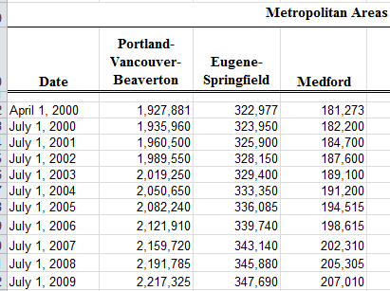
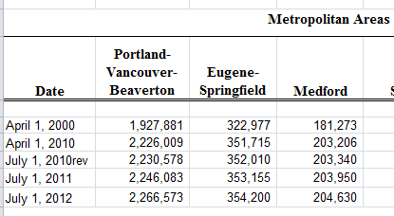
Actual Population

 | PSU Annual Certification
 | Eugene-Springfield MPA (Lane County) | Eugene city limits | Springfield city limits | Eug-Spr share of MPA¹ | Estimated pop in Eug-Spr UGB | Estimated Pop outside Eug & Spr city limits, inside UGB | Eugene share of Pop outside city limits, inside UGB¹ | Estimated Eugene Pop outside city limits, inside UGB | Estimated Pop in Eugene's portion of UGB | annual Eug UGB population change | annual Eug city limits pop change
2006 | 339,740 | 148,595 | 57,065 | 70% | 237,818 | 32,158 | 72% | 23,154 | 171,749
2007 | 343,140 | 153,690 | 57,320 | 70% | 240,198 | 29,188 | 72% | 21,015 | 174,705 | 2,957 | 5,095
2008 | 345,880 | 154,620 | 58,005 | 70% | 242,116 | 29,491 | 72% | 21,234 | 175,854 | 1,148 | 930
2009 | 347,690 | 157,100 | 58,085 | 70% | 243,383 | 28,198 | 72% | 20,303 | 177,403 | 1,549 | 2,480
2010 | 352,010 | 156,185 | 59,425 | 70% | 246,407 | 30,797 | 72% | 22,174 | 178,359 | 956 | -915 | (revised pop estimate)
2011 | 353,155 | 157,010 | 59,695 | 70% | 247,208 | 30,503 | 72% | 21,963 | 178,973 | 614 | 825
2012 | 354,200 | 158,335 | 59,840 | 70% | 247,940 | 29,765 | 72% | 21,431 | 179,766 | 793 | 1,325
2013 | 356,125 | 159,580 | 59,990 | 70% | 249,287 | 29,717 | 72% | 21,397 | 180,977 | 1,211 | 1,245
2014 | 358,805 | 160,775 | 60,065 | 70% | 251,163 | 30,323 | 72% | 21,833 | 182,608 | 1,631 | 1,195
2015 | 362,150 | 163,400 | 60,135 | 70% | 253,505 | 29,970 | 72% | 21,578 | 184,978 | 2,370 | 2,625
2016 |  | 165,885 | 60,140 |  |  |  |  |  |  |  | 2,485 | preliminary

¹ Findings in support of Ordinance PA 1255, Exhibit B, page 2, adopting the coordinated population forecast. It is noted that Eug-Spr share of poulation in Lane Co increases slightly
during the forecast period. It is shown stagnet here for simplicity.

2010 Census, city limits & Lane Co. Coordinated Population Estimates for reference: |  |  |  |  |  |  |  |  | Hack for cause data to show
 | Eugene City Limits | Springfield City Limits | Eugene-Springfield UGB | Outside City Limits, inside UGB | Eugene Share of Pop outside City Limits, Inside UGB | Estimated Pop in Eugene's portion of UGB
2010 | 156,844 | 58,891 | 244,806 | 29,071 | 72% | 177,775

PSU Lane Co estimates

