angle=45
 |  |  |  |  | 0 |  |  |  | 1 |  |  |  | 2 |  |  |  | 3
 |  |  |  |  | BDH | 12.5 | 12.5 | 15 | BDH | 12.5 | 12.5 | 15 | BDH | 12.5 | 12.5 | 15 | BDH | 12.5 | 12.5 | 15
↓0が低層、9が高層に並び替える | 窓面と正対 | 左手 | 窓面の真裏 | 右手 | z/H |  |  |  | z/H |  |  |  | z/H |  |  |  | z/H
 | 0-45 | 1-45 | 2-45 | 3-45 | 0.917 | 0.4 | 0.3 | 0 | 0.917 | 0 | 0.3 | 0.4 | 0.917 | -0.4 | -0.4 | -0.4 | 0.917 | -0.4 | -0.4 | -0.4
0 | 0.3 | 0 | -0.32 | -0.31 | 0.583 | 0.4 | 0.3 | 0.1 | 0.583 | 0 | 0.2 | 0.3 | 0.583 | -0.4 | -0.4 | -0.4 | 0.583 | -0.4 | -0.4 | -0.4
1 | 0.2 | 0.12 | -0.4 | -0.32 | 0.166 | 0.3 | 0.2 | 0 | 0.166 | 0 | 0.1 | 0.2 | 0.166 | -0.3 | -0.4 | -0.3 | 0.166 | -0.3 | -0.3 | -0.3
2 | 0.01 | 0.22 | -0.31 | -0.32 | x/B | 0.1 | 0.5 | 0.9
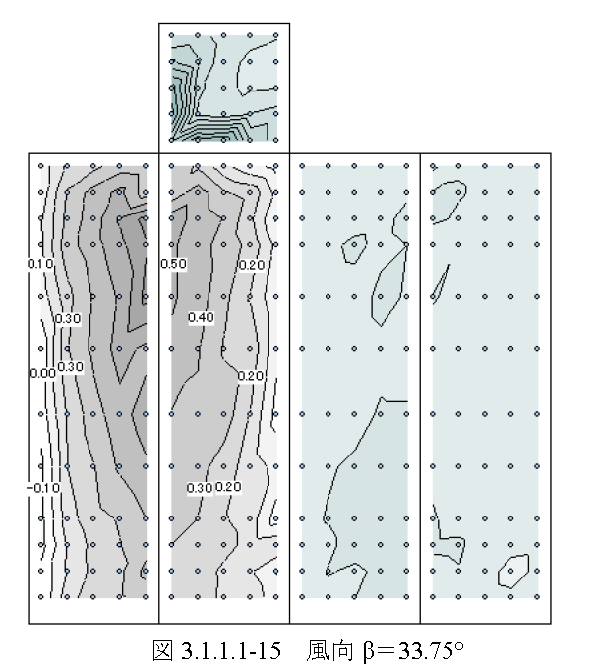
3 | 0.4 | 0 | -0.4 | -0.4
4 | 0.3 | 0.22 | -0.4 | -0.4 | BDH | 12.5 | 12.5 | 45 | BDH | 12.5 | 12.5 | 45 | BDH | 12.5 | 12.5 | 45 | BDH | 12.5 | 12.5 | 45
5 | 0.09 | 0.31 | -0.4 | -0.4 | z/H |  |  |  | z/H |  |  |  | z/H |  |  |  | z/H
6 | 0.39 | 0 | -0.41 | -0.4 | 0.917 | 0.3 | 0.3 | 0 | 0.917 | 0 | 0.4 | 0.3 | 0.917 | -0.5 | -0.4 | -0.4 | 0.917 | -0.4 | -0.4 | -0.4
7 | 0.3 | 0.31 | -0.4 | -0.4 | 0.583 | 0.4 | 0.3 | 0 | 0.583 | 0 | 0.4 | 0.4 | 0.583 | -0.4 | -0.4 | -0.4 | 0.583 | -0.4 | -0.4 | -0.4
8 | 0 | 0.39 | -0.4 | -0.4 | 0.166 | 0.3 | 0.2 | 0.1 | 0.166 | 0 | 0.3 | 0.4 | 0.166 | -0.5 | -0.4 | -0.4 | 0.166 | -0.4 | -0.5 | -0.5

 |  |  |  |  | BDH | 12.5 | 12.5 | 18 | BDH | 12.5 | 12.5 | 18 | BDH | 12.5 | 12.5 | 18 | BDH | 12.5 | 12.5 | 18
 |  |  |  |  | z/H |  |  |  | z/H |  |  |  | z/H |  |  |  | z/H
 |  |  |  |  | 0.917 | 0.39 | 0.3 | 0 | 0.917 | 0 | 0.31 | 0.39 | 0.917 | -0.41 | -0.4 | -0.4 | 0.917 | -0.4 | -0.4 | -0.4
 |  |  |  |  | 0.583 | 0.4 | 0.3 | 0.09 | 0.583 | 0 | 0.22 | 0.31 | 0.583 | -0.4 | -0.4 | -0.4 | 0.583 | -0.4 | -0.4 | -0.4
 |  |  |  |  | 0.166 | 0.3 | 0.2 | 0.01 | 0.166 | 0 | 0.12 | 0.22 | 0.166 | -0.32 | -0.4 | -0.31 | 0.166 | -0.31 | -0.32 | -0.32

test
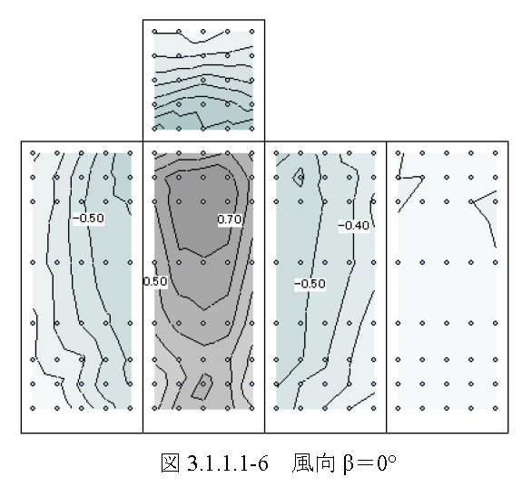
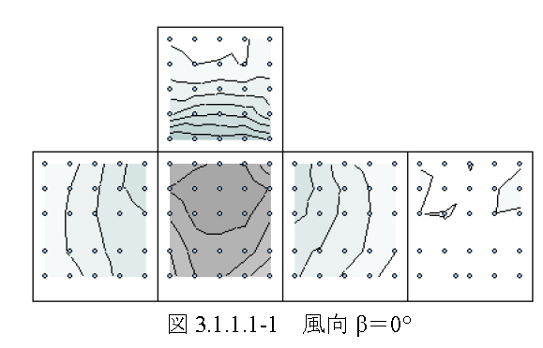
 | 0 | 1 | 2 | 3
0 | 0 | 1 | 2 | 3
1 | 0.1 | 1.1 | 2.1 | 3.1
2 | 0.2 | 1.2 | 2.2 | 3.2
3 | 0.3 | 1.3 | 2.3 | 3.3
4 | 0.4 | 1.4 | 2.4 | 3.4
5 | 0.5 | 1.5 | 2.5 | 3.5
6 | 0.6 | 1.6 | 2.6 | 3.6
7 | 0.7 | 1.7 | 2.7 | 3.7
8 | 0.8 | 1.8 | 2.8 | 3.8

1
0
3
2

1)BDH=12.5_12.5_15
 | 0 | 1 | 2 | 3 | 0 | 1 | 2 | 3
0 | 0.5 | -0.2 | -0.1 | -0.5 | 0.4 | 0.1 | -0.4 | -0.4
1 | 0.6 | -0.3 | -0.1 | -0.3 | 0.3 | 0.3 | -0.4 | -0.4
2 | 0.5 | -0.4 | -0.1 | -0.2 | 0.1 | 0.4 | -0.4 | -0.4
3 | 0.5 | -0.2 | -0.2 | -0.5 | 0.4 | 0.1 | -0.4 | -0.4
4 | 0.6 | -0.3 | -0.1 | -0.3 | 0.3 | 0.2 | -0.4 | -0.4
5 | 0.5 | -0.4 | -0.2 | -0.2 | 0.1 | 0.3 | -0.4 | -0.4
6 | 0.3 | -0.2 | -0.1 | -0.4 | 0.3 | 0.1 | -0.3 | -0.3
7 | 0.5 | -0.3 | -0.1 | -0.2 | 0.2 | 0.1 | -0.4 | -0.3
8 | 0.3 | -0.4 | -0.1 | -0.1 | 0.1 | 0.2 | -0.3 | -0.3
風向0°
風向45°

窓の気持ちになる | 窓面と正対 | - | 左手 | - | 窓面の真裏 | - | 右手 | -
 | 0-0 | 0-45 | 1-0 | 1-45 | 2-0 | 2-45 | 3-0 | 3-45
0 | 0.5 | 0.4 | -0.2 | 0.1 | -0.1 | -0.4 | -0.5 | -0.4
1 | 0.6 | 0.3 | -0.3 | 0.3 | -0.1 | -0.4 | -0.3 | -0.4
2 | 0.5 | 0.1 | -0.4 | 0.4 | -0.1 | -0.4 | -0.2 | -0.4
3 | 0.5 | 0.4 | -0.2 | 0.1 | -0.2 | -0.4 | -0.5 | -0.4
4 | 0.6 | 0.3 | -0.3 | 0.2 | -0.1 | -0.4 | -0.3 | -0.4
5 | 0.5 | 0.1 | -0.4 | 0.3 | -0.2 | -0.4 | -0.2 | -0.4
6 | 0.3 | 0.3 | -0.2 | 0.1 | -0.1 | -0.3 | -0.4 | -0.3
7 | 0.5 | 0.2 | -0.3 | 0.1 | -0.1 | -0.4 | -0.2 | -0.3
8 | 0.3 | 0.1 | -0.4 | 0.2 | -0.1 | -0.3 | -0.1 | -0.3

↓0が低層、9が高層に並び替える | 窓面と正対 | - | 左手 | - | 窓面の真裏 | - | 右手 | -
 | 0-0 | 0-45 | 1-0 | 1-45 | 2-0 | 2-45 | 3-0 | 3-45
0 | 0.3 | 0.3 | -0.2 | 0.1 | -0.1 | -0.3 | -0.4 | -0.3
1 | 0.5 | 0.2 | -0.3 | 0.1 | -0.1 | -0.4 | -0.2 | -0.3
2 | 0.3 | 0.1 | -0.4 | 0.2 | -0.1 | -0.3 | -0.1 | -0.3
3 | 0.5 | 0.4 | -0.2 | 0.1 | -0.2 | -0.4 | -0.5 | -0.4
4 | 0.6 | 0.3 | -0.3 | 0.2 | -0.1 | -0.4 | -0.3 | -0.4
5 | 0.5 | 0.1 | -0.4 | 0.3 | -0.2 | -0.4 | -0.2 | -0.4
6 | 0.5 | 0.4 | -0.2 | 0.1 | -0.1 | -0.4 | -0.5 | -0.4
7 | 0.6 | 0.3 | -0.3 | 0.3 | -0.1 | -0.4 | -0.3 | -0.4
8 | 0.4 | 0.1 | -0.4 | 0.4 | -0.1 | -0.4 | -0.2 | -0.4

↓サンプル
↓0が低層、9が高層に並び替える | 窓面と正対 | - | 左手 | - | 窓面の真裏 | - | 右手 | -
 | 0-0 | 0-45 | 1-0 | 1-45 | 2-0 | 2-45 | 3-0 | 3-45
0 | 0.3 | 0.3 | -0.2 | 0.1 | -0.1 | -0.3 | -0.4 | -0.3
1 | 0.5 | 0.2 | -0.3 | 0.1 | -0.2 | -0.4 | -0.2 | -0.3
2 | 0.3 | 0.1 | -0.4 | 0.2 | -0.3 | -0.3 | -0.1 | -0.3
3 | 0.3 | 0.4 | -0.2 | 0.1 | -0.1 | -0.4 | -0.4 | -0.4
4 | 0.5 | 0.3 | -0.3 | 0.2 | -0.2 | -0.4 | -0.2 | -0.4
5 | 0.3 | 0.1 | -0.4 | 0.3 | -0.3 | -0.4 | -0.1 | -0.4
6 | 0.3 | 0.4 | -0.2 | 0.1 | -0.1 | -0.4 | -0.4 | -0.4
β=45°
7 | 0.5 | 0.3 | -0.3 | 0.3 | -0.2 | -0.4 | -0.2 | -0.4
8 | 0.3 | 0.1 | -0.4 | 0.4 | -0.3 | -0.4 | -0.1 | -0.4

↓0が低層、9が高層に並び替える | 窓面と正対 | - | 左手 | - | 窓面の真裏 | - | 右手 | -
 | 0-0 | 0-45 | 1-0 | 1-45 | 2-0 | 2-45 | 3-0 | 3-45
0 | 1 | 1 | -1 | -1 | -1 | -1 | -1 | -1
1 | 2 | 2 | -2 | -2 | -2 | -2 | -2 | -2
2 | 3 | 3 | -3 | -3 | -3 | -3 | -3 | -3
3 | 1 | 1 | -1 | -1 | -1 | -1 | -1 | -1
4 | 2 | 2 | -2 | -2 | -2 | -2 | -2 | -2
5 | 3 | 3 | -3 | -3 | -3 | -3 | -3 | -3
6 | 1 | 1 | -1 | -1 | -1 | -1 | -1 | -1
7 | 2 | 2 | -2 | -2 | -2 | -2 | -2 | -2
8 | 3 | 3 | -3 | -3 | -3 | -3 | -3 | -3

2)BDH=12.5_12.5_45
とりあえず3分割 | 0 | 1 | 2 | 3 | 0 | 1 | 2 | 3
0 | 0.3 | -0.1 | -0.2 | -0.5 | 0.2 | 0.1 | -0.3 | -0.2
1 | 0.4 | -0.2 | -0.2 | -0.3 | 0.3 | 0.3 | -0.3 | -0.3
2 | 0.3 | -0.4 | -0.2 | -0.2 | 0.1 | 0.4 | -0.2 | -0.3
3 | 0.5 | -0.2 | -0.2 | -0.5 | 0.4 | 0.1 | -0.3 | -0.3
4 | 0.6 | -0.4 | -0.2 | -0.4 | 0.3 | 0.4 | -0.3 | -0.3
5 | 0.5 | -0.5 | -0.2 | -0.3 | 0.2 | 0.6 | -0.3 | -0.3
6 | 0.6 | -0.2 | -0.3 | -0.6 | 0.5 | 0.2 | -0.4 | -0.3
7 | 0.7 | -0.4 | -0.2 | -0.4 | 0.3 | 0.4 | -0.3 | -0.3
8 | 0.6 | -0.6 | -0.3 | -0.3 | 0.1 | 0.7 | -0.3 | -0.4
風向0°
風向45°

窓の気持ちになる | 窓面と正対 | - | 左手 | - | 窓面の真裏 | - | 右手 | -
 | 0-0 | 0-45 | 1-0 | 1-45 | 2-0 | 2-45 | 3-0 | 3-45
0 | 0.3 | 0.2 | -0.1 | 0.1 | -0.2 | -0.3 | -0.5 | -0.2
1 | 0.4 | 0.3 | -0.2 | 0.3 | -0.2 | -0.3 | -0.3 | -0.3
2 | 0.3 | 0.1 | -0.4 | 0.4 | -0.2 | -0.2 | -0.2 | -0.3
3 | 0.5 | 0.4 | -0.2 | 0.1 | -0.2 | -0.3 | -0.5 | -0.3
4 | 0.6 | 0.3 | -0.4 | 0.4 | -0.2 | -0.3 | -0.4 | -0.3
5 | 0.5 | 0.2 | -0.5 | 0.6 | -0.2 | -0.3 | -0.3 | -0.3
6 | 0.6 | 0.5 | -0.2 | 0.2 | -0.3 | -0.4 | -0.6 | -0.3
7 | 0.7 | 0.3 | -0.4 | 0.4 | -0.2 | -0.3 | -0.4 | -0.3
8 | 0.6 | 0.1 | -0.6 | 0.7 | -0.3 | -0.3 | -0.3 | -0.4

