t_PATIENT
PATIENT | ACTIVITY | EMOTION | MEAL | EPISODE | count
P20 | ALONE | SAD | + 3 THIRD | BINGE | 10 | 92 DAYS
P23 | ALONE | FUSTRATED | + 3 THIRD | BINGE | 9 | info_patient %>% group_by(PATIENT,ACTIVITY,EMOTION,MEAL,EPISODE) %>% summarize(count=n()) %>% as.data.frame() ->t_PATIENT
P14 | ALONE | SAD | + 3 THIRD | BINGE | 8
P24 | ALONE | DISTRESSED | + 3 THIRD | BINGE | 8
P25 | ALONE | DISTRESSED | + 3 THIRD | BINGE | 8
REPEATED CASES
 | count
P20 | 10
P23 | 9
P14 | 8
P24 | 8
P25 | 8
P11 | 7
P4 | 7
P9 | 7
P13 | 6
P17 | 6
P20 | 6
P23 | 6
P23 | 6
P27 | 6
P4 | 6
P11 | 5
P11 | 5
P13 | 5
P13 | 5
P16 | 5
P16 | 5
P16 | 5
P18 | 5
P21 | 5
P23 | 5
P23 | 5
P25 | 5
P28 | 5
P28 | 5
P6 | 5
P7 | 5
P1 | 4
P1 | 4
P10 | 4
P12 | 4
P12 | 4
P12 | 4
P13 | 4
P15 | 4
P15 | 4
P16 | 4
P17 | 4
P17 | 4
P18 | 4
P18 | 4
P18 | 4
P22 | 4
P24 | 4
P25 | 4
P26 | 4
...
P11 | ALONE | DISTRESSED | + 3 THIRD | BINGE | 7
P4 | ALONE | DISTRESSED | + 3 THIRD | BINGE | 7
P9 | ALONE | DISTRESSED | + 3 THIRD | BINGE | 7
P13 | ALONE | FUSTRATED | NOTHING | VOMITED | 6
P17 | ALONE | GUILTY | + 3 THIRD | BINGE | 6
P20 | ALONE | DISTRESSED | + 3 THIRD | BINGE | 6
P23 | ALONE | DISTRESSED | + 3 THIRD | BINGE | 6
P23 | ALONE | GUILTY | + 3 THIRD | BINGE | 6
P27 | ALONE | SAD | + 3 THIRD | BINGE | 6
P4 | ALONE | GUILTY | + 3 THIRD | BINGE | 6
P11 | ALONE | GUILTY | + 3 THIRD | BINGE | 5
P11 | STUDYING/WORKING | GUILTY | NOTHING | VOMITED | 5
P13 | ALONE | FUSTRATED | + 3 THIRD | BINGE | 5
P13 | ALONE | GUILTY | + 3 THIRD | BINGE | 5
P16 | ALONE | FUSTRATED | NOTHING | RESTRICTION | 5
P16 | STUDYING/WORKING | DISTRESSED | 1 THIRD | RESTRICTION | 5
P16 | STUDYING/WORKING | FUSTRATED | 1 THIRD | RESTRICTION | 5
P18 | ALONE | FUSTRATED | + 3 THIRD | BINGE | 5
P21 | ALONE | SAD | + 3 THIRD | BINGE | 5
P23 | ALONE | SAD | 2 THIRD | RESTRICTION | 5
P23 | STUDYING/WORKING | SAD | 1 THIRD | RESTRICTION | 5
P25 | ALONE | SAD | + 3 THIRD | BINGE | 5
P28 | ALONE | FUSTRATED | 2 THIRD | VOMITED | 5
P28 | ALONE | SAD | + 3 THIRD | BINGE | 5
P6 | ALONE | SAD | + 3 THIRD | BINGE | 5
P7 | ALONE | DISTRESSED | + 3 THIRD | BINGE | 5
P1 | ALONE | FUSTRATED | 2 THIRD | RESTRICTION | 4
P1 | STUDYING/WORKING | DISTRESSED | 2 THIRD | RESTRICTION | 4
P10 | ALONE | GUILTY | + 3 THIRD | BINGE | 4
P12 | ALONE | DISTRESSED | + 3 THIRD | BINGE | 4
P12 | ALONE | FUSTRATED | 1 THIRD | RESTRICTION | 4
P12 | ALONE | GUILTY | + 3 THIRD | BINGE | 4
P13 | ALONE | DISTRESSED | + 3 THIRD | BINGE | 4
P15 | ALONE | FUSTRATED | 2 THIRD | VOMITED | 4
P15 | ALONE | SAD | + 3 THIRD | BINGE | 4
P16 | ALONE | FUSTRATED | + 3 THIRD | BINGE | 4
P17 | ALONE | DISTRESSED | + 3 THIRD | BINGE | 4
P17 | STUDYING/WORKING | SAD | 2 THIRD | VOMITED | 4
P18 | ALONE | DISTRESSED | + 3 THIRD | BINGE | 4
P18 | ALONE | GUILTY | + 3 THIRD | BINGE | 4
P18 | STUDYING/WORKING | GUILTY | 2 THIRD | RESTRICTION | 4
P22 | ALONE | FUSTRATED | + 3 THIRD | BINGE | 4
P24 | STUDYING/WORKING | SAD | 2 THIRD | RESTRICTION | 4
P25 | ALONE | SAD | NOTHING | VOMITED | 4
P26 | ALONE | FUSTRATED | + 3 THIRD | BINGE | 4
P26 | ALONE | FUSTRATED | NOTHING | RESTRICTION | 4
P27 | ALONE | GUILTY | + 3 THIRD | BINGE | 4
P27 | ALONE | GUILTY | NOTHING | RESTRICTION | 4
P28 | ALONE | DISTRESSED | + 3 THIRD | BINGE | 4
P28 | ALONE | FUSTRATED | NOTHING | VOMITED | 4
P28 | STUDYING/WORKING | FUSTRATED | 2 THIRD | VOMITED | 4
P29 | ALONE | FUSTRATED | + 3 THIRD | BINGE | 4
P29 | ALONE | GUILTY | NOTHING | VOMITED | 4
P29 | ALONE | SAD | + 3 THIRD | BINGE | 4
P3 | ALONE | FUSTRATED | + 3 THIRD | BINGE | 4
P3 | STUDYING/WORKING | FUSTRATED | NOTHING | RESTRICTION | 4
P30 | ALONE | FUSTRATED | + 3 THIRD | BINGE | 4
P4 | ALONE | FUSTRATED | + 3 THIRD | BINGE | 4
P5 | ALONE | GUILTY | + 3 THIRD | BINGE | 4
P6 | ALONE | FUSTRATED | 1 THIRD | RESTRICTION | 4
P7 | ALONE | GUILTY | + 3 THIRD | BINGE | 4
P8 | ALONE | GUILTY | 1 THIRD | VOMITED | 4
P8 | ALONE | SAD | + 3 THIRD | BINGE | 4
P8 | STUDYING/WORKING | GUILTY | 2 THIRD | VOMITED | 4
P9 | ALONE | FUSTRATED | NOTHING | RESTRICTION | 4
P9 | ALONE | GUILTY | + 3 THIRD | BINGE | 4
P9 | ALONE | SAD | + 3 THIRD | BINGE | 4
P1 | STUDYING/WORKING | GUILTY | 2 THIRD | RESTRICTION | 3
P10 | ALONE | SAD | + 3 THIRD | BINGE | 3
P10 | STUDYING/WORKING | FUSTRATED | NOTHING | VOMITED | 3
P11 | ALONE | FUSTRATED | + 3 THIRD | BINGE | 3
P12 | ALONE | FUSTRATED | + 3 THIRD | BINGE | 3
P12 | ALONE | SAD | 1 THIRD | RESTRICTION | 3
P12 | STUDYING/WORKING | DISTRESSED | 1 THIRD | RESTRICTION | 3
P13 | ALONE | FUSTRATED | 1 THIRD | VOMITED | 3
P13 | ALONE | SAD | + 3 THIRD | BINGE | 3
P13 | FRIENDS | GUILTY | 1 THIRD | VOMITED | 3
P13 | STUDYING/WORKING | SAD | 2 THIRD | VOMITED | 3
P13 | STUDYING/WORKING | SAD | NOTHING | VOMITED | 3
P14 | ALONE | FUSTRATED | + 3 THIRD | BINGE | 3
P14 | ALONE | SAD | 2 THIRD | RESTRICTION | 3
P14 | FRIENDS | FUSTRATED | 2 THIRD | RESTRICTION | 3
P15 | ALONE | DISTRESSED | NOTHING | VOMITED | 3
P15 | ALONE | FUSTRATED | + 3 THIRD | BINGE | 3
P15 | ALONE | GUILTY | + 3 THIRD | BINGE | 3
P15 | ALONE | GUILTY | NOTHING | VOMITED | 3
P15 | STUDYING/WORKING | SAD | NOTHING | VOMITED | 3
P16 | ALONE | DISTRESSED | + 3 THIRD | BINGE | 3
P16 | ALONE | DISTRESSED | 1 THIRD | RESTRICTION | 3
P16 | ALONE | DISTRESSED | NOTHING | RESTRICTION | 3
P16 | ALONE | FUSTRATED | 1 THIRD | RESTRICTION | 3
P16 | ALONE | FUSTRATED | 2 THIRD | RESTRICTION | 3
P16 | ALONE | GUILTY | + 3 THIRD | BINGE | 3
P16 | ALONE | SAD | + 3 THIRD | BINGE | 3
P16 | FRIENDS | GUILTY | 1 THIRD | RESTRICTION | 3
P16 | STUDYING/WORKING | DISTRESSED | NOTHING | RESTRICTION | 3
P16 | STUDYING/WORKING | FUSTRATED | 2 THIRD | RESTRICTION | 3
P17 | ALONE | FUSTRATED | + 3 THIRD | BINGE | 3
P17 | ALONE | GUILTY | 1 THIRD | VOMITED | 3
P17 | ALONE | GUILTY | NOTHING | VOMITED | 3
P17 | STUDYING/WORKING | FUSTRATED | 2 THIRD | VOMITED | 3
P17 | STUDYING/WORKING | FUSTRATED | NOTHING | VOMITED | 3
P17 | STUDYING/WORKING | SAD | 1 THIRD | VOMITED | 3
P18 | ALONE | FUSTRATED | 1 THIRD | RESTRICTION | 3
P18 | ALONE | GUILTY | 2 THIRD | RESTRICTION | 3
P18 | FRIENDS | FUSTRATED | 1 THIRD | RESTRICTION | 3
P18 | STUDYING/WORKING | GUILTY | NOTHING | RESTRICTION | 3
P18 | STUDYING/WORKING | SAD | 1 THIRD | RESTRICTION | 3
P18 | STUDYING/WORKING | SAD | 2 THIRD | RESTRICTION | 3
P2 | ALONE | DISTRESSED | NOTHING | VOMITED | 3
P20 | ALONE | GUILTY | + 3 THIRD | BINGE | 3
P20 | ALONE | GUILTY | NOTHING | VOMITED | 3
P20 | STUDYING/WORKING | DISTRESSED | NOTHING | VOMITED | 3
P21 | ALONE | DISTRESSED | 2 THIRD | RESTRICTION | 3
P21 | ALONE | FUSTRATED | 2 THIRD | RESTRICTION | 3
P21 | ALONE | GUILTY | + 3 THIRD | BINGE | 3
P21 | STUDYING/WORKING | FUSTRATED | 1 THIRD | RESTRICTION | 3
P22 | ALONE | DISTRESSED | 2 THIRD | VOMITED | 3
P22 | ALONE | GUILTY | + 3 THIRD | BINGE | 3
P22 | ALONE | SAD | + 3 THIRD | BINGE | 3
P22 | ALONE | SAD | 1 THIRD | VOMITED | 3
P22 | STUDYING/WORKING | SAD | 1 THIRD | VOMITED | 3
P23 | ALONE | FUSTRATED | 1 THIRD | RESTRICTION | 3
P23 | ALONE | GUILTY | NOTHING | RESTRICTION | 3
P23 | ALONE | SAD | + 3 THIRD | BINGE | 3
P23 | FRIENDS | GUILTY | 1 THIRD | RESTRICTION | 3
P23 | STUDYING/WORKING | FUSTRATED | NOTHING | RESTRICTION | 3
P23 | STUDYING/WORKING | GUILTY | 2 THIRD | RESTRICTION | 3
P23 | STUDYING/WORKING | SAD | 2 THIRD | RESTRICTION | 3
P24 | ALONE | GUILTY | 1 THIRD | RESTRICTION | 3
P24 | ALONE | SAD | + 3 THIRD | BINGE | 3
P25 | ALONE | FUSTRATED | 2 THIRD | VOMITED | 3
P25 | ALONE | GUILTY | 1 THIRD | VOMITED | 3
P25 | ALONE | GUILTY | 2 THIRD | VOMITED | 3
P25 | FRIENDS | DISTRESSED | 1 THIRD | VOMITED | 3
P25 | FRIENDS | SAD | 1 THIRD | VOMITED | 3
P25 | STUDYING/WORKING | DISTRESSED | 1 THIRD | VOMITED | 3
P25 | STUDYING/WORKING | DISTRESSED | NOTHING | VOMITED | 3
P26 | ALONE | DISTRESSED | + 3 THIRD | BINGE | 3
P26 | ALONE | DISTRESSED | NOTHING | RESTRICTION | 3
P26 | ALONE | FUSTRATED | 2 THIRD | RESTRICTION | 3
P26 | ALONE | GUILTY | NOTHING | RESTRICTION | 3
P26 | STUDYING/WORKING | FUSTRATED | 2 THIRD | RESTRICTION | 3
P26 | STUDYING/WORKING | GUILTY | 1 THIRD | RESTRICTION | 3
P26 | STUDYING/WORKING | SAD | NOTHING | RESTRICTION | 3
P27 | ALONE | DISTRESSED | NOTHING | RESTRICTION | 3
P27 | ALONE | FUSTRATED | + 3 THIRD | BINGE | 3
P27 | ALONE | FUSTRATED | 2 THIRD | RESTRICTION | 3
P27 | ALONE | SAD | NOTHING | RESTRICTION | 3
P27 | STUDYING/WORKING | FUSTRATED | 1 THIRD | RESTRICTION | 3
P27 | STUDYING/WORKING | SAD | NOTHING | RESTRICTION | 3
P28 | ALONE | DISTRESSED | NOTHING | VOMITED | 3
P28 | ALONE | FUSTRATED | + 3 THIRD | BINGE | 3
P28 | ALONE | GUILTY | + 3 THIRD | BINGE | 3
P28 | ALONE | SAD | NOTHING | VOMITED | 3
P28 | FRIENDS | GUILTY | NOTHING | VOMITED | 3
P28 | STUDYING/WORKING | GUILTY | 1 THIRD | VOMITED | 3
P28 | STUDYING/WORKING | GUILTY | 2 THIRD | VOMITED | 3
P28 | STUDYING/WORKING | SAD | 2 THIRD | VOMITED | 3
P29 | ALONE | SAD | NOTHING | VOMITED | 3
P3 | ALONE | GUILTY | + 3 THIRD | BINGE | 3
P3 | FRIENDS | GUILTY | NOTHING | RESTRICTION | 3
P3 | STUDYING/WORKING | DISTRESSED | NOTHING | RESTRICTION | 3
P3 | STUDYING/WORKING | SAD | 1 THIRD | RESTRICTION | 3
P30 | ALONE | SAD | + 3 THIRD | BINGE | 3
P4 | ALONE | SAD | + 3 THIRD | BINGE | 3
P4 | STUDYING/WORKING | SAD | 2 THIRD | VOMITED | 3
P5 | ALONE | DISTRESSED | + 3 THIRD | BINGE | 3
P5 | ALONE | SAD | + 3 THIRD | BINGE | 3
P5 | FRIENDS | FUSTRATED | NOTHING | VOMITED | 3
P6 | ALONE | GUILTY | + 3 THIRD | BINGE | 3
P7 | ALONE | DISTRESSED | 1 THIRD | VOMITED | 3
P7 | ALONE | FUSTRATED | + 3 THIRD | BINGE | 3
P7 | ALONE | FUSTRATED | 2 THIRD | VOMITED | 3
P7 | ALONE | SAD | + 3 THIRD | BINGE | 3
P8 | ALONE | FUSTRATED | + 3 THIRD | BINGE | 3
P8 | ALONE | GUILTY | + 3 THIRD | BINGE | 3
P8 | FRIENDS | DISTRESSED | NOTHING | VOMITED | 3
P8 | STUDYING/WORKING | FUSTRATED | 1 THIRD | VOMITED | 3
P9 | ALONE | DISTRESSED | 1 THIRD | RESTRICTION | 3
P9 | ALONE | GUILTY | 1 THIRD | RESTRICTION | 3
P9 | STUDYING/WORKING | SAD | 1 THIRD | RESTRICTION | 3
P1 | ALONE | DISTRESSED | NOTHING | RESTRICTION | 2
P1 | ALONE | FUSTRATED | + 3 THIRD | BINGE | 2
P1 | ALONE | GUILTY | 1 THIRD | RESTRICTION | 2
P1 | ALONE | GUILTY | 2 THIRD | RESTRICTION | 2
P1 | ALONE | SAD | NOTHING | RESTRICTION | 2
P1 | FRIENDS | DISTRESSED | 2 THIRD | RESTRICTION | 2
P1 | FRIENDS | SAD | NOTHING | RESTRICTION | 2
P1 | STUDYING/WORKING | FUSTRATED | 2 THIRD | RESTRICTION | 2
...

GENDER_ACTIVITY
WOMEN | ACTIVITY | WOMAN | MEN | ACTIVITY | MAN
F | ALONE | 119 | M | ALONE | 116 | F_events<-info_patient[info_patient$GENDER=="F",]
F | FAMILY | 172 | M | FAMILY | 173 | F_events<-F_events[c(1:1101),]
F | FRIENDS | 221 | M | FRIENDS | 214 | M_events<-info_patient[info_patient$GENDER=="M",]
F | SPORTS | 328 | M | SPORTS | 365
F | STUDYING/WORKING | 261 | M | STUDYING/WORKING | 233 | events<-rbind(F_events,M_events)
 |  |  |  |  |  | events %>% group_by(GENDER,ACTIVITY) %>% summarize(count=n()) %>% as.data.frame() ->t_PATIENT

GENDER ACTIVITY

GENDER_MEAL
GENDER | MEAL | WOMAN | GENDER | MAN | MAN | events %>% group_by(GENDER,MEAL) %>% summarize(count=n()) %>% as.data.frame() ->t_PATIENT
F | + 3 THIRD | 50 | M | + 3 THIRD | 56
F | 1 THIRD | 331 | M | 1 THIRD | 357
GENDER MEAL
F | 2 THIRD | 362 | M | 2 THIRD | 338
F | 3 THIRD | 284 | M | 3 THIRD | 300
F | NOTHING | 74 | M | NOTHING | 50

GENDER_EPISODES
GENDER | EPISODE | WOMAN | GENDER | EPISODE | MAN | events %>% group_by(GENDER,EPISODE) %>% summarize(count=n()) %>% as.data.frame() ->t_PATIENT
F | BINGE | 51 | M | BINGE | 56
F | NOT_EPISODE | 920 | M | NOT_EPISODE | 907
F | RESTRICTION | 84 | M | RESTRICTION | 42
F | VOMITED | 46 | M | VOMITED | 96
GENDER EPISODES

t_HOUR_graph
 |  | info_patient %>% group_by(HOUR,ACTIVITY,EMOTION,MEAL,EPISODE) %>% summarize(count=n()) %>% as.data.frame() ->t_HOUR

HOUR | Sum of count
00:00 - 10:00 | 2758
10:00 - 16:00 | 2757
16:00 - 24:00 | 2756
Sum of count by HOUR

Association Rules MORNING
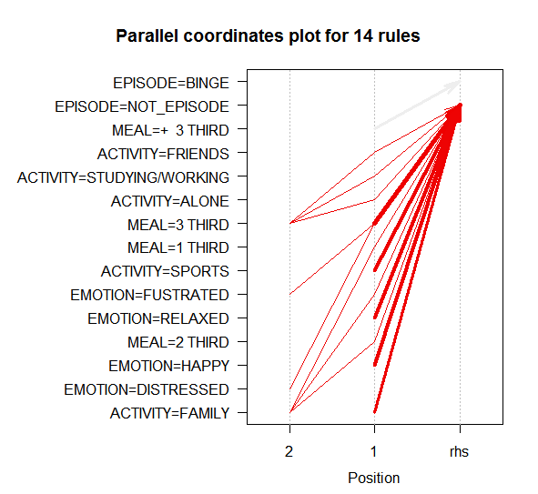

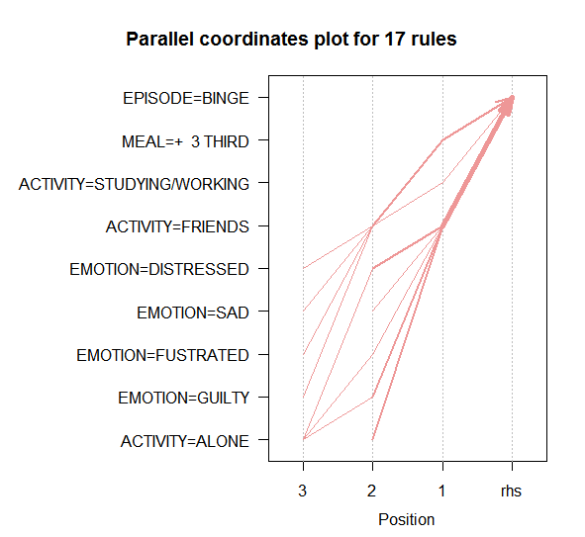

Association Rules AFTERNOON
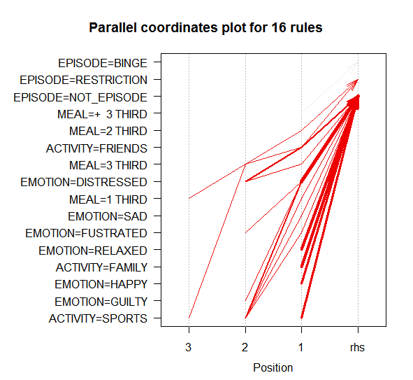
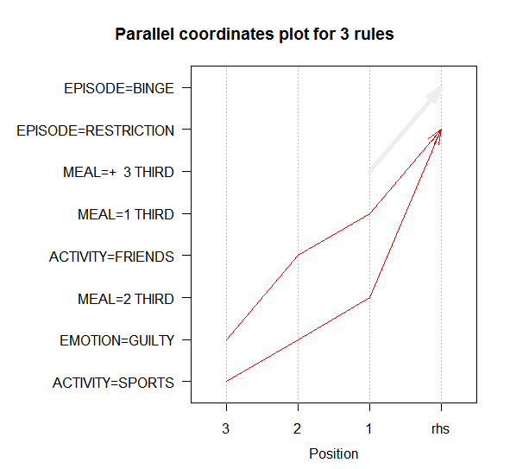
A

Association Rules EVENING
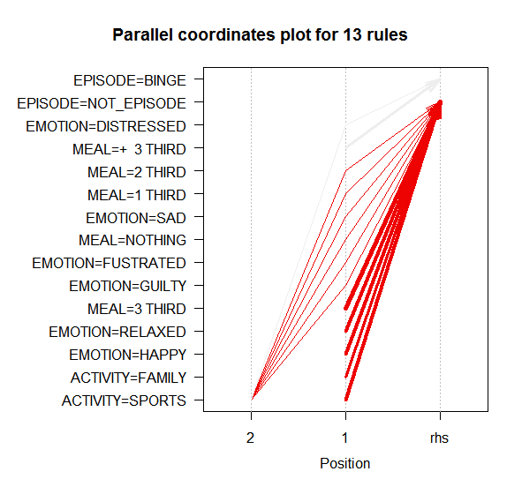
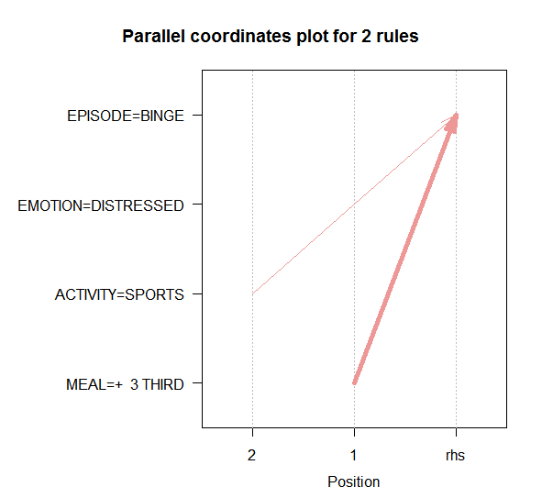

Association Rules ALL DAY
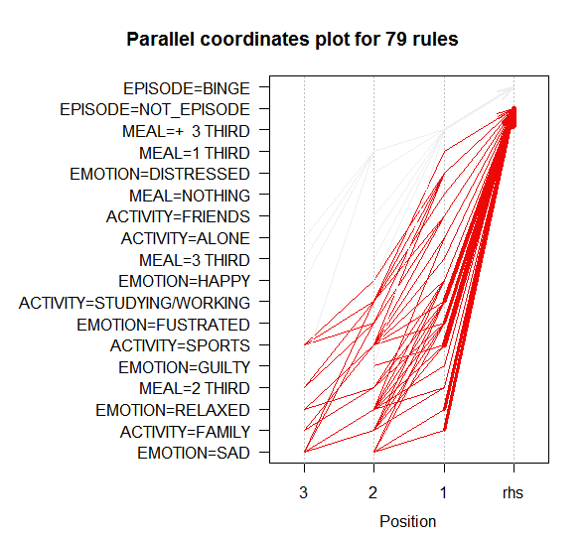
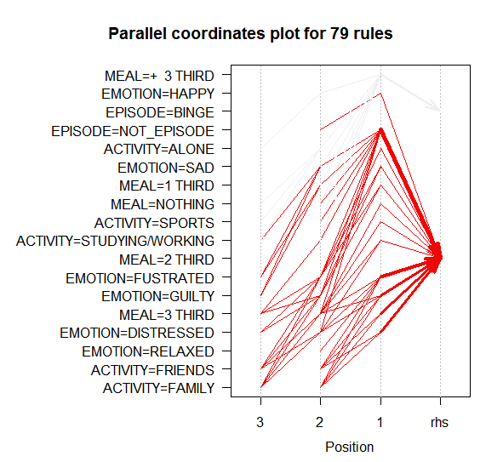

Classification
