RCA_popullation
Date | EAP TERRASSA A SANT LLÀTZER | EAP TERRASSA B EST | EAP TERRASSA F NORD | EAP RUBÍ 2 | EAP RUBÍ 3 | EAP SANT QUIRZE DEL VALLÈS | EAP SABADELL 4B CAN RULL | SUM
Set_12 | 41612 | 26008 | 41254 | 41267 | 13066 | 16701 | 22655 | 202563
Oct_12 | 41762 | 26008 | 41304 | 41311 | 13080 | 16724 | 22647 | 202836
Nov_12 | 41437 | 25766 | 40998 | 40942 | 13063 | 16698 | 22472 | 201376
Des_12 | 41304 | 25665 | 40827 | 40717 | 13095 | 16685 | 22417 | 200710
Gen_13 | 41312 | 25700 | 40879 | 40734 | 13110 | 16710 | 22427 | 200872
Feb_13 | 41312 | 25705 | 40901 | 40775 | 13114 | 16750 | 22453 | 201010
Mar_13 | 41289 | 25722 | 40939 | 40817 | 13127 | 16733 | 22463 | 201090
Abr_13 | 41355 | 25714 | 40955 | 40854 | 13142 | 16747 | 22791 | 201558
Mai_13 | 41281 | 25673 | 40968 | 40783 | 13144 | 16784 | 22744 | 201377
Jun_13 | 41293 | 25713 | 40987 | 40845 | 13164 | 16814 | 22736 | 201552
Jul_13 | 41250 | 25630 | 40910 | 40781 | 13171 | 16820 | 22686 | 201248
Ago_13 | 41344 | 25666 | 40932 | 40798 | 13144 | 16874 | 22725 | 201483
NUMBER INSURANCE
 | EAP TERRASSA A SANT LLÀTZER | EAP TERRASSA B EST | EAP TERRASSA F NORD | EAP RUBÍ 2 | EAP RUBÍ 3 | EAP SANT QUIRZE DEL VALLÈS | EAP SABADELL 4B CAN RULL
Set_12 | 41612 | 26008 | 41254 | 41267 | 13066 | 16701 | 22655
Oct_12 | 41762 | 26008 | 41304 | 41311 | 13080 | 16724 | 22647
Nov_12 | 41437 | 25766 | 40998 | 40942 | 13063 | 16698 | 22472
Des_12 | 41304 | 25665 | 40827 | 40717 | 13095 | 16685 | 22417
Gen_13 | 41312 | 25700 | 40879 | 40734 | 13110 | 16710 | 22427
Feb_13 | 41312 | 25705 | 40901 | 40775 | 13114 | 16750 | 22453
Mar_13 | 41289 | 25722 | 40939 | 40817 | 13127 | 16733 | 22463
Abr_13 | 41355 | 25714 | 40955 | 40854 | 13142 | 16747 | 22791
Mai_13 | 41281 | 25673 | 40968 | 40783 | 13144 | 16784 | 22744
Jun_13 | 41293 | 25713 | 40987 | 40845 | 13164 | 16814 | 22736
Jul_13 | 41250 | 25630 | 40910 | 40781 | 13171 | 16820 | 22686
Ago_13 | 41344 | 25666 | 40932 | 40798 | 13144 | 16874 | 22725
Set_13 | 41367 | 25708 | 40997 | 40793 | 13144 | 16900 | 22655
Oct_13 | 41302 | 25732 | 40908 | 40671 | 13140 | 16921 | 22661
Nov_13 | 41173 | 25652 | 40809 | 40604 | 13098 | 16926 | 22584
Des_13 | 41137 | 25643 | 40829 | 40589 | 13132 | 16961 | 22629
Gen_14 | 41111 | 25690 | 40812 | 40605 | 13159 | 16975 | 22683
Feb_14 | 41159 | 25735 | 40804 | 40627 | 13161 | 16978 | 22688
Mar_14 | 41182 | 25773 | 40819 | 40623 | 13169 | 16991 | 22747
Abr_14 | 41204 | 25818 | 40772 | 40601 | 13189 | 16993 | 22882
Mai_14 | 41242 | 25878 | 40836 | 40628 | 13221 | 16998 | 23034
Jun_14 | 40841 | 25616 | 40472 | 40279 | 13162 | 16966 | 22882
Jul_14 | 40919 | 25651 | 40517 | 40301 | 13169 | 17014 | 22859
Ago_14 | 40895 | 25668 | 40565 | 40297 | 13165 | 17057 | 22908
Set_14 | 40985 | 25678 | 40649 | 40329 | 13188 | 17051 | 22883
Oct_14 | 41055 | 25731 | 40647 | 40399 | 13232 | 17084 | 22957
Nov_14 | 40885 | 25696 | 40550 | 40249 | 13255 | 17072 | 22892
Des_14 | 40957 | 25679 | 40582 | 40261 | 13255 | 17104 | 22911
Gen_15 | 40932 | 25666 | 40571 | 40317 | 13253 | 17114 | 22903
Feb_15 | 40955 | 25674 | 40651 | 40271 | 13277 | 17148 | 22934
Mar_15 | 41077 | 25725 | 40690 | 40291 | 13299 | 17181 | 22930
Abr_15 | 41071 | 25178 | 40726 | 40311 | 13294 | 17185 | 22957
Mai_15 | 41125 | 25733 | 40692 | 40316 | 13295 | 17201 | 22995
Jun_15 | 40994 | 25573 | 40584 | 40138 | 13275 | 17160 | 22892
Jul_15 | 41312 | 25698 | 40887 | 40226 | 13289 | 17169 | 22948
Ago_15 | 41285 | 25691 | 40818 | 40227 | 13283 | 17176 | 22945
Set_15 | 41350 | 25720 | 40882 | 40276 | 13299 | 17188 | 22989
Oct_15 | 41471 | 25783 | 41004 | 40299 | 13315 | 17234 | 23018
Nov_15 | 41361 | 25670 | 40795 | 40147 | 13281 | 17194 | 22925
Des_15 | 41428 | 25674 | 40813 | 40176 | 13315 | 17222 | 22954
Gen_16 | 41485 | 25694 | 40878 | 40231 | 13354 | 17264 | 22972
Feb_16 | 41495 | 25687 | 40950 | 40282 | 13394 | 17283 | 23029
Mar_16 | 41510 | 25716 | 40960 | 40312 | 13406 | 17302 | 23040
Set_13 | 41367 | 25708 | 40997 | 40793 | 13144 | 16900 | 22655 | 201564
Oct_13 | 41302 | 25732 | 40908 | 40671 | 13140 | 16921 | 22661 | 201335
Nov_13 | 41173 | 25652 | 40809 | 40604 | 13098 | 16926 | 22584 | 200846 |  | EAP RUBI 2
Des_13 | 41137 | 25643 | 40829 | 40589 | 13132 | 16961 | 22629 | 200920 |  | EAP TERRASSA A SANT LLÀTZER
Gen_14 | 41111 | 25690 | 40812 | 40605 | 13159 | 16975 | 22683 | 201035 |  | EAP Terrassa-F Nord (inclou Mat.)
Feb_14 | 41159 | 25735 | 40804 | 40627 | 13161 | 16978 | 22688 | 201152
Mar_14 | 41182 | 25773 | 40819 | 40623 | 13169 | 16991 | 22747 | 201304
Abr_14 | 41204 | 25818 | 40772 | 40601 | 13189 | 16993 | 22882 | 201459
Mai_14 | 41242 | 25878 | 40836 | 40628 | 13221 | 16998 | 23034 | 201837
Jun_14 | 40841 | 25616 | 40472 | 40279 | 13162 | 16966 | 22882 | 200218
Jul_14 | 40919 | 25651 | 40517 | 40301 | 13169 | 17014 | 22859 | 200430
Ago_14 | 40895 | 25668 | 40565 | 40297 | 13165 | 17057 | 22908 | 200555
Set_14 | 40985 | 25678 | 40649 | 40329 | 13188 | 17051 | 22883 | 200763
Oct_14 | 41055 | 25731 | 40647 | 40399 | 13232 | 17084 | 22957 | 201105
Nov_14 | 40885 | 25696 | 40550 | 40249 | 13255 | 17072 | 22892 | 200599
Des_14 | 40957 | 25679 | 40582 | 40261 | 13255 | 17104 | 22911 | 200749
Gen_15 | 40932 | 25666 | 40571 | 40317 | 13253 | 17114 | 22903 | 200756
Feb_15 | 40955 | 25674 | 40651 | 40271 | 13277 | 17148 | 22934 | 200910
Mar_15 | 41077 | 25725 | 40690 | 40291 | 13299 | 17181 | 22930 | 201193
Abr_15 | 41071 | 25178 | 40726 | 40311 | 13294 | 17185 | 22957 | 200722
Mai_15 | 41125 | 25733 | 40692 | 40316 | 13295 | 17201 | 22995 | 201357 | Not seasonality
Jun_15 | 40994 | 25573 | 40584 | 40138 | 13275 | 17160 | 22892 | 200616
Jul_15 | 41312 | 25698 | 40887 | 40226 | 13289 | 17169 | 22948 | 201529
 | SUM
Set_12 | 202563
Oct_12 | 202836
Nov_12 | 201376
Des_12 | 200710
Gen_13 | 200872
Feb_13 | 201010
Mar_13 | 201090
Abr_13 | 201558
Mai_13 | 201377
Jun_13 | 201552
Jul_13 | 201248
Ago_13 | 201483
Set_13 | 201564
Oct_13 | 201335
Nov_13 | 200846
Des_13 | 200920
Gen_14 | 201035
Feb_14 | 201152
Mar_14 | 201304
Abr_14 | 201459
Mai_14 | 201837
Jun_14 | 200218
Jul_14 | 200430
Ago_14 | 200555
Set_14 | 200763
Oct_14 | 201105
Nov_14 | 200599
Des_14 | 200749
Gen_15 | 200756
Feb_15 | 200910
Mar_15 | 201193
Abr_15 | 200722
Mai_15 | 201357
Jun_15 | 200616
Jul_15 | 201529
Ago_15 | 201425
Set_15 | 201704
Oct_15 | 202124
Nov_15 | 201373
Des_15 | 201582
Gen_16 | 201878
Feb_16 | 202120
Mar_16 | 202246
Ago_15 | 41285 | 25691 | 40818 | 40227 | 13283 | 17176 | 22945 | 201425
Set_15 | 41350 | 25720 | 40882 | 40276 | 13299 | 17188 | 22989 | 201704
Oct_15 | 41471 | 25783 | 41004 | 40299 | 13315 | 17234 | 23018 | 202124
Nov_15 | 41361 | 25670 | 40795 | 40147 | 13281 | 17194 | 22925 | 201373
Des_15 | 41428 | 25674 | 40813 | 40176 | 13315 | 17222 | 22954 | 201582
Gen_16 | 41485 | 25694 | 40878 | 40231 | 13354 | 17264 | 22972 | 201878
Feb_16 | 41495 | 25687 | 40950 | 40282 | 13394 | 17283 | 23029 | 202120
Mar_16 | 41510 | 25716 | 40960 | 40312 | 13406 | 17302 | 23040 | 202246

RCA_Facilities
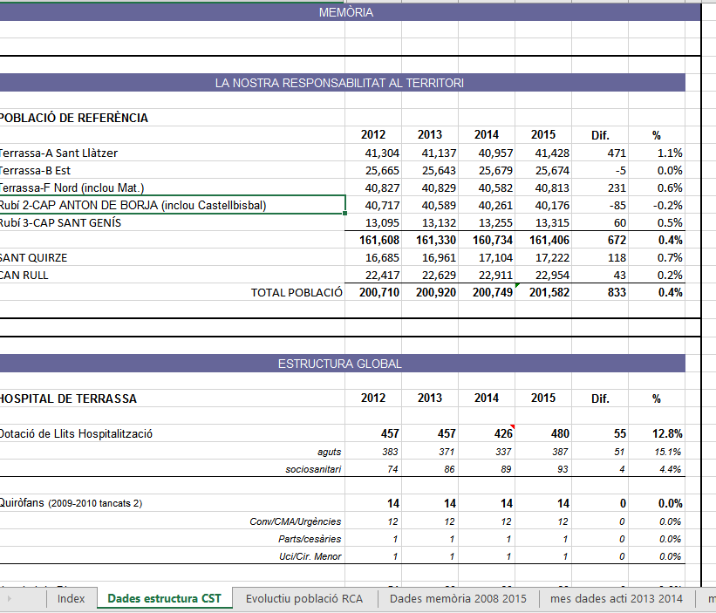

Death's at Terrassa
ANNY | SEXE | WOMAN | WOMAN | ANNY | SEXE | MAN | MAN | deaths %>% filter(EDAT>=18,SEXE!="Altres") %>% group_by(ANNY,SEXE) %>% summarize(M_EDAT=mean(EDAT),count=n()) %>% as.data.frame() ->tx
1996 | Dona | 76.125 | 224 | 1996 | Home | 69.48 | 275
1997 | Dona | 76.70441989 | 362 | 1997 | Home | 69.013297872 | 376
1998 | Dona | 76.800569801 | 351 | 1998 | Home | 69.014051522 | 427
1999 | Dona | 78.140298507 | 335 | 1999 | Home | 69.335714286 | 420
2000 | Dona | 76.081395349 | 344 | 2000 | Home | 68.443914081 | 419
MEAN DEATH
2001 | Dona | 75.641304348 | 368 | 2001 | Home | 69.33411215 | 428
2002 | Dona | 78.095652174 | 345 | 2002 | Home | 70.213457077 | 431
2003 | Dona | 77.567039106 | 358 | 2003 | Home | 71.382830626 | 431
2004 | Dona | 76.741935484 | 372 | 2004 | Home | 70.661097852 | 419
2005 | Dona | 78.375358166 | 349 | 2005 | Home | 70.460992908 | 423
2006 | Dona | 78.571022727 | 352 | 2006 | Home | 70.649411765 | 425
2007 | Dona | 78.254794521 | 365 | 2007 | Home | 69.948164147 | 463
2008 | Dona | 76.784574468 | 376 | 2008 | Home | 72.625 | 424
2009 | Dona | 78.263157895 | 361 | 2009 | Home | 71.393867925 | 424
2010 | Dona | 77.935732648 | 389 | 2010 | Home | 72.63356974 | 423
2011 | Dona | 78.134920635 | 378 | 2011 | Home | 72.370023419 | 427
2012 | Dona | 79.880758808 | 369 | 2012 | Home | 73.168292683 | 410
2013 | Dona | 78.883116883 | 385 | 2013 | Home | 71.556354916 | 417
2014 | Dona | 78.416886544 | 379 | 2014 | Home | 72.451456311 | 412
2015 | Dona | 77.605744125 | 383 | 2015 | Home | 73.593967517 | 431
2016 | Dona | 80.041666667 | 96 | 2016 | Home | 73.568627451 | 102

 |  |  |  |  |  |  |  |  | MEN Year 1995 |  | 69 |  | WOMEN Year 1995 |  | 76
 |  |  |  |  |  |  |  |  | MEN Year 2015 |  | 73 |  | WOMEN Year 1995 |  | 79
 |  |  |  |  |  |  |  |  |  | Diff | 4 | years |  | Diff | 3 | years

 |  |  |  |  |  |  |  |  |  |  |  |  |  |  | FORECASTING
 |  |  |  |  |  |  |  |  | Linear Regression |  | SLOPE |  | INTERCEPT |  | 2020 | 2030
 |  |  |  |  |  |  |  |  | WOMAN | y | 0.1326 |  | 188.19 |  | 79.662 | 80.988
 |  |  |  |  |  |  |  |  | MAN | y | 0.2361 |  | 402.64 |  | 74.282 | 76.643

Test related to old people
YEAR | 2,008 | 2,009 | 2,010 | 2,011 | 2,012 | 2,013 | 2,014 | 2,015
Hospital de dia | 3,181 | 3,656 | 4,066 | 3,891 | 3,899 | 4,131 | 4,605 | 5,107

Test related to young people
 | 2,008 | 2,009 | 2,010 | 2,011 | 2,012 | 2,013 | 2,014 | 2,015 | 2,016 | 2,017 | 2,018 | 2,019
Birth | 1,875 | 1,843 | 1,659 | 1,584 | 1,431 | 1,286 | 1,270 | 1,311

 | Birth
2,008 | 1,875
2,009 | 1,843
2,010 | 1,659
2,011 | 1,584
2,012 | 1,431
2,013 | 1,286
2,014 | 1,270
2,015 | 1,311
2,016
2,017
2,018
2,019

