Excel Border Mapping
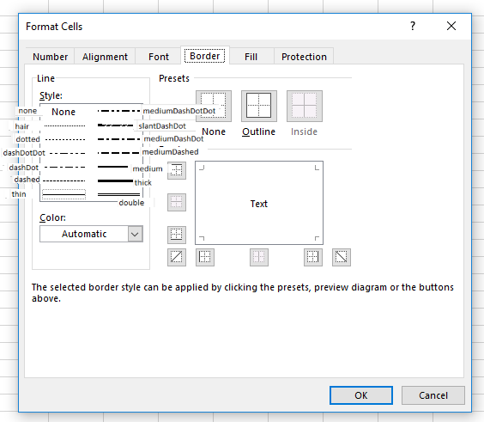
 |  | CSS Border Style
 |  | none | hidden | dotted | dashed | solid | double | groove | ridge | inset | outset | initial | inherit
CSS Border Width | thin | none | none | dotted | dashed | thin | thin | Same as solid |  |  |  | none | none
 | medium | none | none | mediumDashDot | mediumDashed | medium | double |  |  |  |  | none | none
 | thick | none | none | mediumDashDot | mediumDashed | thick | double |  |  |  |  | none | none | none
 |  |  |  |  |  |  |  |  |  |  |  |  |  | thin
 | size < 1 | none | none | dotted | dashed | hair | thin | Same as solid |  |  |  | none | none | medium
 | size = 1 | none | none | dotted | dashed | thin | double |  |  |  |  | none | none | dashed
 | size = 2 | none | none | mediumDashDot | mediumDashed | medium | double |  |  |  |  | none | none | dotted
 | size = 3 | none | none | mediumDashDot | mediumDashed | thick | double |  |  |  |  | none | none | thick
 |  |  |  |  |  |  |  |  |  |  |  |  |  | double
 |  |  |  |  |  |  |  |  |  |  |  |  |  | hair
 |  |  |  |  |  |  |  |  |  |  |  |  |  | mediumDashed
 |  |  |  |  |  |  |  |  |  |  |  |  |  | dashDot
 |  |  |  |  |  |  |  |  |  |  |  |  |  | mediumDashDot
 |  |  |  |  |  |  |  |  |  |  |  |  |  | dashDotDot
 |  |  |  |  |  |  |  |  |  |  |  |  |  | mediumDashDotDot
 |  |  |  |  |  |  |  |  |  |  |  |  |  | slantDashDot

