Adams Input
Fuselage mass | M_fuselage | 249.45740 | kg |  | 962.7243 | FUSELAGE MASS and INERTIA is NOT the FULL HELICOPTER MASS/INERTIA
Inertia of fuselage (xx) | lxx_fuselage | 2508.18830 | kg.m2 |  | 5000 | Blade mass /inertia are evaluated separately
Inertia of fuselage (yy) | Iyy_fuselage | 12566.54530 | kg.m2 |  | 12500 | Shat/hub mass/inertia is small/neglibile
Inertia of fuselage (zz) | Izz_fuselage | 12004.98300 | kg.m2 |  | 12500
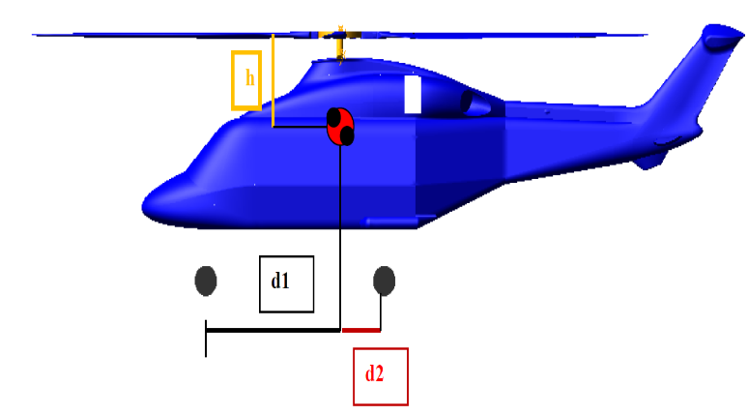
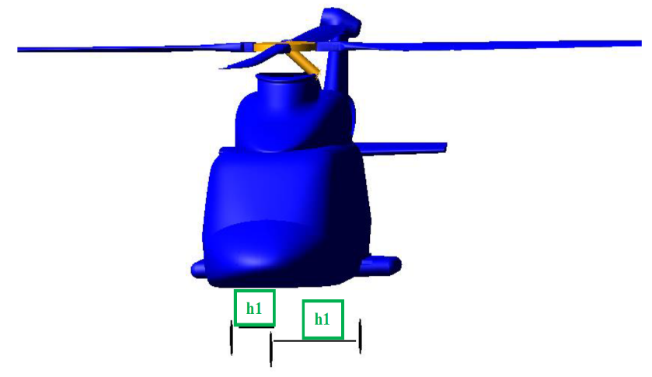
Shaft mass | M_albero | 10.00000 | kg |  | 10
Inertia of shaft (xx) | lxx_albero |  | kg.m2
Inertia of shaft (yy) | Iyy_albero |  | kg.m2
Inertia of shaft (zz) | Izz_albero |  | kg.m2
Main rotor radius | R_pala | 4.41020 | m |  | 7.8916
Eccentricity | Eccentr | 0.26461 | m |  | 0.39458
Blade chord | c_pala | 0.47083 | m |  | 0.59501
Blade thickness | s_pala | 0.011 | m |  | 0.011
Blade mass | M_pala | 110.75460 | kg | 36.9182 | 483.3681
Inertia of blade (xx) (lag) | I_lag | 200.00000 | kg.m2 |  | 200
Inertia of blade (yy) (flap) | I_flap | 200.00000 | kg.m2 |  | 200
Inertia of blade (zz) (pitch) | I_pitch | 2.00000 | k .m2 |  | 2
Vertical distance between the centroid and hub | h | 1.50000 | m |  | 1.5
Base of the shaft | b_albero |  | m
Rotational velocity | Omega | 48.569225885 | rad/s |  | 30.158649703
Lenght of landing gears | I_carello |  | m
Distance between centroid and NLG | d1 | 3.42388 | m |  | 5.9685823133
Distance beween centroid and MLG | d2 | 2.01280 | m |  | 3.7609426867
Distance between xz plane and MLG | h1 | 1.00000 | m |  | 1.375
Stifness of the landing gears | k1 | 70000.00000 | N/m |  | 50000
 | k2 | 85000.00000 |  |  | 75000
Damping of the landing gears | c1 | 2000.00000 | Ns/m |  | 3000
 | c2 | 2000.00000 |  |  | 4500
Stiffness in lag motion | Klag | 1000000.00000 | N/m |  | 1000000
Damping in lag motion | Clag | 2000.00000 | Ns/m |  | 1500
Stiffness of the main wheel (vertical) | k_tyre_v | 70000.00000 | N/m |  | 70000
Damping of the main wheel (vertical) | c_tyre_v | 700.00000 | Ns/m |  | 700
Stiffness of the main wheel (longitudinal) | k_tyre_long | 56000.00000 | N/m |  | 56000
Damping of the main wheel (longitudinal) | c_tyre_long | 700.00000 | Ns/m |  | 560
Stiffness of the main wheel (lateral) | k_tyre_lat | 35000.00000 | N/m |  | 25500
Damping of the main wheel (lateral) | c_tyre_lat | 500.00000 | Ns/m |  | 255

