Sheet1
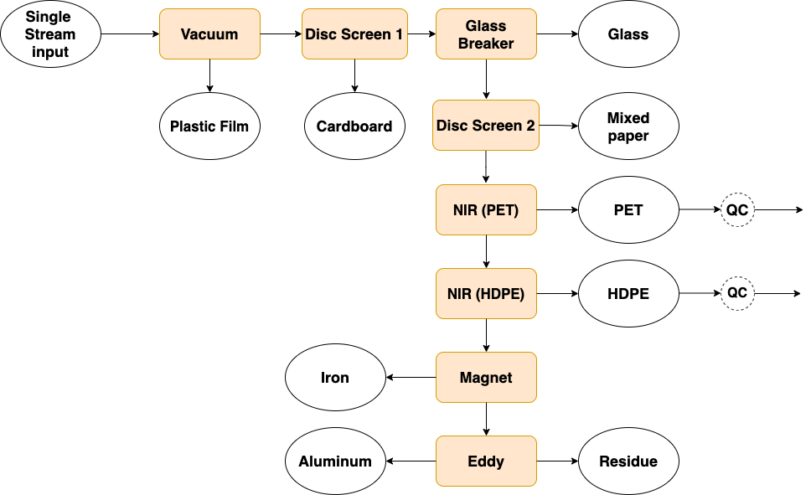
 | vacuum | disc screen 1 | glass breaker | disc screen 2 | nir pet | nir hdpe | magnet | eddy
pet | 0 | 0 | 0 | 0 | 0.91 | 0.01 | 0 | 0
hdpe | 0 | 0 | 0 | 0 | 0.1 | 0.7 | 0 | 0
film | 0.98 | 0 | 0 | 0.02 | 0.2 | 0.2 | 0.01 | 0
paper | 0.02 | 0.02 | 0 | 0.94 | 0.05 | 0.05 | 0 | 0
cardboard | 0.02 | 0.75 | 0 | 0.02 | 0.05 | 0.05 | 0 | 0
aluminum | 0 | 0 | 0 | 0 | 0.03 | 0.03 | 0 | 0.8
glass | 0 | 0 | 0.97 | 0 | 0.08 | 0.08 | 0 | 0.5
iron | 0 | 0 | 0 | 0 | 0 | 0 | 0.5 | 0
other | 0 | 0 | 0 | 0 | 0.05 | 0.05 | 0 | 0

MATERIAL RECOVERY FACILITY

DISPOSAL
VACUUM
DISC SCREEN 1
GLASS BREAKER
DISC SCREEN 2
NIR PET
NIR HDPE
MAGNET
EDDY
LANDFILL
 |  |  |  | pet | 10 |  |  |  | pet | 10 |  |  | pet | 10 |  |  | pet | 10 |  |  | pet | 10 |  |  | pet | 0.9 |  |  | pet | 0.891 |  |  | pet | 0.891 |  |  | pet | 0.891
 |  |  |  | hdpe | 10 |  |  |  | hdpe | 10 |  |  | hdpe | 10 |  |  | hdpe | 10 |  |  | hdpe | 10 |  |  | hdpe | 9 |  |  | hdpe | 2.7 |  |  | hdpe | 2.7 |  |  | hdpe | 2.7
 |  |  |  | film | 20 |  |  |  | film | 0.4 |  |  | film | 0.4 |  |  | film | 0.4 |  |  | film | 0.392 |  |  | film | 0.3136 |  |  | film | 0.25088 |  |  | film | 0.2483712 |  |  | film | 0.2483712
 |  |  |  | paper | 100 |  |  |  | paper | 98 |  |  | paper | 96.04 |  |  | paper | 96.04 |  |  | paper | 5.7624 |  |  | paper | 5.47428 |  |  | paper | 5.200566 |  |  | paper | 5.200566 |  |  | paper | 5.200566
 |  |  |  | cardboard | 100 |  |  |  | cardboard | 98 |  |  | cardboard | 24.5 |  |  | cardboard | 24.5 |  |  | cardboard | 24.01 |  |  | cardboard | 22.8095 |  |  | cardboard | 21.669025 |  |  | cardboard | 21.669025 |  |  | cardboard | 21.669025
 |  |  |  | aluminum | 50 |  |  |  | aluminum | 50 |  |  | aluminum | 50 |  |  | aluminum | 50 |  |  | aluminum | 50 |  |  | aluminum | 48.5 |  |  | aluminum | 47.045 |  |  | aluminum | 47.045 |  |  | aluminum | 9.409
 |  |  |  | glass | 50 |  |  |  | glass | 50 |  |  | glass | 50 |  |  | glass | 1.5 |  |  | glass | 1.5 |  |  | glass | 1.38 |  |  | glass | 1.2696 |  |  | glass | 1.2696 |  |  | glass | 0.6348
 |  |  |  | iron | 10 |  |  |  | iron | 10 |  |  | iron | 10 |  |  | iron | 10 |  |  | iron | 10 |  |  | iron | 10 |  |  | iron | 10 |  |  | iron | 5 |  |  | iron | 5
 |  |  |  | other | 10 |  |  |  | other | 10 |  |  | other | 10 |  |  | other | 10 |  |  | other | 10 |  |  | other | 9.5 |  |  | other | 9.025 |  |  | other | 9.025 |  |  | other | 9.025

FILM BALE
CARDBOARD BALE
GLASS BALE
PAPER BALE
PET BALE
HDPE BALE
IRON BALE
ALUMINUM BALE

 |  |  |  |  |  |  | pet | 0 |  |  | pet | 0 |  |  | pet | 0 |  |  | pet | 0 |  |  | pet | 9.1 | MAIN PRODUCT |  | pet | 0.009 |  |  | pet | 0 |  |  | pet | 0
 |  |  |  |  |  |  | hdpe | 0 |  |  | hdpe | 0 |  |  | hdpe | 0 |  |  | hdpe | 0 |  |  | hdpe | 1 | CONTAMINANTS |  | hdpe | 6.3 |  |  | hdpe | 0 |  |  | hdpe | 0
 |  |  |  |  |  |  | film | 19.6 |  |  | film | 0 |  |  | film | 0 |  |  | film | 0.008 |  |  | film | 0.0784 |  |  | film | 0.06272 |  |  | film | 0.0025088 |  |  | film | 0
 |  |  |  |  |  |  | paper | 2 |  |  | paper | 1.96 |  |  | paper | 0 |  |  | paper | 90.2776 |  |  | paper | 0.28812 |  |  | paper | 0.273714 |  |  | paper | 0 |  |  | paper | 0
 |  |  |  |  |  |  | cardboard | 2 |  |  | cardboard | 73.5 |  |  | cardboard | 0 |  |  | cardboard | 0.49 |  |  | cardboard | 1.2005 |  |  | cardboard | 1.140475 |  |  | cardboard | 0 |  |  | cardboard | 0
 |  |  |  |  |  |  | aluminum | 0 |  |  | aluminum | 0 |  |  | aluminum | 0 |  |  | aluminum | 0 |  |  | aluminum | 1.5 |  |  | aluminum | 1.455 |  |  | aluminum | 0 |  |  | aluminum | 37.636
 |  |  |  |  |  |  | glass | 0 |  |  | glass | 0 |  |  | glass | 48.5 |  |  | glass | 0 |  |  | glass | 0.12 |  |  | glass | 0.1104 |  |  | glass | 0 |  |  | glass | 0.6348
 |  |  |  |  |  |  | iron | 0 |  |  | iron | 0 |  |  | iron | 0 |  |  | iron | 0 |  |  | iron | 0 |  |  | iron | 0 |  |  | iron | 5 |  |  | iron | 0
 |  |  |  |  |  |  | other | 0 |  |  | other | 0 |  |  | other | 0 |  |  | other | 0 |  |  | other | 0.5 |  |  | other | 0.475 |  |  | other | 0 |  |  | other | 0

 |  |  |  |  |  |  |  |  |  |  |  |  |  |  |  |  |  |  |  |  |  |  |  |  | Product purity
 |  |  |  |  |  |  |  |  |  |  |  |  |  |  |  |  |  |  |  |  |  |  |  |  |  | 0.66004111113

RECLAIMERS. (modeled separately later) not included here

