Sheet1
Course Number | Name | Point | Type | Time
 | Master theisis | 30
 |  |  |  |  | total point | 95
Polytechnic foundation courses (10 ECTS)
Many | sustainability (Polytechnical Foundation) | 5 | Mandetory | Spring tir 18-22 or fri 13-17 and Fall tir 18-22 or fri 13-17
Many | Innovation in Engineering | 5 | Mandetory | Jan,Jun,Aug

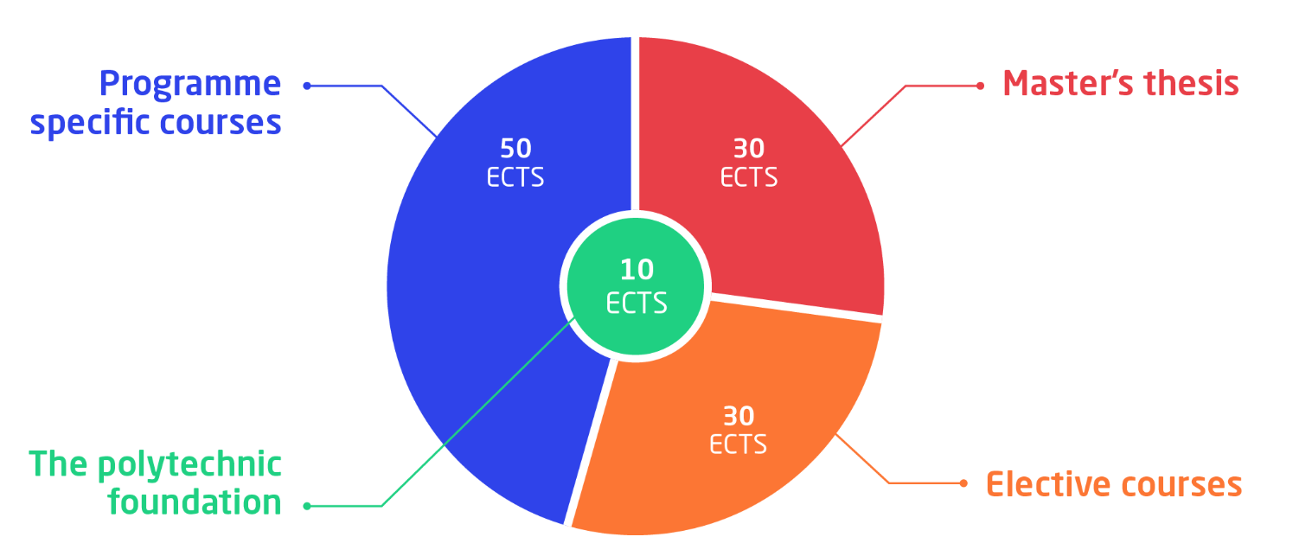
Programme specific courses (50 ECTS)

(INNO) 5 ects
34755 | Building dependable robot systems | 5 | Innovation course II (INNO) | Spring F3B (Fri 13-17)

Core competence I (CORE 1) - choose 10 ECTS
34745 | Linear control design 2 | 10 | point | Autumn E3 (Tues 8-12, Fri 13-17)

Core competence II (CORE 2) - choose 20 ECTS
34764 | Robotics and Automation in Pharmaceutical Manufacturing | 5 | point | January
30330 | Image Analysis with Microcomputer | 10 | point | Autumn E1A (Mon 8-12) and Autumn E1B (Thurs 13-17), Autumn E2A (Mon 13-17)
34746 | Robust and fault-tolerant control | 10 | point

Advanced programme specific courses (AVANC): Choose 15 ECTS
2205 | VLSI Design | 5 | point | Spring F3A (Tues 8-12)
34753 | Robotics | 5 | point | Autumn E4A (Tues 13-17)
34748 | Modelling for operation of complex industrial plants | 5 | point | Spring F5A (Wed 8-12)

