Sheet1
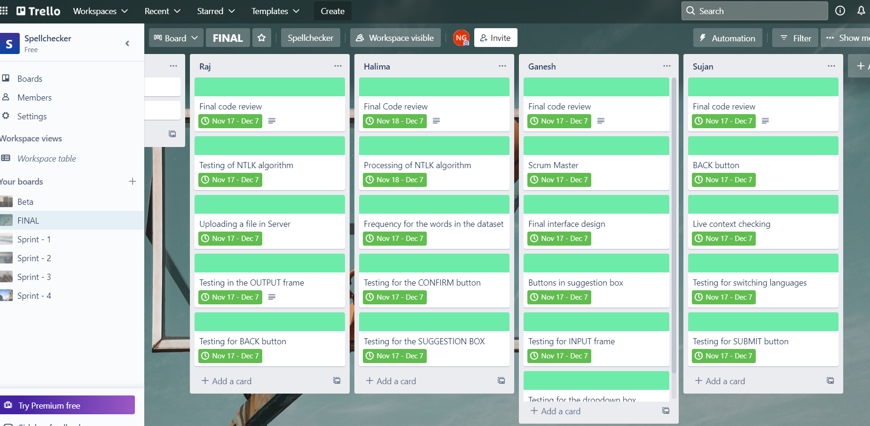
SUJAN | HALIMA | RAJ | GANESH
Final code Review | Processing of NTLK algorithm | Testing for NTLK algorithm | Scrum Master
BACK button | Frequency of words | Uploading a file on server | Final interface design
Live Context checking | Testing for CONFIRM button | Testing in OUTPUT frame | Buttons in Suggestion Box
Testing for switching the languages | Final code review | Testing for BACK button | Final Code review
Testing for SUBMIT button | Testing for Suggestion Box | Final Code review | Testing for INPUT frame
 |  |  | Testing for Dropdown box

