Stichting
Stichting Pensioenfonds ABP |  |  |  | Stichting Pensioenfonds ABP
Sector |  |  |  | Type Institution: Pension Fund Management Type Active
 | Technology | 24.8% |  | Historical View Periodicity Quarterly 2025 Q2 - 2026 Q1 Field Position
 | Real Estate | 22.7%
 | Financials | 15.1%
 | Health Care | 9.2% |  | Security | Position | % Out | Curr MV
 | Industrials | 7.4% |  | Country/Region | Subsector
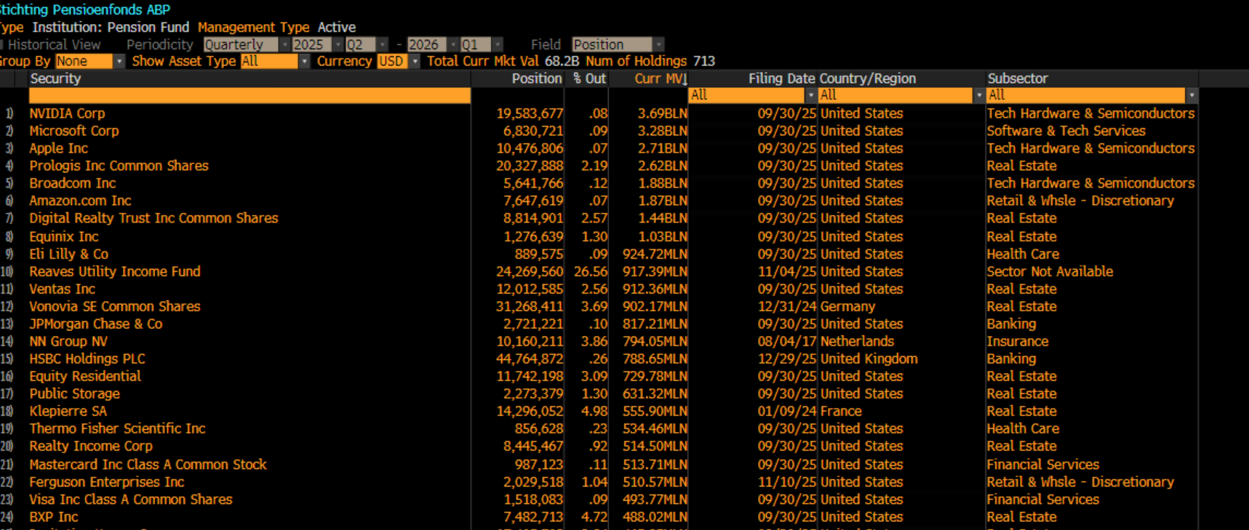
 |  | More... |  |  |  |  |  | All | All | All
 |  |  | 1) | NVIDIA Corp | 19,583,677 | .08 | 3.69BLN | 09/30/25 | United States | Tech Hardware & Semiconductors
Industry |  |  | 2) | Microsoft Corp | 6,830,721 | .09 | 3.28BLN | 09/30/25 | United States | Software & Tech Services
 | Real Estate | 22.7% | 3) | Apple Inc | 10,476,806 | .07 | 2.71BLN | 09/30/25 | United States | Tech Hardware & Semiconductors
 | Technology Hardware | 16.0% | 4) | Prologis Inc Common Shares | 20,327,888 | Feb-19 | 2.62BLN | 09/30/25 | United States | Real Estate
 | Health Care | 9.2% | 5) | Broadcom Inc | 5,641,766 | .12 | 1.88BLN | 09/30/25 | United States | Tech Hardware & Semiconductors
 | Software & Technolog | 8.8% | 6) | Amazon.com Inc | 7,647,619 | .07 | 1.87BLN | 09/30/25 | United States | Retail & Whsle - Discretionary
 | Financial Services | 6.7% | 7) | Digital Realty Trust Inc Common Shares | 8,814,901 | Feb-57 | 1.44BLN | 09/30/25 | United States | Real Estate
 |  | More... | 8) | Equinix Inc | 1,276,639 | Jan-30 | 1.03BLN | 09/30/25 | United States | Real Estate
 |  |  | 9) | Eli Lilly & Co | 889.575 | .09 | 924.72MLN | 09/30/25 | United States | Health Care
Region |  |  | 10) | Reaves Utility Income Fund | 24,269,560 | 26.56 | 917.39MLN | 2025-04-11 | United States | Sector Not Available
 | North America | 81.9% | 11) | Ventas Inc | 12,012,585 | Feb-56 | 912.36MLN | 09/30/25 | United States | Real Estate
 | Western Europe | 16.2% | 12) | Vonovia SE Common Shares | 31,268,411 | Mar-69 | 902.17MLN | 12/31/24 | Germany | Real Estate
 | Asia Pacific (Develop | 1.2% | 13) | JPMorgan Chase & Co | 2,721,221 | .10 | 817.21MLN | 09/30/25 | United States | Banking
 | Asia Pacific (Emergin | 0.3% | 14) | HSBC Holdings PLC | 44,764,872 | .26 | 788.65MLN | 12/29/25 | United Kingdom | Banking
 | Latin America & Carib | 0.3% | 15) | Equity Residential | 11,742,198 | 2026-09-03 | 729.78MLN | 09/30/25 | United States | Real Estate
 |  |  | 16) | Public Storage | 2,273,379 | Jan-30 | 631.32MLN | 09/30/25 | United States | Real Estate
Domicile |  |  | 17) | Klepierre SA | 14,296,052 | Apr-98 | 555.90MLN | 2024-09-01 | France | Real Estate
 | UNITED STATES | 80.3% | 18) | Thermo Fisher Scientific Inc | 856.628 | .23 | 534.46MLN | 09/30/25 | United States | Health Care
 | United Kingdom | 8.5% | 19) | Realty Income Corp | 8,445,467 | .92 | 514.50MLN | 09/30/25 | United States | Real Estate
 | GERMANY | 2.3% | 20) | Mastercard Inc Class A Common Stock | 987.123 | .11 | 513.71MLN | 09/30/25 | United States | Financial Services
 | NETHERLANDS | 1.7% | 21) | Ferguson Enterprises Inc | 2,029,518 | 2026-04-01 | 510.57MLN | 2025-10-11 | United States | Retail & Whsle - Discretionary
 | CANADA | 1.5% | 22) | Visa Inc Class A Common Shares | 1,518,083 | .09 | 493.77MLN | 09/30/25 | United States | Financial Services
 |  |  | 23) | BXP Inc | 7,482,713 | Apr-72 | 488.02MLN | 09/30/25 | United States | Real Estate
 |  |  | 24) | Invitation Homes Inc | 17,405,708 | Feb-84 | 465.95MLN | 09/30/25 | United States | Real Estate
 |  |  | 25) | Rollins Inc | 7,292,351 | Jan-50 | 462.99MLN | 09/30/25 | United States | Industrial Services
 |  |  | 26) | Cadence Design Systems Inc | 1,417,375 | .52 | 451.25MLN | 09/30/25 | United States | Software & Tech Services
 |  |  | 27) | Mid-America Apartment Communities Inc | 3,154,614 | Feb-69 | 425.02MLN | 09/30/25 | United States | Real Estate
 |  |  | 28) | Costco Wholesale Corp | 414.954 | .09 | 402.62MLN | 09/30/25 | United States | Retail & Wholesale - Staples
 |  |  | 29) | AstraZeneca PLC | 2,084,804 | .13 | 399.16MLN | 01/13/26 | United Kingdom | Health Care
 |  |  | 30) | Alexandria Real Estate Equities Inc | 6,781,205 | Mar-91 | 394.26MLN | 09/30/25 | United States | Real Estate
 |  |  | 31) | Compass Group PLC | 12,738,883 | .75 | 383.25MLN | 12/25/25 | United Kingdom | Industrial Services
 |  |  | 32) | iShares iBoxx $ Investment Grade Corporate Bond ETF Class USD INC | 3,441,813 | Jan-36 | 381.39MLN | 09/30/25 | United States | Sector Not Available
 |  |  | 33) | STERIS PLC | 1,430,091 | Jan-46 | 376.21MLN | 09/30/25 | United States | Health Care
 |  |  | 34) | iShares iBoxx $ High Yield Corporate Bond ETF Class USD INC | 4,634,500 | 2026-10-02 | 376.18MLN | 09/30/25 | United States | Sector Not Available
 |  |  | 35) | Extra Space Storage Inc | 2,680,151 | Jan-26 | 374.66MLN | 09/30/25 | United States | Real Estate
 |  |  | 36) | Intuitive Surgical Inc | 705.761 | .20 | 370.55MLN | 09/30/25 | United States | Health Care
 |  |  | 37) | Unilever PLC | 5,447,967 | .25 | 365.56MLN | 12/19/25 | United Kingdom | Consumer Staple Products
 |  |  | 38) | Welltower Inc | 1,976,274 | .29 | 362.63MLN | 09/30/25 | United States | Real Estate
 |  |  | 39) | Informa PLC | 29,410,000 | Feb-29 | 362.35MLN | 01/16/26 | United Kingdom | Media
 |  |  | 40) | Symrise AG | 4,140,840 | Feb-96 | 360.60MLN | 10/15/24 | Germany | Materials
 |  |  | 41) | Jack Henry & Associates Inc | 1,956,339 | Feb-70 | 350.11MLN | 09/30/25 | United States | Financial Services
 |  |  | 42) | Walmart Inc | 2,970,262 | .04 | 347.34MLN | 09/30/25 | United States | Retail & Wholesale - Staples
 |  |  | 43) | West Pharmaceutical Services Inc | 1,415,197 | Jan-97 | 340.40MLN | 09/30/25 | United States | Health Care
 |  |  | 44) | Mirvac Group | 243,681,056 | Jun-18 | 338.36MLN | 01/27/23 | Australia | Real Estate
 |  |  | 45) | Stryker Corp | 950.854 | .25 | 337.14MLN | 09/30/25 | United States | Health Care
 |  |  | 46) | Bank of America Corp | 6,342,298 | .09 | 330.88MLN | 09/30/25 | United States | Banking
 |  |  | 47) | Rolls-Royce Holdings PLC | 18,547,942 | .22 | 317.25MLN | 2026-03-01 | United Kingdom | Industrial Products
 |  |  | 48) | Viscofan SA Ordinary Shares | 4,645,350 | Sep-99 | 314.22MLN | 12/31/24 | Spain | Materials
 |  |  | 49) | Broadridge Financial Solutions Inc | 1,494,390 | Jan-28 | 308.47MLN | 09/30/25 | United States | Financial Services
 |  |  | 50) | Tyler Technologies Inc | 707.223 | Jan-64 | 301.39MLN | 09/30/25 | United States | Software & Tech Services
 |  |  | 51) | MSA Safety Inc | 1,641,220 | Apr-19 | 295.75MLN | 09/30/25 | United States | Industrial Products
 |  |  | 52) | Micron Technology Inc | 712.141 | .06 | 292.15MLN | 09/30/25 | United States | Tech Hardware & Semiconductors
 |  |  | 53) | Arthur J Gallagher & Co | 1,197,878 | .47 | 290.28MLN | 09/30/25 | United States | Insurance

