01_All_Pairs
Table 1: ALL PAIRS - EV vs ICE Trip Summary


Pair | Pair ID | Pair Class | Category | Route Group | Trips | EV Date | ICE Date | EV Distance (km) | ICE Distance (km) | EV TAT (min) | ICE TAT (min) | EV Start Time | EV End Time | ICE Start Time | ICE End Time | EV Moving Avg Speed (km/h) | ICE Moving Avg Speed (km/h)
1 | PAIR_001 | STRICT | INTERCITY | Chennai ↔ Pondicherry | Chennai to Pondicherry | 15-07-2026 | 15-07-2026 | 148.199 | 148.125 | 240.444 | 274.350 | 09:22:41 | 13:23:07 | 11:20:23 | 15:54:44 | 41.585 | 43.136
2 | PAIR_002 | NONSTRICT | INTERCITY | Chennai ↔ Pondicherry | Chennai to Pondicherry | 15-07-2026 | 17-07-2026 | 141.622 | 141.671 | 209.592 | 221.150 | 09:56:19 | 13:25:55 | 11:43:51 | 15:25:00 | 46.138 | 44.822
3 | PAIR_003 | NONSTRICT | INTERCITY | Chennai ↔ Pondicherry | Chennai to Pondicherry | 17-07-2026 | 15-07-2026 | 148.208 | 148.150 | 221.517 | 274.350 | 07:51:32 | 11:33:03 | 11:20:23 | 15:54:44 | 46.356 | 43.143
4 | PAIR_004 | NONSTRICT | INTERCITY | Chennai ↔ Pondicherry | Chennai to Pondicherry | 15-07-2026 | 19-07-2026 | 146.110 | 146.194 | 232.892 | 269.217 | 09:38:15 | 13:31:09 | 11:08:45 | 15:37:58 | 43.319 | 44.100
5 | PAIR_005 | NONSTRICT | INTERCITY | Chennai ↔ Pondicherry | Chennai to Pondicherry | 19-07-2026 | 15-07-2026 | 147.806 | 147.735 | 199.780 | 272.709 | 09:10:36 | 12:30:22 | 11:22:01 | 15:54:44 | 47.116 | 43.369
6 | PAIR_006 | STRICT | INTERCITY | Chennai ↔ Pondicherry | Pondicherry to Chennai | 16-07-2026 | 16-07-2026 | 143.678 | 143.706 | 241.374 | 241.616 | 14:16:16 | 18:17:39 | 16:37:54 | 20:39:30 | 43.156 | 42.009
7 | PAIR_007 | NONSTRICT | INTERCITY | Chennai ↔ Pondicherry | Pondicherry to Chennai | 16-07-2026 | 18-07-2026 | 126.503 | 126.450 | 171.546 | 188.067 | 14:16:16 | 17:07:49 | 16:20:34 | 19:28:38 | 51.809 | 46.121
8 | PAIR_008 | NONSTRICT | INTERCITY | Chennai ↔ Pondicherry | Pondicherry to Chennai | 18-07-2026 | 16-07-2026 | 126.605 | 126.564 | 183.896 | 180.306 | 14:14:38 | 17:18:32 | 16:37:54 | 19:38:12 | 46.708 | 49.770
9 | PAIR_009 | NONSTRICT | INTERCITY | Chennai ↔ Pondicherry | Pondicherry to Chennai | 16-07-2026 | 20-07-2026 | 123.919 | 123.942 | 205.754 | 194.958 | 14:52:08 | 18:17:53 | 16:56:44 | 20:11:41 | 43.259 | 42.806
10 | PAIR_010 | NONSTRICT | INTERCITY | Chennai ↔ Pondicherry | Pondicherry to Chennai | 20-07-2026 | 16-07-2026 | 143.716 | 143.703 | 223.042 | 241.616 | 14:14:55 | 17:57:57 | 16:37:54 | 20:39:30 | 45.568 | 42.008
11 | PAIR_011 | STRICT | INTERCITY | Chennai ↔ Pondicherry | Chennai to Pondicherry | 17-07-2026 | 17-07-2026 | 141.599 | 141.666 | 205.643 | 221.150 | 08:09:07 | 11:34:46 | 11:43:51 | 15:25:00 | 48.290 | 44.820
12 | PAIR_012 | NONSTRICT | INTERCITY | Chennai ↔ Pondicherry | Chennai to Pondicherry | 17-07-2026 | 19-07-2026 | 146.118 | 146.227 | 219.937 | 269.217 | 07:59:53 | 11:39:50 | 11:08:45 | 15:37:58 | 46.081 | 44.108
13 | PAIR_013 | NONSTRICT | INTERCITY | Chennai ↔ Pondicherry | Chennai to Pondicherry | 19-07-2026 | 17-07-2026 | 141.718 | 141.714 | 186.116 | 221.150 | 09:26:56 | 12:33:03 | 11:43:51 | 15:25:00 | 47.903 | 44.835
14 | PAIR_014 | STRICT | INTERCITY | Chennai ↔ Pondicherry | Pondicherry to Chennai | 18-07-2026 | 18-07-2026 | 126.797 | 126.768 | 184.873 | 189.824 | 14:14:38 | 17:19:31 | 16:20:34 | 19:30:23 | 46.499 | 45.748
15 | PAIR_015 | NONSTRICT | INTERCITY | Chennai ↔ Pondicherry | Pondicherry to Chennai | 18-07-2026 | 20-07-2026 | 106.751 | 106.730 | 139.321 | 149.511 | 14:59:13 | 17:18:32 | 16:56:44 | 19:26:14 | 51.591 | 49.929
16 | PAIR_016 | NONSTRICT | INTERCITY | Chennai ↔ Pondicherry | Pondicherry to Chennai | 20-07-2026 | 18-07-2026 | 126.511 | 126.461 | 166.345 | 188.067 | 14:14:55 | 17:01:15 | 16:20:34 | 19:28:38 | 53.187 | 46.125
17 | PAIR_017 | STRICT | INTERCITY | Chennai ↔ Pondicherry | Chennai to Pondicherry | 19-07-2026 | 19-07-2026 | 145.906 | 145.994 | 195.402 | 266.863 | 09:18:36 | 12:34:01 | 11:08:45 | 15:35:36 | 46.865 | 44.574
18 | PAIR_018 | STRICT | INTERCITY | Chennai ↔ Pondicherry | Pondicherry to Chennai | 20-07-2026 | 20-07-2026 | 123.993 | 123.980 | 187.653 | 194.958 | 14:51:18 | 17:58:57 | 16:56:44 | 20:11:41 | 46.872 | 42.819

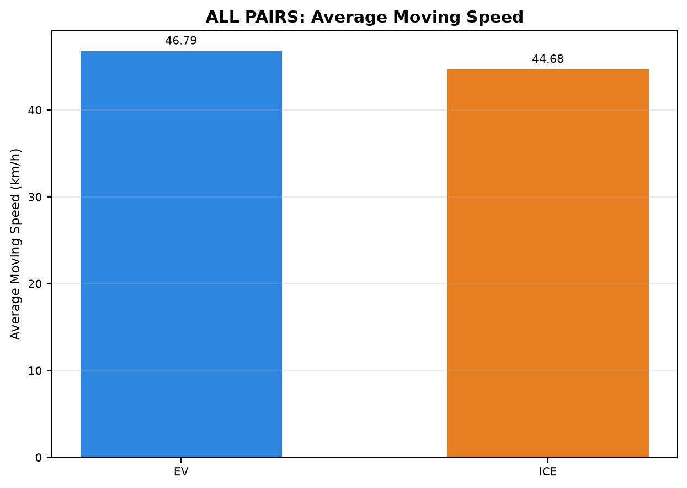
Table 2: ALL PAIRS - Phase Time Comparison (min)

Pair | Pair ID | Vehicle | Category | Route Group | Trips | CHARGING / REFUELING | STOP | IDLE | INCHING | ACC | DEC | CRUISE
1 | PAIR_001 | EV | INTERCITY | Chennai ↔ Pondicherry | Chennai to Pondicherry | 0.000 | 25.883 | 1.250 | 8.017 | 56.050 | 40.117 | 109.127
1 | PAIR_001 | ICE | INTERCITY | Chennai ↔ Pondicherry | Chennai to Pondicherry | 55.917 | 13.567 | 0.000 | 1.717 | 25.133 | 23.433 | 154.583
2 | PAIR_002 | EV | INTERCITY | Chennai ↔ Pondicherry | Chennai to Pondicherry | 0.000 | 25.883 | 0.000 | 5.933 | 52.500 | 37.575 | 87.700
2 | PAIR_002 | ICE | INTERCITY | Chennai ↔ Pondicherry | Chennai to Pondicherry | 28.267 | 3.533 | 0.000 | 1.500 | 30.467 | 23.000 | 134.383
3 | PAIR_003 | EV | INTERCITY | Chennai ↔ Pondicherry | Chennai to Pondicherry | 22.917 | 7.267 | 0.000 | 2.100 | 48.092 | 34.200 | 106.942
3 | PAIR_003 | ICE | INTERCITY | Chennai ↔ Pondicherry | Chennai to Pondicherry | 55.917 | 13.567 | 0.000 | 1.717 | 25.133 | 23.433 | 154.583
4 | PAIR_004 | EV | INTERCITY | Chennai ↔ Pondicherry | Chennai to Pondicherry | 0.000 | 29.404 | 1.770 | 8.017 | 55.217 | 38.850 | 99.633
4 | PAIR_004 | ICE | INTERCITY | Chennai ↔ Pondicherry | Chennai to Pondicherry | 59.817 | 11.267 | 0.000 | 11.600 | 38.683 | 27.133 | 120.717
5 | PAIR_005 | EV | INTERCITY | Chennai ↔ Pondicherry | Chennai to Pondicherry | 0.000 | 12.033 | 0.000 | 0.000 | 46.900 | 35.550 | 105.297
5 | PAIR_005 | ICE | INTERCITY | Chennai ↔ Pondicherry | Chennai to Pondicherry | 55.917 | 13.567 | 0.000 | 1.267 | 25.125 | 23.433 | 153.400
6 | PAIR_006 | EV | INTERCITY | Chennai ↔ Pondicherry | Pondicherry to Chennai | 0.000 | 42.536 | 0.000 | 4.100 | 52.500 | 38.055 | 104.183
6 | PAIR_006 | ICE | INTERCITY | Chennai ↔ Pondicherry | Pondicherry to Chennai | 23.883 | 13.100 | 0.000 | 1.617 | 43.733 | 34.950 | 124.332
7 | PAIR_007 | EV | INTERCITY | Chennai ↔ Pondicherry | Pondicherry to Chennai | 0.000 | 25.419 | 0.000 | 0.000 | 43.567 | 32.133 | 70.427
7 | PAIR_007 | ICE | INTERCITY | Chennai ↔ Pondicherry | Pondicherry to Chennai | 23.717 | 0.000 | 0.000 | 2.300 | 45.500 | 29.801 | 86.750
8 | PAIR_008 | EV | INTERCITY | Chennai ↔ Pondicherry | Pondicherry to Chennai | 0.000 | 21.483 | 0.083 | 1.683 | 48.817 | 35.467 | 76.362
8 | PAIR_008 | ICE | INTERCITY | Chennai ↔ Pondicherry | Pondicherry to Chennai | 23.883 | 4.100 | 0.000 | 0.350 | 35.283 | 27.017 | 89.672
9 | PAIR_009 | EV | INTERCITY | Chennai ↔ Pondicherry | Pondicherry to Chennai | 0.000 | 34.550 | 0.000 | 4.100 | 44.283 | 31.800 | 91.021
9 | PAIR_009 | ICE | INTERCITY | Chennai ↔ Pondicherry | Pondicherry to Chennai | 21.383 | 0.000 | 0.000 | 0.000 | 39.517 | 30.800 | 103.258
10 | PAIR_010 | EV | INTERCITY | Chennai ↔ Pondicherry | Pondicherry to Chennai | 0.000 | 34.497 | 0.000 | 5.267 | 54.200 | 35.345 | 93.733
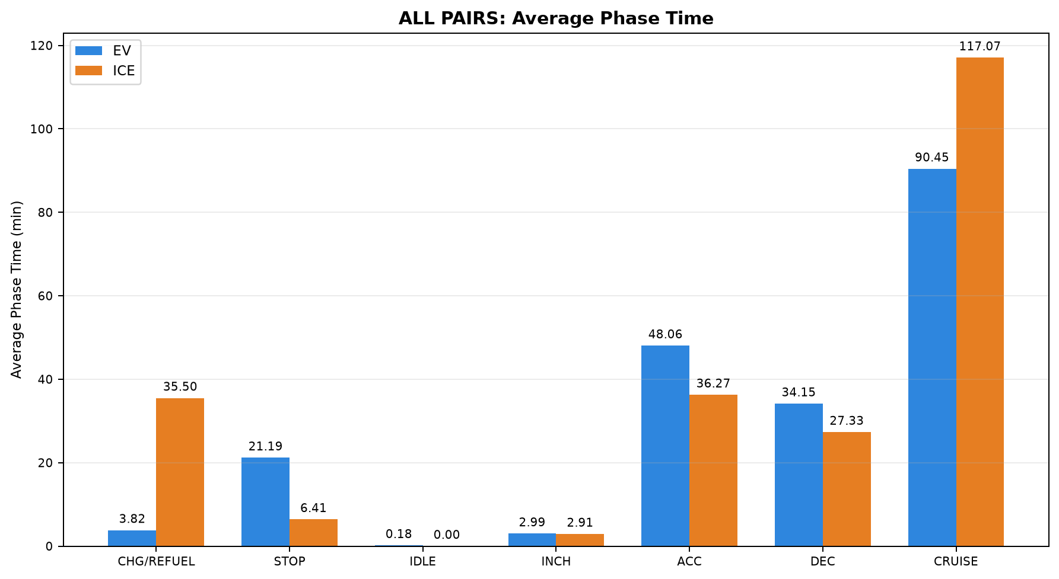
10 | PAIR_010 | ICE | INTERCITY | Chennai ↔ Pondicherry | Pondicherry to Chennai | 23.883 | 13.100 | 0.000 | 1.617 | 43.733 | 34.950 | 124.332
11 | PAIR_011 | EV | INTERCITY | Chennai ↔ Pondicherry | Chennai to Pondicherry | 22.917 | 7.267 | 0.000 | 2.100 | 43.833 | 30.750 | 98.777
11 | PAIR_011 | ICE | INTERCITY | Chennai ↔ Pondicherry | Chennai to Pondicherry | 28.267 | 3.533 | 0.000 | 1.500 | 30.467 | 23.000 | 134.383
12 | PAIR_012 | EV | INTERCITY | Chennai ↔ Pondicherry | Chennai to Pondicherry | 22.917 | 7.267 | 0.000 | 4.233 | 46.350 | 32.553 | 106.617
12 | PAIR_012 | ICE | INTERCITY | Chennai ↔ Pondicherry | Chennai to Pondicherry | 59.817 | 11.267 | 0.000 | 11.600 | 38.683 | 27.133 | 120.717
13 | PAIR_013 | EV | INTERCITY | Chennai ↔ Pondicherry | Chennai to Pondicherry | 0.000 | 8.933 | 0.000 | 0.000 | 45.238 | 34.967 | 96.978
13 | PAIR_013 | ICE | INTERCITY | Chennai ↔ Pondicherry | Chennai to Pondicherry | 28.267 | 3.533 | 0.000 | 1.500 | 30.467 | 23.000 | 134.383
14 | PAIR_014 | EV | INTERCITY | Chennai ↔ Pondicherry | Pondicherry to Chennai | 0.000 | 21.483 | 0.083 | 1.683 | 48.919 | 35.467 | 77.237
14 | PAIR_014 | ICE | INTERCITY | Chennai ↔ Pondicherry | Pondicherry to Chennai | 23.717 | 0.000 | 0.000 | 2.633 | 45.674 | 29.900 | 87.900
15 | PAIR_015 | EV | INTERCITY | Chennai ↔ Pondicherry | Pondicherry to Chennai | 0.000 | 15.217 | 0.083 | 1.350 | 41.283 | 29.133 | 52.254
15 | PAIR_015 | ICE | INTERCITY | Chennai ↔ Pondicherry | Pondicherry to Chennai | 21.383 | 0.000 | 0.000 | 0.000 | 31.650 | 23.283 | 73.194
16 | PAIR_016 | EV | INTERCITY | Chennai ↔ Pondicherry | Pondicherry to Chennai | 0.000 | 23.847 | 0.000 | 0.000 | 44.667 | 28.400 | 69.432
16 | PAIR_016 | ICE | INTERCITY | Chennai ↔ Pondicherry | Pondicherry to Chennai | 23.717 | 0.000 | 0.000 | 2.300 | 45.500 | 29.801 | 86.750
17 | PAIR_017 | EV | INTERCITY | Chennai ↔ Pondicherry | Chennai to Pondicherry | 0.000 | 8.933 | 0.000 | 0.000 | 47.050 | 35.667 | 103.752
17 | PAIR_017 | ICE | INTERCITY | Chennai ↔ Pondicherry | Chennai to Pondicherry | 59.817 | 11.267 | 0.000 | 9.247 | 38.683 | 27.133 | 120.717
18 | PAIR_018 | EV | INTERCITY | Chennai ↔ Pondicherry | Pondicherry to Chennai | 0.000 | 29.483 | 0.000 | 5.267 | 45.594 | 28.733 | 78.576
18 | PAIR_018 | ICE | INTERCITY | Chennai ↔ Pondicherry | Pondicherry to Chennai | 21.383 | 0.000 | 0.000 | 0.000 | 39.517 | 30.800 | 103.258

Table 3: ALL PAIRS - Phase Distance Comparison (km)

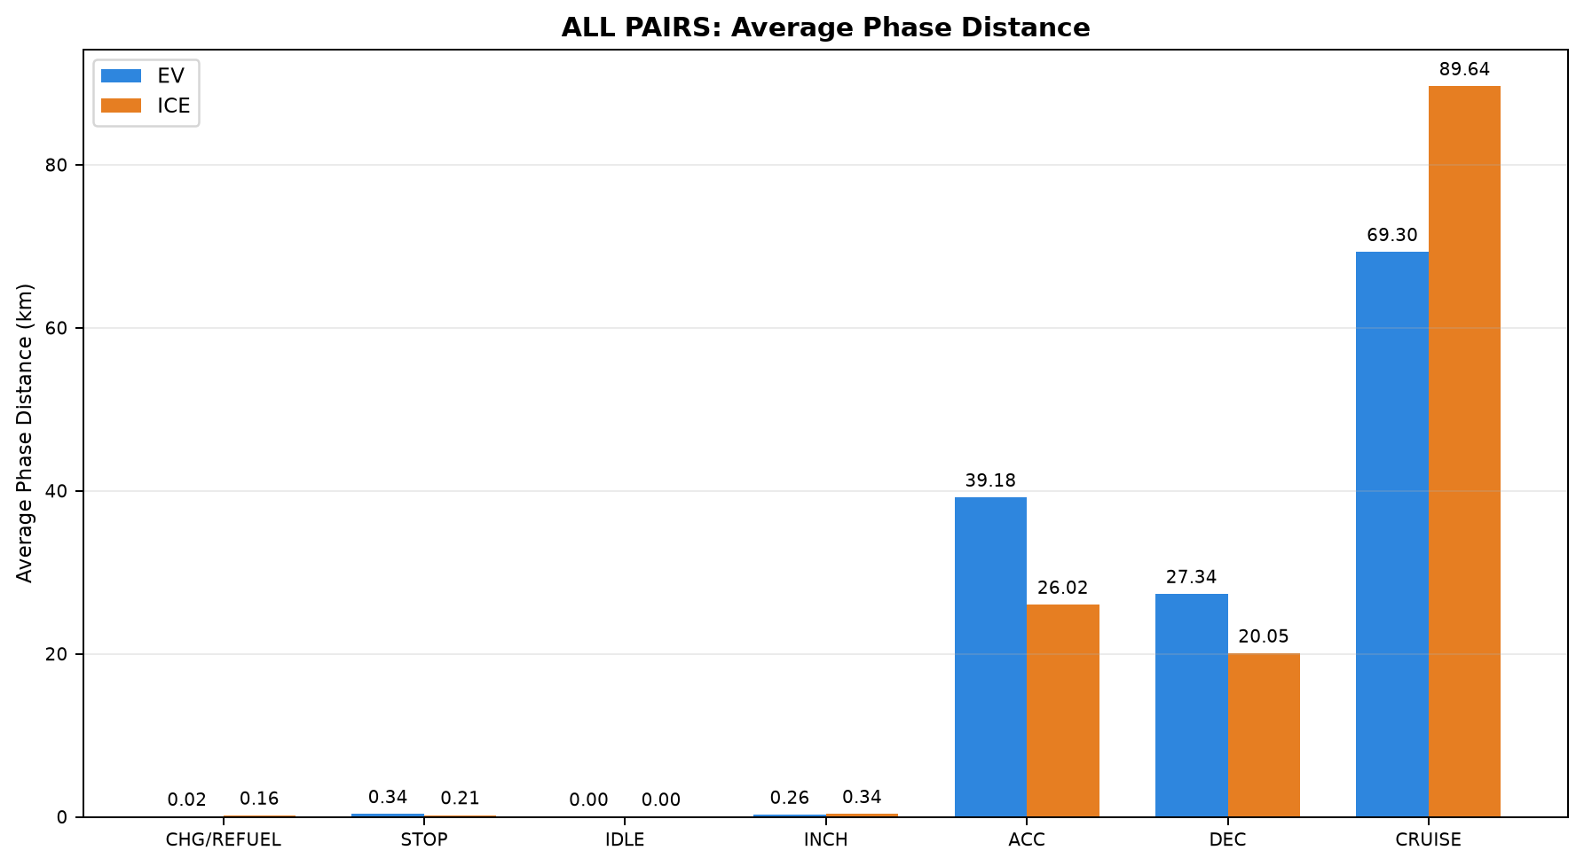
Pair | Pair ID | Vehicle | Category | Route Group | Trips | CHARGING / REFUELING | STOP | IDLE | INCHING | ACC | DEC | CRUISE
1 | PAIR_001 | EV | INTERCITY | Chennai ↔ Pondicherry | Chennai to Pondicherry | 0.000 | 0.356 | 0.000 | 0.627 | 44.917 | 31.031 | 71.268
1 | PAIR_001 | ICE | INTERCITY | Chennai ↔ Pondicherry | Chennai to Pondicherry | 0.277 | 0.563 | 0.000 | 0.576 | 16.044 | 16.780 | 113.886
2 | PAIR_002 | EV | INTERCITY | Chennai ↔ Pondicherry | Chennai to Pondicherry | 0.000 | 0.356 | 0.000 | 0.357 | 43.391 | 30.282 | 67.236
2 | PAIR_002 | ICE | INTERCITY | Chennai ↔ Pondicherry | Chennai to Pondicherry | 0.115 | 0.107 | 0.000 | 0.116 | 21.522 | 17.073 | 102.738
3 | PAIR_003 | EV | INTERCITY | Chennai ↔ Pondicherry | Chennai to Pondicherry | 0.119 | 0.264 | 0.000 | 0.205 | 38.636 | 26.863 | 82.122
3 | PAIR_003 | ICE | INTERCITY | Chennai ↔ Pondicherry | Chennai to Pondicherry | 0.277 | 0.563 | 0.000 | 0.576 | 16.044 | 16.780 | 113.911
4 | PAIR_004 | EV | INTERCITY | Chennai ↔ Pondicherry | Chennai to Pondicherry | 0.000 | 0.472 | 0.003 | 0.627 | 44.512 | 30.695 | 69.801
4 | PAIR_004 | ICE | INTERCITY | Chennai ↔ Pondicherry | Chennai to Pondicherry | 0.244 | 0.323 | 0.000 | 1.005 | 27.610 | 19.994 | 97.017
5 | PAIR_005 | EV | INTERCITY | Chennai ↔ Pondicherry | Chennai to Pondicherry | 0.000 | 0.374 | 0.000 | 0.000 | 37.607 | 27.611 | 82.215
5 | PAIR_005 | ICE | INTERCITY | Chennai ↔ Pondicherry | Chennai to Pondicherry | 0.277 | 0.563 | 0.000 | 0.466 | 16.047 | 16.780 | 113.603
6 | PAIR_006 | EV | INTERCITY | Chennai ↔ Pondicherry | Pondicherry to Chennai | 0.000 | 0.660 | 0.000 | 0.439 | 42.768 | 30.139 | 69.672
6 | PAIR_006 | ICE | INTERCITY | Chennai ↔ Pondicherry | Pondicherry to Chennai | 0.100 | 0.334 | 0.000 | 0.270 | 31.256 | 25.114 | 86.632
7 | PAIR_007 | EV | INTERCITY | Chennai ↔ Pondicherry | Pondicherry to Chennai | 0.000 | 0.325 | 0.000 | 0.000 | 38.515 | 27.330 | 60.333
7 | PAIR_007 | ICE | INTERCITY | Chennai ↔ Pondicherry | Pondicherry to Chennai | 0.117 | 0.000 | 0.000 | 0.212 | 34.125 | 22.735 | 69.262
8 | PAIR_008 | EV | INTERCITY | Chennai ↔ Pondicherry | Pondicherry to Chennai | 0.000 | 0.238 | 0.000 | 0.301 | 38.829 | 27.958 | 59.279
8 | PAIR_008 | ICE | INTERCITY | Chennai ↔ Pondicherry | Pondicherry to Chennai | 0.100 | 0.114 | 0.000 | 0.167 | 26.658 | 21.580 | 77.945
9 | PAIR_009 | EV | INTERCITY | Chennai ↔ Pondicherry | Pondicherry to Chennai | 0.000 | 0.484 | 0.000 | 0.439 | 35.860 | 25.300 | 61.835
9 | PAIR_009 | ICE | INTERCITY | Chennai ↔ Pondicherry | Pondicherry to Chennai | 0.109 | 0.000 | 0.000 | 0.000 | 28.521 | 21.134 | 74.178
10 | PAIR_010 | EV | INTERCITY | Chennai ↔ Pondicherry | Pondicherry to Chennai | 0.000 | 0.522 | 0.000 | 0.355 | 43.321 | 28.545 | 70.973
10 | PAIR_010 | ICE | INTERCITY | Chennai ↔ Pondicherry | Pondicherry to Chennai | 0.100 | 0.334 | 0.000 | 0.270 | 31.255 | 25.114 | 86.631
11 | PAIR_011 | EV | INTERCITY | Chennai ↔ Pondicherry | Chennai to Pondicherry | 0.119 | 0.264 | 0.000 | 0.205 | 36.808 | 25.368 | 78.835
11 | PAIR_011 | ICE | INTERCITY | Chennai ↔ Pondicherry | Chennai to Pondicherry | 0.115 | 0.107 | 0.000 | 0.116 | 21.520 | 17.070 | 102.738
12 | PAIR_012 | EV | INTERCITY | Chennai ↔ Pondicherry | Chennai to Pondicherry | 0.119 | 0.264 | 0.000 | 0.274 | 38.075 | 26.212 | 81.174
12 | PAIR_012 | ICE | INTERCITY | Chennai ↔ Pondicherry | Chennai to Pondicherry | 0.249 | 0.323 | 0.000 | 1.033 | 27.610 | 19.994 | 97.017
13 | PAIR_013 | EV | INTERCITY | Chennai ↔ Pondicherry | Chennai to Pondicherry | 0.000 | 0.259 | 0.000 | 0.000 | 36.811 | 27.293 | 77.354
13 | PAIR_013 | ICE | INTERCITY | Chennai ↔ Pondicherry | Chennai to Pondicherry | 0.115 | 0.107 | 0.000 | 0.116 | 21.563 | 17.074 | 102.738
14 | PAIR_014 | EV | INTERCITY | Chennai ↔ Pondicherry | Pondicherry to Chennai | 0.000 | 0.238 | 0.000 | 0.301 | 38.901 | 27.958 | 59.399
14 | PAIR_014 | ICE | INTERCITY | Chennai ↔ Pondicherry | Pondicherry to Chennai | 0.117 | 0.000 | 0.000 | 0.227 | 34.237 | 22.792 | 69.394
15 | PAIR_015 | EV | INTERCITY | Chennai ↔ Pondicherry | Pondicherry to Chennai | 0.000 | 0.112 | 0.000 | 0.187 | 33.311 | 23.763 | 49.378
15 | PAIR_015 | ICE | INTERCITY | Chennai ↔ Pondicherry | Pondicherry to Chennai | 0.109 | 0.000 | 0.000 | 0.000 | 24.164 | 17.084 | 65.373
16 | PAIR_016 | EV | INTERCITY | Chennai ↔ Pondicherry | Pondicherry to Chennai | 0.000 | 0.193 | 0.000 | 0.000 | 38.022 | 24.688 | 63.609
16 | PAIR_016 | ICE | INTERCITY | Chennai ↔ Pondicherry | Pondicherry to Chennai | 0.117 | 0.000 | 0.000 | 0.212 | 34.125 | 22.747 | 69.260
17 | PAIR_017 | EV | INTERCITY | Chennai ↔ Pondicherry | Chennai to Pondicherry | 0.000 | 0.259 | 0.000 | 0.000 | 37.714 | 27.743 | 80.190
17 | PAIR_017 | ICE | INTERCITY | Chennai ↔ Pondicherry | Chennai to Pondicherry | 0.226 | 0.323 | 0.000 | 0.824 | 27.610 | 19.994 | 97.017
18 | PAIR_018 | EV | INTERCITY | Chennai ↔ Pondicherry | Pondicherry to Chennai | 0.000 | 0.430 | 0.000 | 0.355 | 37.168 | 23.384 | 62.656
18 | PAIR_018 | ICE | INTERCITY | Chennai ↔ Pondicherry | Pondicherry to Chennai | 0.109 | 0.000 | 0.000 | 0.000 | 28.521 | 21.134 | 74.217

02_INTERCITY
Table 1: INTERCITY - EV vs ICE Trip Summary


Pair | Pair ID | Pair Class | Category | Route Group | Trips | EV Date | ICE Date | EV Distance (km) | ICE Distance (km) | EV TAT (min) | ICE TAT (min) | EV Start Time | EV End Time | ICE Start Time | ICE End Time | EV Moving Avg Speed (km/h) | ICE Moving Avg Speed (km/h)
1 | PAIR_001 | STRICT | INTERCITY | Chennai ↔ Pondicherry | Chennai to Pondicherry | 15-07-2026 | 15-07-2026 | 148.199 | 148.125 | 240.444 | 274.350 | 09:22:41 | 13:23:07 | 11:20:23 | 15:54:44 | 41.585 | 43.136
2 | PAIR_002 | NONSTRICT | INTERCITY | Chennai ↔ Pondicherry | Chennai to Pondicherry | 15-07-2026 | 17-07-2026 | 141.622 | 141.671 | 209.592 | 221.150 | 09:56:19 | 13:25:55 | 11:43:51 | 15:25:00 | 46.138 | 44.822
3 | PAIR_003 | NONSTRICT | INTERCITY | Chennai ↔ Pondicherry | Chennai to Pondicherry | 17-07-2026 | 15-07-2026 | 148.208 | 148.150 | 221.517 | 274.350 | 07:51:32 | 11:33:03 | 11:20:23 | 15:54:44 | 46.356 | 43.143
4 | PAIR_004 | NONSTRICT | INTERCITY | Chennai ↔ Pondicherry | Chennai to Pondicherry | 15-07-2026 | 19-07-2026 | 146.110 | 146.194 | 232.892 | 269.217 | 09:38:15 | 13:31:09 | 11:08:45 | 15:37:58 | 43.319 | 44.100
5 | PAIR_005 | NONSTRICT | INTERCITY | Chennai ↔ Pondicherry | Chennai to Pondicherry | 19-07-2026 | 15-07-2026 | 147.806 | 147.735 | 199.780 | 272.709 | 09:10:36 | 12:30:22 | 11:22:01 | 15:54:44 | 47.116 | 43.369
6 | PAIR_006 | STRICT | INTERCITY | Chennai ↔ Pondicherry | Pondicherry to Chennai | 16-07-2026 | 16-07-2026 | 143.678 | 143.706 | 241.374 | 241.616 | 14:16:16 | 18:17:39 | 16:37:54 | 20:39:30 | 43.156 | 42.009
7 | PAIR_007 | NONSTRICT | INTERCITY | Chennai ↔ Pondicherry | Pondicherry to Chennai | 16-07-2026 | 18-07-2026 | 126.503 | 126.450 | 171.546 | 188.067 | 14:16:16 | 17:07:49 | 16:20:34 | 19:28:38 | 51.809 | 46.121
8 | PAIR_008 | NONSTRICT | INTERCITY | Chennai ↔ Pondicherry | Pondicherry to Chennai | 18-07-2026 | 16-07-2026 | 126.605 | 126.564 | 183.896 | 180.306 | 14:14:38 | 17:18:32 | 16:37:54 | 19:38:12 | 46.708 | 49.770
9 | PAIR_009 | NONSTRICT | INTERCITY | Chennai ↔ Pondicherry | Pondicherry to Chennai | 16-07-2026 | 20-07-2026 | 123.919 | 123.942 | 205.754 | 194.958 | 14:52:08 | 18:17:53 | 16:56:44 | 20:11:41 | 43.259 | 42.806
10 | PAIR_010 | NONSTRICT | INTERCITY | Chennai ↔ Pondicherry | Pondicherry to Chennai | 20-07-2026 | 16-07-2026 | 143.716 | 143.703 | 223.042 | 241.616 | 14:14:55 | 17:57:57 | 16:37:54 | 20:39:30 | 45.568 | 42.008
11 | PAIR_011 | STRICT | INTERCITY | Chennai ↔ Pondicherry | Chennai to Pondicherry | 17-07-2026 | 17-07-2026 | 141.599 | 141.666 | 205.643 | 221.150 | 08:09:07 | 11:34:46 | 11:43:51 | 15:25:00 | 48.290 | 44.820
12 | PAIR_012 | NONSTRICT | INTERCITY | Chennai ↔ Pondicherry | Chennai to Pondicherry | 17-07-2026 | 19-07-2026 | 146.118 | 146.227 | 219.937 | 269.217 | 07:59:53 | 11:39:50 | 11:08:45 | 15:37:58 | 46.081 | 44.108
13 | PAIR_013 | NONSTRICT | INTERCITY | Chennai ↔ Pondicherry | Chennai to Pondicherry | 19-07-2026 | 17-07-2026 | 141.718 | 141.714 | 186.116 | 221.150 | 09:26:56 | 12:33:03 | 11:43:51 | 15:25:00 | 47.903 | 44.835
14 | PAIR_014 | STRICT | INTERCITY | Chennai ↔ Pondicherry | Pondicherry to Chennai | 18-07-2026 | 18-07-2026 | 126.797 | 126.768 | 184.873 | 189.824 | 14:14:38 | 17:19:31 | 16:20:34 | 19:30:23 | 46.499 | 45.748
15 | PAIR_015 | NONSTRICT | INTERCITY | Chennai ↔ Pondicherry | Pondicherry to Chennai | 18-07-2026 | 20-07-2026 | 106.751 | 106.730 | 139.321 | 149.511 | 14:59:13 | 17:18:32 | 16:56:44 | 19:26:14 | 51.591 | 49.929
16 | PAIR_016 | NONSTRICT | INTERCITY | Chennai ↔ Pondicherry | Pondicherry to Chennai | 20-07-2026 | 18-07-2026 | 126.511 | 126.461 | 166.345 | 188.067 | 14:14:55 | 17:01:15 | 16:20:34 | 19:28:38 | 53.187 | 46.125
17 | PAIR_017 | STRICT | INTERCITY | Chennai ↔ Pondicherry | Chennai to Pondicherry | 19-07-2026 | 19-07-2026 | 145.906 | 145.994 | 195.402 | 266.863 | 09:18:36 | 12:34:01 | 11:08:45 | 15:35:36 | 46.865 | 44.574
18 | PAIR_018 | STRICT | INTERCITY | Chennai ↔ Pondicherry | Pondicherry to Chennai | 20-07-2026 | 20-07-2026 | 123.993 | 123.980 | 187.653 | 194.958 | 14:51:18 | 17:58:57 | 16:56:44 | 20:11:41 | 46.872 | 42.819


Table 2: INTERCITY - Phase Time Comparison (min)

Pair | Pair ID | Vehicle | Category | Route Group | Trips | CHARGING / REFUELING | STOP | IDLE | INCHING | ACC | DEC | CRUISE
1 | PAIR_001 | EV | INTERCITY | Chennai ↔ Pondicherry | Chennai to Pondicherry | 0.000 | 25.883 | 1.250 | 8.017 | 56.050 | 40.117 | 109.127
1 | PAIR_001 | ICE | INTERCITY | Chennai ↔ Pondicherry | Chennai to Pondicherry | 55.917 | 13.567 | 0.000 | 1.717 | 25.133 | 23.433 | 154.583
2 | PAIR_002 | EV | INTERCITY | Chennai ↔ Pondicherry | Chennai to Pondicherry | 0.000 | 25.883 | 0.000 | 5.933 | 52.500 | 37.575 | 87.700
2 | PAIR_002 | ICE | INTERCITY | Chennai ↔ Pondicherry | Chennai to Pondicherry | 28.267 | 3.533 | 0.000 | 1.500 | 30.467 | 23.000 | 134.383
3 | PAIR_003 | EV | INTERCITY | Chennai ↔ Pondicherry | Chennai to Pondicherry | 22.917 | 7.267 | 0.000 | 2.100 | 48.092 | 34.200 | 106.942
3 | PAIR_003 | ICE | INTERCITY | Chennai ↔ Pondicherry | Chennai to Pondicherry | 55.917 | 13.567 | 0.000 | 1.717 | 25.133 | 23.433 | 154.583
4 | PAIR_004 | EV | INTERCITY | Chennai ↔ Pondicherry | Chennai to Pondicherry | 0.000 | 29.404 | 1.770 | 8.017 | 55.217 | 38.850 | 99.633
4 | PAIR_004 | ICE | INTERCITY | Chennai ↔ Pondicherry | Chennai to Pondicherry | 59.817 | 11.267 | 0.000 | 11.600 | 38.683 | 27.133 | 120.717
5 | PAIR_005 | EV | INTERCITY | Chennai ↔ Pondicherry | Chennai to Pondicherry | 0.000 | 12.033 | 0.000 | 0.000 | 46.900 | 35.550 | 105.297
5 | PAIR_005 | ICE | INTERCITY | Chennai ↔ Pondicherry | Chennai to Pondicherry | 55.917 | 13.567 | 0.000 | 1.267 | 25.125 | 23.433 | 153.400
6 | PAIR_006 | EV | INTERCITY | Chennai ↔ Pondicherry | Pondicherry to Chennai | 0.000 | 42.536 | 0.000 | 4.100 | 52.500 | 38.055 | 104.183
6 | PAIR_006 | ICE | INTERCITY | Chennai ↔ Pondicherry | Pondicherry to Chennai | 23.883 | 13.100 | 0.000 | 1.617 | 43.733 | 34.950 | 124.332
7 | PAIR_007 | EV | INTERCITY | Chennai ↔ Pondicherry | Pondicherry to Chennai | 0.000 | 25.419 | 0.000 | 0.000 | 43.567 | 32.133 | 70.427
7 | PAIR_007 | ICE | INTERCITY | Chennai ↔ Pondicherry | Pondicherry to Chennai | 23.717 | 0.000 | 0.000 | 2.300 | 45.500 | 29.801 | 86.750
8 | PAIR_008 | EV | INTERCITY | Chennai ↔ Pondicherry | Pondicherry to Chennai | 0.000 | 21.483 | 0.083 | 1.683 | 48.817 | 35.467 | 76.362
8 | PAIR_008 | ICE | INTERCITY | Chennai ↔ Pondicherry | Pondicherry to Chennai | 23.883 | 4.100 | 0.000 | 0.350 | 35.283 | 27.017 | 89.672
9 | PAIR_009 | EV | INTERCITY | Chennai ↔ Pondicherry | Pondicherry to Chennai | 0.000 | 34.550 | 0.000 | 4.100 | 44.283 | 31.800 | 91.021
9 | PAIR_009 | ICE | INTERCITY | Chennai ↔ Pondicherry | Pondicherry to Chennai | 21.383 | 0.000 | 0.000 | 0.000 | 39.517 | 30.800 | 103.258
10 | PAIR_010 | EV | INTERCITY | Chennai ↔ Pondicherry | Pondicherry to Chennai | 0.000 | 34.497 | 0.000 | 5.267 | 54.200 | 35.345 | 93.733
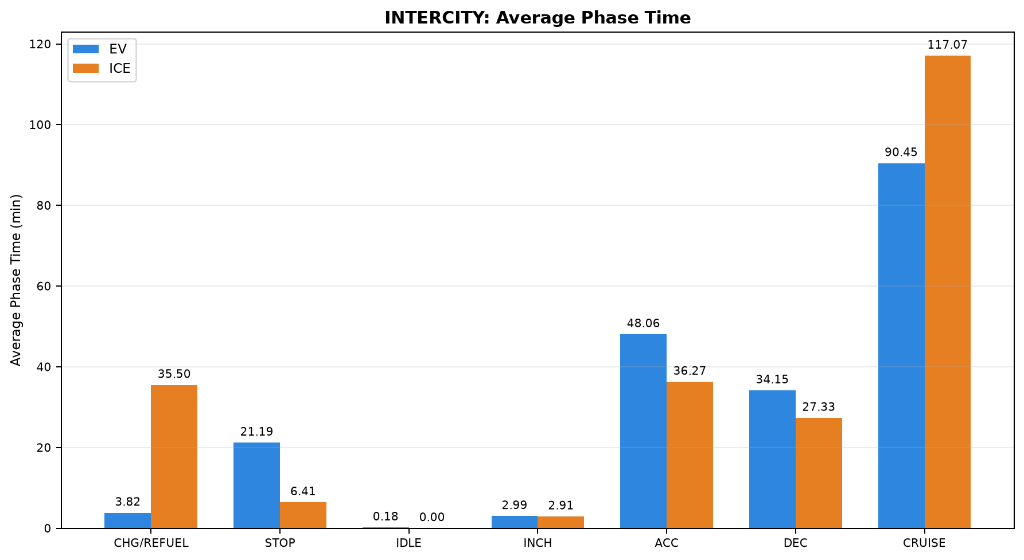
10 | PAIR_010 | ICE | INTERCITY | Chennai ↔ Pondicherry | Pondicherry to Chennai | 23.883 | 13.100 | 0.000 | 1.617 | 43.733 | 34.950 | 124.332
11 | PAIR_011 | EV | INTERCITY | Chennai ↔ Pondicherry | Chennai to Pondicherry | 22.917 | 7.267 | 0.000 | 2.100 | 43.833 | 30.750 | 98.777
11 | PAIR_011 | ICE | INTERCITY | Chennai ↔ Pondicherry | Chennai to Pondicherry | 28.267 | 3.533 | 0.000 | 1.500 | 30.467 | 23.000 | 134.383
12 | PAIR_012 | EV | INTERCITY | Chennai ↔ Pondicherry | Chennai to Pondicherry | 22.917 | 7.267 | 0.000 | 4.233 | 46.350 | 32.553 | 106.617
12 | PAIR_012 | ICE | INTERCITY | Chennai ↔ Pondicherry | Chennai to Pondicherry | 59.817 | 11.267 | 0.000 | 11.600 | 38.683 | 27.133 | 120.717
13 | PAIR_013 | EV | INTERCITY | Chennai ↔ Pondicherry | Chennai to Pondicherry | 0.000 | 8.933 | 0.000 | 0.000 | 45.238 | 34.967 | 96.978
13 | PAIR_013 | ICE | INTERCITY | Chennai ↔ Pondicherry | Chennai to Pondicherry | 28.267 | 3.533 | 0.000 | 1.500 | 30.467 | 23.000 | 134.383
14 | PAIR_014 | EV | INTERCITY | Chennai ↔ Pondicherry | Pondicherry to Chennai | 0.000 | 21.483 | 0.083 | 1.683 | 48.919 | 35.467 | 77.237
14 | PAIR_014 | ICE | INTERCITY | Chennai ↔ Pondicherry | Pondicherry to Chennai | 23.717 | 0.000 | 0.000 | 2.633 | 45.674 | 29.900 | 87.900
15 | PAIR_015 | EV | INTERCITY | Chennai ↔ Pondicherry | Pondicherry to Chennai | 0.000 | 15.217 | 0.083 | 1.350 | 41.283 | 29.133 | 52.254
15 | PAIR_015 | ICE | INTERCITY | Chennai ↔ Pondicherry | Pondicherry to Chennai | 21.383 | 0.000 | 0.000 | 0.000 | 31.650 | 23.283 | 73.194
16 | PAIR_016 | EV | INTERCITY | Chennai ↔ Pondicherry | Pondicherry to Chennai | 0.000 | 23.847 | 0.000 | 0.000 | 44.667 | 28.400 | 69.432
16 | PAIR_016 | ICE | INTERCITY | Chennai ↔ Pondicherry | Pondicherry to Chennai | 23.717 | 0.000 | 0.000 | 2.300 | 45.500 | 29.801 | 86.750
17 | PAIR_017 | EV | INTERCITY | Chennai ↔ Pondicherry | Chennai to Pondicherry | 0.000 | 8.933 | 0.000 | 0.000 | 47.050 | 35.667 | 103.752
17 | PAIR_017 | ICE | INTERCITY | Chennai ↔ Pondicherry | Chennai to Pondicherry | 59.817 | 11.267 | 0.000 | 9.247 | 38.683 | 27.133 | 120.717
18 | PAIR_018 | EV | INTERCITY | Chennai ↔ Pondicherry | Pondicherry to Chennai | 0.000 | 29.483 | 0.000 | 5.267 | 45.594 | 28.733 | 78.576
18 | PAIR_018 | ICE | INTERCITY | Chennai ↔ Pondicherry | Pondicherry to Chennai | 21.383 | 0.000 | 0.000 | 0.000 | 39.517 | 30.800 | 103.258

Table 3: INTERCITY - Phase Distance Comparison (km)

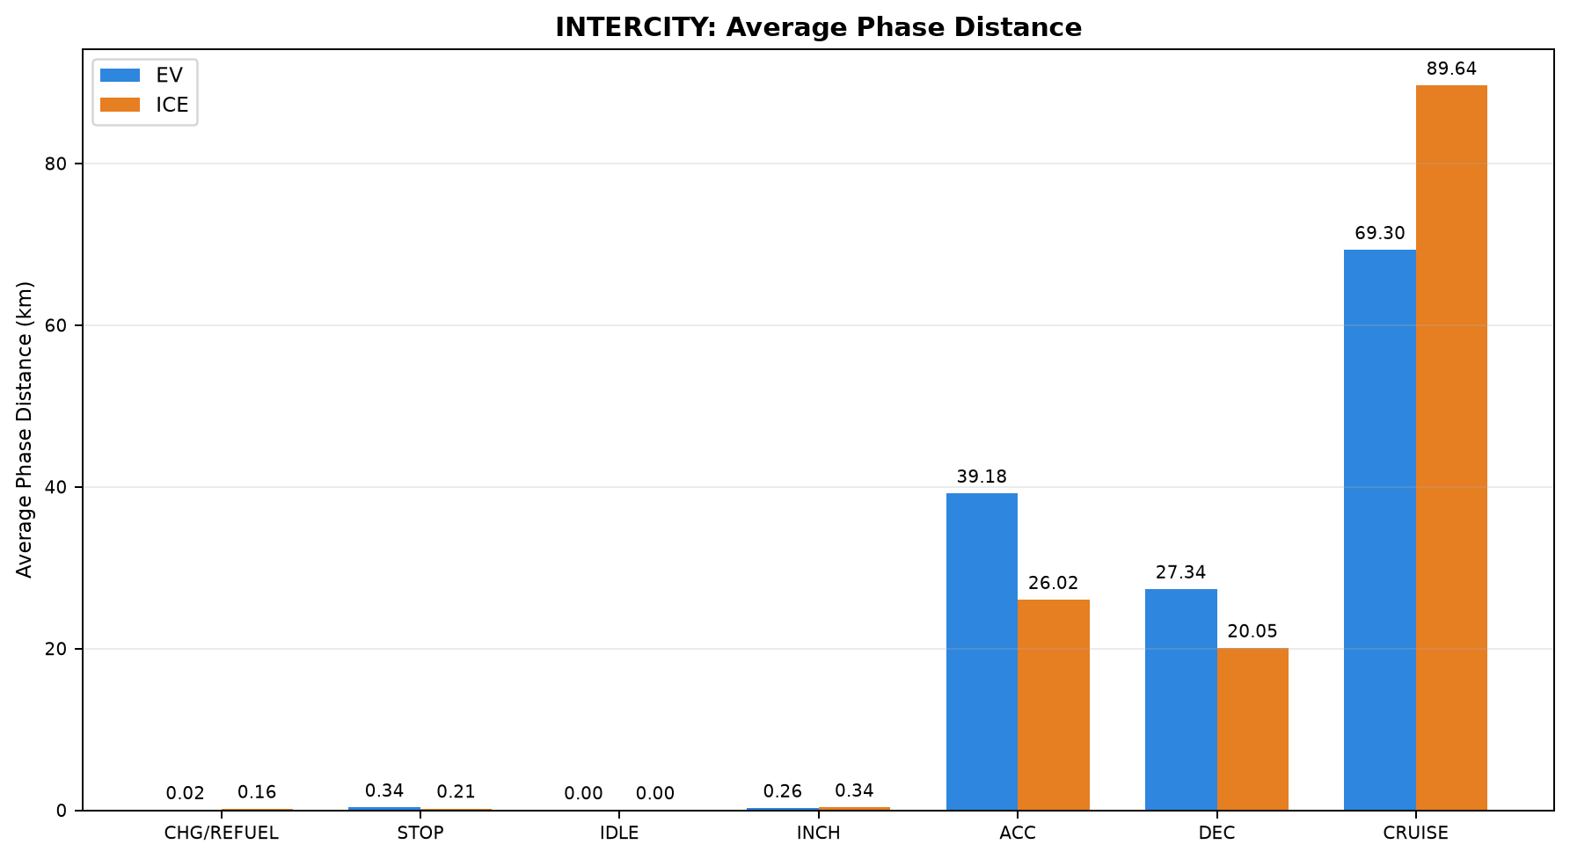
Pair | Pair ID | Vehicle | Category | Route Group | Trips | CHARGING / REFUELING | STOP | IDLE | INCHING | ACC | DEC | CRUISE
1 | PAIR_001 | EV | INTERCITY | Chennai ↔ Pondicherry | Chennai to Pondicherry | 0.000 | 0.356 | 0.000 | 0.627 | 44.917 | 31.031 | 71.268
1 | PAIR_001 | ICE | INTERCITY | Chennai ↔ Pondicherry | Chennai to Pondicherry | 0.277 | 0.563 | 0.000 | 0.576 | 16.044 | 16.780 | 113.886
2 | PAIR_002 | EV | INTERCITY | Chennai ↔ Pondicherry | Chennai to Pondicherry | 0.000 | 0.356 | 0.000 | 0.357 | 43.391 | 30.282 | 67.236
2 | PAIR_002 | ICE | INTERCITY | Chennai ↔ Pondicherry | Chennai to Pondicherry | 0.115 | 0.107 | 0.000 | 0.116 | 21.522 | 17.073 | 102.738
3 | PAIR_003 | EV | INTERCITY | Chennai ↔ Pondicherry | Chennai to Pondicherry | 0.119 | 0.264 | 0.000 | 0.205 | 38.636 | 26.863 | 82.122
3 | PAIR_003 | ICE | INTERCITY | Chennai ↔ Pondicherry | Chennai to Pondicherry | 0.277 | 0.563 | 0.000 | 0.576 | 16.044 | 16.780 | 113.911
4 | PAIR_004 | EV | INTERCITY | Chennai ↔ Pondicherry | Chennai to Pondicherry | 0.000 | 0.472 | 0.003 | 0.627 | 44.512 | 30.695 | 69.801
4 | PAIR_004 | ICE | INTERCITY | Chennai ↔ Pondicherry | Chennai to Pondicherry | 0.244 | 0.323 | 0.000 | 1.005 | 27.610 | 19.994 | 97.017
5 | PAIR_005 | EV | INTERCITY | Chennai ↔ Pondicherry | Chennai to Pondicherry | 0.000 | 0.374 | 0.000 | 0.000 | 37.607 | 27.611 | 82.215
5 | PAIR_005 | ICE | INTERCITY | Chennai ↔ Pondicherry | Chennai to Pondicherry | 0.277 | 0.563 | 0.000 | 0.466 | 16.047 | 16.780 | 113.603
6 | PAIR_006 | EV | INTERCITY | Chennai ↔ Pondicherry | Pondicherry to Chennai | 0.000 | 0.660 | 0.000 | 0.439 | 42.768 | 30.139 | 69.672
6 | PAIR_006 | ICE | INTERCITY | Chennai ↔ Pondicherry | Pondicherry to Chennai | 0.100 | 0.334 | 0.000 | 0.270 | 31.256 | 25.114 | 86.632
7 | PAIR_007 | EV | INTERCITY | Chennai ↔ Pondicherry | Pondicherry to Chennai | 0.000 | 0.325 | 0.000 | 0.000 | 38.515 | 27.330 | 60.333
7 | PAIR_007 | ICE | INTERCITY | Chennai ↔ Pondicherry | Pondicherry to Chennai | 0.117 | 0.000 | 0.000 | 0.212 | 34.125 | 22.735 | 69.262
8 | PAIR_008 | EV | INTERCITY | Chennai ↔ Pondicherry | Pondicherry to Chennai | 0.000 | 0.238 | 0.000 | 0.301 | 38.829 | 27.958 | 59.279
8 | PAIR_008 | ICE | INTERCITY | Chennai ↔ Pondicherry | Pondicherry to Chennai | 0.100 | 0.114 | 0.000 | 0.167 | 26.658 | 21.580 | 77.945
9 | PAIR_009 | EV | INTERCITY | Chennai ↔ Pondicherry | Pondicherry to Chennai | 0.000 | 0.484 | 0.000 | 0.439 | 35.860 | 25.300 | 61.835
9 | PAIR_009 | ICE | INTERCITY | Chennai ↔ Pondicherry | Pondicherry to Chennai | 0.109 | 0.000 | 0.000 | 0.000 | 28.521 | 21.134 | 74.178
10 | PAIR_010 | EV | INTERCITY | Chennai ↔ Pondicherry | Pondicherry to Chennai | 0.000 | 0.522 | 0.000 | 0.355 | 43.321 | 28.545 | 70.973
10 | PAIR_010 | ICE | INTERCITY | Chennai ↔ Pondicherry | Pondicherry to Chennai | 0.100 | 0.334 | 0.000 | 0.270 | 31.255 | 25.114 | 86.631
11 | PAIR_011 | EV | INTERCITY | Chennai ↔ Pondicherry | Chennai to Pondicherry | 0.119 | 0.264 | 0.000 | 0.205 | 36.808 | 25.368 | 78.835
11 | PAIR_011 | ICE | INTERCITY | Chennai ↔ Pondicherry | Chennai to Pondicherry | 0.115 | 0.107 | 0.000 | 0.116 | 21.520 | 17.070 | 102.738
12 | PAIR_012 | EV | INTERCITY | Chennai ↔ Pondicherry | Chennai to Pondicherry | 0.119 | 0.264 | 0.000 | 0.274 | 38.075 | 26.212 | 81.174
12 | PAIR_012 | ICE | INTERCITY | Chennai ↔ Pondicherry | Chennai to Pondicherry | 0.249 | 0.323 | 0.000 | 1.033 | 27.610 | 19.994 | 97.017
13 | PAIR_013 | EV | INTERCITY | Chennai ↔ Pondicherry | Chennai to Pondicherry | 0.000 | 0.259 | 0.000 | 0.000 | 36.811 | 27.293 | 77.354
13 | PAIR_013 | ICE | INTERCITY | Chennai ↔ Pondicherry | Chennai to Pondicherry | 0.115 | 0.107 | 0.000 | 0.116 | 21.563 | 17.074 | 102.738
14 | PAIR_014 | EV | INTERCITY | Chennai ↔ Pondicherry | Pondicherry to Chennai | 0.000 | 0.238 | 0.000 | 0.301 | 38.901 | 27.958 | 59.399
14 | PAIR_014 | ICE | INTERCITY | Chennai ↔ Pondicherry | Pondicherry to Chennai | 0.117 | 0.000 | 0.000 | 0.227 | 34.237 | 22.792 | 69.394
15 | PAIR_015 | EV | INTERCITY | Chennai ↔ Pondicherry | Pondicherry to Chennai | 0.000 | 0.112 | 0.000 | 0.187 | 33.311 | 23.763 | 49.378
15 | PAIR_015 | ICE | INTERCITY | Chennai ↔ Pondicherry | Pondicherry to Chennai | 0.109 | 0.000 | 0.000 | 0.000 | 24.164 | 17.084 | 65.373
16 | PAIR_016 | EV | INTERCITY | Chennai ↔ Pondicherry | Pondicherry to Chennai | 0.000 | 0.193 | 0.000 | 0.000 | 38.022 | 24.688 | 63.609
16 | PAIR_016 | ICE | INTERCITY | Chennai ↔ Pondicherry | Pondicherry to Chennai | 0.117 | 0.000 | 0.000 | 0.212 | 34.125 | 22.747 | 69.260
17 | PAIR_017 | EV | INTERCITY | Chennai ↔ Pondicherry | Chennai to Pondicherry | 0.000 | 0.259 | 0.000 | 0.000 | 37.714 | 27.743 | 80.190
17 | PAIR_017 | ICE | INTERCITY | Chennai ↔ Pondicherry | Chennai to Pondicherry | 0.226 | 0.323 | 0.000 | 0.824 | 27.610 | 19.994 | 97.017
18 | PAIR_018 | EV | INTERCITY | Chennai ↔ Pondicherry | Pondicherry to Chennai | 0.000 | 0.430 | 0.000 | 0.355 | 37.168 | 23.384 | 62.656
18 | PAIR_018 | ICE | INTERCITY | Chennai ↔ Pondicherry | Pondicherry to Chennai | 0.109 | 0.000 | 0.000 | 0.000 | 28.521 | 21.134 | 74.217

03_Same_Day_All
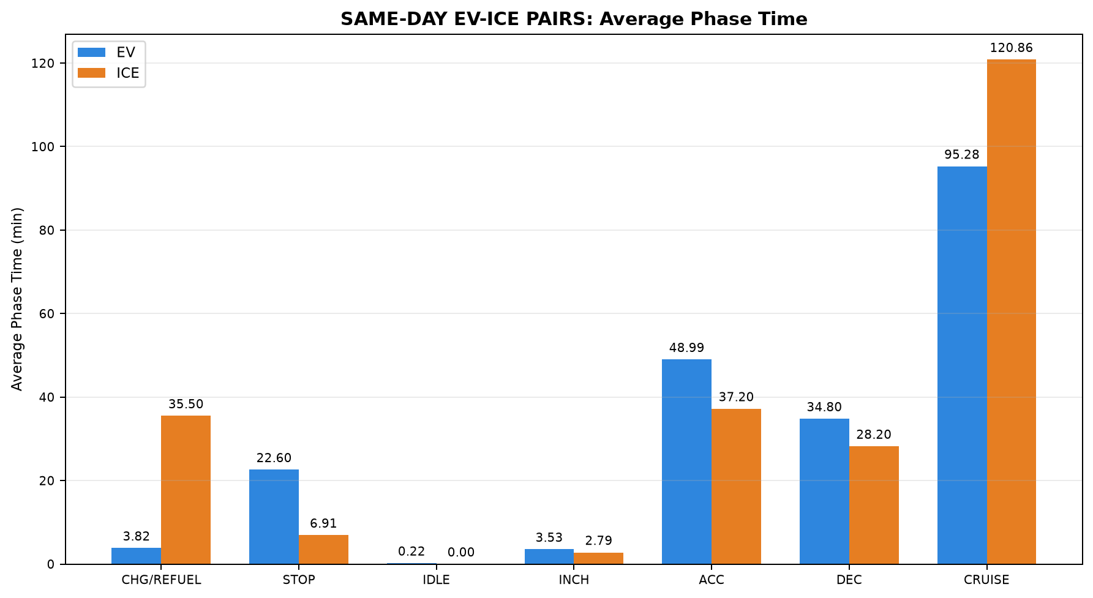
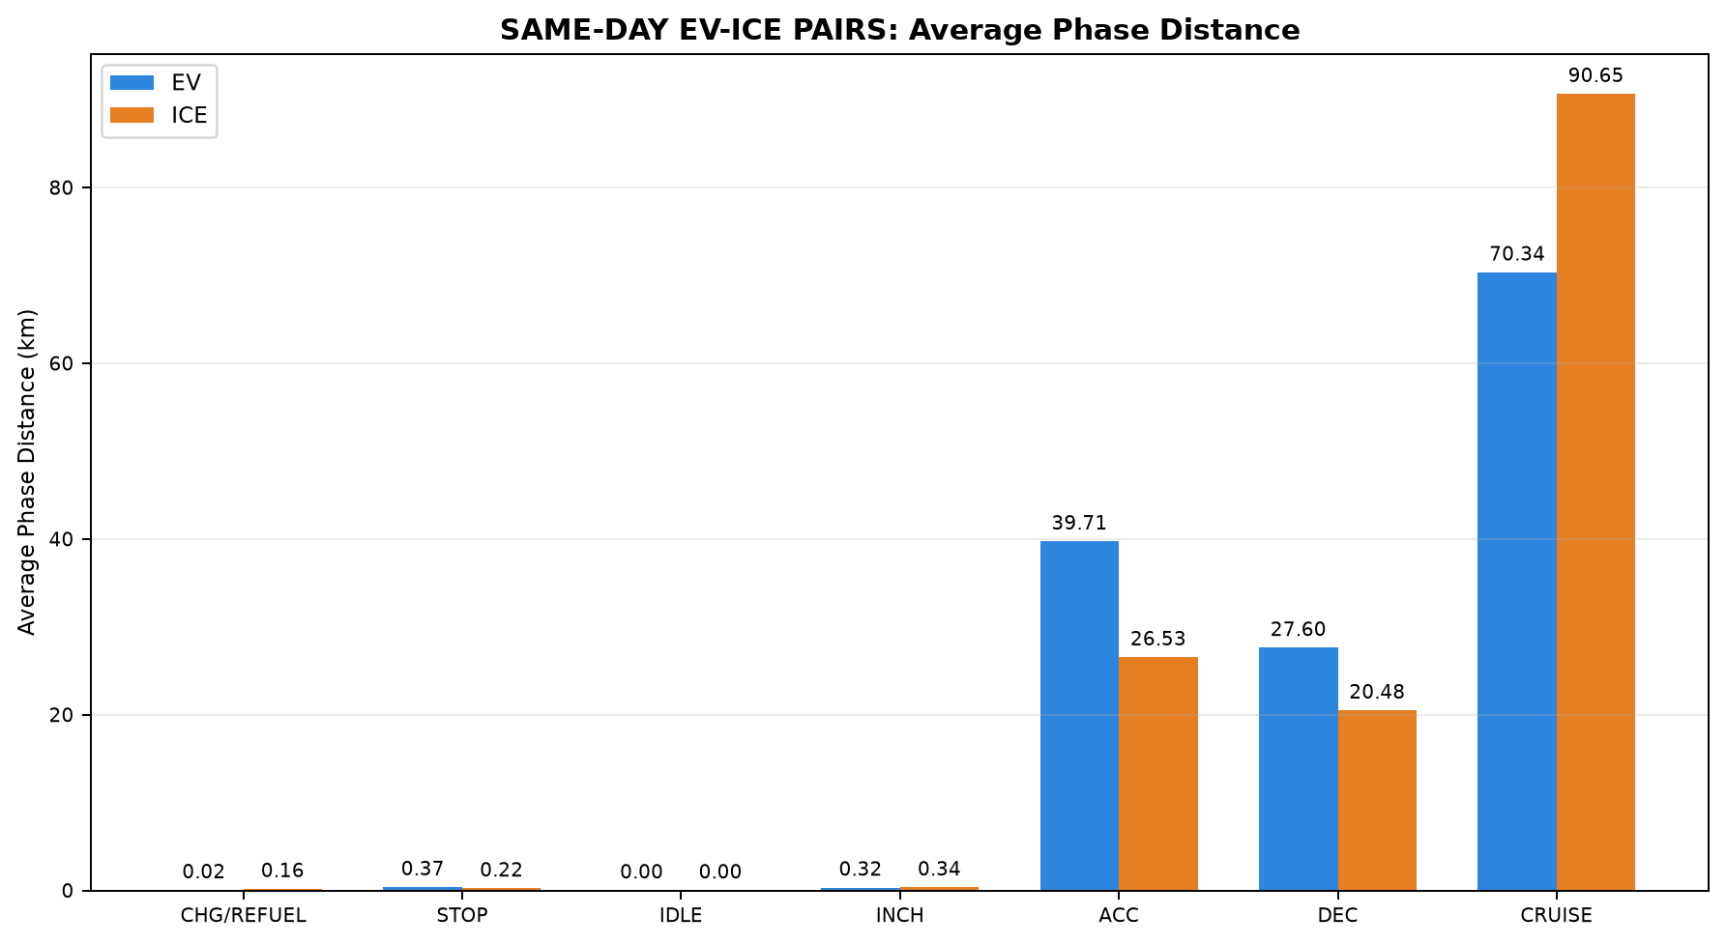
Table 1: SAME-DAY EV-ICE PAIRS - EV vs ICE Trip Summary
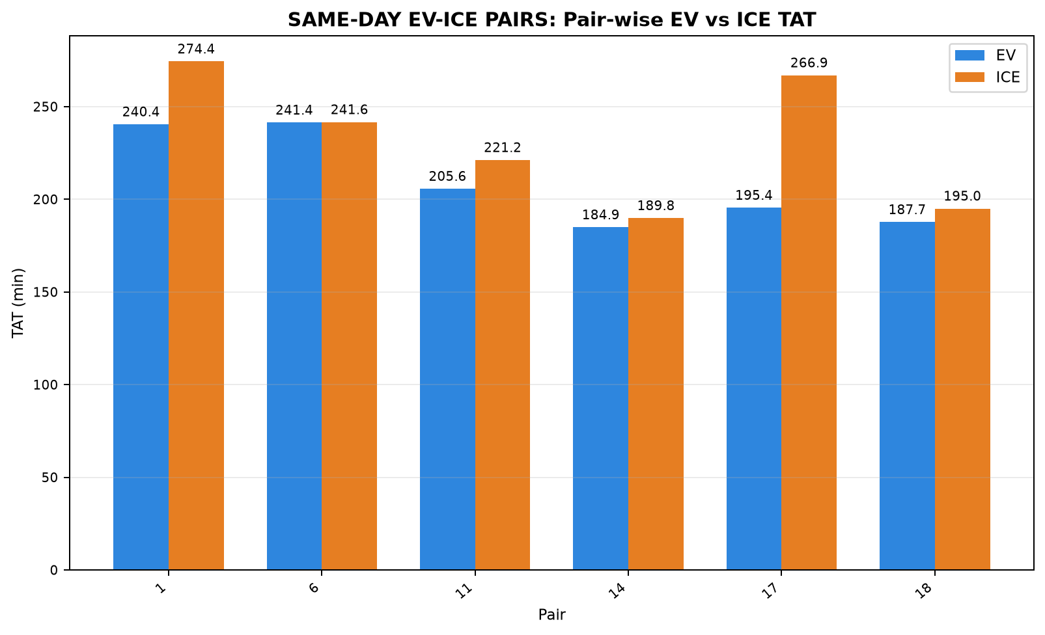

Pair | Pair ID | Pair Class | Category | Route Group | Trips | EV Date | ICE Date | Same-Day Pair | Common Date | EV Distance (km) | ICE Distance (km) | EV TAT (min) | ICE TAT (min) | EV Start Time | EV End Time | ICE Start Time | ICE End Time | EV Moving Avg Speed (km/h) | ICE Moving Avg Speed (km/h)
1 | PAIR_001 | STRICT | INTERCITY | Chennai ↔ Pondicherry | Chennai to Pondicherry | 15-07-2026 | 15-07-2026 | YES | 15-07-2026 | 148.199 | 148.125 | 240.444 | 274.350 | 09:22:41 | 13:23:07 | 11:20:23 | 15:54:44 | 41.585 | 43.136
6 | PAIR_006 | STRICT | INTERCITY | Chennai ↔ Pondicherry | Pondicherry to Chennai | 16-07-2026 | 16-07-2026 | YES | 16-07-2026 | 143.678 | 143.706 | 241.374 | 241.616 | 14:16:16 | 18:17:39 | 16:37:54 | 20:39:30 | 43.156 | 42.009
11 | PAIR_011 | STRICT | INTERCITY | Chennai ↔ Pondicherry | Chennai to Pondicherry | 17-07-2026 | 17-07-2026 | YES | 17-07-2026 | 141.599 | 141.666 | 205.643 | 221.150 | 08:09:07 | 11:34:46 | 11:43:51 | 15:25:00 | 48.290 | 44.820
14 | PAIR_014 | STRICT | INTERCITY | Chennai ↔ Pondicherry | Pondicherry to Chennai | 18-07-2026 | 18-07-2026 | YES | 18-07-2026 | 126.797 | 126.768 | 184.873 | 189.824 | 14:14:38 | 17:19:31 | 16:20:34 | 19:30:23 | 46.499 | 45.748
17 | PAIR_017 | STRICT | INTERCITY | Chennai ↔ Pondicherry | Chennai to Pondicherry | 19-07-2026 | 19-07-2026 | YES | 19-07-2026 | 145.906 | 145.994 | 195.402 | 266.863 | 09:18:36 | 12:34:01 | 11:08:45 | 15:35:36 | 46.865 | 44.574
18 | PAIR_018 | STRICT | INTERCITY | Chennai ↔ Pondicherry | Pondicherry to Chennai | 20-07-2026 | 20-07-2026 | YES | 20-07-2026 | 123.993 | 123.980 | 187.653 | 194.958 | 14:51:18 | 17:58:57 | 16:56:44 | 20:11:41 | 46.872 | 42.819

Table 2: SAME-DAY EV-ICE PAIRS - Phase Time Comparison (min)

Pair | Pair ID | Vehicle | Category | Route Group | Trips | CHARGING / REFUELING | STOP | IDLE | INCHING | ACC | DEC | CRUISE
1 | PAIR_001 | EV | INTERCITY | Chennai ↔ Pondicherry | Chennai to Pondicherry | 0.000 | 25.883 | 1.250 | 8.017 | 56.050 | 40.117 | 109.127
1 | PAIR_001 | ICE | INTERCITY | Chennai ↔ Pondicherry | Chennai to Pondicherry | 55.917 | 13.567 | 0.000 | 1.717 | 25.133 | 23.433 | 154.583
6 | PAIR_006 | EV | INTERCITY | Chennai ↔ Pondicherry | Pondicherry to Chennai | 0.000 | 42.536 | 0.000 | 4.100 | 52.500 | 38.055 | 104.183
6 | PAIR_006 | ICE | INTERCITY | Chennai ↔ Pondicherry | Pondicherry to Chennai | 23.883 | 13.100 | 0.000 | 1.617 | 43.733 | 34.950 | 124.332
11 | PAIR_011 | EV | INTERCITY | Chennai ↔ Pondicherry | Chennai to Pondicherry | 22.917 | 7.267 | 0.000 | 2.100 | 43.833 | 30.750 | 98.777
11 | PAIR_011 | ICE | INTERCITY | Chennai ↔ Pondicherry | Chennai to Pondicherry | 28.267 | 3.533 | 0.000 | 1.500 | 30.467 | 23.000 | 134.383
14 | PAIR_014 | EV | INTERCITY | Chennai ↔ Pondicherry | Pondicherry to Chennai | 0.000 | 21.483 | 0.083 | 1.683 | 48.919 | 35.467 | 77.237
14 | PAIR_014 | ICE | INTERCITY | Chennai ↔ Pondicherry | Pondicherry to Chennai | 23.717 | 0.000 | 0.000 | 2.633 | 45.674 | 29.900 | 87.900
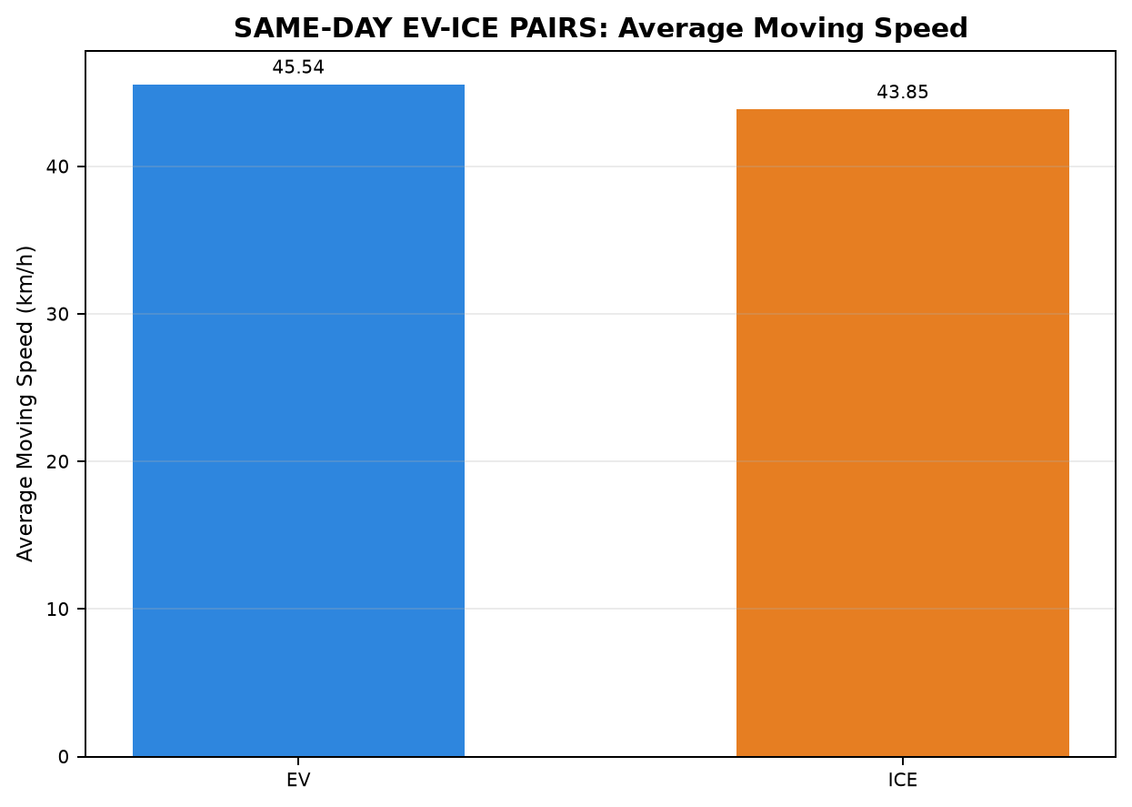
17 | PAIR_017 | EV | INTERCITY | Chennai ↔ Pondicherry | Chennai to Pondicherry | 0.000 | 8.933 | 0.000 | 0.000 | 47.050 | 35.667 | 103.752
17 | PAIR_017 | ICE | INTERCITY | Chennai ↔ Pondicherry | Chennai to Pondicherry | 59.817 | 11.267 | 0.000 | 9.247 | 38.683 | 27.133 | 120.717
18 | PAIR_018 | EV | INTERCITY | Chennai ↔ Pondicherry | Pondicherry to Chennai | 0.000 | 29.483 | 0.000 | 5.267 | 45.594 | 28.733 | 78.576
18 | PAIR_018 | ICE | INTERCITY | Chennai ↔ Pondicherry | Pondicherry to Chennai | 21.383 | 0.000 | 0.000 | 0.000 | 39.517 | 30.800 | 103.258

Table 3: SAME-DAY EV-ICE PAIRS - Phase Distance Comparison (km)

Pair | Pair ID | Vehicle | Category | Route Group | Trips | CHARGING / REFUELING | STOP | IDLE | INCHING | ACC | DEC | CRUISE
1 | PAIR_001 | EV | INTERCITY | Chennai ↔ Pondicherry | Chennai to Pondicherry | 0.000 | 0.356 | 0.000 | 0.627 | 44.917 | 31.031 | 71.268
1 | PAIR_001 | ICE | INTERCITY | Chennai ↔ Pondicherry | Chennai to Pondicherry | 0.277 | 0.563 | 0.000 | 0.576 | 16.044 | 16.780 | 113.886
6 | PAIR_006 | EV | INTERCITY | Chennai ↔ Pondicherry | Pondicherry to Chennai | 0.000 | 0.660 | 0.000 | 0.439 | 42.768 | 30.139 | 69.672
6 | PAIR_006 | ICE | INTERCITY | Chennai ↔ Pondicherry | Pondicherry to Chennai | 0.100 | 0.334 | 0.000 | 0.270 | 31.256 | 25.114 | 86.632
11 | PAIR_011 | EV | INTERCITY | Chennai ↔ Pondicherry | Chennai to Pondicherry | 0.119 | 0.264 | 0.000 | 0.205 | 36.808 | 25.368 | 78.835
11 | PAIR_011 | ICE | INTERCITY | Chennai ↔ Pondicherry | Chennai to Pondicherry | 0.115 | 0.107 | 0.000 | 0.116 | 21.520 | 17.070 | 102.738
14 | PAIR_014 | EV | INTERCITY | Chennai ↔ Pondicherry | Pondicherry to Chennai | 0.000 | 0.238 | 0.000 | 0.301 | 38.901 | 27.958 | 59.399
14 | PAIR_014 | ICE | INTERCITY | Chennai ↔ Pondicherry | Pondicherry to Chennai | 0.117 | 0.000 | 0.000 | 0.227 | 34.237 | 22.792 | 69.394
17 | PAIR_017 | EV | INTERCITY | Chennai ↔ Pondicherry | Chennai to Pondicherry | 0.000 | 0.259 | 0.000 | 0.000 | 37.714 | 27.743 | 80.190
17 | PAIR_017 | ICE | INTERCITY | Chennai ↔ Pondicherry | Chennai to Pondicherry | 0.226 | 0.323 | 0.000 | 0.824 | 27.610 | 19.994 | 97.017
18 | PAIR_018 | EV | INTERCITY | Chennai ↔ Pondicherry | Pondicherry to Chennai | 0.000 | 0.430 | 0.000 | 0.355 | 37.168 | 23.384 | 62.656
18 | PAIR_018 | ICE | INTERCITY | Chennai ↔ Pondicherry | Pondicherry to Chennai | 0.109 | 0.000 | 0.000 | 0.000 | 28.521 | 21.134 | 74.217

04_Same_Day_INTERCITY


Table 1: SAME-DAY INTERCITY - EV vs ICE Trip Summary


Pair | Pair ID | Pair Class | Category | Route Group | Trips | EV Date | ICE Date | Same-Day Pair | Common Date | EV Distance (km) | ICE Distance (km) | EV TAT (min) | ICE TAT (min) | EV Start Time | EV End Time | ICE Start Time | ICE End Time | EV Moving Avg Speed (km/h) | ICE Moving Avg Speed (km/h)
1 | PAIR_001 | STRICT | INTERCITY | Chennai ↔ Pondicherry | Chennai to Pondicherry | 15-07-2026 | 15-07-2026 | YES | 15-07-2026 | 148.199 | 148.125 | 240.444 | 274.350 | 09:22:41 | 13:23:07 | 11:20:23 | 15:54:44 | 41.585 | 43.136
6 | PAIR_006 | STRICT | INTERCITY | Chennai ↔ Pondicherry | Pondicherry to Chennai | 16-07-2026 | 16-07-2026 | YES | 16-07-2026 | 143.678 | 143.706 | 241.374 | 241.616 | 14:16:16 | 18:17:39 | 16:37:54 | 20:39:30 | 43.156 | 42.009
11 | PAIR_011 | STRICT | INTERCITY | Chennai ↔ Pondicherry | Chennai to Pondicherry | 17-07-2026 | 17-07-2026 | YES | 17-07-2026 | 141.599 | 141.666 | 205.643 | 221.150 | 08:09:07 | 11:34:46 | 11:43:51 | 15:25:00 | 48.290 | 44.820
14 | PAIR_014 | STRICT | INTERCITY | Chennai ↔ Pondicherry | Pondicherry to Chennai | 18-07-2026 | 18-07-2026 | YES | 18-07-2026 | 126.797 | 126.768 | 184.873 | 189.824 | 14:14:38 | 17:19:31 | 16:20:34 | 19:30:23 | 46.499 | 45.748
17 | PAIR_017 | STRICT | INTERCITY | Chennai ↔ Pondicherry | Chennai to Pondicherry | 19-07-2026 | 19-07-2026 | YES | 19-07-2026 | 145.906 | 145.994 | 195.402 | 266.863 | 09:18:36 | 12:34:01 | 11:08:45 | 15:35:36 | 46.865 | 44.574
18 | PAIR_018 | STRICT | INTERCITY | Chennai ↔ Pondicherry | Pondicherry to Chennai | 20-07-2026 | 20-07-2026 | YES | 20-07-2026 | 123.993 | 123.980 | 187.653 | 194.958 | 14:51:18 | 17:58:57 | 16:56:44 | 20:11:41 | 46.872 | 42.819

Table 2: SAME-DAY INTERCITY - Phase Time Comparison (min)

Pair | Pair ID | Vehicle | Category | Route Group | Trips | CHARGING / REFUELING | STOP | IDLE | INCHING | ACC | DEC | CRUISE
1 | PAIR_001 | EV | INTERCITY | Chennai ↔ Pondicherry | Chennai to Pondicherry | 0.000 | 25.883 | 1.250 | 8.017 | 56.050 | 40.117 | 109.127
1 | PAIR_001 | ICE | INTERCITY | Chennai ↔ Pondicherry | Chennai to Pondicherry | 55.917 | 13.567 | 0.000 | 1.717 | 25.133 | 23.433 | 154.583
6 | PAIR_006 | EV | INTERCITY | Chennai ↔ Pondicherry | Pondicherry to Chennai | 0.000 | 42.536 | 0.000 | 4.100 | 52.500 | 38.055 | 104.183
6 | PAIR_006 | ICE | INTERCITY | Chennai ↔ Pondicherry | Pondicherry to Chennai | 23.883 | 13.100 | 0.000 | 1.617 | 43.733 | 34.950 | 124.332
11 | PAIR_011 | EV | INTERCITY | Chennai ↔ Pondicherry | Chennai to Pondicherry | 22.917 | 7.267 | 0.000 | 2.100 | 43.833 | 30.750 | 98.777
11 | PAIR_011 | ICE | INTERCITY | Chennai ↔ Pondicherry | Chennai to Pondicherry | 28.267 | 3.533 | 0.000 | 1.500 | 30.467 | 23.000 | 134.383
14 | PAIR_014 | EV | INTERCITY | Chennai ↔ Pondicherry | Pondicherry to Chennai | 0.000 | 21.483 | 0.083 | 1.683 | 48.919 | 35.467 | 77.237
14 | PAIR_014 | ICE | INTERCITY | Chennai ↔ Pondicherry | Pondicherry to Chennai | 23.717 | 0.000 | 0.000 | 2.633 | 45.674 | 29.900 | 87.900
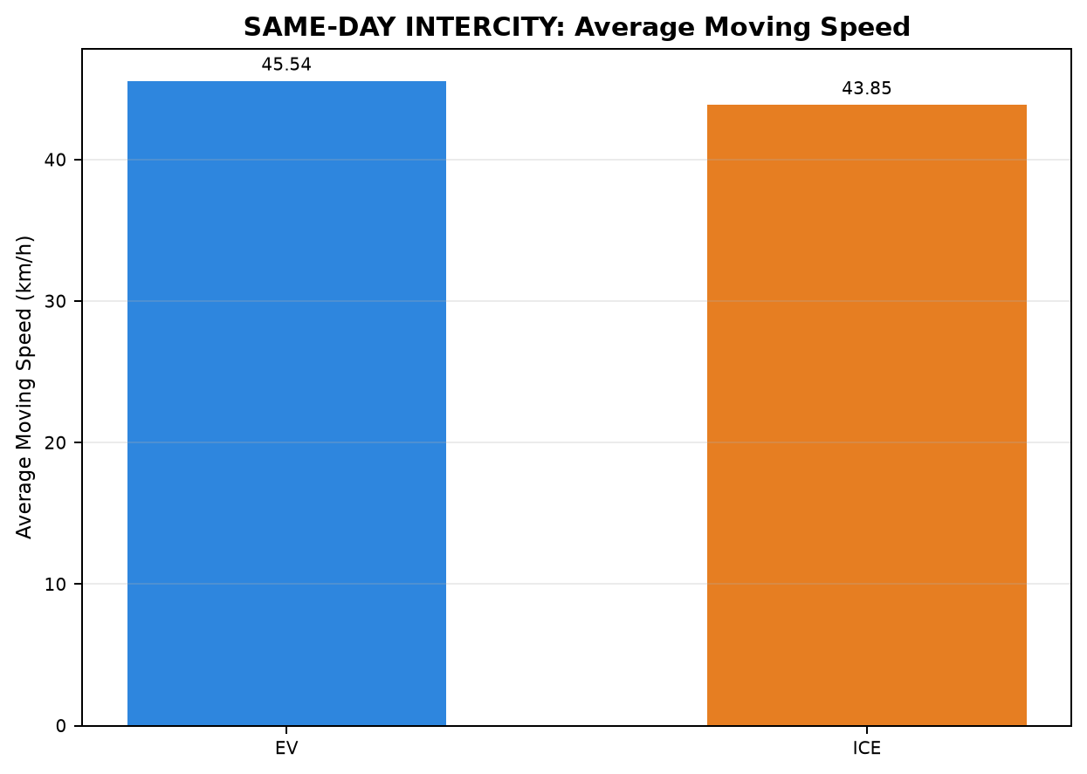
17 | PAIR_017 | EV | INTERCITY | Chennai ↔ Pondicherry | Chennai to Pondicherry | 0.000 | 8.933 | 0.000 | 0.000 | 47.050 | 35.667 | 103.752
17 | PAIR_017 | ICE | INTERCITY | Chennai ↔ Pondicherry | Chennai to Pondicherry | 59.817 | 11.267 | 0.000 | 9.247 | 38.683 | 27.133 | 120.717
18 | PAIR_018 | EV | INTERCITY | Chennai ↔ Pondicherry | Pondicherry to Chennai | 0.000 | 29.483 | 0.000 | 5.267 | 45.594 | 28.733 | 78.576
18 | PAIR_018 | ICE | INTERCITY | Chennai ↔ Pondicherry | Pondicherry to Chennai | 21.383 | 0.000 | 0.000 | 0.000 | 39.517 | 30.800 | 103.258

Table 3: SAME-DAY INTERCITY - Phase Distance Comparison (km)

Pair | Pair ID | Vehicle | Category | Route Group | Trips | CHARGING / REFUELING | STOP | IDLE | INCHING | ACC | DEC | CRUISE
1 | PAIR_001 | EV | INTERCITY | Chennai ↔ Pondicherry | Chennai to Pondicherry | 0.000 | 0.356 | 0.000 | 0.627 | 44.917 | 31.031 | 71.268
1 | PAIR_001 | ICE | INTERCITY | Chennai ↔ Pondicherry | Chennai to Pondicherry | 0.277 | 0.563 | 0.000 | 0.576 | 16.044 | 16.780 | 113.886
6 | PAIR_006 | EV | INTERCITY | Chennai ↔ Pondicherry | Pondicherry to Chennai | 0.000 | 0.660 | 0.000 | 0.439 | 42.768 | 30.139 | 69.672
6 | PAIR_006 | ICE | INTERCITY | Chennai ↔ Pondicherry | Pondicherry to Chennai | 0.100 | 0.334 | 0.000 | 0.270 | 31.256 | 25.114 | 86.632
11 | PAIR_011 | EV | INTERCITY | Chennai ↔ Pondicherry | Chennai to Pondicherry | 0.119 | 0.264 | 0.000 | 0.205 | 36.808 | 25.368 | 78.835
11 | PAIR_011 | ICE | INTERCITY | Chennai ↔ Pondicherry | Chennai to Pondicherry | 0.115 | 0.107 | 0.000 | 0.116 | 21.520 | 17.070 | 102.738
14 | PAIR_014 | EV | INTERCITY | Chennai ↔ Pondicherry | Pondicherry to Chennai | 0.000 | 0.238 | 0.000 | 0.301 | 38.901 | 27.958 | 59.399
14 | PAIR_014 | ICE | INTERCITY | Chennai ↔ Pondicherry | Pondicherry to Chennai | 0.117 | 0.000 | 0.000 | 0.227 | 34.237 | 22.792 | 69.394
17 | PAIR_017 | EV | INTERCITY | Chennai ↔ Pondicherry | Chennai to Pondicherry | 0.000 | 0.259 | 0.000 | 0.000 | 37.714 | 27.743 | 80.190
17 | PAIR_017 | ICE | INTERCITY | Chennai ↔ Pondicherry | Chennai to Pondicherry | 0.226 | 0.323 | 0.000 | 0.824 | 27.610 | 19.994 | 97.017
18 | PAIR_018 | EV | INTERCITY | Chennai ↔ Pondicherry | Pondicherry to Chennai | 0.000 | 0.430 | 0.000 | 0.355 | 37.168 | 23.384 | 62.656
18 | PAIR_018 | ICE | INTERCITY | Chennai ↔ Pondicherry | Pondicherry to Chennai | 0.109 | 0.000 | 0.000 | 0.000 | 28.521 | 21.134 | 74.217

05_Diff_Day_Time_All
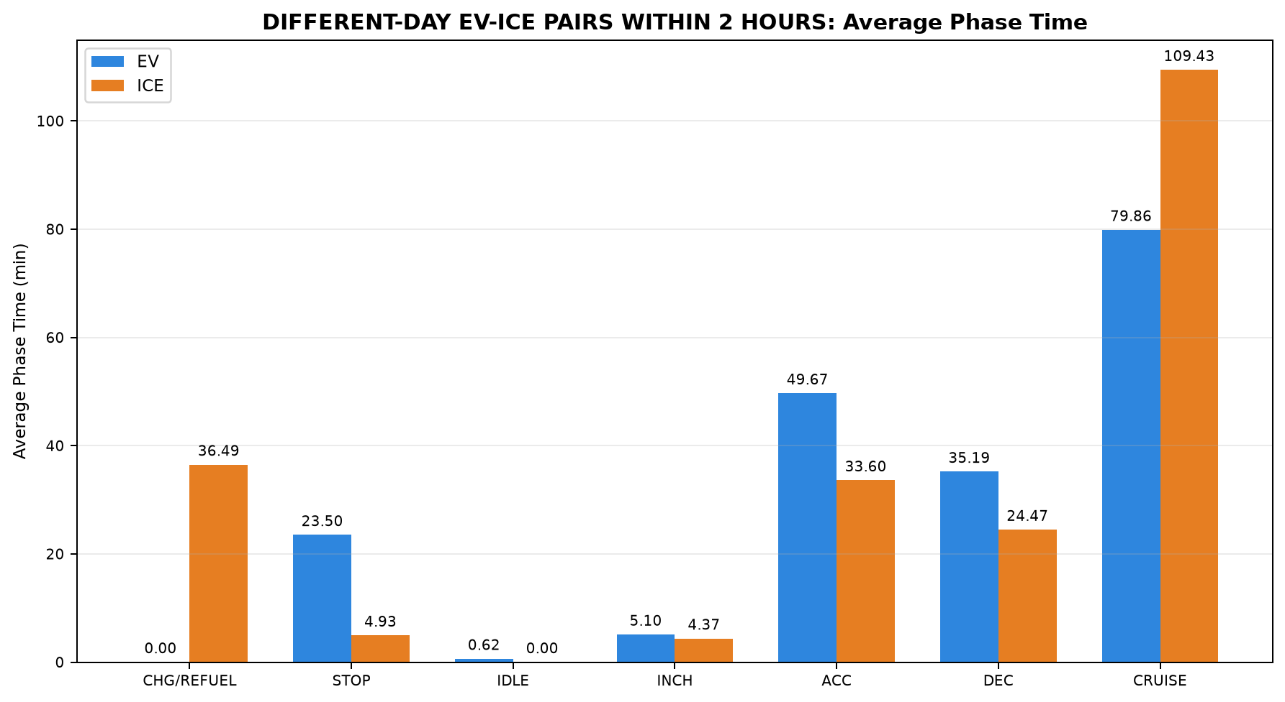
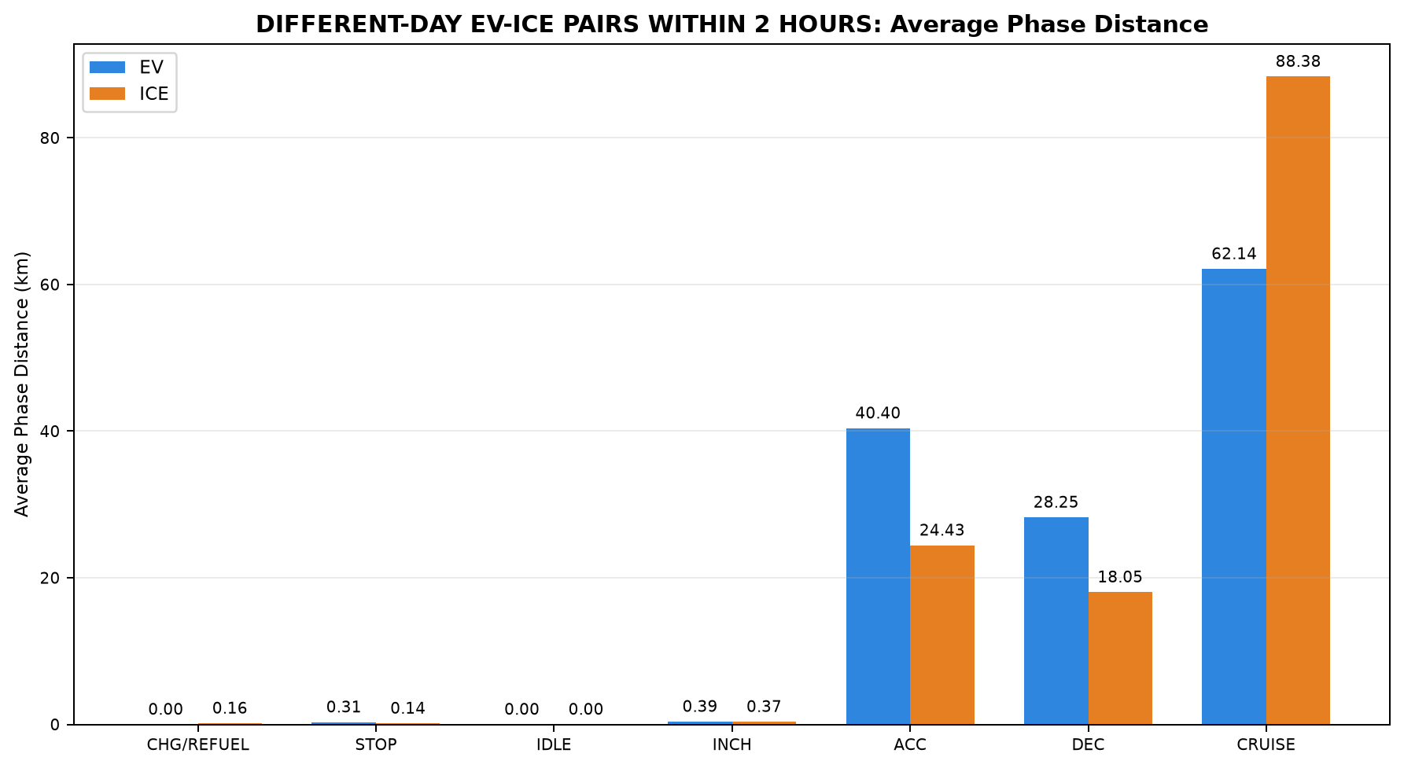
Table 1: DIFFERENT-DAY EV-ICE PAIRS WITHIN 2 HOURS - EV vs ICE Trip Summary
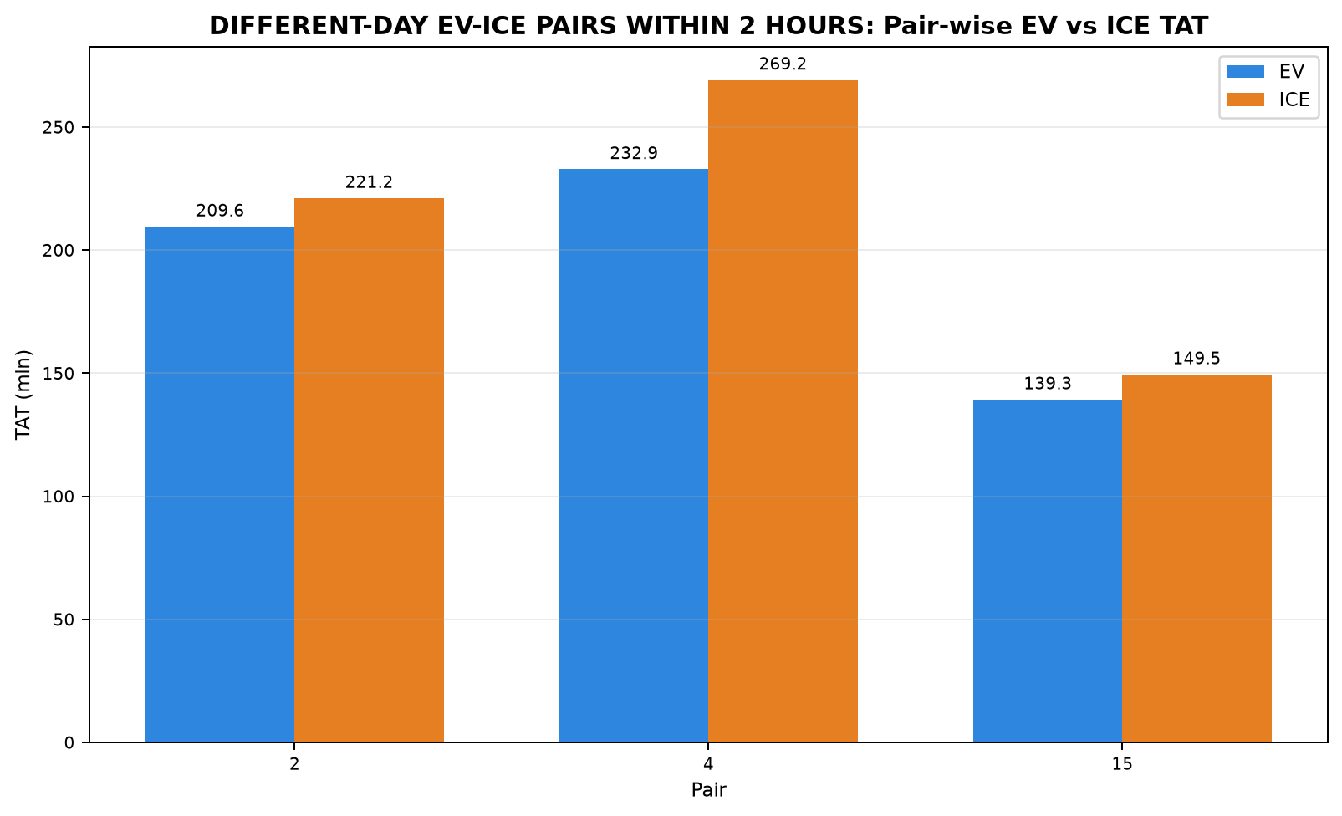

Pair | Pair ID | Pair Class | Category | Route Group | Trips | EV Date | ICE Date | Different-Day Pair | Start-Time Difference (min) | Allowed Difference (min) | Within 2 Hours | EV Distance (km) | ICE Distance (km) | EV TAT (min) | ICE TAT (min) | EV Start Time | EV End Time | ICE Start Time | ICE End Time | EV Moving Avg Speed (km/h) | ICE Moving Avg Speed (km/h)
2 | PAIR_002 | NONSTRICT | INTERCITY | Chennai ↔ Pondicherry | Chennai to Pondicherry | 15-07-2026 | 17-07-2026 | YES | 107.533 | 120.000 | YES | 141.622 | 141.671 | 209.592 | 221.150 | 09:56:19 | 13:25:55 | 11:43:51 | 15:25:00 | 46.138 | 44.822
4 | PAIR_004 | NONSTRICT | INTERCITY | Chennai ↔ Pondicherry | Chennai to Pondicherry | 15-07-2026 | 19-07-2026 | YES | 90.500 | 120.000 | YES | 146.110 | 146.194 | 232.892 | 269.217 | 09:38:15 | 13:31:09 | 11:08:45 | 15:37:58 | 43.319 | 44.100
15 | PAIR_015 | NONSTRICT | INTERCITY | Chennai ↔ Pondicherry | Pondicherry to Chennai | 18-07-2026 | 20-07-2026 | YES | 117.517 | 120.000 | YES | 106.751 | 106.730 | 139.321 | 149.511 | 14:59:13 | 17:18:32 | 16:56:44 | 19:26:14 | 51.591 | 49.929

Table 2: DIFFERENT-DAY EV-ICE PAIRS WITHIN 2 HOURS - Phase Time Comparison (min)

Pair | Pair ID | Vehicle | Category | Route Group | Trips | CHARGING / REFUELING | STOP | IDLE | INCHING | ACC | DEC | CRUISE
2 | PAIR_002 | EV | INTERCITY | Chennai ↔ Pondicherry | Chennai to Pondicherry | 0.000 | 25.883 | 0.000 | 5.933 | 52.500 | 37.575 | 87.700
2 | PAIR_002 | ICE | INTERCITY | Chennai ↔ Pondicherry | Chennai to Pondicherry | 28.267 | 3.533 | 0.000 | 1.500 | 30.467 | 23.000 | 134.383
4 | PAIR_004 | EV | INTERCITY | Chennai ↔ Pondicherry | Chennai to Pondicherry | 0.000 | 29.404 | 1.770 | 8.017 | 55.217 | 38.850 | 99.633
4 | PAIR_004 | ICE | INTERCITY | Chennai ↔ Pondicherry | Chennai to Pondicherry | 59.817 | 11.267 | 0.000 | 11.600 | 38.683 | 27.133 | 120.717
15 | PAIR_015 | EV | INTERCITY | Chennai ↔ Pondicherry | Pondicherry to Chennai | 0.000 | 15.217 | 0.083 | 1.350 | 41.283 | 29.133 | 52.254
15 | PAIR_015 | ICE | INTERCITY | Chennai ↔ Pondicherry | Pondicherry to Chennai | 21.383 | 0.000 | 0.000 | 0.000 | 31.650 | 23.283 | 73.194

Table 3: DIFFERENT-DAY EV-ICE PAIRS WITHIN 2 HOURS - Phase Distance Comparison (km)

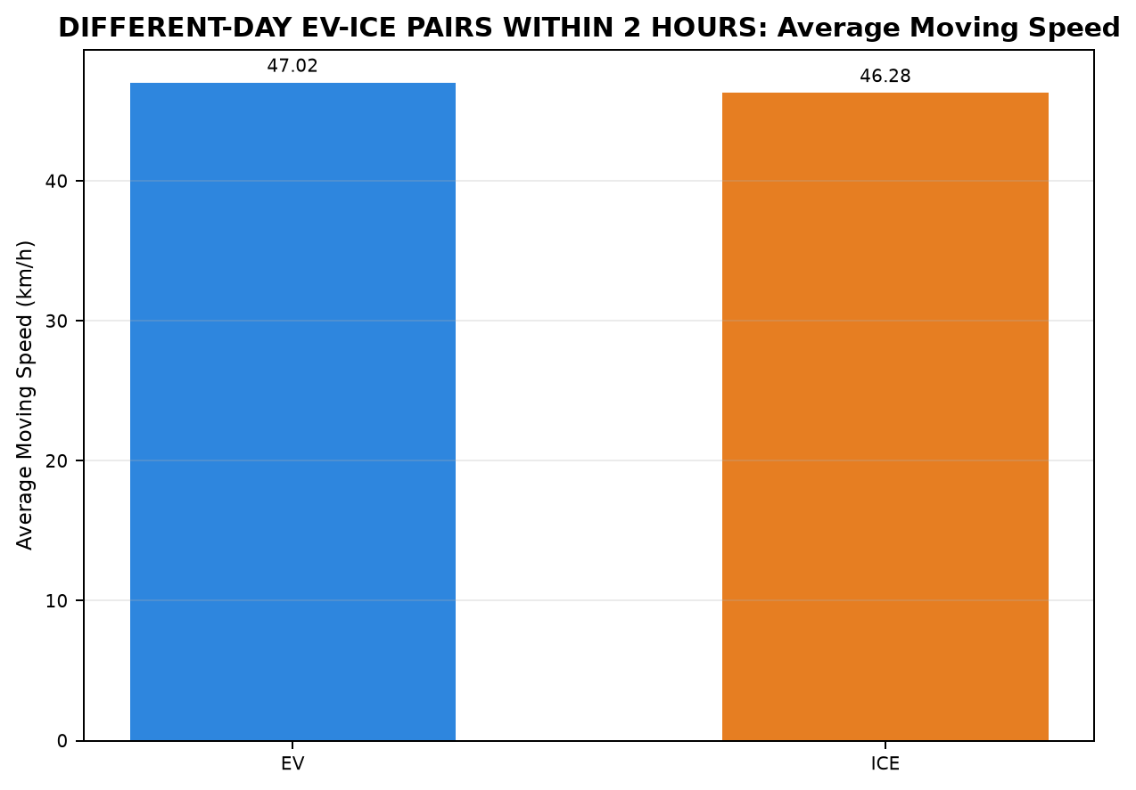
Pair | Pair ID | Vehicle | Category | Route Group | Trips | CHARGING / REFUELING | STOP | IDLE | INCHING | ACC | DEC | CRUISE
2 | PAIR_002 | EV | INTERCITY | Chennai ↔ Pondicherry | Chennai to Pondicherry | 0.000 | 0.356 | 0.000 | 0.357 | 43.391 | 30.282 | 67.236
2 | PAIR_002 | ICE | INTERCITY | Chennai ↔ Pondicherry | Chennai to Pondicherry | 0.115 | 0.107 | 0.000 | 0.116 | 21.522 | 17.073 | 102.738
4 | PAIR_004 | EV | INTERCITY | Chennai ↔ Pondicherry | Chennai to Pondicherry | 0.000 | 0.472 | 0.003 | 0.627 | 44.512 | 30.695 | 69.801
4 | PAIR_004 | ICE | INTERCITY | Chennai ↔ Pondicherry | Chennai to Pondicherry | 0.244 | 0.323 | 0.000 | 1.005 | 27.610 | 19.994 | 97.017
15 | PAIR_015 | EV | INTERCITY | Chennai ↔ Pondicherry | Pondicherry to Chennai | 0.000 | 0.112 | 0.000 | 0.187 | 33.311 | 23.763 | 49.378
15 | PAIR_015 | ICE | INTERCITY | Chennai ↔ Pondicherry | Pondicherry to Chennai | 0.109 | 0.000 | 0.000 | 0.000 | 24.164 | 17.084 | 65.373

06_Diff_Day_Time_INTERCITY
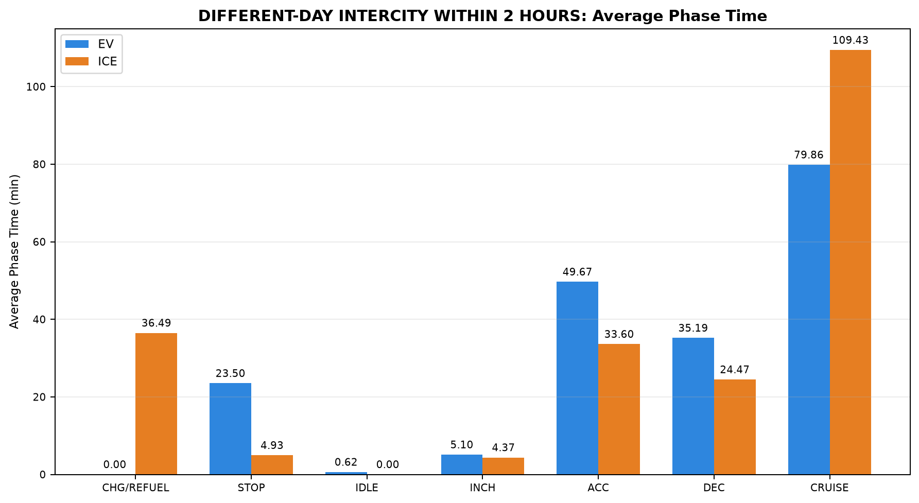
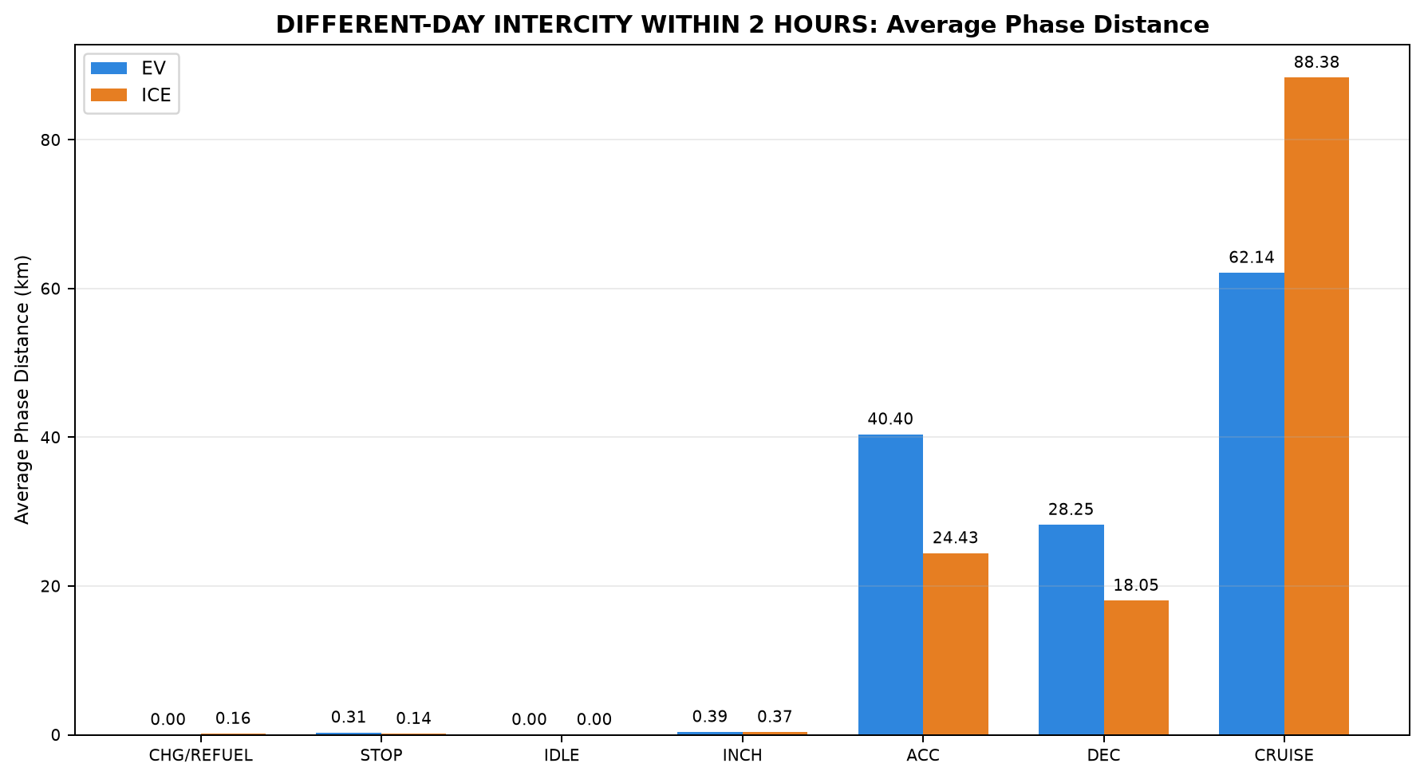
Table 1: DIFFERENT-DAY INTERCITY WITHIN 2 HOURS - EV vs ICE Trip Summary


Pair | Pair ID | Pair Class | Category | Route Group | Trips | EV Date | ICE Date | Different-Day Pair | Start-Time Difference (min) | Allowed Difference (min) | Within 2 Hours | EV Distance (km) | ICE Distance (km) | EV TAT (min) | ICE TAT (min) | EV Start Time | EV End Time | ICE Start Time | ICE End Time | EV Moving Avg Speed (km/h) | ICE Moving Avg Speed (km/h)
2 | PAIR_002 | NONSTRICT | INTERCITY | Chennai ↔ Pondicherry | Chennai to Pondicherry | 15-07-2026 | 17-07-2026 | YES | 107.533 | 120.000 | YES | 141.622 | 141.671 | 209.592 | 221.150 | 09:56:19 | 13:25:55 | 11:43:51 | 15:25:00 | 46.138 | 44.822
4 | PAIR_004 | NONSTRICT | INTERCITY | Chennai ↔ Pondicherry | Chennai to Pondicherry | 15-07-2026 | 19-07-2026 | YES | 90.500 | 120.000 | YES | 146.110 | 146.194 | 232.892 | 269.217 | 09:38:15 | 13:31:09 | 11:08:45 | 15:37:58 | 43.319 | 44.100
15 | PAIR_015 | NONSTRICT | INTERCITY | Chennai ↔ Pondicherry | Pondicherry to Chennai | 18-07-2026 | 20-07-2026 | YES | 117.517 | 120.000 | YES | 106.751 | 106.730 | 139.321 | 149.511 | 14:59:13 | 17:18:32 | 16:56:44 | 19:26:14 | 51.591 | 49.929

Table 2: DIFFERENT-DAY INTERCITY WITHIN 2 HOURS - Phase Time Comparison (min)

Pair | Pair ID | Vehicle | Category | Route Group | Trips | CHARGING / REFUELING | STOP | IDLE | INCHING | ACC | DEC | CRUISE
2 | PAIR_002 | EV | INTERCITY | Chennai ↔ Pondicherry | Chennai to Pondicherry | 0.000 | 25.883 | 0.000 | 5.933 | 52.500 | 37.575 | 87.700
2 | PAIR_002 | ICE | INTERCITY | Chennai ↔ Pondicherry | Chennai to Pondicherry | 28.267 | 3.533 | 0.000 | 1.500 | 30.467 | 23.000 | 134.383
4 | PAIR_004 | EV | INTERCITY | Chennai ↔ Pondicherry | Chennai to Pondicherry | 0.000 | 29.404 | 1.770 | 8.017 | 55.217 | 38.850 | 99.633
4 | PAIR_004 | ICE | INTERCITY | Chennai ↔ Pondicherry | Chennai to Pondicherry | 59.817 | 11.267 | 0.000 | 11.600 | 38.683 | 27.133 | 120.717
15 | PAIR_015 | EV | INTERCITY | Chennai ↔ Pondicherry | Pondicherry to Chennai | 0.000 | 15.217 | 0.083 | 1.350 | 41.283 | 29.133 | 52.254
15 | PAIR_015 | ICE | INTERCITY | Chennai ↔ Pondicherry | Pondicherry to Chennai | 21.383 | 0.000 | 0.000 | 0.000 | 31.650 | 23.283 | 73.194

Table 3: DIFFERENT-DAY INTERCITY WITHIN 2 HOURS - Phase Distance Comparison (km)

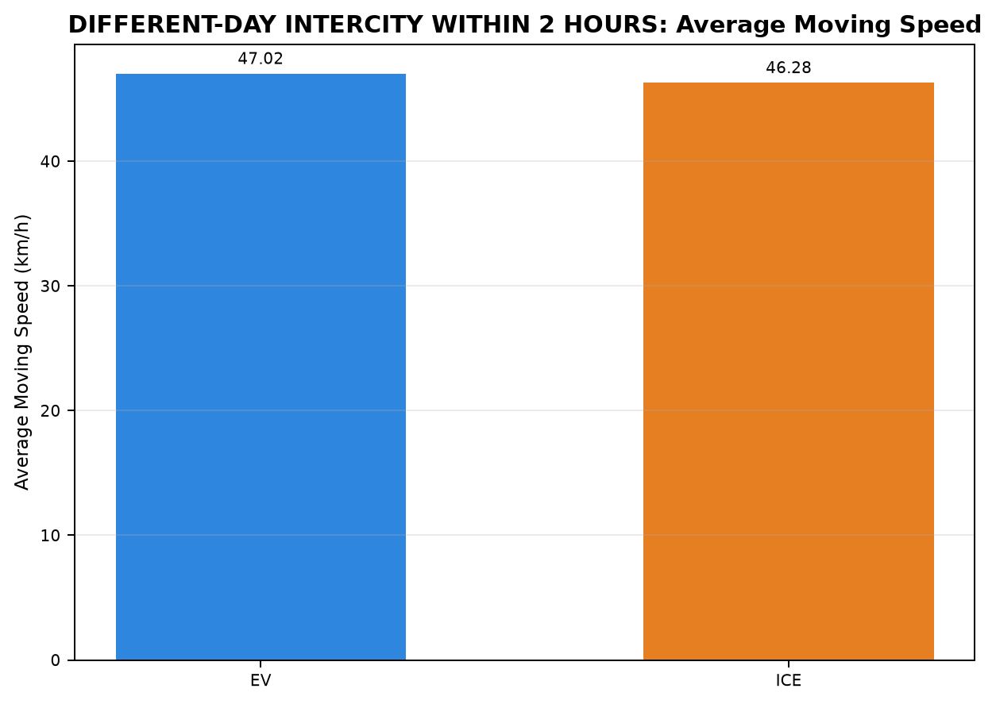
Pair | Pair ID | Vehicle | Category | Route Group | Trips | CHARGING / REFUELING | STOP | IDLE | INCHING | ACC | DEC | CRUISE
2 | PAIR_002 | EV | INTERCITY | Chennai ↔ Pondicherry | Chennai to Pondicherry | 0.000 | 0.356 | 0.000 | 0.357 | 43.391 | 30.282 | 67.236
2 | PAIR_002 | ICE | INTERCITY | Chennai ↔ Pondicherry | Chennai to Pondicherry | 0.115 | 0.107 | 0.000 | 0.116 | 21.522 | 17.073 | 102.738
4 | PAIR_004 | EV | INTERCITY | Chennai ↔ Pondicherry | Chennai to Pondicherry | 0.000 | 0.472 | 0.003 | 0.627 | 44.512 | 30.695 | 69.801
4 | PAIR_004 | ICE | INTERCITY | Chennai ↔ Pondicherry | Chennai to Pondicherry | 0.244 | 0.323 | 0.000 | 1.005 | 27.610 | 19.994 | 97.017
15 | PAIR_015 | EV | INTERCITY | Chennai ↔ Pondicherry | Pondicherry to Chennai | 0.000 | 0.112 | 0.000 | 0.187 | 33.311 | 23.763 | 49.378
15 | PAIR_015 | ICE | INTERCITY | Chennai ↔ Pondicherry | Pondicherry to Chennai | 0.109 | 0.000 | 0.000 | 0.000 | 24.164 | 17.084 | 65.373

D01_Chennai_to_Pondicherry_STRI
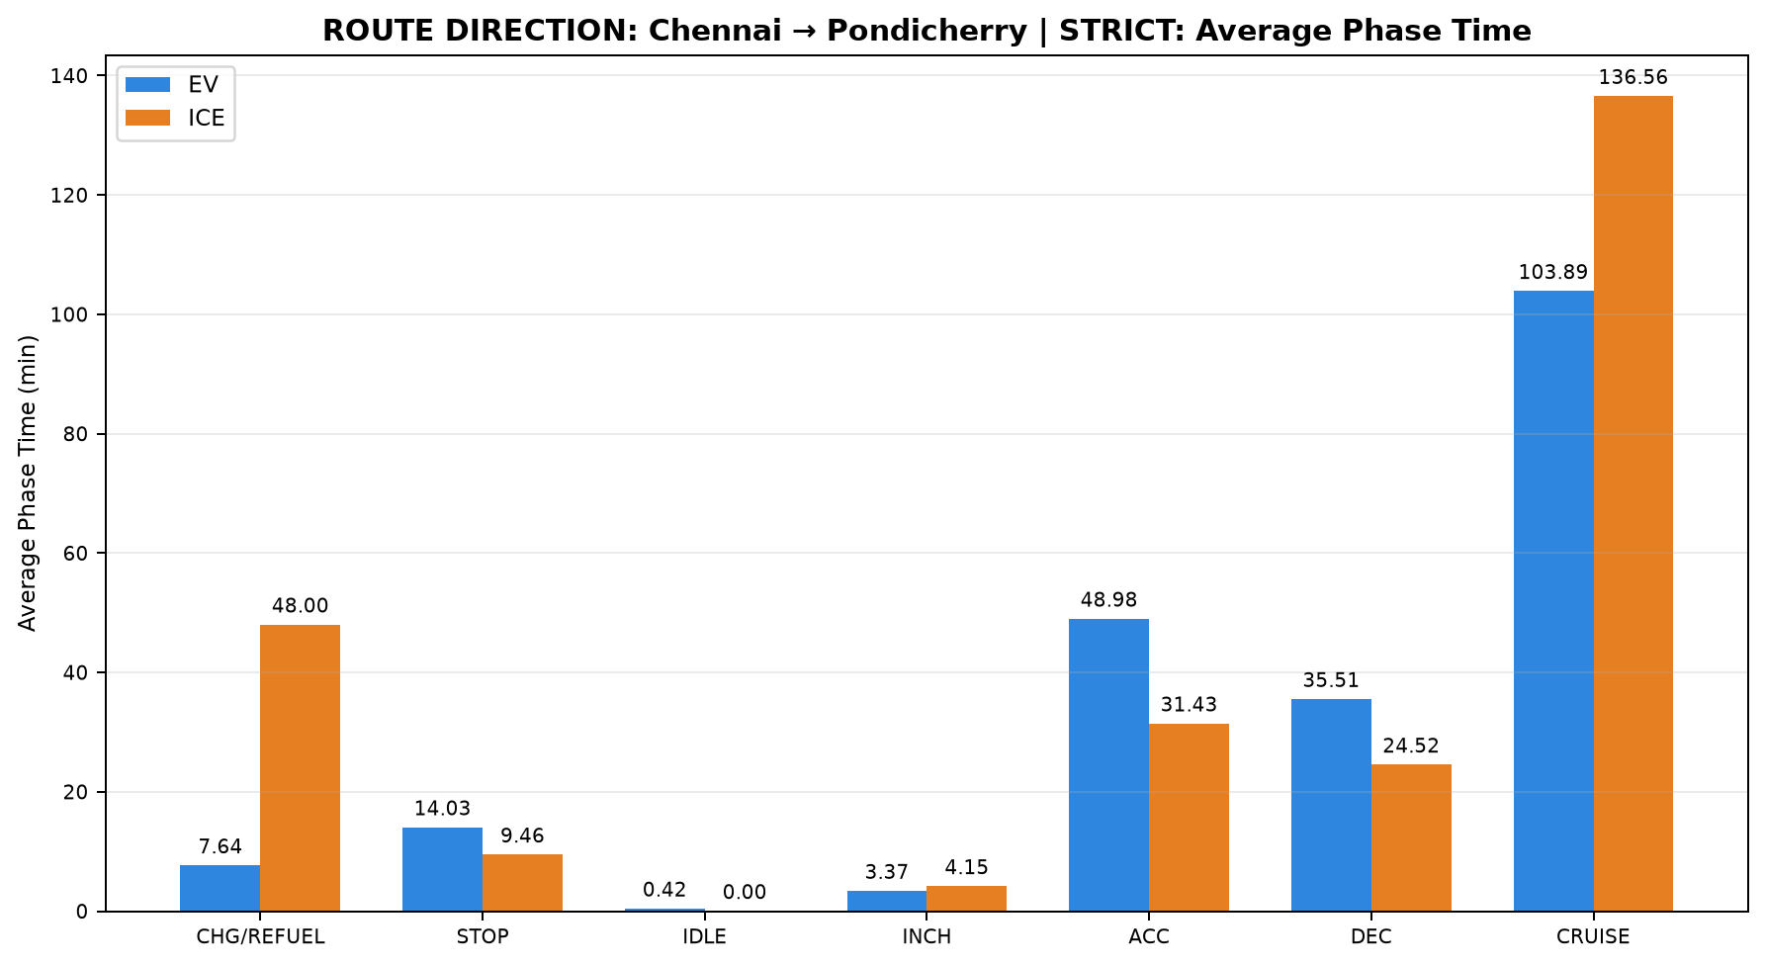
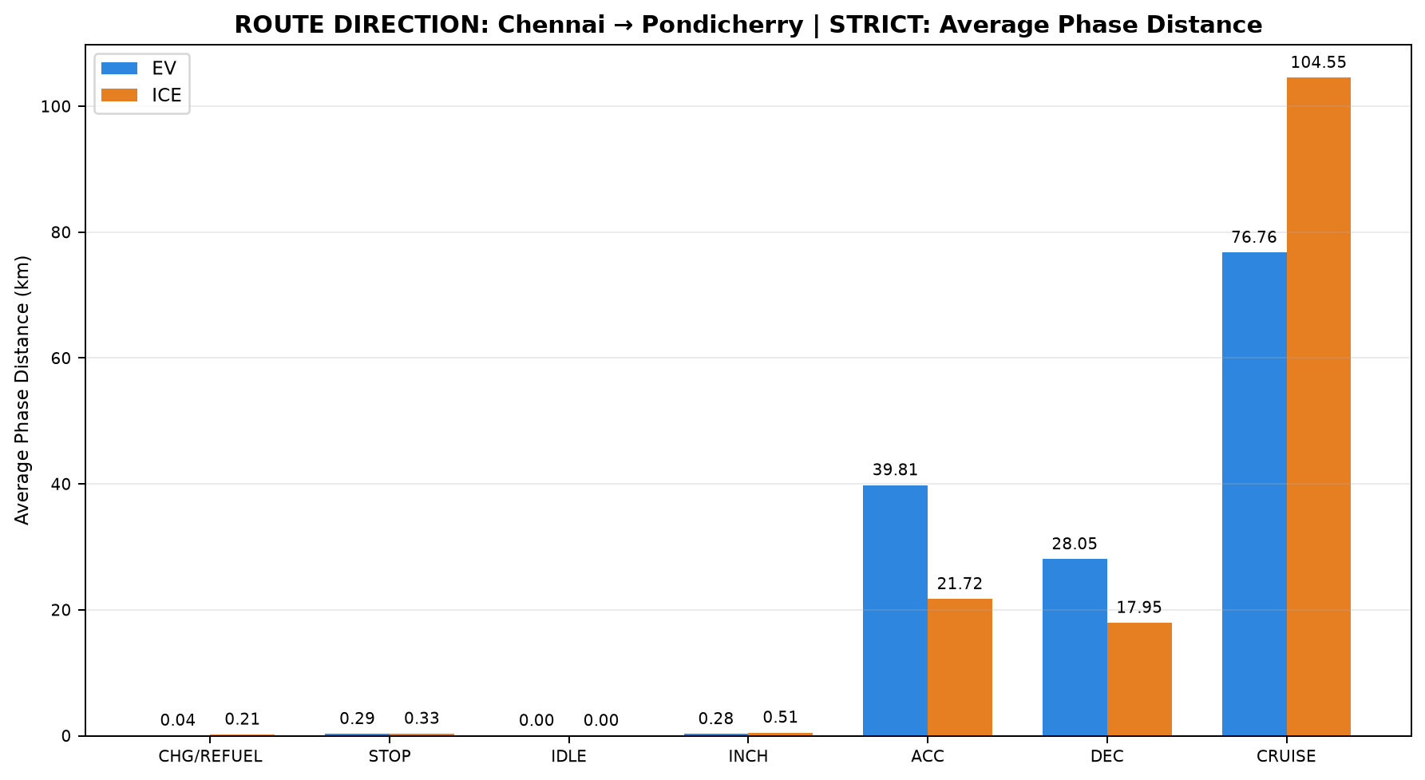
Table 1: ROUTE DIRECTION: Chennai → Pondicherry | STRICT - EV vs ICE Trip Summary
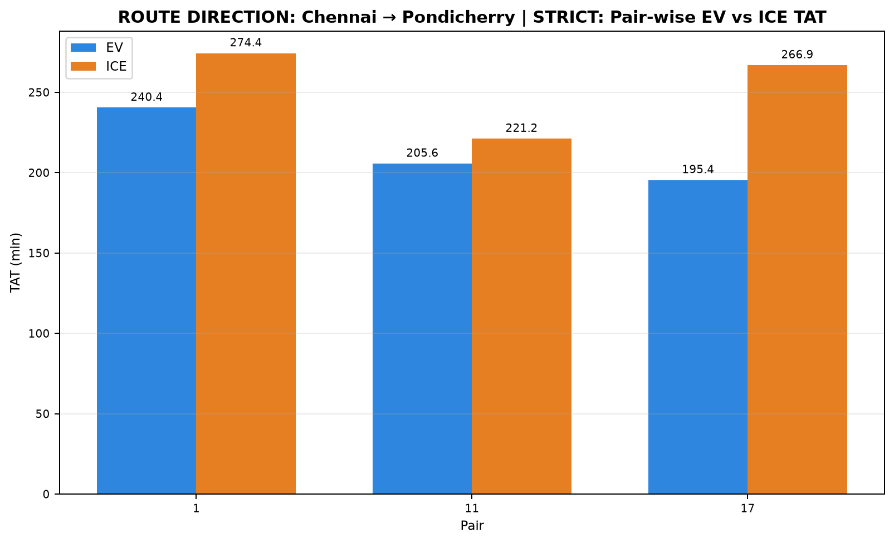

Pair | Pair ID | Pair Class | Category | Route Group | Trips | EV Date | ICE Date | EV Distance (km) | ICE Distance (km) | EV TAT (min) | ICE TAT (min) | EV Start Time | EV End Time | ICE Start Time | ICE End Time | EV Moving Avg Speed (km/h) | ICE Moving Avg Speed (km/h)
1 | PAIR_001 | STRICT | INTERCITY | Chennai ↔ Pondicherry | Chennai to Pondicherry | 15-07-2026 | 15-07-2026 | 148.199 | 148.125 | 240.444 | 274.350 | 09:22:41 | 13:23:07 | 11:20:23 | 15:54:44 | 41.585 | 43.136
11 | PAIR_011 | STRICT | INTERCITY | Chennai ↔ Pondicherry | Chennai to Pondicherry | 17-07-2026 | 17-07-2026 | 141.599 | 141.666 | 205.643 | 221.150 | 08:09:07 | 11:34:46 | 11:43:51 | 15:25:00 | 48.290 | 44.820
17 | PAIR_017 | STRICT | INTERCITY | Chennai ↔ Pondicherry | Chennai to Pondicherry | 19-07-2026 | 19-07-2026 | 145.906 | 145.994 | 195.402 | 266.863 | 09:18:36 | 12:34:01 | 11:08:45 | 15:35:36 | 46.865 | 44.574

Table 2: ROUTE DIRECTION: Chennai → Pondicherry | STRICT - Phase Time Comparison (min)

Pair | Pair ID | Vehicle | Category | Route Group | Trips | CHARGING / REFUELING | STOP | IDLE | INCHING | ACC | DEC | CRUISE
1 | PAIR_001 | EV | INTERCITY | Chennai ↔ Pondicherry | Chennai to Pondicherry | 0.000 | 25.883 | 1.250 | 8.017 | 56.050 | 40.117 | 109.127
1 | PAIR_001 | ICE | INTERCITY | Chennai ↔ Pondicherry | Chennai to Pondicherry | 55.917 | 13.567 | 0.000 | 1.717 | 25.133 | 23.433 | 154.583
11 | PAIR_011 | EV | INTERCITY | Chennai ↔ Pondicherry | Chennai to Pondicherry | 22.917 | 7.267 | 0.000 | 2.100 | 43.833 | 30.750 | 98.777
11 | PAIR_011 | ICE | INTERCITY | Chennai ↔ Pondicherry | Chennai to Pondicherry | 28.267 | 3.533 | 0.000 | 1.500 | 30.467 | 23.000 | 134.383
17 | PAIR_017 | EV | INTERCITY | Chennai ↔ Pondicherry | Chennai to Pondicherry | 0.000 | 8.933 | 0.000 | 0.000 | 47.050 | 35.667 | 103.752
17 | PAIR_017 | ICE | INTERCITY | Chennai ↔ Pondicherry | Chennai to Pondicherry | 59.817 | 11.267 | 0.000 | 9.247 | 38.683 | 27.133 | 120.717

Table 3: ROUTE DIRECTION: Chennai → Pondicherry | STRICT - Phase Distance Comparison (km)

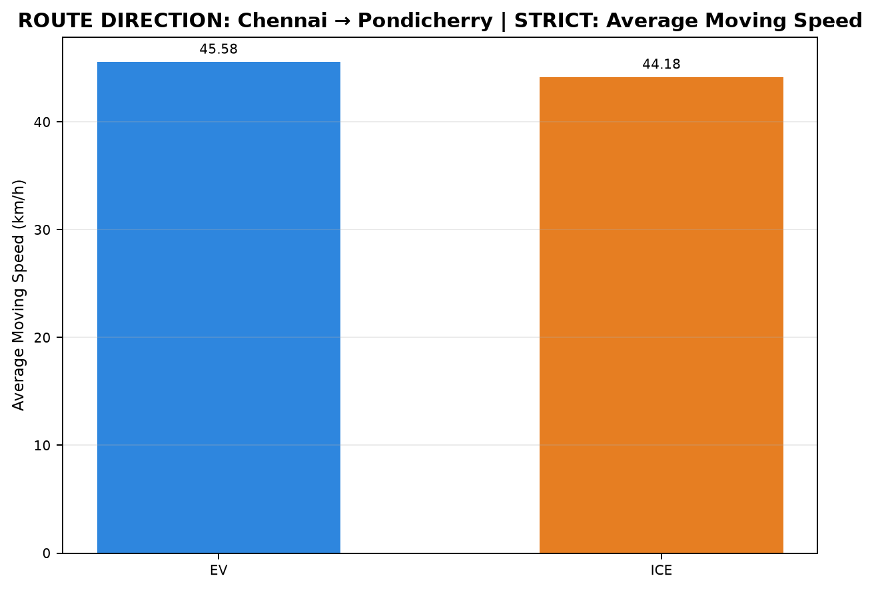
Pair | Pair ID | Vehicle | Category | Route Group | Trips | CHARGING / REFUELING | STOP | IDLE | INCHING | ACC | DEC | CRUISE
1 | PAIR_001 | EV | INTERCITY | Chennai ↔ Pondicherry | Chennai to Pondicherry | 0.000 | 0.356 | 0.000 | 0.627 | 44.917 | 31.031 | 71.268
1 | PAIR_001 | ICE | INTERCITY | Chennai ↔ Pondicherry | Chennai to Pondicherry | 0.277 | 0.563 | 0.000 | 0.576 | 16.044 | 16.780 | 113.886
11 | PAIR_011 | EV | INTERCITY | Chennai ↔ Pondicherry | Chennai to Pondicherry | 0.119 | 0.264 | 0.000 | 0.205 | 36.808 | 25.368 | 78.835
11 | PAIR_011 | ICE | INTERCITY | Chennai ↔ Pondicherry | Chennai to Pondicherry | 0.115 | 0.107 | 0.000 | 0.116 | 21.520 | 17.070 | 102.738
17 | PAIR_017 | EV | INTERCITY | Chennai ↔ Pondicherry | Chennai to Pondicherry | 0.000 | 0.259 | 0.000 | 0.000 | 37.714 | 27.743 | 80.190
17 | PAIR_017 | ICE | INTERCITY | Chennai ↔ Pondicherry | Chennai to Pondicherry | 0.226 | 0.323 | 0.000 | 0.824 | 27.610 | 19.994 | 97.017

D02_Chennai_to_Pondicherry_NONS
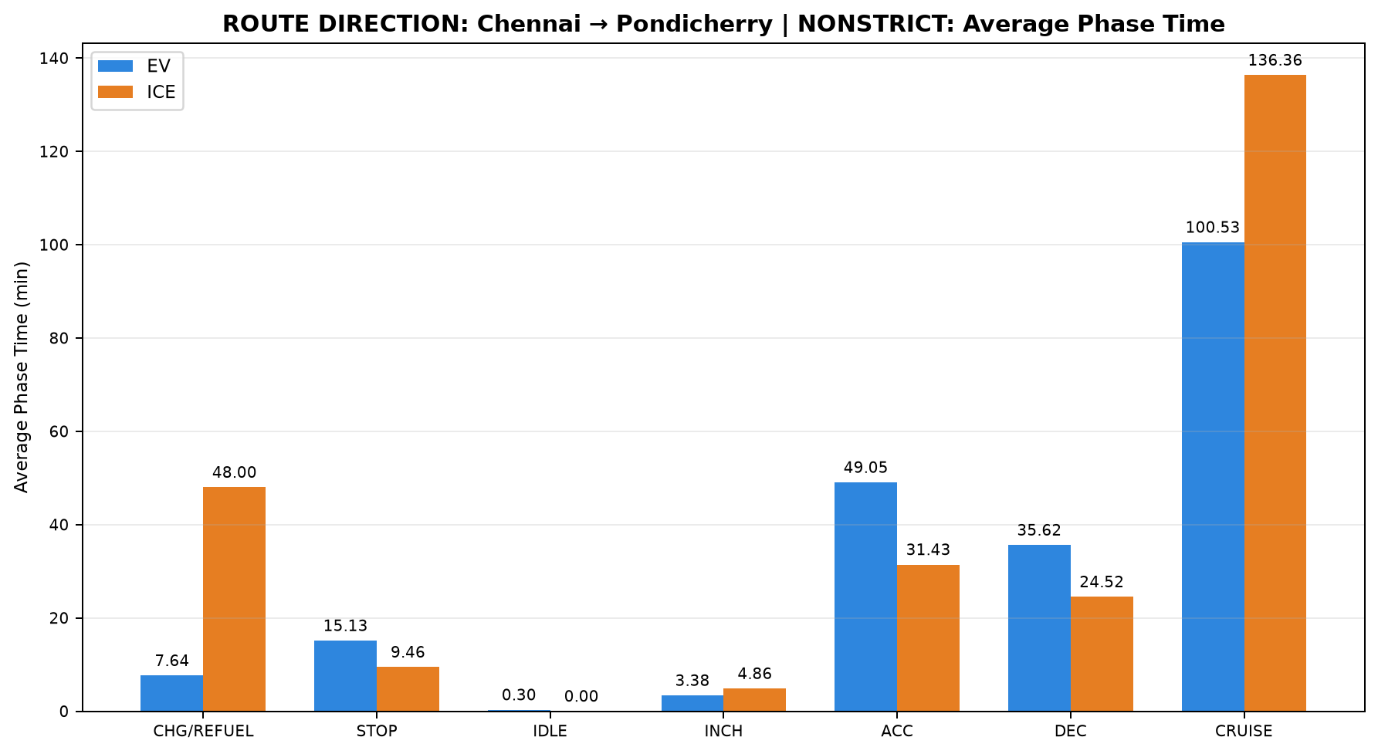
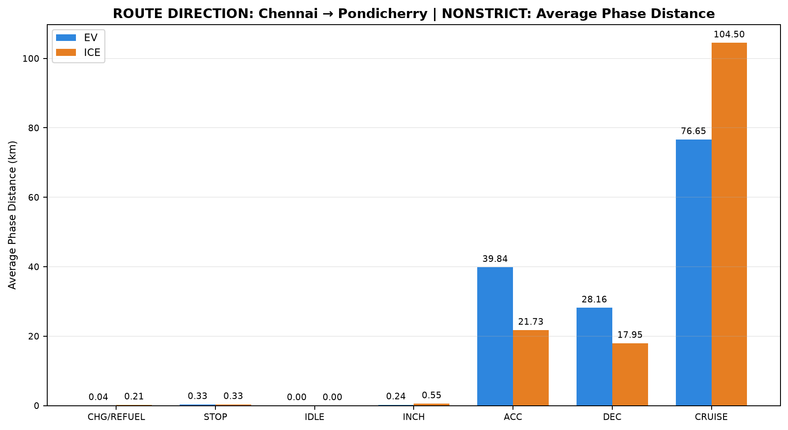
Table 1: ROUTE DIRECTION: Chennai → Pondicherry | NONSTRICT - EV vs ICE Trip Summary
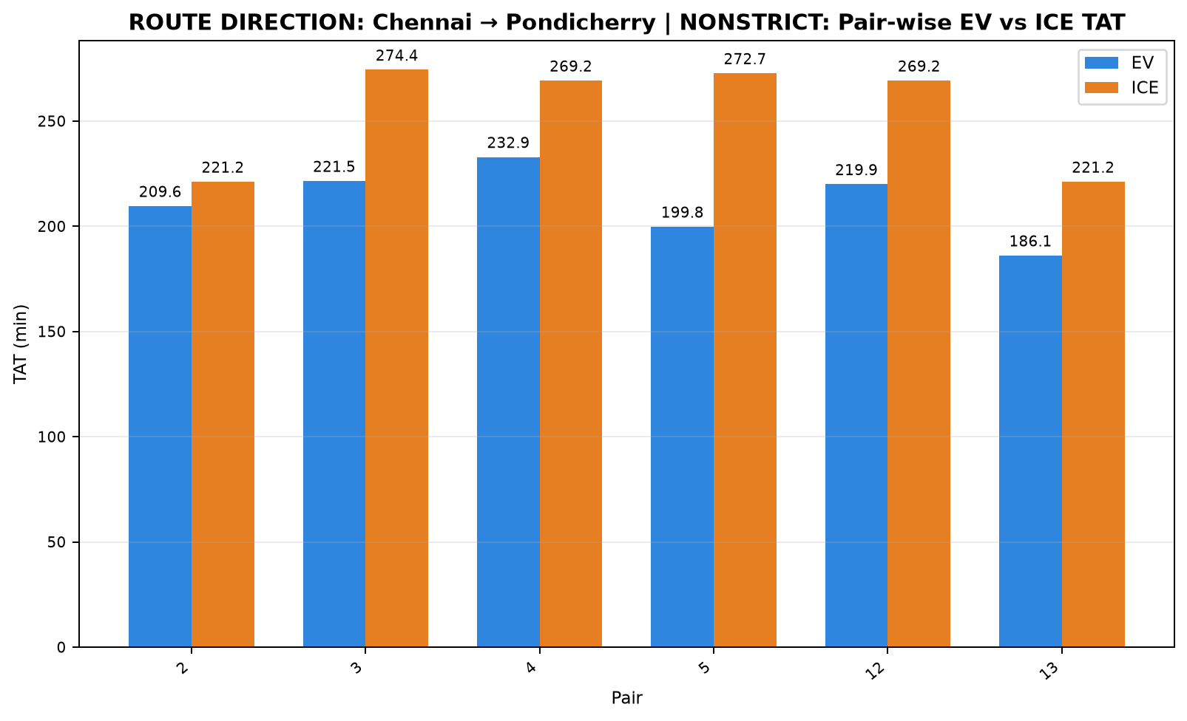

Pair | Pair ID | Pair Class | Category | Route Group | Trips | EV Date | ICE Date | EV Distance (km) | ICE Distance (km) | EV TAT (min) | ICE TAT (min) | EV Start Time | EV End Time | ICE Start Time | ICE End Time | EV Moving Avg Speed (km/h) | ICE Moving Avg Speed (km/h)
2 | PAIR_002 | NONSTRICT | INTERCITY | Chennai ↔ Pondicherry | Chennai to Pondicherry | 15-07-2026 | 17-07-2026 | 141.622 | 141.671 | 209.592 | 221.150 | 09:56:19 | 13:25:55 | 11:43:51 | 15:25:00 | 46.138 | 44.822
3 | PAIR_003 | NONSTRICT | INTERCITY | Chennai ↔ Pondicherry | Chennai to Pondicherry | 17-07-2026 | 15-07-2026 | 148.208 | 148.150 | 221.517 | 274.350 | 07:51:32 | 11:33:03 | 11:20:23 | 15:54:44 | 46.356 | 43.143
4 | PAIR_004 | NONSTRICT | INTERCITY | Chennai ↔ Pondicherry | Chennai to Pondicherry | 15-07-2026 | 19-07-2026 | 146.110 | 146.194 | 232.892 | 269.217 | 09:38:15 | 13:31:09 | 11:08:45 | 15:37:58 | 43.319 | 44.100
5 | PAIR_005 | NONSTRICT | INTERCITY | Chennai ↔ Pondicherry | Chennai to Pondicherry | 19-07-2026 | 15-07-2026 | 147.806 | 147.735 | 199.780 | 272.709 | 09:10:36 | 12:30:22 | 11:22:01 | 15:54:44 | 47.116 | 43.369
12 | PAIR_012 | NONSTRICT | INTERCITY | Chennai ↔ Pondicherry | Chennai to Pondicherry | 17-07-2026 | 19-07-2026 | 146.118 | 146.227 | 219.937 | 269.217 | 07:59:53 | 11:39:50 | 11:08:45 | 15:37:58 | 46.081 | 44.108
13 | PAIR_013 | NONSTRICT | INTERCITY | Chennai ↔ Pondicherry | Chennai to Pondicherry | 19-07-2026 | 17-07-2026 | 141.718 | 141.714 | 186.116 | 221.150 | 09:26:56 | 12:33:03 | 11:43:51 | 15:25:00 | 47.903 | 44.835

Table 2: ROUTE DIRECTION: Chennai → Pondicherry | NONSTRICT - Phase Time Comparison (min)

Pair | Pair ID | Vehicle | Category | Route Group | Trips | CHARGING / REFUELING | STOP | IDLE | INCHING | ACC | DEC | CRUISE
2 | PAIR_002 | EV | INTERCITY | Chennai ↔ Pondicherry | Chennai to Pondicherry | 0.000 | 25.883 | 0.000 | 5.933 | 52.500 | 37.575 | 87.700
2 | PAIR_002 | ICE | INTERCITY | Chennai ↔ Pondicherry | Chennai to Pondicherry | 28.267 | 3.533 | 0.000 | 1.500 | 30.467 | 23.000 | 134.383
3 | PAIR_003 | EV | INTERCITY | Chennai ↔ Pondicherry | Chennai to Pondicherry | 22.917 | 7.267 | 0.000 | 2.100 | 48.092 | 34.200 | 106.942
3 | PAIR_003 | ICE | INTERCITY | Chennai ↔ Pondicherry | Chennai to Pondicherry | 55.917 | 13.567 | 0.000 | 1.717 | 25.133 | 23.433 | 154.583
4 | PAIR_004 | EV | INTERCITY | Chennai ↔ Pondicherry | Chennai to Pondicherry | 0.000 | 29.404 | 1.770 | 8.017 | 55.217 | 38.850 | 99.633
4 | PAIR_004 | ICE | INTERCITY | Chennai ↔ Pondicherry | Chennai to Pondicherry | 59.817 | 11.267 | 0.000 | 11.600 | 38.683 | 27.133 | 120.717
5 | PAIR_005 | EV | INTERCITY | Chennai ↔ Pondicherry | Chennai to Pondicherry | 0.000 | 12.033 | 0.000 | 0.000 | 46.900 | 35.550 | 105.297
5 | PAIR_005 | ICE | INTERCITY | Chennai ↔ Pondicherry | Chennai to Pondicherry | 55.917 | 13.567 | 0.000 | 1.267 | 25.125 | 23.433 | 153.400
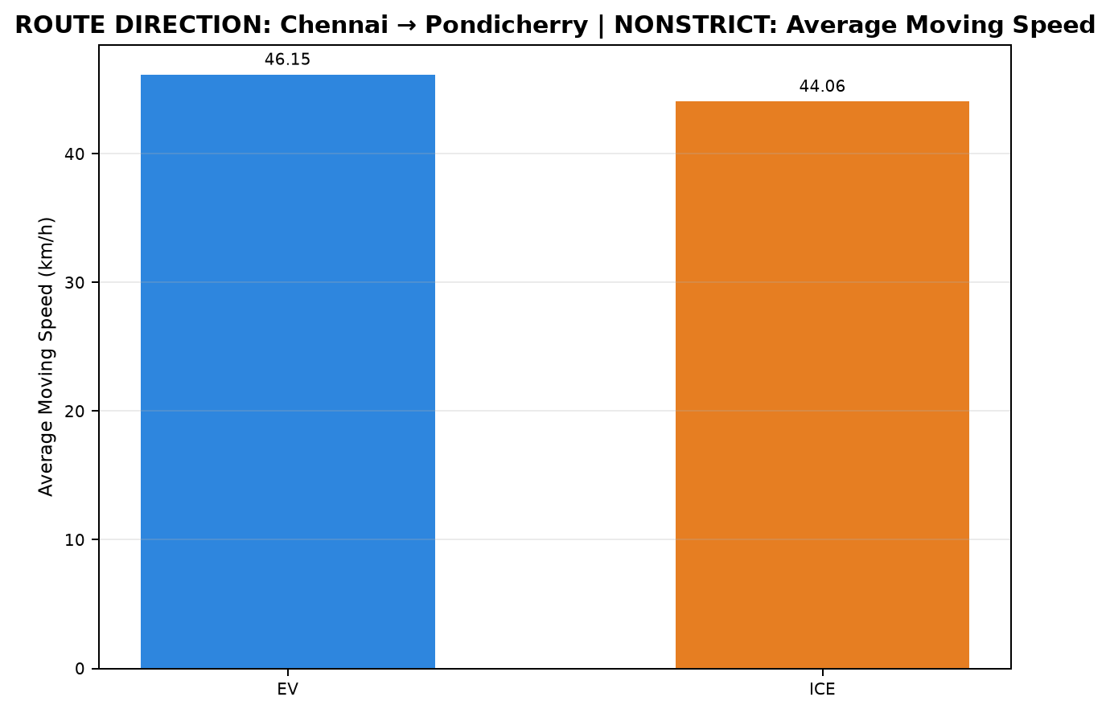
12 | PAIR_012 | EV | INTERCITY | Chennai ↔ Pondicherry | Chennai to Pondicherry | 22.917 | 7.267 | 0.000 | 4.233 | 46.350 | 32.553 | 106.617
12 | PAIR_012 | ICE | INTERCITY | Chennai ↔ Pondicherry | Chennai to Pondicherry | 59.817 | 11.267 | 0.000 | 11.600 | 38.683 | 27.133 | 120.717
13 | PAIR_013 | EV | INTERCITY | Chennai ↔ Pondicherry | Chennai to Pondicherry | 0.000 | 8.933 | 0.000 | 0.000 | 45.238 | 34.967 | 96.978
13 | PAIR_013 | ICE | INTERCITY | Chennai ↔ Pondicherry | Chennai to Pondicherry | 28.267 | 3.533 | 0.000 | 1.500 | 30.467 | 23.000 | 134.383

Table 3: ROUTE DIRECTION: Chennai → Pondicherry | NONSTRICT - Phase Distance Comparison (km)

Pair | Pair ID | Vehicle | Category | Route Group | Trips | CHARGING / REFUELING | STOP | IDLE | INCHING | ACC | DEC | CRUISE
2 | PAIR_002 | EV | INTERCITY | Chennai ↔ Pondicherry | Chennai to Pondicherry | 0.000 | 0.356 | 0.000 | 0.357 | 43.391 | 30.282 | 67.236
2 | PAIR_002 | ICE | INTERCITY | Chennai ↔ Pondicherry | Chennai to Pondicherry | 0.115 | 0.107 | 0.000 | 0.116 | 21.522 | 17.073 | 102.738
3 | PAIR_003 | EV | INTERCITY | Chennai ↔ Pondicherry | Chennai to Pondicherry | 0.119 | 0.264 | 0.000 | 0.205 | 38.636 | 26.863 | 82.122
3 | PAIR_003 | ICE | INTERCITY | Chennai ↔ Pondicherry | Chennai to Pondicherry | 0.277 | 0.563 | 0.000 | 0.576 | 16.044 | 16.780 | 113.911
4 | PAIR_004 | EV | INTERCITY | Chennai ↔ Pondicherry | Chennai to Pondicherry | 0.000 | 0.472 | 0.003 | 0.627 | 44.512 | 30.695 | 69.801
4 | PAIR_004 | ICE | INTERCITY | Chennai ↔ Pondicherry | Chennai to Pondicherry | 0.244 | 0.323 | 0.000 | 1.005 | 27.610 | 19.994 | 97.017
5 | PAIR_005 | EV | INTERCITY | Chennai ↔ Pondicherry | Chennai to Pondicherry | 0.000 | 0.374 | 0.000 | 0.000 | 37.607 | 27.611 | 82.215
5 | PAIR_005 | ICE | INTERCITY | Chennai ↔ Pondicherry | Chennai to Pondicherry | 0.277 | 0.563 | 0.000 | 0.466 | 16.047 | 16.780 | 113.603
12 | PAIR_012 | EV | INTERCITY | Chennai ↔ Pondicherry | Chennai to Pondicherry | 0.119 | 0.264 | 0.000 | 0.274 | 38.075 | 26.212 | 81.174
12 | PAIR_012 | ICE | INTERCITY | Chennai ↔ Pondicherry | Chennai to Pondicherry | 0.249 | 0.323 | 0.000 | 1.033 | 27.610 | 19.994 | 97.017
13 | PAIR_013 | EV | INTERCITY | Chennai ↔ Pondicherry | Chennai to Pondicherry | 0.000 | 0.259 | 0.000 | 0.000 | 36.811 | 27.293 | 77.354
13 | PAIR_013 | ICE | INTERCITY | Chennai ↔ Pondicherry | Chennai to Pondicherry | 0.115 | 0.107 | 0.000 | 0.116 | 21.563 | 17.074 | 102.738

D03_Pondicherry_to_Chennai_STRI
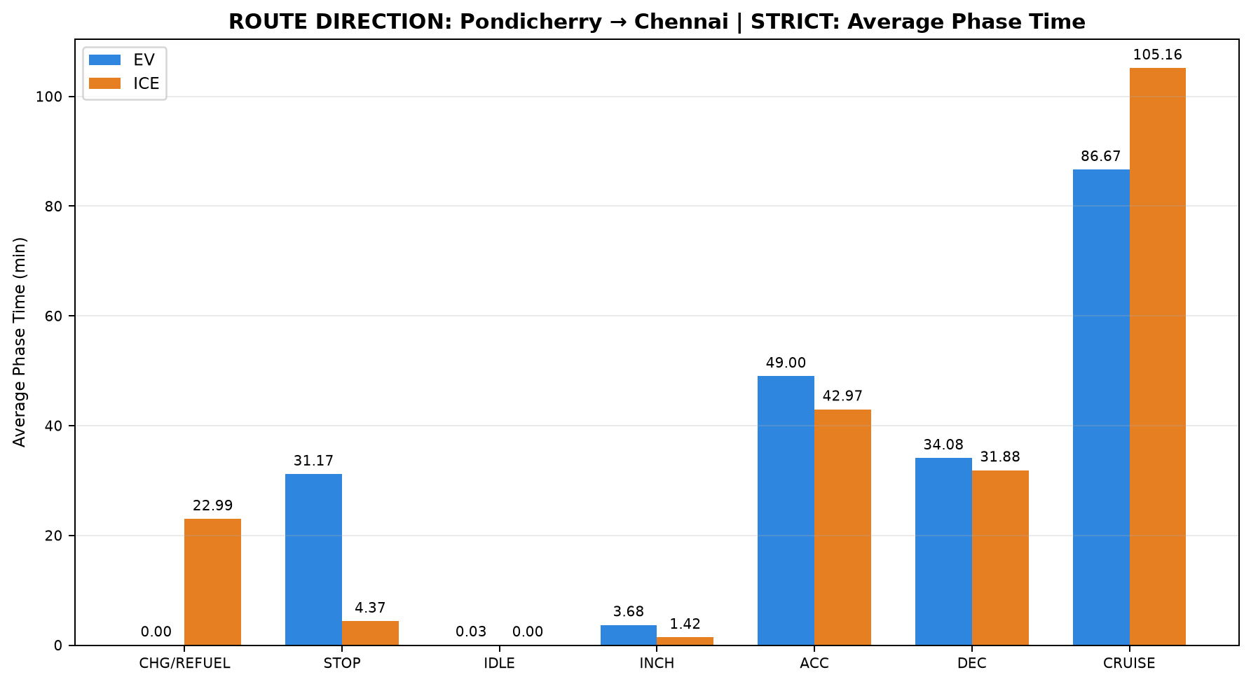
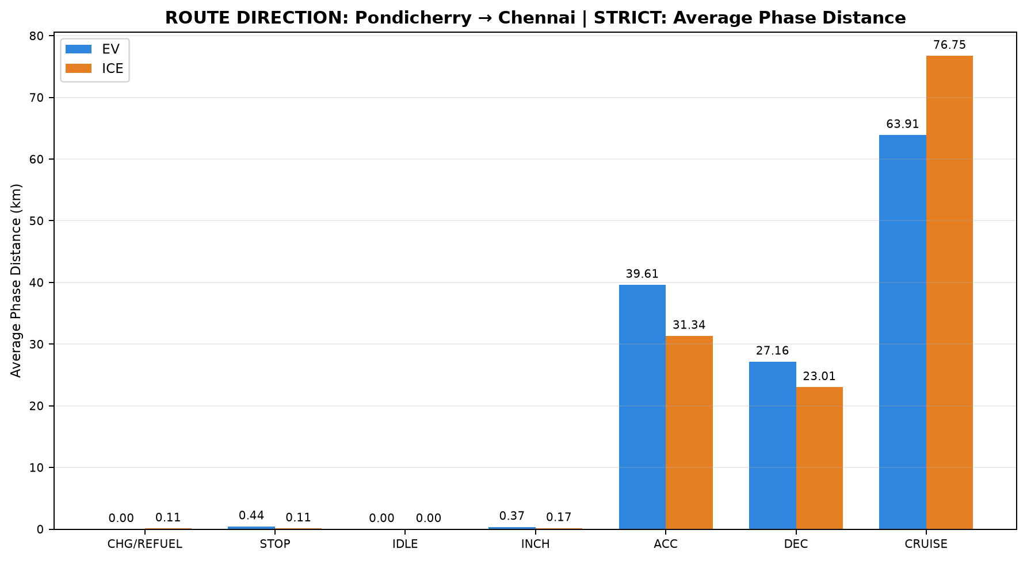
Table 1: ROUTE DIRECTION: Pondicherry → Chennai | STRICT - EV vs ICE Trip Summary
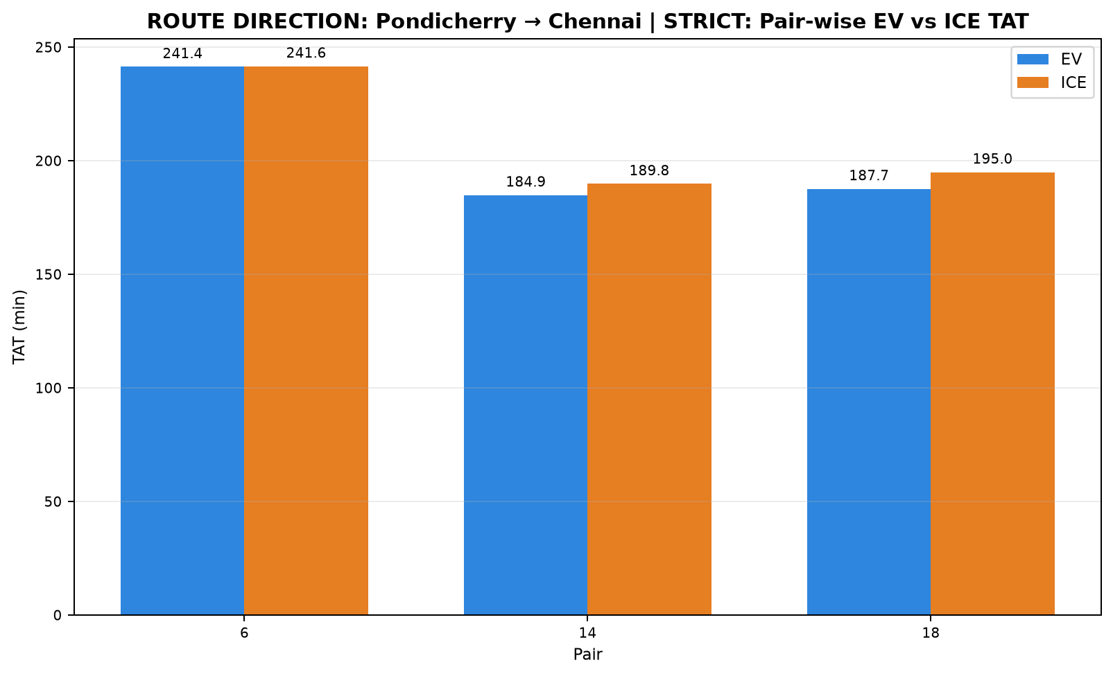

Pair | Pair ID | Pair Class | Category | Route Group | Trips | EV Date | ICE Date | EV Distance (km) | ICE Distance (km) | EV TAT (min) | ICE TAT (min) | EV Start Time | EV End Time | ICE Start Time | ICE End Time | EV Moving Avg Speed (km/h) | ICE Moving Avg Speed (km/h)
6 | PAIR_006 | STRICT | INTERCITY | Chennai ↔ Pondicherry | Pondicherry to Chennai | 16-07-2026 | 16-07-2026 | 143.678 | 143.706 | 241.374 | 241.616 | 14:16:16 | 18:17:39 | 16:37:54 | 20:39:30 | 43.156 | 42.009
14 | PAIR_014 | STRICT | INTERCITY | Chennai ↔ Pondicherry | Pondicherry to Chennai | 18-07-2026 | 18-07-2026 | 126.797 | 126.768 | 184.873 | 189.824 | 14:14:38 | 17:19:31 | 16:20:34 | 19:30:23 | 46.499 | 45.748
18 | PAIR_018 | STRICT | INTERCITY | Chennai ↔ Pondicherry | Pondicherry to Chennai | 20-07-2026 | 20-07-2026 | 123.993 | 123.980 | 187.653 | 194.958 | 14:51:18 | 17:58:57 | 16:56:44 | 20:11:41 | 46.872 | 42.819

Table 2: ROUTE DIRECTION: Pondicherry → Chennai | STRICT - Phase Time Comparison (min)

Pair | Pair ID | Vehicle | Category | Route Group | Trips | CHARGING / REFUELING | STOP | IDLE | INCHING | ACC | DEC | CRUISE
6 | PAIR_006 | EV | INTERCITY | Chennai ↔ Pondicherry | Pondicherry to Chennai | 0.000 | 42.536 | 0.000 | 4.100 | 52.500 | 38.055 | 104.183
6 | PAIR_006 | ICE | INTERCITY | Chennai ↔ Pondicherry | Pondicherry to Chennai | 23.883 | 13.100 | 0.000 | 1.617 | 43.733 | 34.950 | 124.332
14 | PAIR_014 | EV | INTERCITY | Chennai ↔ Pondicherry | Pondicherry to Chennai | 0.000 | 21.483 | 0.083 | 1.683 | 48.919 | 35.467 | 77.237
14 | PAIR_014 | ICE | INTERCITY | Chennai ↔ Pondicherry | Pondicherry to Chennai | 23.717 | 0.000 | 0.000 | 2.633 | 45.674 | 29.900 | 87.900
18 | PAIR_018 | EV | INTERCITY | Chennai ↔ Pondicherry | Pondicherry to Chennai | 0.000 | 29.483 | 0.000 | 5.267 | 45.594 | 28.733 | 78.576
18 | PAIR_018 | ICE | INTERCITY | Chennai ↔ Pondicherry | Pondicherry to Chennai | 21.383 | 0.000 | 0.000 | 0.000 | 39.517 | 30.800 | 103.258

Table 3: ROUTE DIRECTION: Pondicherry → Chennai | STRICT - Phase Distance Comparison (km)

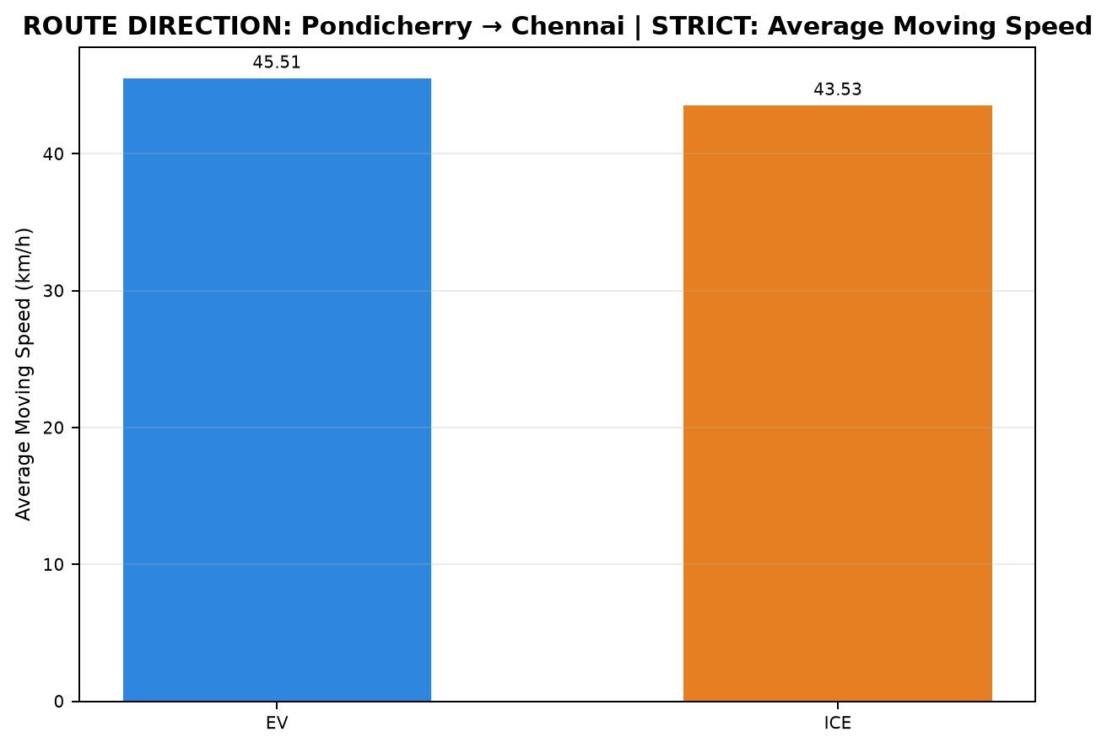
Pair | Pair ID | Vehicle | Category | Route Group | Trips | CHARGING / REFUELING | STOP | IDLE | INCHING | ACC | DEC | CRUISE
6 | PAIR_006 | EV | INTERCITY | Chennai ↔ Pondicherry | Pondicherry to Chennai | 0.000 | 0.660 | 0.000 | 0.439 | 42.768 | 30.139 | 69.672
6 | PAIR_006 | ICE | INTERCITY | Chennai ↔ Pondicherry | Pondicherry to Chennai | 0.100 | 0.334 | 0.000 | 0.270 | 31.256 | 25.114 | 86.632
14 | PAIR_014 | EV | INTERCITY | Chennai ↔ Pondicherry | Pondicherry to Chennai | 0.000 | 0.238 | 0.000 | 0.301 | 38.901 | 27.958 | 59.399
14 | PAIR_014 | ICE | INTERCITY | Chennai ↔ Pondicherry | Pondicherry to Chennai | 0.117 | 0.000 | 0.000 | 0.227 | 34.237 | 22.792 | 69.394
18 | PAIR_018 | EV | INTERCITY | Chennai ↔ Pondicherry | Pondicherry to Chennai | 0.000 | 0.430 | 0.000 | 0.355 | 37.168 | 23.384 | 62.656
18 | PAIR_018 | ICE | INTERCITY | Chennai ↔ Pondicherry | Pondicherry to Chennai | 0.109 | 0.000 | 0.000 | 0.000 | 28.521 | 21.134 | 74.217

D04_Pondicherry_to_Chennai_NONS
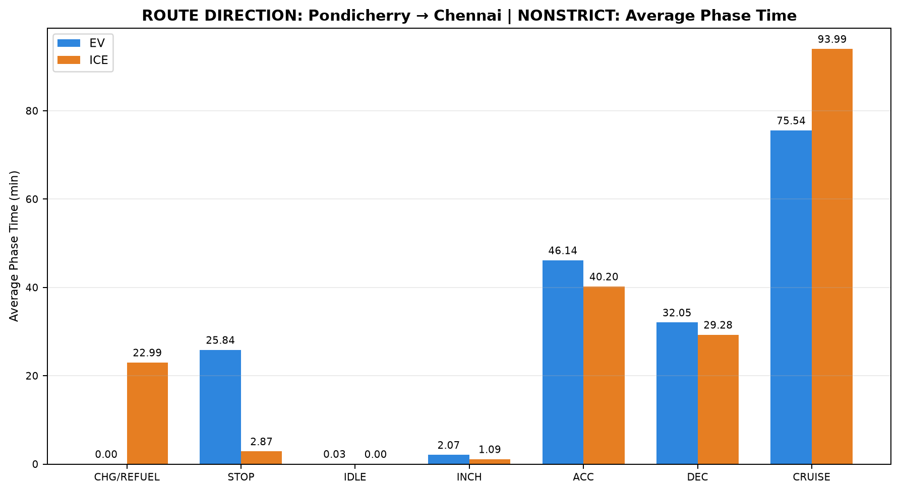
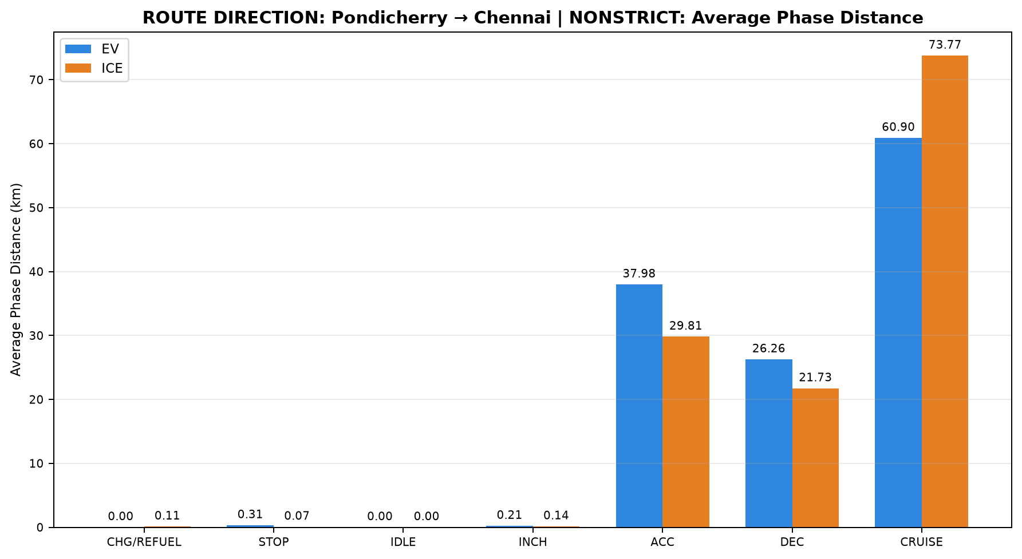
Table 1: ROUTE DIRECTION: Pondicherry → Chennai | NONSTRICT - EV vs ICE Trip Summary
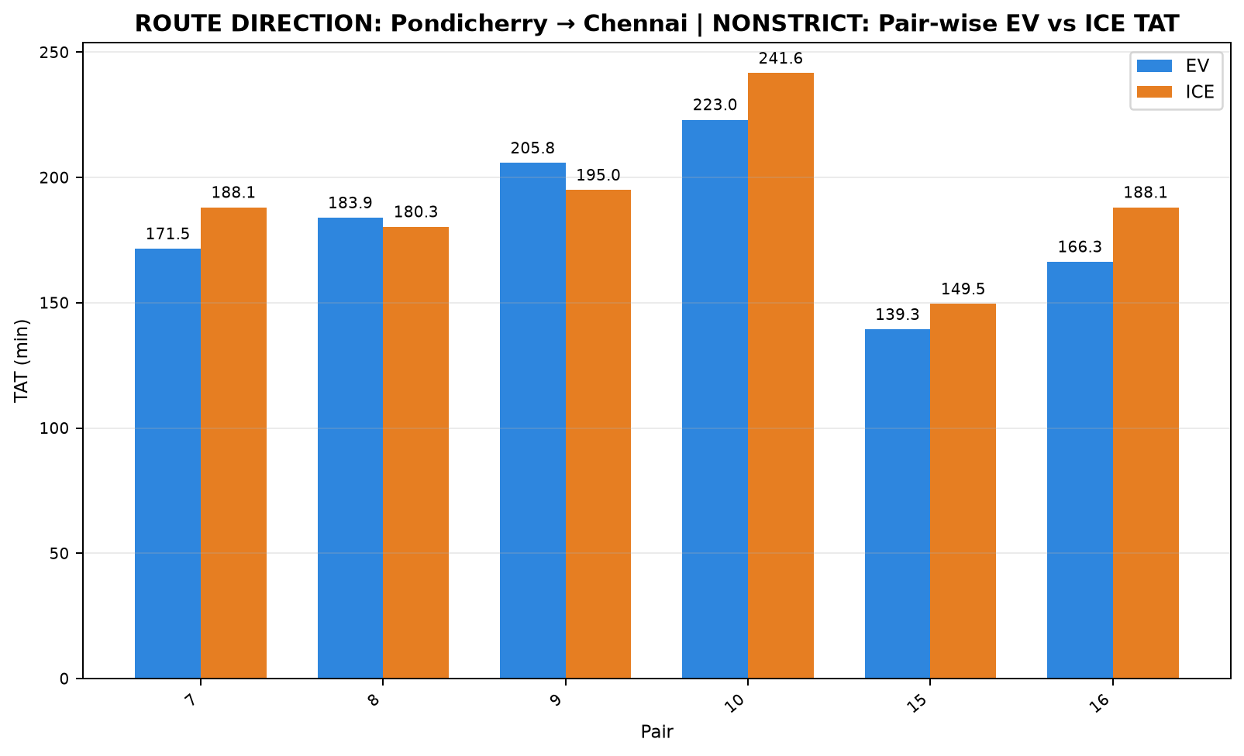

Pair | Pair ID | Pair Class | Category | Route Group | Trips | EV Date | ICE Date | EV Distance (km) | ICE Distance (km) | EV TAT (min) | ICE TAT (min) | EV Start Time | EV End Time | ICE Start Time | ICE End Time | EV Moving Avg Speed (km/h) | ICE Moving Avg Speed (km/h)
7 | PAIR_007 | NONSTRICT | INTERCITY | Chennai ↔ Pondicherry | Pondicherry to Chennai | 16-07-2026 | 18-07-2026 | 126.503 | 126.450 | 171.546 | 188.067 | 14:16:16 | 17:07:49 | 16:20:34 | 19:28:38 | 51.809 | 46.121
8 | PAIR_008 | NONSTRICT | INTERCITY | Chennai ↔ Pondicherry | Pondicherry to Chennai | 18-07-2026 | 16-07-2026 | 126.605 | 126.564 | 183.896 | 180.306 | 14:14:38 | 17:18:32 | 16:37:54 | 19:38:12 | 46.708 | 49.770
9 | PAIR_009 | NONSTRICT | INTERCITY | Chennai ↔ Pondicherry | Pondicherry to Chennai | 16-07-2026 | 20-07-2026 | 123.919 | 123.942 | 205.754 | 194.958 | 14:52:08 | 18:17:53 | 16:56:44 | 20:11:41 | 43.259 | 42.806
10 | PAIR_010 | NONSTRICT | INTERCITY | Chennai ↔ Pondicherry | Pondicherry to Chennai | 20-07-2026 | 16-07-2026 | 143.716 | 143.703 | 223.042 | 241.616 | 14:14:55 | 17:57:57 | 16:37:54 | 20:39:30 | 45.568 | 42.008
15 | PAIR_015 | NONSTRICT | INTERCITY | Chennai ↔ Pondicherry | Pondicherry to Chennai | 18-07-2026 | 20-07-2026 | 106.751 | 106.730 | 139.321 | 149.511 | 14:59:13 | 17:18:32 | 16:56:44 | 19:26:14 | 51.591 | 49.929
16 | PAIR_016 | NONSTRICT | INTERCITY | Chennai ↔ Pondicherry | Pondicherry to Chennai | 20-07-2026 | 18-07-2026 | 126.511 | 126.461 | 166.345 | 188.067 | 14:14:55 | 17:01:15 | 16:20:34 | 19:28:38 | 53.187 | 46.125

Table 2: ROUTE DIRECTION: Pondicherry → Chennai | NONSTRICT - Phase Time Comparison (min)

Pair | Pair ID | Vehicle | Category | Route Group | Trips | CHARGING / REFUELING | STOP | IDLE | INCHING | ACC | DEC | CRUISE
7 | PAIR_007 | EV | INTERCITY | Chennai ↔ Pondicherry | Pondicherry to Chennai | 0.000 | 25.419 | 0.000 | 0.000 | 43.567 | 32.133 | 70.427
7 | PAIR_007 | ICE | INTERCITY | Chennai ↔ Pondicherry | Pondicherry to Chennai | 23.717 | 0.000 | 0.000 | 2.300 | 45.500 | 29.801 | 86.750
8 | PAIR_008 | EV | INTERCITY | Chennai ↔ Pondicherry | Pondicherry to Chennai | 0.000 | 21.483 | 0.083 | 1.683 | 48.817 | 35.467 | 76.362
8 | PAIR_008 | ICE | INTERCITY | Chennai ↔ Pondicherry | Pondicherry to Chennai | 23.883 | 4.100 | 0.000 | 0.350 | 35.283 | 27.017 | 89.672
9 | PAIR_009 | EV | INTERCITY | Chennai ↔ Pondicherry | Pondicherry to Chennai | 0.000 | 34.550 | 0.000 | 4.100 | 44.283 | 31.800 | 91.021
9 | PAIR_009 | ICE | INTERCITY | Chennai ↔ Pondicherry | Pondicherry to Chennai | 21.383 | 0.000 | 0.000 | 0.000 | 39.517 | 30.800 | 103.258
10 | PAIR_010 | EV | INTERCITY | Chennai ↔ Pondicherry | Pondicherry to Chennai | 0.000 | 34.497 | 0.000 | 5.267 | 54.200 | 35.345 | 93.733
10 | PAIR_010 | ICE | INTERCITY | Chennai ↔ Pondicherry | Pondicherry to Chennai | 23.883 | 13.100 | 0.000 | 1.617 | 43.733 | 34.950 | 124.332
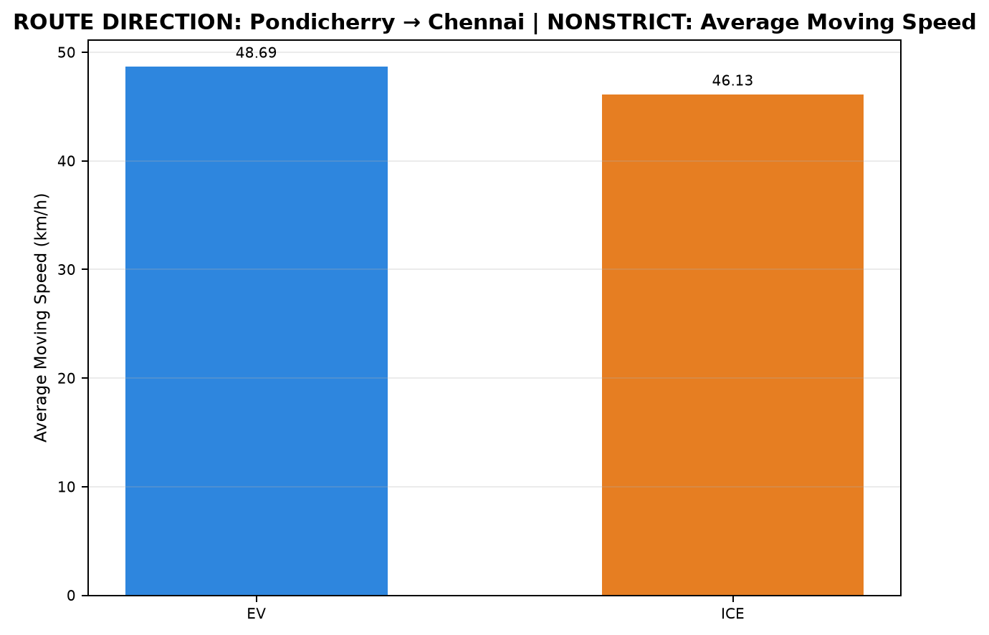
15 | PAIR_015 | EV | INTERCITY | Chennai ↔ Pondicherry | Pondicherry to Chennai | 0.000 | 15.217 | 0.083 | 1.350 | 41.283 | 29.133 | 52.254
15 | PAIR_015 | ICE | INTERCITY | Chennai ↔ Pondicherry | Pondicherry to Chennai | 21.383 | 0.000 | 0.000 | 0.000 | 31.650 | 23.283 | 73.194
16 | PAIR_016 | EV | INTERCITY | Chennai ↔ Pondicherry | Pondicherry to Chennai | 0.000 | 23.847 | 0.000 | 0.000 | 44.667 | 28.400 | 69.432
16 | PAIR_016 | ICE | INTERCITY | Chennai ↔ Pondicherry | Pondicherry to Chennai | 23.717 | 0.000 | 0.000 | 2.300 | 45.500 | 29.801 | 86.750

Table 3: ROUTE DIRECTION: Pondicherry → Chennai | NONSTRICT - Phase Distance Comparison (km)

Pair | Pair ID | Vehicle | Category | Route Group | Trips | CHARGING / REFUELING | STOP | IDLE | INCHING | ACC | DEC | CRUISE
7 | PAIR_007 | EV | INTERCITY | Chennai ↔ Pondicherry | Pondicherry to Chennai | 0.000 | 0.325 | 0.000 | 0.000 | 38.515 | 27.330 | 60.333
7 | PAIR_007 | ICE | INTERCITY | Chennai ↔ Pondicherry | Pondicherry to Chennai | 0.117 | 0.000 | 0.000 | 0.212 | 34.125 | 22.735 | 69.262
8 | PAIR_008 | EV | INTERCITY | Chennai ↔ Pondicherry | Pondicherry to Chennai | 0.000 | 0.238 | 0.000 | 0.301 | 38.829 | 27.958 | 59.279
8 | PAIR_008 | ICE | INTERCITY | Chennai ↔ Pondicherry | Pondicherry to Chennai | 0.100 | 0.114 | 0.000 | 0.167 | 26.658 | 21.580 | 77.945
9 | PAIR_009 | EV | INTERCITY | Chennai ↔ Pondicherry | Pondicherry to Chennai | 0.000 | 0.484 | 0.000 | 0.439 | 35.860 | 25.300 | 61.835
9 | PAIR_009 | ICE | INTERCITY | Chennai ↔ Pondicherry | Pondicherry to Chennai | 0.109 | 0.000 | 0.000 | 0.000 | 28.521 | 21.134 | 74.178
10 | PAIR_010 | EV | INTERCITY | Chennai ↔ Pondicherry | Pondicherry to Chennai | 0.000 | 0.522 | 0.000 | 0.355 | 43.321 | 28.545 | 70.973
10 | PAIR_010 | ICE | INTERCITY | Chennai ↔ Pondicherry | Pondicherry to Chennai | 0.100 | 0.334 | 0.000 | 0.270 | 31.255 | 25.114 | 86.631
15 | PAIR_015 | EV | INTERCITY | Chennai ↔ Pondicherry | Pondicherry to Chennai | 0.000 | 0.112 | 0.000 | 0.187 | 33.311 | 23.763 | 49.378
15 | PAIR_015 | ICE | INTERCITY | Chennai ↔ Pondicherry | Pondicherry to Chennai | 0.109 | 0.000 | 0.000 | 0.000 | 24.164 | 17.084 | 65.373
16 | PAIR_016 | EV | INTERCITY | Chennai ↔ Pondicherry | Pondicherry to Chennai | 0.000 | 0.193 | 0.000 | 0.000 | 38.022 | 24.688 | 63.609
16 | PAIR_016 | ICE | INTERCITY | Chennai ↔ Pondicherry | Pondicherry to Chennai | 0.117 | 0.000 | 0.000 | 0.212 | 34.125 | 22.747 | 69.260

R01_Chennai_Pondicherry
Table 1: ROUTE GROUP: Chennai ↔ Pondicherry - EV vs ICE Trip Summary


Pair | Pair ID | Pair Class | Category | Route Group | Trips | EV Date | ICE Date | EV Distance (km) | ICE Distance (km) | EV TAT (min) | ICE TAT (min) | EV Start Time | EV End Time | ICE Start Time | ICE End Time | EV Moving Avg Speed (km/h) | ICE Moving Avg Speed (km/h)
1 | PAIR_001 | STRICT | INTERCITY | Chennai ↔ Pondicherry | Chennai to Pondicherry | 15-07-2026 | 15-07-2026 | 148.199 | 148.125 | 240.444 | 274.350 | 09:22:41 | 13:23:07 | 11:20:23 | 15:54:44 | 41.585 | 43.136
2 | PAIR_002 | NONSTRICT | INTERCITY | Chennai ↔ Pondicherry | Chennai to Pondicherry | 15-07-2026 | 17-07-2026 | 141.622 | 141.671 | 209.592 | 221.150 | 09:56:19 | 13:25:55 | 11:43:51 | 15:25:00 | 46.138 | 44.822
3 | PAIR_003 | NONSTRICT | INTERCITY | Chennai ↔ Pondicherry | Chennai to Pondicherry | 17-07-2026 | 15-07-2026 | 148.208 | 148.150 | 221.517 | 274.350 | 07:51:32 | 11:33:03 | 11:20:23 | 15:54:44 | 46.356 | 43.143
4 | PAIR_004 | NONSTRICT | INTERCITY | Chennai ↔ Pondicherry | Chennai to Pondicherry | 15-07-2026 | 19-07-2026 | 146.110 | 146.194 | 232.892 | 269.217 | 09:38:15 | 13:31:09 | 11:08:45 | 15:37:58 | 43.319 | 44.100
5 | PAIR_005 | NONSTRICT | INTERCITY | Chennai ↔ Pondicherry | Chennai to Pondicherry | 19-07-2026 | 15-07-2026 | 147.806 | 147.735 | 199.780 | 272.709 | 09:10:36 | 12:30:22 | 11:22:01 | 15:54:44 | 47.116 | 43.369
6 | PAIR_006 | STRICT | INTERCITY | Chennai ↔ Pondicherry | Pondicherry to Chennai | 16-07-2026 | 16-07-2026 | 143.678 | 143.706 | 241.374 | 241.616 | 14:16:16 | 18:17:39 | 16:37:54 | 20:39:30 | 43.156 | 42.009
7 | PAIR_007 | NONSTRICT | INTERCITY | Chennai ↔ Pondicherry | Pondicherry to Chennai | 16-07-2026 | 18-07-2026 | 126.503 | 126.450 | 171.546 | 188.067 | 14:16:16 | 17:07:49 | 16:20:34 | 19:28:38 | 51.809 | 46.121
8 | PAIR_008 | NONSTRICT | INTERCITY | Chennai ↔ Pondicherry | Pondicherry to Chennai | 18-07-2026 | 16-07-2026 | 126.605 | 126.564 | 183.896 | 180.306 | 14:14:38 | 17:18:32 | 16:37:54 | 19:38:12 | 46.708 | 49.770
9 | PAIR_009 | NONSTRICT | INTERCITY | Chennai ↔ Pondicherry | Pondicherry to Chennai | 16-07-2026 | 20-07-2026 | 123.919 | 123.942 | 205.754 | 194.958 | 14:52:08 | 18:17:53 | 16:56:44 | 20:11:41 | 43.259 | 42.806
10 | PAIR_010 | NONSTRICT | INTERCITY | Chennai ↔ Pondicherry | Pondicherry to Chennai | 20-07-2026 | 16-07-2026 | 143.716 | 143.703 | 223.042 | 241.616 | 14:14:55 | 17:57:57 | 16:37:54 | 20:39:30 | 45.568 | 42.008
11 | PAIR_011 | STRICT | INTERCITY | Chennai ↔ Pondicherry | Chennai to Pondicherry | 17-07-2026 | 17-07-2026 | 141.599 | 141.666 | 205.643 | 221.150 | 08:09:07 | 11:34:46 | 11:43:51 | 15:25:00 | 48.290 | 44.820
12 | PAIR_012 | NONSTRICT | INTERCITY | Chennai ↔ Pondicherry | Chennai to Pondicherry | 17-07-2026 | 19-07-2026 | 146.118 | 146.227 | 219.937 | 269.217 | 07:59:53 | 11:39:50 | 11:08:45 | 15:37:58 | 46.081 | 44.108
13 | PAIR_013 | NONSTRICT | INTERCITY | Chennai ↔ Pondicherry | Chennai to Pondicherry | 19-07-2026 | 17-07-2026 | 141.718 | 141.714 | 186.116 | 221.150 | 09:26:56 | 12:33:03 | 11:43:51 | 15:25:00 | 47.903 | 44.835
14 | PAIR_014 | STRICT | INTERCITY | Chennai ↔ Pondicherry | Pondicherry to Chennai | 18-07-2026 | 18-07-2026 | 126.797 | 126.768 | 184.873 | 189.824 | 14:14:38 | 17:19:31 | 16:20:34 | 19:30:23 | 46.499 | 45.748
15 | PAIR_015 | NONSTRICT | INTERCITY | Chennai ↔ Pondicherry | Pondicherry to Chennai | 18-07-2026 | 20-07-2026 | 106.751 | 106.730 | 139.321 | 149.511 | 14:59:13 | 17:18:32 | 16:56:44 | 19:26:14 | 51.591 | 49.929
16 | PAIR_016 | NONSTRICT | INTERCITY | Chennai ↔ Pondicherry | Pondicherry to Chennai | 20-07-2026 | 18-07-2026 | 126.511 | 126.461 | 166.345 | 188.067 | 14:14:55 | 17:01:15 | 16:20:34 | 19:28:38 | 53.187 | 46.125
17 | PAIR_017 | STRICT | INTERCITY | Chennai ↔ Pondicherry | Chennai to Pondicherry | 19-07-2026 | 19-07-2026 | 145.906 | 145.994 | 195.402 | 266.863 | 09:18:36 | 12:34:01 | 11:08:45 | 15:35:36 | 46.865 | 44.574
18 | PAIR_018 | STRICT | INTERCITY | Chennai ↔ Pondicherry | Pondicherry to Chennai | 20-07-2026 | 20-07-2026 | 123.993 | 123.980 | 187.653 | 194.958 | 14:51:18 | 17:58:57 | 16:56:44 | 20:11:41 | 46.872 | 42.819

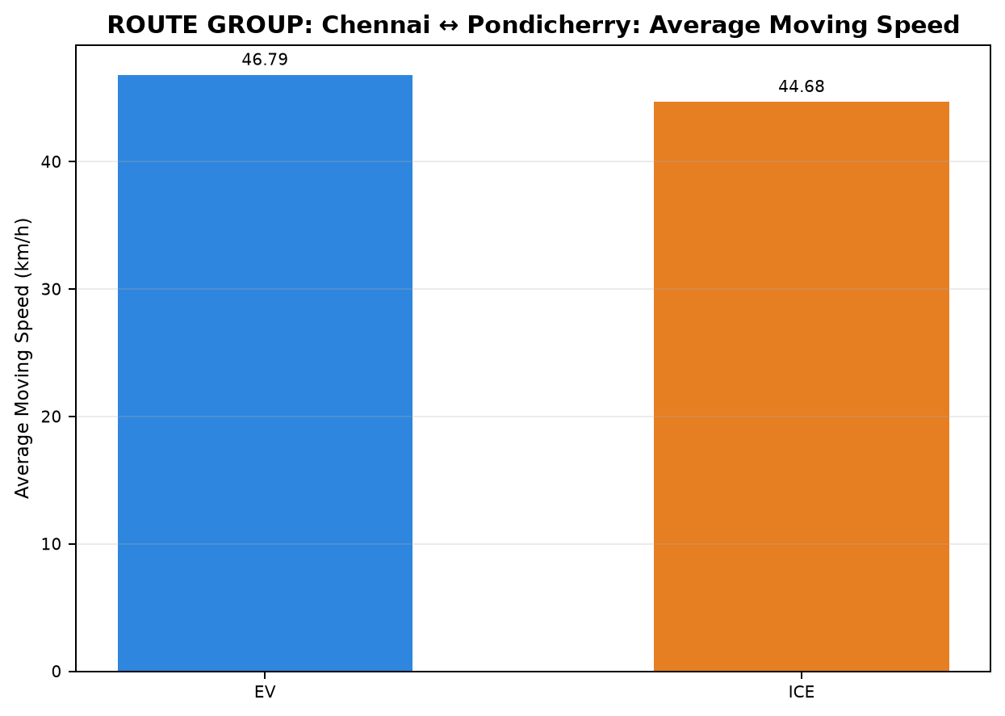
Table 2: ROUTE GROUP: Chennai ↔ Pondicherry - Phase Time Comparison (min)

Pair | Pair ID | Vehicle | Category | Route Group | Trips | CHARGING / REFUELING | STOP | IDLE | INCHING | ACC | DEC | CRUISE
1 | PAIR_001 | EV | INTERCITY | Chennai ↔ Pondicherry | Chennai to Pondicherry | 0.000 | 25.883 | 1.250 | 8.017 | 56.050 | 40.117 | 109.127
1 | PAIR_001 | ICE | INTERCITY | Chennai ↔ Pondicherry | Chennai to Pondicherry | 55.917 | 13.567 | 0.000 | 1.717 | 25.133 | 23.433 | 154.583
2 | PAIR_002 | EV | INTERCITY | Chennai ↔ Pondicherry | Chennai to Pondicherry | 0.000 | 25.883 | 0.000 | 5.933 | 52.500 | 37.575 | 87.700
2 | PAIR_002 | ICE | INTERCITY | Chennai ↔ Pondicherry | Chennai to Pondicherry | 28.267 | 3.533 | 0.000 | 1.500 | 30.467 | 23.000 | 134.383
3 | PAIR_003 | EV | INTERCITY | Chennai ↔ Pondicherry | Chennai to Pondicherry | 22.917 | 7.267 | 0.000 | 2.100 | 48.092 | 34.200 | 106.942
3 | PAIR_003 | ICE | INTERCITY | Chennai ↔ Pondicherry | Chennai to Pondicherry | 55.917 | 13.567 | 0.000 | 1.717 | 25.133 | 23.433 | 154.583
4 | PAIR_004 | EV | INTERCITY | Chennai ↔ Pondicherry | Chennai to Pondicherry | 0.000 | 29.404 | 1.770 | 8.017 | 55.217 | 38.850 | 99.633
4 | PAIR_004 | ICE | INTERCITY | Chennai ↔ Pondicherry | Chennai to Pondicherry | 59.817 | 11.267 | 0.000 | 11.600 | 38.683 | 27.133 | 120.717
5 | PAIR_005 | EV | INTERCITY | Chennai ↔ Pondicherry | Chennai to Pondicherry | 0.000 | 12.033 | 0.000 | 0.000 | 46.900 | 35.550 | 105.297
5 | PAIR_005 | ICE | INTERCITY | Chennai ↔ Pondicherry | Chennai to Pondicherry | 55.917 | 13.567 | 0.000 | 1.267 | 25.125 | 23.433 | 153.400
6 | PAIR_006 | EV | INTERCITY | Chennai ↔ Pondicherry | Pondicherry to Chennai | 0.000 | 42.536 | 0.000 | 4.100 | 52.500 | 38.055 | 104.183
6 | PAIR_006 | ICE | INTERCITY | Chennai ↔ Pondicherry | Pondicherry to Chennai | 23.883 | 13.100 | 0.000 | 1.617 | 43.733 | 34.950 | 124.332
7 | PAIR_007 | EV | INTERCITY | Chennai ↔ Pondicherry | Pondicherry to Chennai | 0.000 | 25.419 | 0.000 | 0.000 | 43.567 | 32.133 | 70.427
7 | PAIR_007 | ICE | INTERCITY | Chennai ↔ Pondicherry | Pondicherry to Chennai | 23.717 | 0.000 | 0.000 | 2.300 | 45.500 | 29.801 | 86.750
8 | PAIR_008 | EV | INTERCITY | Chennai ↔ Pondicherry | Pondicherry to Chennai | 0.000 | 21.483 | 0.083 | 1.683 | 48.817 | 35.467 | 76.362
8 | PAIR_008 | ICE | INTERCITY | Chennai ↔ Pondicherry | Pondicherry to Chennai | 23.883 | 4.100 | 0.000 | 0.350 | 35.283 | 27.017 | 89.672
9 | PAIR_009 | EV | INTERCITY | Chennai ↔ Pondicherry | Pondicherry to Chennai | 0.000 | 34.550 | 0.000 | 4.100 | 44.283 | 31.800 | 91.021
9 | PAIR_009 | ICE | INTERCITY | Chennai ↔ Pondicherry | Pondicherry to Chennai | 21.383 | 0.000 | 0.000 | 0.000 | 39.517 | 30.800 | 103.258
10 | PAIR_010 | EV | INTERCITY | Chennai ↔ Pondicherry | Pondicherry to Chennai | 0.000 | 34.497 | 0.000 | 5.267 | 54.200 | 35.345 | 93.733
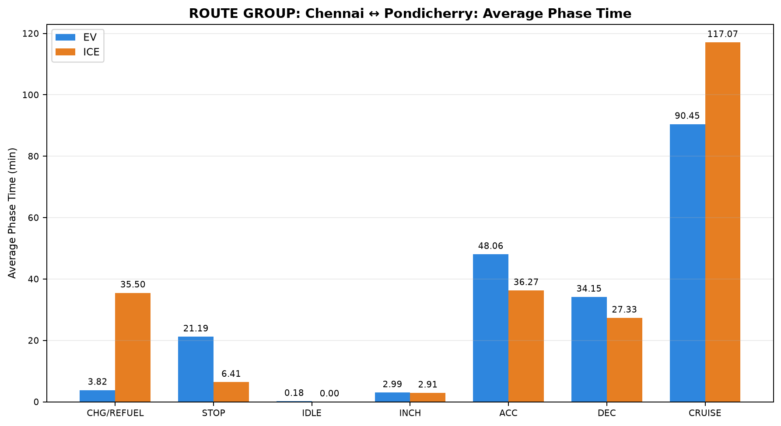
10 | PAIR_010 | ICE | INTERCITY | Chennai ↔ Pondicherry | Pondicherry to Chennai | 23.883 | 13.100 | 0.000 | 1.617 | 43.733 | 34.950 | 124.332
11 | PAIR_011 | EV | INTERCITY | Chennai ↔ Pondicherry | Chennai to Pondicherry | 22.917 | 7.267 | 0.000 | 2.100 | 43.833 | 30.750 | 98.777
11 | PAIR_011 | ICE | INTERCITY | Chennai ↔ Pondicherry | Chennai to Pondicherry | 28.267 | 3.533 | 0.000 | 1.500 | 30.467 | 23.000 | 134.383
12 | PAIR_012 | EV | INTERCITY | Chennai ↔ Pondicherry | Chennai to Pondicherry | 22.917 | 7.267 | 0.000 | 4.233 | 46.350 | 32.553 | 106.617
12 | PAIR_012 | ICE | INTERCITY | Chennai ↔ Pondicherry | Chennai to Pondicherry | 59.817 | 11.267 | 0.000 | 11.600 | 38.683 | 27.133 | 120.717
13 | PAIR_013 | EV | INTERCITY | Chennai ↔ Pondicherry | Chennai to Pondicherry | 0.000 | 8.933 | 0.000 | 0.000 | 45.238 | 34.967 | 96.978
13 | PAIR_013 | ICE | INTERCITY | Chennai ↔ Pondicherry | Chennai to Pondicherry | 28.267 | 3.533 | 0.000 | 1.500 | 30.467 | 23.000 | 134.383
14 | PAIR_014 | EV | INTERCITY | Chennai ↔ Pondicherry | Pondicherry to Chennai | 0.000 | 21.483 | 0.083 | 1.683 | 48.919 | 35.467 | 77.237
14 | PAIR_014 | ICE | INTERCITY | Chennai ↔ Pondicherry | Pondicherry to Chennai | 23.717 | 0.000 | 0.000 | 2.633 | 45.674 | 29.900 | 87.900
15 | PAIR_015 | EV | INTERCITY | Chennai ↔ Pondicherry | Pondicherry to Chennai | 0.000 | 15.217 | 0.083 | 1.350 | 41.283 | 29.133 | 52.254
15 | PAIR_015 | ICE | INTERCITY | Chennai ↔ Pondicherry | Pondicherry to Chennai | 21.383 | 0.000 | 0.000 | 0.000 | 31.650 | 23.283 | 73.194
16 | PAIR_016 | EV | INTERCITY | Chennai ↔ Pondicherry | Pondicherry to Chennai | 0.000 | 23.847 | 0.000 | 0.000 | 44.667 | 28.400 | 69.432
16 | PAIR_016 | ICE | INTERCITY | Chennai ↔ Pondicherry | Pondicherry to Chennai | 23.717 | 0.000 | 0.000 | 2.300 | 45.500 | 29.801 | 86.750
17 | PAIR_017 | EV | INTERCITY | Chennai ↔ Pondicherry | Chennai to Pondicherry | 0.000 | 8.933 | 0.000 | 0.000 | 47.050 | 35.667 | 103.752
17 | PAIR_017 | ICE | INTERCITY | Chennai ↔ Pondicherry | Chennai to Pondicherry | 59.817 | 11.267 | 0.000 | 9.247 | 38.683 | 27.133 | 120.717
18 | PAIR_018 | EV | INTERCITY | Chennai ↔ Pondicherry | Pondicherry to Chennai | 0.000 | 29.483 | 0.000 | 5.267 | 45.594 | 28.733 | 78.576
18 | PAIR_018 | ICE | INTERCITY | Chennai ↔ Pondicherry | Pondicherry to Chennai | 21.383 | 0.000 | 0.000 | 0.000 | 39.517 | 30.800 | 103.258

Table 3: ROUTE GROUP: Chennai ↔ Pondicherry - Phase Distance Comparison (km)

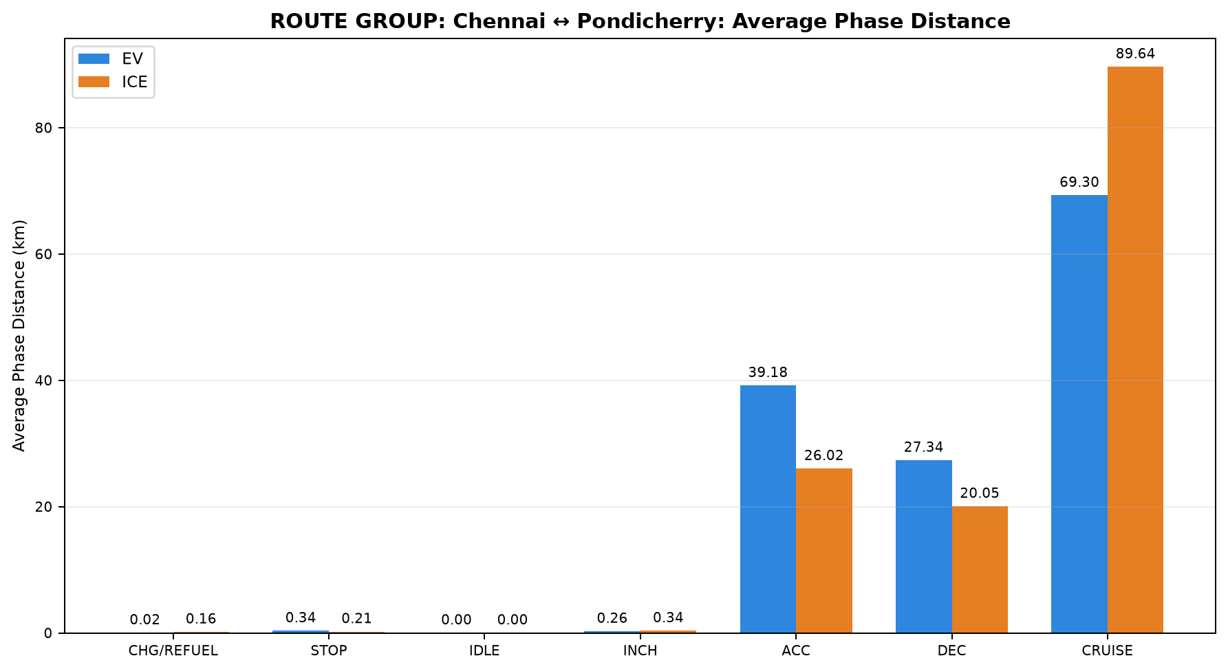
Pair | Pair ID | Vehicle | Category | Route Group | Trips | CHARGING / REFUELING | STOP | IDLE | INCHING | ACC | DEC | CRUISE
1 | PAIR_001 | EV | INTERCITY | Chennai ↔ Pondicherry | Chennai to Pondicherry | 0.000 | 0.356 | 0.000 | 0.627 | 44.917 | 31.031 | 71.268
1 | PAIR_001 | ICE | INTERCITY | Chennai ↔ Pondicherry | Chennai to Pondicherry | 0.277 | 0.563 | 0.000 | 0.576 | 16.044 | 16.780 | 113.886
2 | PAIR_002 | EV | INTERCITY | Chennai ↔ Pondicherry | Chennai to Pondicherry | 0.000 | 0.356 | 0.000 | 0.357 | 43.391 | 30.282 | 67.236
2 | PAIR_002 | ICE | INTERCITY | Chennai ↔ Pondicherry | Chennai to Pondicherry | 0.115 | 0.107 | 0.000 | 0.116 | 21.522 | 17.073 | 102.738
3 | PAIR_003 | EV | INTERCITY | Chennai ↔ Pondicherry | Chennai to Pondicherry | 0.119 | 0.264 | 0.000 | 0.205 | 38.636 | 26.863 | 82.122
3 | PAIR_003 | ICE | INTERCITY | Chennai ↔ Pondicherry | Chennai to Pondicherry | 0.277 | 0.563 | 0.000 | 0.576 | 16.044 | 16.780 | 113.911
4 | PAIR_004 | EV | INTERCITY | Chennai ↔ Pondicherry | Chennai to Pondicherry | 0.000 | 0.472 | 0.003 | 0.627 | 44.512 | 30.695 | 69.801
4 | PAIR_004 | ICE | INTERCITY | Chennai ↔ Pondicherry | Chennai to Pondicherry | 0.244 | 0.323 | 0.000 | 1.005 | 27.610 | 19.994 | 97.017
5 | PAIR_005 | EV | INTERCITY | Chennai ↔ Pondicherry | Chennai to Pondicherry | 0.000 | 0.374 | 0.000 | 0.000 | 37.607 | 27.611 | 82.215
5 | PAIR_005 | ICE | INTERCITY | Chennai ↔ Pondicherry | Chennai to Pondicherry | 0.277 | 0.563 | 0.000 | 0.466 | 16.047 | 16.780 | 113.603
6 | PAIR_006 | EV | INTERCITY | Chennai ↔ Pondicherry | Pondicherry to Chennai | 0.000 | 0.660 | 0.000 | 0.439 | 42.768 | 30.139 | 69.672
6 | PAIR_006 | ICE | INTERCITY | Chennai ↔ Pondicherry | Pondicherry to Chennai | 0.100 | 0.334 | 0.000 | 0.270 | 31.256 | 25.114 | 86.632
7 | PAIR_007 | EV | INTERCITY | Chennai ↔ Pondicherry | Pondicherry to Chennai | 0.000 | 0.325 | 0.000 | 0.000 | 38.515 | 27.330 | 60.333
7 | PAIR_007 | ICE | INTERCITY | Chennai ↔ Pondicherry | Pondicherry to Chennai | 0.117 | 0.000 | 0.000 | 0.212 | 34.125 | 22.735 | 69.262
8 | PAIR_008 | EV | INTERCITY | Chennai ↔ Pondicherry | Pondicherry to Chennai | 0.000 | 0.238 | 0.000 | 0.301 | 38.829 | 27.958 | 59.279
8 | PAIR_008 | ICE | INTERCITY | Chennai ↔ Pondicherry | Pondicherry to Chennai | 0.100 | 0.114 | 0.000 | 0.167 | 26.658 | 21.580 | 77.945
9 | PAIR_009 | EV | INTERCITY | Chennai ↔ Pondicherry | Pondicherry to Chennai | 0.000 | 0.484 | 0.000 | 0.439 | 35.860 | 25.300 | 61.835
9 | PAIR_009 | ICE | INTERCITY | Chennai ↔ Pondicherry | Pondicherry to Chennai | 0.109 | 0.000 | 0.000 | 0.000 | 28.521 | 21.134 | 74.178
10 | PAIR_010 | EV | INTERCITY | Chennai ↔ Pondicherry | Pondicherry to Chennai | 0.000 | 0.522 | 0.000 | 0.355 | 43.321 | 28.545 | 70.973
10 | PAIR_010 | ICE | INTERCITY | Chennai ↔ Pondicherry | Pondicherry to Chennai | 0.100 | 0.334 | 0.000 | 0.270 | 31.255 | 25.114 | 86.631
11 | PAIR_011 | EV | INTERCITY | Chennai ↔ Pondicherry | Chennai to Pondicherry | 0.119 | 0.264 | 0.000 | 0.205 | 36.808 | 25.368 | 78.835
11 | PAIR_011 | ICE | INTERCITY | Chennai ↔ Pondicherry | Chennai to Pondicherry | 0.115 | 0.107 | 0.000 | 0.116 | 21.520 | 17.070 | 102.738
12 | PAIR_012 | EV | INTERCITY | Chennai ↔ Pondicherry | Chennai to Pondicherry | 0.119 | 0.264 | 0.000 | 0.274 | 38.075 | 26.212 | 81.174
12 | PAIR_012 | ICE | INTERCITY | Chennai ↔ Pondicherry | Chennai to Pondicherry | 0.249 | 0.323 | 0.000 | 1.033 | 27.610 | 19.994 | 97.017
13 | PAIR_013 | EV | INTERCITY | Chennai ↔ Pondicherry | Chennai to Pondicherry | 0.000 | 0.259 | 0.000 | 0.000 | 36.811 | 27.293 | 77.354
13 | PAIR_013 | ICE | INTERCITY | Chennai ↔ Pondicherry | Chennai to Pondicherry | 0.115 | 0.107 | 0.000 | 0.116 | 21.563 | 17.074 | 102.738
14 | PAIR_014 | EV | INTERCITY | Chennai ↔ Pondicherry | Pondicherry to Chennai | 0.000 | 0.238 | 0.000 | 0.301 | 38.901 | 27.958 | 59.399
14 | PAIR_014 | ICE | INTERCITY | Chennai ↔ Pondicherry | Pondicherry to Chennai | 0.117 | 0.000 | 0.000 | 0.227 | 34.237 | 22.792 | 69.394
15 | PAIR_015 | EV | INTERCITY | Chennai ↔ Pondicherry | Pondicherry to Chennai | 0.000 | 0.112 | 0.000 | 0.187 | 33.311 | 23.763 | 49.378
15 | PAIR_015 | ICE | INTERCITY | Chennai ↔ Pondicherry | Pondicherry to Chennai | 0.109 | 0.000 | 0.000 | 0.000 | 24.164 | 17.084 | 65.373
16 | PAIR_016 | EV | INTERCITY | Chennai ↔ Pondicherry | Pondicherry to Chennai | 0.000 | 0.193 | 0.000 | 0.000 | 38.022 | 24.688 | 63.609
16 | PAIR_016 | ICE | INTERCITY | Chennai ↔ Pondicherry | Pondicherry to Chennai | 0.117 | 0.000 | 0.000 | 0.212 | 34.125 | 22.747 | 69.260
17 | PAIR_017 | EV | INTERCITY | Chennai ↔ Pondicherry | Chennai to Pondicherry | 0.000 | 0.259 | 0.000 | 0.000 | 37.714 | 27.743 | 80.190
17 | PAIR_017 | ICE | INTERCITY | Chennai ↔ Pondicherry | Chennai to Pondicherry | 0.226 | 0.323 | 0.000 | 0.824 | 27.610 | 19.994 | 97.017
18 | PAIR_018 | EV | INTERCITY | Chennai ↔ Pondicherry | Pondicherry to Chennai | 0.000 | 0.430 | 0.000 | 0.355 | 37.168 | 23.384 | 62.656
18 | PAIR_018 | ICE | INTERCITY | Chennai ↔ Pondicherry | Pondicherry to Chennai | 0.109 | 0.000 | 0.000 | 0.000 | 28.521 | 21.134 | 74.217

