Dashboard
EV and Diesel TAT and Energy Dashboard

Live Excel model from the pipeline summary. EV in teal; Diesel in orange.
Trip_Input'!A1 |  | Model'!A1 |  |  |  | Model'!A80 |  |  |  |  | 01_All_Pairs'!A1

Corridor |  | Direction |  |  | Month |  |  | Counting basis |  |  | Trend metric
Maduravoyal ↔ Silk Board |  | All |  |  | All |  |  | All pair instances |  |  | SEC (kWh/km)

Results use the selected trip population.

Energy intensity · kWh/km |  |  | Energy cost · INR/km |  |  |  | CO2 intensity · kg/km |  |  |  | Energy saving per km
EV 0.930 | Diesel 2.473 |  |  | EV 9.61 | Diesel 22.81 |  |  |  | EV 0.718 | Diesel 0.665 |  |  |  | 62.4%

Cost saving per km |  |  | CO2 saving per km |  |  |  | Full TAT difference · EV minus Diesel |  |  |  | Charging/refuelling difference
57.9% |  |  | -8.1% |  |  |  | +35.11 min |  |  |  | +29.49 min

Selected fleet profile |  |  |  |  |  |  | Latest table records · independent of filters
Metric | EV |  |  | Diesel |  |  | Pair |  | Type | Date | Direction | SEC | Check
Trips | 7 |  |  | 7 |  |  | PAIR_054 |  | Diesel | 3-Oct-26 | Madiwala → Maduravoyal | 2.119 | OK
Distance · km | 2151.32 |  |  | 2164.46 |  |  | PAIR_054 |  | EV | 3-Oct-26 | Madiwala → Maduravoyal | 0.886 | OK
Energy · kWh equivalent | 2001.75 |  |  | 5352.05 |  |  | PAIR_053 |  | Diesel | 2-Oct-26 | Maduravoyal → Madiwala | 2.702 | OK
Efficiency · km/kWh | 1.075 |  |  | 0.404 |  |  | PAIR_053 |  | EV | 2-Oct-26 | Maduravoyal → Madiwala | 1.120 | OK
Diesel economy · km/L |  |  |  | 4.033 |  |  | PAIR_052 |  | Diesel | 26-Sep-26 | Pondicherry → Chennai | 2.331 | OK
Average trip · min | 354.07 |  |  | 318.96 |  |  | PAIR_052 |  | EV | 26-Sep-26 | Pondicherry → Chennai | 0.974 | OK
Average charging/refuel · min | 29.49 |  |  | 0.00 |  |  | PAIR_051 |  | Diesel | 25-Sep-26 | Chennai → Pondicherry | 2.444 | OK
Operating speed · km/h | 56.81 |  |  | 58.17 |  |  | PAIR_051 |  | EV | 25-Sep-26 | Chennai → Pondicherry | 0.974 | OK
Wheel / consumed energy | 77.5% |  |  | 27.0% |  |  | PAIR_050 |  | Diesel | 20-Sep-26 | Madiwala → Maduravoyal | 2.400 | OK
 |  |  |  |  |  |  | PAIR_050 |  | EV | 3-Oct-26 | Madiwala → Maduravoyal | 0.885 | OK

Source rows: 108 | Latest date: 03-Oct-2026 | Failed checks: 0 | Measured trips EV/Diesel: 0/0 | Calibration factors: 1.000/1.000

Monthly trend · selected metric
 | EV | Diesel
2026-07-01 | 0.9347711626 | 2.5224902074
2026-09-01 | 0.91870665562 | 2.399462358
2026-10-01 | #N/A | #N/A
EV charging versus rest of trip
 | Charging | Rest of trip
EV | 29.488095238 | 324.5808619

Corridor comparison · month and basis
 | EV | Diesel | Saving
Chennai ↔ Pondicherry | 0.94323200925 | 2.3556600973 | 0.59958908744
Maduravoyal ↔ Madiwala | 0.978585335 | 2.4421995091 | 0.59930164127
Maduravoyal ↔ Silk Board | 0.93047311139 | 2.4726953775 | 0.6237008732
Where the energy goes
 | Road load | Acceleration | Gradient | Auxiliaries/HVAC | Engine idling | Regeneration
EV | 0.6488353528 | 0.23158681279 | -0.011151174779 | 0.14257699713 | 0 | -0.081374876547
Diesel | 1.5217788931 | 0.57564658809 | -0.025086616973 | 0.36573812037 | 0.034618392952 | 0

Turnaround by phase
 | Charging / refuelling | Stop | Idle | Inching | Acceleration | Deceleration | Cruise
EV | 29.488095238 | 26.23047619 | 11.097619048 | 5.5714285714 | 53.24437619 | 43.471559524 | 184.96540238
Diesel | 0 | 22.495238095 | 3.2666666667 | 3.8333333333 | 59.675635714 | 44.607142857 | 185.07869762
Acceleration sensitivity · approximation
 | EV | Diesel | Saving
0.15 | 0.87606807532 | 2.2424367423 | 0.60932317117
0.20 | 0.90327059335 | 2.3575660599 | 0.61686308234
0.25 * | 0.93047311139 | 2.4726953775 | 0.6237008732
0.30 | 0.95767562943 | 2.5878246951 | 0.6299302533
0.35 | 0.98487814746 | 2.7029540127 | 0.63562896637
0.40 | 1.0120806655 | 2.8180833304 | 0.64086205167

Trip scatter · moving speed and energy intensity
 | EV | Diesel
69.112 | 0.944 | #N/A
63.461 | #N/A | 2.306
69.098 | 0.944 | #N/A
66.422 | #N/A | 2.407
64.617 | 1.075 | #N/A
59.679 | #N/A | 2.742
42.808 | #N/A | #N/A
44.785 | #N/A | #N/A
47.254 | #N/A | #N/A
44.822 | #N/A | #N/A
49.307 | #N/A | #N/A
44.792 | #N/A | #N/A
44.762 | #N/A | #N/A
44.849 | #N/A | #N/A
48.109 | #N/A | #N/A
45.044 | #N/A | #N/A
41.137 | #N/A | #N/A
41.353 | #N/A | #N/A
47.638 | #N/A | #N/A
44.798 | #N/A | #N/A
44.634 | #N/A | #N/A
42.342 | #N/A | #N/A
48.732 | #N/A | #N/A
40.296 | #N/A | #N/A
40.963 | #N/A | #N/A
42.342 | #N/A | #N/A
44.924 | #N/A | #N/A
42.762 | #N/A | #N/A
46.295 | #N/A | #N/A
42.341 | #N/A | #N/A
40.356 | #N/A | #N/A
36.022 | #N/A | #N/A
44.703 | #N/A | #N/A
42.186 | #N/A | #N/A
51.089 | #N/A | #N/A
44.820 | #N/A | #N/A
48.978 | #N/A | #N/A
44.858 | #N/A | #N/A
48.980 | #N/A | #N/A
44.835 | #N/A | #N/A
47.722 | #N/A | #N/A
41.363 | #N/A | #N/A
49.270 | #N/A | #N/A
44.822 | #N/A | #N/A
43.489 | #N/A | #N/A
40.291 | #N/A | #N/A
41.522 | #N/A | #N/A
42.835 | #N/A | #N/A
50.215 | #N/A | #N/A
40.296 | #N/A | #N/A
...

Negative saving means EV is higher. Full TAT difference includes all phases. Energy uses editable assumptions. Sensitivity is approximate. * marks the EV default acceleration.

01_All_Pairs
Table 1: ALL PAIRS - EV vs ICE Trip Summary
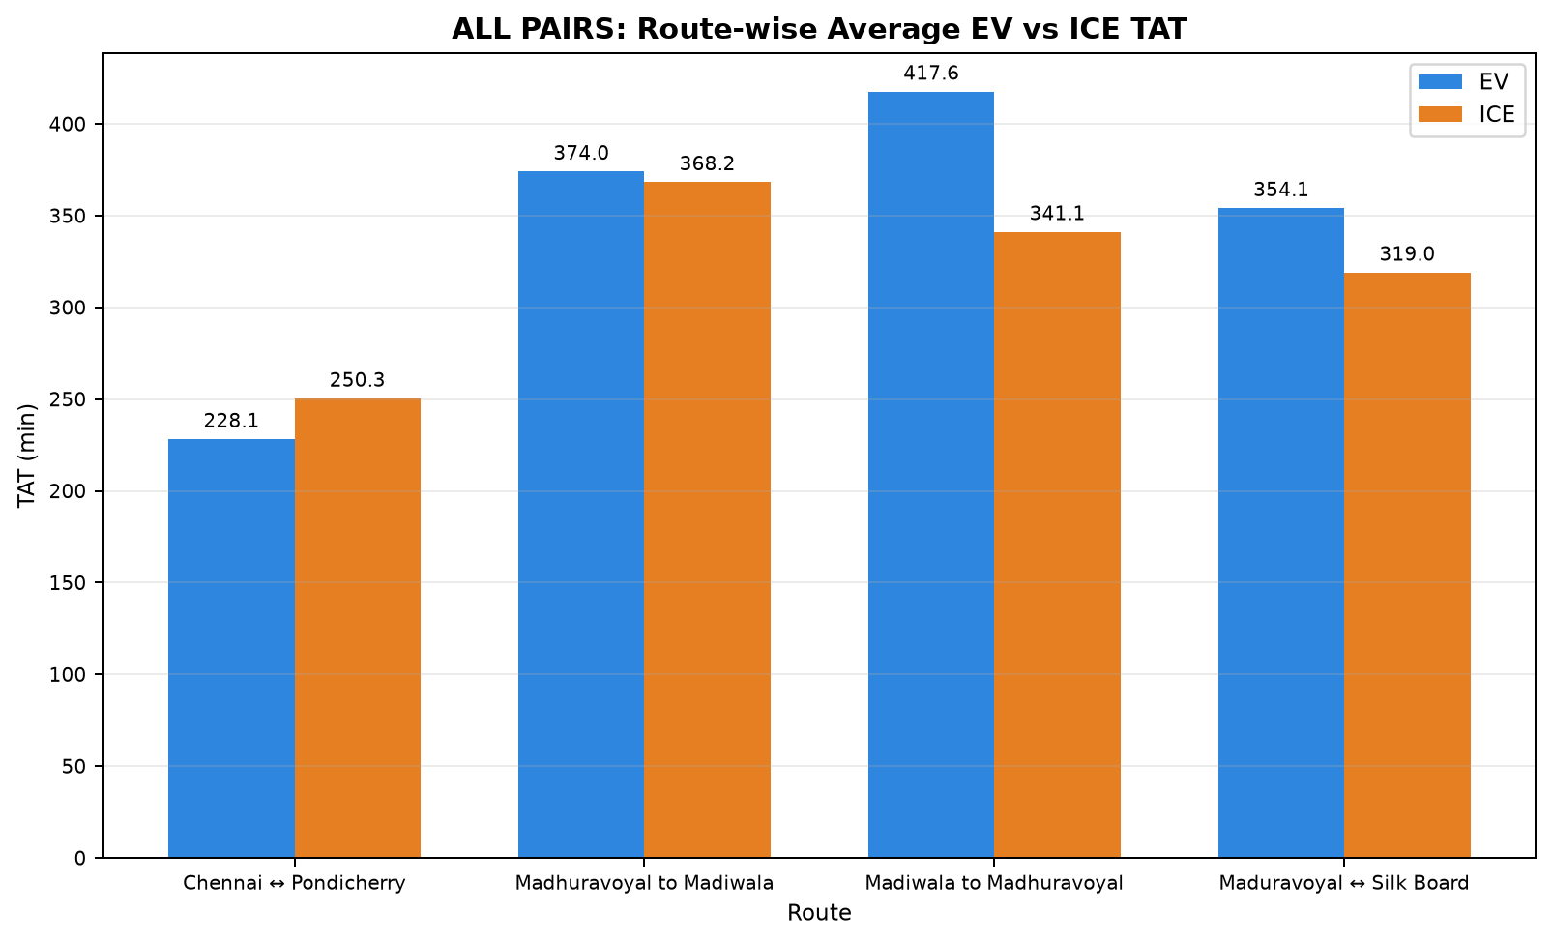

Pair | Pair ID | Pair Class | Category | Route Group | Trips | EV Date | ICE Date | EV Distance (km) | ICE Distance (km) | EV TAT (min) | ICE TAT (min) | EV Start Time | EV End Time | ICE Start Time | ICE End Time | EV Moving Avg Speed (km/h) | ICE Moving Avg Speed (km/h)
1 | PAIR_001 | NONSTRICT | INTERCITY | Maduravoyal ↔ Silk Board | SilkBoard to Madhuravoyal | 05-07-2026 | 29-07-2026 | 305.167 | 310.474 | 343.840 | 311.508 | 08:36:08 | 14:19:59 | 22:58:13 | 04:09:43 | 69.112 | 63.461
2 | PAIR_002 | NONSTRICT | INTERCITY | Maduravoyal ↔ Silk Board | SilkBoard to Madhuravoyal | 05-07-2026 | 05-09-2026 | 305.107 | 305.216 | 343.840 | 299.018 | 08:36:08 | 14:19:59 | 23:15:55 | 04:14:56 | 69.098 | 66.422
3 | PAIR_003 | NONSTRICT | INTERCITY | Maduravoyal ↔ Silk Board | Madhuravoyal to SilkBoard | 10-07-2026 | 31-07-2026 | 320.340 | 320.689 | 345.617 | 358.397 | 00:24:16 | 06:09:53 | 23:25:13 | 05:23:37 | 64.617 | 59.679
4 | PAIR_004 | STRICT | INTERCITY | Chennai ↔ Pondicherry | Chennai to Pondicherry | 15-07-2026 | 15-07-2026 | 148.199 | 148.125 | 240.444 | 274.350 | 09:22:41 | 13:23:07 | 11:20:23 | 15:54:44 | 42.808 | 44.785
5 | PAIR_005 | NONSTRICT | INTERCITY | Chennai ↔ Pondicherry | Chennai to Pondicherry | 15-07-2026 | 17-07-2026 | 141.622 | 141.671 | 209.592 | 221.150 | 09:56:19 | 13:25:55 | 11:43:51 | 15:25:00 | 47.254 | 44.822
6 | PAIR_006 | NONSTRICT | INTERCITY | Chennai ↔ Pondicherry | Chennai to Pondicherry | 17-07-2026 | 15-07-2026 | 148.208 | 148.150 | 221.517 | 274.350 | 07:51:32 | 11:33:03 | 11:20:23 | 15:54:44 | 49.307 | 44.792
7 | PAIR_007 | NONSTRICT | INTERCITY | Chennai ↔ Pondicherry | Chennai to Pondicherry | 15-07-2026 | 19-07-2026 | 146.110 | 146.194 | 232.892 | 269.217 | 09:38:15 | 13:31:09 | 11:08:45 | 15:37:58 | 44.762 | 44.849
8 | PAIR_008 | NONSTRICT | INTERCITY | Chennai ↔ Pondicherry | Chennai to Pondicherry | 19-07-2026 | 15-07-2026 | 147.806 | 147.735 | 199.780 | 272.709 | 09:10:36 | 12:30:22 | 11:22:01 | 15:54:44 | 48.109 | 45.044
9 | PAIR_009 | NONSTRICT | INTERCITY | Chennai ↔ Pondicherry | Chennai to Pondicherry | 15-07-2026 | 25-09-2026 | 153.535 | 153.553 | 299.505 | 285.567 | 08:26:24 | 13:25:55 | 14:27:10 | 19:12:44 | 41.137 | 41.353
10 | PAIR_010 | NONSTRICT | INTERCITY | Chennai ↔ Pondicherry | Chennai to Pondicherry | 25-09-2026 | 15-07-2026 | 148.408 | 148.169 | 247.268 | 274.350 | 13:45:53 | 17:53:09 | 11:20:23 | 15:54:44 | 47.638 | 44.798
11 | PAIR_011 | STRICT | INTERCITY | Chennai ↔ Pondicherry | Pondicherry to Chennai | 16-07-2026 | 16-07-2026 | 143.678 | 143.706 | 241.374 | 241.616 | 14:16:16 | 18:17:39 | 16:37:54 | 20:39:30 | 44.634 | 42.342
12 | PAIR_012 | NONSTRICT | INTERCITY | Chennai ↔ Pondicherry | Pondicherry to Chennai | 16-07-2026 | 18-07-2026 | 136.691 | 137.907 | 199.884 | 231.883 | 14:16:16 | 17:36:09 | 16:20:34 | 20:12:27 | 48.732 | 40.296
13 | PAIR_013 | NONSTRICT | INTERCITY | Chennai ↔ Pondicherry | Pondicherry to Chennai | 18-07-2026 | 16-07-2026 | 144.869 | 143.725 | 251.711 | 241.616 | 14:14:38 | 18:26:21 | 16:37:54 | 20:39:30 | 40.963 | 42.342
14 | PAIR_014 | NONSTRICT | INTERCITY | Chennai ↔ Pondicherry | Pondicherry to Chennai | 16-07-2026 | 20-07-2026 | 123.919 | 123.942 | 205.754 | 194.958 | 14:52:08 | 18:17:53 | 16:56:44 | 20:11:41 | 44.924 | 42.762
15 | PAIR_015 | NONSTRICT | INTERCITY | Chennai ↔ Pondicherry | Pondicherry to Chennai | 20-07-2026 | 16-07-2026 | 143.716 | 143.703 | 223.042 | 241.616 | 14:14:55 | 17:57:57 | 16:37:54 | 20:39:30 | 46.295 | 42.341
16 | PAIR_016 | NONSTRICT | INTERCITY | Chennai ↔ Pondicherry | Pondicherry to Chennai | 16-07-2026 | 26-09-2026 | 152.239 | 153.948 | 276.102 | 291.360 | 14:16:16 | 18:52:23 | 16:16:08 | 21:07:29 | 40.356 | 36.022
17 | PAIR_017 | NONSTRICT | INTERCITY | Chennai ↔ Pondicherry | Pondicherry to Chennai | 26-09-2026 | 16-07-2026 | 145.599 | 143.819 | 242.588 | 242.528 | 14:31:24 | 18:34:00 | 16:37:54 | 20:40:25 | 44.703 | 42.186
18 | PAIR_018 | STRICT | INTERCITY | Chennai ↔ Pondicherry | Chennai to Pondicherry | 17-07-2026 | 17-07-2026 | 141.599 | 141.666 | 205.643 | 221.150 | 08:09:07 | 11:34:46 | 11:43:51 | 15:25:00 | 51.089 | 44.820
19 | PAIR_019 | NONSTRICT | INTERCITY | Chennai ↔ Pondicherry | Chennai to Pondicherry | 17-07-2026 | 19-07-2026 | 146.118 | 146.227 | 219.937 | 269.217 | 07:59:53 | 11:39:50 | 11:08:45 | 15:37:58 | 48.978 | 44.858
20 | PAIR_020 | NONSTRICT | INTERCITY | Chennai ↔ Pondicherry | Chennai to Pondicherry | 19-07-2026 | 17-07-2026 | 141.718 | 141.714 | 186.116 | 221.150 | 09:26:56 | 12:33:03 | 11:43:51 | 15:25:00 | 48.980 | 44.835
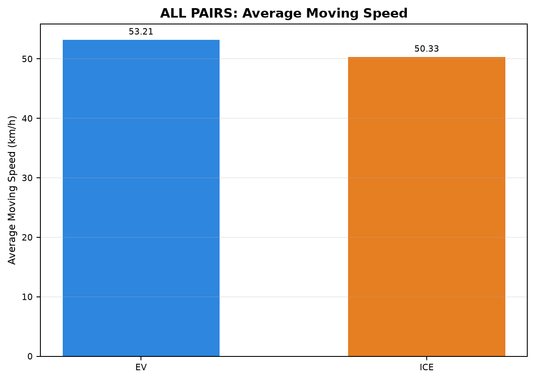
21 | PAIR_021 | NONSTRICT | INTERCITY | Chennai ↔ Pondicherry | Chennai to Pondicherry | 17-07-2026 | 25-09-2026 | 153.580 | 153.588 | 235.732 | 285.567 | 07:39:02 | 11:34:46 | 14:27:10 | 19:12:44 | 47.722 | 41.363
22 | PAIR_022 | NONSTRICT | INTERCITY | Chennai ↔ Pondicherry | Chennai to Pondicherry | 25-09-2026 | 17-07-2026 | 141.832 | 141.673 | 221.122 | 221.150 | 14:13:59 | 17:55:07 | 11:43:51 | 15:25:00 | 49.270 | 44.822
23 | PAIR_023 | STRICT | INTERCITY | Chennai ↔ Pondicherry | Pondicherry to Chennai | 18-07-2026 | 18-07-2026 | 137.848 | 137.911 | 223.051 | 231.883 | 14:14:38 | 17:57:41 | 16:20:34 | 20:12:27 | 43.489 | 40.291
24 | PAIR_024 | NONSTRICT | INTERCITY | Chennai ↔ Pondicherry | Pondicherry to Chennai | 18-07-2026 | 20-07-2026 | 125.022 | 123.887 | 207.136 | 194.533 | 14:59:13 | 18:26:21 | 16:56:44 | 20:11:15 | 41.522 | 42.835
25 | PAIR_025 | NONSTRICT | INTERCITY | Chennai ↔ Pondicherry | Pondicherry to Chennai | 20-07-2026 | 18-07-2026 | 136.717 | 137.908 | 189.991 | 231.883 | 14:14:55 | 17:24:54 | 16:20:34 | 20:12:27 | 50.215 | 40.296
26 | PAIR_026 | NONSTRICT | INTERCITY | Chennai ↔ Pondicherry | Pondicherry to Chennai | 18-07-2026 | 26-09-2026 | 153.373 | 154.063 | 281.087 | 291.750 | 14:14:38 | 18:55:44 | 16:16:08 | 21:07:53 | 38.129 | 35.990
27 | PAIR_027 | NONSTRICT | INTERCITY | Chennai ↔ Pondicherry | Pondicherry to Chennai | 26-09-2026 | 18-07-2026 | 138.294 | 137.869 | 219.909 | 231.883 | 14:31:24 | 18:11:19 | 16:20:34 | 20:12:27 | 46.484 | 40.287
28 | PAIR_028 | STRICT | INTERCITY | Chennai ↔ Pondicherry | Chennai to Pondicherry | 19-07-2026 | 19-07-2026 | 145.906 | 145.994 | 195.402 | 266.863 | 09:18:36 | 12:34:01 | 11:08:45 | 15:35:36 | 48.033 | 45.343
29 | PAIR_029 | NONSTRICT | INTERCITY | Chennai ↔ Pondicherry | Chennai to Pondicherry | 19-07-2026 | 25-09-2026 | 148.618 | 148.552 | 202.454 | 266.738 | 09:10:36 | 12:33:03 | 14:45:59 | 19:12:44 | 47.686 | 42.945
30 | PAIR_030 | NONSTRICT | INTERCITY | Chennai ↔ Pondicherry | Chennai to Pondicherry | 25-09-2026 | 19-07-2026 | 145.977 | 145.889 | 255.744 | 265.630 | 13:56:09 | 18:11:54 | 11:08:45 | 15:34:22 | 47.245 | 45.595
31 | PAIR_031 | STRICT | INTERCITY | Chennai ↔ Pondicherry | Pondicherry to Chennai | 20-07-2026 | 20-07-2026 | 123.993 | 123.980 | 187.653 | 194.958 | 14:51:18 | 17:58:57 | 16:56:44 | 20:11:41 | 46.883 | 42.762
32 | PAIR_032 | NONSTRICT | INTERCITY | Maduravoyal ↔ Silk Board | SilkBoard to Madhuravoyal | 20-07-2026 | 29-07-2026 | 324.828 | 330.654 | 356.122 | 333.433 | 00:01:12 | 05:57:20 | 22:58:13 | 04:31:39 | 65.689 | 62.888
33 | PAIR_033 | NONSTRICT | INTERCITY | Maduravoyal ↔ Silk Board | SilkBoard to Madhuravoyal | 20-07-2026 | 05-09-2026 | 320.295 | 320.930 | 350.055 | 317.316 | 00:02:48 | 05:52:52 | 23:17:40 | 04:34:59 | 66.127 | 65.884
34 | PAIR_034 | NONSTRICT | INTERCITY | Chennai ↔ Pondicherry | Pondicherry to Chennai | 20-07-2026 | 26-09-2026 | 152.395 | 154.032 | 252.847 | 291.750 | 14:14:55 | 18:27:46 | 16:16:08 | 21:07:53 | 42.288 | 35.987
35 | PAIR_035 | NONSTRICT | INTERCITY | Chennai ↔ Pondicherry | Pondicherry to Chennai | 26-09-2026 | 20-07-2026 | 125.742 | 123.982 | 194.938 | 194.958 | 15:19:03 | 18:34:00 | 16:56:44 | 20:11:41 | 45.475 | 42.769
36 | PAIR_036 | NONSTRICT | INTERCITY | Maduravoyal ↔ Silk Board | Madhuravoyal to SilkBoard | 05-09-2026 | 31-07-2026 | 326.458 | 326.591 | 477.621 | 368.083 | 00:04:24 | 08:02:01 | 23:17:40 | 05:25:45 | 53.205 | 59.004
37 | PAIR_037 | STRICT | INTERCITY | Maduravoyal ↔ Silk Board | SilkBoard to Madhuravoyal | 06-09-2026 | 05-09-2026 | 249.127 | 249.907 | 261.387 | 244.941 | 00:18:27 | 04:39:51 | 23:15:55 | 03:20:51 | 63.844 | 67.455
38 | PAIR_038 | STRICT | INTERCITY | Madhuravoyal to Madiwala | Madhuravoyal to Madiwala | 11-09-2026 | 11-09-2026 | 326.355 | 325.946 | 395.000 | 374.962 | 23:17:00 | 05:52:00 | 23:27:11 | 05:42:08 | 61.316 | 59.540
39 | PAIR_039 | NONSTRICT | INTERCITY | Madhuravoyal to Madiwala | Madhuravoyal to Madiwala | 11-09-2026 | 18-09-2026 | 325.416 | 325.054 | 392.371 | 411.883 | 23:19:37 | 05:52:00 | 17:17:37 | 00:09:30 | 61.648 | 56.978
40 | PAIR_040 | NONSTRICT | INTERCITY | Madhuravoyal to Madiwala | Madhuravoyal to Madiwala | 11-09-2026 | 02-10-2026 | 326.424 | 325.952 | 395.000 | 319.505 | 23:17:00 | 05:52:00 | 23:29:56 | 04:49:26 | 61.329 | 62.637
41 | PAIR_041 | NONSTRICT | INTERCITY | Madhuravoyal to Madiwala | Madhuravoyal to Madiwala | 02-10-2026 | 11-09-2026 | 325.449 | 325.197 | 353.848 | 372.550 | 23:13:07 | 05:06:58 | 23:27:11 | 05:39:44 | 67.121 | 59.843
42 | PAIR_042 | STRICT | INTERCITY | Madiwala to Madhuravoyal | Madiwala to Madhuravoyal | 12-09-2026 | 12-09-2026 | 321.861 | 322.433 | 405.771 | 325.405 | 23:20:57 | 06:06:43 | 23:13:05 | 04:38:29 | 64.645 | 63.965
43 | PAIR_043 | NONSTRICT | INTERCITY | Madiwala to Madhuravoyal | Madiwala to Madhuravoyal | 12-09-2026 | 20-09-2026 | 322.177 | 321.627 | 446.450 | 341.442 | 22:40:31 | 06:06:58 | 12:12:58 | 17:54:24 | 64.440 | 64.281
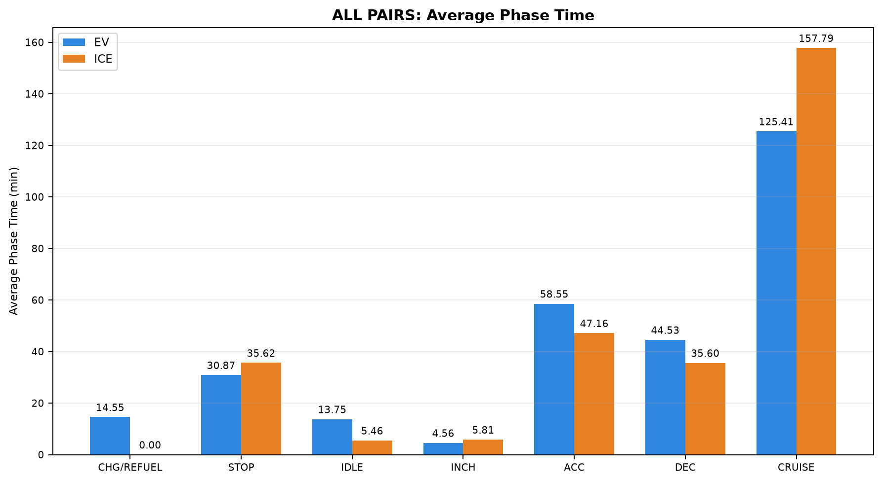
44 | PAIR_044 | NONSTRICT | INTERCITY | Madiwala to Madhuravoyal | Madiwala to Madhuravoyal | 20-09-2026 | 12-09-2026 | 324.430 | 325.035 | 408.627 | 325.266 | 11:26:04 | 18:14:41 | 23:17:34 | 04:42:50 | 62.281 | 63.759
45 | PAIR_045 | NONSTRICT | INTERCITY | Madiwala to Madhuravoyal | Madiwala to Madhuravoyal | 12-09-2026 | 03-10-2026 | 322.274 | 322.647 | 446.450 | 349.426 | 22:40:31 | 06:06:58 | 22:00:02 | 03:49:27 | 64.459 | 59.876
46 | PAIR_046 | NONSTRICT | INTERCITY | Madiwala to Madhuravoyal | Madiwala to Madhuravoyal | 03-10-2026 | 12-09-2026 | 324.935 | 325.726 | 394.635 | 329.750 | 22:22:51 | 04:57:29 | 23:13:05 | 04:42:50 | 64.174 | 63.703
47 | PAIR_047 | NONSTRICT | INTERCITY | Madhuravoyal to Madiwala | Madhuravoyal to Madiwala | 02-10-2026 | 18-09-2026 | 325.382 | 325.173 | 353.848 | 412.488 | 23:13:07 | 05:06:58 | 17:14:54 | 00:07:23 | 67.108 | 57.067
48 | PAIR_048 | STRICT | INTERCITY | Madiwala to Madhuravoyal | Madiwala to Madhuravoyal | 20-09-2026 | 20-09-2026 | 325.399 | 324.884 | 410.733 | 348.147 | 11:26:04 | 18:16:48 | 12:14:31 | 18:02:40 | 62.048 | 63.513
49 | PAIR_049 | NONSTRICT | INTERCITY | Madiwala to Madhuravoyal | Madiwala to Madhuravoyal | 20-09-2026 | 03-10-2026 | 323.754 | 324.125 | 407.748 | 346.047 | 11:26:04 | 18:13:48 | 22:06:43 | 03:52:46 | 62.326 | 60.099
50 | PAIR_050 | NONSTRICT | INTERCITY | Madiwala to Madhuravoyal | Madiwala to Madhuravoyal | 03-10-2026 | 20-09-2026 | 326.466 | 326.134 | 420.647 | 351.750 | 21:59:13 | 04:59:52 | 12:12:58 | 18:04:43 | 63.924 | 63.017
51 | PAIR_051 | STRICT | INTERCITY | Chennai ↔ Pondicherry | Chennai to Pondicherry | 25-09-2026 | 25-09-2026 | 153.676 | 153.531 | 265.815 | 285.567 | 13:29:18 | 17:55:07 | 14:27:10 | 19:12:44 | 45.911 | 41.347
52 | PAIR_052 | STRICT | INTERCITY | Chennai ↔ Pondicherry | Pondicherry to Chennai | 26-09-2026 | 26-09-2026 | 151.560 | 152.109 | 263.953 | 286.340 | 14:31:12 | 18:55:10 | 16:16:08 | 21:02:28 | 42.410 | 36.294
53 | PAIR_053 | STRICT | INTERCITY | Madhuravoyal to Madiwala | Madhuravoyal to Madiwala | 02-10-2026 | 02-10-2026 | 325.409 | 325.096 | 353.848 | 317.947 | 23:13:07 | 05:06:58 | 23:29:56 | 04:47:52 | 67.113 | 62.786
54 | PAIR_054 | STRICT | INTERCITY | Madiwala to Madhuravoyal | Madiwala to Madhuravoyal | 03-10-2026 | 03-10-2026 | 324.470 | 325.033 | 417.365 | 352.733 | 21:59:13 | 04:56:35 | 22:00:02 | 03:52:46 | 64.215 | 59.708

Table 2: ALL PAIRS - Phase Time Comparison (min)

Pair | Pair ID | Vehicle | Category | Route Group | Trips | CHARGING / REFUELING | STOP | IDLE | INCHING | ACC | DEC | CRUISE
1 | PAIR_001 | EV | INTERCITY | Maduravoyal ↔ Silk Board | SilkBoard to Madhuravoyal | 30.000 | 23.650 | 25.700 | 7.600 | 61.424 | 45.183 | 150.283
1 | PAIR_001 | ICE | INTERCITY | Maduravoyal ↔ Silk Board | SilkBoard to Madhuravoyal | 0.000 | 18.100 | 0.067 | 1.750 | 57.691 | 41.383 | 192.517
2 | PAIR_002 | EV | INTERCITY | Maduravoyal ↔ Silk Board | SilkBoard to Madhuravoyal | 30.000 | 23.650 | 25.700 | 7.600 | 61.424 | 45.183 | 150.283
2 | PAIR_002 | ICE | INTERCITY | Maduravoyal ↔ Silk Board | SilkBoard to Madhuravoyal | 0.000 | 16.433 | 6.983 | 5.000 | 60.018 | 42.633 | 167.950
3 | PAIR_003 | EV | INTERCITY | Maduravoyal ↔ Silk Board | Madhuravoyal to SilkBoard | 38.333 | 10.567 | 0.000 | 0.667 | 49.317 | 44.583 | 202.150
3 | PAIR_003 | ICE | INTERCITY | Maduravoyal ↔ Silk Board | Madhuravoyal to SilkBoard | 0.000 | 35.983 | 0.350 | 4.083 | 62.087 | 50.533 | 205.360
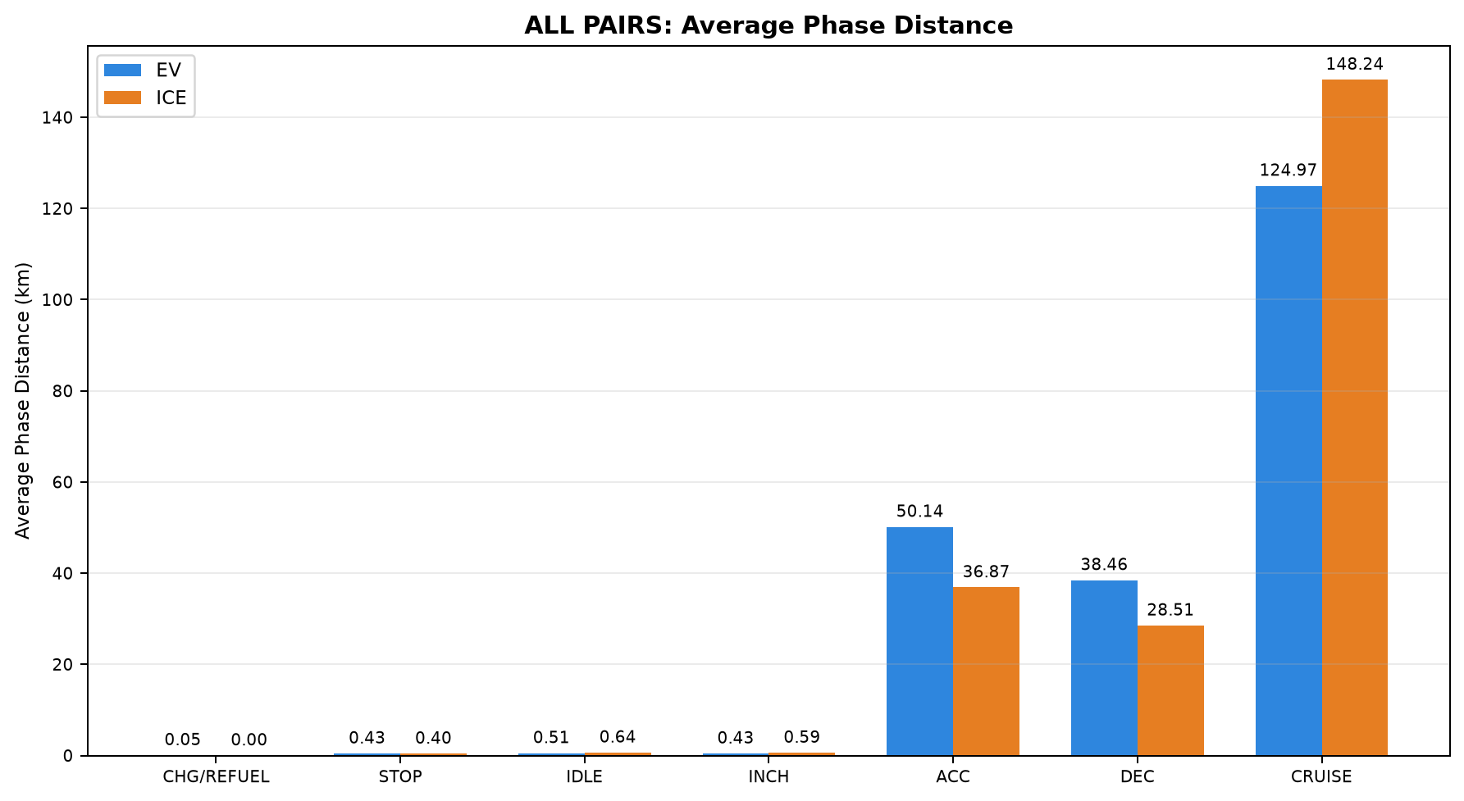
4 | PAIR_004 | EV | INTERCITY | Chennai ↔ Pondicherry | Chennai to Pondicherry | 0.000 | 25.883 | 8.150 | 8.017 | 55.883 | 40.117 | 102.394
4 | PAIR_004 | ICE | INTERCITY | Chennai ↔ Pondicherry | Chennai to Pondicherry | 0.000 | 69.483 | 9.950 | 1.717 | 25.133 | 23.433 | 144.633
5 | PAIR_005 | EV | INTERCITY | Chennai ↔ Pondicherry | Chennai to Pondicherry | 0.000 | 25.883 | 4.933 | 5.933 | 52.333 | 37.575 | 82.934
5 | PAIR_005 | ICE | INTERCITY | Chennai ↔ Pondicherry | Chennai to Pondicherry | 0.000 | 31.800 | 0.000 | 1.500 | 30.467 | 23.000 | 134.383
6 | PAIR_006 | EV | INTERCITY | Chennai ↔ Pondicherry | Chennai to Pondicherry | 0.000 | 30.183 | 14.292 | 2.100 | 48.092 | 33.450 | 93.400
6 | PAIR_006 | ICE | INTERCITY | Chennai ↔ Pondicherry | Chennai to Pondicherry | 0.000 | 69.483 | 9.950 | 1.717 | 25.133 | 23.433 | 144.633
7 | PAIR_007 | EV | INTERCITY | Chennai ↔ Pondicherry | Chennai to Pondicherry | 0.000 | 29.404 | 9.237 | 8.017 | 55.050 | 38.850 | 92.333
7 | PAIR_007 | ICE | INTERCITY | Chennai ↔ Pondicherry | Chennai to Pondicherry | 0.000 | 71.083 | 4.050 | 11.600 | 38.683 | 26.817 | 116.983
8 | PAIR_008 | EV | INTERCITY | Chennai ↔ Pondicherry | Chennai to Pondicherry | 0.000 | 12.033 | 4.750 | 0.000 | 46.900 | 35.550 | 100.547
8 | PAIR_008 | ICE | INTERCITY | Chennai ↔ Pondicherry | Chennai to Pondicherry | 0.000 | 69.483 | 9.950 | 1.267 | 25.125 | 23.433 | 143.450
9 | PAIR_009 | EV | INTERCITY | Chennai ↔ Pondicherry | Chennai to Pondicherry | 0.000 | 68.950 | 8.150 | 8.017 | 58.300 | 42.617 | 113.471
9 | PAIR_009 | ICE | INTERCITY | Chennai ↔ Pondicherry | Chennai to Pondicherry | 0.000 | 48.183 | 17.667 | 9.900 | 51.033 | 37.133 | 121.650
10 | PAIR_010 | EV | INTERCITY | Chennai ↔ Pondicherry | Chennai to Pondicherry | 0.000 | 35.567 | 26.166 | 2.050 | 63.035 | 45.450 | 75.000
10 | PAIR_010 | ICE | INTERCITY | Chennai ↔ Pondicherry | Chennai to Pondicherry | 0.000 | 69.483 | 9.950 | 1.717 | 25.133 | 23.433 | 144.633
11 | PAIR_011 | EV | INTERCITY | Chennai ↔ Pondicherry | Pondicherry to Chennai | 0.000 | 43.486 | 7.550 | 4.100 | 52.500 | 37.471 | 96.267
11 | PAIR_011 | ICE | INTERCITY | Chennai ↔ Pondicherry | Pondicherry to Chennai | 0.000 | 36.983 | 4.500 | 1.617 | 42.433 | 34.950 | 121.132
12 | PAIR_012 | EV | INTERCITY | Chennai ↔ Pondicherry | Pondicherry to Chennai | 0.000 | 26.369 | 7.315 | 0.000 | 48.733 | 36.267 | 81.200
12 | PAIR_012 | ICE | INTERCITY | Chennai ↔ Pondicherry | Pondicherry to Chennai | 0.000 | 23.717 | 4.433 | 9.550 | 50.650 | 34.233 | 109.300
13 | PAIR_013 | EV | INTERCITY | Chennai ↔ Pondicherry | Pondicherry to Chennai | 0.000 | 32.850 | 9.137 | 5.683 | 57.617 | 44.191 | 102.233
13 | PAIR_013 | ICE | INTERCITY | Chennai ↔ Pondicherry | Pondicherry to Chennai | 0.000 | 36.983 | 4.500 | 1.617 | 42.433 | 34.950 | 121.132
14 | PAIR_014 | EV | INTERCITY | Chennai ↔ Pondicherry | Pondicherry to Chennai | 0.000 | 35.500 | 6.983 | 4.100 | 44.283 | 31.217 | 83.671
14 | PAIR_014 | ICE | INTERCITY | Chennai ↔ Pondicherry | Pondicherry to Chennai | 0.000 | 21.383 | 1.000 | 0.000 | 39.183 | 30.467 | 102.925
15 | PAIR_015 | EV | INTERCITY | Chennai ↔ Pondicherry | Pondicherry to Chennai | 0.000 | 34.497 | 3.683 | 5.267 | 54.200 | 34.928 | 90.467
15 | PAIR_015 | ICE | INTERCITY | Chennai ↔ Pondicherry | Pondicherry to Chennai | 0.000 | 36.983 | 4.500 | 1.617 | 42.433 | 34.950 | 121.132
16 | PAIR_016 | EV | INTERCITY | Chennai ↔ Pondicherry | Pondicherry to Chennai | 0.000 | 43.486 | 9.550 | 6.783 | 55.400 | 40.217 | 120.667
16 | PAIR_016 | ICE | INTERCITY | Chennai ↔ Pondicherry | Pondicherry to Chennai | 0.000 | 26.333 | 10.017 | 14.483 | 52.600 | 41.900 | 146.026
17 | PAIR_017 | EV | INTERCITY | Chennai ↔ Pondicherry | Pondicherry to Chennai | 0.000 | 35.100 | 12.700 | 3.933 | 68.017 | 51.253 | 71.584
17 | PAIR_017 | ICE | INTERCITY | Chennai ↔ Pondicherry | Pondicherry to Chennai | 0.000 | 36.983 | 4.500 | 1.617 | 42.433 | 34.950 | 122.045
18 | PAIR_018 | EV | INTERCITY | Chennai ↔ Pondicherry | Chennai to Pondicherry | 0.000 | 30.183 | 12.055 | 2.100 | 43.833 | 30.250 | 87.222
18 | PAIR_018 | ICE | INTERCITY | Chennai ↔ Pondicherry | Chennai to Pondicherry | 0.000 | 31.800 | 0.000 | 1.500 | 30.467 | 23.000 | 134.383
19 | PAIR_019 | EV | INTERCITY | Chennai ↔ Pondicherry | Chennai to Pondicherry | 0.000 | 30.183 | 13.903 | 4.233 | 46.350 | 31.983 | 93.283
19 | PAIR_019 | ICE | INTERCITY | Chennai ↔ Pondicherry | Chennai to Pondicherry | 0.000 | 71.083 | 4.050 | 11.600 | 38.683 | 26.817 | 116.983
20 | PAIR_020 | EV | INTERCITY | Chennai ↔ Pondicherry | Chennai to Pondicherry | 0.000 | 8.933 | 4.778 | 0.000 | 45.071 | 34.967 | 92.367
20 | PAIR_020 | ICE | INTERCITY | Chennai ↔ Pondicherry | Chennai to Pondicherry | 0.000 | 31.800 | 0.000 | 1.500 | 30.467 | 23.000 | 134.383
21 | PAIR_021 | EV | INTERCITY | Chennai ↔ Pondicherry | Chennai to Pondicherry | 0.000 | 30.183 | 15.933 | 2.100 | 50.650 | 37.060 | 99.805
21 | PAIR_021 | ICE | INTERCITY | Chennai ↔ Pondicherry | Chennai to Pondicherry | 0.000 | 48.183 | 17.667 | 9.900 | 51.033 | 37.133 | 121.650
22 | PAIR_022 | EV | INTERCITY | Chennai ↔ Pondicherry | Chennai to Pondicherry | 0.000 | 30.467 | 18.984 | 2.300 | 58.605 | 41.150 | 69.617
22 | PAIR_022 | ICE | INTERCITY | Chennai ↔ Pondicherry | Chennai to Pondicherry | 0.000 | 31.800 | 0.000 | 1.500 | 30.467 | 23.000 | 134.383
23 | PAIR_023 | EV | INTERCITY | Chennai ↔ Pondicherry | Pondicherry to Chennai | 0.000 | 24.650 | 10.134 | 2.100 | 53.917 | 40.750 | 91.500
23 | PAIR_023 | ICE | INTERCITY | Chennai ↔ Pondicherry | Pondicherry to Chennai | 0.000 | 23.717 | 4.433 | 9.550 | 50.650 | 34.233 | 109.300
24 | PAIR_024 | EV | INTERCITY | Chennai ↔ Pondicherry | Pondicherry to Chennai | 0.000 | 26.583 | 1.262 | 5.350 | 50.083 | 38.024 | 85.833
24 | PAIR_024 | ICE | INTERCITY | Chennai ↔ Pondicherry | Pondicherry to Chennai | 0.000 | 21.383 | 1.000 | 0.000 | 39.183 | 30.467 | 102.499
25 | PAIR_025 | EV | INTERCITY | Chennai ↔ Pondicherry | Pondicherry to Chennai | 0.000 | 23.847 | 3.683 | 0.250 | 50.550 | 32.700 | 78.961
25 | PAIR_025 | ICE | INTERCITY | Chennai ↔ Pondicherry | Pondicherry to Chennai | 0.000 | 23.717 | 4.433 | 9.550 | 50.650 | 34.233 | 109.300
26 | PAIR_026 | EV | INTERCITY | Chennai ↔ Pondicherry | Pondicherry to Chennai | 0.000 | 32.850 | 9.887 | 7.933 | 61.067 | 46.800 | 122.550
26 | PAIR_026 | ICE | INTERCITY | Chennai ↔ Pondicherry | Pondicherry to Chennai | 0.000 | 26.333 | 10.017 | 14.483 | 52.600 | 42.233 | 146.083
27 | PAIR_027 | EV | INTERCITY | Chennai ↔ Pondicherry | Pondicherry to Chennai | 0.000 | 31.033 | 10.967 | 2.933 | 62.683 | 46.941 | 65.351
27 | PAIR_027 | ICE | INTERCITY | Chennai ↔ Pondicherry | Pondicherry to Chennai | 0.000 | 23.717 | 4.433 | 9.550 | 50.650 | 34.233 | 109.300
28 | PAIR_028 | EV | INTERCITY | Chennai ↔ Pondicherry | Chennai to Pondicherry | 0.000 | 8.933 | 5.419 | 0.000 | 46.883 | 35.667 | 98.500
28 | PAIR_028 | ICE | INTERCITY | Chennai ↔ Pondicherry | Chennai to Pondicherry | 0.000 | 71.083 | 4.050 | 9.247 | 38.683 | 26.817 | 116.983
29 | PAIR_029 | EV | INTERCITY | Chennai ↔ Pondicherry | Chennai to Pondicherry | 0.000 | 12.033 | 4.917 | 0.000 | 47.071 | 35.883 | 102.550
29 | PAIR_029 | ICE | INTERCITY | Chennai ↔ Pondicherry | Chennai to Pondicherry | 0.000 | 48.183 | 13.667 | 8.550 | 47.504 | 34.783 | 114.050
30 | PAIR_030 | EV | INTERCITY | Chennai ↔ Pondicherry | Chennai to Pondicherry | 0.000 | 45.167 | 26.671 | 2.883 | 61.423 | 44.017 | 75.583
30 | PAIR_030 | ICE | INTERCITY | Chennai ↔ Pondicherry | Chennai to Pondicherry | 0.000 | 71.083 | 4.050 | 7.683 | 38.683 | 26.817 | 117.313
31 | PAIR_031 | EV | INTERCITY | Chennai ↔ Pondicherry | Pondicherry to Chennai | 0.000 | 29.483 | 0.111 | 5.267 | 45.483 | 28.733 | 78.576
31 | PAIR_031 | ICE | INTERCITY | Chennai ↔ Pondicherry | Pondicherry to Chennai | 0.000 | 21.383 | 1.000 | 0.000 | 39.183 | 30.467 | 102.925
32 | PAIR_032 | EV | INTERCITY | Maduravoyal ↔ Silk Board | SilkBoard to Madhuravoyal | 23.400 | 37.617 | 0.000 | 0.583 | 58.389 | 47.783 | 188.350
32 | PAIR_032 | ICE | INTERCITY | Maduravoyal ↔ Silk Board | SilkBoard to Madhuravoyal | 0.000 | 18.100 | 0.067 | 1.750 | 61.950 | 44.950 | 206.617
33 | PAIR_033 | EV | INTERCITY | Maduravoyal ↔ Silk Board | SilkBoard to Madhuravoyal | 23.400 | 37.617 | 0.000 | 0.583 | 56.670 | 46.801 | 184.983
33 | PAIR_033 | ICE | INTERCITY | Maduravoyal ↔ Silk Board | SilkBoard to Madhuravoyal | 0.000 | 16.433 | 8.733 | 5.083 | 63.817 | 46.867 | 176.383
34 | PAIR_034 | EV | INTERCITY | Chennai ↔ Pondicherry | Pondicherry to Chennai | 0.000 | 34.497 | 3.683 | 7.350 | 57.550 | 37.367 | 112.400
34 | PAIR_034 | ICE | INTERCITY | Chennai ↔ Pondicherry | Pondicherry to Chennai | 0.000 | 26.333 | 10.017 | 14.483 | 52.600 | 42.233 | 146.083
35 | PAIR_035 | EV | INTERCITY | Chennai ↔ Pondicherry | Pondicherry to Chennai | 0.000 | 20.650 | 8.668 | 2.983 | 56.783 | 43.370 | 62.483
35 | PAIR_035 | ICE | INTERCITY | Chennai ↔ Pondicherry | Pondicherry to Chennai | 0.000 | 21.383 | 1.000 | 0.000 | 39.183 | 30.467 | 102.925
36 | PAIR_036 | EV | INTERCITY | Maduravoyal ↔ Silk Board | Madhuravoyal to SilkBoard | 40.300 | 46.847 | 23.250 | 14.683 | 52.483 | 45.117 | 254.941
36 | PAIR_036 | ICE | INTERCITY | Maduravoyal ↔ Silk Board | Madhuravoyal to SilkBoard | 0.000 | 35.983 | 0.350 | 4.167 | 65.367 | 52.467 | 209.750
37 | PAIR_037 | EV | INTERCITY | Maduravoyal ↔ Silk Board | SilkBoard to Madhuravoyal | 20.983 | 3.667 | 3.033 | 7.283 | 33.004 | 29.650 | 163.767
37 | PAIR_037 | ICE | INTERCITY | Maduravoyal ↔ Silk Board | SilkBoard to Madhuravoyal | 0.000 | 16.433 | 6.317 | 5.000 | 46.800 | 33.417 | 136.974
38 | PAIR_038 | EV | INTERCITY | Madhuravoyal to Madiwala | Madhuravoyal to Madiwala | 50.367 | 8.367 | 17.350 | 4.750 | 75.683 | 57.183 | 181.300
38 | PAIR_038 | ICE | INTERCITY | Madhuravoyal to Madiwala | Madhuravoyal to Madiwala | 0.000 | 42.650 | 4.450 | 12.017 | 57.412 | 49.600 | 208.833
39 | PAIR_039 | EV | INTERCITY | Madhuravoyal to Madiwala | Madhuravoyal to Madiwala | 50.367 | 8.367 | 17.350 | 4.583 | 74.783 | 56.438 | 180.483
39 | PAIR_039 | ICE | INTERCITY | Madhuravoyal to Madiwala | Madhuravoyal to Madiwala | 0.000 | 62.767 | 7.883 | 2.983 | 67.358 | 47.917 | 222.975
40 | PAIR_040 | EV | INTERCITY | Madhuravoyal to Madiwala | Madhuravoyal to Madiwala | 50.367 | 8.367 | 17.350 | 4.750 | 75.683 | 57.183 | 181.300
40 | PAIR_040 | ICE | INTERCITY | Madhuravoyal to Madiwala | Madhuravoyal to Madiwala | 0.000 | 3.017 | 4.300 | 1.883 | 49.167 | 35.333 | 225.805
41 | PAIR_041 | EV | INTERCITY | Madhuravoyal to Madiwala | Madhuravoyal to Madiwala | 44.683 | 6.683 | 11.750 | 2.017 | 64.300 | 51.867 | 172.548
41 | PAIR_041 | ICE | INTERCITY | Madhuravoyal to Madiwala | Madhuravoyal to Madiwala | 0.000 | 42.650 | 4.450 | 12.017 | 56.917 | 49.017 | 207.500
42 | PAIR_042 | EV | INTERCITY | Madiwala to Madhuravoyal | Madiwala to Madhuravoyal | 63.200 | 14.517 | 29.517 | 6.883 | 69.250 | 57.887 | 164.517
42 | PAIR_042 | ICE | INTERCITY | Madiwala to Madhuravoyal | Madiwala to Madhuravoyal | 0.000 | 20.583 | 2.833 | 4.000 | 45.567 | 33.783 | 218.638
43 | PAIR_043 | EV | INTERCITY | Madiwala to Madhuravoyal | Madiwala to Madhuravoyal | 63.200 | 51.317 | 32.283 | 7.717 | 69.400 | 57.933 | 164.600
43 | PAIR_043 | ICE | INTERCITY | Madiwala to Madhuravoyal | Madiwala to Madhuravoyal | 0.000 | 35.400 | 6.317 | 10.017 | 63.383 | 44.567 | 181.759
44 | PAIR_044 | EV | INTERCITY | Madiwala to Madhuravoyal | Madiwala to Madhuravoyal | 0.000 | 65.983 | 30.533 | 6.300 | 75.783 | 59.600 | 170.427
44 | PAIR_044 | ICE | INTERCITY | Madiwala to Madhuravoyal | Madiwala to Madhuravoyal | 0.000 | 16.900 | 2.833 | 4.000 | 46.733 | 34.783 | 220.016
45 | PAIR_045 | EV | INTERCITY | Madiwala to Madhuravoyal | Madiwala to Madhuravoyal | 63.200 | 51.317 | 32.283 | 7.717 | 69.400 | 57.933 | 164.600
45 | PAIR_045 | ICE | INTERCITY | Madiwala to Madhuravoyal | Madiwala to Madhuravoyal | 0.000 | 24.317 | 2.667 | 5.683 | 44.133 | 32.117 | 240.509
46 | PAIR_046 | EV | INTERCITY | Madiwala to Madhuravoyal | Madiwala to Madhuravoyal | 34.833 | 37.450 | 18.850 | 8.000 | 64.659 | 54.067 | 176.776
46 | PAIR_046 | ICE | INTERCITY | Madiwala to Madhuravoyal | Madiwala to Madhuravoyal | 0.000 | 20.583 | 2.833 | 4.000 | 46.733 | 35.117 | 220.483
47 | PAIR_047 | EV | INTERCITY | Madhuravoyal to Madiwala | Madhuravoyal to Madiwala | 44.683 | 6.683 | 11.750 | 2.017 | 64.300 | 51.867 | 172.548
47 | PAIR_047 | ICE | INTERCITY | Madhuravoyal to Madiwala | Madhuravoyal to Madiwala | 0.000 | 62.767 | 8.900 | 3.300 | 67.367 | 48.233 | 221.921
48 | PAIR_048 | EV | INTERCITY | Madiwala to Madhuravoyal | Madiwala to Madhuravoyal | 0.000 | 65.983 | 30.533 | 6.383 | 76.567 | 59.983 | 171.283
48 | PAIR_048 | ICE | INTERCITY | Madiwala to Madhuravoyal | Madiwala to Madhuravoyal | 0.000 | 35.400 | 6.317 | 10.350 | 65.800 | 46.881 | 183.400
49 | PAIR_049 | EV | INTERCITY | Madiwala to Madhuravoyal | Madiwala to Madhuravoyal | 0.000 | 65.983 | 30.533 | 6.300 | 75.515 | 59.383 | 170.033
49 | PAIR_049 | ICE | INTERCITY | Madiwala to Madhuravoyal | Madiwala to Madhuravoyal | 0.000 | 20.633 | 2.667 | 5.017 | 43.100 | 32.117 | 242.513
50 | PAIR_050 | EV | INTERCITY | Madiwala to Madhuravoyal | Madiwala to Madhuravoyal | 34.833 | 58.167 | 21.680 | 8.083 | 65.967 | 54.800 | 177.117
50 | PAIR_050 | ICE | INTERCITY | Madiwala to Madhuravoyal | Madiwala to Madhuravoyal | 0.000 | 35.400 | 6.317 | 10.683 | 66.100 | 47.533 | 185.717
51 | PAIR_051 | EV | INTERCITY | Chennai ↔ Pondicherry | Chennai to Pondicherry | 0.000 | 35.567 | 30.984 | 3.300 | 67.481 | 48.567 | 79.917
51 | PAIR_051 | ICE | INTERCITY | Chennai ↔ Pondicherry | Chennai to Pondicherry | 0.000 | 48.183 | 17.667 | 10.233 | 51.033 | 37.133 | 121.317
52 | PAIR_052 | EV | INTERCITY | Chennai ↔ Pondicherry | Pondicherry to Chennai | 0.000 | 35.100 | 15.117 | 6.600 | 73.303 | 55.483 | 78.350
52 | PAIR_052 | ICE | INTERCITY | Chennai ↔ Pondicherry | Pondicherry to Chennai | 0.000 | 26.333 | 10.017 | 14.150 | 51.267 | 41.040 | 143.533
53 | PAIR_053 | EV | INTERCITY | Madhuravoyal to Madiwala | Madhuravoyal to Madiwala | 44.683 | 6.683 | 11.750 | 2.017 | 64.300 | 51.867 | 172.548
53 | PAIR_053 | ICE | INTERCITY | Madhuravoyal to Madiwala | Madhuravoyal to Madiwala | 0.000 | 3.017 | 4.300 | 1.883 | 48.913 | 35.333 | 224.500
54 | PAIR_054 | EV | INTERCITY | Madiwala to Madhuravoyal | Madiwala to Madhuravoyal | 34.833 | 58.167 | 21.680 | 8.000 | 64.500 | 53.652 | 176.533
54 | PAIR_054 | ICE | INTERCITY | Madiwala to Madhuravoyal | Madiwala to Madhuravoyal | 0.000 | 24.317 | 2.667 | 5.683 | 44.467 | 32.450 | 243.150

Table 3: ALL PAIRS - Phase Distance Comparison (km)

Pair | Pair ID | Vehicle | Category | Route Group | Trips | CHARGING / REFUELING | STOP | IDLE | INCHING | ACC | DEC | CRUISE
1 | PAIR_001 | EV | INTERCITY | Maduravoyal ↔ Silk Board | SilkBoard to Madhuravoyal | 0.313 | 0.042 | 0.156 | 0.449 | 60.309 | 44.619 | 199.279
1 | PAIR_001 | ICE | INTERCITY | Maduravoyal ↔ Silk Board | SilkBoard to Madhuravoyal | 0.000 | 0.214 | 0.000 | 0.307 | 55.581 | 38.886 | 215.486
2 | PAIR_002 | EV | INTERCITY | Maduravoyal ↔ Silk Board | SilkBoard to Madhuravoyal | 0.313 | 0.042 | 0.156 | 0.449 | 60.301 | 44.619 | 199.226
2 | PAIR_002 | ICE | INTERCITY | Maduravoyal ↔ Silk Board | SilkBoard to Madhuravoyal | 0.000 | 0.084 | 0.031 | 0.231 | 57.929 | 43.163 | 203.779
3 | PAIR_003 | EV | INTERCITY | Maduravoyal ↔ Silk Board | Madhuravoyal to SilkBoard | 0.322 | 0.470 | 0.000 | 0.265 | 46.829 | 41.954 | 230.501
3 | PAIR_003 | ICE | INTERCITY | Maduravoyal ↔ Silk Board | Madhuravoyal to SilkBoard | 0.000 | 0.347 | 0.000 | 0.437 | 58.410 | 47.464 | 214.030
4 | PAIR_004 | EV | INTERCITY | Chennai ↔ Pondicherry | Chennai to Pondicherry | 0.000 | 0.356 | 0.576 | 0.627 | 44.777 | 31.031 | 70.832
4 | PAIR_004 | ICE | INTERCITY | Chennai ↔ Pondicherry | Chennai to Pondicherry | 0.000 | 0.840 | 1.798 | 0.576 | 16.044 | 16.780 | 112.088
5 | PAIR_005 | EV | INTERCITY | Chennai ↔ Pondicherry | Chennai to Pondicherry | 0.000 | 0.356 | 0.469 | 0.357 | 43.251 | 30.282 | 66.907
5 | PAIR_005 | ICE | INTERCITY | Chennai ↔ Pondicherry | Chennai to Pondicherry | 0.000 | 0.222 | 0.000 | 0.116 | 21.522 | 17.073 | 102.738
6 | PAIR_006 | EV | INTERCITY | Chennai ↔ Pondicherry | Chennai to Pondicherry | 0.000 | 0.383 | 2.336 | 0.205 | 38.636 | 26.287 | 80.362
6 | PAIR_006 | ICE | INTERCITY | Chennai ↔ Pondicherry | Chennai to Pondicherry | 0.000 | 0.840 | 1.798 | 0.576 | 16.044 | 16.780 | 112.113
7 | PAIR_007 | EV | INTERCITY | Chennai ↔ Pondicherry | Chennai to Pondicherry | 0.000 | 0.472 | 0.723 | 0.627 | 44.372 | 30.695 | 69.221
7 | PAIR_007 | ICE | INTERCITY | Chennai ↔ Pondicherry | Chennai to Pondicherry | 0.000 | 0.567 | 0.553 | 1.005 | 27.610 | 19.893 | 96.566
8 | PAIR_008 | EV | INTERCITY | Chennai ↔ Pondicherry | Chennai to Pondicherry | 0.000 | 0.374 | 0.702 | 0.000 | 37.607 | 27.611 | 81.513
8 | PAIR_008 | ICE | INTERCITY | Chennai ↔ Pondicherry | Chennai to Pondicherry | 0.000 | 0.840 | 1.798 | 0.466 | 16.047 | 16.780 | 111.805
9 | PAIR_009 | EV | INTERCITY | Chennai ↔ Pondicherry | Chennai to Pondicherry | 0.000 | 0.475 | 0.576 | 0.627 | 45.773 | 32.149 | 73.935
9 | PAIR_009 | ICE | INTERCITY | Chennai ↔ Pondicherry | Chennai to Pondicherry | 0.000 | 0.653 | 1.467 | 1.317 | 32.191 | 24.264 | 93.660
10 | PAIR_010 | EV | INTERCITY | Chennai ↔ Pondicherry | Chennai to Pondicherry | 0.000 | 0.593 | 0.507 | 0.180 | 45.790 | 33.363 | 67.975
10 | PAIR_010 | ICE | INTERCITY | Chennai ↔ Pondicherry | Chennai to Pondicherry | 0.000 | 0.840 | 1.798 | 0.576 | 16.044 | 16.780 | 112.132
11 | PAIR_011 | EV | INTERCITY | Chennai ↔ Pondicherry | Pondicherry to Chennai | 0.000 | 1.332 | 0.754 | 0.439 | 42.768 | 29.775 | 68.610
11 | PAIR_011 | ICE | INTERCITY | Chennai ↔ Pondicherry | Pondicherry to Chennai | 0.000 | 0.434 | 2.039 | 0.270 | 30.598 | 25.114 | 85.251
12 | PAIR_012 | EV | INTERCITY | Chennai ↔ Pondicherry | Pondicherry to Chennai | 0.000 | 0.997 | 0.705 | 0.000 | 41.444 | 29.143 | 64.401
12 | PAIR_012 | ICE | INTERCITY | Chennai ↔ Pondicherry | Pondicherry to Chennai | 0.000 | 0.117 | 0.964 | 0.779 | 36.712 | 25.041 | 74.294
13 | PAIR_013 | EV | INTERCITY | Chennai ↔ Pondicherry | Pondicherry to Chennai | 0.000 | 0.559 | 1.128 | 0.853 | 43.559 | 32.439 | 66.332
13 | PAIR_013 | ICE | INTERCITY | Chennai ↔ Pondicherry | Pondicherry to Chennai | 0.000 | 0.434 | 2.057 | 0.270 | 30.598 | 25.114 | 85.251
14 | PAIR_014 | EV | INTERCITY | Chennai ↔ Pondicherry | Pondicherry to Chennai | 0.000 | 1.156 | 0.516 | 0.439 | 35.860 | 24.936 | 61.010
14 | PAIR_014 | ICE | INTERCITY | Chennai ↔ Pondicherry | Pondicherry to Chennai | 0.000 | 0.109 | 0.839 | 0.000 | 28.213 | 20.936 | 73.845
15 | PAIR_015 | EV | INTERCITY | Chennai ↔ Pondicherry | Pondicherry to Chennai | 0.000 | 0.522 | 0.559 | 0.355 | 43.321 | 28.286 | 70.673
15 | PAIR_015 | ICE | INTERCITY | Chennai ↔ Pondicherry | Pondicherry to Chennai | 0.000 | 0.434 | 2.037 | 0.270 | 30.598 | 25.114 | 85.250
16 | PAIR_016 | EV | INTERCITY | Chennai ↔ Pondicherry | Pondicherry to Chennai | 0.000 | 1.349 | 0.856 | 0.670 | 44.026 | 31.176 | 74.162
16 | PAIR_016 | ICE | INTERCITY | Chennai ↔ Pondicherry | Pondicherry to Chennai | 0.000 | 0.323 | 0.526 | 1.222 | 30.183 | 24.798 | 96.896
17 | PAIR_017 | EV | INTERCITY | Chennai ↔ Pondicherry | Pondicherry to Chennai | 0.000 | 0.186 | 0.286 | 0.306 | 51.040 | 36.752 | 57.027
17 | PAIR_017 | ICE | INTERCITY | Chennai ↔ Pondicherry | Pondicherry to Chennai | 0.000 | 0.434 | 2.031 | 0.270 | 30.598 | 25.114 | 85.372
18 | PAIR_018 | EV | INTERCITY | Chennai ↔ Pondicherry | Chennai to Pondicherry | 0.000 | 0.383 | 2.078 | 0.205 | 36.808 | 24.895 | 77.229
18 | PAIR_018 | ICE | INTERCITY | Chennai ↔ Pondicherry | Chennai to Pondicherry | 0.000 | 0.222 | 0.000 | 0.116 | 21.520 | 17.070 | 102.738
19 | PAIR_019 | EV | INTERCITY | Chennai ↔ Pondicherry | Chennai to Pondicherry | 0.000 | 0.383 | 2.190 | 0.274 | 38.075 | 25.723 | 79.473
19 | PAIR_019 | ICE | INTERCITY | Chennai ↔ Pondicherry | Chennai to Pondicherry | 0.000 | 0.572 | 0.553 | 1.033 | 27.610 | 19.893 | 96.566
20 | PAIR_020 | EV | INTERCITY | Chennai ↔ Pondicherry | Chennai to Pondicherry | 0.000 | 0.259 | 0.720 | 0.000 | 36.700 | 27.293 | 76.745
20 | PAIR_020 | ICE | INTERCITY | Chennai ↔ Pondicherry | Chennai to Pondicherry | 0.000 | 0.222 | 0.000 | 0.116 | 21.563 | 17.074 | 102.738
21 | PAIR_021 | EV | INTERCITY | Chennai ↔ Pondicherry | Chennai to Pondicherry | 0.000 | 0.383 | 2.383 | 0.205 | 40.286 | 27.902 | 82.421
21 | PAIR_021 | ICE | INTERCITY | Chennai ↔ Pondicherry | Chennai to Pondicherry | 0.000 | 0.653 | 1.467 | 1.317 | 32.227 | 24.264 | 93.661
22 | PAIR_022 | EV | INTERCITY | Chennai ↔ Pondicherry | Chennai to Pondicherry | 0.000 | 0.484 | 0.375 | 0.186 | 43.705 | 31.311 | 65.770
22 | PAIR_022 | ICE | INTERCITY | Chennai ↔ Pondicherry | Chennai to Pondicherry | 0.000 | 0.222 | 0.000 | 0.116 | 21.567 | 17.031 | 102.738
23 | PAIR_023 | EV | INTERCITY | Chennai ↔ Pondicherry | Pondicherry to Chennai | 0.000 | 0.343 | 1.045 | 0.404 | 41.471 | 30.615 | 63.969
23 | PAIR_023 | ICE | INTERCITY | Chennai ↔ Pondicherry | Pondicherry to Chennai | 0.000 | 0.117 | 0.983 | 0.765 | 36.712 | 25.041 | 74.294
24 | PAIR_024 | EV | INTERCITY | Chennai ↔ Pondicherry | Pondicherry to Chennai | 0.000 | 0.433 | 0.515 | 0.738 | 38.041 | 28.350 | 56.945
24 | PAIR_024 | ICE | INTERCITY | Chennai ↔ Pondicherry | Pondicherry to Chennai | 0.000 | 0.109 | 0.877 | 0.000 | 28.213 | 20.936 | 73.751
25 | PAIR_025 | EV | INTERCITY | Chennai ↔ Pondicherry | Pondicherry to Chennai | 0.000 | 0.193 | 0.559 | 0.109 | 41.384 | 26.988 | 67.484
25 | PAIR_025 | ICE | INTERCITY | Chennai ↔ Pondicherry | Pondicherry to Chennai | 0.000 | 0.117 | 0.963 | 0.782 | 36.712 | 25.041 | 74.294
26 | PAIR_026 | EV | INTERCITY | Chennai ↔ Pondicherry | Pondicherry to Chennai | 0.000 | 0.559 | 1.347 | 1.159 | 45.264 | 33.585 | 71.459
26 | PAIR_026 | ICE | INTERCITY | Chennai ↔ Pondicherry | Pondicherry to Chennai | 0.000 | 0.341 | 0.526 | 1.222 | 30.183 | 24.889 | 96.903
27 | PAIR_027 | EV | INTERCITY | Chennai ↔ Pondicherry | Pondicherry to Chennai | 0.000 | 0.177 | 0.286 | 0.238 | 48.513 | 34.664 | 54.416
27 | PAIR_027 | ICE | INTERCITY | Chennai ↔ Pondicherry | Pondicherry to Chennai | 0.000 | 0.117 | 0.957 | 0.749 | 36.712 | 25.041 | 74.294
28 | PAIR_028 | EV | INTERCITY | Chennai ↔ Pondicherry | Chennai to Pondicherry | 0.000 | 0.259 | 0.709 | 0.000 | 37.603 | 27.743 | 79.593
28 | PAIR_028 | ICE | INTERCITY | Chennai ↔ Pondicherry | Chennai to Pondicherry | 0.000 | 0.549 | 0.553 | 0.824 | 27.610 | 19.893 | 96.566
29 | PAIR_029 | EV | INTERCITY | Chennai ↔ Pondicherry | Chennai to Pondicherry | 0.000 | 0.374 | 0.812 | 0.000 | 37.762 | 27.857 | 81.812
29 | PAIR_029 | ICE | INTERCITY | Chennai ↔ Pondicherry | Chennai to Pondicherry | 0.000 | 0.653 | 1.253 | 1.150 | 30.806 | 23.372 | 91.318
30 | PAIR_030 | EV | INTERCITY | Chennai ↔ Pondicherry | Chennai to Pondicherry | 0.000 | 0.699 | 0.466 | 0.251 | 44.949 | 32.632 | 66.979
30 | PAIR_030 | ICE | INTERCITY | Chennai ↔ Pondicherry | Chennai to Pondicherry | 0.000 | 0.575 | 0.553 | 0.683 | 27.610 | 19.893 | 96.575
31 | PAIR_031 | EV | INTERCITY | Chennai ↔ Pondicherry | Pondicherry to Chennai | 0.000 | 0.430 | 0.058 | 0.355 | 37.109 | 23.384 | 62.656
31 | PAIR_031 | ICE | INTERCITY | Chennai ↔ Pondicherry | Pondicherry to Chennai | 0.000 | 0.109 | 0.878 | 0.000 | 28.213 | 20.936 | 73.844
32 | PAIR_032 | EV | INTERCITY | Maduravoyal ↔ Silk Board | SilkBoard to Madhuravoyal | 0.142 | 1.601 | 0.000 | 0.229 | 60.390 | 48.618 | 213.847
32 | PAIR_032 | ICE | INTERCITY | Maduravoyal ↔ Silk Board | SilkBoard to Madhuravoyal | 0.000 | 0.214 | 0.000 | 0.307 | 59.159 | 41.619 | 229.355
33 | PAIR_033 | EV | INTERCITY | Maduravoyal ↔ Silk Board | SilkBoard to Madhuravoyal | 0.142 | 1.601 | 0.000 | 0.229 | 59.191 | 47.930 | 211.202
33 | PAIR_033 | ICE | INTERCITY | Maduravoyal ↔ Silk Board | SilkBoard to Madhuravoyal | 0.000 | 0.084 | 0.047 | 0.250 | 61.460 | 46.933 | 212.158
34 | PAIR_034 | EV | INTERCITY | Chennai ↔ Pondicherry | Pondicherry to Chennai | 0.000 | 0.539 | 0.559 | 0.680 | 44.666 | 29.462 | 76.489
34 | PAIR_034 | ICE | INTERCITY | Chennai ↔ Pondicherry | Pondicherry to Chennai | 0.000 | 0.321 | 0.526 | 1.222 | 30.183 | 24.878 | 96.903
35 | PAIR_035 | EV | INTERCITY | Chennai ↔ Pondicherry | Pondicherry to Chennai | 0.000 | 0.071 | 0.145 | 0.259 | 43.798 | 31.328 | 50.141
35 | PAIR_035 | ICE | INTERCITY | Chennai ↔ Pondicherry | Pondicherry to Chennai | 0.000 | 0.109 | 0.859 | 0.000 | 28.213 | 20.936 | 73.865
36 | PAIR_036 | EV | INTERCITY | Maduravoyal ↔ Silk Board | Madhuravoyal to SilkBoard | 0.073 | 0.702 | 0.046 | 1.402 | 43.074 | 38.729 | 242.433
36 | PAIR_036 | ICE | INTERCITY | Maduravoyal ↔ Silk Board | Madhuravoyal to SilkBoard | 0.000 | 0.347 | 0.000 | 0.455 | 60.409 | 48.511 | 216.869
37 | PAIR_037 | EV | INTERCITY | Maduravoyal ↔ Silk Board | SilkBoard to Madhuravoyal | 0.305 | 0.141 | 0.005 | 0.924 | 30.514 | 28.676 | 188.560
37 | PAIR_037 | ICE | INTERCITY | Maduravoyal ↔ Silk Board | SilkBoard to Madhuravoyal | 0.000 | 0.084 | 0.024 | 0.231 | 45.486 | 34.428 | 169.653
38 | PAIR_038 | EV | INTERCITY | Madhuravoyal to Madiwala | Madhuravoyal to Madiwala | 0.142 | 0.191 | 0.109 | 0.399 | 67.358 | 52.263 | 205.893
38 | PAIR_038 | ICE | INTERCITY | Madhuravoyal to Madiwala | Madhuravoyal to Madiwala | 0.000 | 0.548 | 0.050 | 0.945 | 50.571 | 45.613 | 228.219
39 | PAIR_039 | EV | INTERCITY | Madhuravoyal to Madiwala | Madhuravoyal to Madiwala | 0.142 | 0.191 | 0.109 | 0.378 | 67.008 | 52.066 | 205.522
39 | PAIR_039 | ICE | INTERCITY | Madhuravoyal to Madiwala | Madhuravoyal to Madiwala | 0.000 | 0.903 | 0.105 | 0.637 | 52.913 | 38.056 | 232.439
40 | PAIR_040 | EV | INTERCITY | Madhuravoyal to Madiwala | Madhuravoyal to Madiwala | 0.142 | 0.191 | 0.109 | 0.399 | 67.358 | 52.274 | 205.951
40 | PAIR_040 | ICE | INTERCITY | Madhuravoyal to Madiwala | Madhuravoyal to Madiwala | 0.000 | 0.002 | 0.041 | 0.361 | 42.506 | 30.729 | 252.313
41 | PAIR_041 | EV | INTERCITY | Madhuravoyal to Madiwala | Madhuravoyal to Madiwala | 0.052 | 0.127 | 0.032 | 0.168 | 59.994 | 53.823 | 211.254
41 | PAIR_041 | ICE | INTERCITY | Madhuravoyal to Madiwala | Madhuravoyal to Madiwala | 0.000 | 0.548 | 0.050 | 0.945 | 50.236 | 45.362 | 228.056
42 | PAIR_042 | EV | INTERCITY | Madiwala to Madhuravoyal | Madiwala to Madhuravoyal | 0.112 | 0.082 | 0.016 | 0.513 | 67.118 | 56.356 | 197.664
42 | PAIR_042 | ICE | INTERCITY | Madiwala to Madhuravoyal | Madiwala to Madhuravoyal | 0.000 | 0.477 | 0.013 | 0.420 | 40.651 | 31.659 | 249.213
43 | PAIR_043 | EV | INTERCITY | Madiwala to Madhuravoyal | Madiwala to Madhuravoyal | 0.112 | 0.214 | 0.027 | 0.532 | 67.235 | 56.320 | 197.738
43 | PAIR_043 | ICE | INTERCITY | Madiwala to Madhuravoyal | Madiwala to Madhuravoyal | 0.000 | 0.450 | 0.063 | 0.900 | 58.376 | 42.972 | 218.866
44 | PAIR_044 | EV | INTERCITY | Madiwala to Madhuravoyal | Madiwala to Madhuravoyal | 0.000 | 0.240 | 0.216 | 0.592 | 70.971 | 57.390 | 195.020
44 | PAIR_044 | ICE | INTERCITY | Madiwala to Madhuravoyal | Madiwala to Madhuravoyal | 0.000 | 0.348 | 0.013 | 0.420 | 41.502 | 32.234 | 250.518
45 | PAIR_045 | EV | INTERCITY | Madiwala to Madhuravoyal | Madiwala to Madhuravoyal | 0.112 | 0.214 | 0.027 | 0.562 | 67.301 | 56.320 | 197.738
45 | PAIR_045 | ICE | INTERCITY | Madiwala to Madhuravoyal | Madiwala to Madhuravoyal | 0.000 | 0.443 | 0.428 | 0.511 | 36.197 | 28.880 | 256.188
46 | PAIR_046 | EV | INTERCITY | Madiwala to Madhuravoyal | Madiwala to Madhuravoyal | 0.089 | 0.179 | 0.051 | 0.577 | 63.807 | 54.004 | 206.228
46 | PAIR_046 | ICE | INTERCITY | Madiwala to Madhuravoyal | Madiwala to Madhuravoyal | 0.000 | 0.477 | 0.013 | 0.420 | 41.502 | 32.505 | 250.810
47 | PAIR_047 | EV | INTERCITY | Madhuravoyal to Madiwala | Madhuravoyal to Madiwala | 0.052 | 0.127 | 0.032 | 0.168 | 59.946 | 53.823 | 211.234
47 | PAIR_047 | ICE | INTERCITY | Madhuravoyal to Madiwala | Madhuravoyal to Madiwala | 0.000 | 0.903 | 0.108 | 0.648 | 52.961 | 38.364 | 232.189
48 | PAIR_048 | EV | INTERCITY | Madiwala to Madhuravoyal | Madiwala to Madhuravoyal | 0.000 | 0.240 | 0.216 | 0.598 | 71.217 | 57.609 | 195.519
48 | PAIR_048 | ICE | INTERCITY | Madiwala to Madhuravoyal | Madiwala to Madhuravoyal | 0.000 | 0.450 | 0.063 | 0.916 | 59.819 | 44.251 | 219.385
49 | PAIR_049 | EV | INTERCITY | Madiwala to Madhuravoyal | Madiwala to Madhuravoyal | 0.000 | 0.240 | 0.216 | 0.592 | 70.784 | 57.217 | 194.704
49 | PAIR_049 | ICE | INTERCITY | Madiwala to Madhuravoyal | Madiwala to Madhuravoyal | 0.000 | 0.419 | 0.428 | 0.467 | 35.974 | 28.827 | 258.011
50 | PAIR_050 | EV | INTERCITY | Madiwala to Madhuravoyal | Madiwala to Madhuravoyal | 0.089 | 0.328 | 0.071 | 0.588 | 64.437 | 54.476 | 206.477
50 | PAIR_050 | ICE | INTERCITY | Madiwala to Madhuravoyal | Madiwala to Madhuravoyal | 0.000 | 0.450 | 0.063 | 0.930 | 59.922 | 44.515 | 220.254
51 | PAIR_051 | EV | INTERCITY | Chennai ↔ Pondicherry | Chennai to Pondicherry | 0.000 | 0.593 | 0.608 | 0.307 | 47.848 | 34.798 | 69.521
51 | PAIR_051 | ICE | INTERCITY | Chennai ↔ Pondicherry | Chennai to Pondicherry | 0.000 | 0.653 | 1.467 | 1.326 | 32.195 | 24.264 | 93.626
52 | PAIR_052 | EV | INTERCITY | Chennai ↔ Pondicherry | Pondicherry to Chennai | 0.000 | 0.186 | 0.298 | 1.421 | 52.756 | 37.953 | 58.946
52 | PAIR_052 | ICE | INTERCITY | Chennai ↔ Pondicherry | Pondicherry to Chennai | 0.000 | 0.366 | 0.526 | 1.205 | 29.795 | 24.547 | 95.670
53 | PAIR_053 | EV | INTERCITY | Madhuravoyal to Madiwala | Madhuravoyal to Madiwala | 0.052 | 0.127 | 0.032 | 0.168 | 59.942 | 53.823 | 211.266
53 | PAIR_053 | ICE | INTERCITY | Madhuravoyal to Madiwala | Madhuravoyal to Madiwala | 0.000 | 0.002 | 0.041 | 0.361 | 42.409 | 30.729 | 251.554
54 | PAIR_054 | EV | INTERCITY | Madiwala to Madhuravoyal | Madiwala to Madhuravoyal | 0.089 | 0.328 | 0.101 | 0.577 | 63.631 | 53.729 | 206.015
54 | PAIR_054 | ICE | INTERCITY | Madiwala to Madhuravoyal | Madiwala to Madhuravoyal | 0.000 | 0.442 | 0.428 | 0.511 | 36.407 | 29.048 | 258.197

02_INTERCITY
Table 1: INTERCITY - EV vs ICE Trip Summary


Pair | Pair ID | Pair Class | Category | Route Group | Trips | EV Date | ICE Date | EV Distance (km) | ICE Distance (km) | EV TAT (min) | ICE TAT (min) | EV Start Time | EV End Time | ICE Start Time | ICE End Time | EV Moving Avg Speed (km/h) | ICE Moving Avg Speed (km/h)
1 | PAIR_001 | NONSTRICT | INTERCITY | Maduravoyal ↔ Silk Board | SilkBoard to Madhuravoyal | 05-07-2026 | 29-07-2026 | 305.167 | 310.474 | 343.840 | 311.508 | 08:36:08 | 14:19:59 | 22:58:13 | 04:09:43 | 69.112 | 63.461
2 | PAIR_002 | NONSTRICT | INTERCITY | Maduravoyal ↔ Silk Board | SilkBoard to Madhuravoyal | 05-07-2026 | 05-09-2026 | 305.107 | 305.216 | 343.840 | 299.018 | 08:36:08 | 14:19:59 | 23:15:55 | 04:14:56 | 69.098 | 66.422
3 | PAIR_003 | NONSTRICT | INTERCITY | Maduravoyal ↔ Silk Board | Madhuravoyal to SilkBoard | 10-07-2026 | 31-07-2026 | 320.340 | 320.689 | 345.617 | 358.397 | 00:24:16 | 06:09:53 | 23:25:13 | 05:23:37 | 64.617 | 59.679
4 | PAIR_004 | STRICT | INTERCITY | Chennai ↔ Pondicherry | Chennai to Pondicherry | 15-07-2026 | 15-07-2026 | 148.199 | 148.125 | 240.444 | 274.350 | 09:22:41 | 13:23:07 | 11:20:23 | 15:54:44 | 42.808 | 44.785
5 | PAIR_005 | NONSTRICT | INTERCITY | Chennai ↔ Pondicherry | Chennai to Pondicherry | 15-07-2026 | 17-07-2026 | 141.622 | 141.671 | 209.592 | 221.150 | 09:56:19 | 13:25:55 | 11:43:51 | 15:25:00 | 47.254 | 44.822
6 | PAIR_006 | NONSTRICT | INTERCITY | Chennai ↔ Pondicherry | Chennai to Pondicherry | 17-07-2026 | 15-07-2026 | 148.208 | 148.150 | 221.517 | 274.350 | 07:51:32 | 11:33:03 | 11:20:23 | 15:54:44 | 49.307 | 44.792
7 | PAIR_007 | NONSTRICT | INTERCITY | Chennai ↔ Pondicherry | Chennai to Pondicherry | 15-07-2026 | 19-07-2026 | 146.110 | 146.194 | 232.892 | 269.217 | 09:38:15 | 13:31:09 | 11:08:45 | 15:37:58 | 44.762 | 44.849
8 | PAIR_008 | NONSTRICT | INTERCITY | Chennai ↔ Pondicherry | Chennai to Pondicherry | 19-07-2026 | 15-07-2026 | 147.806 | 147.735 | 199.780 | 272.709 | 09:10:36 | 12:30:22 | 11:22:01 | 15:54:44 | 48.109 | 45.044
9 | PAIR_009 | NONSTRICT | INTERCITY | Chennai ↔ Pondicherry | Chennai to Pondicherry | 15-07-2026 | 25-09-2026 | 153.535 | 153.553 | 299.505 | 285.567 | 08:26:24 | 13:25:55 | 14:27:10 | 19:12:44 | 41.137 | 41.353
10 | PAIR_010 | NONSTRICT | INTERCITY | Chennai ↔ Pondicherry | Chennai to Pondicherry | 25-09-2026 | 15-07-2026 | 148.408 | 148.169 | 247.268 | 274.350 | 13:45:53 | 17:53:09 | 11:20:23 | 15:54:44 | 47.638 | 44.798
11 | PAIR_011 | STRICT | INTERCITY | Chennai ↔ Pondicherry | Pondicherry to Chennai | 16-07-2026 | 16-07-2026 | 143.678 | 143.706 | 241.374 | 241.616 | 14:16:16 | 18:17:39 | 16:37:54 | 20:39:30 | 44.634 | 42.342
12 | PAIR_012 | NONSTRICT | INTERCITY | Chennai ↔ Pondicherry | Pondicherry to Chennai | 16-07-2026 | 18-07-2026 | 136.691 | 137.907 | 199.884 | 231.883 | 14:16:16 | 17:36:09 | 16:20:34 | 20:12:27 | 48.732 | 40.296
13 | PAIR_013 | NONSTRICT | INTERCITY | Chennai ↔ Pondicherry | Pondicherry to Chennai | 18-07-2026 | 16-07-2026 | 144.869 | 143.725 | 251.711 | 241.616 | 14:14:38 | 18:26:21 | 16:37:54 | 20:39:30 | 40.963 | 42.342
14 | PAIR_014 | NONSTRICT | INTERCITY | Chennai ↔ Pondicherry | Pondicherry to Chennai | 16-07-2026 | 20-07-2026 | 123.919 | 123.942 | 205.754 | 194.958 | 14:52:08 | 18:17:53 | 16:56:44 | 20:11:41 | 44.924 | 42.762
15 | PAIR_015 | NONSTRICT | INTERCITY | Chennai ↔ Pondicherry | Pondicherry to Chennai | 20-07-2026 | 16-07-2026 | 143.716 | 143.703 | 223.042 | 241.616 | 14:14:55 | 17:57:57 | 16:37:54 | 20:39:30 | 46.295 | 42.341
16 | PAIR_016 | NONSTRICT | INTERCITY | Chennai ↔ Pondicherry | Pondicherry to Chennai | 16-07-2026 | 26-09-2026 | 152.239 | 153.948 | 276.102 | 291.360 | 14:16:16 | 18:52:23 | 16:16:08 | 21:07:29 | 40.356 | 36.022
17 | PAIR_017 | NONSTRICT | INTERCITY | Chennai ↔ Pondicherry | Pondicherry to Chennai | 26-09-2026 | 16-07-2026 | 145.599 | 143.819 | 242.588 | 242.528 | 14:31:24 | 18:34:00 | 16:37:54 | 20:40:25 | 44.703 | 42.186
18 | PAIR_018 | STRICT | INTERCITY | Chennai ↔ Pondicherry | Chennai to Pondicherry | 17-07-2026 | 17-07-2026 | 141.599 | 141.666 | 205.643 | 221.150 | 08:09:07 | 11:34:46 | 11:43:51 | 15:25:00 | 51.089 | 44.820
19 | PAIR_019 | NONSTRICT | INTERCITY | Chennai ↔ Pondicherry | Chennai to Pondicherry | 17-07-2026 | 19-07-2026 | 146.118 | 146.227 | 219.937 | 269.217 | 07:59:53 | 11:39:50 | 11:08:45 | 15:37:58 | 48.978 | 44.858
20 | PAIR_020 | NONSTRICT | INTERCITY | Chennai ↔ Pondicherry | Chennai to Pondicherry | 19-07-2026 | 17-07-2026 | 141.718 | 141.714 | 186.116 | 221.150 | 09:26:56 | 12:33:03 | 11:43:51 | 15:25:00 | 48.980 | 44.835

21 | PAIR_021 | NONSTRICT | INTERCITY | Chennai ↔ Pondicherry | Chennai to Pondicherry | 17-07-2026 | 25-09-2026 | 153.580 | 153.588 | 235.732 | 285.567 | 07:39:02 | 11:34:46 | 14:27:10 | 19:12:44 | 47.722 | 41.363
22 | PAIR_022 | NONSTRICT | INTERCITY | Chennai ↔ Pondicherry | Chennai to Pondicherry | 25-09-2026 | 17-07-2026 | 141.832 | 141.673 | 221.122 | 221.150 | 14:13:59 | 17:55:07 | 11:43:51 | 15:25:00 | 49.270 | 44.822
23 | PAIR_023 | STRICT | INTERCITY | Chennai ↔ Pondicherry | Pondicherry to Chennai | 18-07-2026 | 18-07-2026 | 137.848 | 137.911 | 223.051 | 231.883 | 14:14:38 | 17:57:41 | 16:20:34 | 20:12:27 | 43.489 | 40.291
24 | PAIR_024 | NONSTRICT | INTERCITY | Chennai ↔ Pondicherry | Pondicherry to Chennai | 18-07-2026 | 20-07-2026 | 125.022 | 123.887 | 207.136 | 194.533 | 14:59:13 | 18:26:21 | 16:56:44 | 20:11:15 | 41.522 | 42.835
25 | PAIR_025 | NONSTRICT | INTERCITY | Chennai ↔ Pondicherry | Pondicherry to Chennai | 20-07-2026 | 18-07-2026 | 136.717 | 137.908 | 189.991 | 231.883 | 14:14:55 | 17:24:54 | 16:20:34 | 20:12:27 | 50.215 | 40.296
26 | PAIR_026 | NONSTRICT | INTERCITY | Chennai ↔ Pondicherry | Pondicherry to Chennai | 18-07-2026 | 26-09-2026 | 153.373 | 154.063 | 281.087 | 291.750 | 14:14:38 | 18:55:44 | 16:16:08 | 21:07:53 | 38.129 | 35.990
27 | PAIR_027 | NONSTRICT | INTERCITY | Chennai ↔ Pondicherry | Pondicherry to Chennai | 26-09-2026 | 18-07-2026 | 138.294 | 137.869 | 219.909 | 231.883 | 14:31:24 | 18:11:19 | 16:20:34 | 20:12:27 | 46.484 | 40.287
28 | PAIR_028 | STRICT | INTERCITY | Chennai ↔ Pondicherry | Chennai to Pondicherry | 19-07-2026 | 19-07-2026 | 145.906 | 145.994 | 195.402 | 266.863 | 09:18:36 | 12:34:01 | 11:08:45 | 15:35:36 | 48.033 | 45.343
29 | PAIR_029 | NONSTRICT | INTERCITY | Chennai ↔ Pondicherry | Chennai to Pondicherry | 19-07-2026 | 25-09-2026 | 148.618 | 148.552 | 202.454 | 266.738 | 09:10:36 | 12:33:03 | 14:45:59 | 19:12:44 | 47.686 | 42.945
30 | PAIR_030 | NONSTRICT | INTERCITY | Chennai ↔ Pondicherry | Chennai to Pondicherry | 25-09-2026 | 19-07-2026 | 145.977 | 145.889 | 255.744 | 265.630 | 13:56:09 | 18:11:54 | 11:08:45 | 15:34:22 | 47.245 | 45.595
31 | PAIR_031 | STRICT | INTERCITY | Chennai ↔ Pondicherry | Pondicherry to Chennai | 20-07-2026 | 20-07-2026 | 123.993 | 123.980 | 187.653 | 194.958 | 14:51:18 | 17:58:57 | 16:56:44 | 20:11:41 | 46.883 | 42.762
32 | PAIR_032 | NONSTRICT | INTERCITY | Maduravoyal ↔ Silk Board | SilkBoard to Madhuravoyal | 20-07-2026 | 29-07-2026 | 324.828 | 330.654 | 356.122 | 333.433 | 00:01:12 | 05:57:20 | 22:58:13 | 04:31:39 | 65.689 | 62.888
33 | PAIR_033 | NONSTRICT | INTERCITY | Maduravoyal ↔ Silk Board | SilkBoard to Madhuravoyal | 20-07-2026 | 05-09-2026 | 320.295 | 320.930 | 350.055 | 317.316 | 00:02:48 | 05:52:52 | 23:17:40 | 04:34:59 | 66.127 | 65.884
34 | PAIR_034 | NONSTRICT | INTERCITY | Chennai ↔ Pondicherry | Pondicherry to Chennai | 20-07-2026 | 26-09-2026 | 152.395 | 154.032 | 252.847 | 291.750 | 14:14:55 | 18:27:46 | 16:16:08 | 21:07:53 | 42.288 | 35.987
35 | PAIR_035 | NONSTRICT | INTERCITY | Chennai ↔ Pondicherry | Pondicherry to Chennai | 26-09-2026 | 20-07-2026 | 125.742 | 123.982 | 194.938 | 194.958 | 15:19:03 | 18:34:00 | 16:56:44 | 20:11:41 | 45.475 | 42.769
36 | PAIR_036 | NONSTRICT | INTERCITY | Maduravoyal ↔ Silk Board | Madhuravoyal to SilkBoard | 05-09-2026 | 31-07-2026 | 326.458 | 326.591 | 477.621 | 368.083 | 00:04:24 | 08:02:01 | 23:17:40 | 05:25:45 | 53.205 | 59.004
37 | PAIR_037 | STRICT | INTERCITY | Maduravoyal ↔ Silk Board | SilkBoard to Madhuravoyal | 06-09-2026 | 05-09-2026 | 249.127 | 249.907 | 261.387 | 244.941 | 00:18:27 | 04:39:51 | 23:15:55 | 03:20:51 | 63.844 | 67.455
38 | PAIR_038 | STRICT | INTERCITY | Madhuravoyal to Madiwala | Madhuravoyal to Madiwala | 11-09-2026 | 11-09-2026 | 326.355 | 325.946 | 395.000 | 374.962 | 23:17:00 | 05:52:00 | 23:27:11 | 05:42:08 | 61.316 | 59.540
39 | PAIR_039 | NONSTRICT | INTERCITY | Madhuravoyal to Madiwala | Madhuravoyal to Madiwala | 11-09-2026 | 18-09-2026 | 325.416 | 325.054 | 392.371 | 411.883 | 23:19:37 | 05:52:00 | 17:17:37 | 00:09:30 | 61.648 | 56.978
40 | PAIR_040 | NONSTRICT | INTERCITY | Madhuravoyal to Madiwala | Madhuravoyal to Madiwala | 11-09-2026 | 02-10-2026 | 326.424 | 325.952 | 395.000 | 319.505 | 23:17:00 | 05:52:00 | 23:29:56 | 04:49:26 | 61.329 | 62.637
41 | PAIR_041 | NONSTRICT | INTERCITY | Madhuravoyal to Madiwala | Madhuravoyal to Madiwala | 02-10-2026 | 11-09-2026 | 325.449 | 325.197 | 353.848 | 372.550 | 23:13:07 | 05:06:58 | 23:27:11 | 05:39:44 | 67.121 | 59.843
42 | PAIR_042 | STRICT | INTERCITY | Madiwala to Madhuravoyal | Madiwala to Madhuravoyal | 12-09-2026 | 12-09-2026 | 321.861 | 322.433 | 405.771 | 325.405 | 23:20:57 | 06:06:43 | 23:13:05 | 04:38:29 | 64.645 | 63.965
43 | PAIR_043 | NONSTRICT | INTERCITY | Madiwala to Madhuravoyal | Madiwala to Madhuravoyal | 12-09-2026 | 20-09-2026 | 322.177 | 321.627 | 446.450 | 341.442 | 22:40:31 | 06:06:58 | 12:12:58 | 17:54:24 | 64.440 | 64.281
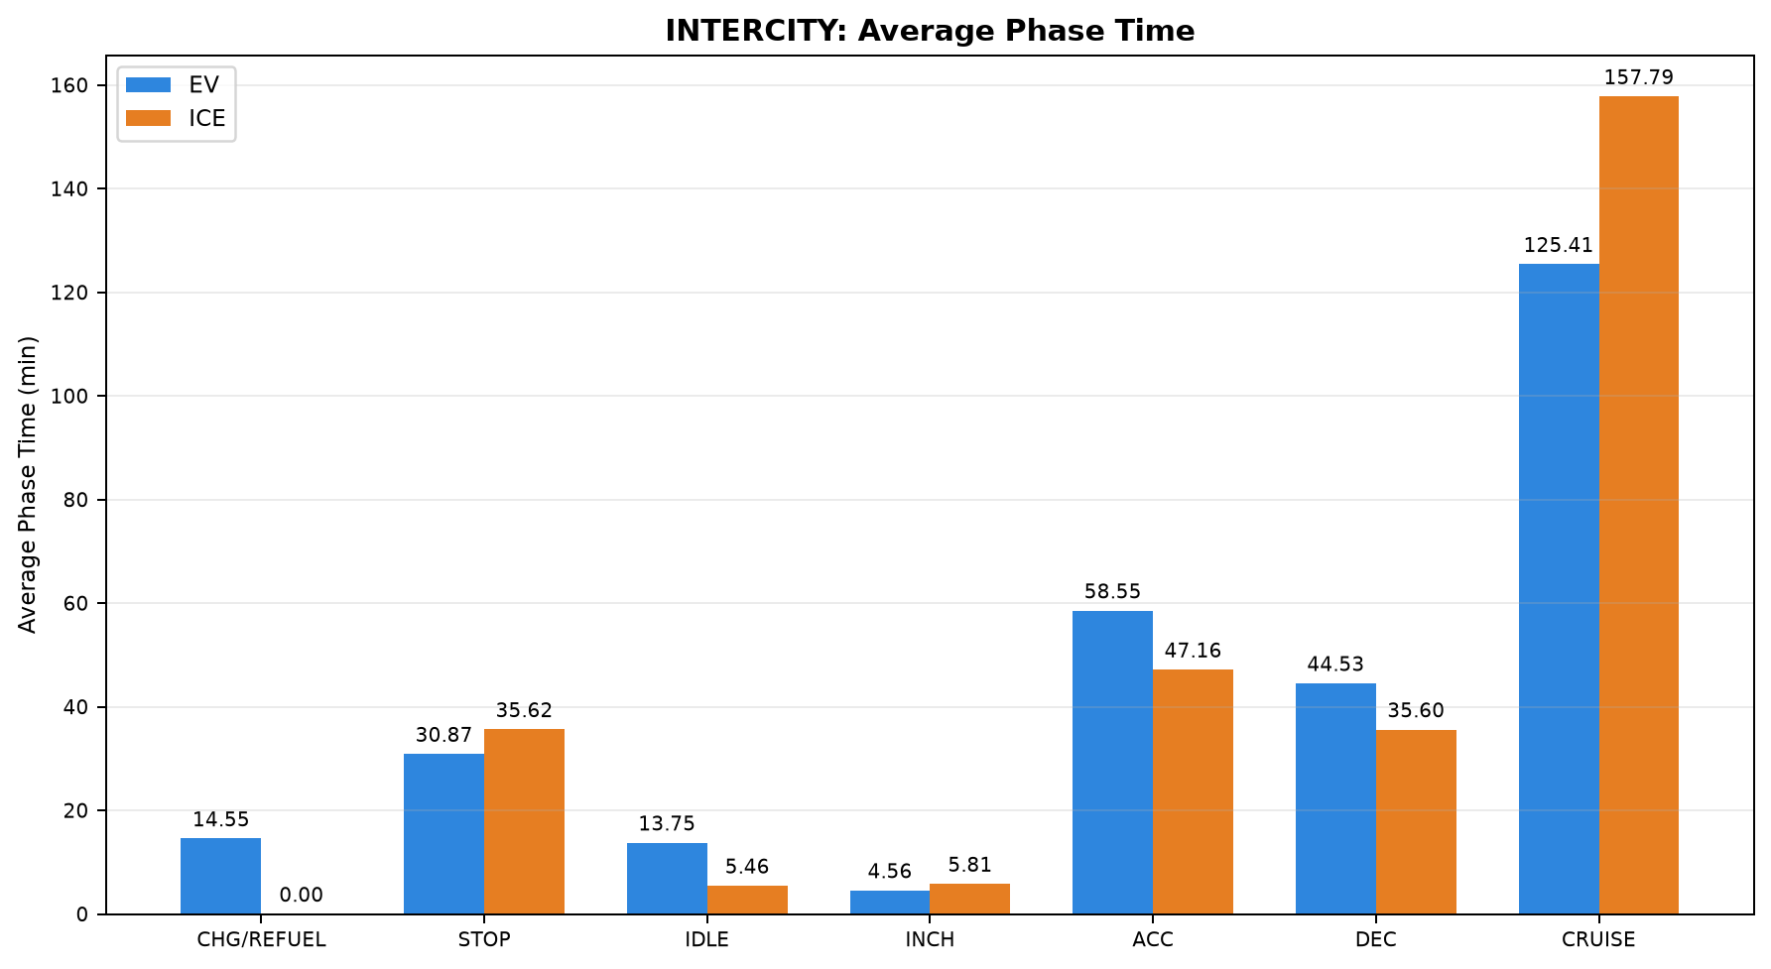
44 | PAIR_044 | NONSTRICT | INTERCITY | Madiwala to Madhuravoyal | Madiwala to Madhuravoyal | 20-09-2026 | 12-09-2026 | 324.430 | 325.035 | 408.627 | 325.266 | 11:26:04 | 18:14:41 | 23:17:34 | 04:42:50 | 62.281 | 63.759
45 | PAIR_045 | NONSTRICT | INTERCITY | Madiwala to Madhuravoyal | Madiwala to Madhuravoyal | 12-09-2026 | 03-10-2026 | 322.274 | 322.647 | 446.450 | 349.426 | 22:40:31 | 06:06:58 | 22:00:02 | 03:49:27 | 64.459 | 59.876
46 | PAIR_046 | NONSTRICT | INTERCITY | Madiwala to Madhuravoyal | Madiwala to Madhuravoyal | 03-10-2026 | 12-09-2026 | 324.935 | 325.726 | 394.635 | 329.750 | 22:22:51 | 04:57:29 | 23:13:05 | 04:42:50 | 64.174 | 63.703
47 | PAIR_047 | NONSTRICT | INTERCITY | Madhuravoyal to Madiwala | Madhuravoyal to Madiwala | 02-10-2026 | 18-09-2026 | 325.382 | 325.173 | 353.848 | 412.488 | 23:13:07 | 05:06:58 | 17:14:54 | 00:07:23 | 67.108 | 57.067
48 | PAIR_048 | STRICT | INTERCITY | Madiwala to Madhuravoyal | Madiwala to Madhuravoyal | 20-09-2026 | 20-09-2026 | 325.399 | 324.884 | 410.733 | 348.147 | 11:26:04 | 18:16:48 | 12:14:31 | 18:02:40 | 62.048 | 63.513
49 | PAIR_049 | NONSTRICT | INTERCITY | Madiwala to Madhuravoyal | Madiwala to Madhuravoyal | 20-09-2026 | 03-10-2026 | 323.754 | 324.125 | 407.748 | 346.047 | 11:26:04 | 18:13:48 | 22:06:43 | 03:52:46 | 62.326 | 60.099
50 | PAIR_050 | NONSTRICT | INTERCITY | Madiwala to Madhuravoyal | Madiwala to Madhuravoyal | 03-10-2026 | 20-09-2026 | 326.466 | 326.134 | 420.647 | 351.750 | 21:59:13 | 04:59:52 | 12:12:58 | 18:04:43 | 63.924 | 63.017
51 | PAIR_051 | STRICT | INTERCITY | Chennai ↔ Pondicherry | Chennai to Pondicherry | 25-09-2026 | 25-09-2026 | 153.676 | 153.531 | 265.815 | 285.567 | 13:29:18 | 17:55:07 | 14:27:10 | 19:12:44 | 45.911 | 41.347
52 | PAIR_052 | STRICT | INTERCITY | Chennai ↔ Pondicherry | Pondicherry to Chennai | 26-09-2026 | 26-09-2026 | 151.560 | 152.109 | 263.953 | 286.340 | 14:31:12 | 18:55:10 | 16:16:08 | 21:02:28 | 42.410 | 36.294
53 | PAIR_053 | STRICT | INTERCITY | Madhuravoyal to Madiwala | Madhuravoyal to Madiwala | 02-10-2026 | 02-10-2026 | 325.409 | 325.096 | 353.848 | 317.947 | 23:13:07 | 05:06:58 | 23:29:56 | 04:47:52 | 67.113 | 62.786
54 | PAIR_054 | STRICT | INTERCITY | Madiwala to Madhuravoyal | Madiwala to Madhuravoyal | 03-10-2026 | 03-10-2026 | 324.470 | 325.033 | 417.365 | 352.733 | 21:59:13 | 04:56:35 | 22:00:02 | 03:52:46 | 64.215 | 59.708

Table 2: INTERCITY - Phase Time Comparison (min)

Pair | Pair ID | Vehicle | Category | Route Group | Trips | CHARGING / REFUELING | STOP | IDLE | INCHING | ACC | DEC | CRUISE
1 | PAIR_001 | EV | INTERCITY | Maduravoyal ↔ Silk Board | SilkBoard to Madhuravoyal | 30.000 | 23.650 | 25.700 | 7.600 | 61.424 | 45.183 | 150.283
1 | PAIR_001 | ICE | INTERCITY | Maduravoyal ↔ Silk Board | SilkBoard to Madhuravoyal | 0.000 | 18.100 | 0.067 | 1.750 | 57.691 | 41.383 | 192.517
2 | PAIR_002 | EV | INTERCITY | Maduravoyal ↔ Silk Board | SilkBoard to Madhuravoyal | 30.000 | 23.650 | 25.700 | 7.600 | 61.424 | 45.183 | 150.283
2 | PAIR_002 | ICE | INTERCITY | Maduravoyal ↔ Silk Board | SilkBoard to Madhuravoyal | 0.000 | 16.433 | 6.983 | 5.000 | 60.018 | 42.633 | 167.950
3 | PAIR_003 | EV | INTERCITY | Maduravoyal ↔ Silk Board | Madhuravoyal to SilkBoard | 38.333 | 10.567 | 0.000 | 0.667 | 49.317 | 44.583 | 202.150
3 | PAIR_003 | ICE | INTERCITY | Maduravoyal ↔ Silk Board | Madhuravoyal to SilkBoard | 0.000 | 35.983 | 0.350 | 4.083 | 62.087 | 50.533 | 205.360

4 | PAIR_004 | EV | INTERCITY | Chennai ↔ Pondicherry | Chennai to Pondicherry | 0.000 | 25.883 | 8.150 | 8.017 | 55.883 | 40.117 | 102.394
4 | PAIR_004 | ICE | INTERCITY | Chennai ↔ Pondicherry | Chennai to Pondicherry | 0.000 | 69.483 | 9.950 | 1.717 | 25.133 | 23.433 | 144.633
5 | PAIR_005 | EV | INTERCITY | Chennai ↔ Pondicherry | Chennai to Pondicherry | 0.000 | 25.883 | 4.933 | 5.933 | 52.333 | 37.575 | 82.934
5 | PAIR_005 | ICE | INTERCITY | Chennai ↔ Pondicherry | Chennai to Pondicherry | 0.000 | 31.800 | 0.000 | 1.500 | 30.467 | 23.000 | 134.383
6 | PAIR_006 | EV | INTERCITY | Chennai ↔ Pondicherry | Chennai to Pondicherry | 0.000 | 30.183 | 14.292 | 2.100 | 48.092 | 33.450 | 93.400
6 | PAIR_006 | ICE | INTERCITY | Chennai ↔ Pondicherry | Chennai to Pondicherry | 0.000 | 69.483 | 9.950 | 1.717 | 25.133 | 23.433 | 144.633
7 | PAIR_007 | EV | INTERCITY | Chennai ↔ Pondicherry | Chennai to Pondicherry | 0.000 | 29.404 | 9.237 | 8.017 | 55.050 | 38.850 | 92.333
7 | PAIR_007 | ICE | INTERCITY | Chennai ↔ Pondicherry | Chennai to Pondicherry | 0.000 | 71.083 | 4.050 | 11.600 | 38.683 | 26.817 | 116.983
8 | PAIR_008 | EV | INTERCITY | Chennai ↔ Pondicherry | Chennai to Pondicherry | 0.000 | 12.033 | 4.750 | 0.000 | 46.900 | 35.550 | 100.547
8 | PAIR_008 | ICE | INTERCITY | Chennai ↔ Pondicherry | Chennai to Pondicherry | 0.000 | 69.483 | 9.950 | 1.267 | 25.125 | 23.433 | 143.450
9 | PAIR_009 | EV | INTERCITY | Chennai ↔ Pondicherry | Chennai to Pondicherry | 0.000 | 68.950 | 8.150 | 8.017 | 58.300 | 42.617 | 113.471
9 | PAIR_009 | ICE | INTERCITY | Chennai ↔ Pondicherry | Chennai to Pondicherry | 0.000 | 48.183 | 17.667 | 9.900 | 51.033 | 37.133 | 121.650
10 | PAIR_010 | EV | INTERCITY | Chennai ↔ Pondicherry | Chennai to Pondicherry | 0.000 | 35.567 | 26.166 | 2.050 | 63.035 | 45.450 | 75.000
10 | PAIR_010 | ICE | INTERCITY | Chennai ↔ Pondicherry | Chennai to Pondicherry | 0.000 | 69.483 | 9.950 | 1.717 | 25.133 | 23.433 | 144.633
11 | PAIR_011 | EV | INTERCITY | Chennai ↔ Pondicherry | Pondicherry to Chennai | 0.000 | 43.486 | 7.550 | 4.100 | 52.500 | 37.471 | 96.267
11 | PAIR_011 | ICE | INTERCITY | Chennai ↔ Pondicherry | Pondicherry to Chennai | 0.000 | 36.983 | 4.500 | 1.617 | 42.433 | 34.950 | 121.132
12 | PAIR_012 | EV | INTERCITY | Chennai ↔ Pondicherry | Pondicherry to Chennai | 0.000 | 26.369 | 7.315 | 0.000 | 48.733 | 36.267 | 81.200
12 | PAIR_012 | ICE | INTERCITY | Chennai ↔ Pondicherry | Pondicherry to Chennai | 0.000 | 23.717 | 4.433 | 9.550 | 50.650 | 34.233 | 109.300
13 | PAIR_013 | EV | INTERCITY | Chennai ↔ Pondicherry | Pondicherry to Chennai | 0.000 | 32.850 | 9.137 | 5.683 | 57.617 | 44.191 | 102.233
13 | PAIR_013 | ICE | INTERCITY | Chennai ↔ Pondicherry | Pondicherry to Chennai | 0.000 | 36.983 | 4.500 | 1.617 | 42.433 | 34.950 | 121.132
14 | PAIR_014 | EV | INTERCITY | Chennai ↔ Pondicherry | Pondicherry to Chennai | 0.000 | 35.500 | 6.983 | 4.100 | 44.283 | 31.217 | 83.671
14 | PAIR_014 | ICE | INTERCITY | Chennai ↔ Pondicherry | Pondicherry to Chennai | 0.000 | 21.383 | 1.000 | 0.000 | 39.183 | 30.467 | 102.925
15 | PAIR_015 | EV | INTERCITY | Chennai ↔ Pondicherry | Pondicherry to Chennai | 0.000 | 34.497 | 3.683 | 5.267 | 54.200 | 34.928 | 90.467
15 | PAIR_015 | ICE | INTERCITY | Chennai ↔ Pondicherry | Pondicherry to Chennai | 0.000 | 36.983 | 4.500 | 1.617 | 42.433 | 34.950 | 121.132
16 | PAIR_016 | EV | INTERCITY | Chennai ↔ Pondicherry | Pondicherry to Chennai | 0.000 | 43.486 | 9.550 | 6.783 | 55.400 | 40.217 | 120.667
16 | PAIR_016 | ICE | INTERCITY | Chennai ↔ Pondicherry | Pondicherry to Chennai | 0.000 | 26.333 | 10.017 | 14.483 | 52.600 | 41.900 | 146.026
17 | PAIR_017 | EV | INTERCITY | Chennai ↔ Pondicherry | Pondicherry to Chennai | 0.000 | 35.100 | 12.700 | 3.933 | 68.017 | 51.253 | 71.584
17 | PAIR_017 | ICE | INTERCITY | Chennai ↔ Pondicherry | Pondicherry to Chennai | 0.000 | 36.983 | 4.500 | 1.617 | 42.433 | 34.950 | 122.045
18 | PAIR_018 | EV | INTERCITY | Chennai ↔ Pondicherry | Chennai to Pondicherry | 0.000 | 30.183 | 12.055 | 2.100 | 43.833 | 30.250 | 87.222
18 | PAIR_018 | ICE | INTERCITY | Chennai ↔ Pondicherry | Chennai to Pondicherry | 0.000 | 31.800 | 0.000 | 1.500 | 30.467 | 23.000 | 134.383
19 | PAIR_019 | EV | INTERCITY | Chennai ↔ Pondicherry | Chennai to Pondicherry | 0.000 | 30.183 | 13.903 | 4.233 | 46.350 | 31.983 | 93.283
19 | PAIR_019 | ICE | INTERCITY | Chennai ↔ Pondicherry | Chennai to Pondicherry | 0.000 | 71.083 | 4.050 | 11.600 | 38.683 | 26.817 | 116.983
20 | PAIR_020 | EV | INTERCITY | Chennai ↔ Pondicherry | Chennai to Pondicherry | 0.000 | 8.933 | 4.778 | 0.000 | 45.071 | 34.967 | 92.367
20 | PAIR_020 | ICE | INTERCITY | Chennai ↔ Pondicherry | Chennai to Pondicherry | 0.000 | 31.800 | 0.000 | 1.500 | 30.467 | 23.000 | 134.383
21 | PAIR_021 | EV | INTERCITY | Chennai ↔ Pondicherry | Chennai to Pondicherry | 0.000 | 30.183 | 15.933 | 2.100 | 50.650 | 37.060 | 99.805
21 | PAIR_021 | ICE | INTERCITY | Chennai ↔ Pondicherry | Chennai to Pondicherry | 0.000 | 48.183 | 17.667 | 9.900 | 51.033 | 37.133 | 121.650
22 | PAIR_022 | EV | INTERCITY | Chennai ↔ Pondicherry | Chennai to Pondicherry | 0.000 | 30.467 | 18.984 | 2.300 | 58.605 | 41.150 | 69.617
22 | PAIR_022 | ICE | INTERCITY | Chennai ↔ Pondicherry | Chennai to Pondicherry | 0.000 | 31.800 | 0.000 | 1.500 | 30.467 | 23.000 | 134.383
23 | PAIR_023 | EV | INTERCITY | Chennai ↔ Pondicherry | Pondicherry to Chennai | 0.000 | 24.650 | 10.134 | 2.100 | 53.917 | 40.750 | 91.500
23 | PAIR_023 | ICE | INTERCITY | Chennai ↔ Pondicherry | Pondicherry to Chennai | 0.000 | 23.717 | 4.433 | 9.550 | 50.650 | 34.233 | 109.300
24 | PAIR_024 | EV | INTERCITY | Chennai ↔ Pondicherry | Pondicherry to Chennai | 0.000 | 26.583 | 1.262 | 5.350 | 50.083 | 38.024 | 85.833
24 | PAIR_024 | ICE | INTERCITY | Chennai ↔ Pondicherry | Pondicherry to Chennai | 0.000 | 21.383 | 1.000 | 0.000 | 39.183 | 30.467 | 102.499
25 | PAIR_025 | EV | INTERCITY | Chennai ↔ Pondicherry | Pondicherry to Chennai | 0.000 | 23.847 | 3.683 | 0.250 | 50.550 | 32.700 | 78.961
25 | PAIR_025 | ICE | INTERCITY | Chennai ↔ Pondicherry | Pondicherry to Chennai | 0.000 | 23.717 | 4.433 | 9.550 | 50.650 | 34.233 | 109.300
26 | PAIR_026 | EV | INTERCITY | Chennai ↔ Pondicherry | Pondicherry to Chennai | 0.000 | 32.850 | 9.887 | 7.933 | 61.067 | 46.800 | 122.550
26 | PAIR_026 | ICE | INTERCITY | Chennai ↔ Pondicherry | Pondicherry to Chennai | 0.000 | 26.333 | 10.017 | 14.483 | 52.600 | 42.233 | 146.083
27 | PAIR_027 | EV | INTERCITY | Chennai ↔ Pondicherry | Pondicherry to Chennai | 0.000 | 31.033 | 10.967 | 2.933 | 62.683 | 46.941 | 65.351
27 | PAIR_027 | ICE | INTERCITY | Chennai ↔ Pondicherry | Pondicherry to Chennai | 0.000 | 23.717 | 4.433 | 9.550 | 50.650 | 34.233 | 109.300
28 | PAIR_028 | EV | INTERCITY | Chennai ↔ Pondicherry | Chennai to Pondicherry | 0.000 | 8.933 | 5.419 | 0.000 | 46.883 | 35.667 | 98.500
28 | PAIR_028 | ICE | INTERCITY | Chennai ↔ Pondicherry | Chennai to Pondicherry | 0.000 | 71.083 | 4.050 | 9.247 | 38.683 | 26.817 | 116.983
29 | PAIR_029 | EV | INTERCITY | Chennai ↔ Pondicherry | Chennai to Pondicherry | 0.000 | 12.033 | 4.917 | 0.000 | 47.071 | 35.883 | 102.550
29 | PAIR_029 | ICE | INTERCITY | Chennai ↔ Pondicherry | Chennai to Pondicherry | 0.000 | 48.183 | 13.667 | 8.550 | 47.504 | 34.783 | 114.050
30 | PAIR_030 | EV | INTERCITY | Chennai ↔ Pondicherry | Chennai to Pondicherry | 0.000 | 45.167 | 26.671 | 2.883 | 61.423 | 44.017 | 75.583
30 | PAIR_030 | ICE | INTERCITY | Chennai ↔ Pondicherry | Chennai to Pondicherry | 0.000 | 71.083 | 4.050 | 7.683 | 38.683 | 26.817 | 117.313
31 | PAIR_031 | EV | INTERCITY | Chennai ↔ Pondicherry | Pondicherry to Chennai | 0.000 | 29.483 | 0.111 | 5.267 | 45.483 | 28.733 | 78.576
31 | PAIR_031 | ICE | INTERCITY | Chennai ↔ Pondicherry | Pondicherry to Chennai | 0.000 | 21.383 | 1.000 | 0.000 | 39.183 | 30.467 | 102.925
32 | PAIR_032 | EV | INTERCITY | Maduravoyal ↔ Silk Board | SilkBoard to Madhuravoyal | 23.400 | 37.617 | 0.000 | 0.583 | 58.389 | 47.783 | 188.350
32 | PAIR_032 | ICE | INTERCITY | Maduravoyal ↔ Silk Board | SilkBoard to Madhuravoyal | 0.000 | 18.100 | 0.067 | 1.750 | 61.950 | 44.950 | 206.617
33 | PAIR_033 | EV | INTERCITY | Maduravoyal ↔ Silk Board | SilkBoard to Madhuravoyal | 23.400 | 37.617 | 0.000 | 0.583 | 56.670 | 46.801 | 184.983
33 | PAIR_033 | ICE | INTERCITY | Maduravoyal ↔ Silk Board | SilkBoard to Madhuravoyal | 0.000 | 16.433 | 8.733 | 5.083 | 63.817 | 46.867 | 176.383
34 | PAIR_034 | EV | INTERCITY | Chennai ↔ Pondicherry | Pondicherry to Chennai | 0.000 | 34.497 | 3.683 | 7.350 | 57.550 | 37.367 | 112.400
34 | PAIR_034 | ICE | INTERCITY | Chennai ↔ Pondicherry | Pondicherry to Chennai | 0.000 | 26.333 | 10.017 | 14.483 | 52.600 | 42.233 | 146.083
35 | PAIR_035 | EV | INTERCITY | Chennai ↔ Pondicherry | Pondicherry to Chennai | 0.000 | 20.650 | 8.668 | 2.983 | 56.783 | 43.370 | 62.483
35 | PAIR_035 | ICE | INTERCITY | Chennai ↔ Pondicherry | Pondicherry to Chennai | 0.000 | 21.383 | 1.000 | 0.000 | 39.183 | 30.467 | 102.925
36 | PAIR_036 | EV | INTERCITY | Maduravoyal ↔ Silk Board | Madhuravoyal to SilkBoard | 40.300 | 46.847 | 23.250 | 14.683 | 52.483 | 45.117 | 254.941
36 | PAIR_036 | ICE | INTERCITY | Maduravoyal ↔ Silk Board | Madhuravoyal to SilkBoard | 0.000 | 35.983 | 0.350 | 4.167 | 65.367 | 52.467 | 209.750
37 | PAIR_037 | EV | INTERCITY | Maduravoyal ↔ Silk Board | SilkBoard to Madhuravoyal | 20.983 | 3.667 | 3.033 | 7.283 | 33.004 | 29.650 | 163.767
37 | PAIR_037 | ICE | INTERCITY | Maduravoyal ↔ Silk Board | SilkBoard to Madhuravoyal | 0.000 | 16.433 | 6.317 | 5.000 | 46.800 | 33.417 | 136.974
38 | PAIR_038 | EV | INTERCITY | Madhuravoyal to Madiwala | Madhuravoyal to Madiwala | 50.367 | 8.367 | 17.350 | 4.750 | 75.683 | 57.183 | 181.300
38 | PAIR_038 | ICE | INTERCITY | Madhuravoyal to Madiwala | Madhuravoyal to Madiwala | 0.000 | 42.650 | 4.450 | 12.017 | 57.412 | 49.600 | 208.833
39 | PAIR_039 | EV | INTERCITY | Madhuravoyal to Madiwala | Madhuravoyal to Madiwala | 50.367 | 8.367 | 17.350 | 4.583 | 74.783 | 56.438 | 180.483
39 | PAIR_039 | ICE | INTERCITY | Madhuravoyal to Madiwala | Madhuravoyal to Madiwala | 0.000 | 62.767 | 7.883 | 2.983 | 67.358 | 47.917 | 222.975
40 | PAIR_040 | EV | INTERCITY | Madhuravoyal to Madiwala | Madhuravoyal to Madiwala | 50.367 | 8.367 | 17.350 | 4.750 | 75.683 | 57.183 | 181.300
40 | PAIR_040 | ICE | INTERCITY | Madhuravoyal to Madiwala | Madhuravoyal to Madiwala | 0.000 | 3.017 | 4.300 | 1.883 | 49.167 | 35.333 | 225.805
41 | PAIR_041 | EV | INTERCITY | Madhuravoyal to Madiwala | Madhuravoyal to Madiwala | 44.683 | 6.683 | 11.750 | 2.017 | 64.300 | 51.867 | 172.548
41 | PAIR_041 | ICE | INTERCITY | Madhuravoyal to Madiwala | Madhuravoyal to Madiwala | 0.000 | 42.650 | 4.450 | 12.017 | 56.917 | 49.017 | 207.500
42 | PAIR_042 | EV | INTERCITY | Madiwala to Madhuravoyal | Madiwala to Madhuravoyal | 63.200 | 14.517 | 29.517 | 6.883 | 69.250 | 57.887 | 164.517
42 | PAIR_042 | ICE | INTERCITY | Madiwala to Madhuravoyal | Madiwala to Madhuravoyal | 0.000 | 20.583 | 2.833 | 4.000 | 45.567 | 33.783 | 218.638
43 | PAIR_043 | EV | INTERCITY | Madiwala to Madhuravoyal | Madiwala to Madhuravoyal | 63.200 | 51.317 | 32.283 | 7.717 | 69.400 | 57.933 | 164.600
43 | PAIR_043 | ICE | INTERCITY | Madiwala to Madhuravoyal | Madiwala to Madhuravoyal | 0.000 | 35.400 | 6.317 | 10.017 | 63.383 | 44.567 | 181.759
44 | PAIR_044 | EV | INTERCITY | Madiwala to Madhuravoyal | Madiwala to Madhuravoyal | 0.000 | 65.983 | 30.533 | 6.300 | 75.783 | 59.600 | 170.427
44 | PAIR_044 | ICE | INTERCITY | Madiwala to Madhuravoyal | Madiwala to Madhuravoyal | 0.000 | 16.900 | 2.833 | 4.000 | 46.733 | 34.783 | 220.016
45 | PAIR_045 | EV | INTERCITY | Madiwala to Madhuravoyal | Madiwala to Madhuravoyal | 63.200 | 51.317 | 32.283 | 7.717 | 69.400 | 57.933 | 164.600
45 | PAIR_045 | ICE | INTERCITY | Madiwala to Madhuravoyal | Madiwala to Madhuravoyal | 0.000 | 24.317 | 2.667 | 5.683 | 44.133 | 32.117 | 240.509
46 | PAIR_046 | EV | INTERCITY | Madiwala to Madhuravoyal | Madiwala to Madhuravoyal | 34.833 | 37.450 | 18.850 | 8.000 | 64.659 | 54.067 | 176.776
46 | PAIR_046 | ICE | INTERCITY | Madiwala to Madhuravoyal | Madiwala to Madhuravoyal | 0.000 | 20.583 | 2.833 | 4.000 | 46.733 | 35.117 | 220.483
47 | PAIR_047 | EV | INTERCITY | Madhuravoyal to Madiwala | Madhuravoyal to Madiwala | 44.683 | 6.683 | 11.750 | 2.017 | 64.300 | 51.867 | 172.548
47 | PAIR_047 | ICE | INTERCITY | Madhuravoyal to Madiwala | Madhuravoyal to Madiwala | 0.000 | 62.767 | 8.900 | 3.300 | 67.367 | 48.233 | 221.921
48 | PAIR_048 | EV | INTERCITY | Madiwala to Madhuravoyal | Madiwala to Madhuravoyal | 0.000 | 65.983 | 30.533 | 6.383 | 76.567 | 59.983 | 171.283
48 | PAIR_048 | ICE | INTERCITY | Madiwala to Madhuravoyal | Madiwala to Madhuravoyal | 0.000 | 35.400 | 6.317 | 10.350 | 65.800 | 46.881 | 183.400
49 | PAIR_049 | EV | INTERCITY | Madiwala to Madhuravoyal | Madiwala to Madhuravoyal | 0.000 | 65.983 | 30.533 | 6.300 | 75.515 | 59.383 | 170.033
49 | PAIR_049 | ICE | INTERCITY | Madiwala to Madhuravoyal | Madiwala to Madhuravoyal | 0.000 | 20.633 | 2.667 | 5.017 | 43.100 | 32.117 | 242.513
50 | PAIR_050 | EV | INTERCITY | Madiwala to Madhuravoyal | Madiwala to Madhuravoyal | 34.833 | 58.167 | 21.680 | 8.083 | 65.967 | 54.800 | 177.117
50 | PAIR_050 | ICE | INTERCITY | Madiwala to Madhuravoyal | Madiwala to Madhuravoyal | 0.000 | 35.400 | 6.317 | 10.683 | 66.100 | 47.533 | 185.717
51 | PAIR_051 | EV | INTERCITY | Chennai ↔ Pondicherry | Chennai to Pondicherry | 0.000 | 35.567 | 30.984 | 3.300 | 67.481 | 48.567 | 79.917
51 | PAIR_051 | ICE | INTERCITY | Chennai ↔ Pondicherry | Chennai to Pondicherry | 0.000 | 48.183 | 17.667 | 10.233 | 51.033 | 37.133 | 121.317
52 | PAIR_052 | EV | INTERCITY | Chennai ↔ Pondicherry | Pondicherry to Chennai | 0.000 | 35.100 | 15.117 | 6.600 | 73.303 | 55.483 | 78.350
52 | PAIR_052 | ICE | INTERCITY | Chennai ↔ Pondicherry | Pondicherry to Chennai | 0.000 | 26.333 | 10.017 | 14.150 | 51.267 | 41.040 | 143.533
53 | PAIR_053 | EV | INTERCITY | Madhuravoyal to Madiwala | Madhuravoyal to Madiwala | 44.683 | 6.683 | 11.750 | 2.017 | 64.300 | 51.867 | 172.548
53 | PAIR_053 | ICE | INTERCITY | Madhuravoyal to Madiwala | Madhuravoyal to Madiwala | 0.000 | 3.017 | 4.300 | 1.883 | 48.913 | 35.333 | 224.500
54 | PAIR_054 | EV | INTERCITY | Madiwala to Madhuravoyal | Madiwala to Madhuravoyal | 34.833 | 58.167 | 21.680 | 8.000 | 64.500 | 53.652 | 176.533
54 | PAIR_054 | ICE | INTERCITY | Madiwala to Madhuravoyal | Madiwala to Madhuravoyal | 0.000 | 24.317 | 2.667 | 5.683 | 44.467 | 32.450 | 243.150

Table 3: INTERCITY - Phase Distance Comparison (km)

Pair | Pair ID | Vehicle | Category | Route Group | Trips | CHARGING / REFUELING | STOP | IDLE | INCHING | ACC | DEC | CRUISE
1 | PAIR_001 | EV | INTERCITY | Maduravoyal ↔ Silk Board | SilkBoard to Madhuravoyal | 0.313 | 0.042 | 0.156 | 0.449 | 60.309 | 44.619 | 199.279
1 | PAIR_001 | ICE | INTERCITY | Maduravoyal ↔ Silk Board | SilkBoard to Madhuravoyal | 0.000 | 0.214 | 0.000 | 0.307 | 55.581 | 38.886 | 215.486
2 | PAIR_002 | EV | INTERCITY | Maduravoyal ↔ Silk Board | SilkBoard to Madhuravoyal | 0.313 | 0.042 | 0.156 | 0.449 | 60.301 | 44.619 | 199.226
2 | PAIR_002 | ICE | INTERCITY | Maduravoyal ↔ Silk Board | SilkBoard to Madhuravoyal | 0.000 | 0.084 | 0.031 | 0.231 | 57.929 | 43.163 | 203.779
3 | PAIR_003 | EV | INTERCITY | Maduravoyal ↔ Silk Board | Madhuravoyal to SilkBoard | 0.322 | 0.470 | 0.000 | 0.265 | 46.829 | 41.954 | 230.501
3 | PAIR_003 | ICE | INTERCITY | Maduravoyal ↔ Silk Board | Madhuravoyal to SilkBoard | 0.000 | 0.347 | 0.000 | 0.437 | 58.410 | 47.464 | 214.030
4 | PAIR_004 | EV | INTERCITY | Chennai ↔ Pondicherry | Chennai to Pondicherry | 0.000 | 0.356 | 0.576 | 0.627 | 44.777 | 31.031 | 70.832
4 | PAIR_004 | ICE | INTERCITY | Chennai ↔ Pondicherry | Chennai to Pondicherry | 0.000 | 0.840 | 1.798 | 0.576 | 16.044 | 16.780 | 112.088
5 | PAIR_005 | EV | INTERCITY | Chennai ↔ Pondicherry | Chennai to Pondicherry | 0.000 | 0.356 | 0.469 | 0.357 | 43.251 | 30.282 | 66.907
5 | PAIR_005 | ICE | INTERCITY | Chennai ↔ Pondicherry | Chennai to Pondicherry | 0.000 | 0.222 | 0.000 | 0.116 | 21.522 | 17.073 | 102.738
6 | PAIR_006 | EV | INTERCITY | Chennai ↔ Pondicherry | Chennai to Pondicherry | 0.000 | 0.383 | 2.336 | 0.205 | 38.636 | 26.287 | 80.362
6 | PAIR_006 | ICE | INTERCITY | Chennai ↔ Pondicherry | Chennai to Pondicherry | 0.000 | 0.840 | 1.798 | 0.576 | 16.044 | 16.780 | 112.113
7 | PAIR_007 | EV | INTERCITY | Chennai ↔ Pondicherry | Chennai to Pondicherry | 0.000 | 0.472 | 0.723 | 0.627 | 44.372 | 30.695 | 69.221
7 | PAIR_007 | ICE | INTERCITY | Chennai ↔ Pondicherry | Chennai to Pondicherry | 0.000 | 0.567 | 0.553 | 1.005 | 27.610 | 19.893 | 96.566
8 | PAIR_008 | EV | INTERCITY | Chennai ↔ Pondicherry | Chennai to Pondicherry | 0.000 | 0.374 | 0.702 | 0.000 | 37.607 | 27.611 | 81.513
8 | PAIR_008 | ICE | INTERCITY | Chennai ↔ Pondicherry | Chennai to Pondicherry | 0.000 | 0.840 | 1.798 | 0.466 | 16.047 | 16.780 | 111.805
9 | PAIR_009 | EV | INTERCITY | Chennai ↔ Pondicherry | Chennai to Pondicherry | 0.000 | 0.475 | 0.576 | 0.627 | 45.773 | 32.149 | 73.935
9 | PAIR_009 | ICE | INTERCITY | Chennai ↔ Pondicherry | Chennai to Pondicherry | 0.000 | 0.653 | 1.467 | 1.317 | 32.191 | 24.264 | 93.660
10 | PAIR_010 | EV | INTERCITY | Chennai ↔ Pondicherry | Chennai to Pondicherry | 0.000 | 0.593 | 0.507 | 0.180 | 45.790 | 33.363 | 67.975
10 | PAIR_010 | ICE | INTERCITY | Chennai ↔ Pondicherry | Chennai to Pondicherry | 0.000 | 0.840 | 1.798 | 0.576 | 16.044 | 16.780 | 112.132
11 | PAIR_011 | EV | INTERCITY | Chennai ↔ Pondicherry | Pondicherry to Chennai | 0.000 | 1.332 | 0.754 | 0.439 | 42.768 | 29.775 | 68.610
11 | PAIR_011 | ICE | INTERCITY | Chennai ↔ Pondicherry | Pondicherry to Chennai | 0.000 | 0.434 | 2.039 | 0.270 | 30.598 | 25.114 | 85.251
12 | PAIR_012 | EV | INTERCITY | Chennai ↔ Pondicherry | Pondicherry to Chennai | 0.000 | 0.997 | 0.705 | 0.000 | 41.444 | 29.143 | 64.401
12 | PAIR_012 | ICE | INTERCITY | Chennai ↔ Pondicherry | Pondicherry to Chennai | 0.000 | 0.117 | 0.964 | 0.779 | 36.712 | 25.041 | 74.294
13 | PAIR_013 | EV | INTERCITY | Chennai ↔ Pondicherry | Pondicherry to Chennai | 0.000 | 0.559 | 1.128 | 0.853 | 43.559 | 32.439 | 66.332
13 | PAIR_013 | ICE | INTERCITY | Chennai ↔ Pondicherry | Pondicherry to Chennai | 0.000 | 0.434 | 2.057 | 0.270 | 30.598 | 25.114 | 85.251
14 | PAIR_014 | EV | INTERCITY | Chennai ↔ Pondicherry | Pondicherry to Chennai | 0.000 | 1.156 | 0.516 | 0.439 | 35.860 | 24.936 | 61.010
14 | PAIR_014 | ICE | INTERCITY | Chennai ↔ Pondicherry | Pondicherry to Chennai | 0.000 | 0.109 | 0.839 | 0.000 | 28.213 | 20.936 | 73.845
15 | PAIR_015 | EV | INTERCITY | Chennai ↔ Pondicherry | Pondicherry to Chennai | 0.000 | 0.522 | 0.559 | 0.355 | 43.321 | 28.286 | 70.673
15 | PAIR_015 | ICE | INTERCITY | Chennai ↔ Pondicherry | Pondicherry to Chennai | 0.000 | 0.434 | 2.037 | 0.270 | 30.598 | 25.114 | 85.250
16 | PAIR_016 | EV | INTERCITY | Chennai ↔ Pondicherry | Pondicherry to Chennai | 0.000 | 1.349 | 0.856 | 0.670 | 44.026 | 31.176 | 74.162
16 | PAIR_016 | ICE | INTERCITY | Chennai ↔ Pondicherry | Pondicherry to Chennai | 0.000 | 0.323 | 0.526 | 1.222 | 30.183 | 24.798 | 96.896
17 | PAIR_017 | EV | INTERCITY | Chennai ↔ Pondicherry | Pondicherry to Chennai | 0.000 | 0.186 | 0.286 | 0.306 | 51.040 | 36.752 | 57.027
17 | PAIR_017 | ICE | INTERCITY | Chennai ↔ Pondicherry | Pondicherry to Chennai | 0.000 | 0.434 | 2.031 | 0.270 | 30.598 | 25.114 | 85.372
18 | PAIR_018 | EV | INTERCITY | Chennai ↔ Pondicherry | Chennai to Pondicherry | 0.000 | 0.383 | 2.078 | 0.205 | 36.808 | 24.895 | 77.229
18 | PAIR_018 | ICE | INTERCITY | Chennai ↔ Pondicherry | Chennai to Pondicherry | 0.000 | 0.222 | 0.000 | 0.116 | 21.520 | 17.070 | 102.738
19 | PAIR_019 | EV | INTERCITY | Chennai ↔ Pondicherry | Chennai to Pondicherry | 0.000 | 0.383 | 2.190 | 0.274 | 38.075 | 25.723 | 79.473
19 | PAIR_019 | ICE | INTERCITY | Chennai ↔ Pondicherry | Chennai to Pondicherry | 0.000 | 0.572 | 0.553 | 1.033 | 27.610 | 19.893 | 96.566
20 | PAIR_020 | EV | INTERCITY | Chennai ↔ Pondicherry | Chennai to Pondicherry | 0.000 | 0.259 | 0.720 | 0.000 | 36.700 | 27.293 | 76.745
20 | PAIR_020 | ICE | INTERCITY | Chennai ↔ Pondicherry | Chennai to Pondicherry | 0.000 | 0.222 | 0.000 | 0.116 | 21.563 | 17.074 | 102.738
21 | PAIR_021 | EV | INTERCITY | Chennai ↔ Pondicherry | Chennai to Pondicherry | 0.000 | 0.383 | 2.383 | 0.205 | 40.286 | 27.902 | 82.421
21 | PAIR_021 | ICE | INTERCITY | Chennai ↔ Pondicherry | Chennai to Pondicherry | 0.000 | 0.653 | 1.467 | 1.317 | 32.227 | 24.264 | 93.661
22 | PAIR_022 | EV | INTERCITY | Chennai ↔ Pondicherry | Chennai to Pondicherry | 0.000 | 0.484 | 0.375 | 0.186 | 43.705 | 31.311 | 65.770
22 | PAIR_022 | ICE | INTERCITY | Chennai ↔ Pondicherry | Chennai to Pondicherry | 0.000 | 0.222 | 0.000 | 0.116 | 21.567 | 17.031 | 102.738
23 | PAIR_023 | EV | INTERCITY | Chennai ↔ Pondicherry | Pondicherry to Chennai | 0.000 | 0.343 | 1.045 | 0.404 | 41.471 | 30.615 | 63.969
23 | PAIR_023 | ICE | INTERCITY | Chennai ↔ Pondicherry | Pondicherry to Chennai | 0.000 | 0.117 | 0.983 | 0.765 | 36.712 | 25.041 | 74.294
24 | PAIR_024 | EV | INTERCITY | Chennai ↔ Pondicherry | Pondicherry to Chennai | 0.000 | 0.433 | 0.515 | 0.738 | 38.041 | 28.350 | 56.945
24 | PAIR_024 | ICE | INTERCITY | Chennai ↔ Pondicherry | Pondicherry to Chennai | 0.000 | 0.109 | 0.877 | 0.000 | 28.213 | 20.936 | 73.751
25 | PAIR_025 | EV | INTERCITY | Chennai ↔ Pondicherry | Pondicherry to Chennai | 0.000 | 0.193 | 0.559 | 0.109 | 41.384 | 26.988 | 67.484
25 | PAIR_025 | ICE | INTERCITY | Chennai ↔ Pondicherry | Pondicherry to Chennai | 0.000 | 0.117 | 0.963 | 0.782 | 36.712 | 25.041 | 74.294
26 | PAIR_026 | EV | INTERCITY | Chennai ↔ Pondicherry | Pondicherry to Chennai | 0.000 | 0.559 | 1.347 | 1.159 | 45.264 | 33.585 | 71.459
26 | PAIR_026 | ICE | INTERCITY | Chennai ↔ Pondicherry | Pondicherry to Chennai | 0.000 | 0.341 | 0.526 | 1.222 | 30.183 | 24.889 | 96.903
27 | PAIR_027 | EV | INTERCITY | Chennai ↔ Pondicherry | Pondicherry to Chennai | 0.000 | 0.177 | 0.286 | 0.238 | 48.513 | 34.664 | 54.416
27 | PAIR_027 | ICE | INTERCITY | Chennai ↔ Pondicherry | Pondicherry to Chennai | 0.000 | 0.117 | 0.957 | 0.749 | 36.712 | 25.041 | 74.294
28 | PAIR_028 | EV | INTERCITY | Chennai ↔ Pondicherry | Chennai to Pondicherry | 0.000 | 0.259 | 0.709 | 0.000 | 37.603 | 27.743 | 79.593
28 | PAIR_028 | ICE | INTERCITY | Chennai ↔ Pondicherry | Chennai to Pondicherry | 0.000 | 0.549 | 0.553 | 0.824 | 27.610 | 19.893 | 96.566
29 | PAIR_029 | EV | INTERCITY | Chennai ↔ Pondicherry | Chennai to Pondicherry | 0.000 | 0.374 | 0.812 | 0.000 | 37.762 | 27.857 | 81.812
29 | PAIR_029 | ICE | INTERCITY | Chennai ↔ Pondicherry | Chennai to Pondicherry | 0.000 | 0.653 | 1.253 | 1.150 | 30.806 | 23.372 | 91.318
30 | PAIR_030 | EV | INTERCITY | Chennai ↔ Pondicherry | Chennai to Pondicherry | 0.000 | 0.699 | 0.466 | 0.251 | 44.949 | 32.632 | 66.979
30 | PAIR_030 | ICE | INTERCITY | Chennai ↔ Pondicherry | Chennai to Pondicherry | 0.000 | 0.575 | 0.553 | 0.683 | 27.610 | 19.893 | 96.575
31 | PAIR_031 | EV | INTERCITY | Chennai ↔ Pondicherry | Pondicherry to Chennai | 0.000 | 0.430 | 0.058 | 0.355 | 37.109 | 23.384 | 62.656
31 | PAIR_031 | ICE | INTERCITY | Chennai ↔ Pondicherry | Pondicherry to Chennai | 0.000 | 0.109 | 0.878 | 0.000 | 28.213 | 20.936 | 73.844
32 | PAIR_032 | EV | INTERCITY | Maduravoyal ↔ Silk Board | SilkBoard to Madhuravoyal | 0.142 | 1.601 | 0.000 | 0.229 | 60.390 | 48.618 | 213.847
32 | PAIR_032 | ICE | INTERCITY | Maduravoyal ↔ Silk Board | SilkBoard to Madhuravoyal | 0.000 | 0.214 | 0.000 | 0.307 | 59.159 | 41.619 | 229.355
33 | PAIR_033 | EV | INTERCITY | Maduravoyal ↔ Silk Board | SilkBoard to Madhuravoyal | 0.142 | 1.601 | 0.000 | 0.229 | 59.191 | 47.930 | 211.202
33 | PAIR_033 | ICE | INTERCITY | Maduravoyal ↔ Silk Board | SilkBoard to Madhuravoyal | 0.000 | 0.084 | 0.047 | 0.250 | 61.460 | 46.933 | 212.158
34 | PAIR_034 | EV | INTERCITY | Chennai ↔ Pondicherry | Pondicherry to Chennai | 0.000 | 0.539 | 0.559 | 0.680 | 44.666 | 29.462 | 76.489
34 | PAIR_034 | ICE | INTERCITY | Chennai ↔ Pondicherry | Pondicherry to Chennai | 0.000 | 0.321 | 0.526 | 1.222 | 30.183 | 24.878 | 96.903
35 | PAIR_035 | EV | INTERCITY | Chennai ↔ Pondicherry | Pondicherry to Chennai | 0.000 | 0.071 | 0.145 | 0.259 | 43.798 | 31.328 | 50.141
35 | PAIR_035 | ICE | INTERCITY | Chennai ↔ Pondicherry | Pondicherry to Chennai | 0.000 | 0.109 | 0.859 | 0.000 | 28.213 | 20.936 | 73.865
36 | PAIR_036 | EV | INTERCITY | Maduravoyal ↔ Silk Board | Madhuravoyal to SilkBoard | 0.073 | 0.702 | 0.046 | 1.402 | 43.074 | 38.729 | 242.433
36 | PAIR_036 | ICE | INTERCITY | Maduravoyal ↔ Silk Board | Madhuravoyal to SilkBoard | 0.000 | 0.347 | 0.000 | 0.455 | 60.409 | 48.511 | 216.869
37 | PAIR_037 | EV | INTERCITY | Maduravoyal ↔ Silk Board | SilkBoard to Madhuravoyal | 0.305 | 0.141 | 0.005 | 0.924 | 30.514 | 28.676 | 188.560
37 | PAIR_037 | ICE | INTERCITY | Maduravoyal ↔ Silk Board | SilkBoard to Madhuravoyal | 0.000 | 0.084 | 0.024 | 0.231 | 45.486 | 34.428 | 169.653
38 | PAIR_038 | EV | INTERCITY | Madhuravoyal to Madiwala | Madhuravoyal to Madiwala | 0.142 | 0.191 | 0.109 | 0.399 | 67.358 | 52.263 | 205.893
38 | PAIR_038 | ICE | INTERCITY | Madhuravoyal to Madiwala | Madhuravoyal to Madiwala | 0.000 | 0.548 | 0.050 | 0.945 | 50.571 | 45.613 | 228.219
39 | PAIR_039 | EV | INTERCITY | Madhuravoyal to Madiwala | Madhuravoyal to Madiwala | 0.142 | 0.191 | 0.109 | 0.378 | 67.008 | 52.066 | 205.522
39 | PAIR_039 | ICE | INTERCITY | Madhuravoyal to Madiwala | Madhuravoyal to Madiwala | 0.000 | 0.903 | 0.105 | 0.637 | 52.913 | 38.056 | 232.439
40 | PAIR_040 | EV | INTERCITY | Madhuravoyal to Madiwala | Madhuravoyal to Madiwala | 0.142 | 0.191 | 0.109 | 0.399 | 67.358 | 52.274 | 205.951
40 | PAIR_040 | ICE | INTERCITY | Madhuravoyal to Madiwala | Madhuravoyal to Madiwala | 0.000 | 0.002 | 0.041 | 0.361 | 42.506 | 30.729 | 252.313
41 | PAIR_041 | EV | INTERCITY | Madhuravoyal to Madiwala | Madhuravoyal to Madiwala | 0.052 | 0.127 | 0.032 | 0.168 | 59.994 | 53.823 | 211.254
41 | PAIR_041 | ICE | INTERCITY | Madhuravoyal to Madiwala | Madhuravoyal to Madiwala | 0.000 | 0.548 | 0.050 | 0.945 | 50.236 | 45.362 | 228.056
42 | PAIR_042 | EV | INTERCITY | Madiwala to Madhuravoyal | Madiwala to Madhuravoyal | 0.112 | 0.082 | 0.016 | 0.513 | 67.118 | 56.356 | 197.664
42 | PAIR_042 | ICE | INTERCITY | Madiwala to Madhuravoyal | Madiwala to Madhuravoyal | 0.000 | 0.477 | 0.013 | 0.420 | 40.651 | 31.659 | 249.213
43 | PAIR_043 | EV | INTERCITY | Madiwala to Madhuravoyal | Madiwala to Madhuravoyal | 0.112 | 0.214 | 0.027 | 0.532 | 67.235 | 56.320 | 197.738
43 | PAIR_043 | ICE | INTERCITY | Madiwala to Madhuravoyal | Madiwala to Madhuravoyal | 0.000 | 0.450 | 0.063 | 0.900 | 58.376 | 42.972 | 218.866
44 | PAIR_044 | EV | INTERCITY | Madiwala to Madhuravoyal | Madiwala to Madhuravoyal | 0.000 | 0.240 | 0.216 | 0.592 | 70.971 | 57.390 | 195.020
44 | PAIR_044 | ICE | INTERCITY | Madiwala to Madhuravoyal | Madiwala to Madhuravoyal | 0.000 | 0.348 | 0.013 | 0.420 | 41.502 | 32.234 | 250.518
45 | PAIR_045 | EV | INTERCITY | Madiwala to Madhuravoyal | Madiwala to Madhuravoyal | 0.112 | 0.214 | 0.027 | 0.562 | 67.301 | 56.320 | 197.738
45 | PAIR_045 | ICE | INTERCITY | Madiwala to Madhuravoyal | Madiwala to Madhuravoyal | 0.000 | 0.443 | 0.428 | 0.511 | 36.197 | 28.880 | 256.188
46 | PAIR_046 | EV | INTERCITY | Madiwala to Madhuravoyal | Madiwala to Madhuravoyal | 0.089 | 0.179 | 0.051 | 0.577 | 63.807 | 54.004 | 206.228
46 | PAIR_046 | ICE | INTERCITY | Madiwala to Madhuravoyal | Madiwala to Madhuravoyal | 0.000 | 0.477 | 0.013 | 0.420 | 41.502 | 32.505 | 250.810
47 | PAIR_047 | EV | INTERCITY | Madhuravoyal to Madiwala | Madhuravoyal to Madiwala | 0.052 | 0.127 | 0.032 | 0.168 | 59.946 | 53.823 | 211.234
47 | PAIR_047 | ICE | INTERCITY | Madhuravoyal to Madiwala | Madhuravoyal to Madiwala | 0.000 | 0.903 | 0.108 | 0.648 | 52.961 | 38.364 | 232.189
48 | PAIR_048 | EV | INTERCITY | Madiwala to Madhuravoyal | Madiwala to Madhuravoyal | 0.000 | 0.240 | 0.216 | 0.598 | 71.217 | 57.609 | 195.519
48 | PAIR_048 | ICE | INTERCITY | Madiwala to Madhuravoyal | Madiwala to Madhuravoyal | 0.000 | 0.450 | 0.063 | 0.916 | 59.819 | 44.251 | 219.385
49 | PAIR_049 | EV | INTERCITY | Madiwala to Madhuravoyal | Madiwala to Madhuravoyal | 0.000 | 0.240 | 0.216 | 0.592 | 70.784 | 57.217 | 194.704
49 | PAIR_049 | ICE | INTERCITY | Madiwala to Madhuravoyal | Madiwala to Madhuravoyal | 0.000 | 0.419 | 0.428 | 0.467 | 35.974 | 28.827 | 258.011
50 | PAIR_050 | EV | INTERCITY | Madiwala to Madhuravoyal | Madiwala to Madhuravoyal | 0.089 | 0.328 | 0.071 | 0.588 | 64.437 | 54.476 | 206.477
50 | PAIR_050 | ICE | INTERCITY | Madiwala to Madhuravoyal | Madiwala to Madhuravoyal | 0.000 | 0.450 | 0.063 | 0.930 | 59.922 | 44.515 | 220.254
51 | PAIR_051 | EV | INTERCITY | Chennai ↔ Pondicherry | Chennai to Pondicherry | 0.000 | 0.593 | 0.608 | 0.307 | 47.848 | 34.798 | 69.521
51 | PAIR_051 | ICE | INTERCITY | Chennai ↔ Pondicherry | Chennai to Pondicherry | 0.000 | 0.653 | 1.467 | 1.326 | 32.195 | 24.264 | 93.626
52 | PAIR_052 | EV | INTERCITY | Chennai ↔ Pondicherry | Pondicherry to Chennai | 0.000 | 0.186 | 0.298 | 1.421 | 52.756 | 37.953 | 58.946
52 | PAIR_052 | ICE | INTERCITY | Chennai ↔ Pondicherry | Pondicherry to Chennai | 0.000 | 0.366 | 0.526 | 1.205 | 29.795 | 24.547 | 95.670
53 | PAIR_053 | EV | INTERCITY | Madhuravoyal to Madiwala | Madhuravoyal to Madiwala | 0.052 | 0.127 | 0.032 | 0.168 | 59.942 | 53.823 | 211.266
53 | PAIR_053 | ICE | INTERCITY | Madhuravoyal to Madiwala | Madhuravoyal to Madiwala | 0.000 | 0.002 | 0.041 | 0.361 | 42.409 | 30.729 | 251.554
54 | PAIR_054 | EV | INTERCITY | Madiwala to Madhuravoyal | Madiwala to Madhuravoyal | 0.089 | 0.328 | 0.101 | 0.577 | 63.631 | 53.729 | 206.015
54 | PAIR_054 | ICE | INTERCITY | Madiwala to Madhuravoyal | Madiwala to Madhuravoyal | 0.000 | 0.442 | 0.428 | 0.511 | 36.407 | 29.048 | 258.197

03_Same_Day_All
Table 1: SAME-DAY EV-ICE PAIRS - EV vs ICE Trip Summary
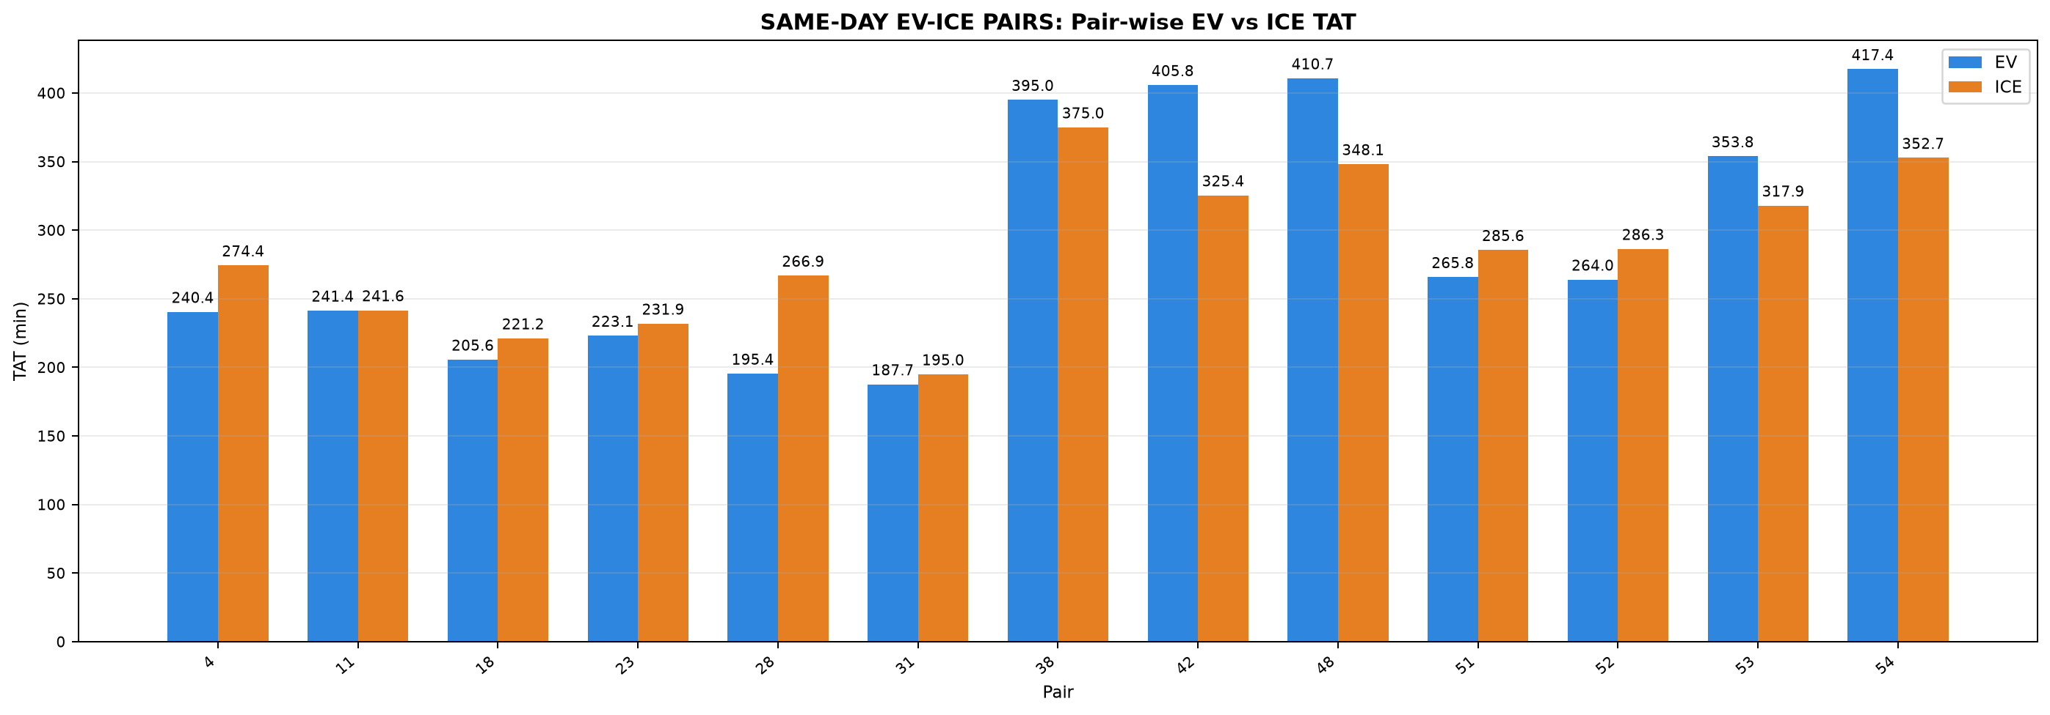

Pair | Pair ID | Pair Class | Category | Route Group | Trips | EV Date | ICE Date | Same-Day Pair | Common Date | EV Distance (km) | ICE Distance (km) | EV TAT (min) | ICE TAT (min) | EV Start Time | EV End Time | ICE Start Time | ICE End Time | EV Moving Avg Speed (km/h) | ICE Moving Avg Speed (km/h)
4 | PAIR_004 | STRICT | INTERCITY | Chennai ↔ Pondicherry | Chennai to Pondicherry | 15-07-2026 | 15-07-2026 | YES | 15-07-2026 | 148.199 | 148.125 | 240.444 | 274.350 | 09:22:41 | 13:23:07 | 11:20:23 | 15:54:44 | 42.808 | 44.785
11 | PAIR_011 | STRICT | INTERCITY | Chennai ↔ Pondicherry | Pondicherry to Chennai | 16-07-2026 | 16-07-2026 | YES | 16-07-2026 | 143.678 | 143.706 | 241.374 | 241.616 | 14:16:16 | 18:17:39 | 16:37:54 | 20:39:30 | 44.634 | 42.342
18 | PAIR_018 | STRICT | INTERCITY | Chennai ↔ Pondicherry | Chennai to Pondicherry | 17-07-2026 | 17-07-2026 | YES | 17-07-2026 | 141.599 | 141.666 | 205.643 | 221.150 | 08:09:07 | 11:34:46 | 11:43:51 | 15:25:00 | 51.089 | 44.820
23 | PAIR_023 | STRICT | INTERCITY | Chennai ↔ Pondicherry | Pondicherry to Chennai | 18-07-2026 | 18-07-2026 | YES | 18-07-2026 | 137.848 | 137.911 | 223.051 | 231.883 | 14:14:38 | 17:57:41 | 16:20:34 | 20:12:27 | 43.489 | 40.291
28 | PAIR_028 | STRICT | INTERCITY | Chennai ↔ Pondicherry | Chennai to Pondicherry | 19-07-2026 | 19-07-2026 | YES | 19-07-2026 | 145.906 | 145.994 | 195.402 | 266.863 | 09:18:36 | 12:34:01 | 11:08:45 | 15:35:36 | 48.033 | 45.343
31 | PAIR_031 | STRICT | INTERCITY | Chennai ↔ Pondicherry | Pondicherry to Chennai | 20-07-2026 | 20-07-2026 | YES | 20-07-2026 | 123.993 | 123.980 | 187.653 | 194.958 | 14:51:18 | 17:58:57 | 16:56:44 | 20:11:41 | 46.883 | 42.762
38 | PAIR_038 | STRICT | INTERCITY | Madhuravoyal to Madiwala | Madhuravoyal to Madiwala | 11-09-2026 | 11-09-2026 | YES | 11-09-2026 | 326.355 | 325.946 | 395.000 | 374.962 | 23:17:00 | 05:52:00 | 23:27:11 | 05:42:08 | 61.316 | 59.540
42 | PAIR_042 | STRICT | INTERCITY | Madiwala to Madhuravoyal | Madiwala to Madhuravoyal | 12-09-2026 | 12-09-2026 | YES | 12-09-2026 | 321.861 | 322.433 | 405.771 | 325.405 | 23:20:57 | 06:06:43 | 23:13:05 | 04:38:29 | 64.645 | 63.965
48 | PAIR_048 | STRICT | INTERCITY | Madiwala to Madhuravoyal | Madiwala to Madhuravoyal | 20-09-2026 | 20-09-2026 | YES | 20-09-2026 | 325.399 | 324.884 | 410.733 | 348.147 | 11:26:04 | 18:16:48 | 12:14:31 | 18:02:40 | 62.048 | 63.513
51 | PAIR_051 | STRICT | INTERCITY | Chennai ↔ Pondicherry | Chennai to Pondicherry | 25-09-2026 | 25-09-2026 | YES | 25-09-2026 | 153.676 | 153.531 | 265.815 | 285.567 | 13:29:18 | 17:55:07 | 14:27:10 | 19:12:44 | 45.911 | 41.347
52 | PAIR_052 | STRICT | INTERCITY | Chennai ↔ Pondicherry | Pondicherry to Chennai | 26-09-2026 | 26-09-2026 | YES | 26-09-2026 | 151.560 | 152.109 | 263.953 | 286.340 | 14:31:12 | 18:55:10 | 16:16:08 | 21:02:28 | 42.410 | 36.294
53 | PAIR_053 | STRICT | INTERCITY | Madhuravoyal to Madiwala | Madhuravoyal to Madiwala | 02-10-2026 | 02-10-2026 | YES | 02-10-2026 | 325.409 | 325.096 | 353.848 | 317.947 | 23:13:07 | 05:06:58 | 23:29:56 | 04:47:52 | 67.113 | 62.786
54 | PAIR_054 | STRICT | INTERCITY | Madiwala to Madhuravoyal | Madiwala to Madhuravoyal | 03-10-2026 | 03-10-2026 | YES | 03-10-2026 | 324.470 | 325.033 | 417.365 | 352.733 | 21:59:13 | 04:56:35 | 22:00:02 | 03:52:46 | 64.215 | 59.708

Table 2: SAME-DAY EV-ICE PAIRS - Phase Time Comparison (min)

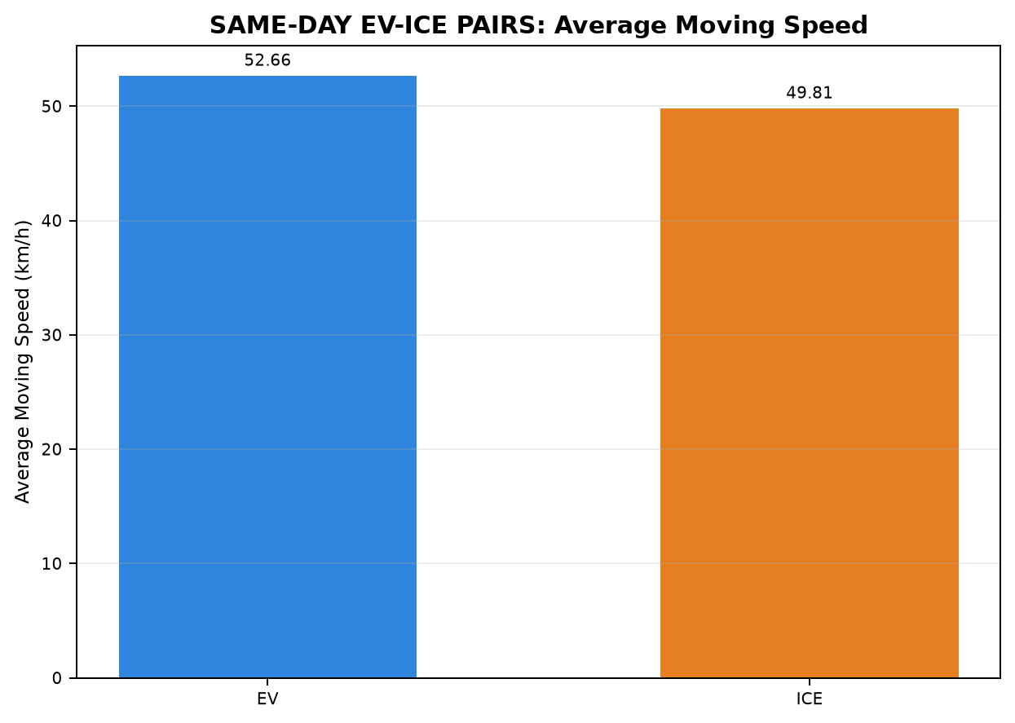
Pair | Pair ID | Vehicle | Category | Route Group | Trips | CHARGING / REFUELING | STOP | IDLE | INCHING | ACC | DEC | CRUISE
4 | PAIR_004 | EV | INTERCITY | Chennai ↔ Pondicherry | Chennai to Pondicherry | 0.000 | 25.883 | 8.150 | 8.017 | 55.883 | 40.117 | 102.394
4 | PAIR_004 | ICE | INTERCITY | Chennai ↔ Pondicherry | Chennai to Pondicherry | 0.000 | 69.483 | 9.950 | 1.717 | 25.133 | 23.433 | 144.633
11 | PAIR_011 | EV | INTERCITY | Chennai ↔ Pondicherry | Pondicherry to Chennai | 0.000 | 43.486 | 7.550 | 4.100 | 52.500 | 37.471 | 96.267
11 | PAIR_011 | ICE | INTERCITY | Chennai ↔ Pondicherry | Pondicherry to Chennai | 0.000 | 36.983 | 4.500 | 1.617 | 42.433 | 34.950 | 121.132
18 | PAIR_018 | EV | INTERCITY | Chennai ↔ Pondicherry | Chennai to Pondicherry | 0.000 | 30.183 | 12.055 | 2.100 | 43.833 | 30.250 | 87.222
18 | PAIR_018 | ICE | INTERCITY | Chennai ↔ Pondicherry | Chennai to Pondicherry | 0.000 | 31.800 | 0.000 | 1.500 | 30.467 | 23.000 | 134.383
23 | PAIR_023 | EV | INTERCITY | Chennai ↔ Pondicherry | Pondicherry to Chennai | 0.000 | 24.650 | 10.134 | 2.100 | 53.917 | 40.750 | 91.500
23 | PAIR_023 | ICE | INTERCITY | Chennai ↔ Pondicherry | Pondicherry to Chennai | 0.000 | 23.717 | 4.433 | 9.550 | 50.650 | 34.233 | 109.300
28 | PAIR_028 | EV | INTERCITY | Chennai ↔ Pondicherry | Chennai to Pondicherry | 0.000 | 8.933 | 5.419 | 0.000 | 46.883 | 35.667 | 98.500
28 | PAIR_028 | ICE | INTERCITY | Chennai ↔ Pondicherry | Chennai to Pondicherry | 0.000 | 71.083 | 4.050 | 9.247 | 38.683 | 26.817 | 116.983
31 | PAIR_031 | EV | INTERCITY | Chennai ↔ Pondicherry | Pondicherry to Chennai | 0.000 | 29.483 | 0.111 | 5.267 | 45.483 | 28.733 | 78.576
31 | PAIR_031 | ICE | INTERCITY | Chennai ↔ Pondicherry | Pondicherry to Chennai | 0.000 | 21.383 | 1.000 | 0.000 | 39.183 | 30.467 | 102.925
38 | PAIR_038 | EV | INTERCITY | Madhuravoyal to Madiwala | Madhuravoyal to Madiwala | 50.367 | 8.367 | 17.350 | 4.750 | 75.683 | 57.183 | 181.300
38 | PAIR_038 | ICE | INTERCITY | Madhuravoyal to Madiwala | Madhuravoyal to Madiwala | 0.000 | 42.650 | 4.450 | 12.017 | 57.412 | 49.600 | 208.833
42 | PAIR_042 | EV | INTERCITY | Madiwala to Madhuravoyal | Madiwala to Madhuravoyal | 63.200 | 14.517 | 29.517 | 6.883 | 69.250 | 57.887 | 164.517
42 | PAIR_042 | ICE | INTERCITY | Madiwala to Madhuravoyal | Madiwala to Madhuravoyal | 0.000 | 20.583 | 2.833 | 4.000 | 45.567 | 33.783 | 218.638
48 | PAIR_048 | EV | INTERCITY | Madiwala to Madhuravoyal | Madiwala to Madhuravoyal | 0.000 | 65.983 | 30.533 | 6.383 | 76.567 | 59.983 | 171.283
48 | PAIR_048 | ICE | INTERCITY | Madiwala to Madhuravoyal | Madiwala to Madhuravoyal | 0.000 | 35.400 | 6.317 | 10.350 | 65.800 | 46.881 | 183.400
51 | PAIR_051 | EV | INTERCITY | Chennai ↔ Pondicherry | Chennai to Pondicherry | 0.000 | 35.567 | 30.984 | 3.300 | 67.481 | 48.567 | 79.917
51 | PAIR_051 | ICE | INTERCITY | Chennai ↔ Pondicherry | Chennai to Pondicherry | 0.000 | 48.183 | 17.667 | 10.233 | 51.033 | 37.133 | 121.317
52 | PAIR_052 | EV | INTERCITY | Chennai ↔ Pondicherry | Pondicherry to Chennai | 0.000 | 35.100 | 15.117 | 6.600 | 73.303 | 55.483 | 78.350
52 | PAIR_052 | ICE | INTERCITY | Chennai ↔ Pondicherry | Pondicherry to Chennai | 0.000 | 26.333 | 10.017 | 14.150 | 51.267 | 41.040 | 143.533
53 | PAIR_053 | EV | INTERCITY | Madhuravoyal to Madiwala | Madhuravoyal to Madiwala | 44.683 | 6.683 | 11.750 | 2.017 | 64.300 | 51.867 | 172.548
53 | PAIR_053 | ICE | INTERCITY | Madhuravoyal to Madiwala | Madhuravoyal to Madiwala | 0.000 | 3.017 | 4.300 | 1.883 | 48.913 | 35.333 | 224.500

54 | PAIR_054 | EV | INTERCITY | Madiwala to Madhuravoyal | Madiwala to Madhuravoyal | 34.833 | 58.167 | 21.680 | 8.000 | 64.500 | 53.652 | 176.533
54 | PAIR_054 | ICE | INTERCITY | Madiwala to Madhuravoyal | Madiwala to Madhuravoyal | 0.000 | 24.317 | 2.667 | 5.683 | 44.467 | 32.450 | 243.150

Table 3: SAME-DAY EV-ICE PAIRS - Phase Distance Comparison (km)

Pair | Pair ID | Vehicle | Category | Route Group | Trips | CHARGING / REFUELING | STOP | IDLE | INCHING | ACC | DEC | CRUISE
4 | PAIR_004 | EV | INTERCITY | Chennai ↔ Pondicherry | Chennai to Pondicherry | 0.000 | 0.356 | 0.576 | 0.627 | 44.777 | 31.031 | 70.832
4 | PAIR_004 | ICE | INTERCITY | Chennai ↔ Pondicherry | Chennai to Pondicherry | 0.000 | 0.840 | 1.798 | 0.576 | 16.044 | 16.780 | 112.088
11 | PAIR_011 | EV | INTERCITY | Chennai ↔ Pondicherry | Pondicherry to Chennai | 0.000 | 1.332 | 0.754 | 0.439 | 42.768 | 29.775 | 68.610
11 | PAIR_011 | ICE | INTERCITY | Chennai ↔ Pondicherry | Pondicherry to Chennai | 0.000 | 0.434 | 2.039 | 0.270 | 30.598 | 25.114 | 85.251
18 | PAIR_018 | EV | INTERCITY | Chennai ↔ Pondicherry | Chennai to Pondicherry | 0.000 | 0.383 | 2.078 | 0.205 | 36.808 | 24.895 | 77.229
18 | PAIR_018 | ICE | INTERCITY | Chennai ↔ Pondicherry | Chennai to Pondicherry | 0.000 | 0.222 | 0.000 | 0.116 | 21.520 | 17.070 | 102.738
23 | PAIR_023 | EV | INTERCITY | Chennai ↔ Pondicherry | Pondicherry to Chennai | 0.000 | 0.343 | 1.045 | 0.404 | 41.471 | 30.615 | 63.969
23 | PAIR_023 | ICE | INTERCITY | Chennai ↔ Pondicherry | Pondicherry to Chennai | 0.000 | 0.117 | 0.983 | 0.765 | 36.712 | 25.041 | 74.294
28 | PAIR_028 | EV | INTERCITY | Chennai ↔ Pondicherry | Chennai to Pondicherry | 0.000 | 0.259 | 0.709 | 0.000 | 37.603 | 27.743 | 79.593
28 | PAIR_028 | ICE | INTERCITY | Chennai ↔ Pondicherry | Chennai to Pondicherry | 0.000 | 0.549 | 0.553 | 0.824 | 27.610 | 19.893 | 96.566
31 | PAIR_031 | EV | INTERCITY | Chennai ↔ Pondicherry | Pondicherry to Chennai | 0.000 | 0.430 | 0.058 | 0.355 | 37.109 | 23.384 | 62.656
31 | PAIR_031 | ICE | INTERCITY | Chennai ↔ Pondicherry | Pondicherry to Chennai | 0.000 | 0.109 | 0.878 | 0.000 | 28.213 | 20.936 | 73.844
38 | PAIR_038 | EV | INTERCITY | Madhuravoyal to Madiwala | Madhuravoyal to Madiwala | 0.142 | 0.191 | 0.109 | 0.399 | 67.358 | 52.263 | 205.893
38 | PAIR_038 | ICE | INTERCITY | Madhuravoyal to Madiwala | Madhuravoyal to Madiwala | 0.000 | 0.548 | 0.050 | 0.945 | 50.571 | 45.613 | 228.219
42 | PAIR_042 | EV | INTERCITY | Madiwala to Madhuravoyal | Madiwala to Madhuravoyal | 0.112 | 0.082 | 0.016 | 0.513 | 67.118 | 56.356 | 197.664
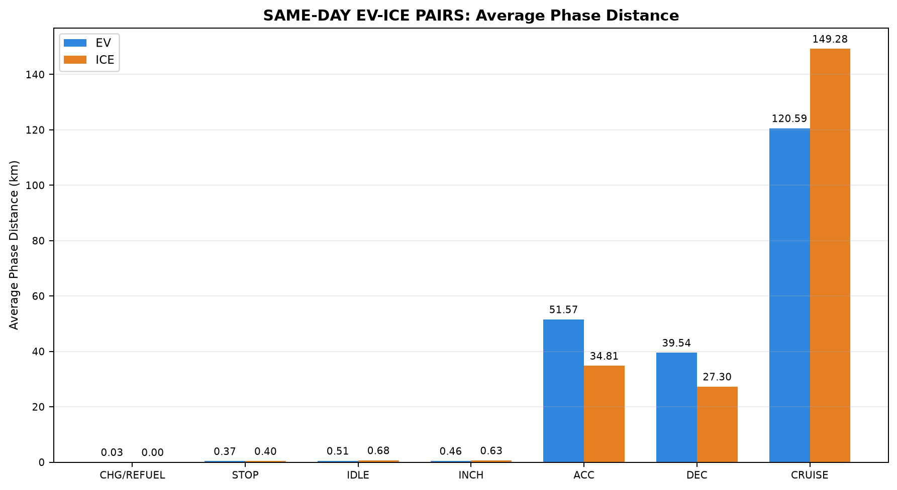
42 | PAIR_042 | ICE | INTERCITY | Madiwala to Madhuravoyal | Madiwala to Madhuravoyal | 0.000 | 0.477 | 0.013 | 0.420 | 40.651 | 31.659 | 249.213
48 | PAIR_048 | EV | INTERCITY | Madiwala to Madhuravoyal | Madiwala to Madhuravoyal | 0.000 | 0.240 | 0.216 | 0.598 | 71.217 | 57.609 | 195.519
48 | PAIR_048 | ICE | INTERCITY | Madiwala to Madhuravoyal | Madiwala to Madhuravoyal | 0.000 | 0.450 | 0.063 | 0.916 | 59.819 | 44.251 | 219.385
51 | PAIR_051 | EV | INTERCITY | Chennai ↔ Pondicherry | Chennai to Pondicherry | 0.000 | 0.593 | 0.608 | 0.307 | 47.848 | 34.798 | 69.521
51 | PAIR_051 | ICE | INTERCITY | Chennai ↔ Pondicherry | Chennai to Pondicherry | 0.000 | 0.653 | 1.467 | 1.326 | 32.195 | 24.264 | 93.626
52 | PAIR_052 | EV | INTERCITY | Chennai ↔ Pondicherry | Pondicherry to Chennai | 0.000 | 0.186 | 0.298 | 1.421 | 52.756 | 37.953 | 58.946
52 | PAIR_052 | ICE | INTERCITY | Chennai ↔ Pondicherry | Pondicherry to Chennai | 0.000 | 0.366 | 0.526 | 1.205 | 29.795 | 24.547 | 95.670
53 | PAIR_053 | EV | INTERCITY | Madhuravoyal to Madiwala | Madhuravoyal to Madiwala | 0.052 | 0.127 | 0.032 | 0.168 | 59.942 | 53.823 | 211.266
53 | PAIR_053 | ICE | INTERCITY | Madhuravoyal to Madiwala | Madhuravoyal to Madiwala | 0.000 | 0.002 | 0.041 | 0.361 | 42.409 | 30.729 | 251.554
54 | PAIR_054 | EV | INTERCITY | Madiwala to Madhuravoyal | Madiwala to Madhuravoyal | 0.089 | 0.328 | 0.101 | 0.577 | 63.631 | 53.729 | 206.015
54 | PAIR_054 | ICE | INTERCITY | Madiwala to Madhuravoyal | Madiwala to Madhuravoyal | 0.000 | 0.442 | 0.428 | 0.511 | 36.407 | 29.048 | 258.197

04_Same_Day_INTERCITY
Table 1: SAME-DAY INTERCITY - EV vs ICE Trip Summary


Pair | Pair ID | Pair Class | Category | Route Group | Trips | EV Date | ICE Date | Same-Day Pair | Common Date | EV Distance (km) | ICE Distance (km) | EV TAT (min) | ICE TAT (min) | EV Start Time | EV End Time | ICE Start Time | ICE End Time | EV Moving Avg Speed (km/h) | ICE Moving Avg Speed (km/h)
4 | PAIR_004 | STRICT | INTERCITY | Chennai ↔ Pondicherry | Chennai to Pondicherry | 15-07-2026 | 15-07-2026 | YES | 15-07-2026 | 148.199 | 148.125 | 240.444 | 274.350 | 09:22:41 | 13:23:07 | 11:20:23 | 15:54:44 | 42.808 | 44.785
11 | PAIR_011 | STRICT | INTERCITY | Chennai ↔ Pondicherry | Pondicherry to Chennai | 16-07-2026 | 16-07-2026 | YES | 16-07-2026 | 143.678 | 143.706 | 241.374 | 241.616 | 14:16:16 | 18:17:39 | 16:37:54 | 20:39:30 | 44.634 | 42.342
18 | PAIR_018 | STRICT | INTERCITY | Chennai ↔ Pondicherry | Chennai to Pondicherry | 17-07-2026 | 17-07-2026 | YES | 17-07-2026 | 141.599 | 141.666 | 205.643 | 221.150 | 08:09:07 | 11:34:46 | 11:43:51 | 15:25:00 | 51.089 | 44.820
23 | PAIR_023 | STRICT | INTERCITY | Chennai ↔ Pondicherry | Pondicherry to Chennai | 18-07-2026 | 18-07-2026 | YES | 18-07-2026 | 137.848 | 137.911 | 223.051 | 231.883 | 14:14:38 | 17:57:41 | 16:20:34 | 20:12:27 | 43.489 | 40.291
28 | PAIR_028 | STRICT | INTERCITY | Chennai ↔ Pondicherry | Chennai to Pondicherry | 19-07-2026 | 19-07-2026 | YES | 19-07-2026 | 145.906 | 145.994 | 195.402 | 266.863 | 09:18:36 | 12:34:01 | 11:08:45 | 15:35:36 | 48.033 | 45.343
31 | PAIR_031 | STRICT | INTERCITY | Chennai ↔ Pondicherry | Pondicherry to Chennai | 20-07-2026 | 20-07-2026 | YES | 20-07-2026 | 123.993 | 123.980 | 187.653 | 194.958 | 14:51:18 | 17:58:57 | 16:56:44 | 20:11:41 | 46.883 | 42.762
38 | PAIR_038 | STRICT | INTERCITY | Madhuravoyal to Madiwala | Madhuravoyal to Madiwala | 11-09-2026 | 11-09-2026 | YES | 11-09-2026 | 326.355 | 325.946 | 395.000 | 374.962 | 23:17:00 | 05:52:00 | 23:27:11 | 05:42:08 | 61.316 | 59.540
42 | PAIR_042 | STRICT | INTERCITY | Madiwala to Madhuravoyal | Madiwala to Madhuravoyal | 12-09-2026 | 12-09-2026 | YES | 12-09-2026 | 321.861 | 322.433 | 405.771 | 325.405 | 23:20:57 | 06:06:43 | 23:13:05 | 04:38:29 | 64.645 | 63.965
48 | PAIR_048 | STRICT | INTERCITY | Madiwala to Madhuravoyal | Madiwala to Madhuravoyal | 20-09-2026 | 20-09-2026 | YES | 20-09-2026 | 325.399 | 324.884 | 410.733 | 348.147 | 11:26:04 | 18:16:48 | 12:14:31 | 18:02:40 | 62.048 | 63.513
51 | PAIR_051 | STRICT | INTERCITY | Chennai ↔ Pondicherry | Chennai to Pondicherry | 25-09-2026 | 25-09-2026 | YES | 25-09-2026 | 153.676 | 153.531 | 265.815 | 285.567 | 13:29:18 | 17:55:07 | 14:27:10 | 19:12:44 | 45.911 | 41.347
52 | PAIR_052 | STRICT | INTERCITY | Chennai ↔ Pondicherry | Pondicherry to Chennai | 26-09-2026 | 26-09-2026 | YES | 26-09-2026 | 151.560 | 152.109 | 263.953 | 286.340 | 14:31:12 | 18:55:10 | 16:16:08 | 21:02:28 | 42.410 | 36.294
53 | PAIR_053 | STRICT | INTERCITY | Madhuravoyal to Madiwala | Madhuravoyal to Madiwala | 02-10-2026 | 02-10-2026 | YES | 02-10-2026 | 325.409 | 325.096 | 353.848 | 317.947 | 23:13:07 | 05:06:58 | 23:29:56 | 04:47:52 | 67.113 | 62.786
54 | PAIR_054 | STRICT | INTERCITY | Madiwala to Madhuravoyal | Madiwala to Madhuravoyal | 03-10-2026 | 03-10-2026 | YES | 03-10-2026 | 324.470 | 325.033 | 417.365 | 352.733 | 21:59:13 | 04:56:35 | 22:00:02 | 03:52:46 | 64.215 | 59.708

Table 2: SAME-DAY INTERCITY - Phase Time Comparison (min)

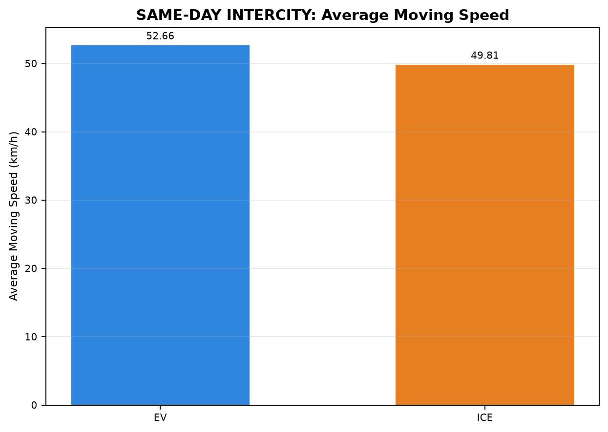
Pair | Pair ID | Vehicle | Category | Route Group | Trips | CHARGING / REFUELING | STOP | IDLE | INCHING | ACC | DEC | CRUISE
4 | PAIR_004 | EV | INTERCITY | Chennai ↔ Pondicherry | Chennai to Pondicherry | 0.000 | 25.883 | 8.150 | 8.017 | 55.883 | 40.117 | 102.394
4 | PAIR_004 | ICE | INTERCITY | Chennai ↔ Pondicherry | Chennai to Pondicherry | 0.000 | 69.483 | 9.950 | 1.717 | 25.133 | 23.433 | 144.633
11 | PAIR_011 | EV | INTERCITY | Chennai ↔ Pondicherry | Pondicherry to Chennai | 0.000 | 43.486 | 7.550 | 4.100 | 52.500 | 37.471 | 96.267
11 | PAIR_011 | ICE | INTERCITY | Chennai ↔ Pondicherry | Pondicherry to Chennai | 0.000 | 36.983 | 4.500 | 1.617 | 42.433 | 34.950 | 121.132
18 | PAIR_018 | EV | INTERCITY | Chennai ↔ Pondicherry | Chennai to Pondicherry | 0.000 | 30.183 | 12.055 | 2.100 | 43.833 | 30.250 | 87.222
18 | PAIR_018 | ICE | INTERCITY | Chennai ↔ Pondicherry | Chennai to Pondicherry | 0.000 | 31.800 | 0.000 | 1.500 | 30.467 | 23.000 | 134.383
23 | PAIR_023 | EV | INTERCITY | Chennai ↔ Pondicherry | Pondicherry to Chennai | 0.000 | 24.650 | 10.134 | 2.100 | 53.917 | 40.750 | 91.500
23 | PAIR_023 | ICE | INTERCITY | Chennai ↔ Pondicherry | Pondicherry to Chennai | 0.000 | 23.717 | 4.433 | 9.550 | 50.650 | 34.233 | 109.300
28 | PAIR_028 | EV | INTERCITY | Chennai ↔ Pondicherry | Chennai to Pondicherry | 0.000 | 8.933 | 5.419 | 0.000 | 46.883 | 35.667 | 98.500
28 | PAIR_028 | ICE | INTERCITY | Chennai ↔ Pondicherry | Chennai to Pondicherry | 0.000 | 71.083 | 4.050 | 9.247 | 38.683 | 26.817 | 116.983
31 | PAIR_031 | EV | INTERCITY | Chennai ↔ Pondicherry | Pondicherry to Chennai | 0.000 | 29.483 | 0.111 | 5.267 | 45.483 | 28.733 | 78.576
31 | PAIR_031 | ICE | INTERCITY | Chennai ↔ Pondicherry | Pondicherry to Chennai | 0.000 | 21.383 | 1.000 | 0.000 | 39.183 | 30.467 | 102.925
38 | PAIR_038 | EV | INTERCITY | Madhuravoyal to Madiwala | Madhuravoyal to Madiwala | 50.367 | 8.367 | 17.350 | 4.750 | 75.683 | 57.183 | 181.300
38 | PAIR_038 | ICE | INTERCITY | Madhuravoyal to Madiwala | Madhuravoyal to Madiwala | 0.000 | 42.650 | 4.450 | 12.017 | 57.412 | 49.600 | 208.833
42 | PAIR_042 | EV | INTERCITY | Madiwala to Madhuravoyal | Madiwala to Madhuravoyal | 63.200 | 14.517 | 29.517 | 6.883 | 69.250 | 57.887 | 164.517
42 | PAIR_042 | ICE | INTERCITY | Madiwala to Madhuravoyal | Madiwala to Madhuravoyal | 0.000 | 20.583 | 2.833 | 4.000 | 45.567 | 33.783 | 218.638
48 | PAIR_048 | EV | INTERCITY | Madiwala to Madhuravoyal | Madiwala to Madhuravoyal | 0.000 | 65.983 | 30.533 | 6.383 | 76.567 | 59.983 | 171.283
48 | PAIR_048 | ICE | INTERCITY | Madiwala to Madhuravoyal | Madiwala to Madhuravoyal | 0.000 | 35.400 | 6.317 | 10.350 | 65.800 | 46.881 | 183.400
51 | PAIR_051 | EV | INTERCITY | Chennai ↔ Pondicherry | Chennai to Pondicherry | 0.000 | 35.567 | 30.984 | 3.300 | 67.481 | 48.567 | 79.917
51 | PAIR_051 | ICE | INTERCITY | Chennai ↔ Pondicherry | Chennai to Pondicherry | 0.000 | 48.183 | 17.667 | 10.233 | 51.033 | 37.133 | 121.317
52 | PAIR_052 | EV | INTERCITY | Chennai ↔ Pondicherry | Pondicherry to Chennai | 0.000 | 35.100 | 15.117 | 6.600 | 73.303 | 55.483 | 78.350
52 | PAIR_052 | ICE | INTERCITY | Chennai ↔ Pondicherry | Pondicherry to Chennai | 0.000 | 26.333 | 10.017 | 14.150 | 51.267 | 41.040 | 143.533
53 | PAIR_053 | EV | INTERCITY | Madhuravoyal to Madiwala | Madhuravoyal to Madiwala | 44.683 | 6.683 | 11.750 | 2.017 | 64.300 | 51.867 | 172.548
53 | PAIR_053 | ICE | INTERCITY | Madhuravoyal to Madiwala | Madhuravoyal to Madiwala | 0.000 | 3.017 | 4.300 | 1.883 | 48.913 | 35.333 | 224.500

54 | PAIR_054 | EV | INTERCITY | Madiwala to Madhuravoyal | Madiwala to Madhuravoyal | 34.833 | 58.167 | 21.680 | 8.000 | 64.500 | 53.652 | 176.533
54 | PAIR_054 | ICE | INTERCITY | Madiwala to Madhuravoyal | Madiwala to Madhuravoyal | 0.000 | 24.317 | 2.667 | 5.683 | 44.467 | 32.450 | 243.150

Table 3: SAME-DAY INTERCITY - Phase Distance Comparison (km)

Pair | Pair ID | Vehicle | Category | Route Group | Trips | CHARGING / REFUELING | STOP | IDLE | INCHING | ACC | DEC | CRUISE
4 | PAIR_004 | EV | INTERCITY | Chennai ↔ Pondicherry | Chennai to Pondicherry | 0.000 | 0.356 | 0.576 | 0.627 | 44.777 | 31.031 | 70.832
4 | PAIR_004 | ICE | INTERCITY | Chennai ↔ Pondicherry | Chennai to Pondicherry | 0.000 | 0.840 | 1.798 | 0.576 | 16.044 | 16.780 | 112.088
11 | PAIR_011 | EV | INTERCITY | Chennai ↔ Pondicherry | Pondicherry to Chennai | 0.000 | 1.332 | 0.754 | 0.439 | 42.768 | 29.775 | 68.610
11 | PAIR_011 | ICE | INTERCITY | Chennai ↔ Pondicherry | Pondicherry to Chennai | 0.000 | 0.434 | 2.039 | 0.270 | 30.598 | 25.114 | 85.251
18 | PAIR_018 | EV | INTERCITY | Chennai ↔ Pondicherry | Chennai to Pondicherry | 0.000 | 0.383 | 2.078 | 0.205 | 36.808 | 24.895 | 77.229
18 | PAIR_018 | ICE | INTERCITY | Chennai ↔ Pondicherry | Chennai to Pondicherry | 0.000 | 0.222 | 0.000 | 0.116 | 21.520 | 17.070 | 102.738
23 | PAIR_023 | EV | INTERCITY | Chennai ↔ Pondicherry | Pondicherry to Chennai | 0.000 | 0.343 | 1.045 | 0.404 | 41.471 | 30.615 | 63.969
23 | PAIR_023 | ICE | INTERCITY | Chennai ↔ Pondicherry | Pondicherry to Chennai | 0.000 | 0.117 | 0.983 | 0.765 | 36.712 | 25.041 | 74.294
28 | PAIR_028 | EV | INTERCITY | Chennai ↔ Pondicherry | Chennai to Pondicherry | 0.000 | 0.259 | 0.709 | 0.000 | 37.603 | 27.743 | 79.593
28 | PAIR_028 | ICE | INTERCITY | Chennai ↔ Pondicherry | Chennai to Pondicherry | 0.000 | 0.549 | 0.553 | 0.824 | 27.610 | 19.893 | 96.566
31 | PAIR_031 | EV | INTERCITY | Chennai ↔ Pondicherry | Pondicherry to Chennai | 0.000 | 0.430 | 0.058 | 0.355 | 37.109 | 23.384 | 62.656
31 | PAIR_031 | ICE | INTERCITY | Chennai ↔ Pondicherry | Pondicherry to Chennai | 0.000 | 0.109 | 0.878 | 0.000 | 28.213 | 20.936 | 73.844
38 | PAIR_038 | EV | INTERCITY | Madhuravoyal to Madiwala | Madhuravoyal to Madiwala | 0.142 | 0.191 | 0.109 | 0.399 | 67.358 | 52.263 | 205.893
38 | PAIR_038 | ICE | INTERCITY | Madhuravoyal to Madiwala | Madhuravoyal to Madiwala | 0.000 | 0.548 | 0.050 | 0.945 | 50.571 | 45.613 | 228.219
42 | PAIR_042 | EV | INTERCITY | Madiwala to Madhuravoyal | Madiwala to Madhuravoyal | 0.112 | 0.082 | 0.016 | 0.513 | 67.118 | 56.356 | 197.664

42 | PAIR_042 | ICE | INTERCITY | Madiwala to Madhuravoyal | Madiwala to Madhuravoyal | 0.000 | 0.477 | 0.013 | 0.420 | 40.651 | 31.659 | 249.213
48 | PAIR_048 | EV | INTERCITY | Madiwala to Madhuravoyal | Madiwala to Madhuravoyal | 0.000 | 0.240 | 0.216 | 0.598 | 71.217 | 57.609 | 195.519
48 | PAIR_048 | ICE | INTERCITY | Madiwala to Madhuravoyal | Madiwala to Madhuravoyal | 0.000 | 0.450 | 0.063 | 0.916 | 59.819 | 44.251 | 219.385
51 | PAIR_051 | EV | INTERCITY | Chennai ↔ Pondicherry | Chennai to Pondicherry | 0.000 | 0.593 | 0.608 | 0.307 | 47.848 | 34.798 | 69.521
51 | PAIR_051 | ICE | INTERCITY | Chennai ↔ Pondicherry | Chennai to Pondicherry | 0.000 | 0.653 | 1.467 | 1.326 | 32.195 | 24.264 | 93.626
52 | PAIR_052 | EV | INTERCITY | Chennai ↔ Pondicherry | Pondicherry to Chennai | 0.000 | 0.186 | 0.298 | 1.421 | 52.756 | 37.953 | 58.946
52 | PAIR_052 | ICE | INTERCITY | Chennai ↔ Pondicherry | Pondicherry to Chennai | 0.000 | 0.366 | 0.526 | 1.205 | 29.795 | 24.547 | 95.670
53 | PAIR_053 | EV | INTERCITY | Madhuravoyal to Madiwala | Madhuravoyal to Madiwala | 0.052 | 0.127 | 0.032 | 0.168 | 59.942 | 53.823 | 211.266
53 | PAIR_053 | ICE | INTERCITY | Madhuravoyal to Madiwala | Madhuravoyal to Madiwala | 0.000 | 0.002 | 0.041 | 0.361 | 42.409 | 30.729 | 251.554
54 | PAIR_054 | EV | INTERCITY | Madiwala to Madhuravoyal | Madiwala to Madhuravoyal | 0.089 | 0.328 | 0.101 | 0.577 | 63.631 | 53.729 | 206.015
54 | PAIR_054 | ICE | INTERCITY | Madiwala to Madhuravoyal | Madiwala to Madhuravoyal | 0.000 | 0.442 | 0.428 | 0.511 | 36.407 | 29.048 | 258.197

05_Diff_Day_Time_All
Table 1: DIFFERENT-DAY EV-ICE PAIRS WITHIN 2 HOURS - EV vs ICE Trip Summary


Pair | Pair ID | Pair Class | Category | Route Group | Trips | EV Date | ICE Date | Different-Day Pair | Start-Time Difference (min) | Allowed Difference (min) | Within 2 Hours | EV Distance (km) | ICE Distance (km) | EV TAT (min) | ICE TAT (min) | EV Start Time | EV End Time | ICE Start Time | ICE End Time | EV Moving Avg Speed (km/h) | ICE Moving Avg Speed (km/h)
3 | PAIR_003 | NONSTRICT | INTERCITY | Maduravoyal ↔ Silk Board | Madhuravoyal to SilkBoard | 10-07-2026 | 31-07-2026 | YES | 59.050 | 120.000 | YES | 320.340 | 320.689 | 345.617 | 358.397 | 00:24:16 | 06:09:53 | 23:25:13 | 05:23:37 | 64.617 | 59.679
5 | PAIR_005 | NONSTRICT | INTERCITY | Chennai ↔ Pondicherry | Chennai to Pondicherry | 15-07-2026 | 17-07-2026 | YES | 107.533 | 120.000 | YES | 141.622 | 141.671 | 209.592 | 221.150 | 09:56:19 | 13:25:55 | 11:43:51 | 15:25:00 | 47.254 | 44.822
7 | PAIR_007 | NONSTRICT | INTERCITY | Chennai ↔ Pondicherry | Chennai to Pondicherry | 15-07-2026 | 19-07-2026 | YES | 90.500 | 120.000 | YES | 146.110 | 146.194 | 232.892 | 269.217 | 09:38:15 | 13:31:09 | 11:08:45 | 15:37:58 | 44.762 | 44.849
16 | PAIR_016 | NONSTRICT | INTERCITY | Chennai ↔ Pondicherry | Pondicherry to Chennai | 16-07-2026 | 26-09-2026 | YES | 119.867 | 120.000 | YES | 152.239 | 153.948 | 276.102 | 291.360 | 14:16:16 | 18:52:23 | 16:16:08 | 21:07:29 | 40.356 | 36.022
24 | PAIR_024 | NONSTRICT | INTERCITY | Chennai ↔ Pondicherry | Pondicherry to Chennai | 18-07-2026 | 20-07-2026 | YES | 117.517 | 120.000 | YES | 125.022 | 123.887 | 207.136 | 194.533 | 14:59:13 | 18:26:21 | 16:56:44 | 20:11:15 | 41.522 | 42.835
27 | PAIR_027 | NONSTRICT | INTERCITY | Chennai ↔ Pondicherry | Pondicherry to Chennai | 26-09-2026 | 18-07-2026 | YES | 109.167 | 120.000 | YES | 138.294 | 137.869 | 219.909 | 231.883 | 14:31:24 | 18:11:19 | 16:20:34 | 20:12:27 | 46.484 | 40.287
32 | PAIR_032 | NONSTRICT | INTERCITY | Maduravoyal ↔ Silk Board | SilkBoard to Madhuravoyal | 20-07-2026 | 29-07-2026 | YES | 62.983 | 120.000 | YES | 324.828 | 330.654 | 356.122 | 333.433 | 00:01:12 | 05:57:20 | 22:58:13 | 04:31:39 | 65.689 | 62.888
33 | PAIR_033 | NONSTRICT | INTERCITY | Maduravoyal ↔ Silk Board | SilkBoard to Madhuravoyal | 20-07-2026 | 05-09-2026 | YES | 45.133 | 120.000 | YES | 320.295 | 320.930 | 350.055 | 317.316 | 00:02:48 | 05:52:52 | 23:17:40 | 04:34:59 | 66.127 | 65.884
35 | PAIR_035 | NONSTRICT | INTERCITY | Chennai ↔ Pondicherry | Pondicherry to Chennai | 26-09-2026 | 20-07-2026 | YES | 97.683 | 120.000 | YES | 125.742 | 123.982 | 194.938 | 194.958 | 15:19:03 | 18:34:00 | 16:56:44 | 20:11:41 | 45.475 | 42.769
36 | PAIR_036 | NONSTRICT | INTERCITY | Maduravoyal ↔ Silk Board | Madhuravoyal to SilkBoard | 05-09-2026 | 31-07-2026 | YES | 46.733 | 120.000 | YES | 326.458 | 326.591 | 477.621 | 368.083 | 00:04:24 | 08:02:01 | 23:17:40 | 05:25:45 | 53.205 | 59.004
37 | PAIR_037 | STRICT | INTERCITY | Maduravoyal ↔ Silk Board | SilkBoard to Madhuravoyal | 06-09-2026 | 05-09-2026 | YES | 62.533 | 120.000 | YES | 249.127 | 249.907 | 261.387 | 244.941 | 00:18:27 | 04:39:51 | 23:15:55 | 03:20:51 | 63.844 | 67.455
40 | PAIR_040 | NONSTRICT | INTERCITY | Madhuravoyal to Madiwala | Madhuravoyal to Madiwala | 11-09-2026 | 02-10-2026 | YES | 12.933 | 120.000 | YES | 326.424 | 325.952 | 395.000 | 319.505 | 23:17:00 | 05:52:00 | 23:29:56 | 04:49:26 | 61.329 | 62.637
41 | PAIR_041 | NONSTRICT | INTERCITY | Madhuravoyal to Madiwala | Madhuravoyal to Madiwala | 02-10-2026 | 11-09-2026 | YES | 14.067 | 120.000 | YES | 325.449 | 325.197 | 353.848 | 372.550 | 23:13:07 | 05:06:58 | 23:27:11 | 05:39:44 | 67.121 | 59.843
45 | PAIR_045 | NONSTRICT | INTERCITY | Madiwala to Madhuravoyal | Madiwala to Madhuravoyal | 12-09-2026 | 03-10-2026 | YES | 40.483 | 120.000 | YES | 322.274 | 322.647 | 446.450 | 349.426 | 22:40:31 | 06:06:58 | 22:00:02 | 03:49:27 | 64.459 | 59.876
46 | PAIR_046 | NONSTRICT | INTERCITY | Madiwala to Madhuravoyal | Madiwala to Madhuravoyal | 03-10-2026 | 12-09-2026 | YES | 50.233 | 120.000 | YES | 324.935 | 325.726 | 394.635 | 329.750 | 22:22:51 | 04:57:29 | 23:13:05 | 04:42:50 | 64.174 | 63.703

Table 2: DIFFERENT-DAY EV-ICE PAIRS WITHIN 2 HOURS - Phase Time Comparison (min)

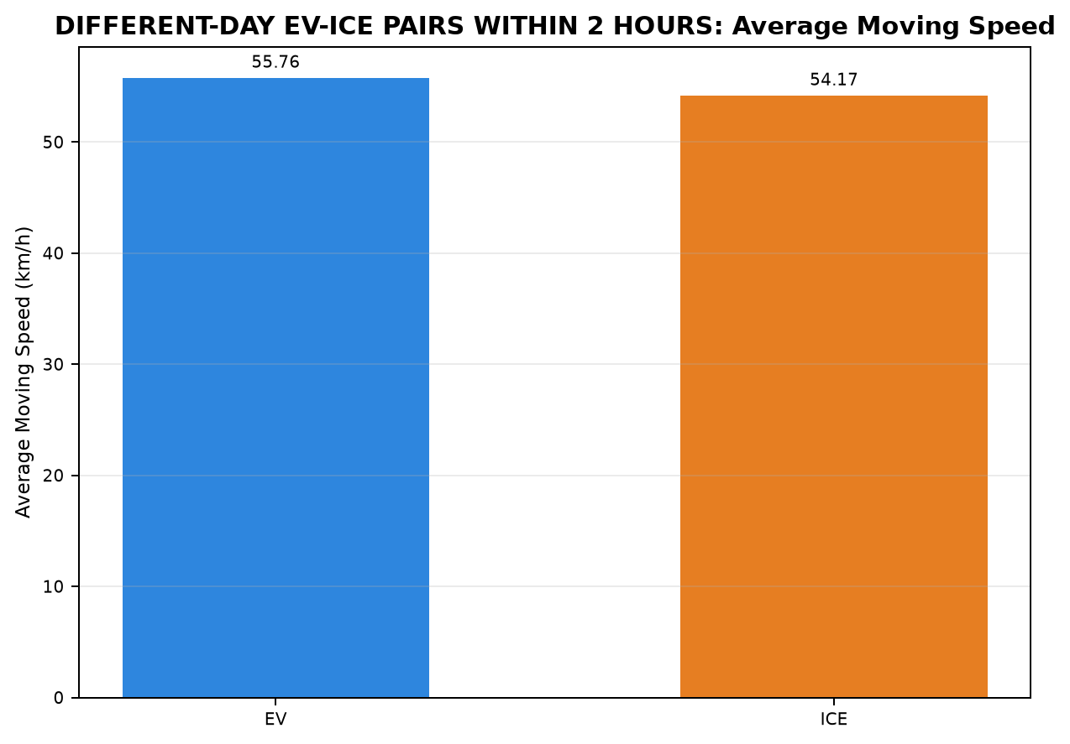
Pair | Pair ID | Vehicle | Category | Route Group | Trips | CHARGING / REFUELING | STOP | IDLE | INCHING | ACC | DEC | CRUISE
3 | PAIR_003 | EV | INTERCITY | Maduravoyal ↔ Silk Board | Madhuravoyal to SilkBoard | 38.333 | 10.567 | 0.000 | 0.667 | 49.317 | 44.583 | 202.150
3 | PAIR_003 | ICE | INTERCITY | Maduravoyal ↔ Silk Board | Madhuravoyal to SilkBoard | 0.000 | 35.983 | 0.350 | 4.083 | 62.087 | 50.533 | 205.360
5 | PAIR_005 | EV | INTERCITY | Chennai ↔ Pondicherry | Chennai to Pondicherry | 0.000 | 25.883 | 4.933 | 5.933 | 52.333 | 37.575 | 82.934
5 | PAIR_005 | ICE | INTERCITY | Chennai ↔ Pondicherry | Chennai to Pondicherry | 0.000 | 31.800 | 0.000 | 1.500 | 30.467 | 23.000 | 134.383
7 | PAIR_007 | EV | INTERCITY | Chennai ↔ Pondicherry | Chennai to Pondicherry | 0.000 | 29.404 | 9.237 | 8.017 | 55.050 | 38.850 | 92.333
7 | PAIR_007 | ICE | INTERCITY | Chennai ↔ Pondicherry | Chennai to Pondicherry | 0.000 | 71.083 | 4.050 | 11.600 | 38.683 | 26.817 | 116.983
16 | PAIR_016 | EV | INTERCITY | Chennai ↔ Pondicherry | Pondicherry to Chennai | 0.000 | 43.486 | 9.550 | 6.783 | 55.400 | 40.217 | 120.667
16 | PAIR_016 | ICE | INTERCITY | Chennai ↔ Pondicherry | Pondicherry to Chennai | 0.000 | 26.333 | 10.017 | 14.483 | 52.600 | 41.900 | 146.026
24 | PAIR_024 | EV | INTERCITY | Chennai ↔ Pondicherry | Pondicherry to Chennai | 0.000 | 26.583 | 1.262 | 5.350 | 50.083 | 38.024 | 85.833
24 | PAIR_024 | ICE | INTERCITY | Chennai ↔ Pondicherry | Pondicherry to Chennai | 0.000 | 21.383 | 1.000 | 0.000 | 39.183 | 30.467 | 102.499
27 | PAIR_027 | EV | INTERCITY | Chennai ↔ Pondicherry | Pondicherry to Chennai | 0.000 | 31.033 | 10.967 | 2.933 | 62.683 | 46.941 | 65.351
27 | PAIR_027 | ICE | INTERCITY | Chennai ↔ Pondicherry | Pondicherry to Chennai | 0.000 | 23.717 | 4.433 | 9.550 | 50.650 | 34.233 | 109.300
32 | PAIR_032 | EV | INTERCITY | Maduravoyal ↔ Silk Board | SilkBoard to Madhuravoyal | 23.400 | 37.617 | 0.000 | 0.583 | 58.389 | 47.783 | 188.350
32 | PAIR_032 | ICE | INTERCITY | Maduravoyal ↔ Silk Board | SilkBoard to Madhuravoyal | 0.000 | 18.100 | 0.067 | 1.750 | 61.950 | 44.950 | 206.617
33 | PAIR_033 | EV | INTERCITY | Maduravoyal ↔ Silk Board | SilkBoard to Madhuravoyal | 23.400 | 37.617 | 0.000 | 0.583 | 56.670 | 46.801 | 184.983
33 | PAIR_033 | ICE | INTERCITY | Maduravoyal ↔ Silk Board | SilkBoard to Madhuravoyal | 0.000 | 16.433 | 8.733 | 5.083 | 63.817 | 46.867 | 176.383
35 | PAIR_035 | EV | INTERCITY | Chennai ↔ Pondicherry | Pondicherry to Chennai | 0.000 | 20.650 | 8.668 | 2.983 | 56.783 | 43.370 | 62.483
35 | PAIR_035 | ICE | INTERCITY | Chennai ↔ Pondicherry | Pondicherry to Chennai | 0.000 | 21.383 | 1.000 | 0.000 | 39.183 | 30.467 | 102.925
36 | PAIR_036 | EV | INTERCITY | Maduravoyal ↔ Silk Board | Madhuravoyal to SilkBoard | 40.300 | 46.847 | 23.250 | 14.683 | 52.483 | 45.117 | 254.941
36 | PAIR_036 | ICE | INTERCITY | Maduravoyal ↔ Silk Board | Madhuravoyal to SilkBoard | 0.000 | 35.983 | 0.350 | 4.167 | 65.367 | 52.467 | 209.750
37 | PAIR_037 | EV | INTERCITY | Maduravoyal ↔ Silk Board | SilkBoard to Madhuravoyal | 20.983 | 3.667 | 3.033 | 7.283 | 33.004 | 29.650 | 163.767
37 | PAIR_037 | ICE | INTERCITY | Maduravoyal ↔ Silk Board | SilkBoard to Madhuravoyal | 0.000 | 16.433 | 6.317 | 5.000 | 46.800 | 33.417 | 136.974
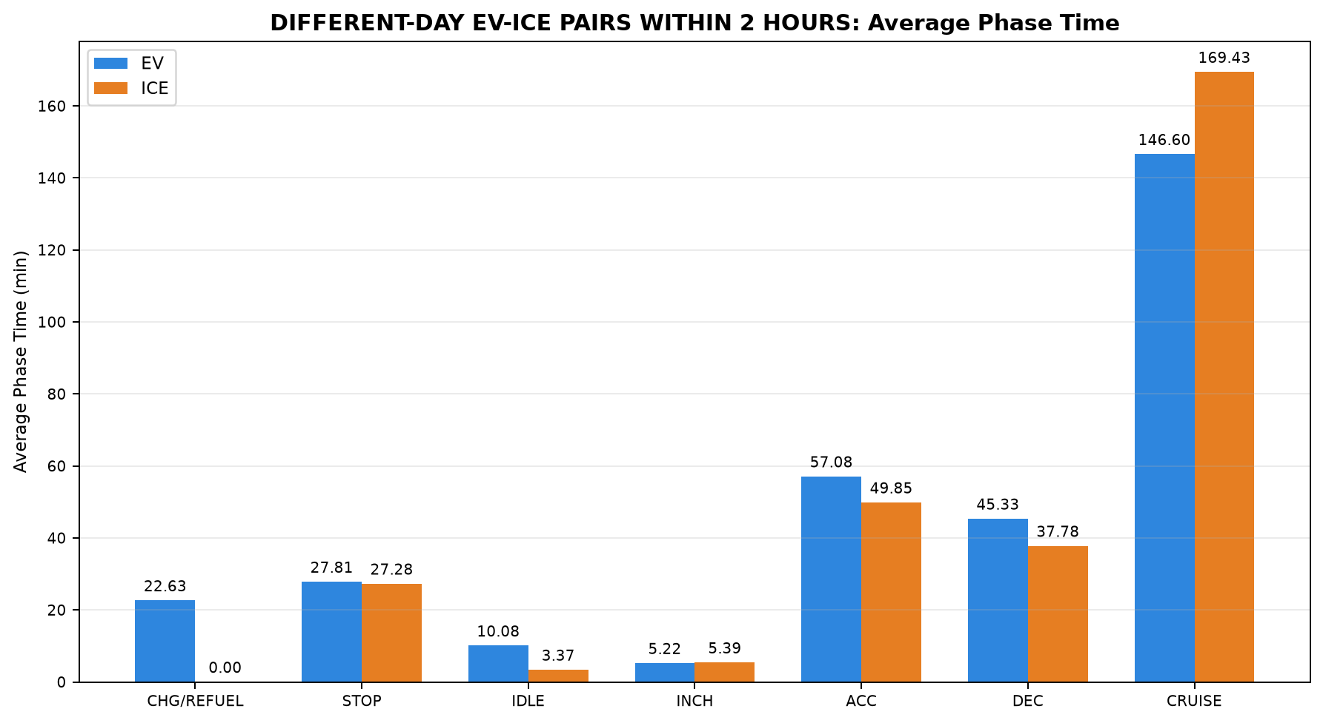
40 | PAIR_040 | EV | INTERCITY | Madhuravoyal to Madiwala | Madhuravoyal to Madiwala | 50.367 | 8.367 | 17.350 | 4.750 | 75.683 | 57.183 | 181.300
40 | PAIR_040 | ICE | INTERCITY | Madhuravoyal to Madiwala | Madhuravoyal to Madiwala | 0.000 | 3.017 | 4.300 | 1.883 | 49.167 | 35.333 | 225.805
41 | PAIR_041 | EV | INTERCITY | Madhuravoyal to Madiwala | Madhuravoyal to Madiwala | 44.683 | 6.683 | 11.750 | 2.017 | 64.300 | 51.867 | 172.548
41 | PAIR_041 | ICE | INTERCITY | Madhuravoyal to Madiwala | Madhuravoyal to Madiwala | 0.000 | 42.650 | 4.450 | 12.017 | 56.917 | 49.017 | 207.500
45 | PAIR_045 | EV | INTERCITY | Madiwala to Madhuravoyal | Madiwala to Madhuravoyal | 63.200 | 51.317 | 32.283 | 7.717 | 69.400 | 57.933 | 164.600
45 | PAIR_045 | ICE | INTERCITY | Madiwala to Madhuravoyal | Madiwala to Madhuravoyal | 0.000 | 24.317 | 2.667 | 5.683 | 44.133 | 32.117 | 240.509
46 | PAIR_046 | EV | INTERCITY | Madiwala to Madhuravoyal | Madiwala to Madhuravoyal | 34.833 | 37.450 | 18.850 | 8.000 | 64.659 | 54.067 | 176.776
46 | PAIR_046 | ICE | INTERCITY | Madiwala to Madhuravoyal | Madiwala to Madhuravoyal | 0.000 | 20.583 | 2.833 | 4.000 | 46.733 | 35.117 | 220.483

Table 3: DIFFERENT-DAY EV-ICE PAIRS WITHIN 2 HOURS - Phase Distance Comparison (km)

Pair | Pair ID | Vehicle | Category | Route Group | Trips | CHARGING / REFUELING | STOP | IDLE | INCHING | ACC | DEC | CRUISE
3 | PAIR_003 | EV | INTERCITY | Maduravoyal ↔ Silk Board | Madhuravoyal to SilkBoard | 0.322 | 0.470 | 0.000 | 0.265 | 46.829 | 41.954 | 230.501
3 | PAIR_003 | ICE | INTERCITY | Maduravoyal ↔ Silk Board | Madhuravoyal to SilkBoard | 0.000 | 0.347 | 0.000 | 0.437 | 58.410 | 47.464 | 214.030
5 | PAIR_005 | EV | INTERCITY | Chennai ↔ Pondicherry | Chennai to Pondicherry | 0.000 | 0.356 | 0.469 | 0.357 | 43.251 | 30.282 | 66.907
5 | PAIR_005 | ICE | INTERCITY | Chennai ↔ Pondicherry | Chennai to Pondicherry | 0.000 | 0.222 | 0.000 | 0.116 | 21.522 | 17.073 | 102.738
7 | PAIR_007 | EV | INTERCITY | Chennai ↔ Pondicherry | Chennai to Pondicherry | 0.000 | 0.472 | 0.723 | 0.627 | 44.372 | 30.695 | 69.221
7 | PAIR_007 | ICE | INTERCITY | Chennai ↔ Pondicherry | Chennai to Pondicherry | 0.000 | 0.567 | 0.553 | 1.005 | 27.610 | 19.893 | 96.566
16 | PAIR_016 | EV | INTERCITY | Chennai ↔ Pondicherry | Pondicherry to Chennai | 0.000 | 1.349 | 0.856 | 0.670 | 44.026 | 31.176 | 74.162
16 | PAIR_016 | ICE | INTERCITY | Chennai ↔ Pondicherry | Pondicherry to Chennai | 0.000 | 0.323 | 0.526 | 1.222 | 30.183 | 24.798 | 96.896
24 | PAIR_024 | EV | INTERCITY | Chennai ↔ Pondicherry | Pondicherry to Chennai | 0.000 | 0.433 | 0.515 | 0.738 | 38.041 | 28.350 | 56.945
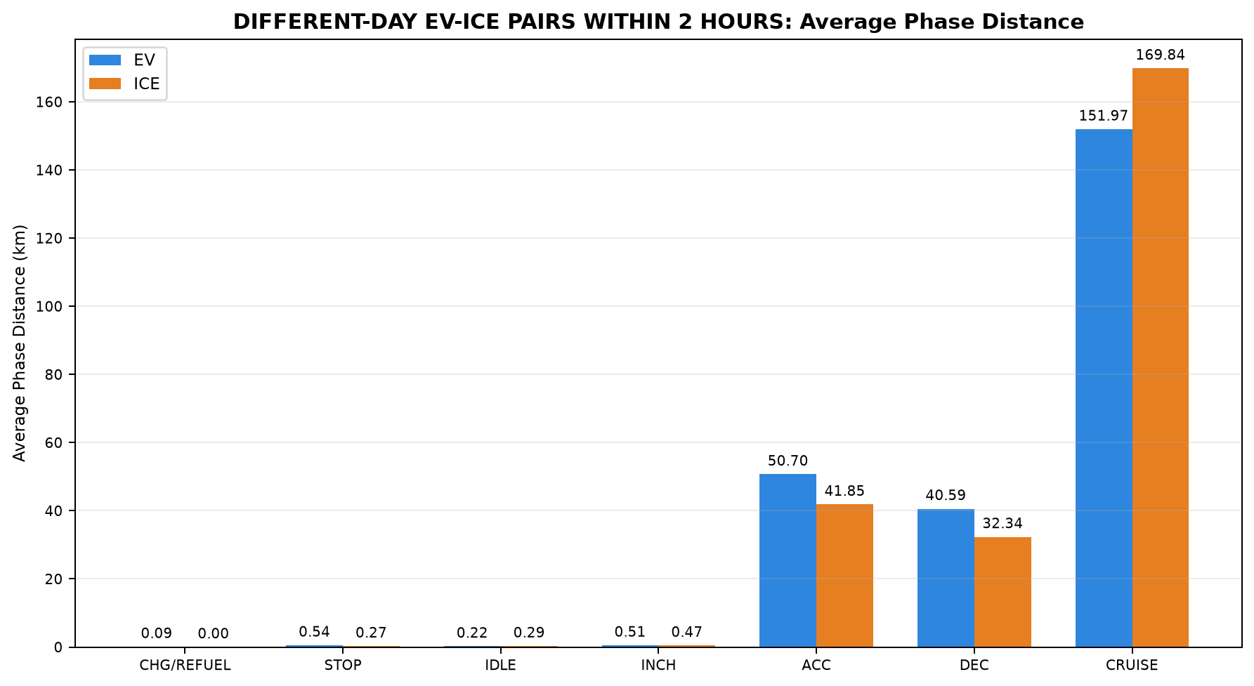
24 | PAIR_024 | ICE | INTERCITY | Chennai ↔ Pondicherry | Pondicherry to Chennai | 0.000 | 0.109 | 0.877 | 0.000 | 28.213 | 20.936 | 73.751
27 | PAIR_027 | EV | INTERCITY | Chennai ↔ Pondicherry | Pondicherry to Chennai | 0.000 | 0.177 | 0.286 | 0.238 | 48.513 | 34.664 | 54.416
27 | PAIR_027 | ICE | INTERCITY | Chennai ↔ Pondicherry | Pondicherry to Chennai | 0.000 | 0.117 | 0.957 | 0.749 | 36.712 | 25.041 | 74.294
32 | PAIR_032 | EV | INTERCITY | Maduravoyal ↔ Silk Board | SilkBoard to Madhuravoyal | 0.142 | 1.601 | 0.000 | 0.229 | 60.390 | 48.618 | 213.847
32 | PAIR_032 | ICE | INTERCITY | Maduravoyal ↔ Silk Board | SilkBoard to Madhuravoyal | 0.000 | 0.214 | 0.000 | 0.307 | 59.159 | 41.619 | 229.355
33 | PAIR_033 | EV | INTERCITY | Maduravoyal ↔ Silk Board | SilkBoard to Madhuravoyal | 0.142 | 1.601 | 0.000 | 0.229 | 59.191 | 47.930 | 211.202
33 | PAIR_033 | ICE | INTERCITY | Maduravoyal ↔ Silk Board | SilkBoard to Madhuravoyal | 0.000 | 0.084 | 0.047 | 0.250 | 61.460 | 46.933 | 212.158
35 | PAIR_035 | EV | INTERCITY | Chennai ↔ Pondicherry | Pondicherry to Chennai | 0.000 | 0.071 | 0.145 | 0.259 | 43.798 | 31.328 | 50.141
35 | PAIR_035 | ICE | INTERCITY | Chennai ↔ Pondicherry | Pondicherry to Chennai | 0.000 | 0.109 | 0.859 | 0.000 | 28.213 | 20.936 | 73.865
36 | PAIR_036 | EV | INTERCITY | Maduravoyal ↔ Silk Board | Madhuravoyal to SilkBoard | 0.073 | 0.702 | 0.046 | 1.402 | 43.074 | 38.729 | 242.433
36 | PAIR_036 | ICE | INTERCITY | Maduravoyal ↔ Silk Board | Madhuravoyal to SilkBoard | 0.000 | 0.347 | 0.000 | 0.455 | 60.409 | 48.511 | 216.869
37 | PAIR_037 | EV | INTERCITY | Maduravoyal ↔ Silk Board | SilkBoard to Madhuravoyal | 0.305 | 0.141 | 0.005 | 0.924 | 30.514 | 28.676 | 188.560
37 | PAIR_037 | ICE | INTERCITY | Maduravoyal ↔ Silk Board | SilkBoard to Madhuravoyal | 0.000 | 0.084 | 0.024 | 0.231 | 45.486 | 34.428 | 169.653
40 | PAIR_040 | EV | INTERCITY | Madhuravoyal to Madiwala | Madhuravoyal to Madiwala | 0.142 | 0.191 | 0.109 | 0.399 | 67.358 | 52.274 | 205.951
40 | PAIR_040 | ICE | INTERCITY | Madhuravoyal to Madiwala | Madhuravoyal to Madiwala | 0.000 | 0.002 | 0.041 | 0.361 | 42.506 | 30.729 | 252.313
41 | PAIR_041 | EV | INTERCITY | Madhuravoyal to Madiwala | Madhuravoyal to Madiwala | 0.052 | 0.127 | 0.032 | 0.168 | 59.994 | 53.823 | 211.254
41 | PAIR_041 | ICE | INTERCITY | Madhuravoyal to Madiwala | Madhuravoyal to Madiwala | 0.000 | 0.548 | 0.050 | 0.945 | 50.236 | 45.362 | 228.056
45 | PAIR_045 | EV | INTERCITY | Madiwala to Madhuravoyal | Madiwala to Madhuravoyal | 0.112 | 0.214 | 0.027 | 0.562 | 67.301 | 56.320 | 197.738
45 | PAIR_045 | ICE | INTERCITY | Madiwala to Madhuravoyal | Madiwala to Madhuravoyal | 0.000 | 0.443 | 0.428 | 0.511 | 36.197 | 28.880 | 256.188
46 | PAIR_046 | EV | INTERCITY | Madiwala to Madhuravoyal | Madiwala to Madhuravoyal | 0.089 | 0.179 | 0.051 | 0.577 | 63.807 | 54.004 | 206.228
46 | PAIR_046 | ICE | INTERCITY | Madiwala to Madhuravoyal | Madiwala to Madhuravoyal | 0.000 | 0.477 | 0.013 | 0.420 | 41.502 | 32.505 | 250.810

06_Diff_Day_Time_INTERCITY
Table 1: DIFFERENT-DAY INTERCITY WITHIN 2 HOURS - EV vs ICE Trip Summary


Pair | Pair ID | Pair Class | Category | Route Group | Trips | EV Date | ICE Date | Different-Day Pair | Start-Time Difference (min) | Allowed Difference (min) | Within 2 Hours | EV Distance (km) | ICE Distance (km) | EV TAT (min) | ICE TAT (min) | EV Start Time | EV End Time | ICE Start Time | ICE End Time | EV Moving Avg Speed (km/h) | ICE Moving Avg Speed (km/h)
3 | PAIR_003 | NONSTRICT | INTERCITY | Maduravoyal ↔ Silk Board | Madhuravoyal to SilkBoard | 10-07-2026 | 31-07-2026 | YES | 59.050 | 120.000 | YES | 320.340 | 320.689 | 345.617 | 358.397 | 00:24:16 | 06:09:53 | 23:25:13 | 05:23:37 | 64.617 | 59.679
5 | PAIR_005 | NONSTRICT | INTERCITY | Chennai ↔ Pondicherry | Chennai to Pondicherry | 15-07-2026 | 17-07-2026 | YES | 107.533 | 120.000 | YES | 141.622 | 141.671 | 209.592 | 221.150 | 09:56:19 | 13:25:55 | 11:43:51 | 15:25:00 | 47.254 | 44.822
7 | PAIR_007 | NONSTRICT | INTERCITY | Chennai ↔ Pondicherry | Chennai to Pondicherry | 15-07-2026 | 19-07-2026 | YES | 90.500 | 120.000 | YES | 146.110 | 146.194 | 232.892 | 269.217 | 09:38:15 | 13:31:09 | 11:08:45 | 15:37:58 | 44.762 | 44.849
16 | PAIR_016 | NONSTRICT | INTERCITY | Chennai ↔ Pondicherry | Pondicherry to Chennai | 16-07-2026 | 26-09-2026 | YES | 119.867 | 120.000 | YES | 152.239 | 153.948 | 276.102 | 291.360 | 14:16:16 | 18:52:23 | 16:16:08 | 21:07:29 | 40.356 | 36.022
24 | PAIR_024 | NONSTRICT | INTERCITY | Chennai ↔ Pondicherry | Pondicherry to Chennai | 18-07-2026 | 20-07-2026 | YES | 117.517 | 120.000 | YES | 125.022 | 123.887 | 207.136 | 194.533 | 14:59:13 | 18:26:21 | 16:56:44 | 20:11:15 | 41.522 | 42.835
27 | PAIR_027 | NONSTRICT | INTERCITY | Chennai ↔ Pondicherry | Pondicherry to Chennai | 26-09-2026 | 18-07-2026 | YES | 109.167 | 120.000 | YES | 138.294 | 137.869 | 219.909 | 231.883 | 14:31:24 | 18:11:19 | 16:20:34 | 20:12:27 | 46.484 | 40.287
32 | PAIR_032 | NONSTRICT | INTERCITY | Maduravoyal ↔ Silk Board | SilkBoard to Madhuravoyal | 20-07-2026 | 29-07-2026 | YES | 62.983 | 120.000 | YES | 324.828 | 330.654 | 356.122 | 333.433 | 00:01:12 | 05:57:20 | 22:58:13 | 04:31:39 | 65.689 | 62.888
33 | PAIR_033 | NONSTRICT | INTERCITY | Maduravoyal ↔ Silk Board | SilkBoard to Madhuravoyal | 20-07-2026 | 05-09-2026 | YES | 45.133 | 120.000 | YES | 320.295 | 320.930 | 350.055 | 317.316 | 00:02:48 | 05:52:52 | 23:17:40 | 04:34:59 | 66.127 | 65.884
35 | PAIR_035 | NONSTRICT | INTERCITY | Chennai ↔ Pondicherry | Pondicherry to Chennai | 26-09-2026 | 20-07-2026 | YES | 97.683 | 120.000 | YES | 125.742 | 123.982 | 194.938 | 194.958 | 15:19:03 | 18:34:00 | 16:56:44 | 20:11:41 | 45.475 | 42.769
36 | PAIR_036 | NONSTRICT | INTERCITY | Maduravoyal ↔ Silk Board | Madhuravoyal to SilkBoard | 05-09-2026 | 31-07-2026 | YES | 46.733 | 120.000 | YES | 326.458 | 326.591 | 477.621 | 368.083 | 00:04:24 | 08:02:01 | 23:17:40 | 05:25:45 | 53.205 | 59.004
37 | PAIR_037 | STRICT | INTERCITY | Maduravoyal ↔ Silk Board | SilkBoard to Madhuravoyal | 06-09-2026 | 05-09-2026 | YES | 62.533 | 120.000 | YES | 249.127 | 249.907 | 261.387 | 244.941 | 00:18:27 | 04:39:51 | 23:15:55 | 03:20:51 | 63.844 | 67.455
40 | PAIR_040 | NONSTRICT | INTERCITY | Madhuravoyal to Madiwala | Madhuravoyal to Madiwala | 11-09-2026 | 02-10-2026 | YES | 12.933 | 120.000 | YES | 326.424 | 325.952 | 395.000 | 319.505 | 23:17:00 | 05:52:00 | 23:29:56 | 04:49:26 | 61.329 | 62.637
41 | PAIR_041 | NONSTRICT | INTERCITY | Madhuravoyal to Madiwala | Madhuravoyal to Madiwala | 02-10-2026 | 11-09-2026 | YES | 14.067 | 120.000 | YES | 325.449 | 325.197 | 353.848 | 372.550 | 23:13:07 | 05:06:58 | 23:27:11 | 05:39:44 | 67.121 | 59.843
45 | PAIR_045 | NONSTRICT | INTERCITY | Madiwala to Madhuravoyal | Madiwala to Madhuravoyal | 12-09-2026 | 03-10-2026 | YES | 40.483 | 120.000 | YES | 322.274 | 322.647 | 446.450 | 349.426 | 22:40:31 | 06:06:58 | 22:00:02 | 03:49:27 | 64.459 | 59.876
46 | PAIR_046 | NONSTRICT | INTERCITY | Madiwala to Madhuravoyal | Madiwala to Madhuravoyal | 03-10-2026 | 12-09-2026 | YES | 50.233 | 120.000 | YES | 324.935 | 325.726 | 394.635 | 329.750 | 22:22:51 | 04:57:29 | 23:13:05 | 04:42:50 | 64.174 | 63.703

Table 2: DIFFERENT-DAY INTERCITY WITHIN 2 HOURS - Phase Time Comparison (min)

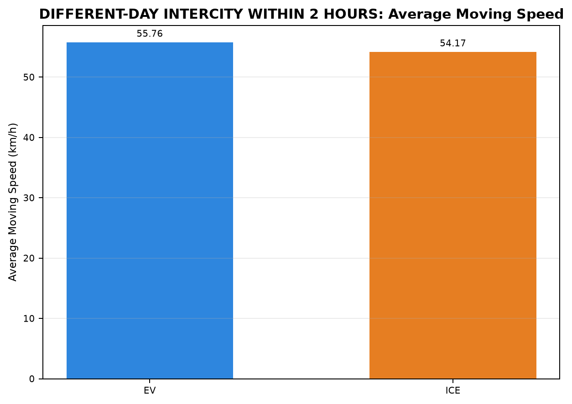
Pair | Pair ID | Vehicle | Category | Route Group | Trips | CHARGING / REFUELING | STOP | IDLE | INCHING | ACC | DEC | CRUISE
3 | PAIR_003 | EV | INTERCITY | Maduravoyal ↔ Silk Board | Madhuravoyal to SilkBoard | 38.333 | 10.567 | 0.000 | 0.667 | 49.317 | 44.583 | 202.150
3 | PAIR_003 | ICE | INTERCITY | Maduravoyal ↔ Silk Board | Madhuravoyal to SilkBoard | 0.000 | 35.983 | 0.350 | 4.083 | 62.087 | 50.533 | 205.360
5 | PAIR_005 | EV | INTERCITY | Chennai ↔ Pondicherry | Chennai to Pondicherry | 0.000 | 25.883 | 4.933 | 5.933 | 52.333 | 37.575 | 82.934
5 | PAIR_005 | ICE | INTERCITY | Chennai ↔ Pondicherry | Chennai to Pondicherry | 0.000 | 31.800 | 0.000 | 1.500 | 30.467 | 23.000 | 134.383
7 | PAIR_007 | EV | INTERCITY | Chennai ↔ Pondicherry | Chennai to Pondicherry | 0.000 | 29.404 | 9.237 | 8.017 | 55.050 | 38.850 | 92.333
7 | PAIR_007 | ICE | INTERCITY | Chennai ↔ Pondicherry | Chennai to Pondicherry | 0.000 | 71.083 | 4.050 | 11.600 | 38.683 | 26.817 | 116.983
16 | PAIR_016 | EV | INTERCITY | Chennai ↔ Pondicherry | Pondicherry to Chennai | 0.000 | 43.486 | 9.550 | 6.783 | 55.400 | 40.217 | 120.667
16 | PAIR_016 | ICE | INTERCITY | Chennai ↔ Pondicherry | Pondicherry to Chennai | 0.000 | 26.333 | 10.017 | 14.483 | 52.600 | 41.900 | 146.026
24 | PAIR_024 | EV | INTERCITY | Chennai ↔ Pondicherry | Pondicherry to Chennai | 0.000 | 26.583 | 1.262 | 5.350 | 50.083 | 38.024 | 85.833
24 | PAIR_024 | ICE | INTERCITY | Chennai ↔ Pondicherry | Pondicherry to Chennai | 0.000 | 21.383 | 1.000 | 0.000 | 39.183 | 30.467 | 102.499
27 | PAIR_027 | EV | INTERCITY | Chennai ↔ Pondicherry | Pondicherry to Chennai | 0.000 | 31.033 | 10.967 | 2.933 | 62.683 | 46.941 | 65.351
27 | PAIR_027 | ICE | INTERCITY | Chennai ↔ Pondicherry | Pondicherry to Chennai | 0.000 | 23.717 | 4.433 | 9.550 | 50.650 | 34.233 | 109.300
32 | PAIR_032 | EV | INTERCITY | Maduravoyal ↔ Silk Board | SilkBoard to Madhuravoyal | 23.400 | 37.617 | 0.000 | 0.583 | 58.389 | 47.783 | 188.350
32 | PAIR_032 | ICE | INTERCITY | Maduravoyal ↔ Silk Board | SilkBoard to Madhuravoyal | 0.000 | 18.100 | 0.067 | 1.750 | 61.950 | 44.950 | 206.617
33 | PAIR_033 | EV | INTERCITY | Maduravoyal ↔ Silk Board | SilkBoard to Madhuravoyal | 23.400 | 37.617 | 0.000 | 0.583 | 56.670 | 46.801 | 184.983
33 | PAIR_033 | ICE | INTERCITY | Maduravoyal ↔ Silk Board | SilkBoard to Madhuravoyal | 0.000 | 16.433 | 8.733 | 5.083 | 63.817 | 46.867 | 176.383
35 | PAIR_035 | EV | INTERCITY | Chennai ↔ Pondicherry | Pondicherry to Chennai | 0.000 | 20.650 | 8.668 | 2.983 | 56.783 | 43.370 | 62.483
35 | PAIR_035 | ICE | INTERCITY | Chennai ↔ Pondicherry | Pondicherry to Chennai | 0.000 | 21.383 | 1.000 | 0.000 | 39.183 | 30.467 | 102.925
36 | PAIR_036 | EV | INTERCITY | Maduravoyal ↔ Silk Board | Madhuravoyal to SilkBoard | 40.300 | 46.847 | 23.250 | 14.683 | 52.483 | 45.117 | 254.941
36 | PAIR_036 | ICE | INTERCITY | Maduravoyal ↔ Silk Board | Madhuravoyal to SilkBoard | 0.000 | 35.983 | 0.350 | 4.167 | 65.367 | 52.467 | 209.750
37 | PAIR_037 | EV | INTERCITY | Maduravoyal ↔ Silk Board | SilkBoard to Madhuravoyal | 20.983 | 3.667 | 3.033 | 7.283 | 33.004 | 29.650 | 163.767
37 | PAIR_037 | ICE | INTERCITY | Maduravoyal ↔ Silk Board | SilkBoard to Madhuravoyal | 0.000 | 16.433 | 6.317 | 5.000 | 46.800 | 33.417 | 136.974
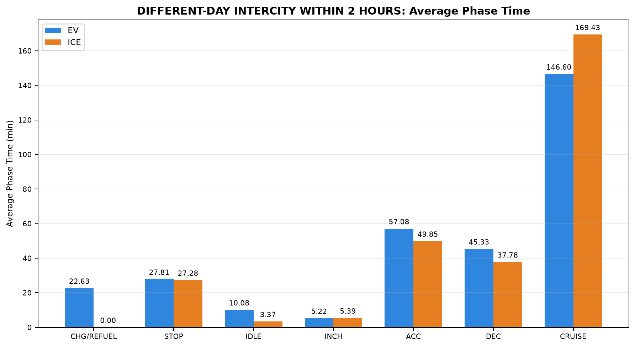
40 | PAIR_040 | EV | INTERCITY | Madhuravoyal to Madiwala | Madhuravoyal to Madiwala | 50.367 | 8.367 | 17.350 | 4.750 | 75.683 | 57.183 | 181.300
40 | PAIR_040 | ICE | INTERCITY | Madhuravoyal to Madiwala | Madhuravoyal to Madiwala | 0.000 | 3.017 | 4.300 | 1.883 | 49.167 | 35.333 | 225.805
41 | PAIR_041 | EV | INTERCITY | Madhuravoyal to Madiwala | Madhuravoyal to Madiwala | 44.683 | 6.683 | 11.750 | 2.017 | 64.300 | 51.867 | 172.548
41 | PAIR_041 | ICE | INTERCITY | Madhuravoyal to Madiwala | Madhuravoyal to Madiwala | 0.000 | 42.650 | 4.450 | 12.017 | 56.917 | 49.017 | 207.500
45 | PAIR_045 | EV | INTERCITY | Madiwala to Madhuravoyal | Madiwala to Madhuravoyal | 63.200 | 51.317 | 32.283 | 7.717 | 69.400 | 57.933 | 164.600
45 | PAIR_045 | ICE | INTERCITY | Madiwala to Madhuravoyal | Madiwala to Madhuravoyal | 0.000 | 24.317 | 2.667 | 5.683 | 44.133 | 32.117 | 240.509
46 | PAIR_046 | EV | INTERCITY | Madiwala to Madhuravoyal | Madiwala to Madhuravoyal | 34.833 | 37.450 | 18.850 | 8.000 | 64.659 | 54.067 | 176.776
46 | PAIR_046 | ICE | INTERCITY | Madiwala to Madhuravoyal | Madiwala to Madhuravoyal | 0.000 | 20.583 | 2.833 | 4.000 | 46.733 | 35.117 | 220.483

Table 3: DIFFERENT-DAY INTERCITY WITHIN 2 HOURS - Phase Distance Comparison (km)

Pair | Pair ID | Vehicle | Category | Route Group | Trips | CHARGING / REFUELING | STOP | IDLE | INCHING | ACC | DEC | CRUISE
3 | PAIR_003 | EV | INTERCITY | Maduravoyal ↔ Silk Board | Madhuravoyal to SilkBoard | 0.322 | 0.470 | 0.000 | 0.265 | 46.829 | 41.954 | 230.501
3 | PAIR_003 | ICE | INTERCITY | Maduravoyal ↔ Silk Board | Madhuravoyal to SilkBoard | 0.000 | 0.347 | 0.000 | 0.437 | 58.410 | 47.464 | 214.030
5 | PAIR_005 | EV | INTERCITY | Chennai ↔ Pondicherry | Chennai to Pondicherry | 0.000 | 0.356 | 0.469 | 0.357 | 43.251 | 30.282 | 66.907
5 | PAIR_005 | ICE | INTERCITY | Chennai ↔ Pondicherry | Chennai to Pondicherry | 0.000 | 0.222 | 0.000 | 0.116 | 21.522 | 17.073 | 102.738
7 | PAIR_007 | EV | INTERCITY | Chennai ↔ Pondicherry | Chennai to Pondicherry | 0.000 | 0.472 | 0.723 | 0.627 | 44.372 | 30.695 | 69.221
7 | PAIR_007 | ICE | INTERCITY | Chennai ↔ Pondicherry | Chennai to Pondicherry | 0.000 | 0.567 | 0.553 | 1.005 | 27.610 | 19.893 | 96.566
16 | PAIR_016 | EV | INTERCITY | Chennai ↔ Pondicherry | Pondicherry to Chennai | 0.000 | 1.349 | 0.856 | 0.670 | 44.026 | 31.176 | 74.162
16 | PAIR_016 | ICE | INTERCITY | Chennai ↔ Pondicherry | Pondicherry to Chennai | 0.000 | 0.323 | 0.526 | 1.222 | 30.183 | 24.798 | 96.896
24 | PAIR_024 | EV | INTERCITY | Chennai ↔ Pondicherry | Pondicherry to Chennai | 0.000 | 0.433 | 0.515 | 0.738 | 38.041 | 28.350 | 56.945
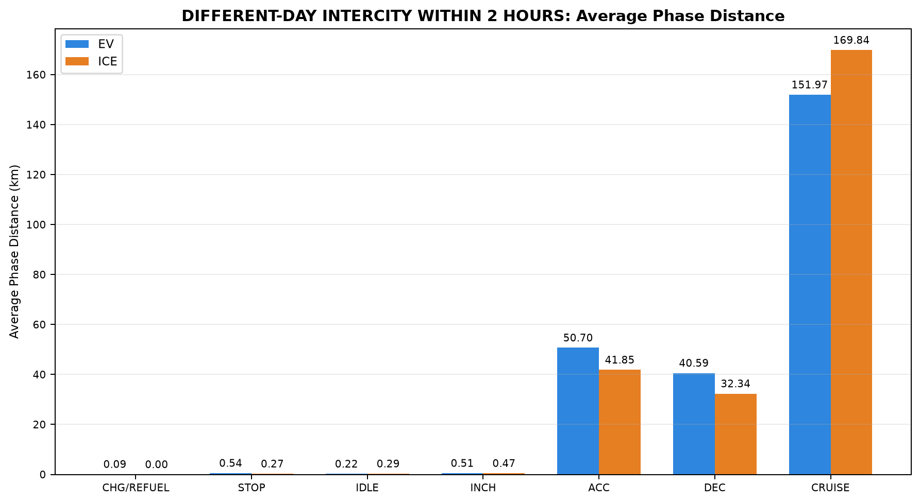
24 | PAIR_024 | ICE | INTERCITY | Chennai ↔ Pondicherry | Pondicherry to Chennai | 0.000 | 0.109 | 0.877 | 0.000 | 28.213 | 20.936 | 73.751
27 | PAIR_027 | EV | INTERCITY | Chennai ↔ Pondicherry | Pondicherry to Chennai | 0.000 | 0.177 | 0.286 | 0.238 | 48.513 | 34.664 | 54.416
27 | PAIR_027 | ICE | INTERCITY | Chennai ↔ Pondicherry | Pondicherry to Chennai | 0.000 | 0.117 | 0.957 | 0.749 | 36.712 | 25.041 | 74.294
32 | PAIR_032 | EV | INTERCITY | Maduravoyal ↔ Silk Board | SilkBoard to Madhuravoyal | 0.142 | 1.601 | 0.000 | 0.229 | 60.390 | 48.618 | 213.847
32 | PAIR_032 | ICE | INTERCITY | Maduravoyal ↔ Silk Board | SilkBoard to Madhuravoyal | 0.000 | 0.214 | 0.000 | 0.307 | 59.159 | 41.619 | 229.355
33 | PAIR_033 | EV | INTERCITY | Maduravoyal ↔ Silk Board | SilkBoard to Madhuravoyal | 0.142 | 1.601 | 0.000 | 0.229 | 59.191 | 47.930 | 211.202
33 | PAIR_033 | ICE | INTERCITY | Maduravoyal ↔ Silk Board | SilkBoard to Madhuravoyal | 0.000 | 0.084 | 0.047 | 0.250 | 61.460 | 46.933 | 212.158
35 | PAIR_035 | EV | INTERCITY | Chennai ↔ Pondicherry | Pondicherry to Chennai | 0.000 | 0.071 | 0.145 | 0.259 | 43.798 | 31.328 | 50.141
35 | PAIR_035 | ICE | INTERCITY | Chennai ↔ Pondicherry | Pondicherry to Chennai | 0.000 | 0.109 | 0.859 | 0.000 | 28.213 | 20.936 | 73.865
36 | PAIR_036 | EV | INTERCITY | Maduravoyal ↔ Silk Board | Madhuravoyal to SilkBoard | 0.073 | 0.702 | 0.046 | 1.402 | 43.074 | 38.729 | 242.433
36 | PAIR_036 | ICE | INTERCITY | Maduravoyal ↔ Silk Board | Madhuravoyal to SilkBoard | 0.000 | 0.347 | 0.000 | 0.455 | 60.409 | 48.511 | 216.869
37 | PAIR_037 | EV | INTERCITY | Maduravoyal ↔ Silk Board | SilkBoard to Madhuravoyal | 0.305 | 0.141 | 0.005 | 0.924 | 30.514 | 28.676 | 188.560
37 | PAIR_037 | ICE | INTERCITY | Maduravoyal ↔ Silk Board | SilkBoard to Madhuravoyal | 0.000 | 0.084 | 0.024 | 0.231 | 45.486 | 34.428 | 169.653
40 | PAIR_040 | EV | INTERCITY | Madhuravoyal to Madiwala | Madhuravoyal to Madiwala | 0.142 | 0.191 | 0.109 | 0.399 | 67.358 | 52.274 | 205.951
40 | PAIR_040 | ICE | INTERCITY | Madhuravoyal to Madiwala | Madhuravoyal to Madiwala | 0.000 | 0.002 | 0.041 | 0.361 | 42.506 | 30.729 | 252.313
41 | PAIR_041 | EV | INTERCITY | Madhuravoyal to Madiwala | Madhuravoyal to Madiwala | 0.052 | 0.127 | 0.032 | 0.168 | 59.994 | 53.823 | 211.254
41 | PAIR_041 | ICE | INTERCITY | Madhuravoyal to Madiwala | Madhuravoyal to Madiwala | 0.000 | 0.548 | 0.050 | 0.945 | 50.236 | 45.362 | 228.056
45 | PAIR_045 | EV | INTERCITY | Madiwala to Madhuravoyal | Madiwala to Madhuravoyal | 0.112 | 0.214 | 0.027 | 0.562 | 67.301 | 56.320 | 197.738
45 | PAIR_045 | ICE | INTERCITY | Madiwala to Madhuravoyal | Madiwala to Madhuravoyal | 0.000 | 0.443 | 0.428 | 0.511 | 36.197 | 28.880 | 256.188
46 | PAIR_046 | EV | INTERCITY | Madiwala to Madhuravoyal | Madiwala to Madhuravoyal | 0.089 | 0.179 | 0.051 | 0.577 | 63.807 | 54.004 | 206.228
46 | PAIR_046 | ICE | INTERCITY | Madiwala to Madhuravoyal | Madiwala to Madhuravoyal | 0.000 | 0.477 | 0.013 | 0.420 | 41.502 | 32.505 | 250.810

07_STRICT
Table 1: ALL STRICT PAIRS - EV vs ICE Trip Summary


Pair | Pair ID | Pair Class | Category | Route Group | Trips | EV Date | ICE Date | EV Distance (km) | ICE Distance (km) | EV TAT (min) | ICE TAT (min) | EV Start Time | EV End Time | ICE Start Time | ICE End Time | EV Moving Avg Speed (km/h) | ICE Moving Avg Speed (km/h)
4 | PAIR_004 | STRICT | INTERCITY | Chennai ↔ Pondicherry | Chennai to Pondicherry | 15-07-2026 | 15-07-2026 | 148.199 | 148.125 | 240.444 | 274.350 | 09:22:41 | 13:23:07 | 11:20:23 | 15:54:44 | 42.808 | 44.785
11 | PAIR_011 | STRICT | INTERCITY | Chennai ↔ Pondicherry | Pondicherry to Chennai | 16-07-2026 | 16-07-2026 | 143.678 | 143.706 | 241.374 | 241.616 | 14:16:16 | 18:17:39 | 16:37:54 | 20:39:30 | 44.634 | 42.342
18 | PAIR_018 | STRICT | INTERCITY | Chennai ↔ Pondicherry | Chennai to Pondicherry | 17-07-2026 | 17-07-2026 | 141.599 | 141.666 | 205.643 | 221.150 | 08:09:07 | 11:34:46 | 11:43:51 | 15:25:00 | 51.089 | 44.820
23 | PAIR_023 | STRICT | INTERCITY | Chennai ↔ Pondicherry | Pondicherry to Chennai | 18-07-2026 | 18-07-2026 | 137.848 | 137.911 | 223.051 | 231.883 | 14:14:38 | 17:57:41 | 16:20:34 | 20:12:27 | 43.489 | 40.291
28 | PAIR_028 | STRICT | INTERCITY | Chennai ↔ Pondicherry | Chennai to Pondicherry | 19-07-2026 | 19-07-2026 | 145.906 | 145.994 | 195.402 | 266.863 | 09:18:36 | 12:34:01 | 11:08:45 | 15:35:36 | 48.033 | 45.343
31 | PAIR_031 | STRICT | INTERCITY | Chennai ↔ Pondicherry | Pondicherry to Chennai | 20-07-2026 | 20-07-2026 | 123.993 | 123.980 | 187.653 | 194.958 | 14:51:18 | 17:58:57 | 16:56:44 | 20:11:41 | 46.883 | 42.762
37 | PAIR_037 | STRICT | INTERCITY | Maduravoyal ↔ Silk Board | SilkBoard to Madhuravoyal | 06-09-2026 | 05-09-2026 | 249.127 | 249.907 | 261.387 | 244.941 | 00:18:27 | 04:39:51 | 23:15:55 | 03:20:51 | 63.844 | 67.455
38 | PAIR_038 | STRICT | INTERCITY | Madhuravoyal to Madiwala | Madhuravoyal to Madiwala | 11-09-2026 | 11-09-2026 | 326.355 | 325.946 | 395.000 | 374.962 | 23:17:00 | 05:52:00 | 23:27:11 | 05:42:08 | 61.316 | 59.540
42 | PAIR_042 | STRICT | INTERCITY | Madiwala to Madhuravoyal | Madiwala to Madhuravoyal | 12-09-2026 | 12-09-2026 | 321.861 | 322.433 | 405.771 | 325.405 | 23:20:57 | 06:06:43 | 23:13:05 | 04:38:29 | 64.645 | 63.965
48 | PAIR_048 | STRICT | INTERCITY | Madiwala to Madhuravoyal | Madiwala to Madhuravoyal | 20-09-2026 | 20-09-2026 | 325.399 | 324.884 | 410.733 | 348.147 | 11:26:04 | 18:16:48 | 12:14:31 | 18:02:40 | 62.048 | 63.513
51 | PAIR_051 | STRICT | INTERCITY | Chennai ↔ Pondicherry | Chennai to Pondicherry | 25-09-2026 | 25-09-2026 | 153.676 | 153.531 | 265.815 | 285.567 | 13:29:18 | 17:55:07 | 14:27:10 | 19:12:44 | 45.911 | 41.347
52 | PAIR_052 | STRICT | INTERCITY | Chennai ↔ Pondicherry | Pondicherry to Chennai | 26-09-2026 | 26-09-2026 | 151.560 | 152.109 | 263.953 | 286.340 | 14:31:12 | 18:55:10 | 16:16:08 | 21:02:28 | 42.410 | 36.294
53 | PAIR_053 | STRICT | INTERCITY | Madhuravoyal to Madiwala | Madhuravoyal to Madiwala | 02-10-2026 | 02-10-2026 | 325.409 | 325.096 | 353.848 | 317.947 | 23:13:07 | 05:06:58 | 23:29:56 | 04:47:52 | 67.113 | 62.786
54 | PAIR_054 | STRICT | INTERCITY | Madiwala to Madhuravoyal | Madiwala to Madhuravoyal | 03-10-2026 | 03-10-2026 | 324.470 | 325.033 | 417.365 | 352.733 | 21:59:13 | 04:56:35 | 22:00:02 | 03:52:46 | 64.215 | 59.708

Table 2: ALL STRICT PAIRS - Phase Time Comparison (min)


Pair | Pair ID | Vehicle | Category | Route Group | Trips | CHARGING / REFUELING | STOP | IDLE | INCHING | ACC | DEC | CRUISE
4 | PAIR_004 | EV | INTERCITY | Chennai ↔ Pondicherry | Chennai to Pondicherry | 0.000 | 25.883 | 8.150 | 8.017 | 55.883 | 40.117 | 102.394
4 | PAIR_004 | ICE | INTERCITY | Chennai ↔ Pondicherry | Chennai to Pondicherry | 0.000 | 69.483 | 9.950 | 1.717 | 25.133 | 23.433 | 144.633
11 | PAIR_011 | EV | INTERCITY | Chennai ↔ Pondicherry | Pondicherry to Chennai | 0.000 | 43.486 | 7.550 | 4.100 | 52.500 | 37.471 | 96.267
11 | PAIR_011 | ICE | INTERCITY | Chennai ↔ Pondicherry | Pondicherry to Chennai | 0.000 | 36.983 | 4.500 | 1.617 | 42.433 | 34.950 | 121.132
18 | PAIR_018 | EV | INTERCITY | Chennai ↔ Pondicherry | Chennai to Pondicherry | 0.000 | 30.183 | 12.055 | 2.100 | 43.833 | 30.250 | 87.222
18 | PAIR_018 | ICE | INTERCITY | Chennai ↔ Pondicherry | Chennai to Pondicherry | 0.000 | 31.800 | 0.000 | 1.500 | 30.467 | 23.000 | 134.383
23 | PAIR_023 | EV | INTERCITY | Chennai ↔ Pondicherry | Pondicherry to Chennai | 0.000 | 24.650 | 10.134 | 2.100 | 53.917 | 40.750 | 91.500
23 | PAIR_023 | ICE | INTERCITY | Chennai ↔ Pondicherry | Pondicherry to Chennai | 0.000 | 23.717 | 4.433 | 9.550 | 50.650 | 34.233 | 109.300
28 | PAIR_028 | EV | INTERCITY | Chennai ↔ Pondicherry | Chennai to Pondicherry | 0.000 | 8.933 | 5.419 | 0.000 | 46.883 | 35.667 | 98.500
28 | PAIR_028 | ICE | INTERCITY | Chennai ↔ Pondicherry | Chennai to Pondicherry | 0.000 | 71.083 | 4.050 | 9.247 | 38.683 | 26.817 | 116.983
31 | PAIR_031 | EV | INTERCITY | Chennai ↔ Pondicherry | Pondicherry to Chennai | 0.000 | 29.483 | 0.111 | 5.267 | 45.483 | 28.733 | 78.576
31 | PAIR_031 | ICE | INTERCITY | Chennai ↔ Pondicherry | Pondicherry to Chennai | 0.000 | 21.383 | 1.000 | 0.000 | 39.183 | 30.467 | 102.925
37 | PAIR_037 | EV | INTERCITY | Maduravoyal ↔ Silk Board | SilkBoard to Madhuravoyal | 20.983 | 3.667 | 3.033 | 7.283 | 33.004 | 29.650 | 163.767
37 | PAIR_037 | ICE | INTERCITY | Maduravoyal ↔ Silk Board | SilkBoard to Madhuravoyal | 0.000 | 16.433 | 6.317 | 5.000 | 46.800 | 33.417 | 136.974
38 | PAIR_038 | EV | INTERCITY | Madhuravoyal to Madiwala | Madhuravoyal to Madiwala | 50.367 | 8.367 | 17.350 | 4.750 | 75.683 | 57.183 | 181.300
38 | PAIR_038 | ICE | INTERCITY | Madhuravoyal to Madiwala | Madhuravoyal to Madiwala | 0.000 | 42.650 | 4.450 | 12.017 | 57.412 | 49.600 | 208.833
42 | PAIR_042 | EV | INTERCITY | Madiwala to Madhuravoyal | Madiwala to Madhuravoyal | 63.200 | 14.517 | 29.517 | 6.883 | 69.250 | 57.887 | 164.517
42 | PAIR_042 | ICE | INTERCITY | Madiwala to Madhuravoyal | Madiwala to Madhuravoyal | 0.000 | 20.583 | 2.833 | 4.000 | 45.567 | 33.783 | 218.638
48 | PAIR_048 | EV | INTERCITY | Madiwala to Madhuravoyal | Madiwala to Madhuravoyal | 0.000 | 65.983 | 30.533 | 6.383 | 76.567 | 59.983 | 171.283
48 | PAIR_048 | ICE | INTERCITY | Madiwala to Madhuravoyal | Madiwala to Madhuravoyal | 0.000 | 35.400 | 6.317 | 10.350 | 65.800 | 46.881 | 183.400
51 | PAIR_051 | EV | INTERCITY | Chennai ↔ Pondicherry | Chennai to Pondicherry | 0.000 | 35.567 | 30.984 | 3.300 | 67.481 | 48.567 | 79.917
51 | PAIR_051 | ICE | INTERCITY | Chennai ↔ Pondicherry | Chennai to Pondicherry | 0.000 | 48.183 | 17.667 | 10.233 | 51.033 | 37.133 | 121.317
52 | PAIR_052 | EV | INTERCITY | Chennai ↔ Pondicherry | Pondicherry to Chennai | 0.000 | 35.100 | 15.117 | 6.600 | 73.303 | 55.483 | 78.350

52 | PAIR_052 | ICE | INTERCITY | Chennai ↔ Pondicherry | Pondicherry to Chennai | 0.000 | 26.333 | 10.017 | 14.150 | 51.267 | 41.040 | 143.533
53 | PAIR_053 | EV | INTERCITY | Madhuravoyal to Madiwala | Madhuravoyal to Madiwala | 44.683 | 6.683 | 11.750 | 2.017 | 64.300 | 51.867 | 172.548
53 | PAIR_053 | ICE | INTERCITY | Madhuravoyal to Madiwala | Madhuravoyal to Madiwala | 0.000 | 3.017 | 4.300 | 1.883 | 48.913 | 35.333 | 224.500
54 | PAIR_054 | EV | INTERCITY | Madiwala to Madhuravoyal | Madiwala to Madhuravoyal | 34.833 | 58.167 | 21.680 | 8.000 | 64.500 | 53.652 | 176.533
54 | PAIR_054 | ICE | INTERCITY | Madiwala to Madhuravoyal | Madiwala to Madhuravoyal | 0.000 | 24.317 | 2.667 | 5.683 | 44.467 | 32.450 | 243.150

Table 3: ALL STRICT PAIRS - Phase Distance Comparison (km)

Pair | Pair ID | Vehicle | Category | Route Group | Trips | CHARGING / REFUELING | STOP | IDLE | INCHING | ACC | DEC | CRUISE
4 | PAIR_004 | EV | INTERCITY | Chennai ↔ Pondicherry | Chennai to Pondicherry | 0.000 | 0.356 | 0.576 | 0.627 | 44.777 | 31.031 | 70.832
4 | PAIR_004 | ICE | INTERCITY | Chennai ↔ Pondicherry | Chennai to Pondicherry | 0.000 | 0.840 | 1.798 | 0.576 | 16.044 | 16.780 | 112.088
11 | PAIR_011 | EV | INTERCITY | Chennai ↔ Pondicherry | Pondicherry to Chennai | 0.000 | 1.332 | 0.754 | 0.439 | 42.768 | 29.775 | 68.610
11 | PAIR_011 | ICE | INTERCITY | Chennai ↔ Pondicherry | Pondicherry to Chennai | 0.000 | 0.434 | 2.039 | 0.270 | 30.598 | 25.114 | 85.251
18 | PAIR_018 | EV | INTERCITY | Chennai ↔ Pondicherry | Chennai to Pondicherry | 0.000 | 0.383 | 2.078 | 0.205 | 36.808 | 24.895 | 77.229
18 | PAIR_018 | ICE | INTERCITY | Chennai ↔ Pondicherry | Chennai to Pondicherry | 0.000 | 0.222 | 0.000 | 0.116 | 21.520 | 17.070 | 102.738
23 | PAIR_023 | EV | INTERCITY | Chennai ↔ Pondicherry | Pondicherry to Chennai | 0.000 | 0.343 | 1.045 | 0.404 | 41.471 | 30.615 | 63.969
23 | PAIR_023 | ICE | INTERCITY | Chennai ↔ Pondicherry | Pondicherry to Chennai | 0.000 | 0.117 | 0.983 | 0.765 | 36.712 | 25.041 | 74.294
28 | PAIR_028 | EV | INTERCITY | Chennai ↔ Pondicherry | Chennai to Pondicherry | 0.000 | 0.259 | 0.709 | 0.000 | 37.603 | 27.743 | 79.593
28 | PAIR_028 | ICE | INTERCITY | Chennai ↔ Pondicherry | Chennai to Pondicherry | 0.000 | 0.549 | 0.553 | 0.824 | 27.610 | 19.893 | 96.566
31 | PAIR_031 | EV | INTERCITY | Chennai ↔ Pondicherry | Pondicherry to Chennai | 0.000 | 0.430 | 0.058 | 0.355 | 37.109 | 23.384 | 62.656
31 | PAIR_031 | ICE | INTERCITY | Chennai ↔ Pondicherry | Pondicherry to Chennai | 0.000 | 0.109 | 0.878 | 0.000 | 28.213 | 20.936 | 73.844
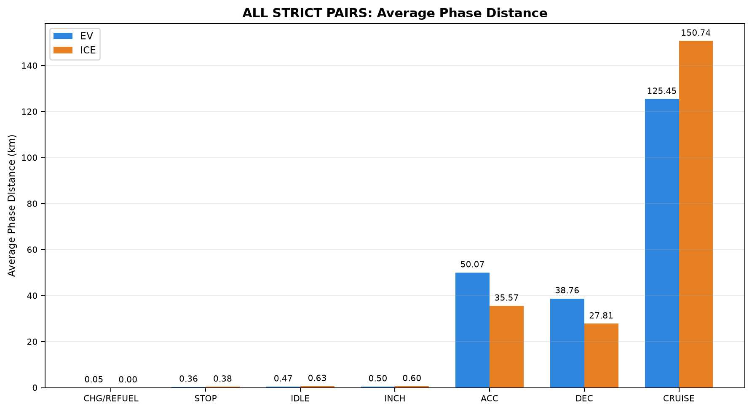
37 | PAIR_037 | EV | INTERCITY | Maduravoyal ↔ Silk Board | SilkBoard to Madhuravoyal | 0.305 | 0.141 | 0.005 | 0.924 | 30.514 | 28.676 | 188.560
37 | PAIR_037 | ICE | INTERCITY | Maduravoyal ↔ Silk Board | SilkBoard to Madhuravoyal | 0.000 | 0.084 | 0.024 | 0.231 | 45.486 | 34.428 | 169.653
38 | PAIR_038 | EV | INTERCITY | Madhuravoyal to Madiwala | Madhuravoyal to Madiwala | 0.142 | 0.191 | 0.109 | 0.399 | 67.358 | 52.263 | 205.893
38 | PAIR_038 | ICE | INTERCITY | Madhuravoyal to Madiwala | Madhuravoyal to Madiwala | 0.000 | 0.548 | 0.050 | 0.945 | 50.571 | 45.613 | 228.219
42 | PAIR_042 | EV | INTERCITY | Madiwala to Madhuravoyal | Madiwala to Madhuravoyal | 0.112 | 0.082 | 0.016 | 0.513 | 67.118 | 56.356 | 197.664
42 | PAIR_042 | ICE | INTERCITY | Madiwala to Madhuravoyal | Madiwala to Madhuravoyal | 0.000 | 0.477 | 0.013 | 0.420 | 40.651 | 31.659 | 249.213
48 | PAIR_048 | EV | INTERCITY | Madiwala to Madhuravoyal | Madiwala to Madhuravoyal | 0.000 | 0.240 | 0.216 | 0.598 | 71.217 | 57.609 | 195.519
48 | PAIR_048 | ICE | INTERCITY | Madiwala to Madhuravoyal | Madiwala to Madhuravoyal | 0.000 | 0.450 | 0.063 | 0.916 | 59.819 | 44.251 | 219.385
51 | PAIR_051 | EV | INTERCITY | Chennai ↔ Pondicherry | Chennai to Pondicherry | 0.000 | 0.593 | 0.608 | 0.307 | 47.848 | 34.798 | 69.521
51 | PAIR_051 | ICE | INTERCITY | Chennai ↔ Pondicherry | Chennai to Pondicherry | 0.000 | 0.653 | 1.467 | 1.326 | 32.195 | 24.264 | 93.626
52 | PAIR_052 | EV | INTERCITY | Chennai ↔ Pondicherry | Pondicherry to Chennai | 0.000 | 0.186 | 0.298 | 1.421 | 52.756 | 37.953 | 58.946
52 | PAIR_052 | ICE | INTERCITY | Chennai ↔ Pondicherry | Pondicherry to Chennai | 0.000 | 0.366 | 0.526 | 1.205 | 29.795 | 24.547 | 95.670
53 | PAIR_053 | EV | INTERCITY | Madhuravoyal to Madiwala | Madhuravoyal to Madiwala | 0.052 | 0.127 | 0.032 | 0.168 | 59.942 | 53.823 | 211.266
53 | PAIR_053 | ICE | INTERCITY | Madhuravoyal to Madiwala | Madhuravoyal to Madiwala | 0.000 | 0.002 | 0.041 | 0.361 | 42.409 | 30.729 | 251.554
54 | PAIR_054 | EV | INTERCITY | Madiwala to Madhuravoyal | Madiwala to Madhuravoyal | 0.089 | 0.328 | 0.101 | 0.577 | 63.631 | 53.729 | 206.015
54 | PAIR_054 | ICE | INTERCITY | Madiwala to Madhuravoyal | Madiwala to Madhuravoyal | 0.000 | 0.442 | 0.428 | 0.511 | 36.407 | 29.048 | 258.197

08_NONSTRICT
Table 1: ALL NONSTRICT PAIRS - EV vs ICE Trip Summary


Pair | Pair ID | Pair Class | Category | Route Group | Trips | EV Date | ICE Date | EV Distance (km) | ICE Distance (km) | EV TAT (min) | ICE TAT (min) | EV Start Time | EV End Time | ICE Start Time | ICE End Time | EV Moving Avg Speed (km/h) | ICE Moving Avg Speed (km/h)
1 | PAIR_001 | NONSTRICT | INTERCITY | Maduravoyal ↔ Silk Board | SilkBoard to Madhuravoyal | 05-07-2026 | 29-07-2026 | 305.167 | 310.474 | 343.840 | 311.508 | 08:36:08 | 14:19:59 | 22:58:13 | 04:09:43 | 69.112 | 63.461
2 | PAIR_002 | NONSTRICT | INTERCITY | Maduravoyal ↔ Silk Board | SilkBoard to Madhuravoyal | 05-07-2026 | 05-09-2026 | 305.107 | 305.216 | 343.840 | 299.018 | 08:36:08 | 14:19:59 | 23:15:55 | 04:14:56 | 69.098 | 66.422
3 | PAIR_003 | NONSTRICT | INTERCITY | Maduravoyal ↔ Silk Board | Madhuravoyal to SilkBoard | 10-07-2026 | 31-07-2026 | 320.340 | 320.689 | 345.617 | 358.397 | 00:24:16 | 06:09:53 | 23:25:13 | 05:23:37 | 64.617 | 59.679
5 | PAIR_005 | NONSTRICT | INTERCITY | Chennai ↔ Pondicherry | Chennai to Pondicherry | 15-07-2026 | 17-07-2026 | 141.622 | 141.671 | 209.592 | 221.150 | 09:56:19 | 13:25:55 | 11:43:51 | 15:25:00 | 47.254 | 44.822
6 | PAIR_006 | NONSTRICT | INTERCITY | Chennai ↔ Pondicherry | Chennai to Pondicherry | 17-07-2026 | 15-07-2026 | 148.208 | 148.150 | 221.517 | 274.350 | 07:51:32 | 11:33:03 | 11:20:23 | 15:54:44 | 49.307 | 44.792
7 | PAIR_007 | NONSTRICT | INTERCITY | Chennai ↔ Pondicherry | Chennai to Pondicherry | 15-07-2026 | 19-07-2026 | 146.110 | 146.194 | 232.892 | 269.217 | 09:38:15 | 13:31:09 | 11:08:45 | 15:37:58 | 44.762 | 44.849
8 | PAIR_008 | NONSTRICT | INTERCITY | Chennai ↔ Pondicherry | Chennai to Pondicherry | 19-07-2026 | 15-07-2026 | 147.806 | 147.735 | 199.780 | 272.709 | 09:10:36 | 12:30:22 | 11:22:01 | 15:54:44 | 48.109 | 45.044
9 | PAIR_009 | NONSTRICT | INTERCITY | Chennai ↔ Pondicherry | Chennai to Pondicherry | 15-07-2026 | 25-09-2026 | 153.535 | 153.553 | 299.505 | 285.567 | 08:26:24 | 13:25:55 | 14:27:10 | 19:12:44 | 41.137 | 41.353
10 | PAIR_010 | NONSTRICT | INTERCITY | Chennai ↔ Pondicherry | Chennai to Pondicherry | 25-09-2026 | 15-07-2026 | 148.408 | 148.169 | 247.268 | 274.350 | 13:45:53 | 17:53:09 | 11:20:23 | 15:54:44 | 47.638 | 44.798
12 | PAIR_012 | NONSTRICT | INTERCITY | Chennai ↔ Pondicherry | Pondicherry to Chennai | 16-07-2026 | 18-07-2026 | 136.691 | 137.907 | 199.884 | 231.883 | 14:16:16 | 17:36:09 | 16:20:34 | 20:12:27 | 48.732 | 40.296
13 | PAIR_013 | NONSTRICT | INTERCITY | Chennai ↔ Pondicherry | Pondicherry to Chennai | 18-07-2026 | 16-07-2026 | 144.869 | 143.725 | 251.711 | 241.616 | 14:14:38 | 18:26:21 | 16:37:54 | 20:39:30 | 40.963 | 42.342
14 | PAIR_014 | NONSTRICT | INTERCITY | Chennai ↔ Pondicherry | Pondicherry to Chennai | 16-07-2026 | 20-07-2026 | 123.919 | 123.942 | 205.754 | 194.958 | 14:52:08 | 18:17:53 | 16:56:44 | 20:11:41 | 44.924 | 42.762
15 | PAIR_015 | NONSTRICT | INTERCITY | Chennai ↔ Pondicherry | Pondicherry to Chennai | 20-07-2026 | 16-07-2026 | 143.716 | 143.703 | 223.042 | 241.616 | 14:14:55 | 17:57:57 | 16:37:54 | 20:39:30 | 46.295 | 42.341
16 | PAIR_016 | NONSTRICT | INTERCITY | Chennai ↔ Pondicherry | Pondicherry to Chennai | 16-07-2026 | 26-09-2026 | 152.239 | 153.948 | 276.102 | 291.360 | 14:16:16 | 18:52:23 | 16:16:08 | 21:07:29 | 40.356 | 36.022
17 | PAIR_017 | NONSTRICT | INTERCITY | Chennai ↔ Pondicherry | Pondicherry to Chennai | 26-09-2026 | 16-07-2026 | 145.599 | 143.819 | 242.588 | 242.528 | 14:31:24 | 18:34:00 | 16:37:54 | 20:40:25 | 44.703 | 42.186
19 | PAIR_019 | NONSTRICT | INTERCITY | Chennai ↔ Pondicherry | Chennai to Pondicherry | 17-07-2026 | 19-07-2026 | 146.118 | 146.227 | 219.937 | 269.217 | 07:59:53 | 11:39:50 | 11:08:45 | 15:37:58 | 48.978 | 44.858
20 | PAIR_020 | NONSTRICT | INTERCITY | Chennai ↔ Pondicherry | Chennai to Pondicherry | 19-07-2026 | 17-07-2026 | 141.718 | 141.714 | 186.116 | 221.150 | 09:26:56 | 12:33:03 | 11:43:51 | 15:25:00 | 48.980 | 44.835
21 | PAIR_021 | NONSTRICT | INTERCITY | Chennai ↔ Pondicherry | Chennai to Pondicherry | 17-07-2026 | 25-09-2026 | 153.580 | 153.588 | 235.732 | 285.567 | 07:39:02 | 11:34:46 | 14:27:10 | 19:12:44 | 47.722 | 41.363
22 | PAIR_022 | NONSTRICT | INTERCITY | Chennai ↔ Pondicherry | Chennai to Pondicherry | 25-09-2026 | 17-07-2026 | 141.832 | 141.673 | 221.122 | 221.150 | 14:13:59 | 17:55:07 | 11:43:51 | 15:25:00 | 49.270 | 44.822
24 | PAIR_024 | NONSTRICT | INTERCITY | Chennai ↔ Pondicherry | Pondicherry to Chennai | 18-07-2026 | 20-07-2026 | 125.022 | 123.887 | 207.136 | 194.533 | 14:59:13 | 18:26:21 | 16:56:44 | 20:11:15 | 41.522 | 42.835
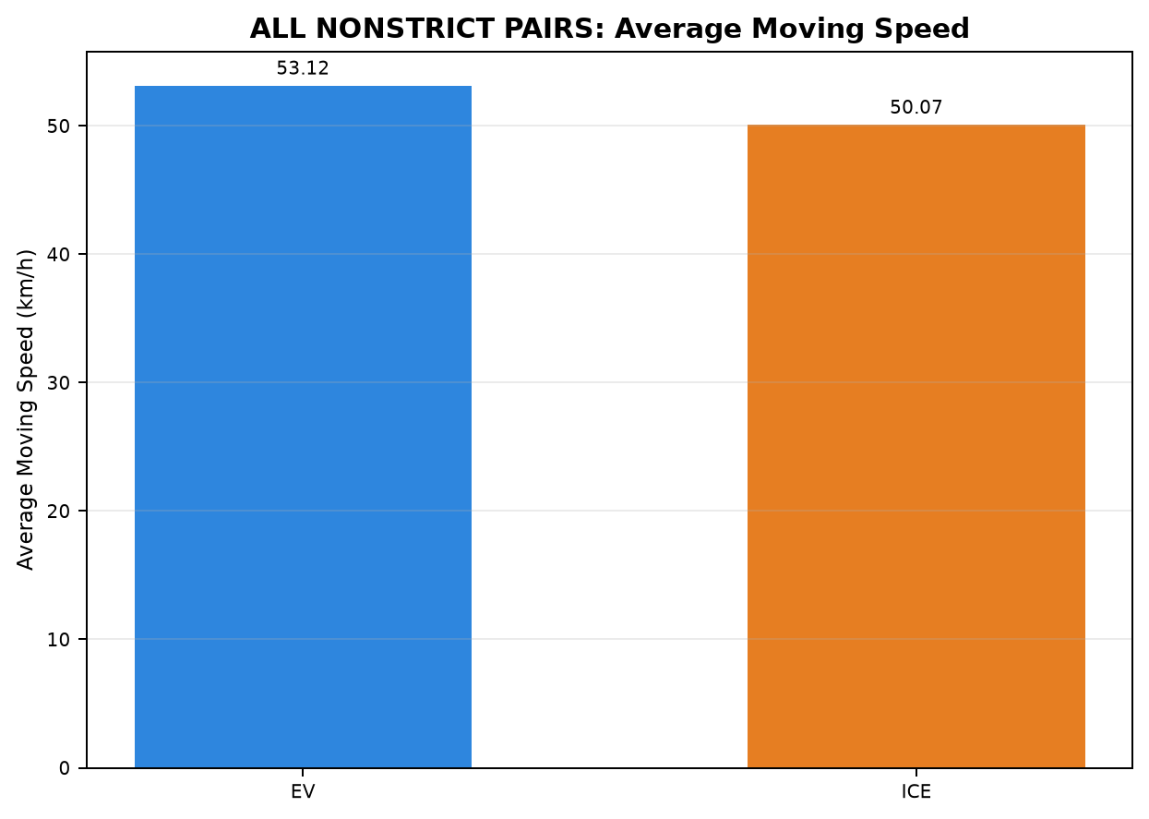
25 | PAIR_025 | NONSTRICT | INTERCITY | Chennai ↔ Pondicherry | Pondicherry to Chennai | 20-07-2026 | 18-07-2026 | 136.717 | 137.908 | 189.991 | 231.883 | 14:14:55 | 17:24:54 | 16:20:34 | 20:12:27 | 50.215 | 40.296
26 | PAIR_026 | NONSTRICT | INTERCITY | Chennai ↔ Pondicherry | Pondicherry to Chennai | 18-07-2026 | 26-09-2026 | 153.373 | 154.063 | 281.087 | 291.750 | 14:14:38 | 18:55:44 | 16:16:08 | 21:07:53 | 38.129 | 35.990
27 | PAIR_027 | NONSTRICT | INTERCITY | Chennai ↔ Pondicherry | Pondicherry to Chennai | 26-09-2026 | 18-07-2026 | 138.294 | 137.869 | 219.909 | 231.883 | 14:31:24 | 18:11:19 | 16:20:34 | 20:12:27 | 46.484 | 40.287
29 | PAIR_029 | NONSTRICT | INTERCITY | Chennai ↔ Pondicherry | Chennai to Pondicherry | 19-07-2026 | 25-09-2026 | 148.618 | 148.552 | 202.454 | 266.738 | 09:10:36 | 12:33:03 | 14:45:59 | 19:12:44 | 47.686 | 42.945
30 | PAIR_030 | NONSTRICT | INTERCITY | Chennai ↔ Pondicherry | Chennai to Pondicherry | 25-09-2026 | 19-07-2026 | 145.977 | 145.889 | 255.744 | 265.630 | 13:56:09 | 18:11:54 | 11:08:45 | 15:34:22 | 47.245 | 45.595
32 | PAIR_032 | NONSTRICT | INTERCITY | Maduravoyal ↔ Silk Board | SilkBoard to Madhuravoyal | 20-07-2026 | 29-07-2026 | 324.828 | 330.654 | 356.122 | 333.433 | 00:01:12 | 05:57:20 | 22:58:13 | 04:31:39 | 65.689 | 62.888
33 | PAIR_033 | NONSTRICT | INTERCITY | Maduravoyal ↔ Silk Board | SilkBoard to Madhuravoyal | 20-07-2026 | 05-09-2026 | 320.295 | 320.930 | 350.055 | 317.316 | 00:02:48 | 05:52:52 | 23:17:40 | 04:34:59 | 66.127 | 65.884
34 | PAIR_034 | NONSTRICT | INTERCITY | Chennai ↔ Pondicherry | Pondicherry to Chennai | 20-07-2026 | 26-09-2026 | 152.395 | 154.032 | 252.847 | 291.750 | 14:14:55 | 18:27:46 | 16:16:08 | 21:07:53 | 42.288 | 35.987
35 | PAIR_035 | NONSTRICT | INTERCITY | Chennai ↔ Pondicherry | Pondicherry to Chennai | 26-09-2026 | 20-07-2026 | 125.742 | 123.982 | 194.938 | 194.958 | 15:19:03 | 18:34:00 | 16:56:44 | 20:11:41 | 45.475 | 42.769
36 | PAIR_036 | NONSTRICT | INTERCITY | Maduravoyal ↔ Silk Board | Madhuravoyal to SilkBoard | 05-09-2026 | 31-07-2026 | 326.458 | 326.591 | 477.621 | 368.083 | 00:04:24 | 08:02:01 | 23:17:40 | 05:25:45 | 53.205 | 59.004
39 | PAIR_039 | NONSTRICT | INTERCITY | Madhuravoyal to Madiwala | Madhuravoyal to Madiwala | 11-09-2026 | 18-09-2026 | 325.416 | 325.054 | 392.371 | 411.883 | 23:19:37 | 05:52:00 | 17:17:37 | 00:09:30 | 61.648 | 56.978
40 | PAIR_040 | NONSTRICT | INTERCITY | Madhuravoyal to Madiwala | Madhuravoyal to Madiwala | 11-09-2026 | 02-10-2026 | 326.424 | 325.952 | 395.000 | 319.505 | 23:17:00 | 05:52:00 | 23:29:56 | 04:49:26 | 61.329 | 62.637
41 | PAIR_041 | NONSTRICT | INTERCITY | Madhuravoyal to Madiwala | Madhuravoyal to Madiwala | 02-10-2026 | 11-09-2026 | 325.449 | 325.197 | 353.848 | 372.550 | 23:13:07 | 05:06:58 | 23:27:11 | 05:39:44 | 67.121 | 59.843
43 | PAIR_043 | NONSTRICT | INTERCITY | Madiwala to Madhuravoyal | Madiwala to Madhuravoyal | 12-09-2026 | 20-09-2026 | 322.177 | 321.627 | 446.450 | 341.442 | 22:40:31 | 06:06:58 | 12:12:58 | 17:54:24 | 64.440 | 64.281
44 | PAIR_044 | NONSTRICT | INTERCITY | Madiwala to Madhuravoyal | Madiwala to Madhuravoyal | 20-09-2026 | 12-09-2026 | 324.430 | 325.035 | 408.627 | 325.266 | 11:26:04 | 18:14:41 | 23:17:34 | 04:42:50 | 62.281 | 63.759
45 | PAIR_045 | NONSTRICT | INTERCITY | Madiwala to Madhuravoyal | Madiwala to Madhuravoyal | 12-09-2026 | 03-10-2026 | 322.274 | 322.647 | 446.450 | 349.426 | 22:40:31 | 06:06:58 | 22:00:02 | 03:49:27 | 64.459 | 59.876
46 | PAIR_046 | NONSTRICT | INTERCITY | Madiwala to Madhuravoyal | Madiwala to Madhuravoyal | 03-10-2026 | 12-09-2026 | 324.935 | 325.726 | 394.635 | 329.750 | 22:22:51 | 04:57:29 | 23:13:05 | 04:42:50 | 64.174 | 63.703
47 | PAIR_047 | NONSTRICT | INTERCITY | Madhuravoyal to Madiwala | Madhuravoyal to Madiwala | 02-10-2026 | 18-09-2026 | 325.382 | 325.173 | 353.848 | 412.488 | 23:13:07 | 05:06:58 | 17:14:54 | 00:07:23 | 67.108 | 57.067
49 | PAIR_049 | NONSTRICT | INTERCITY | Madiwala to Madhuravoyal | Madiwala to Madhuravoyal | 20-09-2026 | 03-10-2026 | 323.754 | 324.125 | 407.748 | 346.047 | 11:26:04 | 18:13:48 | 22:06:43 | 03:52:46 | 62.326 | 60.099
50 | PAIR_050 | NONSTRICT | INTERCITY | Madiwala to Madhuravoyal | Madiwala to Madhuravoyal | 03-10-2026 | 20-09-2026 | 326.466 | 326.134 | 420.647 | 351.750 | 21:59:13 | 04:59:52 | 12:12:58 | 18:04:43 | 63.924 | 63.017

Table 2: ALL NONSTRICT PAIRS - Phase Time Comparison (min)
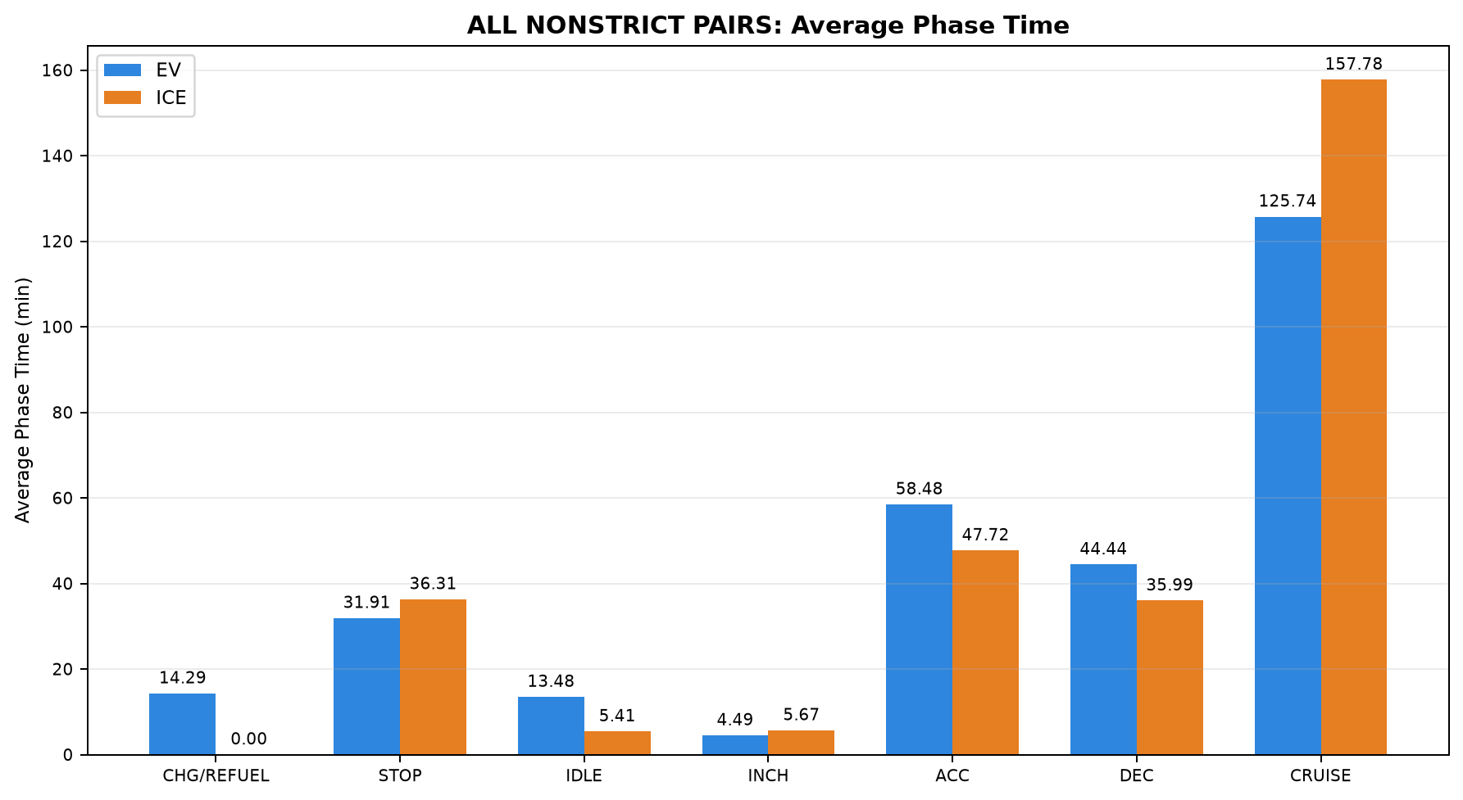

Pair | Pair ID | Vehicle | Category | Route Group | Trips | CHARGING / REFUELING | STOP | IDLE | INCHING | ACC | DEC | CRUISE
1 | PAIR_001 | EV | INTERCITY | Maduravoyal ↔ Silk Board | SilkBoard to Madhuravoyal | 30.000 | 23.650 | 25.700 | 7.600 | 61.424 | 45.183 | 150.283
1 | PAIR_001 | ICE | INTERCITY | Maduravoyal ↔ Silk Board | SilkBoard to Madhuravoyal | 0.000 | 18.100 | 0.067 | 1.750 | 57.691 | 41.383 | 192.517
2 | PAIR_002 | EV | INTERCITY | Maduravoyal ↔ Silk Board | SilkBoard to Madhuravoyal | 30.000 | 23.650 | 25.700 | 7.600 | 61.424 | 45.183 | 150.283
2 | PAIR_002 | ICE | INTERCITY | Maduravoyal ↔ Silk Board | SilkBoard to Madhuravoyal | 0.000 | 16.433 | 6.983 | 5.000 | 60.018 | 42.633 | 167.950
3 | PAIR_003 | EV | INTERCITY | Maduravoyal ↔ Silk Board | Madhuravoyal to SilkBoard | 38.333 | 10.567 | 0.000 | 0.667 | 49.317 | 44.583 | 202.150
3 | PAIR_003 | ICE | INTERCITY | Maduravoyal ↔ Silk Board | Madhuravoyal to SilkBoard | 0.000 | 35.983 | 0.350 | 4.083 | 62.087 | 50.533 | 205.360
5 | PAIR_005 | EV | INTERCITY | Chennai ↔ Pondicherry | Chennai to Pondicherry | 0.000 | 25.883 | 4.933 | 5.933 | 52.333 | 37.575 | 82.934
5 | PAIR_005 | ICE | INTERCITY | Chennai ↔ Pondicherry | Chennai to Pondicherry | 0.000 | 31.800 | 0.000 | 1.500 | 30.467 | 23.000 | 134.383
6 | PAIR_006 | EV | INTERCITY | Chennai ↔ Pondicherry | Chennai to Pondicherry | 0.000 | 30.183 | 14.292 | 2.100 | 48.092 | 33.450 | 93.400
6 | PAIR_006 | ICE | INTERCITY | Chennai ↔ Pondicherry | Chennai to Pondicherry | 0.000 | 69.483 | 9.950 | 1.717 | 25.133 | 23.433 | 144.633
7 | PAIR_007 | EV | INTERCITY | Chennai ↔ Pondicherry | Chennai to Pondicherry | 0.000 | 29.404 | 9.237 | 8.017 | 55.050 | 38.850 | 92.333
7 | PAIR_007 | ICE | INTERCITY | Chennai ↔ Pondicherry | Chennai to Pondicherry | 0.000 | 71.083 | 4.050 | 11.600 | 38.683 | 26.817 | 116.983
8 | PAIR_008 | EV | INTERCITY | Chennai ↔ Pondicherry | Chennai to Pondicherry | 0.000 | 12.033 | 4.750 | 0.000 | 46.900 | 35.550 | 100.547
8 | PAIR_008 | ICE | INTERCITY | Chennai ↔ Pondicherry | Chennai to Pondicherry | 0.000 | 69.483 | 9.950 | 1.267 | 25.125 | 23.433 | 143.450
9 | PAIR_009 | EV | INTERCITY | Chennai ↔ Pondicherry | Chennai to Pondicherry | 0.000 | 68.950 | 8.150 | 8.017 | 58.300 | 42.617 | 113.471
9 | PAIR_009 | ICE | INTERCITY | Chennai ↔ Pondicherry | Chennai to Pondicherry | 0.000 | 48.183 | 17.667 | 9.900 | 51.033 | 37.133 | 121.650
10 | PAIR_010 | EV | INTERCITY | Chennai ↔ Pondicherry | Chennai to Pondicherry | 0.000 | 35.567 | 26.166 | 2.050 | 63.035 | 45.450 | 75.000
10 | PAIR_010 | ICE | INTERCITY | Chennai ↔ Pondicherry | Chennai to Pondicherry | 0.000 | 69.483 | 9.950 | 1.717 | 25.133 | 23.433 | 144.633
12 | PAIR_012 | EV | INTERCITY | Chennai ↔ Pondicherry | Pondicherry to Chennai | 0.000 | 26.369 | 7.315 | 0.000 | 48.733 | 36.267 | 81.200
12 | PAIR_012 | ICE | INTERCITY | Chennai ↔ Pondicherry | Pondicherry to Chennai | 0.000 | 23.717 | 4.433 | 9.550 | 50.650 | 34.233 | 109.300
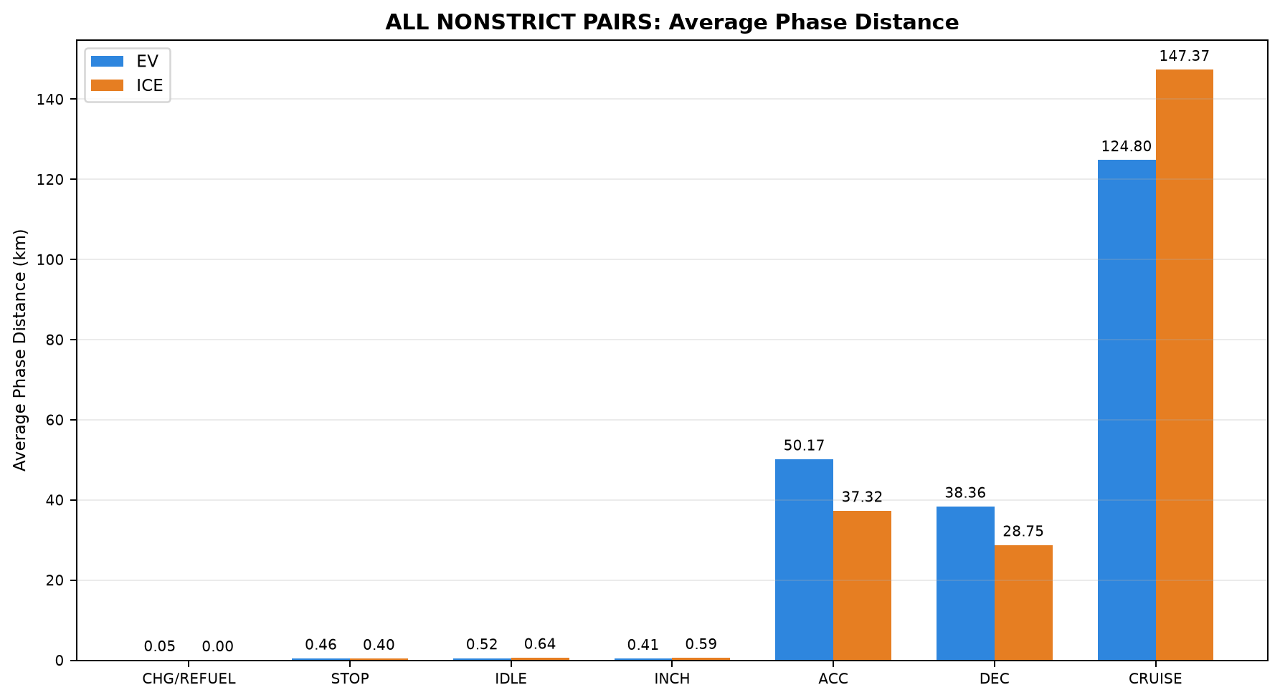
13 | PAIR_013 | EV | INTERCITY | Chennai ↔ Pondicherry | Pondicherry to Chennai | 0.000 | 32.850 | 9.137 | 5.683 | 57.617 | 44.191 | 102.233
13 | PAIR_013 | ICE | INTERCITY | Chennai ↔ Pondicherry | Pondicherry to Chennai | 0.000 | 36.983 | 4.500 | 1.617 | 42.433 | 34.950 | 121.132
14 | PAIR_014 | EV | INTERCITY | Chennai ↔ Pondicherry | Pondicherry to Chennai | 0.000 | 35.500 | 6.983 | 4.100 | 44.283 | 31.217 | 83.671
14 | PAIR_014 | ICE | INTERCITY | Chennai ↔ Pondicherry | Pondicherry to Chennai | 0.000 | 21.383 | 1.000 | 0.000 | 39.183 | 30.467 | 102.925
15 | PAIR_015 | EV | INTERCITY | Chennai ↔ Pondicherry | Pondicherry to Chennai | 0.000 | 34.497 | 3.683 | 5.267 | 54.200 | 34.928 | 90.467
15 | PAIR_015 | ICE | INTERCITY | Chennai ↔ Pondicherry | Pondicherry to Chennai | 0.000 | 36.983 | 4.500 | 1.617 | 42.433 | 34.950 | 121.132
16 | PAIR_016 | EV | INTERCITY | Chennai ↔ Pondicherry | Pondicherry to Chennai | 0.000 | 43.486 | 9.550 | 6.783 | 55.400 | 40.217 | 120.667
16 | PAIR_016 | ICE | INTERCITY | Chennai ↔ Pondicherry | Pondicherry to Chennai | 0.000 | 26.333 | 10.017 | 14.483 | 52.600 | 41.900 | 146.026
17 | PAIR_017 | EV | INTERCITY | Chennai ↔ Pondicherry | Pondicherry to Chennai | 0.000 | 35.100 | 12.700 | 3.933 | 68.017 | 51.253 | 71.584
17 | PAIR_017 | ICE | INTERCITY | Chennai ↔ Pondicherry | Pondicherry to Chennai | 0.000 | 36.983 | 4.500 | 1.617 | 42.433 | 34.950 | 122.045
19 | PAIR_019 | EV | INTERCITY | Chennai ↔ Pondicherry | Chennai to Pondicherry | 0.000 | 30.183 | 13.903 | 4.233 | 46.350 | 31.983 | 93.283
19 | PAIR_019 | ICE | INTERCITY | Chennai ↔ Pondicherry | Chennai to Pondicherry | 0.000 | 71.083 | 4.050 | 11.600 | 38.683 | 26.817 | 116.983
20 | PAIR_020 | EV | INTERCITY | Chennai ↔ Pondicherry | Chennai to Pondicherry | 0.000 | 8.933 | 4.778 | 0.000 | 45.071 | 34.967 | 92.367
20 | PAIR_020 | ICE | INTERCITY | Chennai ↔ Pondicherry | Chennai to Pondicherry | 0.000 | 31.800 | 0.000 | 1.500 | 30.467 | 23.000 | 134.383
21 | PAIR_021 | EV | INTERCITY | Chennai ↔ Pondicherry | Chennai to Pondicherry | 0.000 | 30.183 | 15.933 | 2.100 | 50.650 | 37.060 | 99.805
21 | PAIR_021 | ICE | INTERCITY | Chennai ↔ Pondicherry | Chennai to Pondicherry | 0.000 | 48.183 | 17.667 | 9.900 | 51.033 | 37.133 | 121.650
22 | PAIR_022 | EV | INTERCITY | Chennai ↔ Pondicherry | Chennai to Pondicherry | 0.000 | 30.467 | 18.984 | 2.300 | 58.605 | 41.150 | 69.617
22 | PAIR_022 | ICE | INTERCITY | Chennai ↔ Pondicherry | Chennai to Pondicherry | 0.000 | 31.800 | 0.000 | 1.500 | 30.467 | 23.000 | 134.383
24 | PAIR_024 | EV | INTERCITY | Chennai ↔ Pondicherry | Pondicherry to Chennai | 0.000 | 26.583 | 1.262 | 5.350 | 50.083 | 38.024 | 85.833
24 | PAIR_024 | ICE | INTERCITY | Chennai ↔ Pondicherry | Pondicherry to Chennai | 0.000 | 21.383 | 1.000 | 0.000 | 39.183 | 30.467 | 102.499
25 | PAIR_025 | EV | INTERCITY | Chennai ↔ Pondicherry | Pondicherry to Chennai | 0.000 | 23.847 | 3.683 | 0.250 | 50.550 | 32.700 | 78.961
25 | PAIR_025 | ICE | INTERCITY | Chennai ↔ Pondicherry | Pondicherry to Chennai | 0.000 | 23.717 | 4.433 | 9.550 | 50.650 | 34.233 | 109.300
26 | PAIR_026 | EV | INTERCITY | Chennai ↔ Pondicherry | Pondicherry to Chennai | 0.000 | 32.850 | 9.887 | 7.933 | 61.067 | 46.800 | 122.550
26 | PAIR_026 | ICE | INTERCITY | Chennai ↔ Pondicherry | Pondicherry to Chennai | 0.000 | 26.333 | 10.017 | 14.483 | 52.600 | 42.233 | 146.083
27 | PAIR_027 | EV | INTERCITY | Chennai ↔ Pondicherry | Pondicherry to Chennai | 0.000 | 31.033 | 10.967 | 2.933 | 62.683 | 46.941 | 65.351
27 | PAIR_027 | ICE | INTERCITY | Chennai ↔ Pondicherry | Pondicherry to Chennai | 0.000 | 23.717 | 4.433 | 9.550 | 50.650 | 34.233 | 109.300
29 | PAIR_029 | EV | INTERCITY | Chennai ↔ Pondicherry | Chennai to Pondicherry | 0.000 | 12.033 | 4.917 | 0.000 | 47.071 | 35.883 | 102.550
29 | PAIR_029 | ICE | INTERCITY | Chennai ↔ Pondicherry | Chennai to Pondicherry | 0.000 | 48.183 | 13.667 | 8.550 | 47.504 | 34.783 | 114.050
30 | PAIR_030 | EV | INTERCITY | Chennai ↔ Pondicherry | Chennai to Pondicherry | 0.000 | 45.167 | 26.671 | 2.883 | 61.423 | 44.017 | 75.583
30 | PAIR_030 | ICE | INTERCITY | Chennai ↔ Pondicherry | Chennai to Pondicherry | 0.000 | 71.083 | 4.050 | 7.683 | 38.683 | 26.817 | 117.313
32 | PAIR_032 | EV | INTERCITY | Maduravoyal ↔ Silk Board | SilkBoard to Madhuravoyal | 23.400 | 37.617 | 0.000 | 0.583 | 58.389 | 47.783 | 188.350
32 | PAIR_032 | ICE | INTERCITY | Maduravoyal ↔ Silk Board | SilkBoard to Madhuravoyal | 0.000 | 18.100 | 0.067 | 1.750 | 61.950 | 44.950 | 206.617
33 | PAIR_033 | EV | INTERCITY | Maduravoyal ↔ Silk Board | SilkBoard to Madhuravoyal | 23.400 | 37.617 | 0.000 | 0.583 | 56.670 | 46.801 | 184.983
33 | PAIR_033 | ICE | INTERCITY | Maduravoyal ↔ Silk Board | SilkBoard to Madhuravoyal | 0.000 | 16.433 | 8.733 | 5.083 | 63.817 | 46.867 | 176.383
34 | PAIR_034 | EV | INTERCITY | Chennai ↔ Pondicherry | Pondicherry to Chennai | 0.000 | 34.497 | 3.683 | 7.350 | 57.550 | 37.367 | 112.400
34 | PAIR_034 | ICE | INTERCITY | Chennai ↔ Pondicherry | Pondicherry to Chennai | 0.000 | 26.333 | 10.017 | 14.483 | 52.600 | 42.233 | 146.083
35 | PAIR_035 | EV | INTERCITY | Chennai ↔ Pondicherry | Pondicherry to Chennai | 0.000 | 20.650 | 8.668 | 2.983 | 56.783 | 43.370 | 62.483
35 | PAIR_035 | ICE | INTERCITY | Chennai ↔ Pondicherry | Pondicherry to Chennai | 0.000 | 21.383 | 1.000 | 0.000 | 39.183 | 30.467 | 102.925
36 | PAIR_036 | EV | INTERCITY | Maduravoyal ↔ Silk Board | Madhuravoyal to SilkBoard | 40.300 | 46.847 | 23.250 | 14.683 | 52.483 | 45.117 | 254.941
36 | PAIR_036 | ICE | INTERCITY | Maduravoyal ↔ Silk Board | Madhuravoyal to SilkBoard | 0.000 | 35.983 | 0.350 | 4.167 | 65.367 | 52.467 | 209.750
39 | PAIR_039 | EV | INTERCITY | Madhuravoyal to Madiwala | Madhuravoyal to Madiwala | 50.367 | 8.367 | 17.350 | 4.583 | 74.783 | 56.438 | 180.483
39 | PAIR_039 | ICE | INTERCITY | Madhuravoyal to Madiwala | Madhuravoyal to Madiwala | 0.000 | 62.767 | 7.883 | 2.983 | 67.358 | 47.917 | 222.975
40 | PAIR_040 | EV | INTERCITY | Madhuravoyal to Madiwala | Madhuravoyal to Madiwala | 50.367 | 8.367 | 17.350 | 4.750 | 75.683 | 57.183 | 181.300
40 | PAIR_040 | ICE | INTERCITY | Madhuravoyal to Madiwala | Madhuravoyal to Madiwala | 0.000 | 3.017 | 4.300 | 1.883 | 49.167 | 35.333 | 225.805
41 | PAIR_041 | EV | INTERCITY | Madhuravoyal to Madiwala | Madhuravoyal to Madiwala | 44.683 | 6.683 | 11.750 | 2.017 | 64.300 | 51.867 | 172.548
41 | PAIR_041 | ICE | INTERCITY | Madhuravoyal to Madiwala | Madhuravoyal to Madiwala | 0.000 | 42.650 | 4.450 | 12.017 | 56.917 | 49.017 | 207.500
43 | PAIR_043 | EV | INTERCITY | Madiwala to Madhuravoyal | Madiwala to Madhuravoyal | 63.200 | 51.317 | 32.283 | 7.717 | 69.400 | 57.933 | 164.600
43 | PAIR_043 | ICE | INTERCITY | Madiwala to Madhuravoyal | Madiwala to Madhuravoyal | 0.000 | 35.400 | 6.317 | 10.017 | 63.383 | 44.567 | 181.759
44 | PAIR_044 | EV | INTERCITY | Madiwala to Madhuravoyal | Madiwala to Madhuravoyal | 0.000 | 65.983 | 30.533 | 6.300 | 75.783 | 59.600 | 170.427
44 | PAIR_044 | ICE | INTERCITY | Madiwala to Madhuravoyal | Madiwala to Madhuravoyal | 0.000 | 16.900 | 2.833 | 4.000 | 46.733 | 34.783 | 220.016
45 | PAIR_045 | EV | INTERCITY | Madiwala to Madhuravoyal | Madiwala to Madhuravoyal | 63.200 | 51.317 | 32.283 | 7.717 | 69.400 | 57.933 | 164.600
45 | PAIR_045 | ICE | INTERCITY | Madiwala to Madhuravoyal | Madiwala to Madhuravoyal | 0.000 | 24.317 | 2.667 | 5.683 | 44.133 | 32.117 | 240.509
46 | PAIR_046 | EV | INTERCITY | Madiwala to Madhuravoyal | Madiwala to Madhuravoyal | 34.833 | 37.450 | 18.850 | 8.000 | 64.659 | 54.067 | 176.776
46 | PAIR_046 | ICE | INTERCITY | Madiwala to Madhuravoyal | Madiwala to Madhuravoyal | 0.000 | 20.583 | 2.833 | 4.000 | 46.733 | 35.117 | 220.483
47 | PAIR_047 | EV | INTERCITY | Madhuravoyal to Madiwala | Madhuravoyal to Madiwala | 44.683 | 6.683 | 11.750 | 2.017 | 64.300 | 51.867 | 172.548
47 | PAIR_047 | ICE | INTERCITY | Madhuravoyal to Madiwala | Madhuravoyal to Madiwala | 0.000 | 62.767 | 8.900 | 3.300 | 67.367 | 48.233 | 221.921
49 | PAIR_049 | EV | INTERCITY | Madiwala to Madhuravoyal | Madiwala to Madhuravoyal | 0.000 | 65.983 | 30.533 | 6.300 | 75.515 | 59.383 | 170.033
49 | PAIR_049 | ICE | INTERCITY | Madiwala to Madhuravoyal | Madiwala to Madhuravoyal | 0.000 | 20.633 | 2.667 | 5.017 | 43.100 | 32.117 | 242.513
50 | PAIR_050 | EV | INTERCITY | Madiwala to Madhuravoyal | Madiwala to Madhuravoyal | 34.833 | 58.167 | 21.680 | 8.083 | 65.967 | 54.800 | 177.117
50 | PAIR_050 | ICE | INTERCITY | Madiwala to Madhuravoyal | Madiwala to Madhuravoyal | 0.000 | 35.400 | 6.317 | 10.683 | 66.100 | 47.533 | 185.717

Table 3: ALL NONSTRICT PAIRS - Phase Distance Comparison (km)

Pair | Pair ID | Vehicle | Category | Route Group | Trips | CHARGING / REFUELING | STOP | IDLE | INCHING | ACC | DEC | CRUISE
1 | PAIR_001 | EV | INTERCITY | Maduravoyal ↔ Silk Board | SilkBoard to Madhuravoyal | 0.313 | 0.042 | 0.156 | 0.449 | 60.309 | 44.619 | 199.279
1 | PAIR_001 | ICE | INTERCITY | Maduravoyal ↔ Silk Board | SilkBoard to Madhuravoyal | 0.000 | 0.214 | 0.000 | 0.307 | 55.581 | 38.886 | 215.486
2 | PAIR_002 | EV | INTERCITY | Maduravoyal ↔ Silk Board | SilkBoard to Madhuravoyal | 0.313 | 0.042 | 0.156 | 0.449 | 60.301 | 44.619 | 199.226
2 | PAIR_002 | ICE | INTERCITY | Maduravoyal ↔ Silk Board | SilkBoard to Madhuravoyal | 0.000 | 0.084 | 0.031 | 0.231 | 57.929 | 43.163 | 203.779
3 | PAIR_003 | EV | INTERCITY | Maduravoyal ↔ Silk Board | Madhuravoyal to SilkBoard | 0.322 | 0.470 | 0.000 | 0.265 | 46.829 | 41.954 | 230.501
3 | PAIR_003 | ICE | INTERCITY | Maduravoyal ↔ Silk Board | Madhuravoyal to SilkBoard | 0.000 | 0.347 | 0.000 | 0.437 | 58.410 | 47.464 | 214.030
5 | PAIR_005 | EV | INTERCITY | Chennai ↔ Pondicherry | Chennai to Pondicherry | 0.000 | 0.356 | 0.469 | 0.357 | 43.251 | 30.282 | 66.907
5 | PAIR_005 | ICE | INTERCITY | Chennai ↔ Pondicherry | Chennai to Pondicherry | 0.000 | 0.222 | 0.000 | 0.116 | 21.522 | 17.073 | 102.738
6 | PAIR_006 | EV | INTERCITY | Chennai ↔ Pondicherry | Chennai to Pondicherry | 0.000 | 0.383 | 2.336 | 0.205 | 38.636 | 26.287 | 80.362
6 | PAIR_006 | ICE | INTERCITY | Chennai ↔ Pondicherry | Chennai to Pondicherry | 0.000 | 0.840 | 1.798 | 0.576 | 16.044 | 16.780 | 112.113
7 | PAIR_007 | EV | INTERCITY | Chennai ↔ Pondicherry | Chennai to Pondicherry | 0.000 | 0.472 | 0.723 | 0.627 | 44.372 | 30.695 | 69.221
7 | PAIR_007 | ICE | INTERCITY | Chennai ↔ Pondicherry | Chennai to Pondicherry | 0.000 | 0.567 | 0.553 | 1.005 | 27.610 | 19.893 | 96.566
...

09_COMBINED
...
16:37:54 | 20:39:30 | 44.634 | 42.342
16:20:34 | 20:12:27 | 48.732 | 40.296
16:37:54 | 20:39:30 | 40.963 | 42.342
16:56:44 | 20:11:41 | 44.924 | 42.762
16:37:54 | 20:39:30 | 46.295 | 42.341
16:16:08 | 21:07:29 | 40.356 | 36.022
16:37:54 | 20:40:25 | 44.703 | 42.186
11:43:51 | 15:25:00 | 51.089 | 44.820
11:08:45 | 15:37:58 | 48.978 | 44.858
11:43:51 | 15:25:00 | 48.980 | 44.835
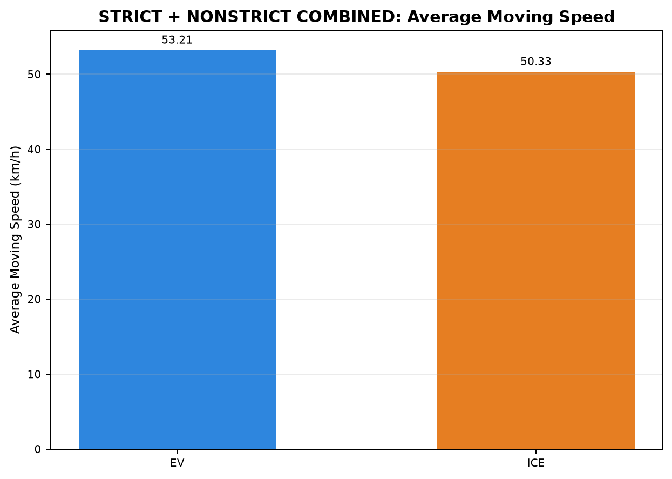
14:27:10 | 19:12:44 | 47.722 | 41.363
11:43:51 | 15:25:00 | 49.270 | 44.822
16:20:34 | 20:12:27 | 43.489 | 40.291
16:56:44 | 20:11:15 | 41.522 | 42.835
16:20:34 | 20:12:27 | 50.215 | 40.296
16:16:08 | 21:07:53 | 38.129 | 35.990
16:20:34 | 20:12:27 | 46.484 | 40.287
11:08:45 | 15:35:36 | 48.033 | 45.343
14:45:59 | 19:12:44 | 47.686 | 42.945
11:08:45 | 15:34:22 | 47.245 | 45.595
16:56:44 | 20:11:41 | 46.883 | 42.762
22:58:13 | 04:31:39 | 65.689 | 62.888
23:17:40 | 04:34:59 | 66.127 | 65.884
16:16:08 | 21:07:53 | 42.288 | 35.987
16:56:44 | 20:11:41 | 45.475 | 42.769
23:17:40 | 05:25:45 | 53.205 | 59.004
23:15:55 | 03:20:51 | 63.844 | 67.455
23:27:11 | 05:42:08 | 61.316 | 59.540
17:17:37 | 00:09:30 | 61.648 | 56.978
23:29:56 | 04:49:26 | 61.329 | 62.637
23:27:11 | 05:39:44 | 67.121 | 59.843
23:13:05 | 04:38:29 | 64.645 | 63.965
12:12:58 | 17:54:24 | 64.440 | 64.281
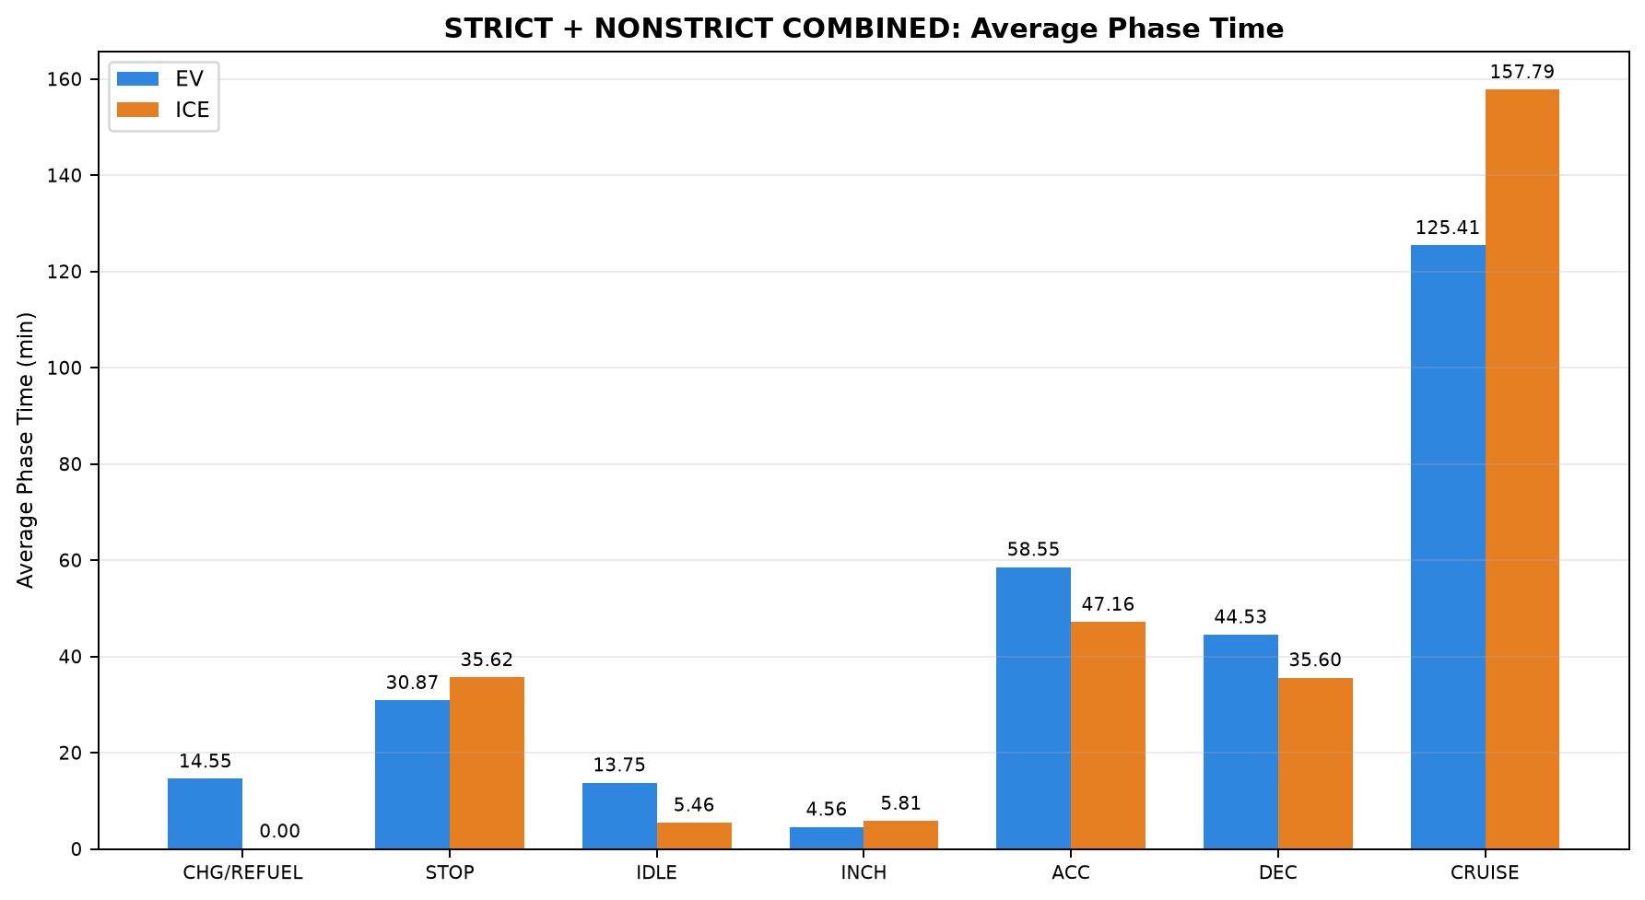
23:17:34 | 04:42:50 | 62.281 | 63.759
22:00:02 | 03:49:27 | 64.459 | 59.876
23:13:05 | 04:42:50 | 64.174 | 63.703
17:14:54 | 00:07:23 | 67.108 | 57.067
12:14:31 | 18:02:40 | 62.048 | 63.513
22:06:43 | 03:52:46 | 62.326 | 60.099
12:12:58 | 18:04:43 | 63.924 | 63.017
14:27:10 | 19:12:44 | 45.911 | 41.347
16:16:08 | 21:02:28 | 42.410 | 36.294
23:29:56 | 04:47:52 | 67.113 | 62.786
22:00:02 | 03:52:46 | 64.215 | 59.708
...
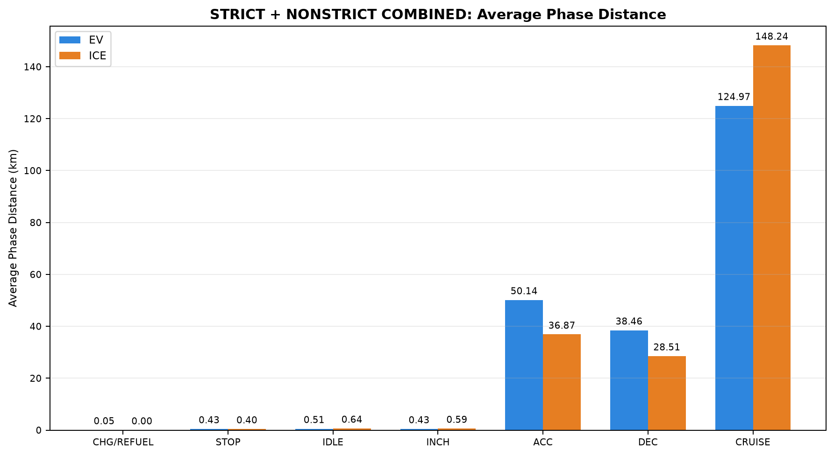
...

D01_Chennai_to_Pondicherry_STRI
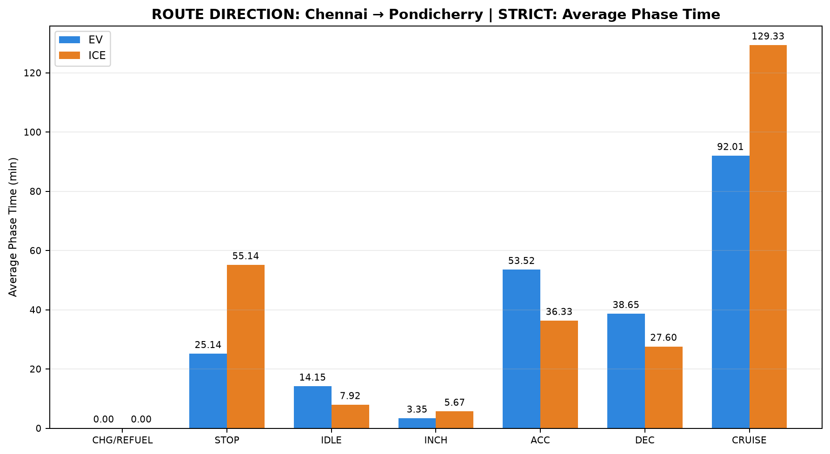
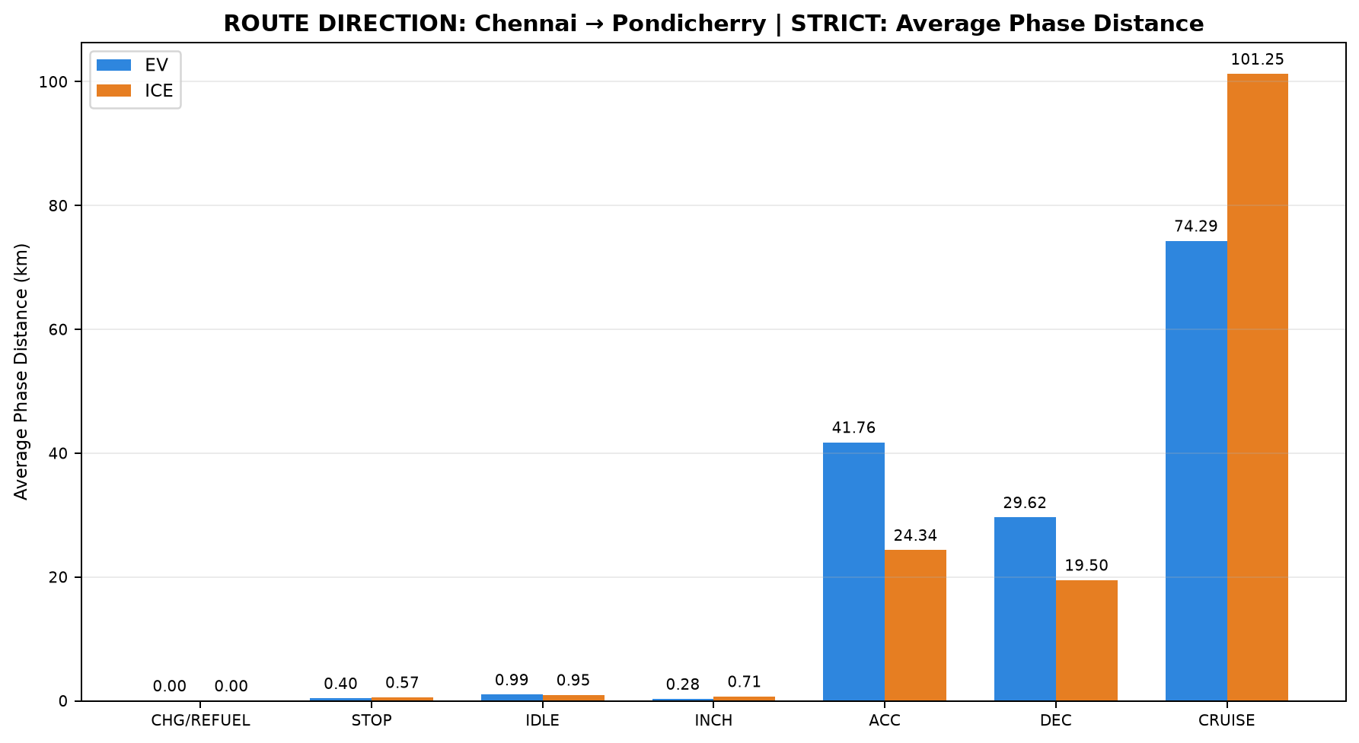
...
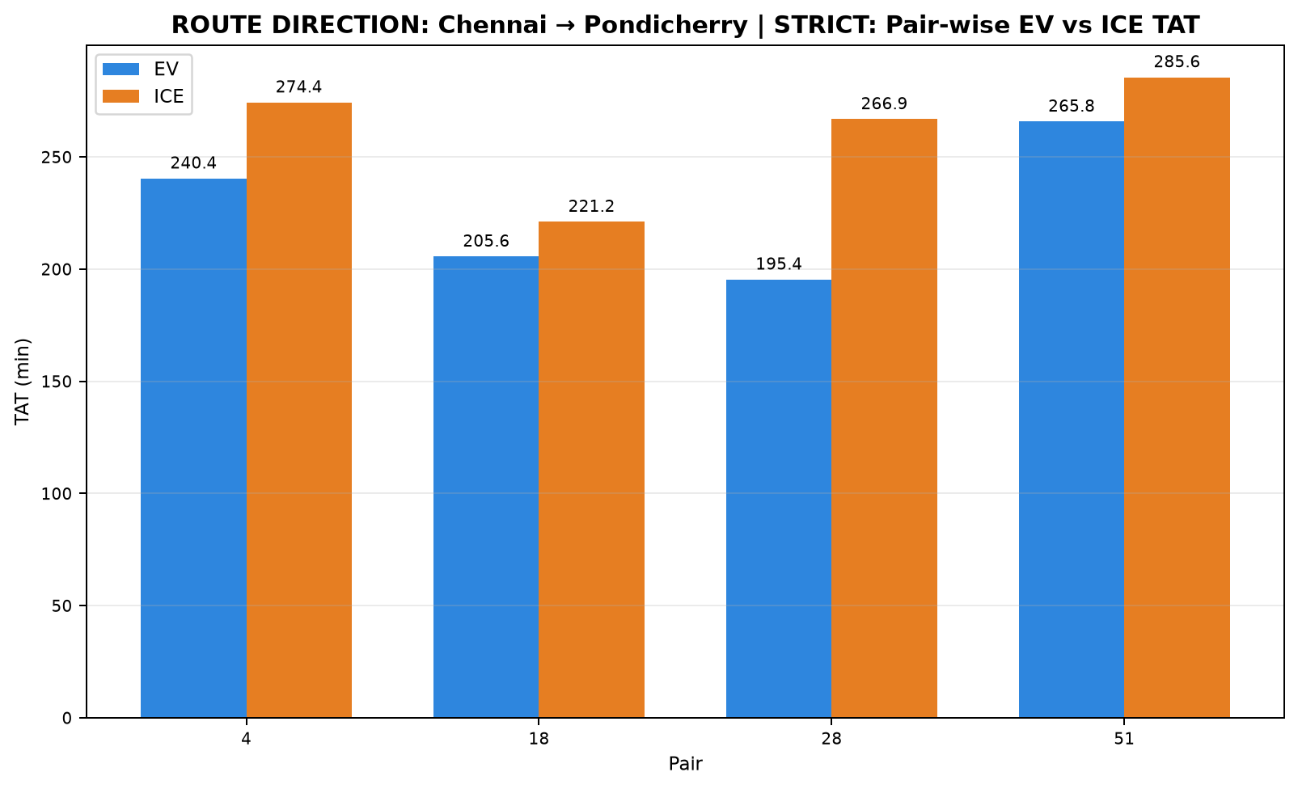

ICE Start Time | ICE End Time | EV Moving Avg Speed (km/h) | ICE Moving Avg Speed (km/h)
11:20:23 | 15:54:44 | 42.808 | 44.785
11:43:51 | 15:25:00 | 51.089 | 44.820
11:08:45 | 15:35:36 | 48.033 | 45.343
14:27:10 | 19:12:44 | 45.911 | 41.347
...
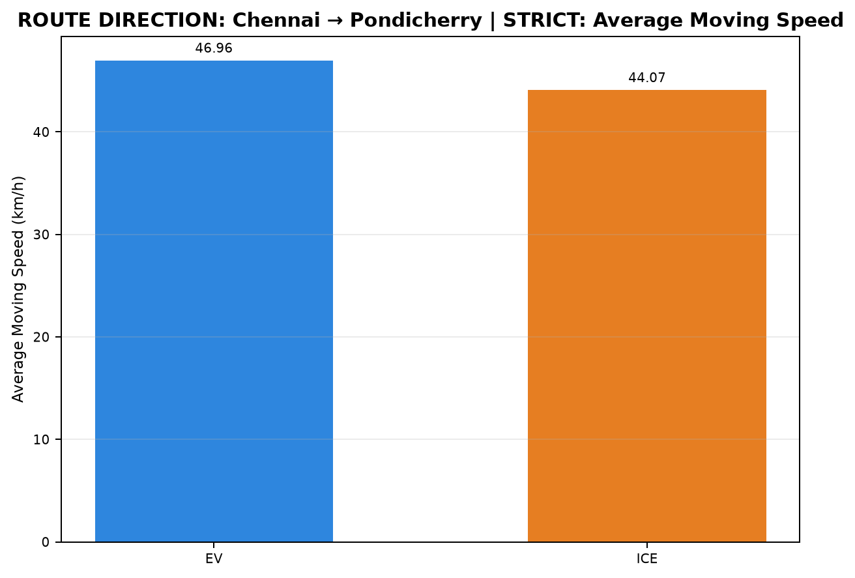
...

D02_Chennai_to_Pondicherry_NONS
...
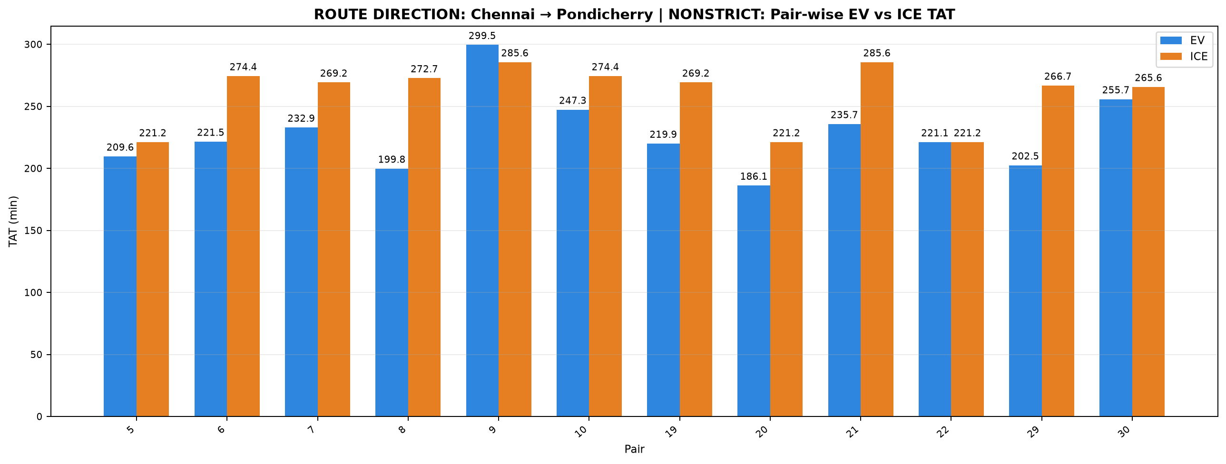

ICE Start Time | ICE End Time | EV Moving Avg Speed (km/h) | ICE Moving Avg Speed (km/h)
11:43:51 | 15:25:00 | 47.254 | 44.822
11:20:23 | 15:54:44 | 49.307 | 44.792
11:08:45 | 15:37:58 | 44.762 | 44.849
11:22:01 | 15:54:44 | 48.109 | 45.044
14:27:10 | 19:12:44 | 41.137 | 41.353
11:20:23 | 15:54:44 | 47.638 | 44.798
11:08:45 | 15:37:58 | 48.978 | 44.858
11:43:51 | 15:25:00 | 48.980 | 44.835
14:27:10 | 19:12:44 | 47.722 | 41.363
11:43:51 | 15:25:00 | 49.270 | 44.822
14:45:59 | 19:12:44 | 47.686 | 42.945
11:08:45 | 15:34:22 | 47.245 | 45.595
...
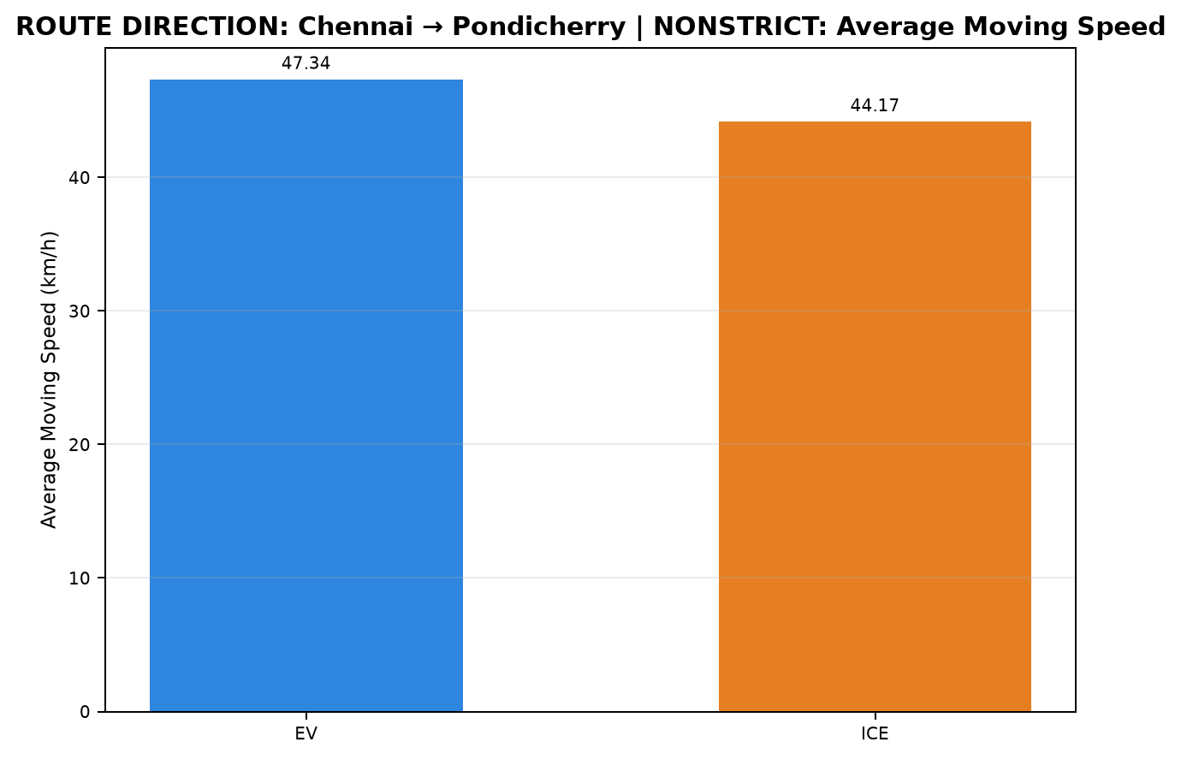
...
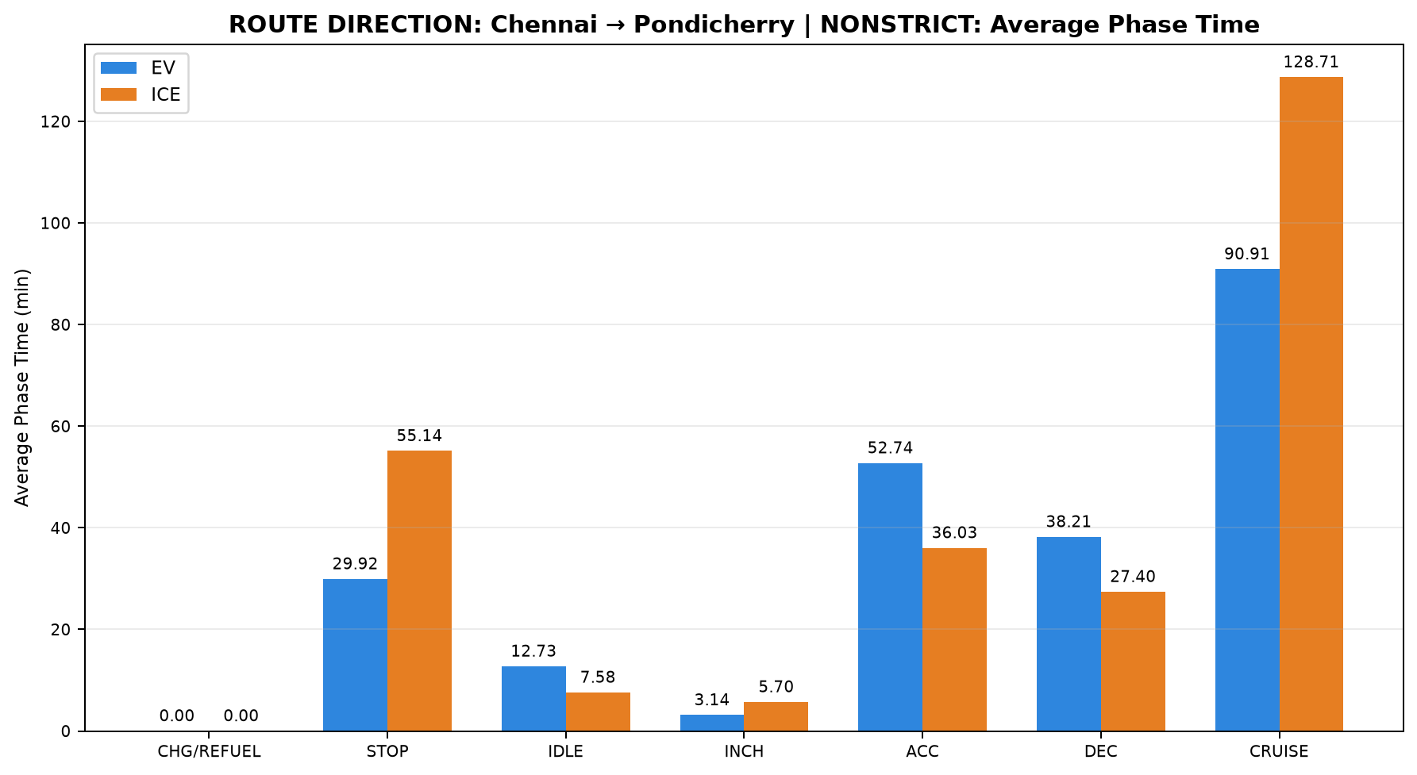
...
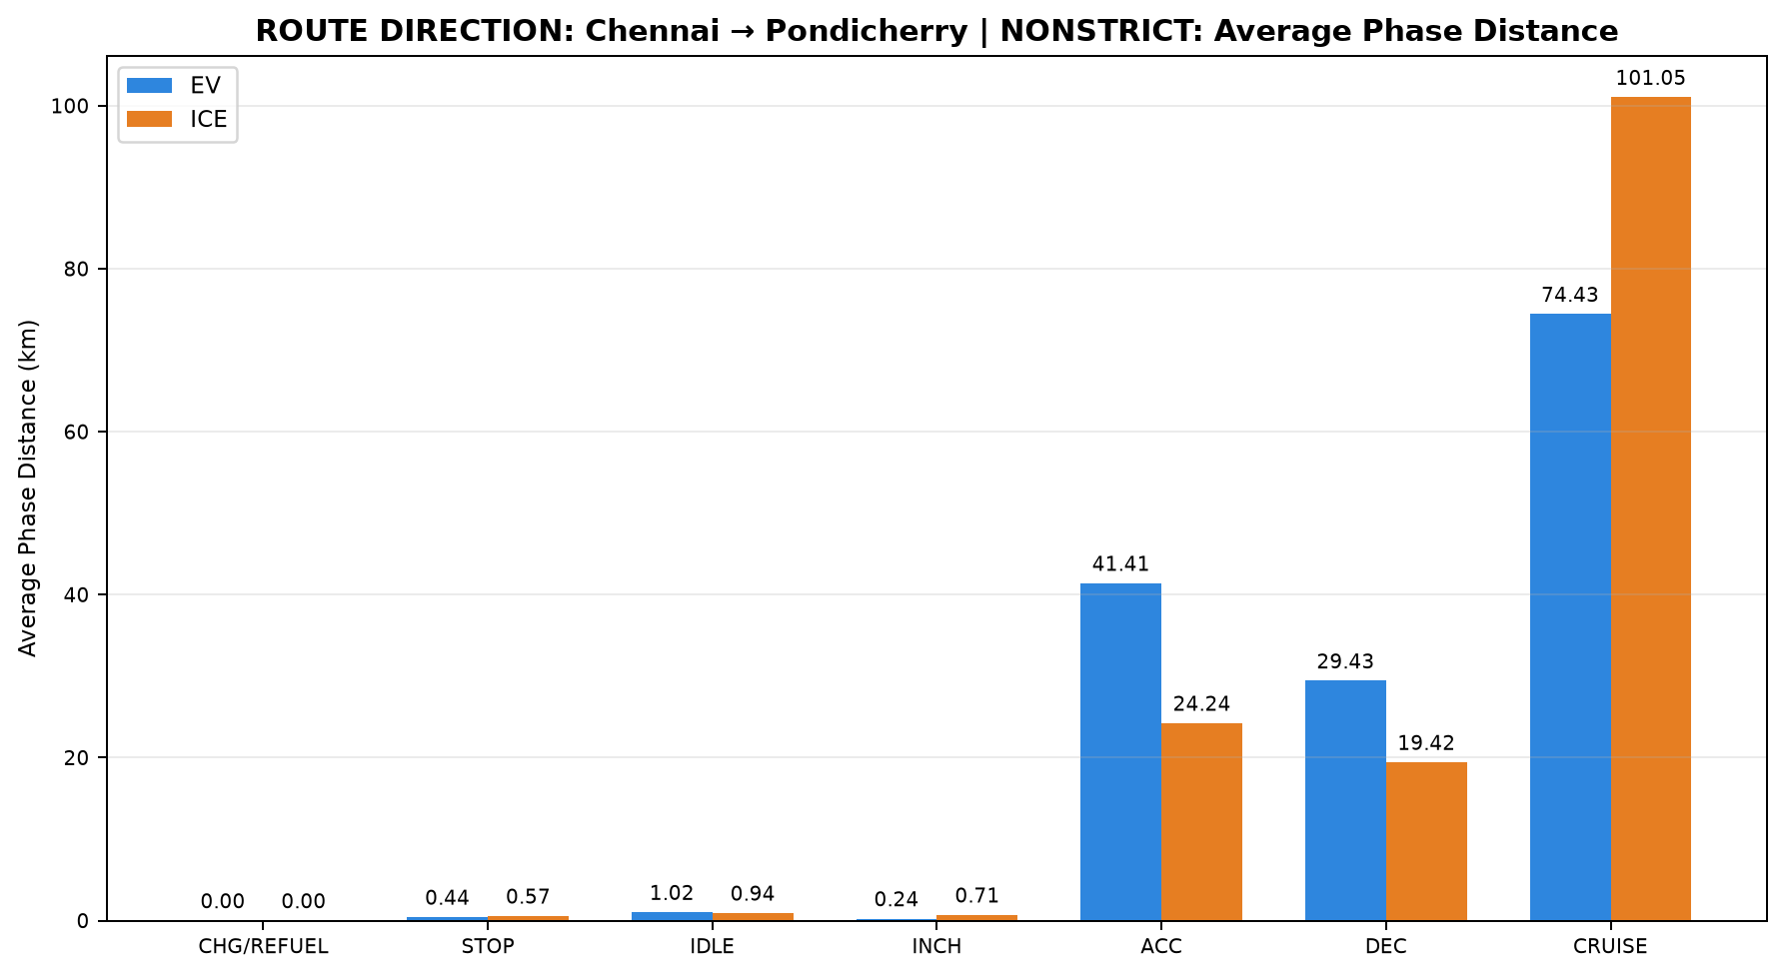
...

D03_Madhuravoyal_to_Madiwala_ST
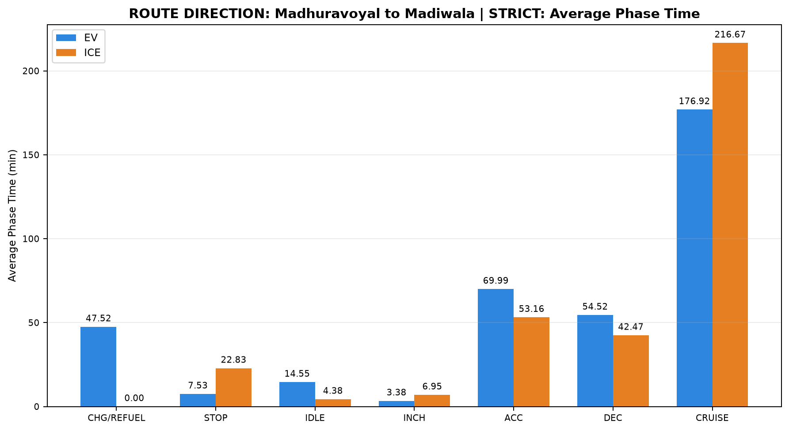
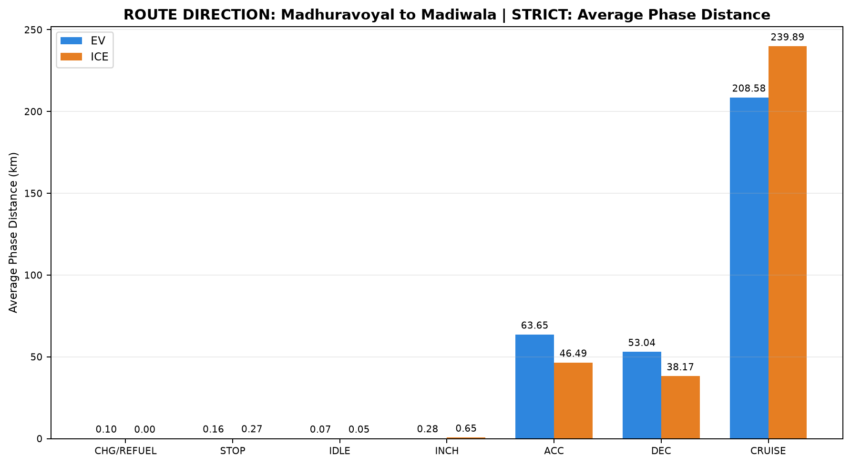
...
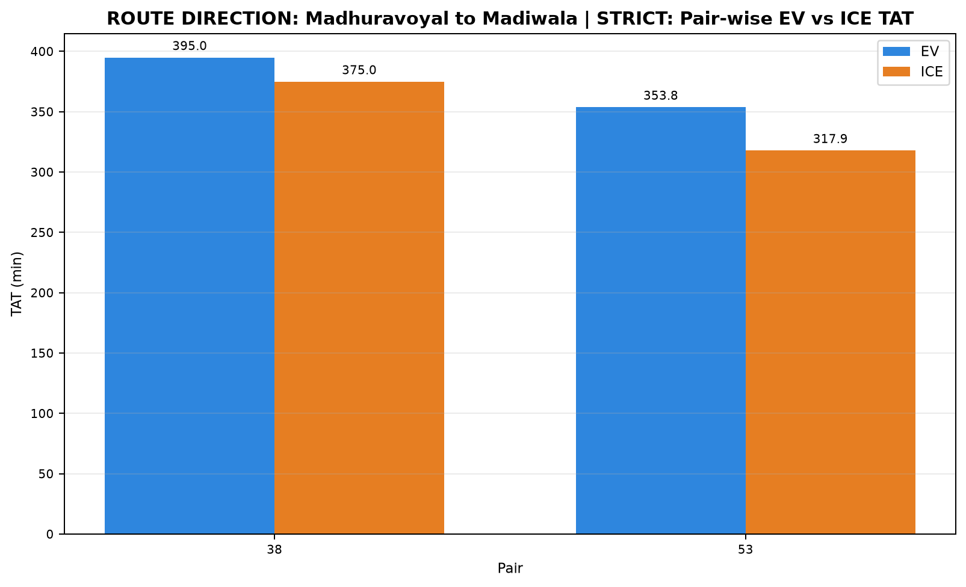

ICE Start Time | ICE End Time | EV Moving Avg Speed (km/h) | ICE Moving Avg Speed (km/h)
23:27:11 | 05:42:08 | 61.316 | 59.540
23:29:56 | 04:47:52 | 67.113 | 62.786
...
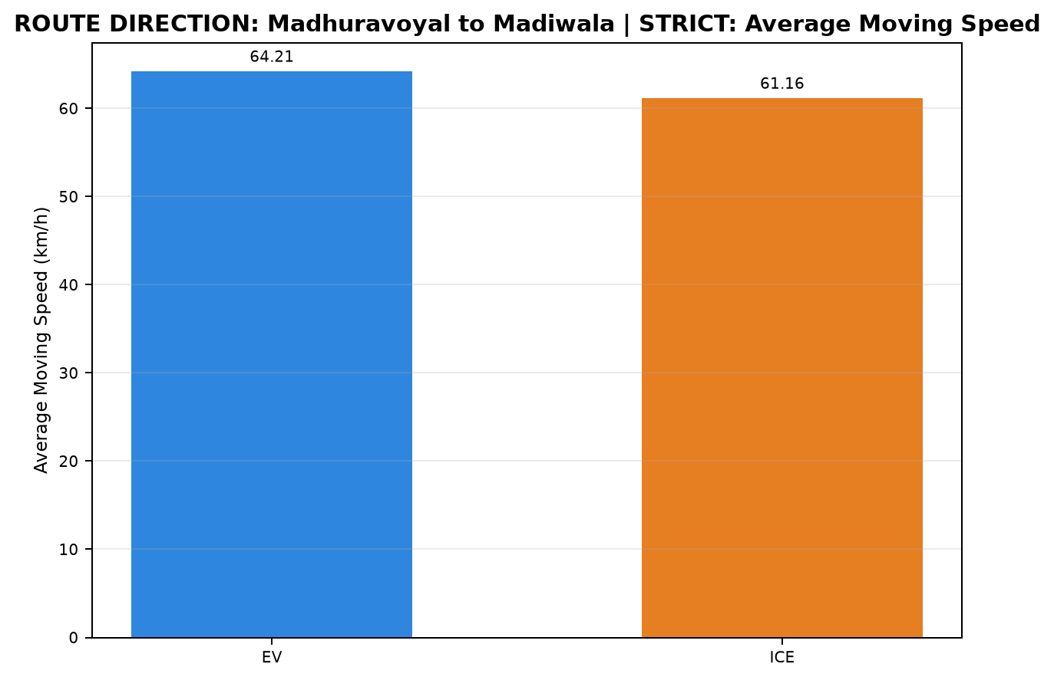
...

D04_Madhuravoyal_to_Madiwala_NO
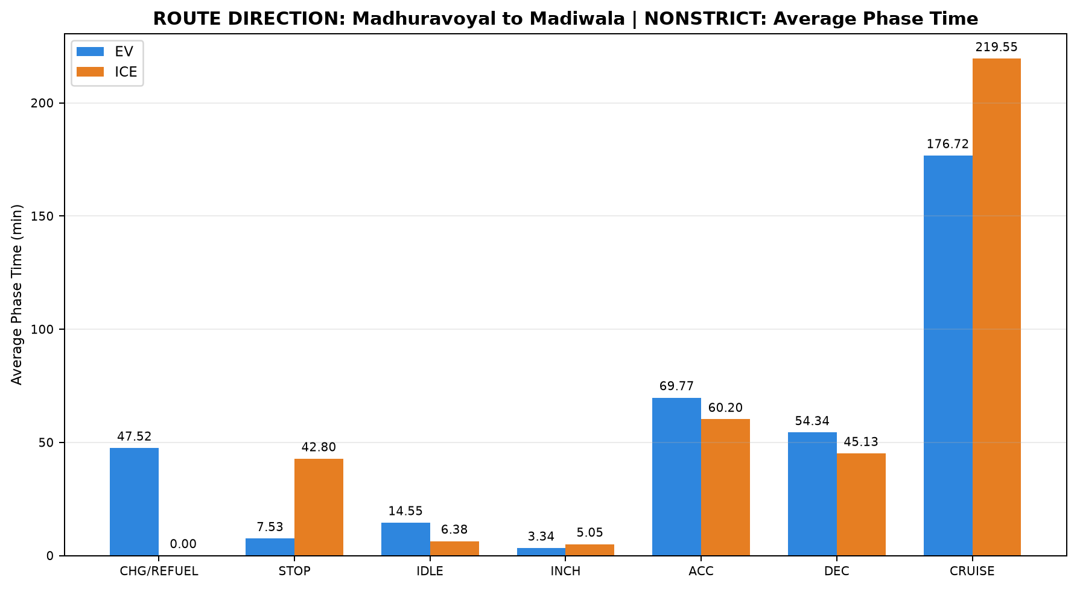
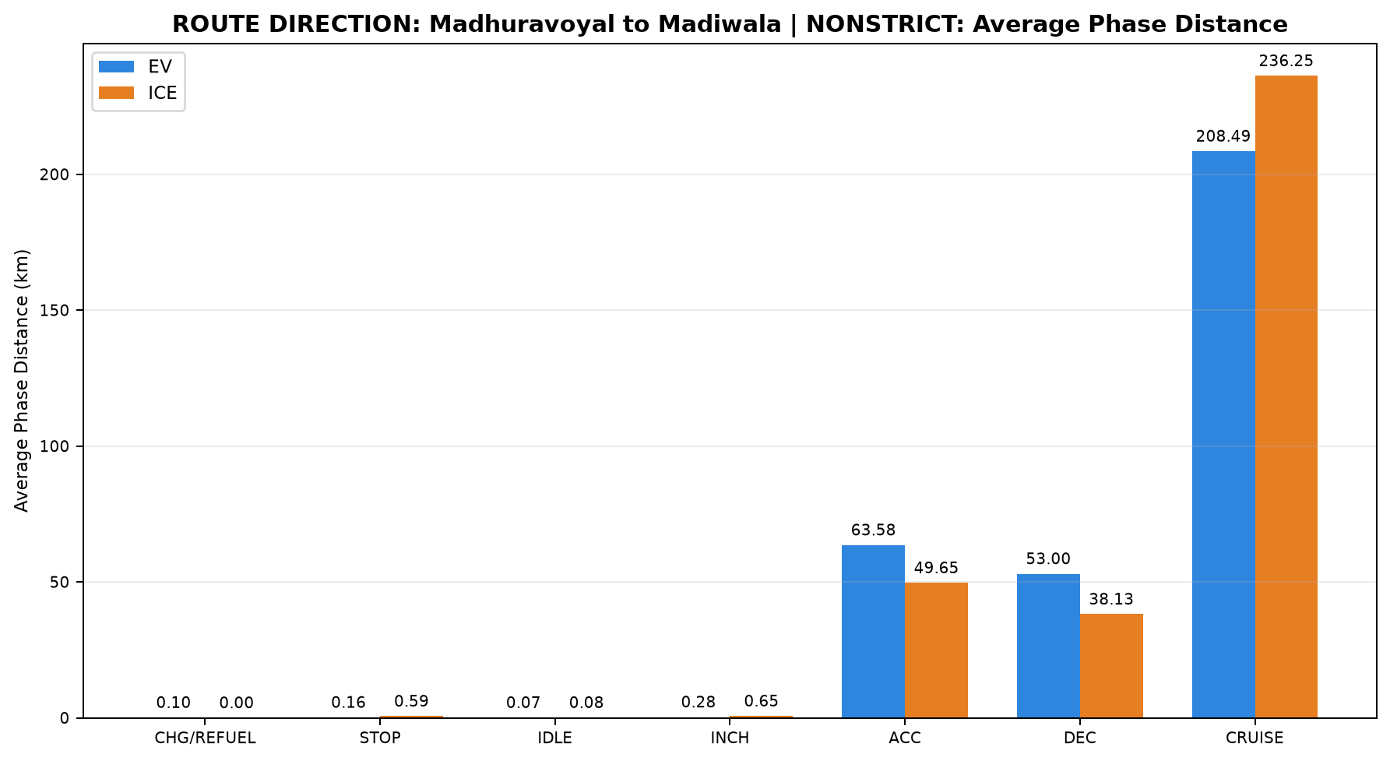
...
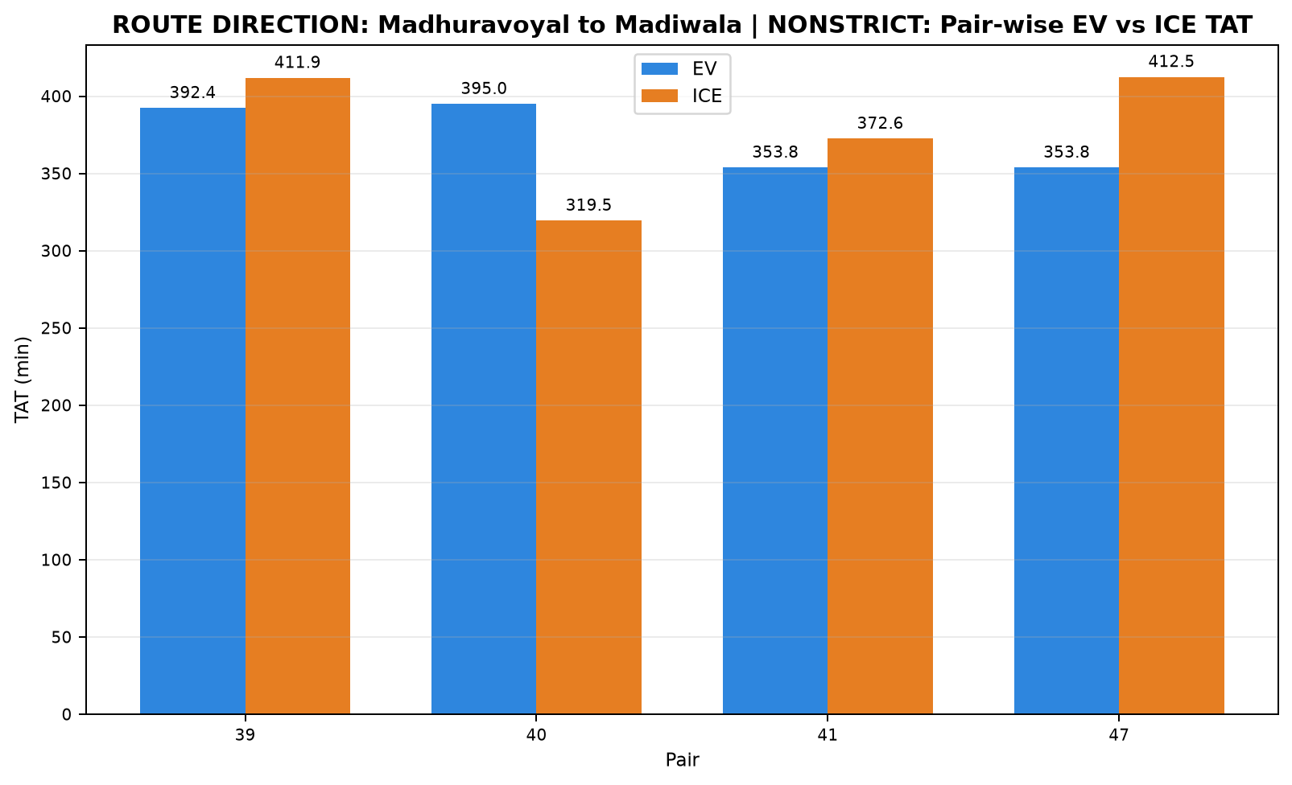

ICE Start Time | ICE End Time | EV Moving Avg Speed (km/h) | ICE Moving Avg Speed (km/h)
17:17:37 | 00:09:30 | 61.648 | 56.978
23:29:56 | 04:49:26 | 61.329 | 62.637
23:27:11 | 05:39:44 | 67.121 | 59.843
17:14:54 | 00:07:23 | 67.108 | 57.067
...
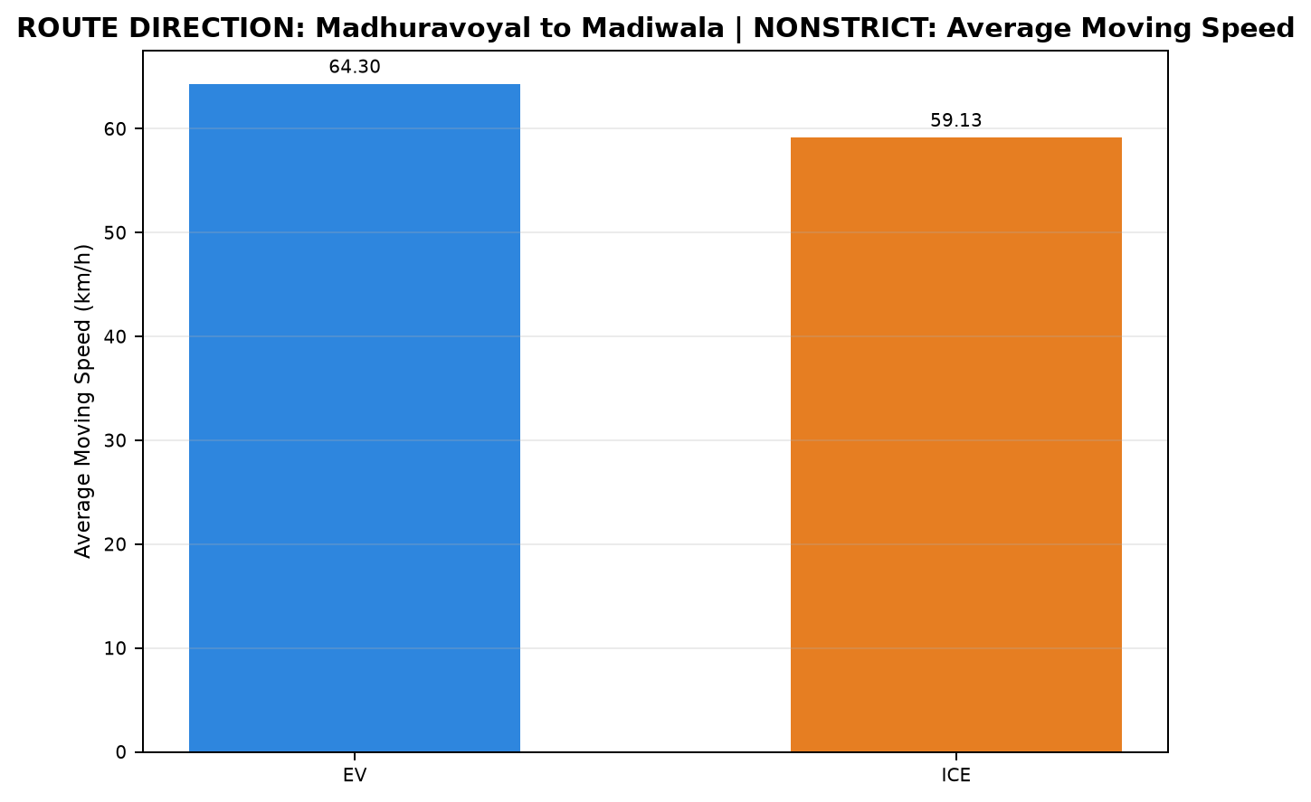
...

D05_Madiwala_to_Madhuravoyal_ST
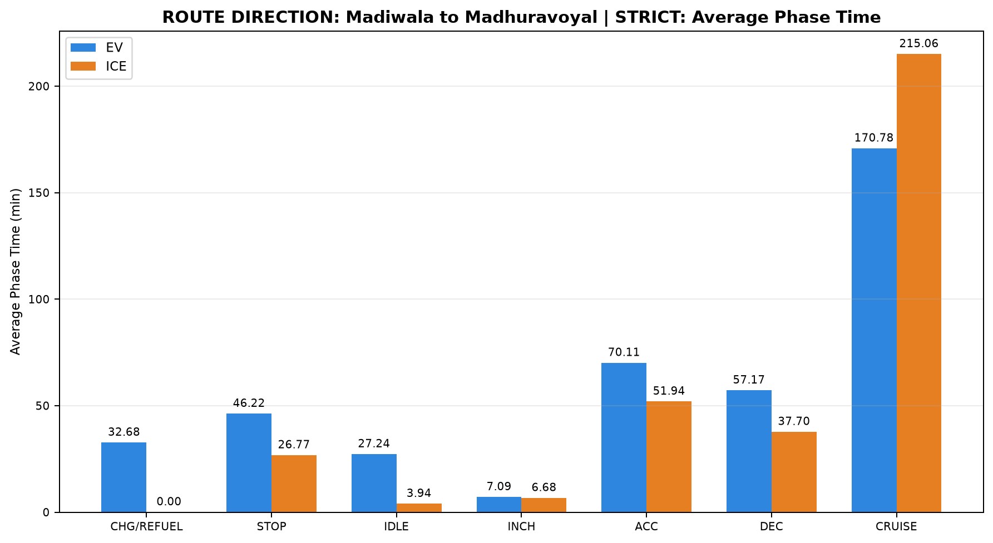
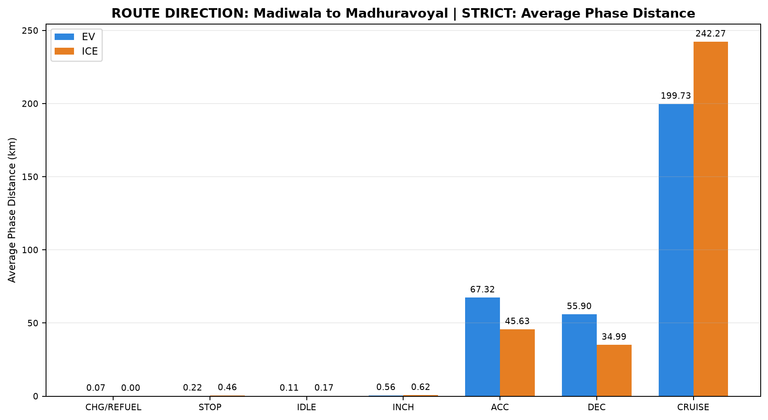
...
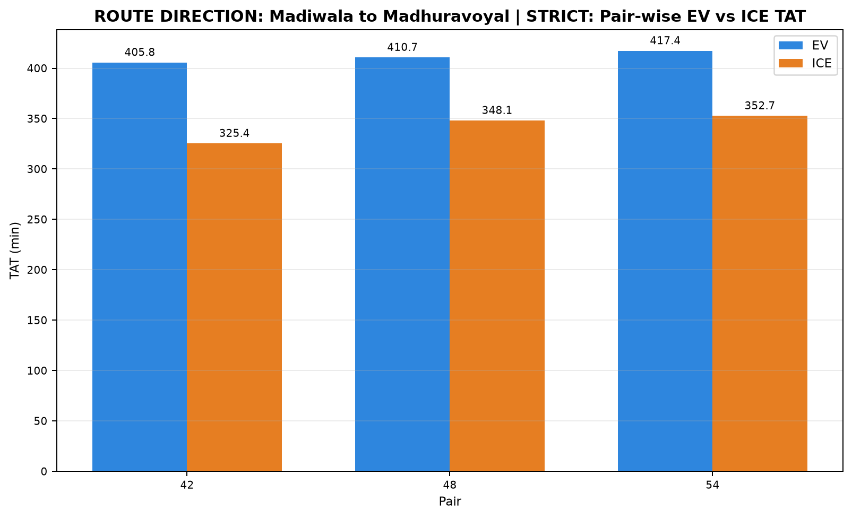

ICE Start Time | ICE End Time | EV Moving Avg Speed (km/h) | ICE Moving Avg Speed (km/h)
23:13:05 | 04:38:29 | 64.645 | 63.965
12:14:31 | 18:02:40 | 62.048 | 63.513
22:00:02 | 03:52:46 | 64.215 | 59.708
...
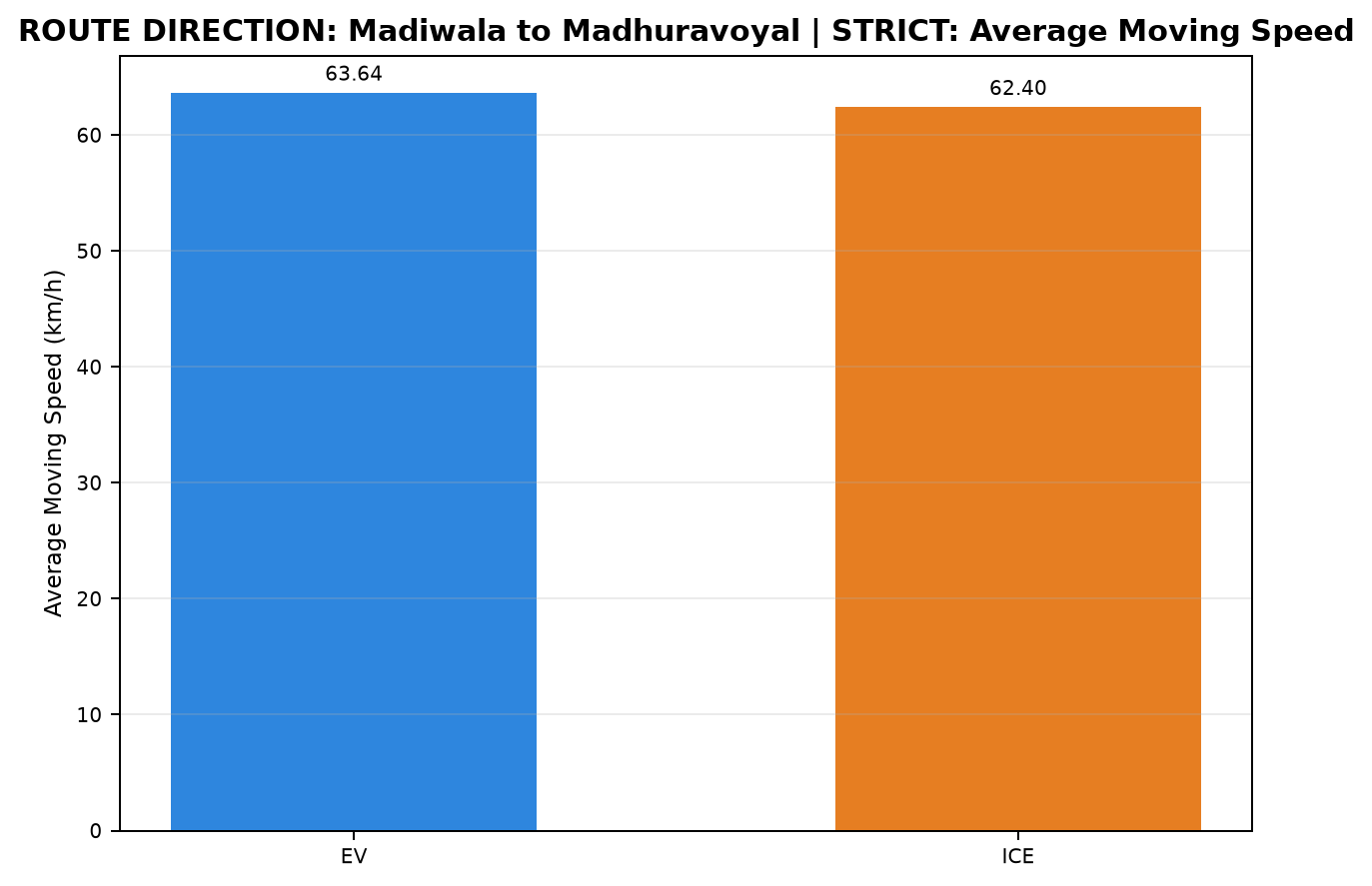
...

D06_Madiwala_to_Madhuravoyal_NO
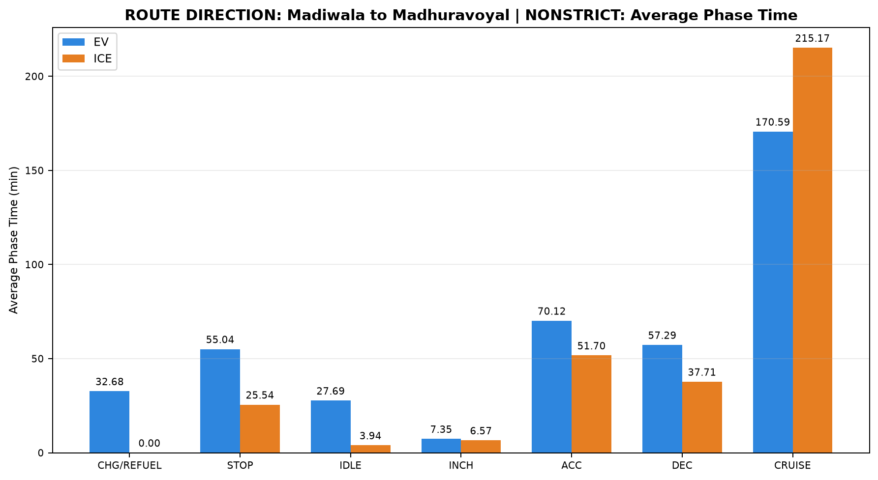
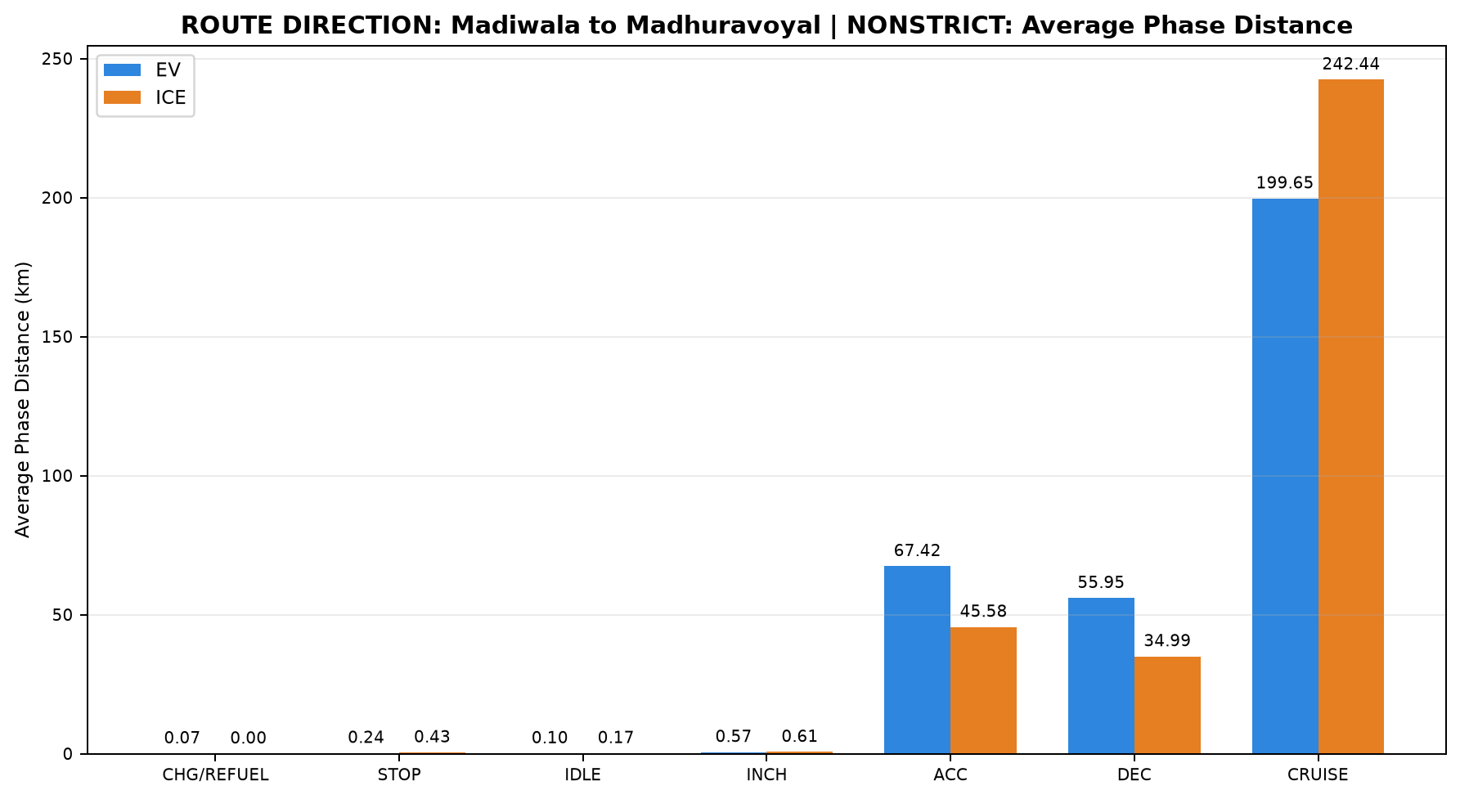
...
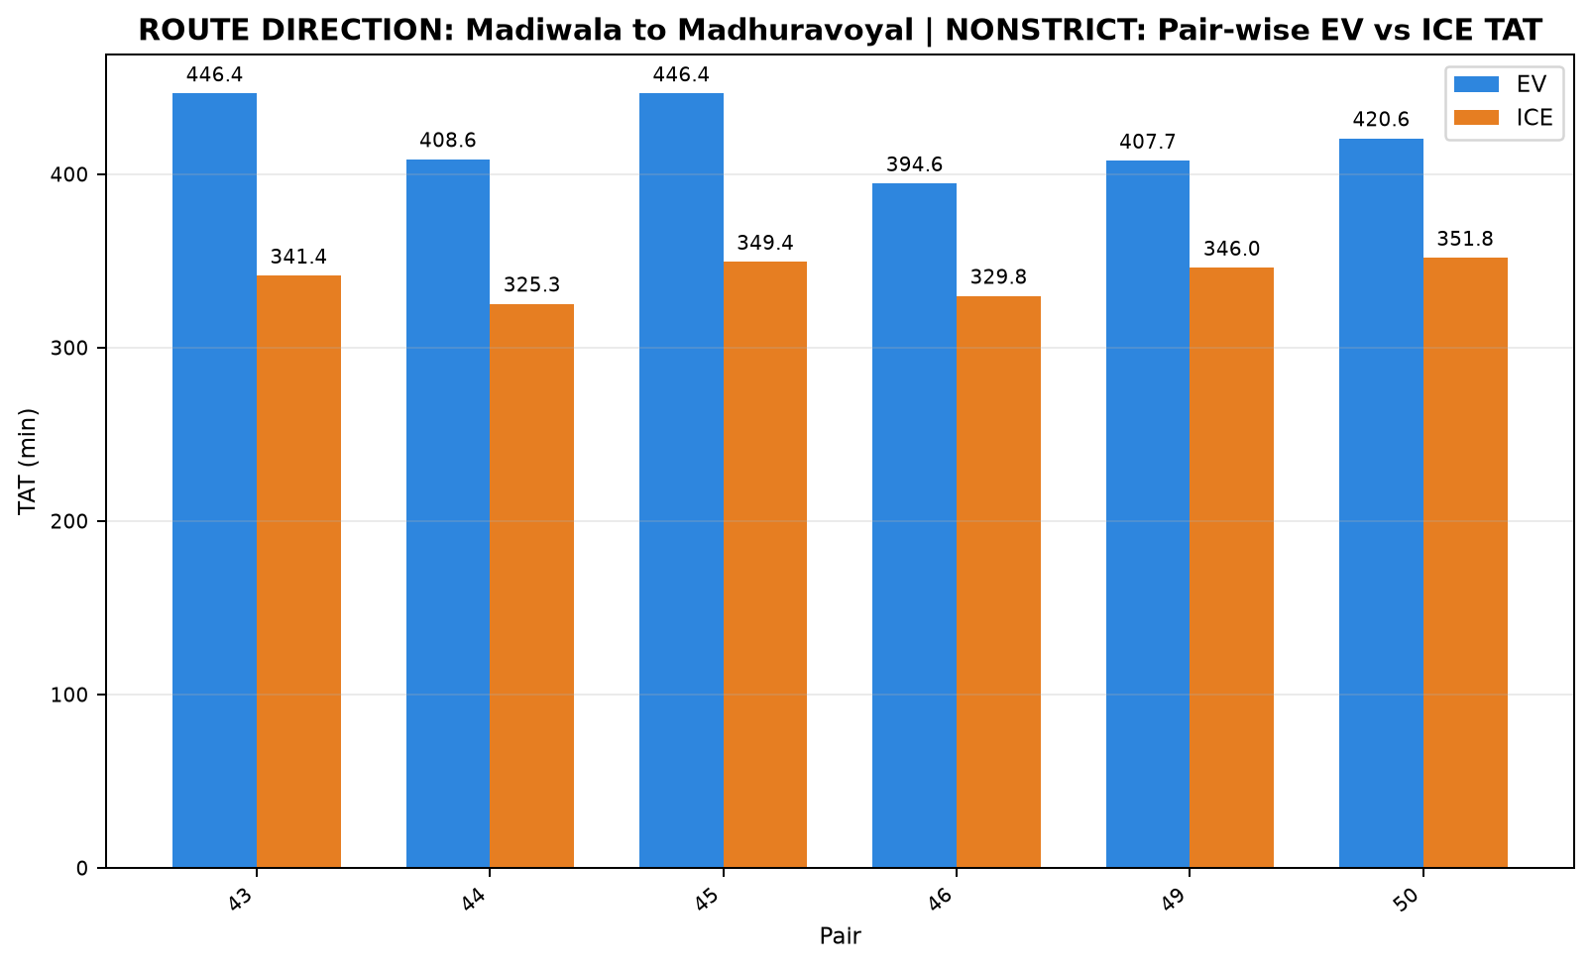

ICE Start Time | ICE End Time | EV Moving Avg Speed (km/h) | ICE Moving Avg Speed (km/h)
12:12:58 | 17:54:24 | 64.440 | 64.281
23:17:34 | 04:42:50 | 62.281 | 63.759
22:00:02 | 03:49:27 | 64.459 | 59.876
23:13:05 | 04:42:50 | 64.174 | 63.703
22:06:43 | 03:52:46 | 62.326 | 60.099
12:12:58 | 18:04:43 | 63.924 | 63.017
...
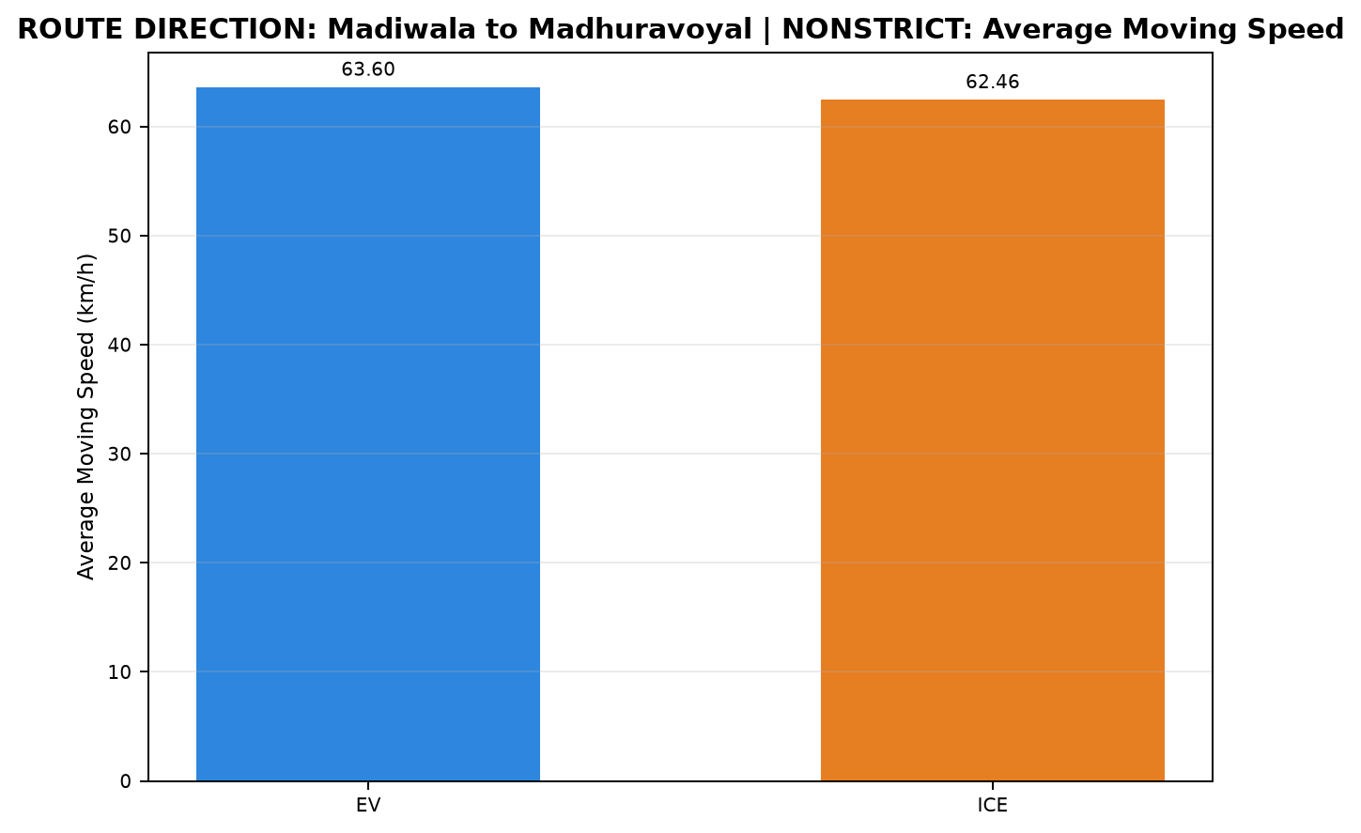
...

D07_Maduravoyal_to_Silk_Board_N
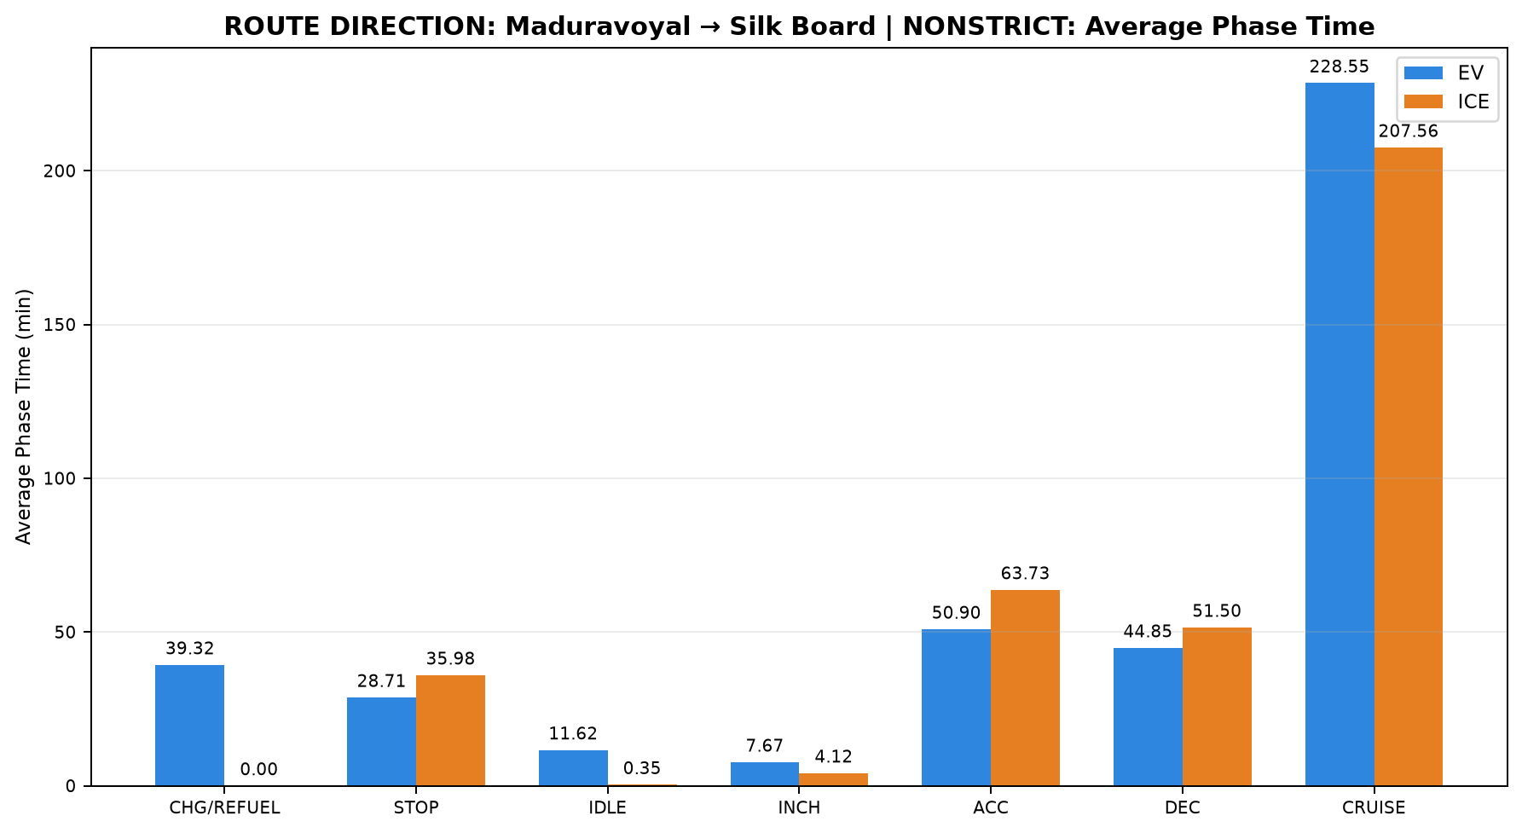
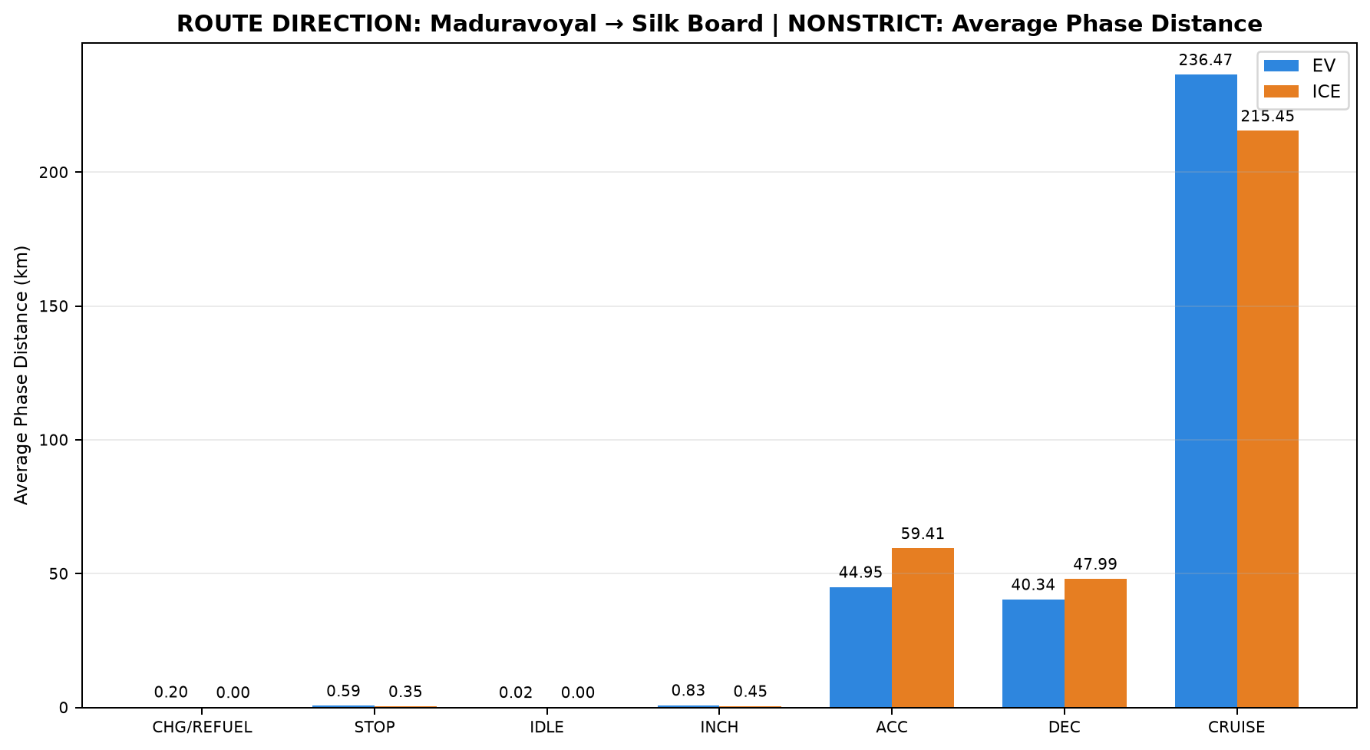
...
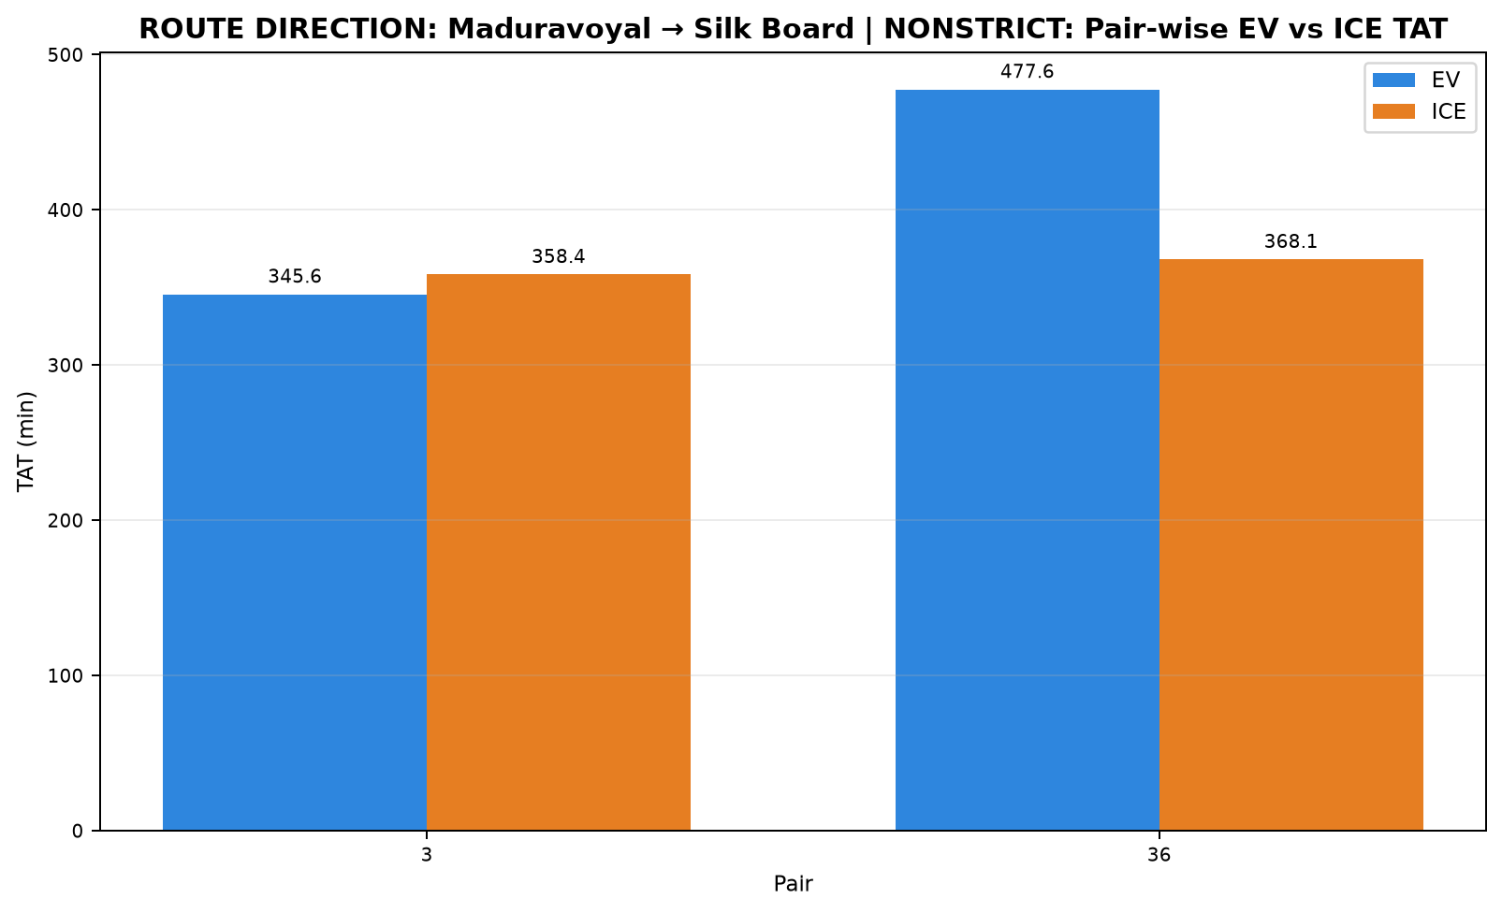

ICE Start Time | ICE End Time | EV Moving Avg Speed (km/h) | ICE Moving Avg Speed (km/h)
23:25:13 | 05:23:37 | 64.617 | 59.679
23:17:40 | 05:25:45 | 53.205 | 59.004
...
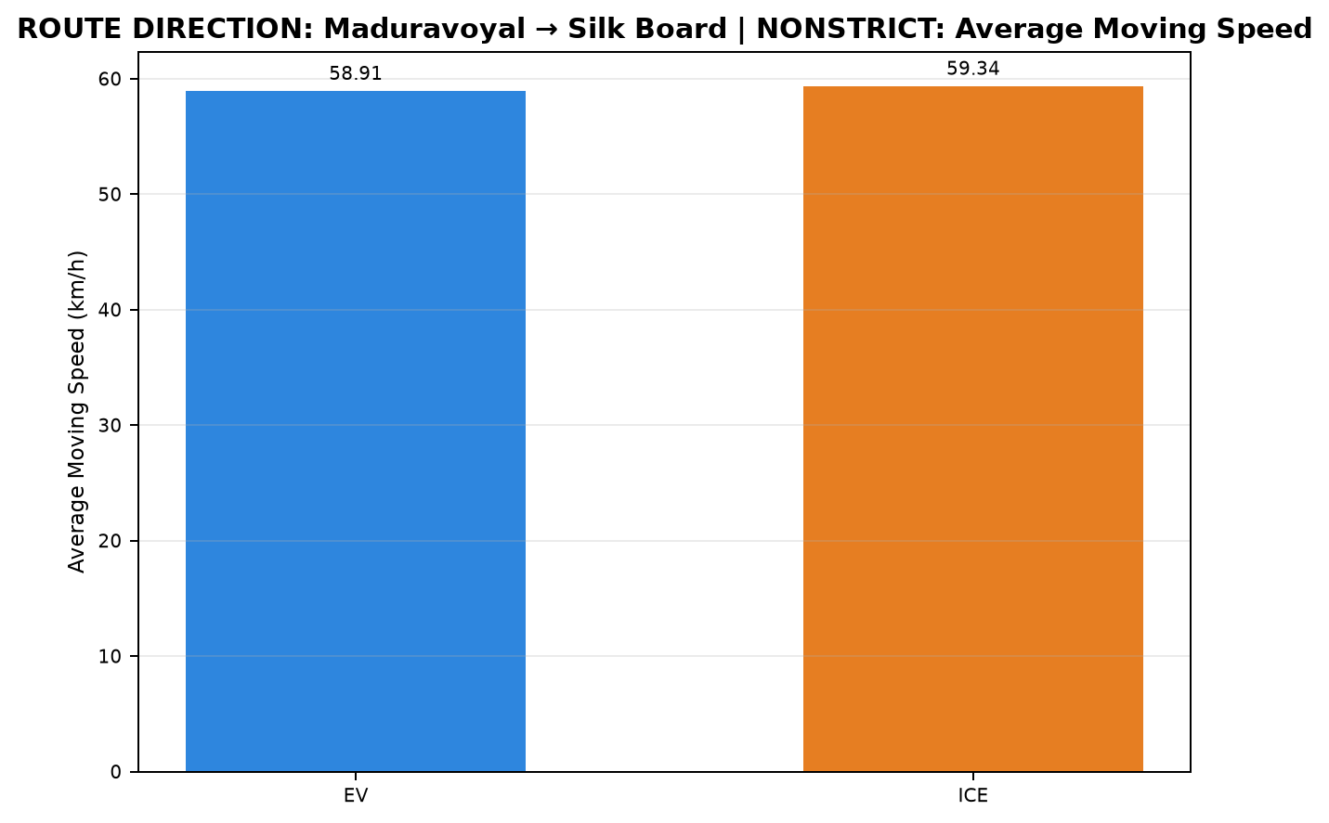
...

D08_Pondicherry_to_Chennai_STRI


...


ICE Start Time | ICE End Time | EV Moving Avg Speed (km/h) | ICE Moving Avg Speed (km/h)
16:37:54 | 20:39:30 | 44.634 | 42.342
16:20:34 | 20:12:27 | 43.489 | 40.291
16:56:44 | 20:11:41 | 46.883 | 42.762
16:16:08 | 21:02:28 | 42.410 | 36.294
...

...

D09_Pondicherry_to_Chennai_NONS
...


ICE Start Time | ICE End Time | EV Moving Avg Speed (km/h) | ICE Moving Avg Speed (km/h)
16:20:34 | 20:12:27 | 48.732 | 40.296
16:37:54 | 20:39:30 | 40.963 | 42.342
16:56:44 | 20:11:41 | 44.924 | 42.762
16:37:54 | 20:39:30 | 46.295 | 42.341
16:16:08 | 21:07:29 | 40.356 | 36.022
16:37:54 | 20:40:25 | 44.703 | 42.186
16:56:44 | 20:11:15 | 41.522 | 42.835
16:20:34 | 20:12:27 | 50.215 | 40.296
16:16:08 | 21:07:53 | 38.129 | 35.990
16:20:34 | 20:12:27 | 46.484 | 40.287
16:16:08 | 21:07:53 | 42.288 | 35.987
16:56:44 | 20:11:41 | 45.475 | 42.769
...

...

...

...

D10_Silk_Board_to_Maduravoyal_S



...


ICE Start Time | ICE End Time | EV Moving Avg Speed (km/h) | ICE Moving Avg Speed (km/h)
23:15:55 | 03:20:51 | 63.844 | 67.455
...

D11_Silk_Board_to_Maduravoyal_N


...


ICE Start Time | ICE End Time | EV Moving Avg Speed (km/h) | ICE Moving Avg Speed (km/h)
22:58:13 | 04:09:43 | 69.112 | 63.461
23:15:55 | 04:14:56 | 69.098 | 66.422
22:58:13 | 04:31:39 | 65.689 | 62.888
23:17:40 | 04:34:59 | 66.127 | 65.884
...

...

R01_Chennai_Pondicherry
...


ICE Start Time | ICE End Time | EV Moving Avg Speed (km/h) | ICE Moving Avg Speed (km/h)
11:20:23 | 15:54:44 | 42.808 | 44.785
11:43:51 | 15:25:00 | 47.254 | 44.822
11:20:23 | 15:54:44 | 49.307 | 44.792
11:08:45 | 15:37:58 | 44.762 | 44.849
11:22:01 | 15:54:44 | 48.109 | 45.044
14:27:10 | 19:12:44 | 41.137 | 41.353
11:20:23 | 15:54:44 | 47.638 | 44.798
16:37:54 | 20:39:30 | 44.634 | 42.342
16:20:34 | 20:12:27 | 48.732 | 40.296
16:37:54 | 20:39:30 | 40.963 | 42.342
16:56:44 | 20:11:41 | 44.924 | 42.762
16:37:54 | 20:39:30 | 46.295 | 42.341
16:16:08 | 21:07:29 | 40.356 | 36.022
16:37:54 | 20:40:25 | 44.703 | 42.186
11:43:51 | 15:25:00 | 51.089 | 44.820
11:08:45 | 15:37:58 | 48.978 | 44.858
11:43:51 | 15:25:00 | 48.980 | 44.835
14:27:10 | 19:12:44 | 47.722 | 41.363
11:43:51 | 15:25:00 | 49.270 | 44.822
16:20:34 | 20:12:27 | 43.489 | 40.291

16:56:44 | 20:11:15 | 41.522 | 42.835
16:20:34 | 20:12:27 | 50.215 | 40.296
16:16:08 | 21:07:53 | 38.129 | 35.990
16:20:34 | 20:12:27 | 46.484 | 40.287
11:08:45 | 15:35:36 | 48.033 | 45.343
14:45:59 | 19:12:44 | 47.686 | 42.945
11:08:45 | 15:34:22 | 47.245 | 45.595
16:56:44 | 20:11:41 | 46.883 | 42.762
16:16:08 | 21:07:53 | 42.288 | 35.987
16:56:44 | 20:11:41 | 45.475 | 42.769
14:27:10 | 19:12:44 | 45.911 | 41.347
16:16:08 | 21:02:28 | 42.410 | 36.294
...

...

...

R02_Madhuravoyal_to_Madiwala


...


ICE Start Time | ICE End Time | EV Moving Avg Speed (km/h) | ICE Moving Avg Speed (km/h)
23:27:11 | 05:42:08 | 61.316 | 59.540
17:17:37 | 00:09:30 | 61.648 | 56.978
23:29:56 | 04:49:26 | 61.329 | 62.637
23:27:11 | 05:39:44 | 67.121 | 59.843
17:14:54 | 00:07:23 | 67.108 | 57.067
23:29:56 | 04:47:52 | 67.113 | 62.786
...

...

R03_Madiwala_to_Madhuravoyal

...


ICE Start Time | ICE End Time | EV Moving Avg Speed (km/h) | ICE Moving Avg Speed (km/h)
23:13:05 | 04:38:29 | 64.645 | 63.965
12:12:58 | 17:54:24 | 64.440 | 64.281
23:17:34 | 04:42:50 | 62.281 | 63.759
22:00:02 | 03:49:27 | 64.459 | 59.876
23:13:05 | 04:42:50 | 64.174 | 63.703
12:14:31 | 18:02:40 | 62.048 | 63.513
22:06:43 | 03:52:46 | 62.326 | 60.099
12:12:58 | 18:04:43 | 63.924 | 63.017
22:00:02 | 03:52:46 | 64.215 | 59.708
...

...

...

R04_Maduravoyal_Silk_Board

...


ICE Start Time | ICE End Time | EV Moving Avg Speed (km/h) | ICE Moving Avg Speed (km/h)
22:58:13 | 04:09:43 | 69.112 | 63.461
23:15:55 | 04:14:56 | 69.098 | 66.422
23:25:13 | 05:23:37 | 64.617 | 59.679
22:58:13 | 04:31:39 | 65.689 | 62.888
23:17:40 | 04:34:59 | 66.127 | 65.884
23:17:40 | 05:25:45 | 53.205 | 59.004
23:15:55 | 03:20:51 | 63.844 | 67.455
...

...

...

