Financial Info Haier
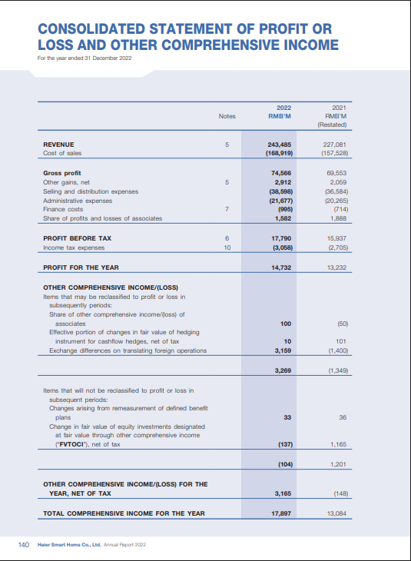
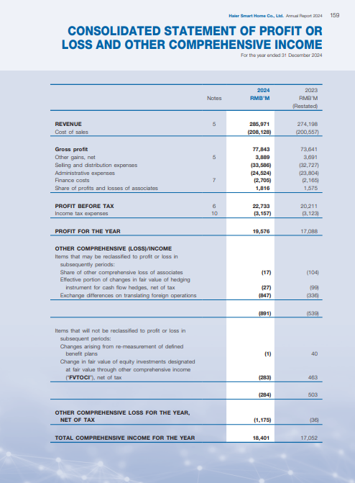
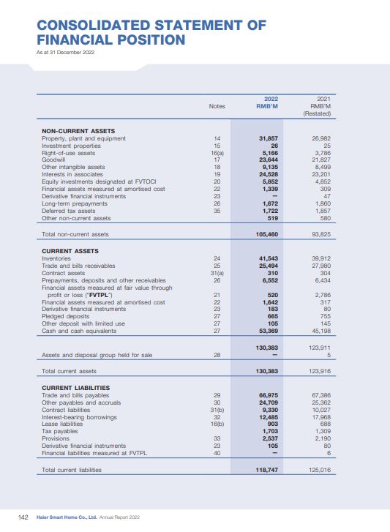
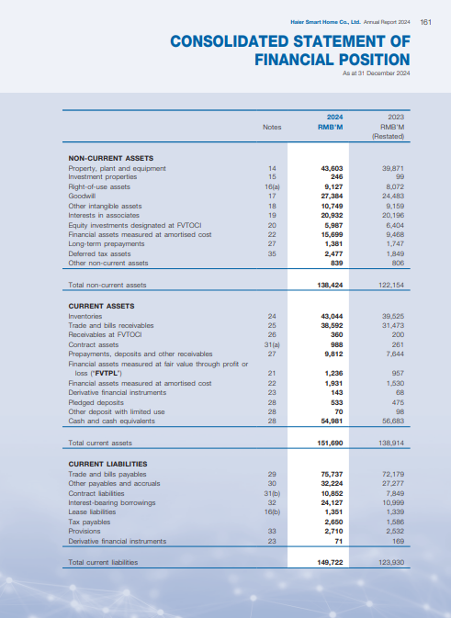

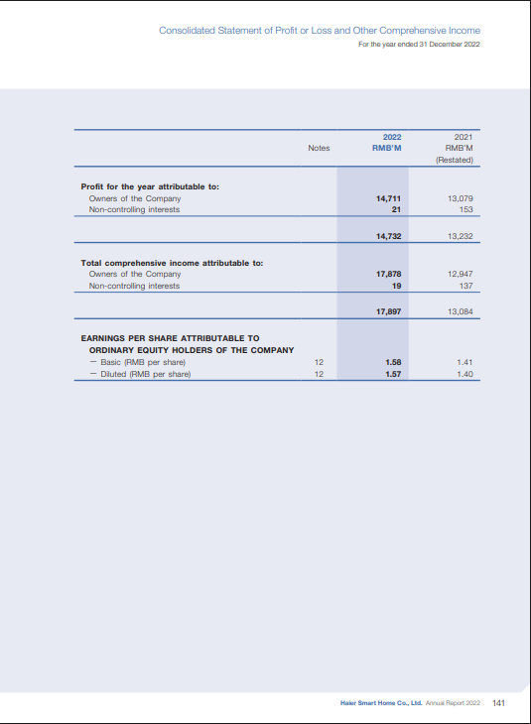
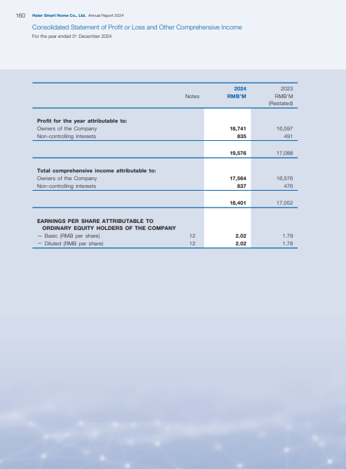
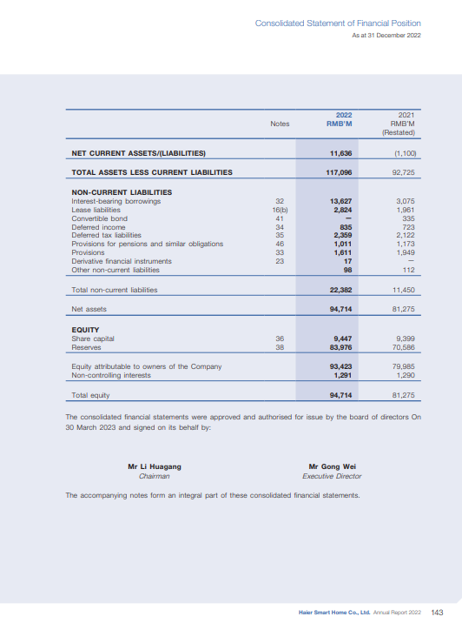
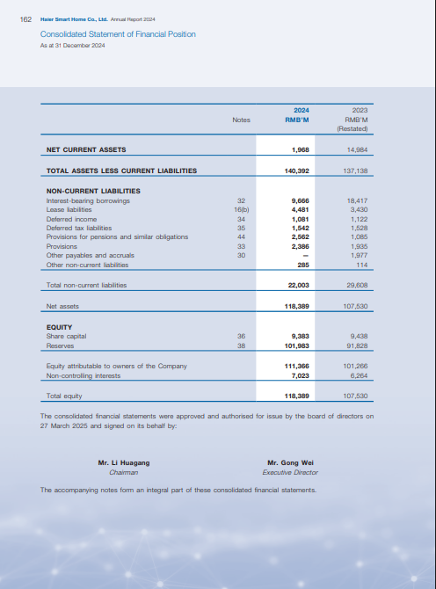

Ratios Cal Haier
RATIOS CALCULATION

(A) LIQUIDITY RATIOS

Ratio Type | Formula | 2021 | 2022 | 2023 | 2024
Current Ratio | Current Assets / Current Liabilities | 123916/125,016= 0.99 | 130383/118,747 =1.09 | 138914/123,930=1.12 | 151690/149,722=1.01
Acid-Test Ratio | (Current Assets − Inventory) / Current Liabilities | 123916-39,912/125,016= 0.67 | 130383-41,543/118,747 =0.74 | 138914-39,525/123,930=0.80 | 151690-43,044/149,722=0.72

(B) LEVERAGE RATIOS

Ratio Type | Formula | 2021 | 2022 | 2023 | 2024
Debt-to-Equity Ratio | (Current Liabilities + Non-Current Liabilities) / Shareholders’ Equity | (125016+11,450)/79,985= 1.70 | (118,747 + 22,382) ÷ 93,423 = 1.51 | (123,930 + 29,608) ÷ 101,266 = 1.52 | (149,722 + 22,003) ÷ 111,366 = 1.54
Debt-to-Total Assets Ratio | (Current + Non-Current Liabilities) / Total Assets | (125,016 + 11,450) ÷ 205,266 → 0.63 | (118,747 + 22,382) ÷ 235,843 → 0.60 | (123,930 + 29,608) ÷ 261,068 → 0.59 | (149,722 + 22,003) ÷ 290,114 → 0.59
Total Capitalization Ratio | (Current + Non-Current Liabilities) / (Long-Term Liabilities + Owners’ Equity) | (136,466) ÷ (11,450 + 79,985) → 1.44 | (141,129) ÷ (22,382 + 93,423) → 1.25 | (153,538) ÷ (29,608 + 101,266) → 1.18 | (171,725) ÷ (22,003 + 111,366) → 1.27

(C) COVERAGE RATIO

Ratio Type | Formula | 2021 | 2022 | 2023 | 2024
Interest Coverage Ratio | EBIT / Interest Charges | (15,937 + 714) ÷ 714 → 23.32× | (17,790 + 995) ÷ 995 → 18.88× | (20,211 + 2,165) ÷ 2,165 → 10.33× | (22,733 + 2,705) ÷ 2,705 → 9.41×

(D) ACTIVITY RATIOS

Ratio Type | Formula | 2021 | 2022 | 2023 | 2024
Receivable Turnover | Net Credit Sales / Accounts Receivable | 227,081 ÷ 27,980 → 8.12× | 243,485 ÷ 25,494 → 9.55× | 274,198 ÷ 31,473 → 8.71× | 285,971 ÷ 38,592 → 7.41×
Payable Turnover | Annual Credit Purchases / Accounts Payable | 157,528 ÷ 67,386 → 2.34× | 168,919 ÷ 66,975 → 2.52× | 200,557 ÷ 72,179 → 2.78× | 208,128 ÷ 75,737 → 2.75×
Inventory Turnover | Cost of Goods Sold / Inventory | 157,528 ÷ 39,912 → 3.95× | 168,919 ÷ 41,543 → 4.07× | 200,557 ÷ 39,525 → 5.07× | 208,128 ÷ 43,044 → 4.83×
Total Asset Turnover | Net Sales / Total Assets | 227,081 ÷ 205,266 → 1.11× | 243,485 ÷ 235,843 → 1.03× | 274,198 ÷ 261,068 → 1.05× | 285,971 ÷ 290,114 → 0.99×

(E) PROFITABILITY RATIOS

Ratio Type | Formula | 2021 | 2022 | 2023 | 2024
Gross Profit Margin | Gross Profit / Sales Revenue × 100 | 69,553 ÷ 227,081 → 30.6% | 74,566 ÷ 243,485 → 30.6% | 73,641 ÷ 274,198 → 26.8% | 77,843 ÷ 285,971 → 27.2%
Net Profit Margin | Net Income / Net Sales × 100 | 13,232 ÷ 227,081 → 5.8% | 14,732 ÷ 243,485 → 6.0% | 17,088 ÷ 274,198 → 6.2% | 19,576 ÷ 285,971 → 6.8%
Return on Investment | Net Income / Total Assets × 100 | 13,232 ÷ 205,266 → 6.4% | 14,732 ÷ 235,843 → 6.2% | 17,088 ÷ 261,068 → 6.5% | 19,576 ÷ 290,114 → 6.7%
Return on Equity | Net Income / Owners’ Equity × 100 | 13,232 ÷ 79,985 → 16.5% | 14,732 ÷ 93,423 → 15.8% | 17,088 ÷ 101,266 → 16.9% | 19,576 ÷ 111,366 → 17.6%

Graphs
Current Ratio
Acid-Test Ratio

(A) Liquidity Ratios

Year | Current Ratio | Acid-Test Ratio
2021 | 0.99 | 0.67
2022 | 1.09 | 0.74
2023 | 1.12 | 0.8
2024 | 1.01 | 0.72

(B) Leverage Ratios

Year | Debt-to-Equity Ratio | Debt-to-Total Assets Ratio | Total Capitalization Ratio
2021 | 1.7 | 0.63 | 1.44
2022 | 1.51 | 0.6 | 1.25
2023 | 1.52 | 0.59 | 1.18
2024 | 1.54 | 0.59 | 1.27
Debt-to-Equity Ratio
Debt-to-Total Assets Ratio
Total Capitalization Ratio

(C) Coverage Ratio

Year | Interest Coverage Ratio
2021 | 23.32
2022 | 18.88
2023 | 10.33
2024 | 9.41

(D) Activity Ratios

Year | Receivable Turnover | Payable Turnover | Inventory Turnover | Total Asset Turnover
2021 | 8.12 | 2.34 | 3.95 | 1.11
2022 | 9.55 | 2.52 | 4.07 | 1.03
2023 | 8.71 | 2.78 | 5.07 | 1.05
2024 | 7.41 | 2.75 | 4.83 | 0.99

Interest Coverage Ratio
(E) Profitability Ratios

Year | Gross Profit Margin (%) | Net Profit Margin (%) | Return on Investment (%) | Return on Equity (%)
2021 | 30.6 | 5.8 | 6.4 | 16.5
2022 | 30.6 | 6 | 6.2 | 15.8
2023 | 26.8 | 6.2 | 6.5 | 16.9
2024 | 27.2 | 6.8 | 6.7 | 17.6

Receivable Turnover
Payable Turnover
Inventory Turnover
Total Asset Turnover

Gross Profit Margin (%)
Net Profit Margin (%)
Return on Investment (%)
Return on Equity (%)

Analysis
ANALYSIS
Liquidity Ratios Analysis
The current ratio increased from 0.99 in 2021 to 1.12 in 2023, showing an improvement in short-term liquidity. However, it slightly dropped to 1.01 in 2024, indicating limited liquid reserves. The acid-test ratio also improved from 0.67 to 0.80 during 2021–2023 but decreased to 0.72 in 2024, suggesting that immediate liquidity weakened slightly at the end.
Leverage Ratios Analysis
The debt-to-equity ratio declined from 1.70 in 2021 to 1.51 in 2022, reflecting reduced reliance on debt, but then rose slightly to 1.54 in 2024, showing moderate financial risk. The debt-to-total assets ratio remained almost stable around 0.59–0.63, indicating a balanced capital structure. The total capitalization ratio decreased from 1.44 to 1.18 till 2023 and rose to 1.27 in 2024, showing mild fluctuations but overall a stable financing pattern.
Coverage Ratio Analysis
The interest coverage ratio decreased consistently from 23.32 times in 2021 to 9.41 times in 2024, indicating that the firm’s ability to pay interest from earnings is gradually weakening, though still sufficient.
Activity Ratios Analysis
The receivable turnover ratio improved in 2022 (9.55) but declined to 7.41 in 2024, showing that collection of receivables has slowed down. The payable turnover ratio increased slightly from 2.34 to 2.75, meaning payments to creditors are being made more efficiently. The inventory turnover ratio rose from 3.95 to 5.07 in 2023, reflecting better stock utilization, but slightly dropped to 4.83 in 2024. The total asset turnover ratio fell from 1.11 to 0.99, showing a slight decline in asset efficiency.
Profitability Ratios Analysis
The gross profit margin fell from 30.6% to 26.8% in 2023 but slightly recovered to 27.2% in 2024, indicating cost pressures. The net profit margin improved from 5.8% to 6.8%, showing better control over overall expenses. The return on investment (ROI) increased from 6.4% to 6.7%, indicating steady returns from assets. The return on equity (ROE) rose from 16.5% to 17.6%, showing stronger profitability for shareholders.
Overall Summary: The company shows stable liquidity, moderate leverage, declining interest coverage, and steady profitability with minor fluctuations. Efficiency ratios reveal some slowdown in collections and asset use, but overall performance remains financially sound with room for improvement in liquidity and coverage.

Recommendations
Recommendations based on Analyis
Improve short-term liquidity: Haier should keep more cash and other short-term assets so it can easily pay its bills on time. This will make the company safer during tough times.
Increase quick (acid-test) ratio: The company should try to keep more ready cash and reduce extra inventory. Selling stock faster or buying only what is needed can help.
Control debt level: Haier should avoid taking too many loans. It should slowly reduce its debt using profits so that financial risk stays low.
Increase interest coverage: Because the ability to pay interest has gone down, Haier should work on increasing its earnings or lowering loan interest costs.
Collect receivables faster: The company should make sure customers pay on time. Giving small discounts for early payments or stricter credit rules can help.
Manage inventory better: Haier should keep the right amount of stock — not too much or too little. Using better planning and forecasting tools can help control costs.
Use assets more efficiently: The company should make sure all its machines, buildings, and resources are being used properly to generate more sales.
Reduce production costs: To increase profit margins, Haier should try to lower production and supply costs by using efficient technology or finding cheaper suppliers.
Keep growing profits: Since profits and returns to shareholders are improving, Haier should continue focusing on product quality, innovation, and good customer service to maintain growth.

