Financial Summary
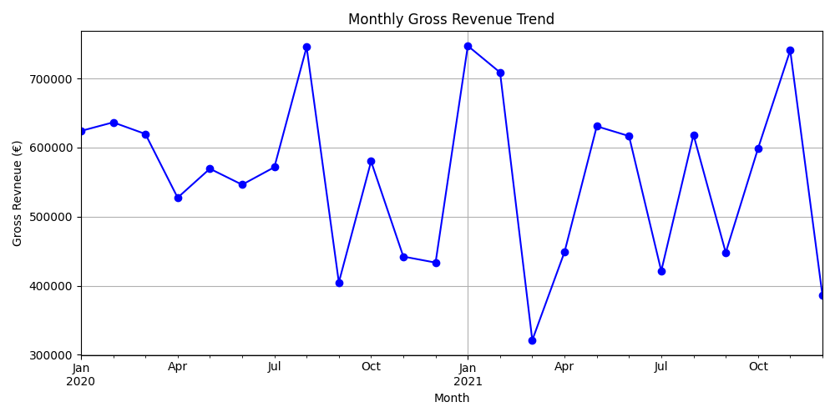
Metric | Value
Gross Revenue | 13386285.5
Refunded Value | 3927300.66
Refunded Rate | 29.34%
Total COGS | 6342210.32
Net Revenue | 9458984.84
Net Profit | 3116774.52
Net Margin | 32.95%

