Test Statistics
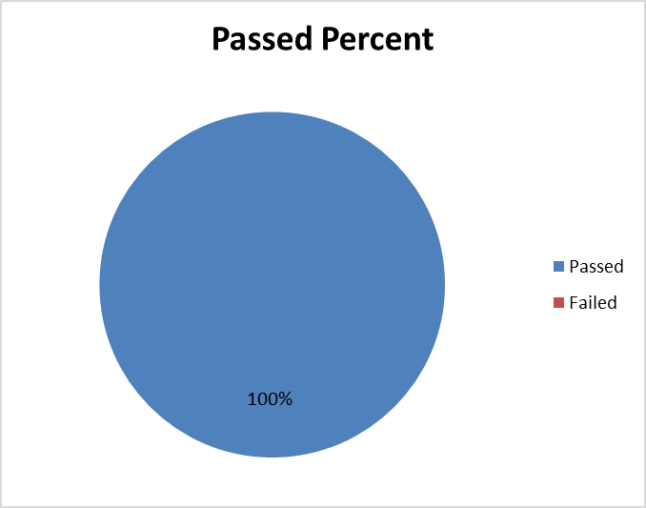
TEST STATISTICS

Project Name | Design and Development of a Warehouse and Sales Management System for Viet Tien Company (DDWSMSVTC) |  | Creator |  | KhanhTN
Project Code | SEP490 |  | Reviewer/Approver |  | KhanhTN
Document Code | SEP490_Integration Test Report_v1.0 |  | Issue Date |  |  | 2026-08-04
Notes | Level 2 — Integration Test, version 1.0. Level 2 — Integration Test. Release covers 11 modules: L2-Infrastructure, L2-OrderPayment, L2-OrderFulfilment, L2-Quotation, L2-Purchasing, L2-InventoryTransfer, L2-AuthFlow, L2-Workflows, L2-AfterSalesReturn, L2-AdminConfigAudit, L2-ScheduledJobs

No | Module code | Passed | Failed | Pending | N/A | Number of test cases
1 | L2-Infrastructure | 3 | 0 | 0 | 0 | 3
2 | L2-OrderPayment | 11 | 0 | 0 | 0 | 11
3 | L2-OrderFulfilment | 8 | 0 | 0 | 0 | 8
4 | L2-Quotation | 6 | 0 | 0 | 0 | 6
5 | L2-Purchasing | 5 | 0 | 0 | 0 | 5
6 | L2-InventoryTransfer | 5 | 0 | 0 | 0 | 5
7 | L2-AuthFlow | 4 | 0 | 0 | 0 | 4
8 | L2-Workflows | 6 | 0 | 0 | 0 | 6
9 | L2-AfterSalesReturn | 7 | 0 | 0 | 0 | 7
10 | L2-AdminConfigAudit | 7 | 0 | 0 | 0 | 7
11 | L2-ScheduledJobs | 15 | 0 | 0 | 0 | 15
 | Sub total | 77 | 0 | 0 | 0 | 77

 | Test coverage |  | 100 | %
 | Test successful coverage |  | 100 | %

