Sheet1
 |  |  | Chameleon | Citeseer | Cora | Texas | Squirrel
aL = aH(with pretrain) |  |  | 0.6386 | 0.7867 | 0.8687 | 0.7012 | 0.4963
aL = aH(no pretrain) |  |  | 0.634 | 0.7835 | 0.8493 | 0.573 | 0.4902 |  |  | check final aL aH

rand aL, aH(with pretrain) |  |  | 0.6134 | 0.7782 | 0.8657 | 0.518 | 0.4866
rand aL, aH(no pretrain) |  |  | 0.5957 | 0.7705 | 0.8275 | 0.5215 | 0.4579

without aL aH(with pretrain) |  |  | 0.6303 | 0.7861 | 0.8675 | 0.6396 | 0.4867 |  | downstream task
without aL aH(no pretrain) |  |  | 0.6249 | 0.7844 | 0.8498 | 0.6417 | 0.473 | aL aH analysis

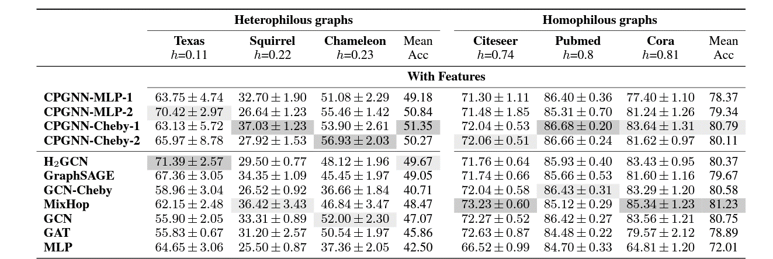

10% data | Squirrel | Chameleon | Cora
FAGCN | 0.34678194044 | 0.49342105263 | 0.808
HLGCN | 0.4867 | 0.6303 | 0.8675

 | Chameleon | Cora | Squirrel

