Question
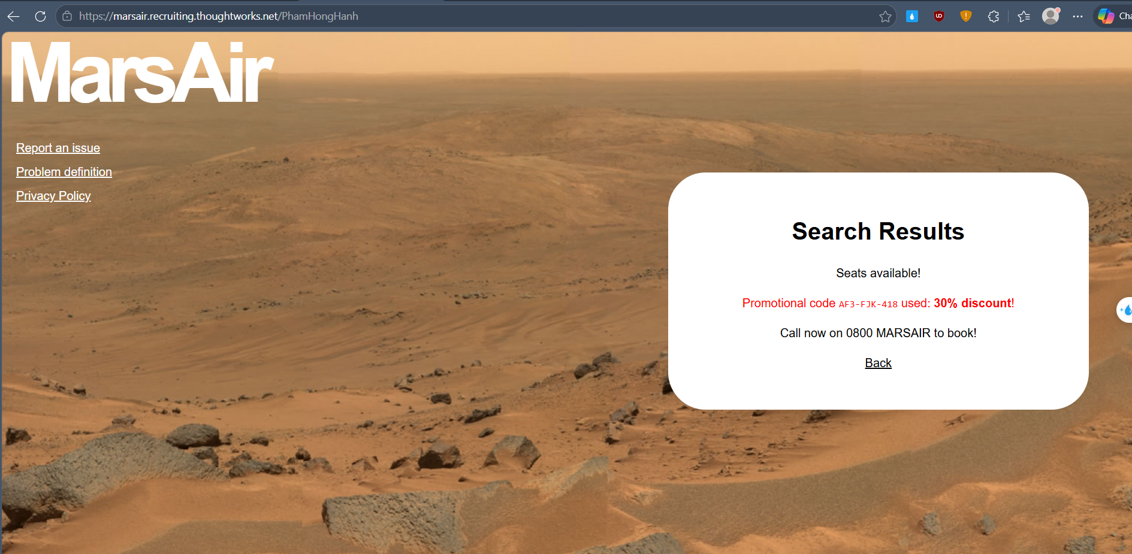
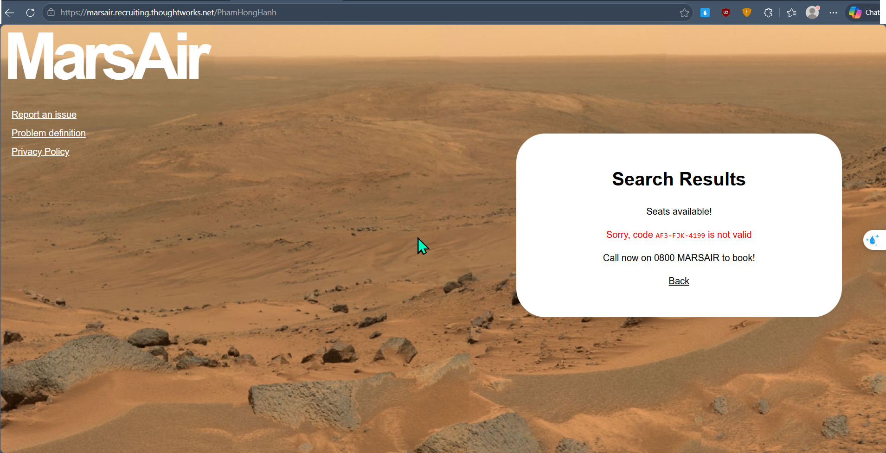
STT | Question | Suggestion | Final Decision | BA | QC | DEV | Note
1 | If search for: 1. Valid departing and returning 2. With a valid or invalid code ==> But there is an available seat for that period. How does the messages display in the search result page? [actual images are attached below] |  |  |  | Hanh Pham
2 | If search for: 1. Valid departing and returning 2. With a valid or invalid code ==> But there is no available seat for that period. Does we show corresponding the “Promotional code [code] used: [discount]% discount!” or “Sorry, code [invalid promo code] is not valid” message in the result page ? Actual: Only show "Sorry, there are no more seats available." |  |  |  | Hanh Pham
3 | If search for: 1. Invalid returning/departing 2. include a valid or invalid code, Does we show the “Promotional code [code] used: [discount]% discount!” or “Sorry, code [invalid promo code] is not valid” message |  |  |  | Hanh Pham
4 | Should we have the validation conditions for departing, returning and code when searching? Does we require conditions before clicking search button? | In my point of view, we should validate these fields on the UI side to reduce system processing and streamline the overall flow. |  |  | Hanh Pham
5 | How does the "Book a ticket to the red planet now!" displayed? Does the sentence show in the search result page |  |  |  | Hanh Pham

 | Question 2:

