Model
 | Order Quantity Modelling

 |  | Internal | Warehouse | Total
 | Capacity | 2000 | 10000 | 12000

 | Other Costs
 | Warehouse ₹/day | 12000 |  | Selling Price & Demand
 | Other Cost Components | 6000 |  | Price | 7600
 |  |  |  | Demand | 1552

 |  |  |  | Set these threshold as you wish to
 | Line 1 | y = - 0.0050x + 1450 |  | Thresholds
 | Line 2 | y = - 0.0117x + 1483 |  | Per Day Demand | 1800
 | Line 3 | y = - 0.0267x + 1783 |  | Profit Margin | 2%
 |  |  |  | Competition price | ₹7,799
 |  |  |  | Warehouse Utilisation | 100%

 |  |  |  | Below parameters are calculated basis the testing SP
 |  |  |  | Real Values
 |  |  |  | Total Revenue | 11795200
 |  |  |  | Panel Cost/Unit | 1442.24
 |  |  |  | Total Cost/Unit | 7442.24
 |  |  |  | Tiotal Cost for quantity ordered | 11550356.48
 |  |  |  | Profit Margin | 2%
 |  |  |  | Warehouse Utilisation | 0%
 |  |  |  | Agreeable SP | Not a good SP

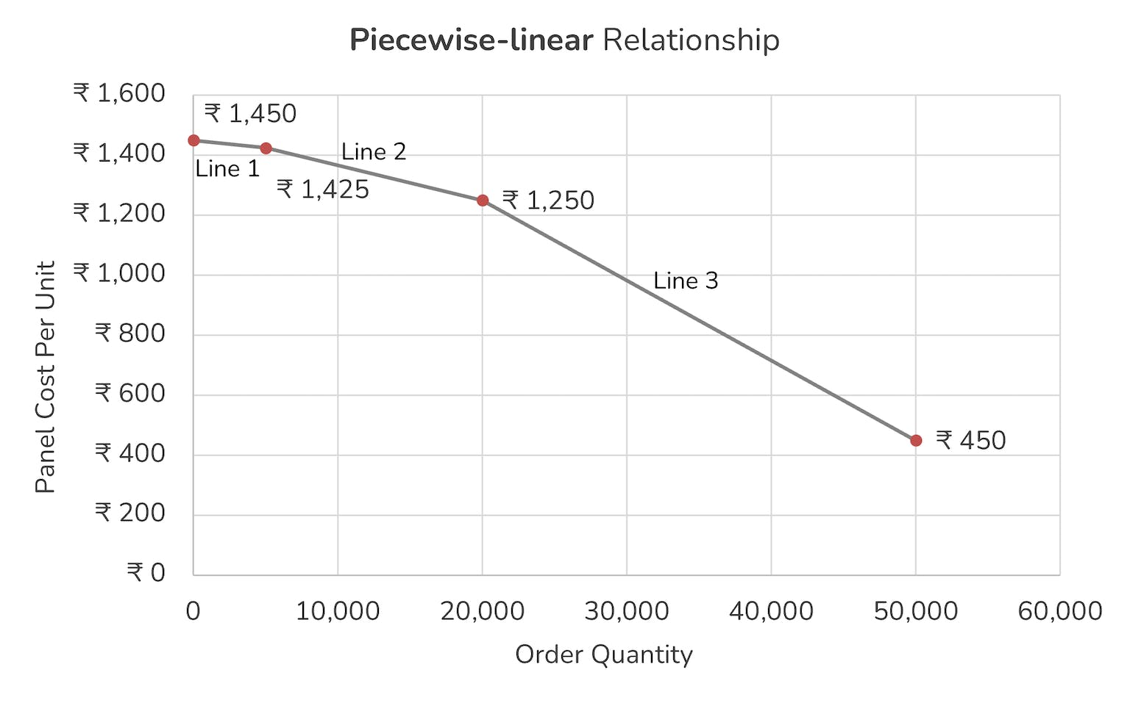
Line that this order quantity lies in | Order Quantity | Panel Cost/Unit | Total Cost/Unit | Warehouse Storage Days | Total Cost | % of warehouse utilisation | Total Revenue | Profit | Profit Margin | Break even
Anything less than <=5000 is Line 1 as per graph shown | 500 | ₹1,448 | ₹7,448 | 0 | ₹ 3,723,750 | 0% | ₹ 3,800,000 | ₹ 76,250 | 2% | Not
 | 1,000 | ₹1,445 | ₹7,445 | 0 | ₹ 7,445,000 | 0% | ₹ 7,600,000 | ₹ 155,000 | 2% | Not
 | 1,500 | ₹1,443 | ₹7,443 | 0 | ₹ 11,163,750 | 0% | ₹ 11,400,000 | ₹ 236,250 | 2% | Not
 | 2,000 | ₹1,440 | ₹7,440 | 0 | ₹ 14,880,000 | 0% | ₹ 15,200,000 | ₹ 320,000 | 2% | Not
 | 2,500 | ₹1,438 | ₹7,438 | 1 | ₹ 18,605,750 | 5% | ₹ 19,000,000 | ₹ 394,250 | 2% | Not
 | 3,000 | ₹1,435 | ₹7,435 | 1 | ₹ 22,317,000 | 10% | ₹ 22,800,000 | ₹ 483,000 | 2% | Not
 | 3,500 | ₹1,433 | ₹7,433 | 1 | ₹ 26,025,750 | 15% | ₹ 26,600,000 | ₹ 574,250 | 2% | Not
 | 4,000 | ₹1,430 | ₹7,430 | 2 | ₹ 29,744,000 | 20% | ₹ 30,400,000 | ₹ 656,000 | 2% | Not
 | 4,500 | ₹1,428 | ₹7,428 | 2 | ₹ 33,447,750 | 25% | ₹ 34,200,000 | ₹ 752,250 | 2% | Not
 | 5,000 | ₹1,425 | ₹7,425 | 2 | ₹ 37,149,000 | 30% | ₹ 38,000,000 | ₹ 851,000 | 2% | Not
Anything between 5k to 20k is Line 2 as per graph shown | 5,500 | ₹1,419 | ₹7,419 | 2 | ₹ 40,826,575 | 35% | ₹ 41,800,000 | ₹ 973,425 | 2% | Not
 | 6,000 | ₹1,413 | ₹7,413 | 3 | ₹ 44,512,800 | 40% | ₹ 45,600,000 | ₹ 1,087,200 | 2% | Not
 | 6,500 | ₹1,407 | ₹7,407 | 3 | ₹ 48,181,175 | 45% | ₹ 49,400,000 | ₹ 1,218,825 | 2% | Not
 | 7,000 | ₹1,401 | ₹7,401 | 3 | ₹ 51,843,700 | 50% | ₹ 53,200,000 | ₹ 1,356,300 | 3% | Not
 | 7,500 | ₹1,395 | ₹7,395 | 4 | ₹ 55,512,375 | 55% | ₹ 57,000,000 | ₹ 1,487,625 | 3% | Not | Line 1 | y = - 0.0050x + 1450
 | 8,000 | ₹1,389 | ₹7,389 | 4 | ₹ 59,163,200 | 60% | ₹ 60,800,000 | ₹ 1,636,800 | 3% | Not | Line 2 | y = - 0.0117x + 1483
 | 8,500 | ₹1,384 | ₹7,384 | 4 | ₹ 62,808,175 | 65% | ₹ 64,600,000 | ₹ 1,791,825 | 3% | Not | Line 3 | y = - 0.0267x + 1783
 | 9,000 | ₹1,378 | ₹7,378 | 4 | ₹ 66,447,300 | 70% | ₹ 68,400,000 | ₹ 1,952,700 | 3% | Not
 | 9,500 | ₹1,372 | ₹7,372 | 5 | ₹ 70,092,575 | 75% | ₹ 72,200,000 | ₹ 2,107,425 | 3% | Not
 | 10,000 | ₹1,366 | ₹7,366 | 5 | ₹ 73,720,000 | 80% | ₹ 76,000,000 | ₹ 2,280,000 | 3% | Not
 | 10,500 | ₹1,360 | ₹7,360 | 5 | ₹ 77,341,575 | 85% | ₹ 79,800,000 | ₹ 2,458,425 | 3% | Not
 | 11,000 | ₹1,354 | ₹7,354 | 5 | ₹ 80,957,300 | 90% | ₹ 83,600,000 | ₹ 2,642,700 | 3% | Not
 | 11,500 | ₹1,348 | ₹7,348 | 6 | ₹ 84,579,175 | 95% | ₹ 87,400,000 | ₹ 2,820,825 | 3% | Not
 | 12,000 | ₹1,343 | ₹7,343 | 6 | ₹ 88,183,200 | 100% | ₹ 91,200,000 | ₹ 3,016,800 | 3% | Not

