pop
INs Ratios
1. Xu_2010_Immunochemical Characterization of Inhibitory MouseCortical Neurons Three Chemically Distinct Classes ofInhibitory Cells
Density (cells/mm2) |  | GABA | PV | SOM | VIP | Ratio (%) | PV | SOM | VIP | sum
L23 |  | 674.3 | 179.5 | 67.1 | 87.6 | L23 | 0.266 | 0.100 | 0.130 | 0.496
L4 |  | 680.8 | 295.8 | 115.2 | 19.7 | L4 | 0.434 | 0.169 | 0.029 | 0.633
L5 |  | 607.9 | 342.1 | 120.8 | 21.4 | L5 | 0.563 | 0.199 | 0.035 | 0.797
L6 |  | 355.1 | 138.1 | 85.1 | 28.5 | L6 | 0.389 | 0.240 | 0.080 | 0.709
2. Lee, Rudy_2010_The Largest Group of Superficial Neocortical GABAergic Interneurons Expresses Ionotropic Serotonin Receptors
 |  |  |  |  |  | Ratio (%) | PV | SOM | VIP | sum
 |  |  |  |  |  | L23 | 0.253 | 0.20554854981 | 0.20173266989 | 0.661
 |  |  |  |  |  | L4 | 0.565 | 0.31651954603 | 0.050542312928 | 0.932
 |  |  |  |  |  | L5 | 0.468 | 0.45397225725 | 0.03048822959 | 0.952
 |  |  |  |  |  | L6 | 0.366 | 0.43883984868 | 0.030058817906 | 0.835

Rat column dimensions
Meyer_2011_Inhibitory interneurons in a cortical column form hot zones of inhibition in layers 2 and 5A
Cell number estimation (ratio by Xu) |  |  |  |  |  | (round-up for 8 clusters)
 | PC | GABA | PV, etc. | SOM | VIP | PC | GABA | PV, etc. | SOM | VIP
L23 | 5099 | 676 | 521 | 67 | 88 | 5096 | 680 | 520 | 64 | 88
L4 | 4089 | 358 | 287 | 61 | 10 | 4088 | 360 | 288 | 64 | 8
L5 | 3267 | 705 | 540 | 140 | 25 | 3264 | 704 | 544 | 144 | 24
L6 | 4425 | 427 | 290 | 102 | 34 | 4424 | 424 | 288 | 104 | 32
(ratio by Lee, Rudy)
 | PC | GABA | PV, etc. | SOM | VIP | PC | GABA | PV, etc. | SOM | VIP
L23 | 5099 | 676 | 401 | 139 | 136 | 5096 | 680 | 400 | 136 | 136
L4 | 4089 | 358 | 227 | 113 | 18 | 4088 | 360 | 224 | 112 | 16
L5 | 3267 | 705 | 363 | 320 | 21 | 3264 | 704 | 360 | 320 | 24
L6 | 4425 | 427 | 227 | 187 | 13 | 4424 | 424 | 224 | 184 | 16
sum | 16880 | 2166
E/I ratio | 7.7931671283

Mouse column dimensions
The excitatory neuronal network of the C2 barrel column in mouse primary somatosensory cortex.
Cell number estimation (ratio by Lee, Rudy) |  |  |  |  |  | (round-up for 8 clusters)
 | PC | GABA | PV, etc. | SOM | VIP | PC | GABA | PV, etc. | SOM | VIP
L2/3 | 1691 | 230 | 88 | 72 | 70 | 1688 | 232 | 88 | 72 | 72
L4 | 1656 | 140 | 85 | 48 | 8 | 1656 | 144 | 88 | 48 | 8
L5 | 1095 | 221 | 109 | 105 | 7 | 1096 | 224 | 112 | 104 | 8
L6 | 1288 | 127 | 56 | 67 | 5 | 1288 | 128 | 56 | 64 | 8
sum | 5730 | 718
E/I ratio | 7.9805013928

layer thickness |  | add up
L2/3 | 290 | 1026
L4 | 170 | 736
L5 | 302 | 566
L6 | 264 | 264

Interneuron ratios (Xu, 2010)

Interneuron ratios (Lee, Rudy, 2010)

cnn
 |  | L2/3 |  |  |  | L4 |  |  | L5 |  |  | L6
 |  | PC | PV | SOM | VIP | PC | PV | SOM | PC | PV | SOM | PC | PV | SOM | item | article | note
L2/3 | PC | (i) 88/950 , 10/183, 22/182, 96/513 | (b) 43% | (j) 35/56 | (n) 3/58 | (i) 25/208, 25/172 | (f) 6/12 |  | (i) 9/209, 2/89, 1/104, 3/167 | (*a) 7/69 | (a) 21/100 | (i) 0/50, 0/64 |  |  | a | Principles of connectivity among morphologically defined cell types in adult neocortex | V1, intra=141, inter=150
 | PV | (c) 23/45 | (a) 168/359 (n) 17/44 | (j) 9/31 (n) 4/36 | (n) 2/30 | (f) 1/10 |  |  | (a) 5/173 | (a) 24/110 | (a) 31/123 |  |  |  | b | Dense, Unspecific Connectivity of Neocortical Parvalbumin-Positive Interneurons: A Canonical Microcircuit for Inhibition | S1 or Frontal, 141 (200/sqrt(2))
 | SOM | (c) 18/59 | (a) 16/88 (*g) 12/21 (n) 11/38 | (n) 0/32 | (*g) 11/31 (n) 18/45 (h) 10/19 (?) |  |  |  |  | (a) 1/40 |  |  |  |  | c | In Vivo Measurement of Cell-Type-Specific Synaptic Connectivity and Synaptic Transmission in Layer 2/3 Mouse Barrel Cortex | S1, 88 (125/sqrt(2))
 | VIP | (n) 5/28 | (n) 7/28 | (n) 27/48 | (n) 6/79 |  |  |  |  |  |  |  |  |  | d | Barrel Cortex Microcircuits: Thalamocortical Feedforward Inhibition in Spiny Stellate Cells Is Mediated by a Small Number of Fast-Spiking Interneurons | S1
L4 | PC | (i) 2/208, 4/170 |  |  |  | (i*) 254/1046 (m)3/122 | (*k) 0.63 | (j) 31/89 (k*) 0.38 (m) 17/64 | (i) 2/275, 1/137 |  |  | (i) 0/94 |  |  | e | Hu_2011_Submillisecond Firing Synchrony between Different Subtypes of Cortical Interneurons Connected Chemically But Not Electrically | S1, 81 (115/sqrt(2))
 | PV | (f) 1/12 |  |  |  |  | (e)(13x,14->,17<->)/44 (k*)0.48 | (j) 37/60 (e)10/30 (k*) 0.56 |  |  |  |  |  |  | f | Synaptic Connections and Small Circuits Involving Excitatory and Inhibitory Neurons in Layers 2–5 of Adult Rat and Cat Neocortex: Triple Intracellular Recordings and Biocytin Labelling In Vitro
 | SOM |  |  |  |  | (j) 12/30 (m*) 8/64 | (e) 5/30 (k*) 0.61 | (m) 2/52 |  |  |  |  |  |  | g | Parvalbumin- and vasoactive intestinal polypeptide-expressing neocortical interneurons impose differential inhibition on Martinotti cells | 141 (200/sqrt(2))
L5 | PC | (i) 20/211, 9/108, 5/87, 20/164 | (a) 11/185 | (a) 6/74 |  | (i) 32/276, 11/136 |  |  | (i) 178/934,14/175,3/174,40/555 | (*a) 33/132 (b) 67% | (*a) 24/114 | (i) 1/160, 2/100 |  |  | h | Opening Holes in the Blanket of Inhibition: Localized Lateral Disinhibition by VIP Interneurons | S1 or V1
 | PV | (a) 5/63 | (a) 15/110 | (a) 2/40 |  |  |  |  | (a) 13/115 | (a) 32/67 | (a) 26/75 |  |  |  | i | The Excitatory Neuronal Network of the C2 Barrel Column in Mouse Primary Somatosensory Cortex | S1
 | SOM | (a) 10/89 | (a) 1/123 |  |  |  |  |  | (a) 8/102 | (a) 12/76 |  |  |  |  | j | Neocortical Somatostatin-Expressing GABAergic Interneurons Disinhibit the Thalamorecipient Layer 4
L6 | PC | (i) 0/50 |  |  |  | (i) 3/93 |  |  | (i) 5/158, 7/100 |  |  | (i) 15/532 |  |  | k | Short-Term Plasticity of Unitary Inhibitory-to-Inhibitory Synapses Depends on the Presynaptic Interneuron Subtype
 | PV |  |  |  |  |  |  |  |  |  |  |  |  |  | l | Diversity and connectivity of layer 5 somatostatin-expressing interneurons in the mouse barrel cortex | (subtypes, need checking)
 | SOM |  |  |  |  |  |  |  |  |  |  |  |  |  | m | Layer 4 of mouse neocortex differs in cell types and circuit organization between sensory areas | S1
May-20 |  |  |  |  |  |  |  |  |  |  |  |  |  |  | n | Cooperative Subnetworks of Molecularly Similar Interneurons in Mouse Neocortex
 | L2/3 E | L2/3 PV | L2/3 SOM | L2/3 VIP
E | 11.82% | 51.00% | 31.00%
PV | 43.00% | 46.80% | 57.14%
SOM | 62.50% | 29.03% | 3.57%
VIP |  |  | 35.48%
 |  | L2/3 |  |  |  | L4 |  |  | L5 |  |  | L6
 |  | E | PV | SOM | VIP | E | PV | SOM | E | PV | SOM | E | PV | SOM
L2/3 | E | 11.82% | 43.00% | 62.50% |  | 13.16% |  |  | 2.64% | 10.14% | 21.00% | 0.00%
 | PV | 51.00% | 46.80% | 29.03% |  |  |  |  | 2.89% | 21.82% | 25.20%
 | SOM | 31.00% | 57.14% | 3.57% | 35.48% |  |  |  |  | 2.50%
 | VIP
L4 | E | 1.59% |  |  |  | 24.28% | 63.00% | 38.00% | 0.73% |  |  | 0.00%
 | PV |  |  |  |  | 12.90% | 48.00% | 56.00%
 | SOM |  |  |  |  | 12.50% | 61.00% | 3.85%
L5 | E | 9.47% | 5.95% | 8.11% |  | 10.44% |  |  | 12.79% | 25.00% | 21.05% | 1.15%
 | PV | 7.94% | 13.64% | 5.00% |  |  |  |  | 11.30% | 47.76% | 34.67%
 | SOM | 11.24% | 0.81% |  |  |  |  |  | 7.84% | 15.79% | 4.98%
L6 | E | 0.00% |  |  |  | 3.23% |  |  | 4.65% |  |  | 2.82% | 43.67% | 40.52%
 | PV |  |  |  |  |  |  |  |  |  |  | 25.07% | 47.52% | 39.90%
 | SOM |  |  |  |  |  |  |  |  |  |  | 17.11% | 44.64% | 4.13%
grey: not S1 | blue: Allen Institute data | green: estimate

 | L2/3 E | L2/3 PV | L2/3 SOM | L2/3 VIP | L4 E | L4 PV | L4 SOM | L5 E | L5 PV | L5 SOM | L6 E | L6 PV
E | 11.82% | 51.00% | 31.00% |  | 1.59% |  |  | 9.47% | 7.94% | 11.24% | 0.00%
PV | 43.00% | 46.80% | 57.14% |  |  |  |  | 5.95% | 13.64% | 0.81%
SOM | 62.50% | 29.03% | 3.57% |  |  |  |  | 8.11% | 5.00%
VIP |  |  | 35.48%
E | 13.16% |  |  |  | 24.28% | 12.90% | 12.50% | 10.44% |  |  | 3.23%
PV |  |  |  |  | 63.00% | 48.00% | 61.00%
SOM |  |  |  |  | 38.00% | 56.00% | 3.85%
E | 2.64% | 2.89% |  |  | 0.73% |  |  | 12.79% | 11.30% | 7.84% | 4.65%
PV | 10.14% | 21.82% | 2.50% |  |  |  |  | 25.00% | 47.76% | 15.79%
SOM | 21.00% | 25.20% |  |  |  |  |  | 21.05% | 34.67% | 4.98%
E | 0.00% |  |  |  | 0.00% |  |  | 1.15% |  |  | 2.82% | 25.07%
PV |  |  |  |  |  |  |  |  |  |  | 43.67% | 47.52%
SOM |  |  |  |  |  |  |  |  |  |  | 40.52% | 39.90%
2020-06-05 | (layer crossed)
 |  | L2/3 |  |  |  | L4 |  |  | L5 |  |  | L6
 |  | E | PV | SOM | VIP | E | PV | SOM | E | PV | SOM | E | PV | SOM
L2/3 | E | 11.82% | 63.00% | 62.50% |  | 13.16% |  |  | 2.64% | 10.14% | 21.00%
 | PV | 51.00% | 48.00% | 29.03% |  |  |  |  | 2.89% | 21.82% | 25.20%
 | SOM | 31.00% | 61.00% | 3.85% | 35.48% |  |  |  |  | 2.50%
 | VIP
L4 | E | 1.59% |  |  |  | 24.28% | 63.00% | 38.00% | 0.73%
 | PV |  |  |  |  | 12.90% | 48.00% | 56.00%
 | SOM |  |  |  |  | 12.50% | 61.00% | 3.85%
L5 | E | 9.47% | 5.95% | 8.11% |  | 10.44% |  |  | 12.79% | 63.00% | 62.50% | 1.15%
 | PV | 7.94% | 13.64% | 5.00% |  |  |  |  | 51.00% | 48.00% | 29.03%
 | SOM | 11.24% | 0.81% |  |  |  |  |  | 31.00% | 61.00% | 3.85%
L6 | E |  |  |  |  | 3.23% |  |  | 4.65% |  |  | 2.82% | 63.00% | 62.50%
 | PV |  |  |  |  |  |  |  |  |  |  | 51.00% | 48.00% | 29.03%
 | SOM |  |  |  |  |  |  |  |  |  |  | 31.00% | 61.00% | 3.85%

2020-06-06 | (layer crossed++)
 |  | L2/3 |  |  |  | L4 |  |  | L5 |  |  | L6
 |  | E | PV | SOM | VIP | E | PV | SOM | E | PV | SOM | E | PV | SOM
L2/3 | E | 11.82% | 63.00% | 62.50% |  | 13.16% |  |  | 2.64%
 | PV | 51.00% | 48.00% | 29.03%
 | SOM | 31.00% | 61.00% | 3.85% | 35.48%
 | VIP
L4 | E | 1.59% |  |  |  | 24.28% | 63.00% | 38.00% | 0.73%
 | PV |  |  |  |  | 51.00% | 48.00% | 56.00%
 | SOM |  |  |  |  | 31.00% | 61.00% | 3.85%
L5 | E | 9.47% |  |  |  | 10.44% |  |  | 12.79% | 63.00% | 62.50% | 1.15%
 | PV |  |  |  |  |  |  |  | 51.00% | 48.00% | 29.03%
 | SOM |  |  |  |  |  |  |  | 31.00% | 61.00% | 3.85%
L6 | E |  |  |  |  | 3.23% |  |  | 4.65% |  |  | 2.82% | 63.00% | 62.50%
 | PV |  |  |  |  |  |  |  |  |  |  | 51.00% | 48.00% | 29.03%
 | SOM |  |  |  |  |  |  |  |  |  |  | 31.00% | 61.00% | 3.85%

2020-07-09 | (pooled)
 |  | L2/3 |  |  |  | L4 |  |  | L5 |  |  | L6
 |  | PC | PV | SOM | VIP | PC | PV | SOM | PC | PV | SOM | PC | PV | SOM
L2/3 | PC | 11.82% | 63.00% | 62.50% |  | 13.16% |  |  | 2.64%
 | PV | 51.11% | 48.00% | 29.03%
 | SOM | 30.51% | 57.14% | 3.85% | 35.48%
 | VIP
L4 | PC | 1.59% |  |  |  | 24.28% | 63.00% | 34.69% | 0.73%
 | PV |  |  |  |  | 51.11% | 48.00% | 54.11%
 | SOM |  |  |  |  | 21.28% | 61.00% | 3.85%
L5 | PC | 9.47% |  |  |  | 10.44% |  |  | 12.79% | 63.00% | 48.59% | 1.15%
 | PV |  |  |  |  |  |  |  | 51.11% | 48.00% | 41.57%
 | SOM |  |  |  |  |  |  |  | 25.89% | 59.07% | 3.85%
L6 | PC |  |  |  |  | 3.23% |  |  | 4.65% |  |  | 2.82% | 63.00% | 48.59%
 | PV |  |  |  |  |  |  |  |  |  |  | 51.11% | 48.00% | 41.57%
 | SOM |  |  |  |  |  |  |  |  |  |  | 25.89% | 59.07% | 3.85%

2020-07-15 | (VIP renewed)
 |  | L2/3 |  |  |  | L4 |  |  | L5 |  |  | L6
 |  | PC | PV | SOM | VIP | PC | PV | SOM | PC | PV | SOM | PC | PV | SOM
L2/3 | PC | 11.82% | 63.00% | 62.50% | 5.17% | 13.16% |  |  | 2.64%
 | PV | 51.11% | 38.64% | 19.40% | 6.67%
 | SOM | 30.51% | 38.98% | 0.00% | 38.16%
 | VIP | 17.86% | 25.00% | 56.25% | 7.59%
L4 | PC | 1.59% |  |  |  | 24.28% | 63.00% | 38.00% | 0.73%
 | PV |  |  |  |  | 51.11% | 48.00% | 56.00%
 | SOM |  |  |  |  | 21.28% | 61.00% | 3.85%
L5 | PC | 9.47% |  |  |  | 10.44% |  |  | 12.79% | 63.00% | 50.25% | 1.15%
 | PV |  |  |  |  |  |  |  | 51.11% | 43.32% | 37.70%
 | SOM |  |  |  |  |  |  |  | 25.89% | 49.99% | 1.92%
L6 | PC |  |  |  |  | 3.23% |  |  | 4.65% |  |  | 2.82% | 63.00% | 50.25%
 | PV |  |  |  |  |  |  |  |  |  |  | 51.11% | 43.32% | 37.70%
 | SOM |  |  |  |  |  |  |  |  |  |  | 25.89% | 49.99% | 1.92%

fr+epsp
(awake) Svoboda, 2019
Cells | Non-whisking | SD | n | SE | low | high | Whisking | SD | simulation | SE | RMSE
L23 E | 2.7 | 3.7 | 5 | 1.65 | 0.00 | 6.40 | 2.5 | 3.9 | 0.743 | 3.829849 | 5.629393491
L23 FS | 13.8 | 8.9 | 8 | 3.15 | 4.90 | 22.70 | 14.4 | 11.9 | 8.152 | 31.899904
L23 SOM | 2.6 | 3.6 | 9 | 1.20 | 0.00 | 6.20 | 1.3 | 1.7 | 1.283 | 1.734489
VIP | 14.6 | 7.3 | 9 | 2.43 | 7.30 | 21.90 | 23 | 13.2 | 4.603 | 99.940009
L4 E | 0.5 | 0.8 | 95 | 0.08 | 0.00 | 1.30 | 0.7 | 1.2 | 1.271 | 0.594441
L4 FS | 10.2 | 7.2 | 43 | 1.10 | 3.00 | 17.40 | 21.3 | 14.6 | 17.561 | 54.184321
L4 SOM | 2.6 | 3.2 | 27 | 0.62 | 0.00 | 5.80 | 3 | 3.4 | 3.057 | 0.208849
L5a E | 6.8 | 5.2 | 23 | 1.08 | 1.60 | 12.00 | 7.7 | 6.2 | 0.788 | 36.144144
L5a FS | 7.5 | 5.2 | 7 | 1.97 | 2.30 | 12.70 | 20.6 | 32.7 | 8.332 | 0.692224
L5a SOM | 2.8 | 4.5 | 18 | 1.06 | 0.00 | 7.30 | 2.8 | 5.4 | 2.464 | 0.112896
L5b/6 E | 6.1 | 6.9 | 30 | 1.26 | 0.00 | 13.00 | 7.8 | 10.6 | 2.962 | 9.847044
L5b/6 FS | 16.9 | 14.3 | 15 | 3.69 | 2.60 | 31.20 | 24.3 | 11.7 | 27.155 | 105.165025
L5b/6 SOM | 3.9 | 4.9 | 26 | 0.96 | 0.00 | 8.80 | 6.1 | 7.5 | 12.123 | 67.617729

Cells | Fmax | fr | m.p. (mV)
(awake quiet) Unique functional properties of somatostatin-expressing GABAergic neurons in mouse barrel cortex
L23 SOM | 109 ± 9 | 6.3 ± 0.6 | −47.2 ± 0.6
L23 FS | 159 ± 11 | 9.4 ± 2.1 | −54.8 ± 1.9
L23 NFS | 65 ± 4 | 3.7 ± 0.7 | −54.1 ± 0.7
L23 Excitatory | 28 ± 3 | 0.4 ± 0.1 | −61.8 ± 0.8
(awake quiet) Spiking in primary somatosensory cortex during natural whisking in awake head-restrained rats is cell-type specific
L2/3 |  | 0.31
L4 |  | 1.93
L5 slender |  | 1.62
L5 thick |  | 4.12
L6 |  | 0.52

Lefort et al., 2009, The Excitatory Neuronal Network of the C2 Barrel Column in Mouse Primary Somatosensory Cortex | grey: estimated
uEPSP mean
 | L2/3 | L4 | L5 | L6
L2/3 | 0.7001 | 0.7800 | 0.4673 | 0.3783
L4 | 0.3433 | 0.9500 | 0.3767 | 0.3783
L5 | 0.7006 | 0.6270 | 0.6763 | 0.2267 | average:
L6 | 0.5813 | 2.2700 | 0.4025 | 0.5300 | 0.6962

uEPSP std |  |  |  |  |  | sd ratios
 | L2/3 | L4 | L5 | L6 |  | L2/3 | L4 | L5 | L6
L2/3 | 0.63 | 0.97 | 0.35 | 0.00 |  | 0.8958 | 1.2372 | 0.7581 | 1.3884
L4 | 0.18 | 1.27 | 0.00 | 0.00 |  | 0.5243 | 1.3421 | 0.9566 | 1.3884
L5 | 0.74 | 0.60 | 0.84 | 0.00 | average: | 1.0520 | 0.9618 | 1.2379 | 1.3884
L6 | 0.00 | 2.98 | 0.35 | 0.74 | 0.87684118371 | 0.8240 | 1.3124 | 0.8739 | 1.3884

raw data
mean | L2 | L3 | L4 | L5a | L5b | L6
L2 | 0.64 | 0.71 | 0.98 | 0.52 | 0.21 | 0
L3 | 0.44 | 0.78 | 0.58 | 0.67 | 0.26 | 0
L4 | 0.31 | 0.36 | 0.95 | 0.48 | 0.17 | 0
L5a | 0.55 | 0.93 | 0.54 | 0.66 | 0.24 | 0.08
L5b | 0.22 | 1.01 | 0.88 | 0.88 | 0.71 | 0.3
L6 | 0 | 0 | 2.27 | 0.28 | 0.49 | 0.53

std^2 | L2 | L3 | L4 | L5a | L5b | L6 |  | SEM
L2 | 0.3168 | 0.495 | 1.44 | 0.1521 | 0 | 0 |  | 0.06 | 0.15 | 0.24 | 0.13 | 0 | 0
L3 | 0.081 | 0.4704 | 0.4225 | 0 | 0.0192 | 0 |  | 0.09 | 0.07 | 0.13 | 0 | 0.08 | 0
L4 | 0 | 0.0324 | 1.6256 | 0 | 0 | 0 |  | 0 | 0.09 | 0.08 | 0 | 0 | 0
L5a | 0.2 | 0.338 | 0.2592 | 0.6408 | 0.0243 | 0 |  | 0.1 | 0.26 | 0.09 | 0.06 | 0.09 | 0
L5b | 0.0144 | 1.152 | 0.6875 | 1.8144 | 1.444 | 0 |  | 0.04 | 0.24 | 0.25 | 0.36 | 0.19 | 0
L6 | 0 | 0 | 8.8752 | 0.0405 | 0.1792 | 0.5415 |  | 0 | 0 | 1.72 | 0.09 | 0.16 | 0.19

sample n | L2 | L3 | L4 | L5a | L5b | L6
L2 | 88 | 22 | 25 | 9 | 1 | 0
L3 | 10 | 96 | 25 | 2 | 3 | 0
L4 | 2 | 4 | 254 | 2 | 1 | 0
L5a | 20 | 5 | 32 | 178 | 3 | 1
L5b | 9 | 20 | 11 | 14 | 40 | 2 | average EPSP
L6 | 0 | 0 | 3 | 5 | 7 | 15 | 0.7543

n-1 | L2 | L3 | L4 | L5a | L5b | L6
L2 | 87 | 21 | 24 | 8 | 0 | -1
L3 | 9 | 95 | 24 | 1 | 2 | -1
L4 | 1 | 3 | 253 | 1 | 0 | -1
L5a | 19 | 4 | 31 | 177 | 2 | 0
L5b | 8 | 19 | 10 | 13 | 39 | 1 | pooled s.d. | relative:
L6 | -1 | -1 | 2 | 4 | 6 | 14 | 0.9583 | 1.2704

TC
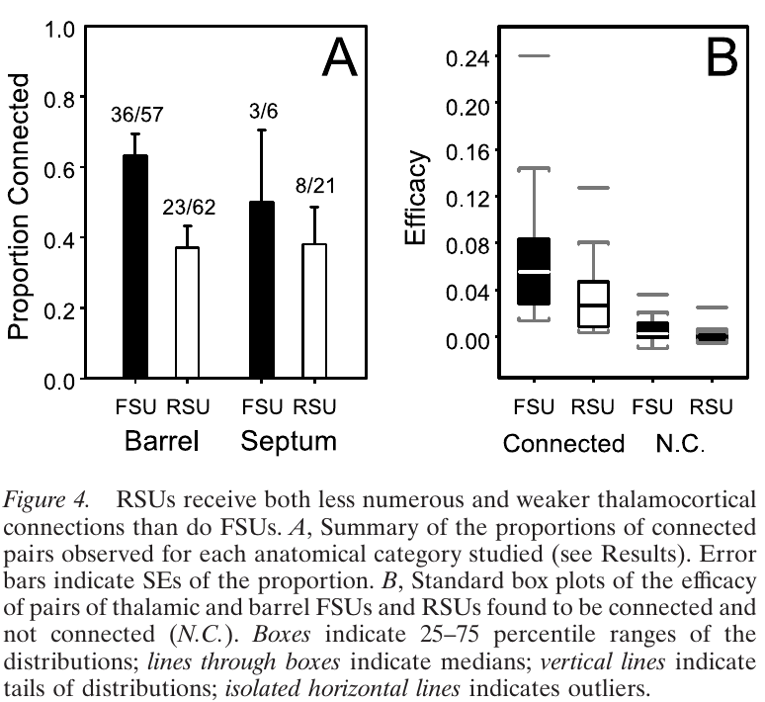
Connection probability
to L4 Exc. | to L4 Inh.
0.371 | 0.632
https://www.jneurosci.org/content/22/24/10966.short

Synapse (bouton) number distribution
 | syn. n/cell | relative | Exc. conn. prob. estimate | Inh.
L2/3 | 41.667 | 0.156 | 0.058 | 0.098
L4 | 267.769 | 1.000 | 0.371 | 0.632
L5 | 183.526 | 0.685 | 0.254 | 0.433
L6 | 135.581 | 0.506 | 0.188 | 0.320
https://academic.oup.com/cercor/article/22/10/2375/289513

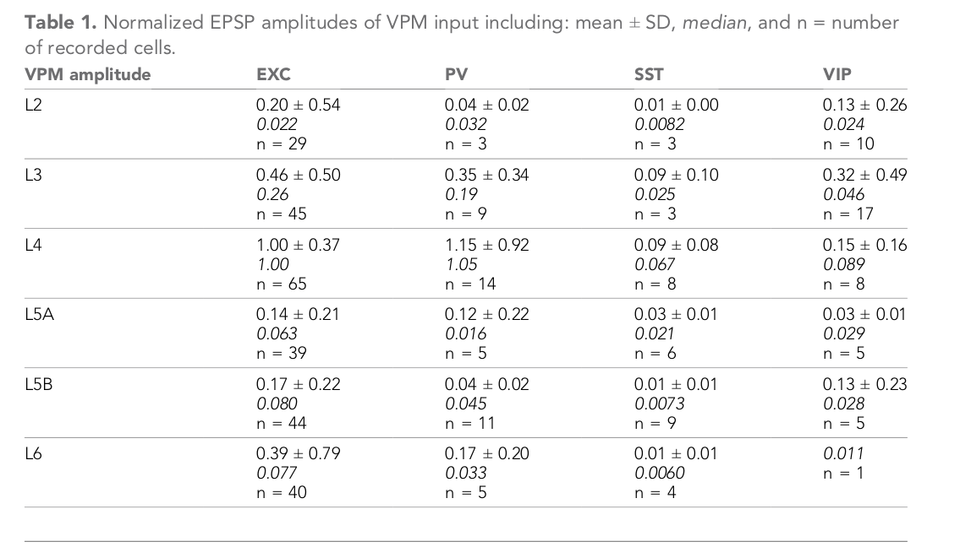
uPSP estimation
 | PSP/cell | syn. n/cell | PSP/syn | uPSP estimate
L2/3 Exc | 0.358 | 41.667 | 0.009 | 1.128
L4 Exc | 1.000 | 267.769 | 0.004 | 0.490
L5 Exc | 0.156 | 183.526 | 0.001 | 0.111
L6 Exc | 0.390 | 135.581 | 0.003 | 0.377
L2/3 PV | 0.273 | 41.667 | 0.007 | 0.746
L4 PV | 1.150 | 267.769 | 0.004 | 0.490
L5 PV | 0.065 | 183.526 | 0.000 | 0.040
L6 PV | 0.170 | 135.581 | 0.001 | 0.143
https://elifesciences.org/articles/52665

 | relative | Exc. conn.
L2/3 Exc | 0.156 | 0.062
L4 Exc | 1.000 | 0.400 | (fig. 2G)
L5 Exc | 0.685 | 0.259
L6 Exc | 0.506 | 0.091
http://www.sciencemag.org/cgi/pmidlookup?view=long&pmid=23812718

