pop
INs Ratios
1. Xu_2010_Immunochemical Characterization of Inhibitory MouseCortical Neurons Three Chemically Distinct Classes ofInhibitory Cells
Density (cells/mm2) |  | GABA | PV | SOM | VIP | Ratio (%) | PV | SOM | VIP | sum
L23 |  | 674.3 | 179.5 | 67.1 | 87.6 | L23 | 0.266 | 0.100 | 0.130 | 0.496
L4 |  | 680.8 | 295.8 | 115.2 | 19.7 | L4 | 0.434 | 0.169 | 0.029 | 0.633
L5 |  | 607.9 | 342.1 | 120.8 | 21.4 | L5 | 0.563 | 0.199 | 0.035 | 0.797
L6 |  | 355.1 | 138.1 | 85.1 | 28.5 | L6 | 0.389 | 0.240 | 0.080 | 0.709
2. Lee, Rudy_2010_The Largest Group of Superficial Neocortical GABAergic Interneurons Expresses Ionotropic Serotonin Receptors
 |  |  |  |  |  | Ratio (%) | PV | SOM | VIP | sum
 |  |  |  |  |  | L23 | 0.253 | 0.20554854981 | 0.20173266989 | 0.661
 |  |  |  |  |  | L4 | 0.565 | 0.31651954603 | 0.050542312928 | 0.932
 |  |  |  |  |  | L5 | 0.468 | 0.45397225725 | 0.03048822959 | 0.952
 |  |  |  |  |  | L6 | 0.366 | 0.43883984868 | 0.030058817906 | 0.835

Rat column dimensions
Meyer_2011_Inhibitory interneurons in a cortical column form hot zones of inhibition in layers 2 and 5A
Cell number estimation (ratio by Xu) |  |  |  |  |  | (round-up for 8 clusters)
 | PC | GABA | PV, etc. | SOM | VIP | PC | GABA | PV, etc. | SOM | VIP
L23 | 5099 | 676 | 521 | 67 | 88 | 5096 | 680 | 520 | 64 | 88
L4 | 4089 | 358 | 287 | 61 | 10 | 4088 | 360 | 288 | 64 | 8
L5 | 3267 | 705 | 540 | 140 | 25 | 3264 | 704 | 544 | 144 | 24
L6 | 4425 | 427 | 290 | 102 | 34 | 4424 | 424 | 288 | 104 | 32
(ratio by Lee, Rudy)
 | PC | GABA | PV, etc. | SOM | VIP | PC | GABA | PV, etc. | SOM | VIP
L23 | 5099 | 676 | 401 | 139 | 136 | 5096 | 680 | 400 | 136 | 136
L4 | 4089 | 358 | 227 | 113 | 18 | 4088 | 360 | 224 | 112 | 16
L5 | 3267 | 705 | 363 | 320 | 21 | 3264 | 704 | 360 | 320 | 24
L6 | 4425 | 427 | 227 | 187 | 13 | 4424 | 424 | 224 | 184 | 16
sum | 16880 | 2166
E/I ratio | 7.7931671283

Mouse column dimensions
The excitatory neuronal network of the C2 barrel column in mouse primary somatosensory cortex.
Cell number estimation (ratio by Lee, Rudy) |  |  |  |  |  | (round-up for 8 clusters)
 | PC | GABA | PV, etc. | SOM | VIP | PC | GABA | PV, etc. | SOM | VIP
L2/3 | 1691 | 230 | 88 | 72 | 70 | 1688 | 232 | 88 | 72 | 72
L4 | 1656 | 140 | 85 | 48 | 8 | 1656 | 144 | 88 | 48 | 8
L5 | 1095 | 221 | 109 | 105 | 7 | 1096 | 224 | 112 | 104 | 8
L6 | 1288 | 127 | 56 | 67 | 5 | 1288 | 128 | 56 | 64 | 8
sum | 5730 | 718
E/I ratio | 7.9805013928

layer thickness |  | add up
L2/3 | 290 | 1026
L4 | 170 | 736
L5 | 302 | 566
L6 | 264 | 264

Interneuron ratios (Xu, 2010)

Interneuron ratios (Lee, Rudy, 2010)

ctsp
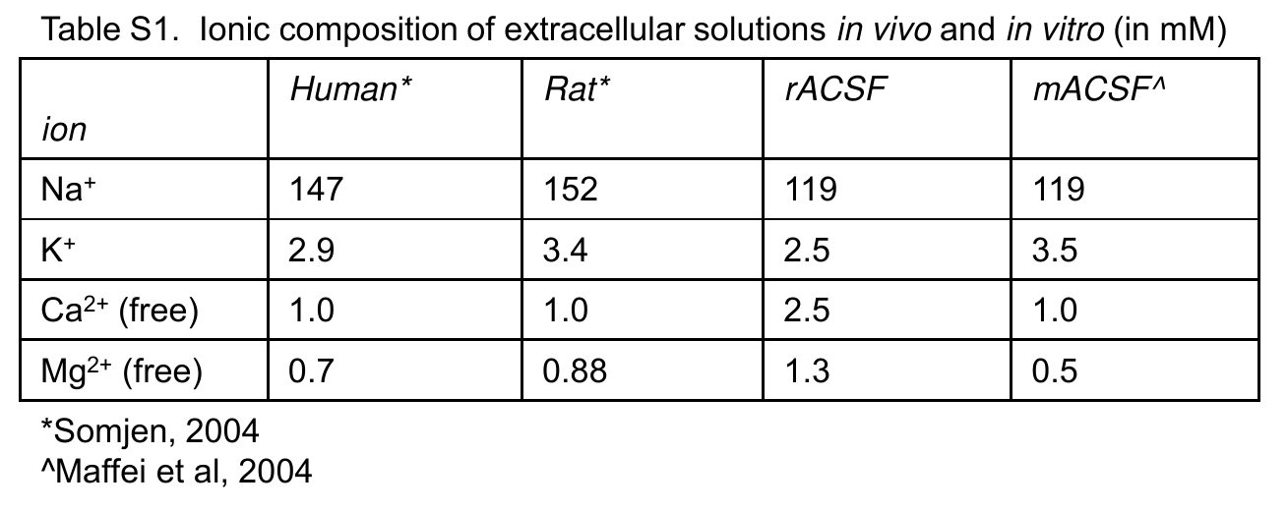
R (MΩ)
tau (ms)
item | article | cell type | R(MΩ) | tau | C(pF) | Vrest | Vth | n | Vth-Vrest | note
in vivo 2 | Single synaptic inputs drive high-precision action potentials in parvalbumin expressing GABA-ergic cortical neurons in vivo | L2/3 Exc | 88.9 | 10.6 | 118.7 |  | -31.8 |  |  | gigaseal
 |  | L2/3 PV | 72.0 | 5.3 | 73.4 |  | -31.3
 |  | L2/3 SOM | 276.2 | 27.5 | 99.7 |  | -33.8
 |  |  | 340.0 | 26.0 | 76.5 | -66.0 | -48.0
 |  |  |  |  |  |  |  |  |  |  | Exc
in vivo 1 | In Vivo Measurement of ... | L2/3 Exc | 47.0 | 6.5 | 138.3 | -68.7 | -38.1 |  | 30.6 | gigaseal? series=10-17MOhm Vmean | PV/FS
 |  | L2/3 PV | 47.0 | 3.6 | 76.6 | -66.1 | -36.7 |  | 29.4 |  | SOM
 |  | L2/3 SOM | 203.0 | 17.7 | 87.2 | -59.9 | -37.9 |  | 22.0 |  | VIP
 | Barrel cortex VIP/ChAT ... | L2/3 VIP | 340.0 | 26.0 | 76.5 | -66.0 | -48.0 |  | 18.0

in vivo 0 | Unique functional properties of somatostatin-expressing GABAergic neurons in mouse barrel cortex | L2/3 Exc | 39.0 |  |  |  | −41.0
 |  | L2/3 FS | 39.0 |  |  |  | −40.5
 |  | L2/3 SOM | 157.0 |  |  |  | −40.3
V_rest (mV)
V_th (mV)
 |  | L2/3 non-FS | 104.0 |  |  |  | −41.2

ex vivo | Contributions of Diverse Excitatory and Inhibitory Neurons to Recurrent Network Activity in Cerebral Cortex | L2/3 Pyr | 45.7 | 10.5 | 229.8 | -67.4 | -41.5 | 88 | 26
 |  | L2/3 PV | 33.0 | 3.1 | 93.9 | -66.4 | -41.6 | 34 | 25
 |  | L2/3 SOM | 95.7 | 11.8 | 123.3 | -59.9 | -41.8 | 50 | 18
 |  | L2/3 VIP | 126.0 | 10.9 | 86.5 | -65.7 | -43.7 | 37 | 22
 |  | L5 Pyr (RS) | 48.0 | 11.8 | 245.8 | -63.5 | -44.8 | 44 | 19
 |  | L5 Pyr (IB) | 27.1 | 16.6 | 612.5 | -59.0 | -50.5 | 3 | 9
 |  | L5 Pyr avg | 46.7 | 12.1 | 269.2 | -63.2 | -45.2
 |  | L5 PV | 49.4 | 4.0 | 81.0 | -67.1 | -42.3 | 43 | 25
 |  | L5 SOM | 79.7 | 11.7 | 146.8 | -63.2 | -48.1 | 45 | 15
 |  | avg | 46.0 | 11.1 | 240.2 | -65.9 | -42.8 |  | 23
 |  |  | 42.2 | 3.6 | 85.5 | -66.8 | -42.0 |  | 25
 |  |  | 88.1 | 11.8 | 133.4 | -61.5 | -44.8 |  | 17
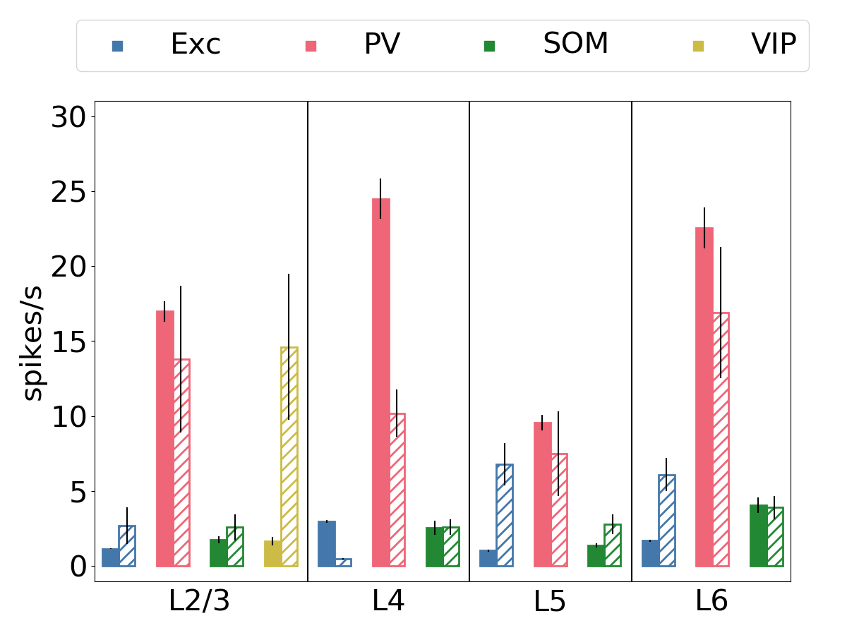
 |  |  | 126.0 | 10.9 | 86.5 | -65.7 | -43.7 |  | 22

 |  | avg (old) | 40.3 | 13.0 | 322.0 | -63.3 | -45.6
 |  |  | 41.2 | 3.6 | 86.2 | -66.8 | -42.0
 |  |  | 87.7 | 11.8 | 134.0 | -61.6 | -45.0
 |  |  | 126.0 | 10.9 | 86.5 | -65.7 | -43.7

 | junction potential calculation
 | in vivo ion concentration
 | Urban-Ciecko, Fanselow, Barth, 2015, Current Biology | Chloride | ATP | GTP | HEPES | phosphocreatine | Alexa-594
 |  | 155.0

TC
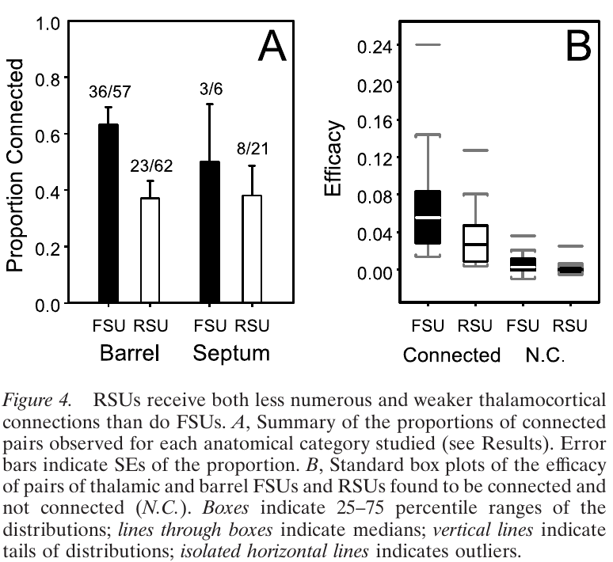
Connection probability
to L4 Exc. | to L4 Inh.
0.371 | 0.632
https://www.jneurosci.org/content/22/24/10966.short

Synapse (bouton) number distribution
 | syn. n/cell | relative | Exc. conn. prob. estimate | Inh.
L2/3 | 41.667 | 0.156 | 0.058 | 0.098
L4 | 267.769 | 1.000 | 0.371 | 0.632
L5 | 183.526 | 0.685 | 0.254 | 0.433
L6 | 135.581 | 0.506 | 0.188 | 0.320
https://academic.oup.com/cercor/article/22/10/2375/289513

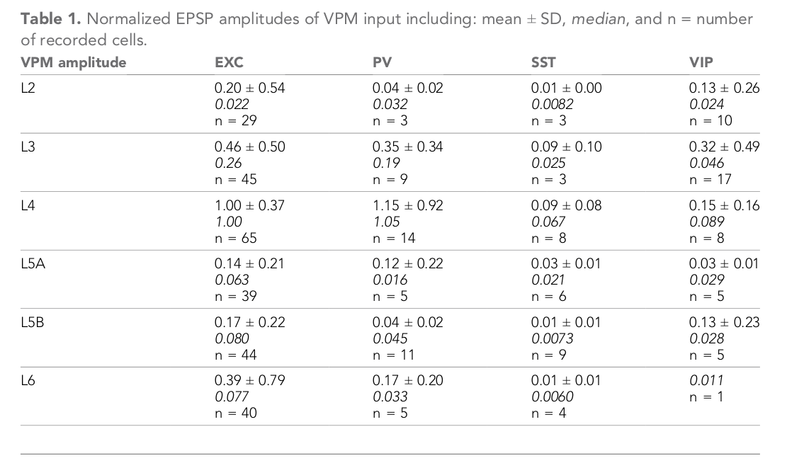
uPSP estimation
 | PSP/cell | syn. n/cell | PSP/syn | uPSP estimate
L2/3 Exc | 0.358 | 41.667 | 0.009 | 1.128
L4 Exc | 1.000 | 267.769 | 0.004 | 0.490
L5 Exc | 0.156 | 183.526 | 0.001 | 0.111
L6 Exc | 0.390 | 135.581 | 0.003 | 0.377
L2/3 PV | 0.273 | 41.667 | 0.007 | 0.746
L4 PV | 1.150 | 267.769 | 0.004 | 0.490
L5 PV | 0.065 | 183.526 | 0.000 | 0.040
L6 PV | 0.170 | 135.581 | 0.001 | 0.143
https://elifesciences.org/articles/52665

 | relative | Exc. conn.
L2/3 Exc | 0.156 | 0.062
L4 Exc | 1.000 | 0.400 | (fig. 2G)
L5 Exc | 0.685 | 0.259
L6 Exc | 0.506 | 0.091
http://www.sciencemag.org/cgi/pmidlookup?view=long&pmid=23812718

