Sheet1
example 1
Master | Student1 | Concordant | Discordant
1 | 2 | 10 | 1 | <- | this says, what count of numbers under 2, are greater than 2 and smaller than 2?
2 | 1 | 10 | 0
3 | 4 | 8 | 1
4 | 3 | 8 | 0
5 | 6 | 6 | 1 |  | Tau-a | Tau-b
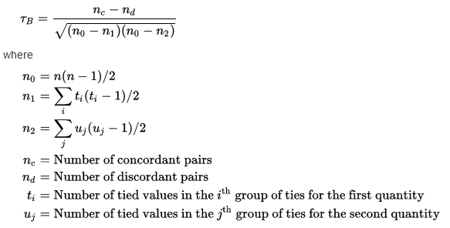
6 | 5 | 6 | 0
7 | 8 | 4 | 1
8 | 7 | 4 | 0
9 | 10 | 2 | 1
10 | 9 | 2 | 0
11 | 12 | 0 | 1
12 | 11
 |  | 60 | 6

 |  | Kendall's tau | 0.81818181818

 |  | C-D | 54
 |  | n(n-1)/2 | 66
 |  | Kendall's tau | 0.81818181818

example 2
Master | Student2 | Concordant | Discordant
1 | 12 | 0 | 11
2 | 2 | 9 | 1
3 | 3 | 8 | 1
4 | 4 | 7 | 1
5 | 5 | 6 | 1
6 | 6 | 5 | 1
7 | 7 | 4 | 1
8 | 8 | 3 | 1
9 | 9 | 2 | 1
10 | 10 | 1 | 1
11 | 11 | 0 | 1
12 | 1
 |  | 45 | 21

 |  | Kendall's tau | 0.36363636364

 |  | C-D | 24
 |  | n(n-1)/2 | 66
 |  | Kendall's tau | 0.36363636364

