ready
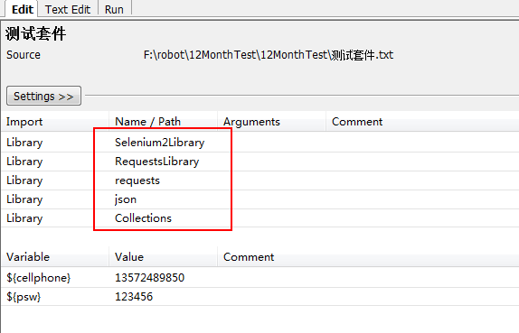
教程：https://www.cnblogs.com/BUGU/p/5189256.html

pip install robotframework-requests
pip install robotframework-databaselibrary

需要导入的
requests
RequestsLibrary
Collections
json
DatabaseLibrary

example-post
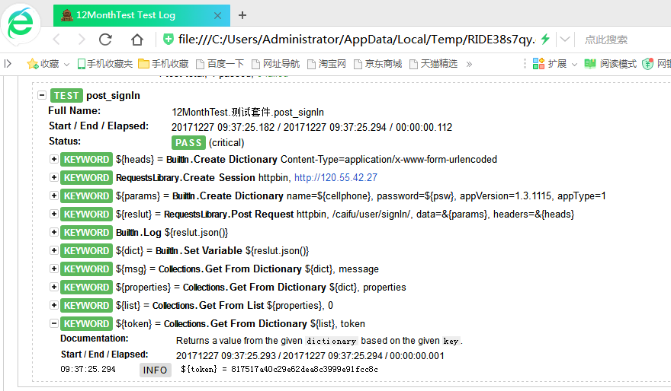
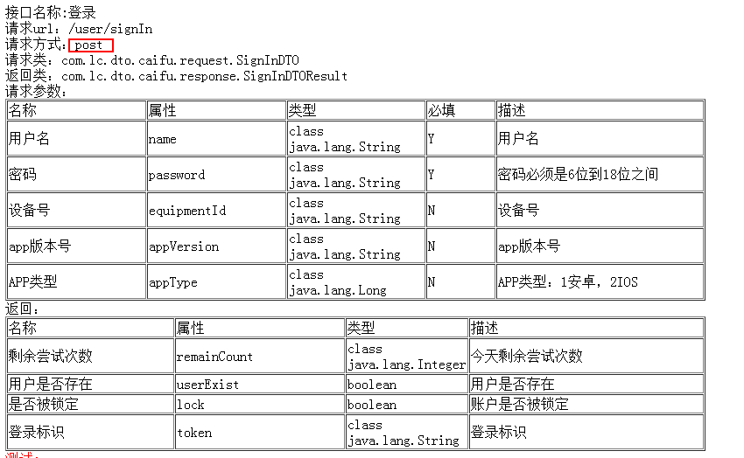
1.接口说明
 | POST /caifu/user/signIn HTTP/1.1
 | Content-Type: application/x-www-form-urlencoded
 | User-Agent: okhttp/3.7.0
 | Host: 120.55.42.27

 | name=13572489850&password=123456&appVersion=1.3.1115&appType=1

2.用例
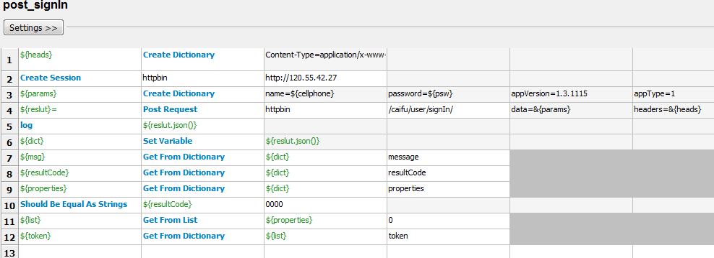

3.report

