Test Generator
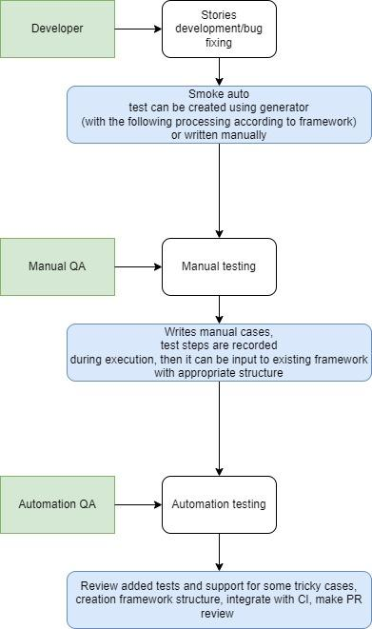
Test Generator
 | Status | Explanation
- Boilerplate - Record Run strategy | https://github.com/HannaTarasevich/playwright-axios-allure | Playwright, Typescript, Chai, Allure,Axios Typescript is necessary since VSCode plugin for Playwright test running/recording is working with TS only.
- What tools we should provide for MT to right test case (IDE, Plugin, Node, Env in general) Main concept - Test Case as a code | 1) VSCode 2) Git 3) Node 4) Testing environment 5) Knowledge tranfer how to use Playwright/how to work with locators, layers 6) VSCode plugins: Playwright Snippets, Playwright Test for VSCode, optional: vscode-icons, Test Adapter Converter, ESLint, Prettier, Beautify | Process description can be found below. Features: 1) Assertions must be added manually, test generator doesn't include it. Some assertion types are included to framework, howewer, it would be nice to extend it with chai or expect-playwright. 2) Additional recorded locators review is still needed. 3) Recorded steps must be included into existing framework (e.g., according to layers).
- Parallelization | https://playwright.dev/docs/test-parallel Can be done using Playwright | Mocha can be included, but Playwrite allows run even single file in parallel and include all major Mocha features. Also Playwright allow run several files in different browsers/emulators in parallel. One more crutial thing is that mocha can not be run in headed mode according to PW config (it should be written for each test as a param for launch). Also mocha excludes parallel runs in different browsers that are included into PW.
- API (axios, got, superagent) | https://playwright.dev/docs/test-api-testing Playwright includes request library, but Axios still can be used. The main difference is that Playwright request can use different contexts. | Axios is the most popular library and it can be used. But if contexts are useful to the project (like tests with several isolated environments), Playwright request is preferable.
- Integration with VRT (Synrisi) - Visual Regression Testing | https://www.npmjs.com/package/@syngrisi/syngrisi-wdio-sdk Currently availbale for WDIO only | Waiting for Viktor's response (repo is shared)
- Integration with reporting tools (Allure lst) | https://playwright.dev/docs/test-reporters Allure works perfectly. | Multiple reporters are allowed (e.g., including in-built reporters). Custom reporters are allowed as well. Reporters can be setup which one to use according to test environment
- Integration with CI (Jenkins, AWS, Azure!) | https://playwright.dev/docs/ci Jenkins and Azure can be used. | AWS: according to https://www.larihaataja.com/running-e2e-tests-playwright-aws-lambda and https://github.com/lari/playwright-aws-lambda-example/tree/v0.0.1 it's possible to integrate PW with AWS, but geckodriver has issue that won't be fixed (https://github.com/microsoft/playwright/issues/5613).
- Test Generation | Can be done: 1) Start recording from VSCode plugin 2) Start recording with script 3) Start recording manually with script (helper for manual start and scripts are added to the boilerplate)

Data Driven
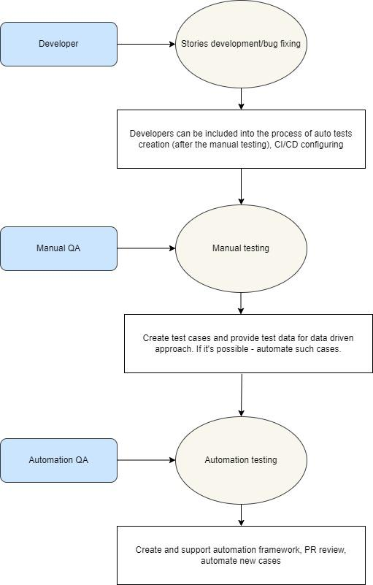
Data-Driven
 | Status | Explanation
- Boilerplate - Data Driven | https://github.com/HannaTarasevich/playwright-axios-allure | Here can be found Data Driven approach with Playwright as well among spec files. Data-Driven can be used in cooperation with Test Generator (for instance, for large amout of different input data). It is not possible to use csvtojson library for Playwright, so sheets approach is not available for implementation. However, json files can be created by manual testers for the same purposes.

