ａｌｌ
KNN accuracy
target | accuracy | model | 비고
TCGA Subtype | 0.4 | knn | n_neighbors=1
 | 0.22857142857 | knn | n_neighbors=2
 | 0.42857142857 | knn | n_neighbors=3
 | 0.24285714286 | knn | n_neighbors=4
 | 0.37142857143 | knn | n_neighbors=5
 | 0.24285714286 | knn | n_neighbors=6
 | 0.35714285714 | knn | n_neighbors=7
 | 0.27142857143 | knn | n_neighbors=8
 | 0.35714285714 | knn | n_neighbors=9
 | 0.27142857143 | knn | n_neighbors=10
 | 0.3 | knn | n_neighbors=11
 | 0.28571428571 | knn | n_neighbors=12
 | 0.3 | knn | n_neighbors=13
 | 0.27142857143 | knn | n_neighbors=14
 | 0.31428571429 | knn | n_neighbors=15
TCGA Subtype | 0.4571 | model.add(Dense(64, input_shape=(16,), activation='relu')) model.add(Dense(64, activation='relu')) model.add(Dense(4, activation='softmax')) opt = Adam(learning_rate=0.001) model.compile(loss='categorical_crossentropy', optimizer=opt, metrics=['accuracy']) | epochs=300 no retularizer | 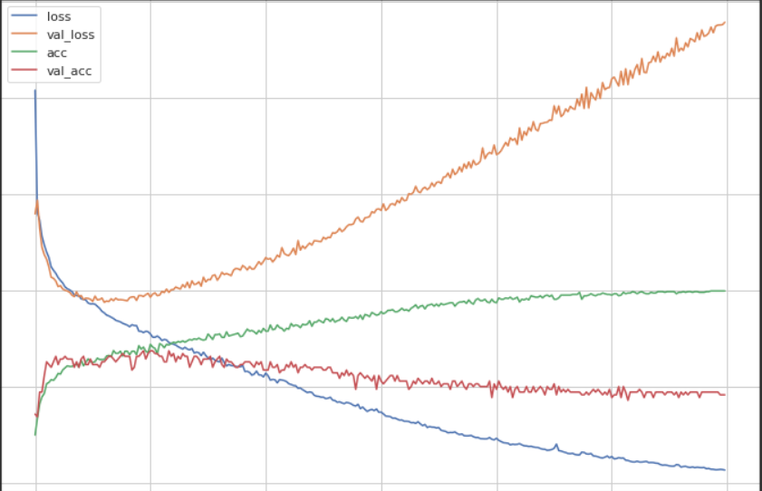
TCGA Subtype | 0.6143 | model.add(Dense(64, input_shape=(16,), activation='relu')) model.add(Dense(64, activation='relu', kernel_regularizer='l1')) model.add(Dense(4, activation='softmax')) opt = Adam(learning_rate=0.001) model.compile(loss='categorical_crossentropy', optimizer=opt, metrics=['accuracy']) | epochs=300 L1 regularizer | 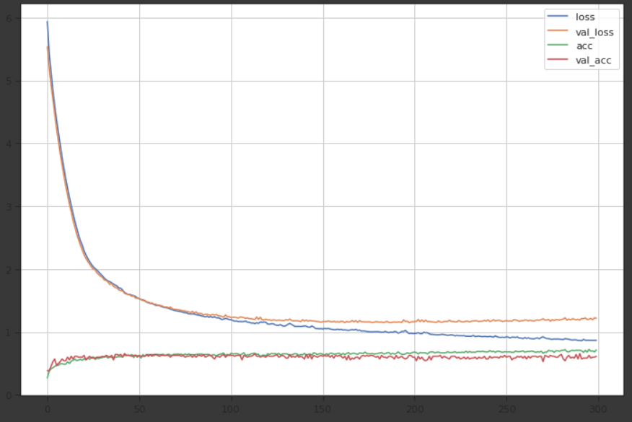
TCGA Subtype | 0.5 | model.add(Dense(64, input_shape=(16,), activation='relu')) model.add(Dense(64, activation='relu', kernel_regularizer='l1')) model.add(Dense(4, activation='softmax')) opt = Adam(learning_rate=0.001) model.compile(loss='categorical_crossentropy', optimizer=opt, metrics=['accuracy']) | epochs=300 L2 regularizer | 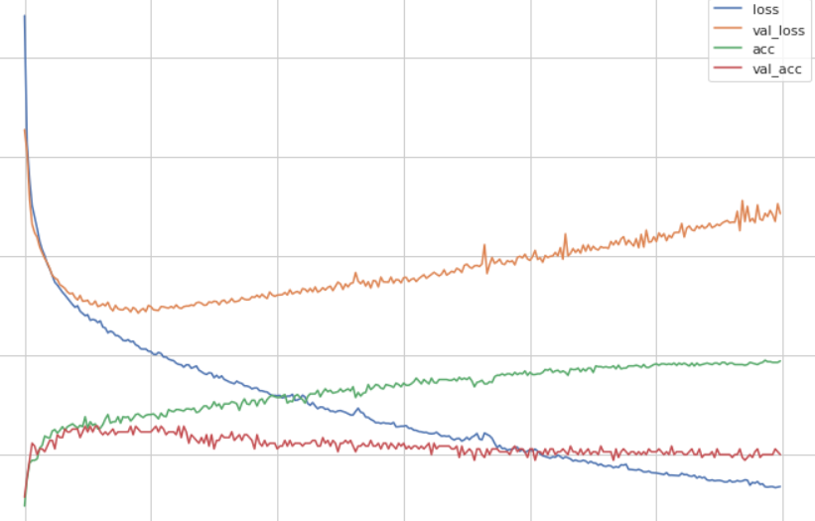
TCGA Subtype | 0.47142857143 | DecisionTreeClassifier

KNN accuracy
Sex | 0.67142857143 | knn | n_neighbors=1
 | 0.58571428571 | knn | n_neighbors=2
 | 0.74285714286 | knn | n_neighbors=3
 | 0.67142857143 | knn | n_neighbors=4
 | 0.75714285714 | knn | n_neighbors=5
 | 0.71428571429 | knn | n_neighbors=6
 | 0.78571428571 | knn | n_neighbors=7
 | 0.74285714286 | knn | n_neighbors=8
 | 0.78571428571 | knn | n_neighbors=9
 | 0.77142857143 | knn | n_neighbors=10
 | 0.78571428571 | knn | n_neighbors=11
 | 0.77142857143 | knn | n_neighbors=12
 | 0.78571428571 | knn | n_neighbors=13
 | 0.78571428571 | knn | n_neighbors=14
 | 0.78571428571 | knn | n_neighbors=15
Sex | 0.51428571429 | decision tree
Sex | 0.7286 | model.add(Dense(64, input_shape=(len(features),), activation='relu')) model.add(Dense(64, activation='relu', kernel_regularizer='l2')) model.add(Dense(y_train.shape[1], activation='softmax')) opt = Adam(learning_rate=0.001) model.compile(loss='categorical_crossentropy', optimizer=opt, metrics=['accuracy']) | L2 regularizer epoch 300 | 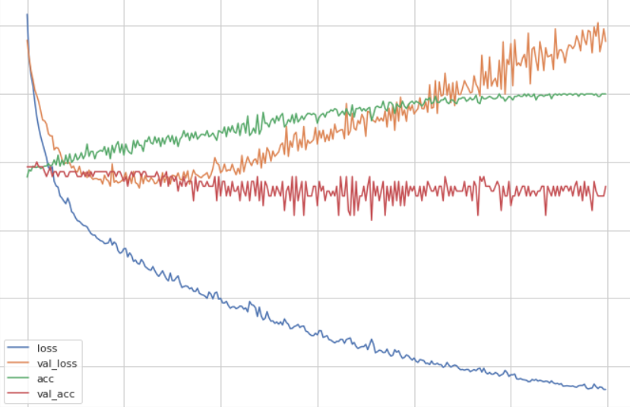
Sex | 0.7571 | model.add(Dense(64, input_shape=(len(features),), activation='relu')) model.add(Dense(64, activation='relu', kernel_regularizer='l1')) model.add(Dense(y_train.shape[1], activation='softmax')) opt = Adam(learning_rate=0.001) model.compile(loss='categorical_crossentropy', optimizer=opt, metrics=['accuracy']) | L1 regularizer epoch 300 | 
Sex | 0.7714 | model.add(Dense(64, input_shape=(len(features),), activation='relu')) model.add(Dropout(0.1)) model.add(Dense(64, activation='relu', kernel_regularizer='l1')) model.add(Dense(y_train.shape[1], activation='softmax')) opt = Adam(learning_rate=0.001) model.compile(loss='categorical_crossentropy', optimizer=opt, metrics=['accuracy']) | L1 regularizer epoch 300 Dropout 0.1 | 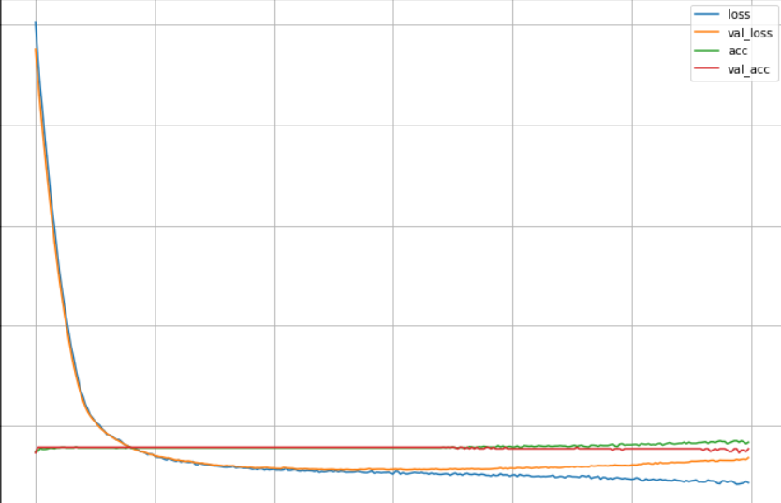
Immune phenotype | 0.32857142857 | knn | n_neighbors=1
 | 0.11428571429 | knn | n_neighbors=2
 | 0.27142857143 | knn | n_neighbors=3
 | 0.12857142857 | knn | n_neighbors=4
 | 0.21428571429 | knn | n_neighbors=5
 | 0.14285714286 | knn | n_neighbors=6
 | 0.2 | knn | n_neighbors=7
 | 0.071428571429 | knn | n_neighbors=8
 | 0.1 | knn | n_neighbors=9
 | 0.057142857143 | knn | n_neighbors=10
 | 0.11428571429 | knn | n_neighbors=11
 | 0.042857142857 | knn | n_neighbors=12
 | 0.1 | knn | n_neighbors=13
 | 0.028571428571 | knn | n_neighbors=14
 | 0.057142857143 | knn | n_neighbors=15
Immune phenotype | 0.4571 | model.add(Dense(64, input_shape=(len(features),), activation='relu')) model.add(Dropout(0.1)) model.add(Dense(64, activation='relu', kernel_regularizer='l1')) model.add(Dense(y_train.shape[1], activation='softmax')) opt = Adam(learning_rate=0.001) model.compile(loss='categorical_crossentropy', optimizer=opt, metrics=['accuracy']) | L1 regularizer epoch 300 Dropout 0.1 | 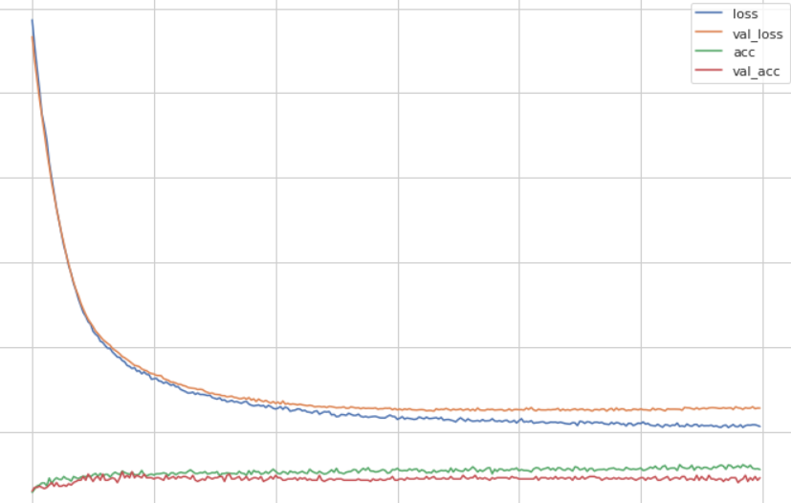
Immune phenotype | 0.41428571429 | decision tree
Baseline ECOG Score | 0.52857142857 | knn | n_neighbors=1
 | 0.31428571429 | knn | n_neighbors=2
 | 0.48571428571 | knn | n_neighbors=3
 | 0.35714285714 | knn | n_neighbors=4
 | 0.5 | knn | n_neighbors=5
 | 0.35714285714 | knn | n_neighbors=6
 | 0.6 | knn | n_neighbors=7
 | 0.45714285714 | knn | n_neighbors=8
 | 0.57142857143 | knn | n_neighbors=9
 | 0.47142857143 | knn | n_neighbors=10
 | 0.58571428571 | knn | n_neighbors=11
 | 0.52857142857 | knn | n_neighbors=12
 | 0.57142857143 | knn | n_neighbors=13
 | 0.54285714286 | knn | n_neighbors=14
 | 0.58571428571 | knn | n_neighbors=15
Baseline ECOG Score | 0.5857 | model.add(Dense(64, input_shape=(len(features),), activation='relu')) model.add(Dropout(0.1)) model.add(Dense(64, activation='relu', kernel_regularizer='l1')) model.add(Dense(y_train.shape[1], activation='softmax')) opt = Adam(learning_rate=0.001) model.compile(loss='categorical_crossentropy', optimizer=opt, metrics=['accuracy']) | L1 regularizer epoch 300 Dropout 0.1 | 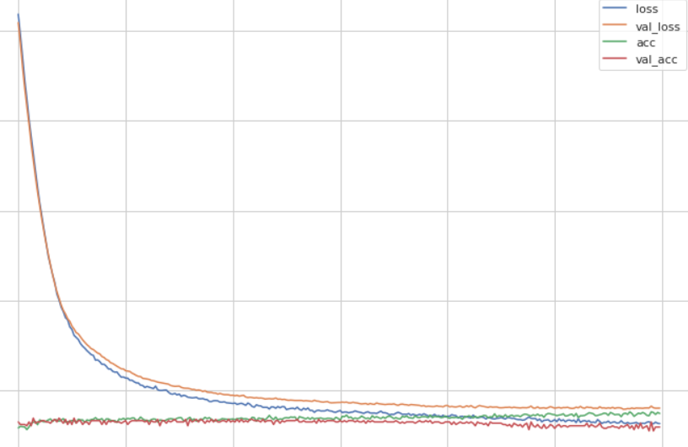
Baseline ECOG Score | 0.54285714286 | decision tree

ｌａｂｅｌ
label(n_class)
 | knn | neural network | decision tree
TCGA Subtype（４） | 0.42857142857 | 0.6143 | 0.47142857143
Sex（２） | 0.78571428571 | 0.7714 | 0.51428571429
Immune phenotype（４） | 0.32857142857 | 0.4571 | 0.41428571429
Baseline ECOG Score（３） | 0.6 | 0.5857 | 0.54285714286

Best accuracy

