NN
비고 | model index | model | target(class) | #total data | accuracy | recall | precision
epochs=300 lr = 0.0001 | A | model.add(Dense(64, input_shape=(len(features),), activation='relu')) model.add(Dropout(0.1)) model.add(Dense(64, activation='relu', kernel_regularizer='l1')) model.add(Dense(y_train.shape[1], activation='softmax')) opt = Adam(learning_rate=0.0001) model.compile(loss='categorical_crossentropy', optimizer=opt, metrics=['accuracy']) | Immune phenotype(desert) | 76 | 0.737 | 0 | 0 | 모든 output이 excluded(class2) 출력
 |  |  | Immune phenotype(inflamed) | 74 | 0.737 | 0 | 0
 |  |  | Immune phenotype(excluded) | 134 | 0.474 | 1 | 0.474
 |  |  | Best Confirmed Overall Response(CR) | 25 | 0.929 | 0 | 0 | 모든 output이 excluded(class3) 출력
 |  |  | Best Confirmed Overall Response(PR) | 43 | 0.871 | 0 | 0
 |  |  | Best Confirmed Overall Response(SD) | 63 | 0.814 | 0 | 0
 |  |  | Best Confirmed Overall Response(PD) | 167 | 0.471 | 1 | 0.471
 |  |  | Best Confirmed Overall Response(NE) | 50 | 0.857 | 0 | 0
epochs=300 lr = 0.00001 | B | model.add(Dense(64, input_shape=(len(features),), activation='relu')) model.add(Dropout(0.1)) model.add(Dense(64, activation='relu', kernel_regularizer='l1')) model.add(Dense(y_train.shape[1], activation='softmax')) opt = Adam(learning_rate=0.00001) model.compile(loss='categorical_crossentropy', optimizer=opt, metrics=['accuracy']) | Immune phenotype(desert) | 76 | 0.842 | 0.467 | 0.875 | 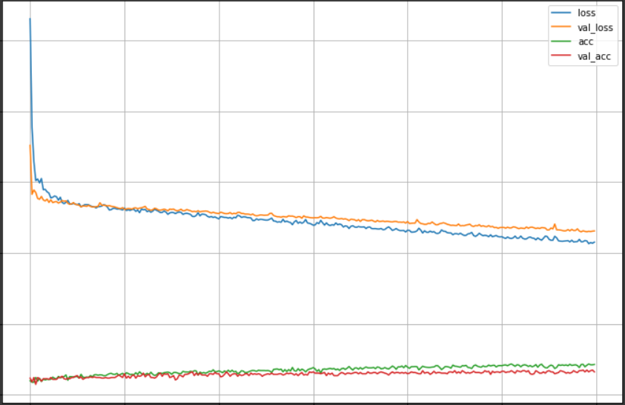
 |  |  | Immune phenotype(inflamed) | 74 | 0.807 | 0.6 | 0.643
 |  |  | Immune phenotype(excluded) | 134 | 0.649 | 0.778 | 0.6
 |  |  | AVERAGE |  | 0.766 | 0.615 | 0.706
 |  |  | Best Confirmed Overall Response(CR) | 25 | 0.929 | 0 | 0 | 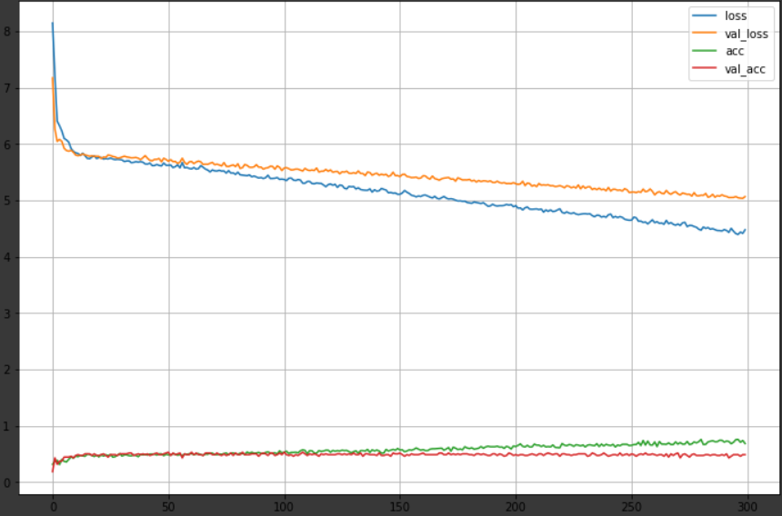
 |  |  | Best Confirmed Overall Response(PR) | 43 | 0.857 | 0 | 0
 |  |  | Best Confirmed Overall Response(SD) | 63 | 0.814 | 0.154 | 0.5
 |  |  | Best Confirmed Overall Response(PD) | 167 | 0.543 | 0.939 | 0.508
 |  |  | Best Confirmed Overall Response(NE) | 50 | 0.829 | 0.1 | 0.25
 |  |  | AVERAGE |  | 0.7944 | 0.2386 | 0.2516
 |  |  | Sex(M) | 272 | 0.943 | 1 | 0.932 | 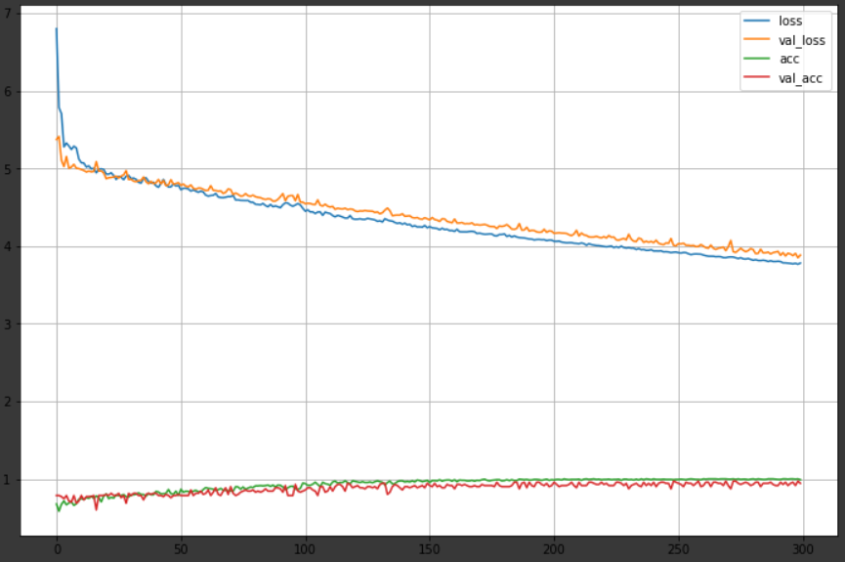
 |  |  | Sex(F) | 76 | 0.943 | 0.733 | 1
 |  |  | AVERAGE |  | 0.943 | 0.8665 | 0.966
 |  |  | TCGA Subtype(I) | 118 | 0.843 | 0.792 | 0.76 | 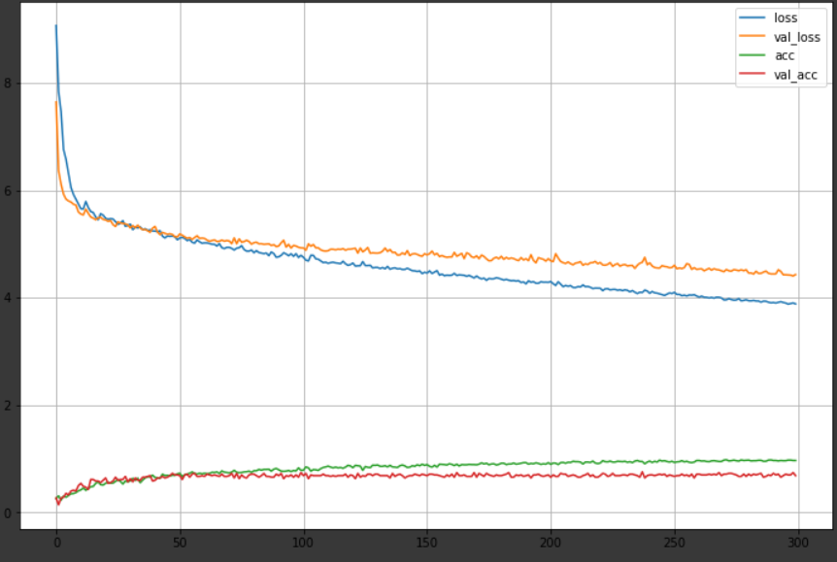
 |  |  | TCGA Subtype(II) | 95 | 0.871 | 0.632 | 0.857
 |  |  | TCGA Subtype(III) | 69 | 0.8 | 0.643 | 0.5
 |  |  | TCGA Subtype(IV) | 66 | 0.857 | 0.615 | 0.615
 |  |  | AVERAGE |  | 0.843 | 0.671 | 0.683
 |  |  | Baseline ECOG Score(0) | 134 | 0.6 | 0.37 | 0.476 | 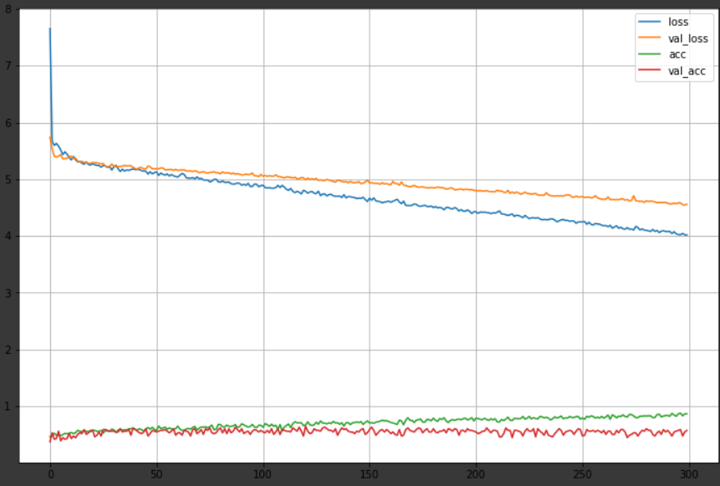
 |  |  | Baseline ECOG Score(1) | 196 | 0.6 | 0.769 | 0.612
 |  |  | Baseline ECOG Score(2) | 12 | 0.943 | 0 | 0
 |  |  | AVERAGE |  | 0.714 | 0.38 | 0.363
epochs=500 lr = 0.00001 | C | same as above | Sex(M) | 272 | 0.957 | 1 | 0.948 | 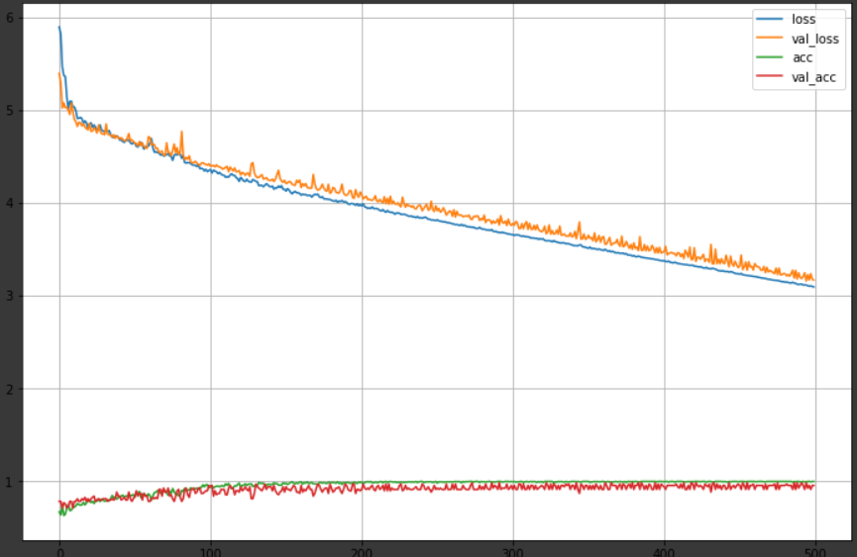
 |  |  | Sex(F) | 76 | 0.957 | 0.8 | 1
 |  |  | AVERAGE |  | 0.957 | 0.9 | 0.974
epochs=800 lr = 0.00001 | D | same as above | Sex(M) | 272 | 0.986 | 0.982 | 1 | 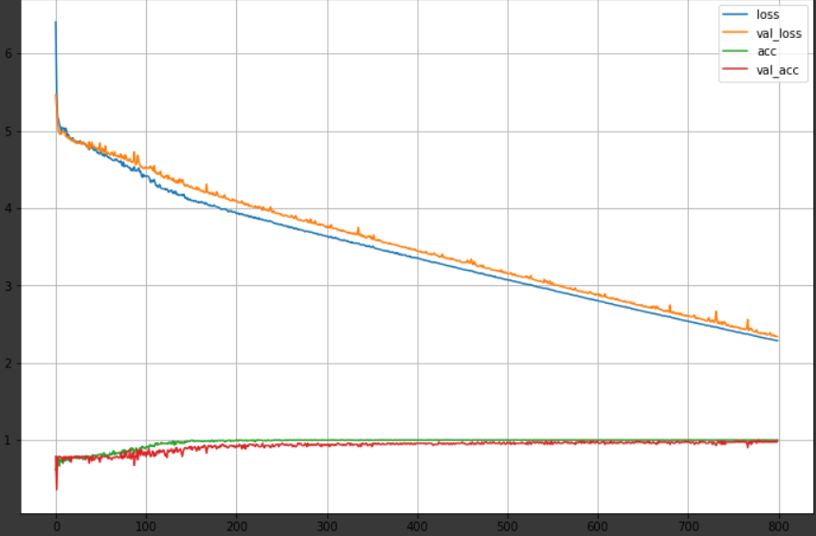
 |  |  | Sex(F) | 76 | 0.986 | 1 | 0.938
 |  |  | AVERAGE |  | 0.986 | 0.991 | 0.969
 |  |  | TCGA Subtype(I) | 118 | 0.886 | 0.917 | 0.786 | 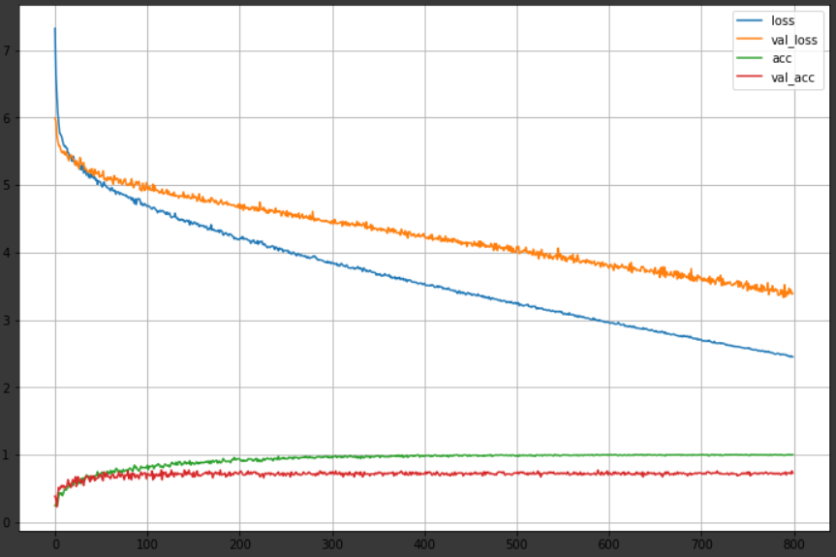
 |  |  | TCGA Subtype(II) | 95 | 0.871 | 0.632 | 0.857
 |  |  | TCGA Subtype(III) | 69 | 0.871 | 0.571 | 0.727
 |  |  | TCGA Subtype(IV) | 66 | 0.829 | 0.692 | 0.529
 |  |  | AVERAGE |  | 0.864 | 0.703 | 0.725
 |  |  | Baseline ECOG Score(0) | 134 | 0.5 | 0.222 | 0.3 | 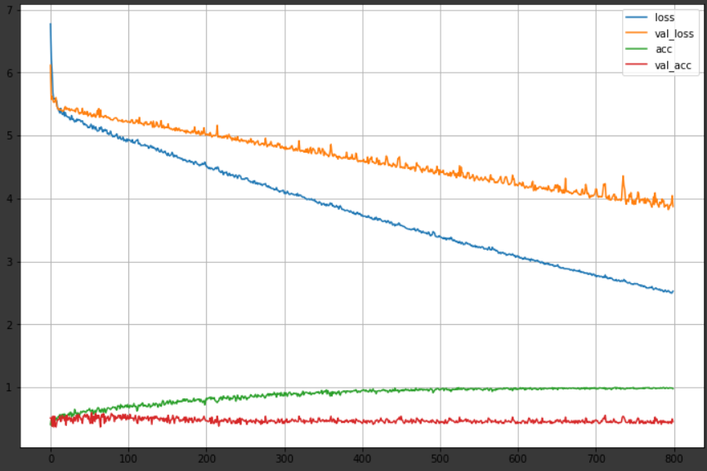
 |  |  | Baseline ECOG Score(1) | 196 | 0.471 | 0.667 | 0.52
 |  |  | Baseline ECOG Score(2) | 12 | 0.943 | 0 | 0
 |  |  | AVERAGE |  | 0.638 | 0.296 | 0.273
epochs=300 lr = 0.000001 | E | model.add(Dense(64, input_shape=(len(features),), activation='relu')) model.add(Dropout(0.1)) model.add(Dense(64, activation='relu', kernel_regularizer='l1')) model.add(Dense(y_train.shape[1], activation='softmax')) opt = Adam(learning_rate=0.000001) model.compile(loss='categorical_crossentropy', optimizer=opt, metrics=['accuracy']) | Immune phenotype(desert) | 76 | 0.807 | 0.333 | 0.833 | 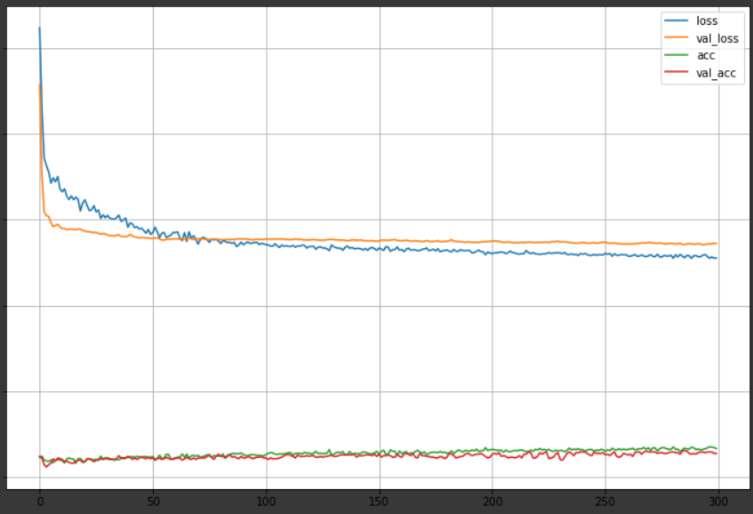
 |  |  | Immune phenotype(inflamed) | 74 | 0.702 | 0.333 | 0.417
 |  |  | Immune phenotype(excluded) | 134 | 0.579 | 0.778 | 0.538
 |  |  | AVERAGE |  | 0.696 | 0.481 | 0.596
 |  |  | Best Confirmed Overall Response(CR) | 25 | 0.929 | 0 | 0 | CR(class0), PR(class1) output 개수 = 0
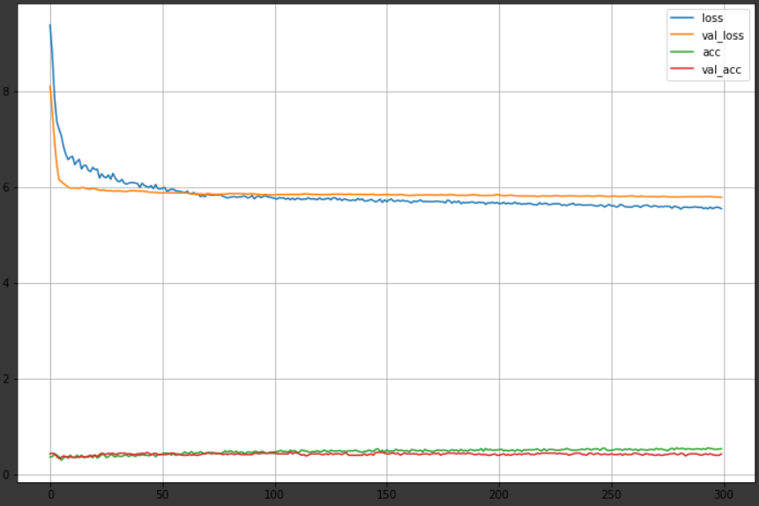
 |  |  | Best Confirmed Overall Response(PR) | 43 | 0.871 | 0 | 0
 |  |  | Best Confirmed Overall Response(SD) | 63 | 0.771 | 0.077 | 0.2
 |  |  | Best Confirmed Overall Response(PD) | 167 | 0.457 | 0.848 | 0.459
 |  |  | Best Confirmed Overall Response(NE) | 50 | 0.829 | 0.1 | 0.25
 |  |  | AVERAGE |  | 0.771 | 0.205 | 0.182
epochs=300 lr = 0.00001 dense layer: 32-64-32 | F | model.add(Dense(32, input_shape=(len(features),), activation='relu')) model.add(Dense(64, activation='relu', kernel_regularizer='l1')) model.add(Dropout(0.1)) model.add(Dense(32, activation='relu', kernel_regularizer='l1')) model.add(Dense(y_train.shape[1], activation='softmax')) opt = Adam(learning_rate=0.00001) model.compile(loss='categorical_crossentropy', optimizer=opt, metrics=['accuracy']) | Best Confirmed Overall Response(CR) | 25 | 0.914 | 0 | 0 | 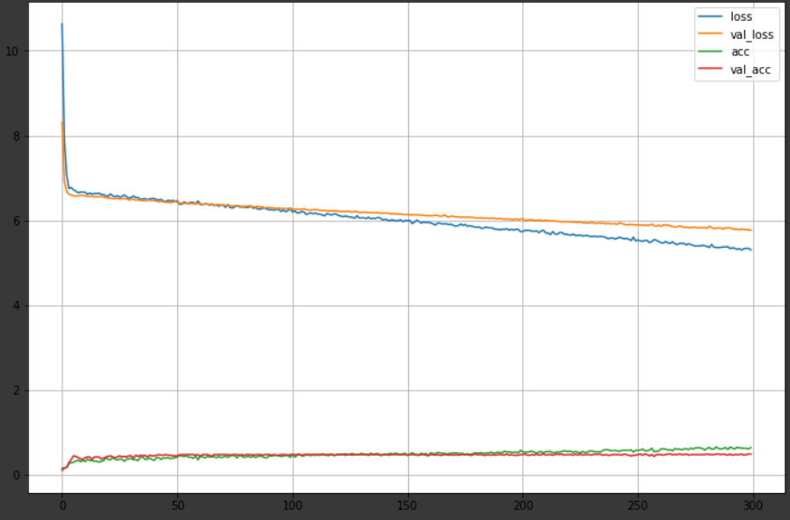
 |  |  | Best Confirmed Overall Response(PR) | 43 | 0.871 | 0 | 0
 |  |  | Best Confirmed Overall Response(SD) | 63 | 0.843 | 0.154 | 1
 |  |  | Best Confirmed Overall Response(PD) | 167 | 0.5 | 0.97 | 0.485
 |  |  | Best Confirmed Overall Response(NE) | 50 | 0.843 | 0 | 0
 |  |  | AVERAGE |  | 0.7942 | 0.2248 | 0.297
 |  |  | Immune phenotype(desert) | 76 | 0.737 | 0 | 0 | 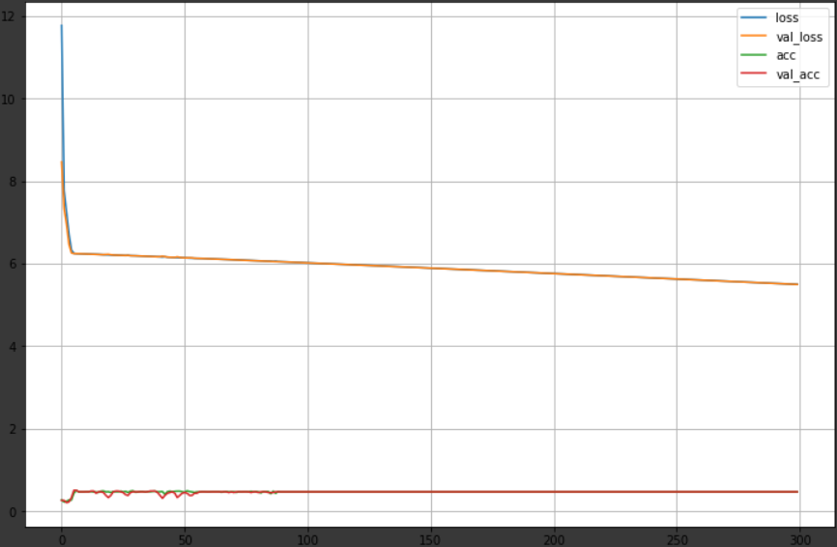
 |  |  | Immune phenotype(inflamed) | 74 | 0.737 | 0 | 0
 |  |  | Immune phenotype(excluded) | 134 | 0.474 | 1 | 0.474
 |  |  | AVERAGE |  | 0.649 | 0.333 | 0.158
 |  |  | TCGA Subtype(I) | 118 | 0.886 | 0.917 | 0.786 | 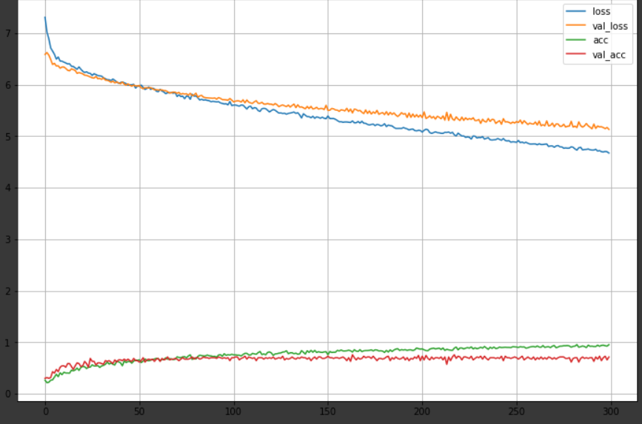
 |  |  | TCGA Subtype(II) | 95 | 0.843 | 0.579 | 0.786
 |  |  | TCGA Subtype(III) | 69 | 0.871 | 0.571 | 0.727
 |  |  | TCGA Subtype(IV) | 66 | 0.829 | 0.692 | 0.529
 |  |  | AVERAGE |  | 0.857 | 0.69 | 0.707
 |  |  | Baseline ECOG Score(0) | 134 | 0.486 | 0.444 | 0.364 | 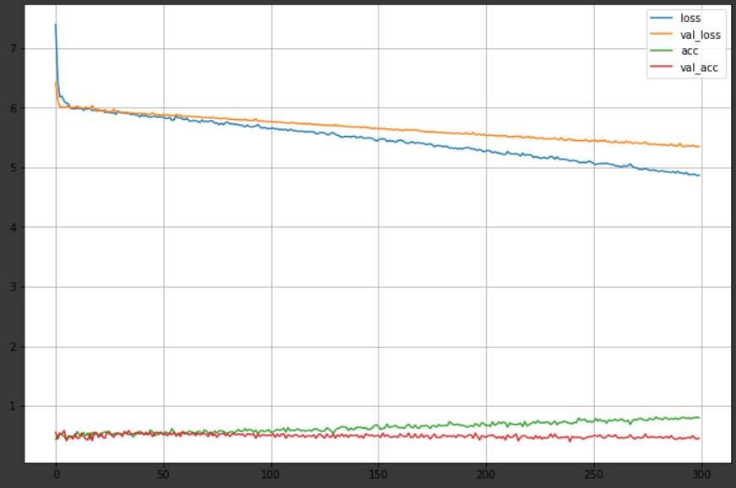
 |  |  | Baseline ECOG Score(1) | 196 | 0.486 | 0.513 | 0.541
 |  |  | Baseline ECOG Score(2) | 12 | 0.943 | 0 | 0
 |  |  | AVERAGE |  | 0.638 | 0.319 | 0.302

NN_best
The best average score
target(model index)
 | accuracy | recall | precision
Immune phenotype(B) | 0.766 | 0.615 | 0.706
Baseline ECOG Score(B) | 0.714 | 0.38 | 0.363
Sex(D) | 0.986 | 0.991 | 0.969
TCGA Subtype(D) | 0.864 | 0.703 | 0.725
Best Confirmed Overall Response(F) | 0.7942 | 0.2248 | 0.297

PCA
비고 | Target | 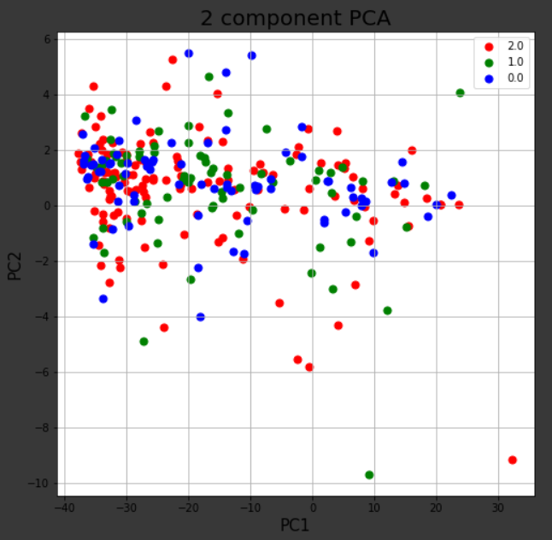 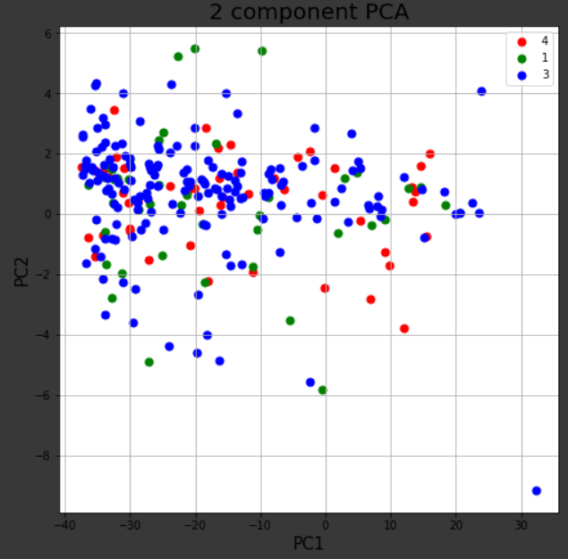 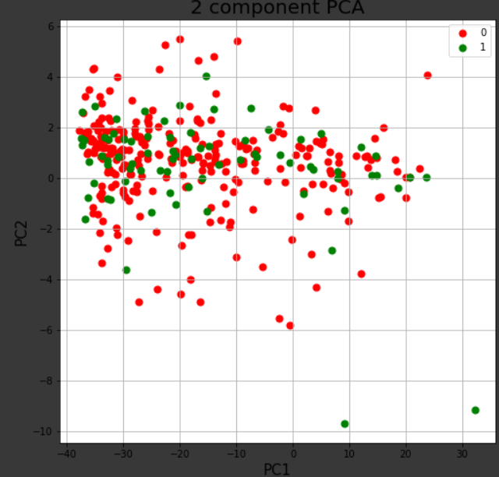 | 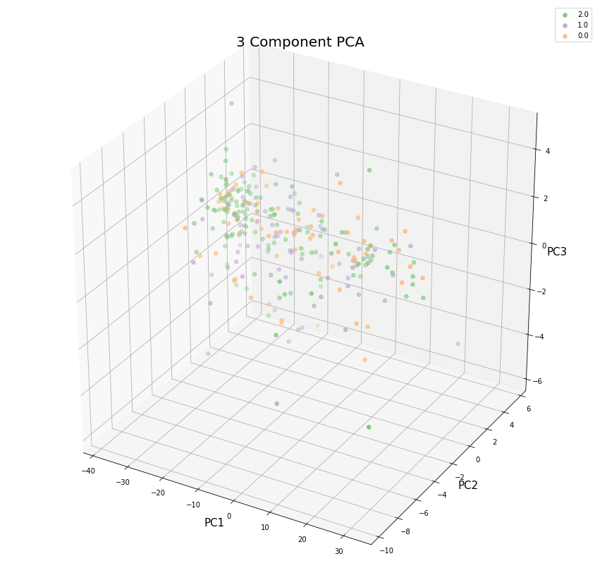 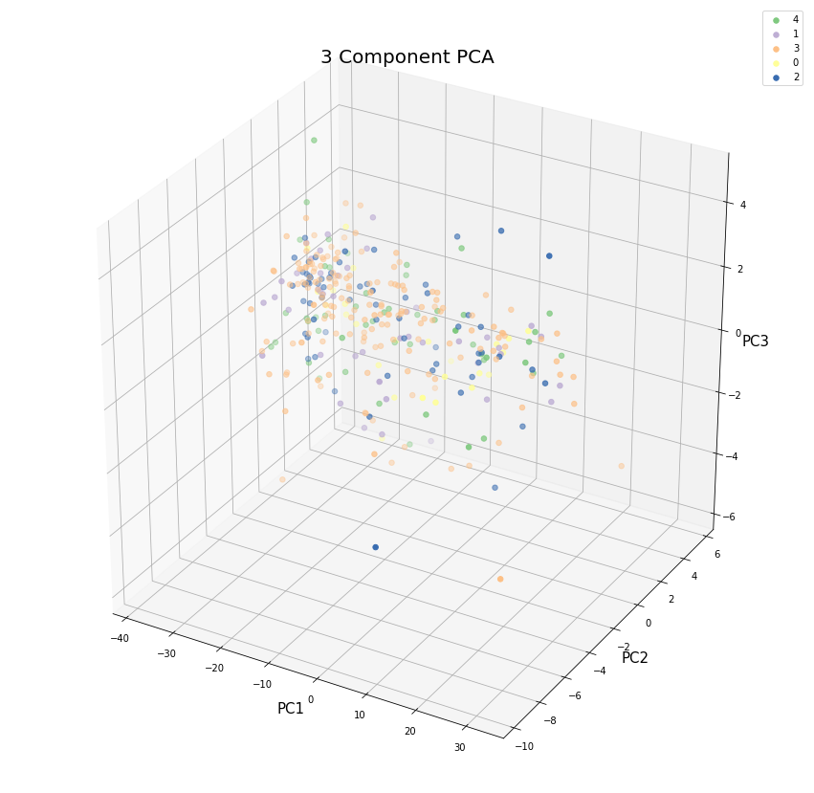 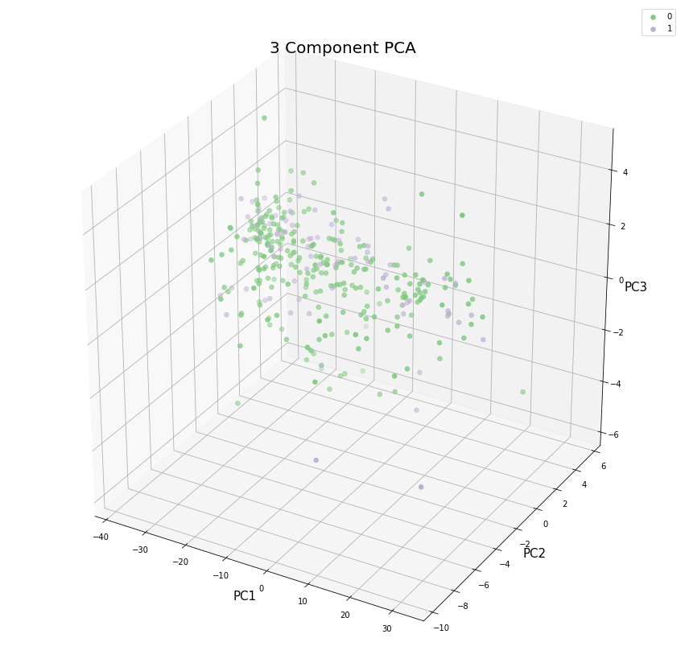
[pca.explained_variance_ratio_] PC 1: 0.88 PC 2: 0.01 | immune phenotype

 | Best Confirmed Overall Response

 | Sex

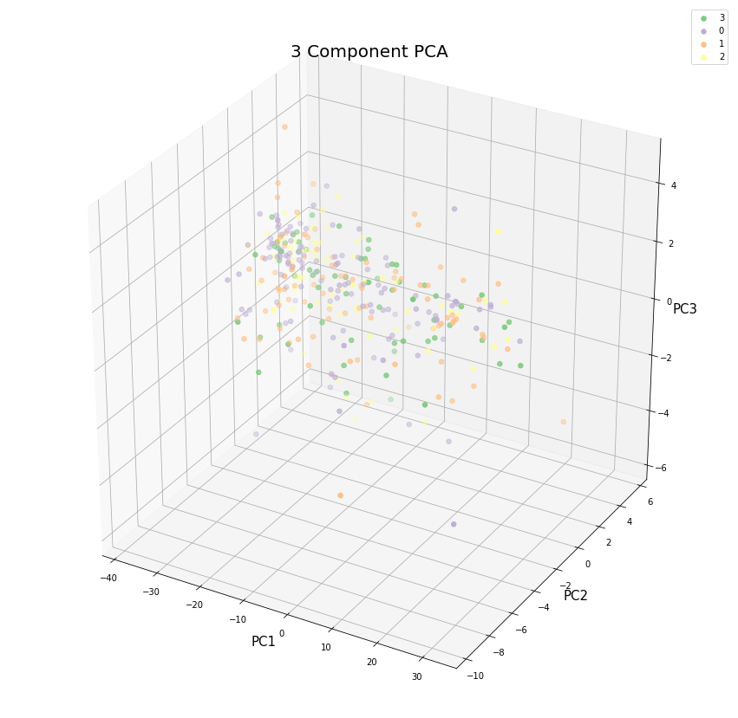
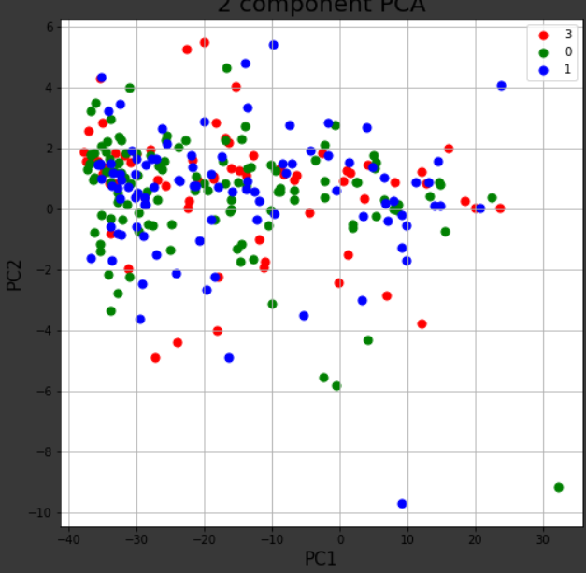
 | TCGA Subtype

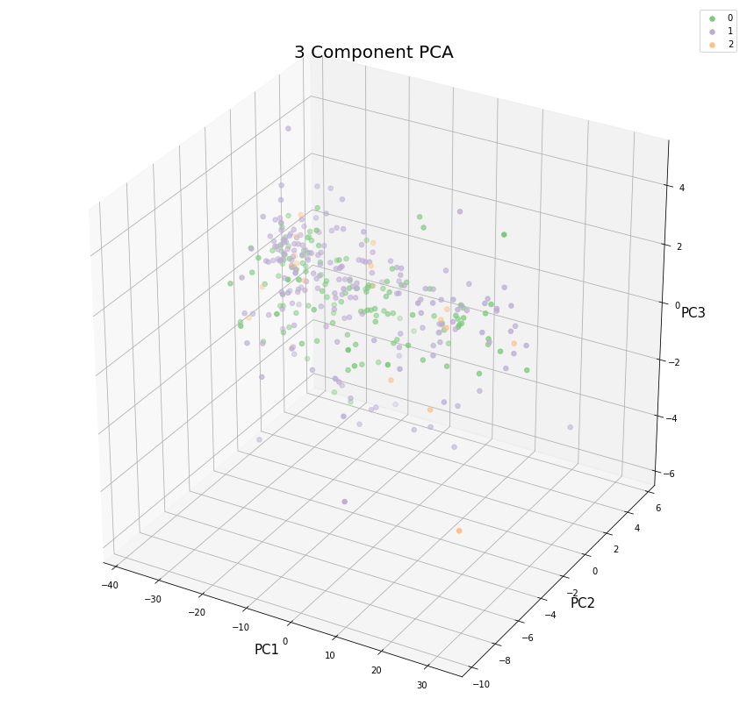
 | 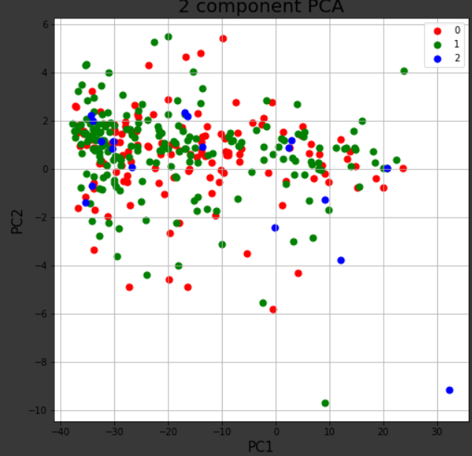 Baseline ECOG Score

