Sheet1
Introduction
Chapter 1

Field Scale

AquaCrop model development and evaluation (RO1)
Chapter 2
Chapter 3
Chapter 4
Model application for scenario analysis (RO2)
Chapter 5

Catchment Scale

AquaCrop-Hydro model development and evaluation (RO3)
Chapter 6
Model application for scenario analysis (RO4)
Chapter 7

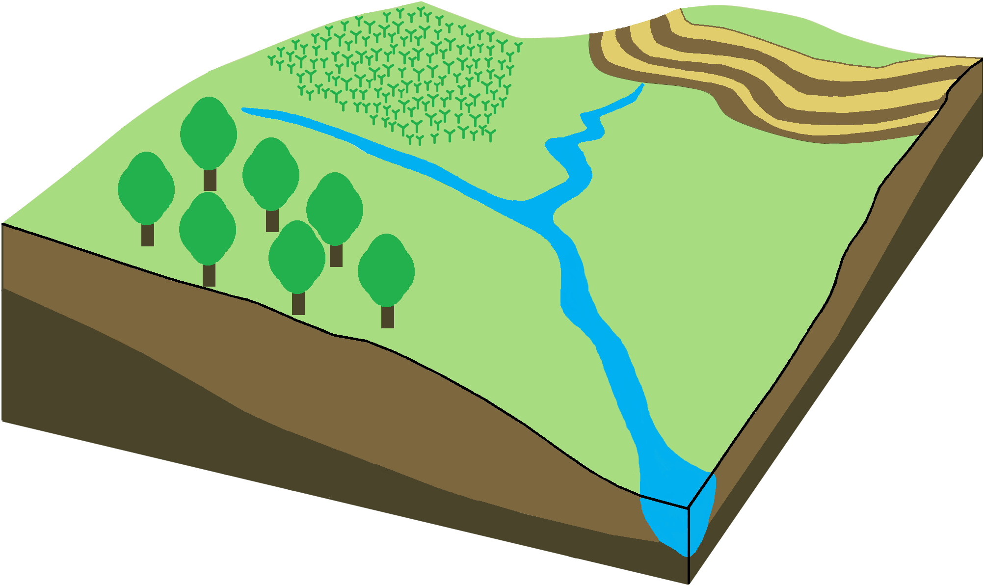

Conclusions and Recommendations
Chapter 8

