Sheet3
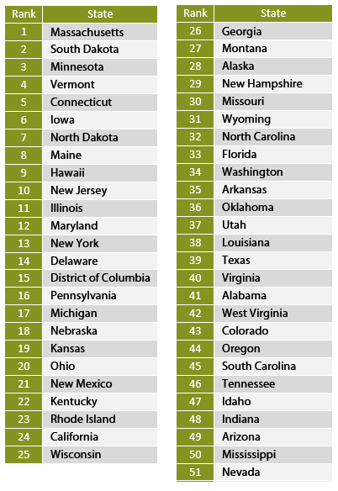

Sheet2
This article is part of a series on
Income in the
United States of America
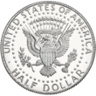

Topics[hide]
Household
Personal
Affluence
Social class
Income inequality
gender pay gap
ethnic wage gap
Lists by income[show]
United States portal
v
t
e

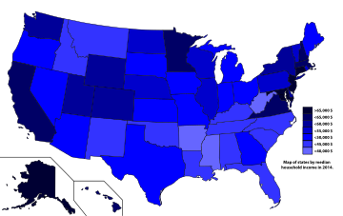

Map of states by median household income in 2014.

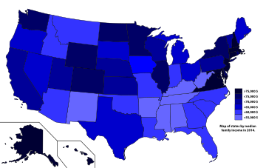

Map of states by median family income in 2014.

This is a list of U.S. states by income.

Contents
[hide]
1States ranked by median household income
2States ranked by per capita income
3About Puerto Rico and the District of Columbia
4See also
5References
6External links

States ranked by median household income
Median Household Income by State (Note that table does not reflect the margin of error in the values). [1]

Rank | State | 2015 | 2014 | 2013 | 2012 | 2011
47 | Alabama | $44,765 | 42,830 | $42,849 | $41,574 | $41,415
3 | Alaska | $73,355 | 71,583 | $72,237 | $67,712 | $67,825
31 | Arizona | $51,492 | 50,068 | $48,510 | $47,826 | $46,709
49 | Arkansas | $41,995 | 41,262 | $40,511 | $40,112 | $38,758
9 | California | $64,500 | 61,933 | $60,190 | $58,328 | $57,287
11 | Colorado | $63,909 | 61,303 | $58,823 | $56,765 | $55,387
5 | Connecticut | $71,346 | 70,048 | $67,098 | $67,276 | $65,753
14 | Delaware | $61,255 | 59,716 | $57,846 | $58,415 | $58,814
38 | Florida | $49,426 | 47,463 | $46,036 | $45,040 | $44,299
32 | Georgia | $51,244 | 49,321 | $47,829 | $47,209 | $46,007
2 | Hawaii | $73,486 | 69,592 | $68,020 | $66,259 | $61,821
40 | Idaho | $48,275 | 47,861 | $46,783 | $45,489 | $43,341
18 | Illinois | $59,588 | 57,444 | $56,210 | $55,137 | $53,234
35 | Indiana | $50,532 | 49,446 | $47,529 | $46,974 | $46,438
25 | Iowa | $54,736 | 53,712 | $52,229 | $50,957 | $49,427
27 | Kansas | $53,906 | 52,504 | $50,972 | $50,241 | $48,964
46 | Kentucky | $45,215 | 42,958 | $43,399 | $41,724 | $41,141
44 | Louisiana | $45,727 | 44,555 | $44,164 | $42,944 | $41,734
30 | Maine | $51,494 | 49,462 | $46,974 | $46,709 | $46,033
1 | Maryland | $75,847 | 73,971 | $72,483 | $71,122 | $70,004
6 | Massachusetts | $70,628 | 69,160 | $66,768 | $65,339 | $62,859
33 | Michigan | $51,084 | 49,847 | $48,273 | $46,859 | $45,981
12 | Minnesota | $63,488 | 61,481 | $60,702 | $58,906 | $56,954
50 | Mississippi | $40,593 | 39,680 | $37,963 | $37,095 | $36,919
36 | Missouri | $50,238 | 48,363 | $46,931 | $45,321 | $45,247
37 | Montana | $49,509 | 46,328 | $46,972 | $45,076 | $44,222
24 | Nebraska | $54,996 | 52,686 | $51,440 | $50,723 | $50,296
29 | Nevada | $52,431 | 51,450 | $51,230 | $49,760 | $48,927
7 | New Hampshire | $70,303 | 66,532 | $64,230 | $63,280 | $62,647
4 | New Jersey | $72,222 | 71,919 | $70,165 | $69,667 | $67,458
45 | New Mexico | $45,382 | 44,803 | $43,872 | $42,558 | $41,963
15 | New York | $60,850 | 58,878 | $57,369 | $56,448 | $55,246
41 | North Carolina | $47,830 | 46,556 | $45,906 | $45,150 | $43,916
16 | North Dakota | $60,557 | 59,029 | $55,759 | $53,585 | $51,704
34 | Ohio | $51,075 | 49,308 | $48,081 | $46,829 | $45,749
39 | Oklahoma | $48,568 | 47,529 | $45,690 | $44,312 | $43,225
26 | Oregon | $54,148 | 51,075 | $50,251 | $49,161 | $46,816
21 | Pennsylvania | $55,702 | 53,234 | $52,007 | $51,230 | $50,228
19 | Rhode Island | $58,073 | 54,891 | $55,902 | $54,554 | $53,636
43 | South Carolina | $47,238 | 45,238 | $44,163 | $43,107 | $42,367
28 | South Dakota | $53,017 | 50,979 | $48,947 | $48,362 | $48,321
42 | Tennessee | $47,275 | 44,361 | $44,297 | $42,764 | $41,693
22 | Texas | $55,653 | 53,035 | $51,704 | $50,740 | $49,392
13 | Utah | $62,912 | 60,922 | $59,770 | $57,049 | $55,869
20 | Vermont | $56,990 | 54,166 | $52,578 | $52,977 | $52,776
8 | Virginia | $66,262 | 64,902 | $62,666 | $61,741 | $61,882
10 | Washington | $64,129 | 61,366 | $58,405 | $57,573 | $56,835
48 | West Virginia | $42,019 | 41,059 | $41,253 | $40,196 | $38,482
23 | Wisconsin | $55,638 | 52,622 | $51,467 | $51,059 | $50,395
17 | Wyoming | $60,214 | 57,055 | $58,752 | $54,901 | $56,322

