GitFlow
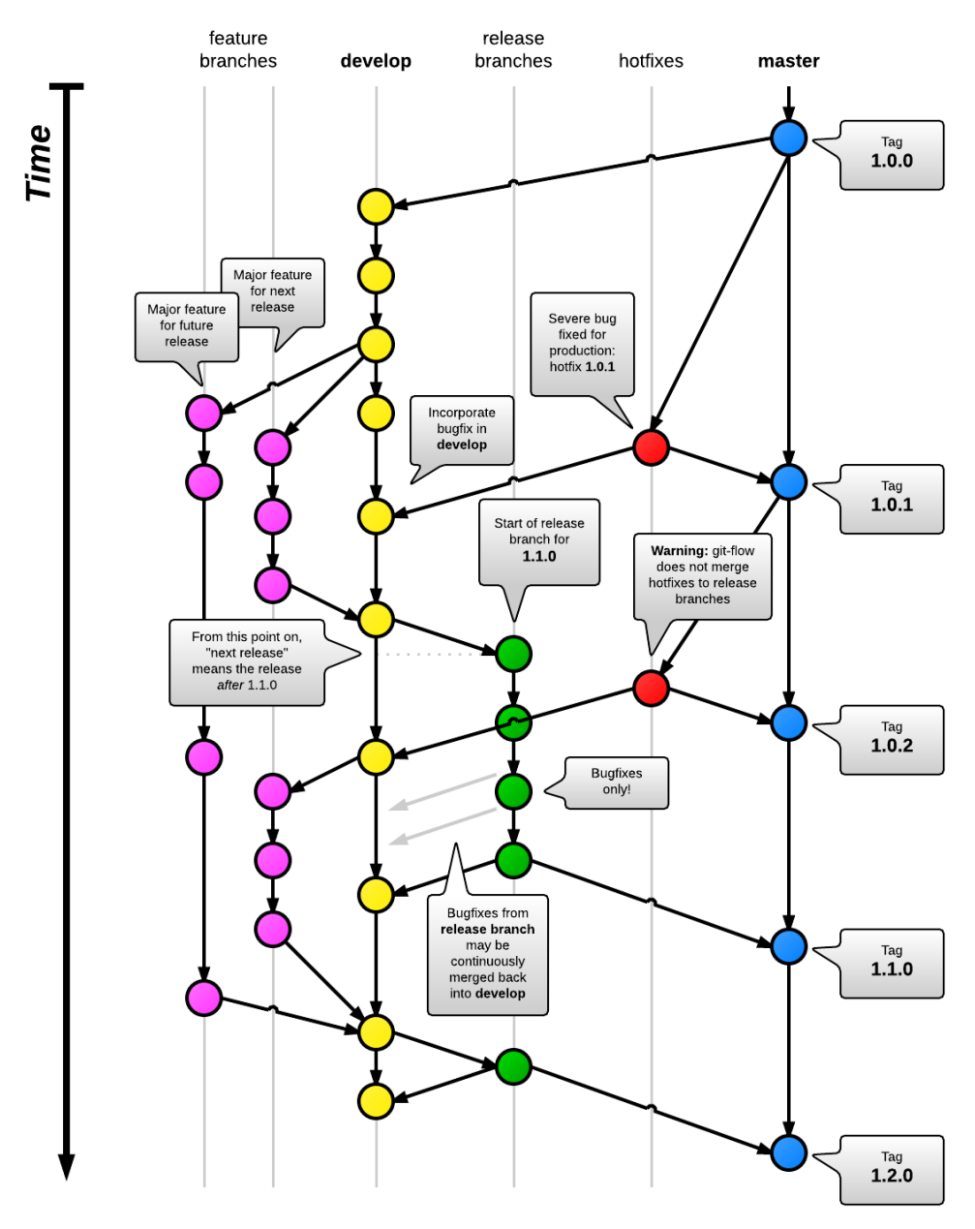
Branch | Purpose | Branch From | Name | Deploy To | Duration | Merge To | Delete
master | Production branch. |  |  |  |  |  | No
develop | Used for integration into from other branches. |  |  |  |  |  | No
Feature branch | Base to branch from to work on a specific feature or bug. |  |  |  |  |  | No
feature | One branch per feature. | feature | feature-* |  | Development time | feature | Yes
Release branch | Base used to prepare a specific release. Update version number and tag. |  |  |  |  |  | No
release | Create when almost production ready. Use for minor bug fixes. Tag. | develop | release-* | Staging | Sprint | master / develop | Yes
Hotfix branch | Fixes to current production releases. |  |  |  |  |  | No
hotfix | Prepare an unplanned release. Fix bug. Tag. | master or release | hotfix-* |  | Development time | master / develop or release | Yes

