Sheet2
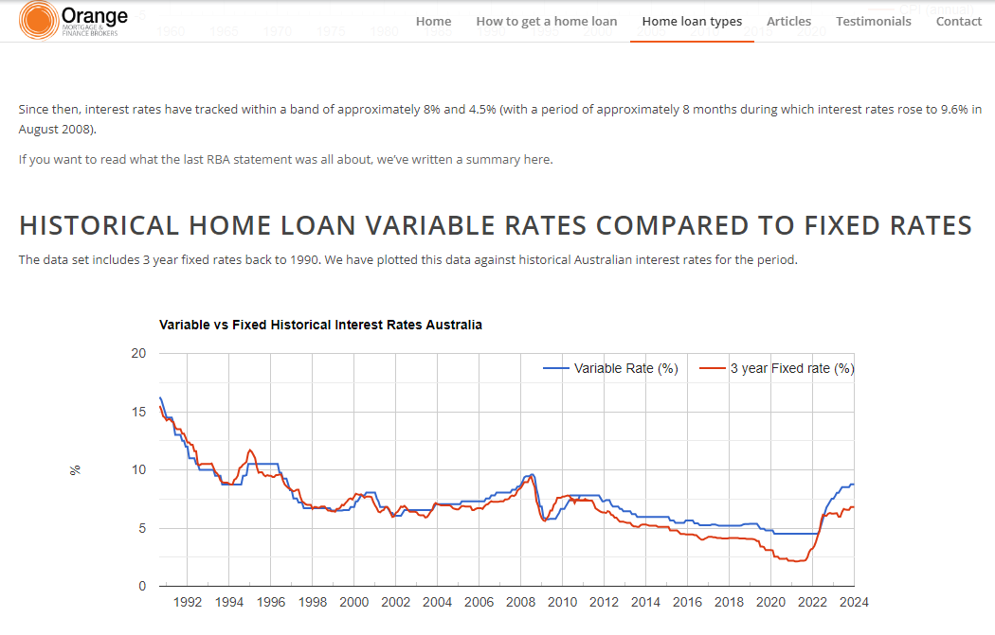
https://www.orangefinance.net.au/historical-interest-rates/
 |  |  |  | Average
2018 | Variable | 5.34
 | Fixed | 4.11 | 0.76966292135 | 4.725

2017 | Variable | 5.2
 | Fixed | 4.1 | 0.78846153846 | 4.65

2016 | Variable | 5.65
 | Fixed | 4.25 | 0.75221238938 | 4.95

2015 | Variable | 5.65
 | Fixed | 4.45 | 0.78761061947 | 5.05

2014 | Variable | 5.95
 | Fixed | 5.1 | 0.85714285714 | 5.525

2013 | Variable | 5.95
 | Fixed | 5.3 | 0.89075630252 | 5.625

