E2E
 | 0.8 | 0.9 | 1 | 1.1 | 1.2 | 1.3 | 1.4 | 1.5 | 1.6 | 1.7 | 1.8
DDR | 317.78933998 | 256.7853987 | 221.49771273 | 181.1032772 | 161.51602438 | 137.41890027 | 129.09394757 | 111.76832464 | 88.979134704 | 79.9885766 | 70.732525537

DTDR | 325.33706163 | 262.7709855 | 229.81232228 | 197.61796925 | 180.64590149 | 147.04531632 | 142.00844567 | 121.20148634 | 99.782967721 | 79.800690896 | 68.277393226

OPSPF | 158.02077444 | 133.78544189 | 126.56726775 | 112.19256833 | 105.00014963 | 93.817064833 | 88.868196122 | 83.988976519 | 77.120673935 | 74.69936252 | 69.88829928
W/O Failure | 65.108860643 | 65.108860643 | 65.108860643 | 65.108860643 | 65.108860643 | 65.108860643 | 65.108860643 | 65.108860643 | 65.108860643 | 65.108860643 | 65.108860643
 | DDR |  | DTDR |  | OPSPF | W/O Failure
0.8 | 317.78933998 |  | 325.33706163 |  | 158.02077444 | 65.108860643
0.9 | 256.7853987 |  | 262.7709855 |  | 133.78544189 | 65.108860643
1 | 221.49771273 |  | 229.81232228 |  | 126.56726775 | 65.108860643
1.1 | 181.1032772 |  | 197.61796925 |  | 112.19256833 | 65.108860643
1.2 | 161.51602438 |  | 180.64590149 |  | 105.00014963 | 65.108860643
1.3 | 137.41890027 |  | 147.04531632 |  | 93.817064833 | 65.108860643
1.4 | 129.09394757 |  | 142.00844567 |  | 88.868196122 | 65.108860643
1.5 | 111.76832464 |  | 121.20148634 |  | 83.988976519 | 65.108860643
1.6 | 88.979134704 |  | 99.782967721 |  | 77.120673935 | 65.108860643
1.7 | 79.9885766 |  | 79.800690896 |  | 74.69936252 | 65.108860643
1.8 | 70.732525537 |  | 68.277393226 |  | 69.88829928 | 65.108860643

Sheet6
 | 0.8 | 0.9 | 1 | 1.1 | 1.2 | 1.3 | 1.4 | 1.5 | 1.6 | 1.7 | 1.8
DDR | 228076 | 174320 | 143757 | 103316 | 89853 | 69080 | 63270 | 42627 | 26715 | 17427 | 8659

DTDR | 278161 | 212862 | 178971 | 148538 | 128999 | 95004 | 88894 | 68939 | 45786 | 25649 | 10803

OPSPF | 13376880 | 10939104 | 9679824 | 8358768 | 7242048 | 6006528 | 5436288 | 4723488 | 3506976 | 2475792 | 1373328

DDR | 5.3580795877 | 5.2413472172 | 5.1576290011 | 5.0141675836 | 4.9535325819 | 4.8393523289 | 4.8011978345 | 4.629684769 | 4.4267551785 | 4.2412226312 | 3.9374677396

DTDR | 5.444296239 | 5.3280981384 | 5.2527826647 | 5.171837572 | 5.1105863437 | 4.977741891 | 4.9488724488 | 4.8384649794 | 4.6607327039 | 4.4090704376 | 4.0335443761

OPSPF | 7.1263548312 | 7.0389817513 | 6.985867461 | 6.9221422714 | 6.859861399 | 6.7786235059 | 6.7353024564 | 6.6742628164 | 6.5449327938 | 6.3937141553 | 6.1377742747

 | DDR |  | DTDR |  | OPSPF
0.8 | 228076 |  | 278161 |  | 13376880
0.9 | 174320 |  | 212862 |  | 10939104
1 | 143757 |  | 178971 |  | 9679824
1.1 | 103316 |  | 148538 |  | 8358768
1.2 | 89853 |  | 128999 |  | 7242048
1.3 | 69080 |  | 95004 |  | 6006528
1.4 | 63270 |  | 88894 |  | 5436288
1.5 | 42627 |  | 68939 |  | 4723488
1.6 | 26715 |  | 45786 |  | 3506976
1.7 | 17427 |  | 25649 |  | 2475792
1.8 | 8659 |  | 10803 |  | 1373328

Sheet1
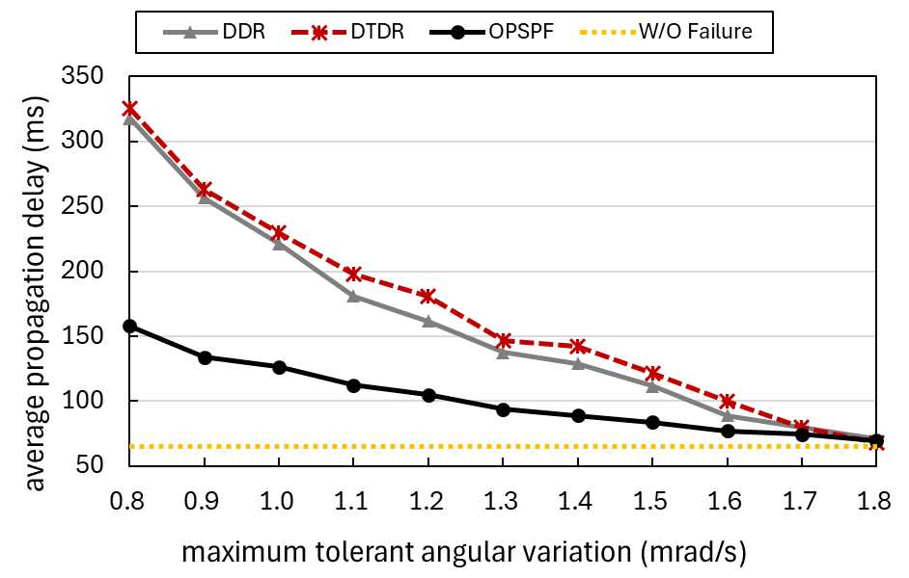
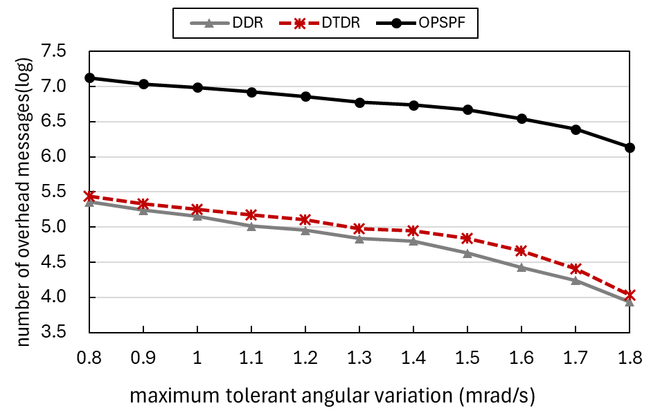
 | DDR |  | DTDR |  | OPSPF | W/O Failure
0.8 | 317.78933998 |  | 325.33706163 |  | 158.02077444 | 65.108860643
0.9 | 256.7853987 |  | 262.7709855 |  | 133.78544189 | 65.108860643
1 | 221.49771273 |  | 229.81232228 |  | 126.56726775 | 65.108860643
1.1 | 181.1032772 |  | 197.61796925 |  | 112.19256833 | 65.108860643
1.2 | 161.51602438 |  | 180.64590149 |  | 105.00014963 | 65.108860643
1.3 | 137.41890027 |  | 147.04531632 |  | 93.817064833 | 65.108860643
1.4 | 129.09394757 |  | 142.00844567 |  | 88.868196122 | 65.108860643
1.5 | 111.76832464 |  | 121.20148634 |  | 83.988976519 | 65.108860643
1.6 | 88.979134704 |  | 99.782967721 |  | 77.120673935 | 65.108860643
1.7 | 79.9885766 |  | 79.800690896 |  | 74.69936252 | 65.108860643
1.8 | 70.732525537 |  | 68.277393226 |  | 69.88829928 | 65.108860643
 | DDR |  | DTDR |  | OPSPF
0.8 | 5.3580795877 |  | 5.444296239 |  | 7.1263548312
0.9 | 5.2413472172 |  | 5.3280981384 |  | 7.0389817513
1 | 5.1576290011 |  | 5.2527826647 |  | 6.985867461
1.1 | 5.0141675836 |  | 5.171837572 |  | 6.9221422714
1.2 | 4.9535325819 |  | 5.1105863437 |  | 6.859861399
1.3 | 4.8393523289 |  | 4.977741891 |  | 6.7786235059
1.4 | 4.8011978345 |  | 4.9488724488 |  | 6.7353024564
1.5 | 4.629684769 |  | 4.8384649794 |  | 6.6742628164
1.6 | 4.4267551785 |  | 4.6607327039 |  | 6.5449327938
1.7 | 4.2412226312 |  | 4.4090704376 |  | 6.3937141553
1.8 | 3.9374677396 |  | 4.0335443761 |  | 6.1377742747

