Spectral Sheet Archive
Embedded Source Archive – Summary Cards and Detailed Spectral Analysis Screens
The images preserve recorded-signal, spectrum, and impulse-response plots as visual evidence; underlying numeric arrays were not supplied.

Sample 000001 | ABA-C-01 | Summary card | ABA-C-01 | Detailed spectral analysis
 | 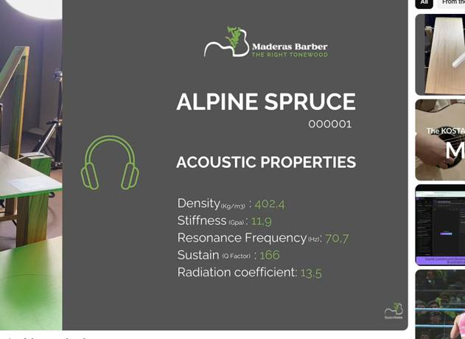 | 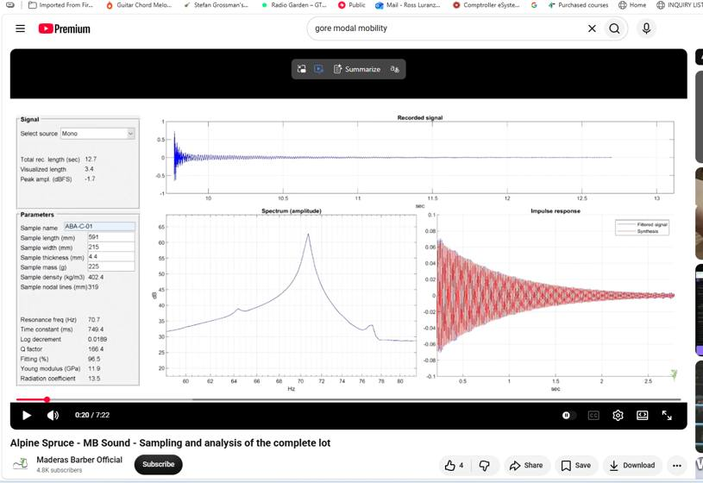

Sample 000002 | ABA-C-02 | Summary card | ABA-C-02 | Detailed spectral analysis
 | 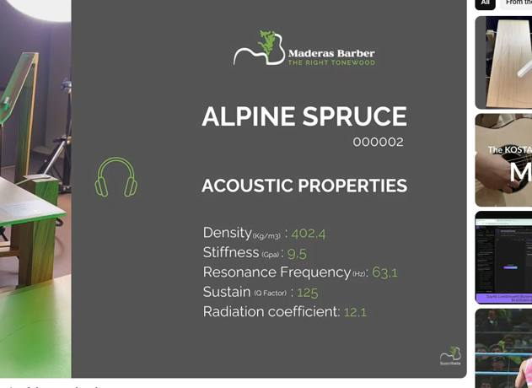 | 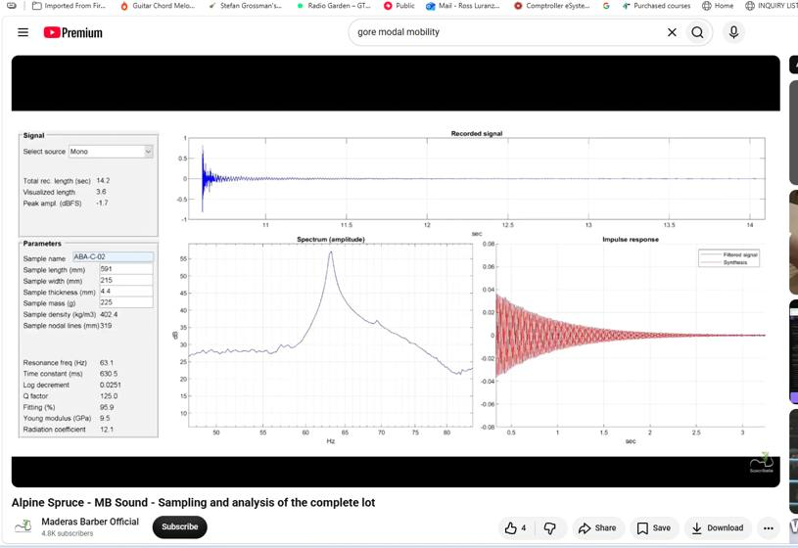

Sample 000003 | ABA-C-03 | Summary card | ABA-C-03 | Detailed spectral analysis
 | 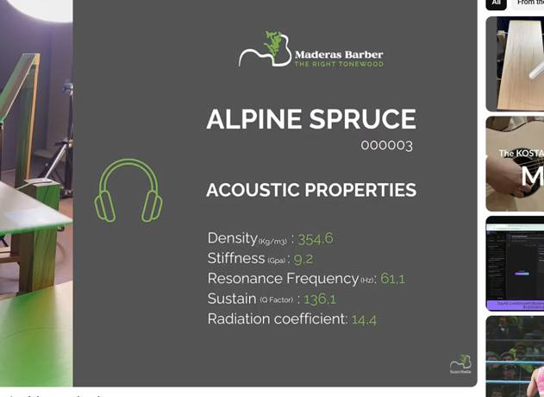 | 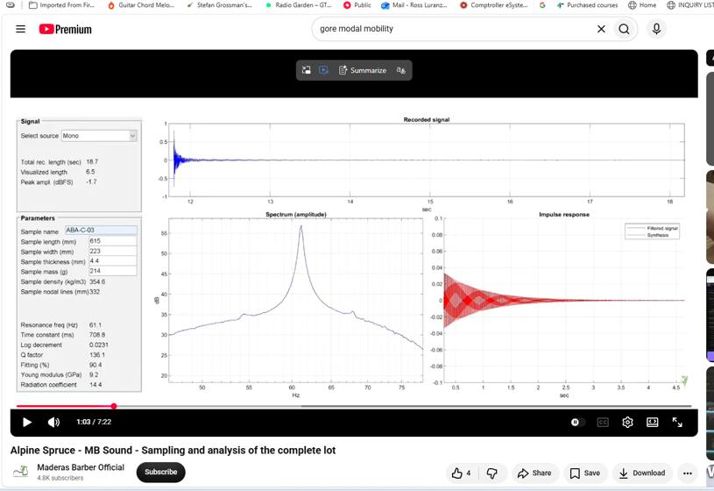

Sample 000004 | ABA-C-04 | Summary card | ABA-C-04 | Detailed spectral analysis
 | 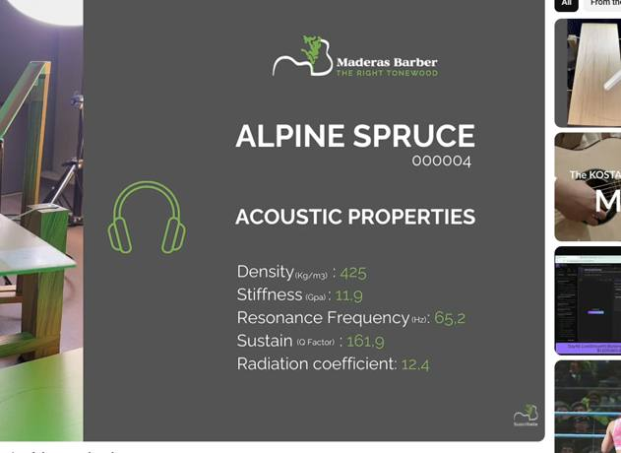 | 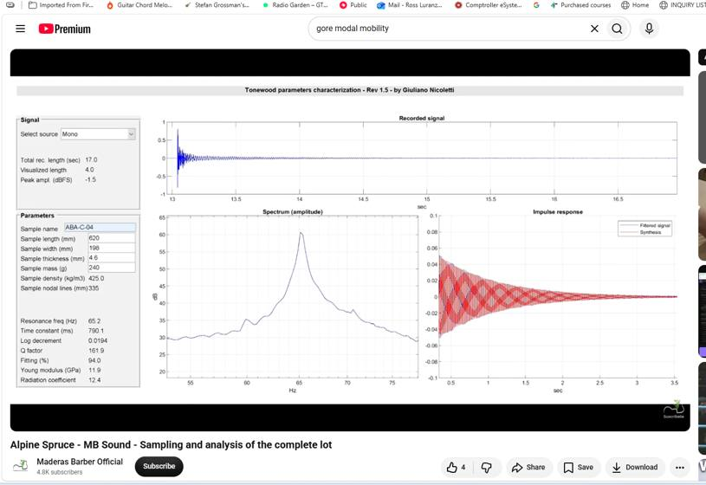

Sample 000005 | ABA-C-05 | Summary card | ABA-C-05 | Detailed spectral analysis
 | 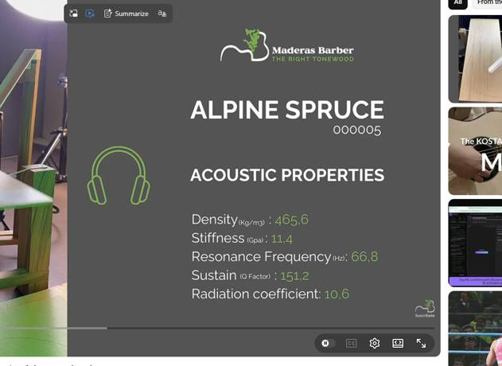 | 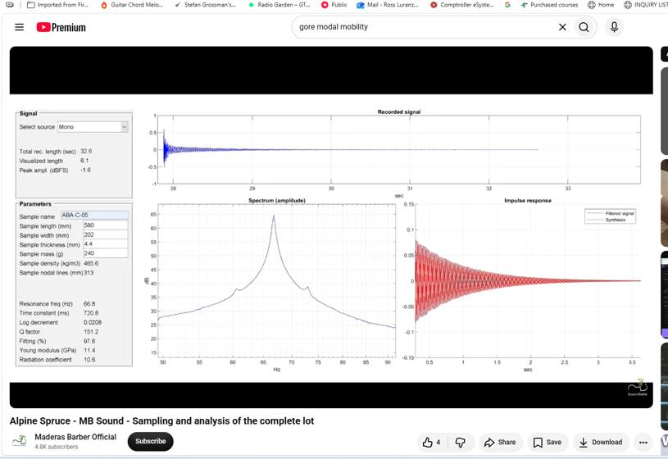

Sample 000006 | ABA-C-06 | Summary card | ABA-C-06 | Detailed spectral analysis
 |  | 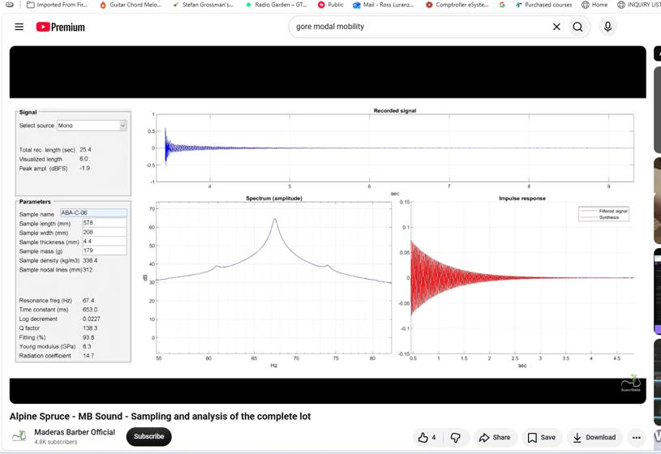

Sample 000007 | ABA-C-07 | Summary card | ABA-C-07 | Detailed spectral analysis
 | 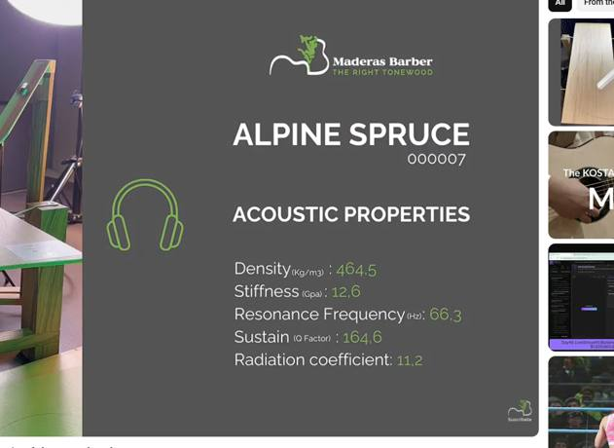 | 

Sample 000008 | ABA-C-08 | Summary card | ABA-C-08 | Detailed spectral analysis
 | 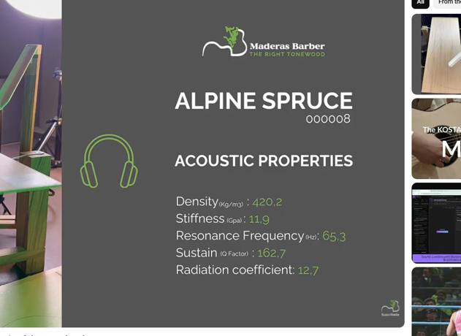 | 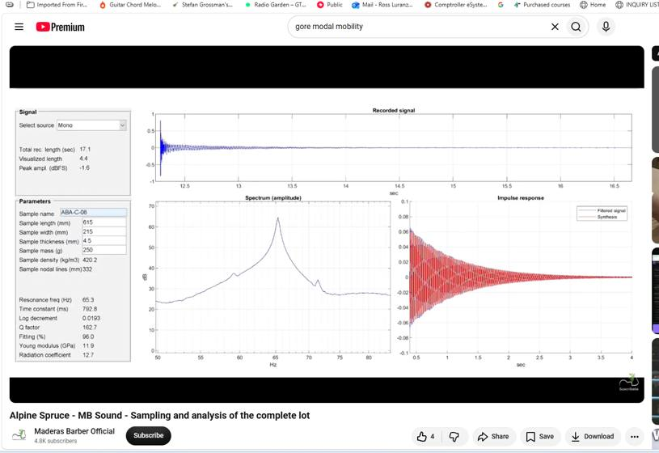

Sample 000009 | ABA-C-09 | Summary card | ABA-C-09 | Detailed spectral analysis
 | 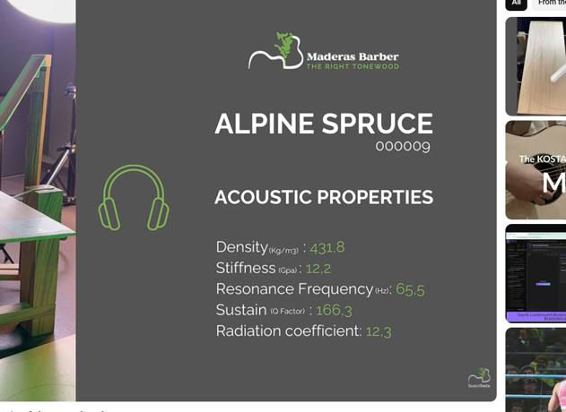 | 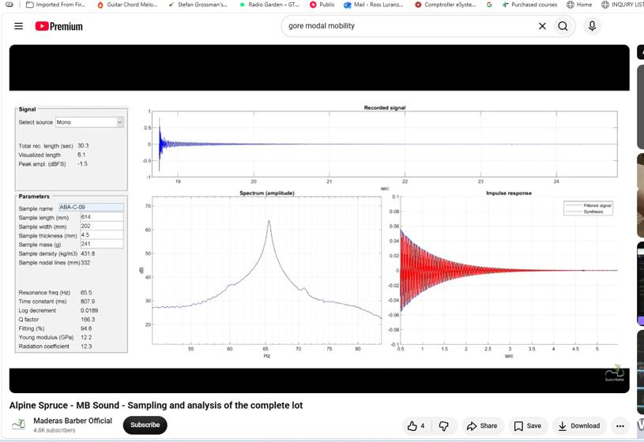

Sample 000010 | ABA-C-10 | Summary card | ABA-C-10 | Detailed spectral analysis
 |  | 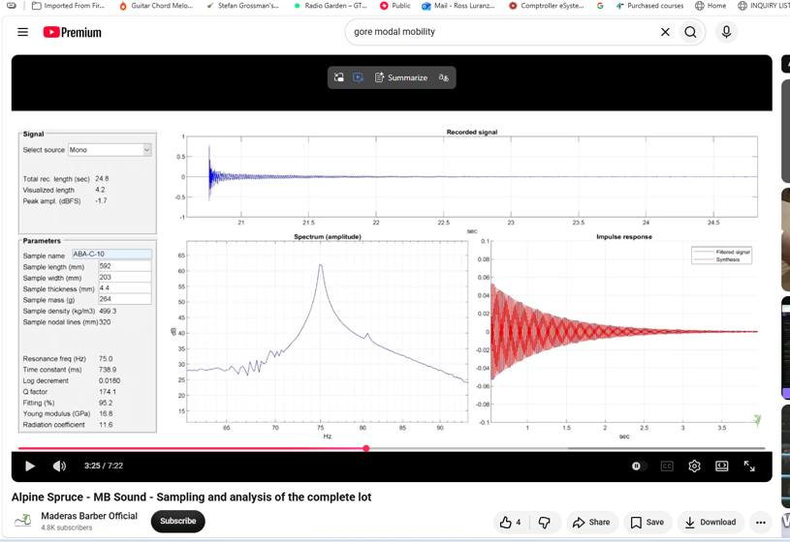

Sample 000011 | ABA-W-01 | Summary card | ABA-W-01 | Detailed spectral analysis
 | 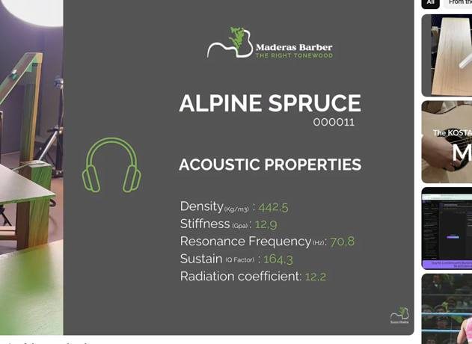 | 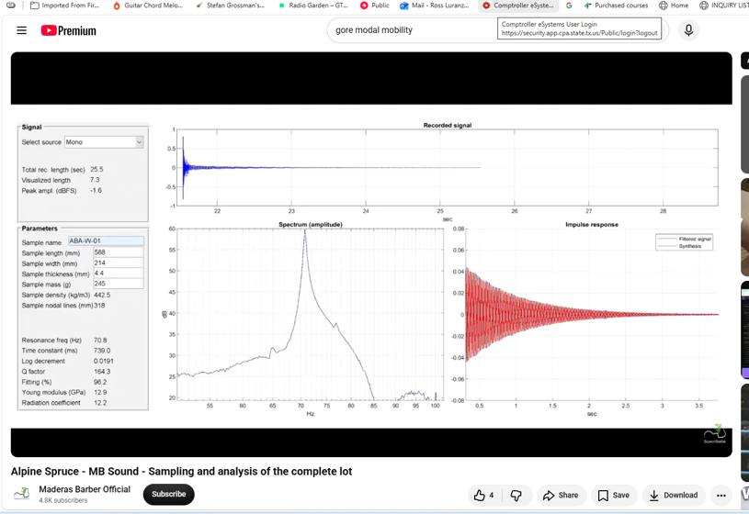

Sample 000012 | ABA-W-02 | Summary card | ABA-W-02 | Detailed spectral analysis
 | 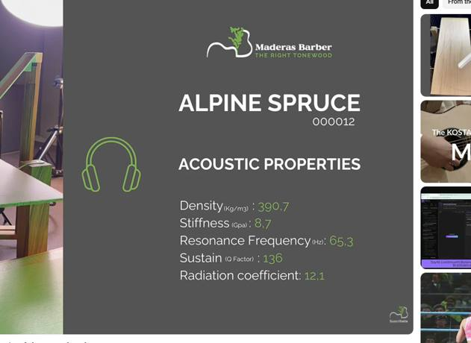 | 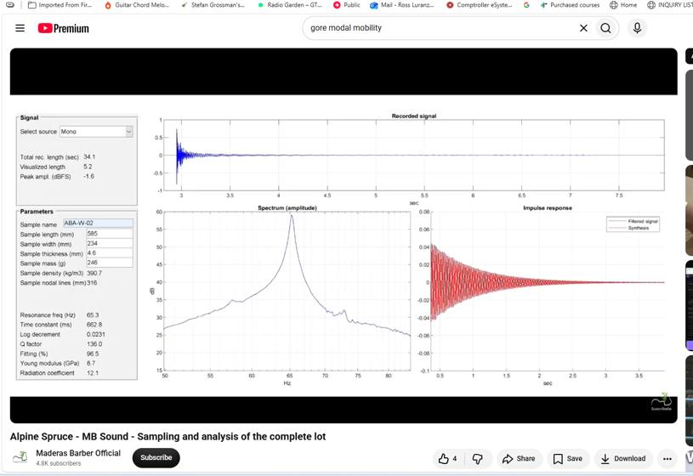

Sample 000013 | ABA-W-03 | Summary card | ABA-W-03 | Detailed spectral analysis
 | 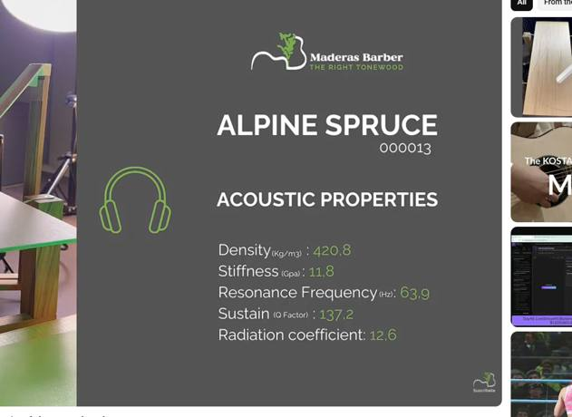 | 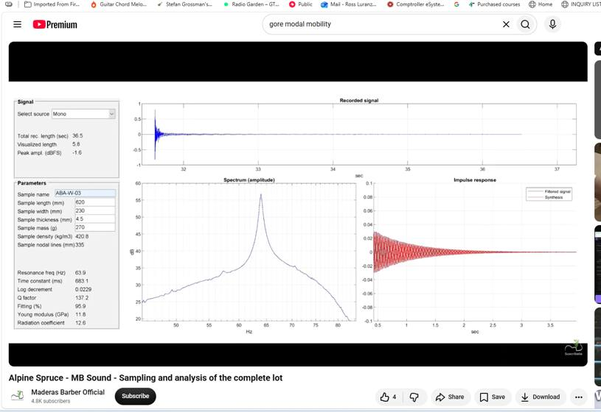

Sample 000014 | ABA-W-04 | Summary card | ABA-W-04 | Detailed spectral analysis
 | 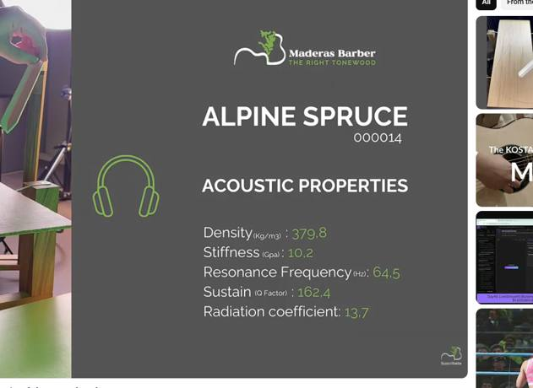 | 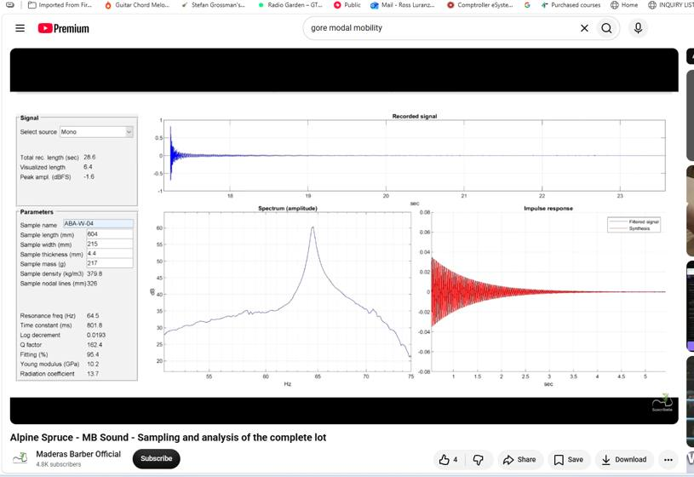

Sample 000015 | ABA-W-05 | Summary card | ABA-W-05 | Detailed spectral analysis
 | 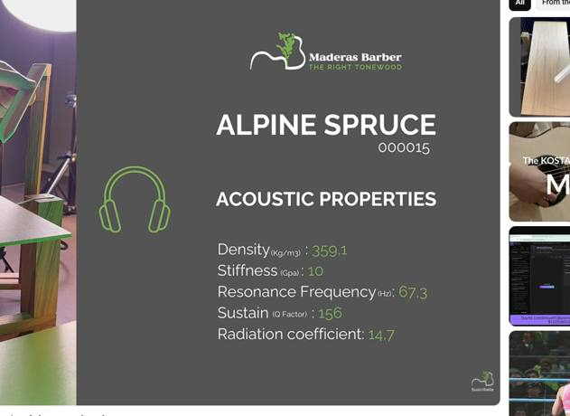 | 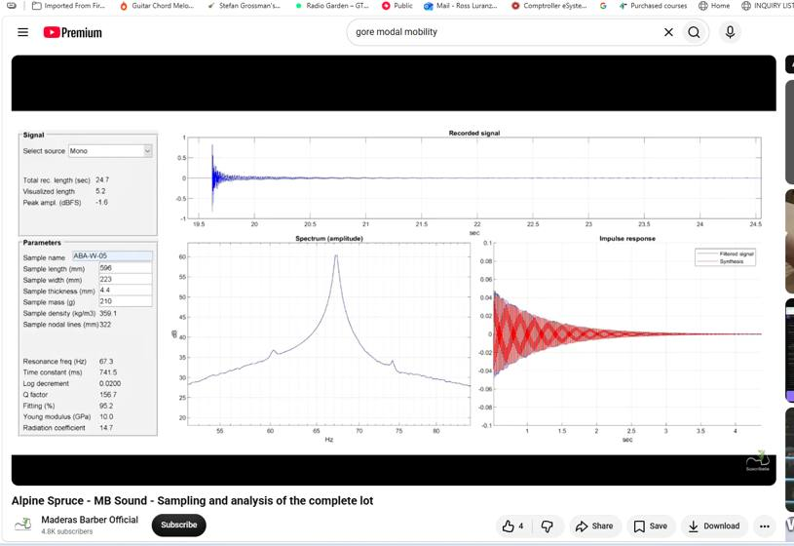

Sample 000016 | ABA-W-06 | Summary card | ABA-W-06 | Detailed spectral analysis
 | 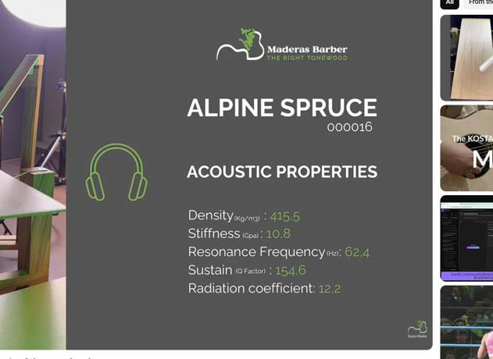 | 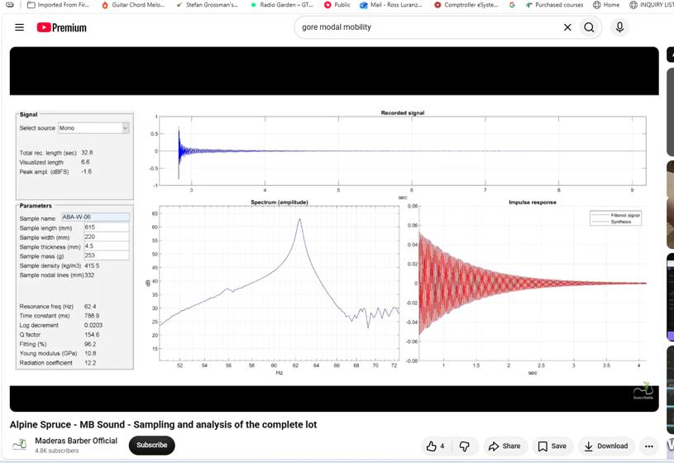

Sample 000017 | ABA-W-07 | Summary card | ABA-W-07 | Detailed spectral analysis
 | 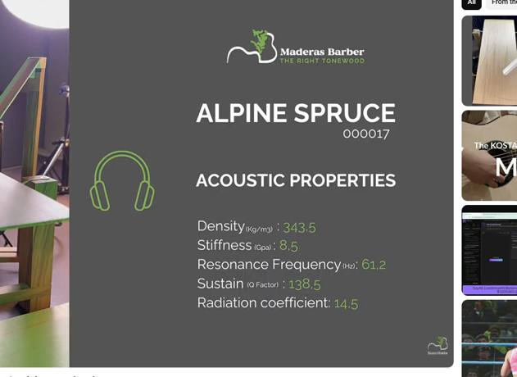 | 

Sample 000018 | ABA-W-08 | Summary card | ABA-W-08 | Detailed spectral analysis
 | 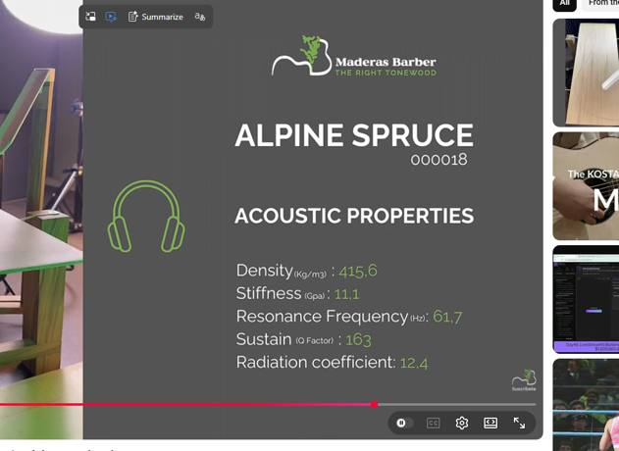 | 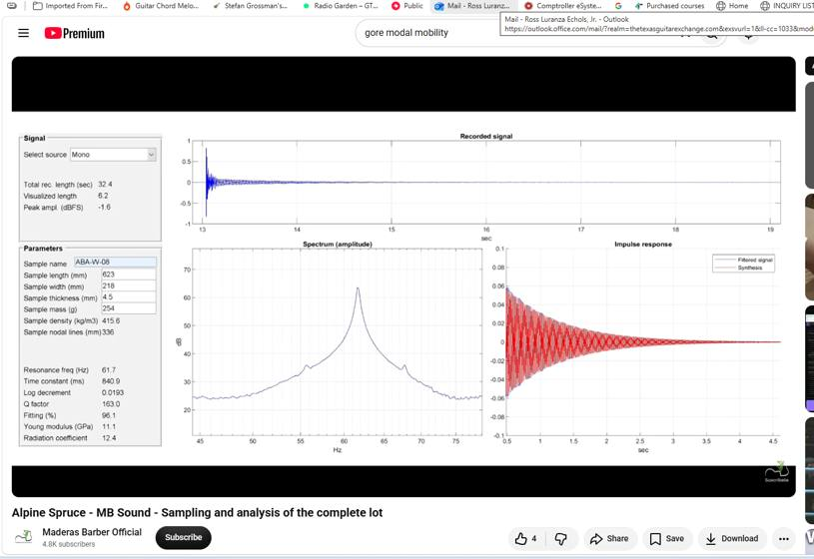

Sample 000019 | ABA-W-09 | Summary card | ABA-W-09 | Detailed spectral analysis
 | 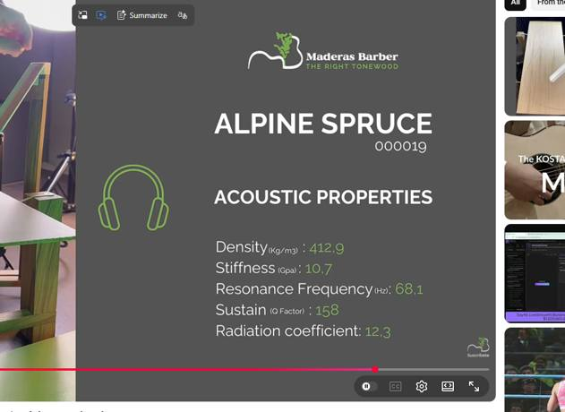 | 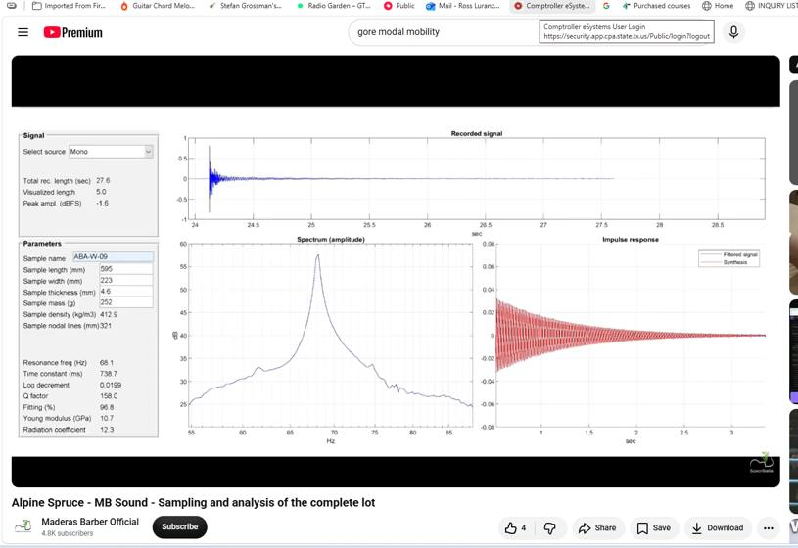

Sample 000020 | ABA-W-10 | Summary card | ABA-W-10 | Detailed spectral analysis
 | 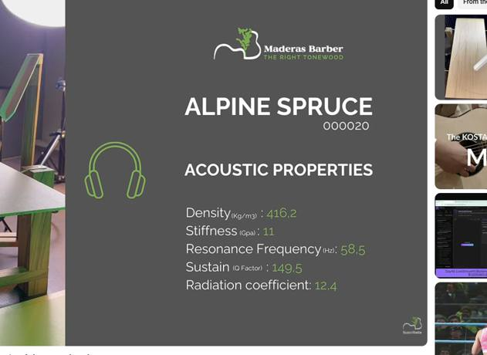 | 

Sample 000021 | ABA-W-11 | Summary card | ABA-W-11 | Detailed spectral analysis
 | 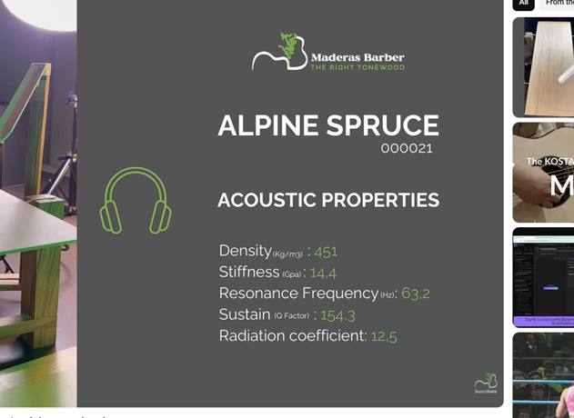 | 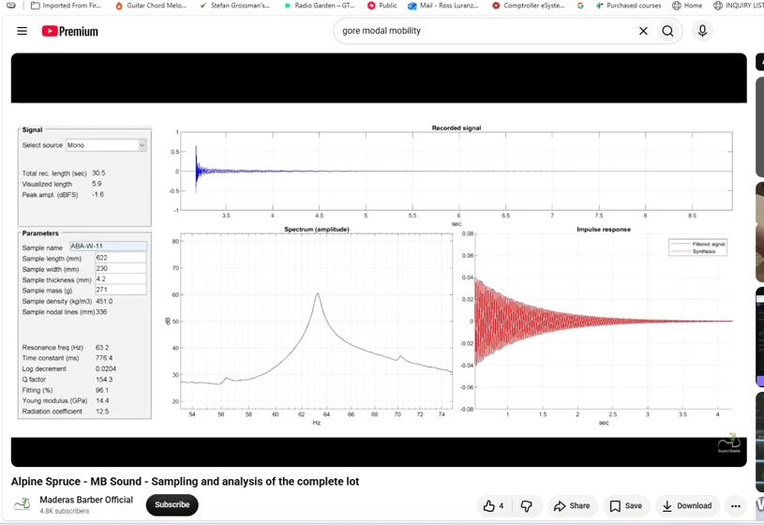

Sample 000022 | ABA-W-12 | Summary card | ABA-W-12 | Detailed spectral analysis
 | 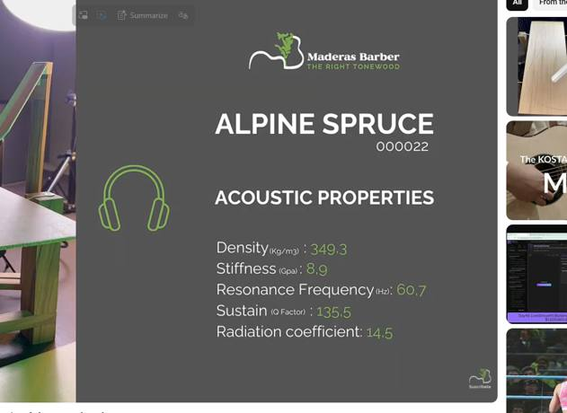 | 