Spectral Sheet Archive
Embedded Summary Cards and Detailed Spectral-Analysis Screens
Rendered plots are preserved visually; no raw waveform, FFT-bin, or impulse-response arrays were supplied.

Sample 000024 | CA-00002 | Summary | CA-00002 | Detailed
 | 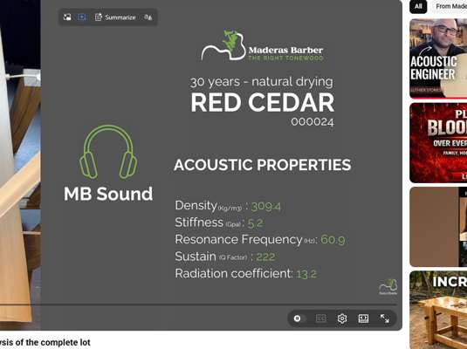 | 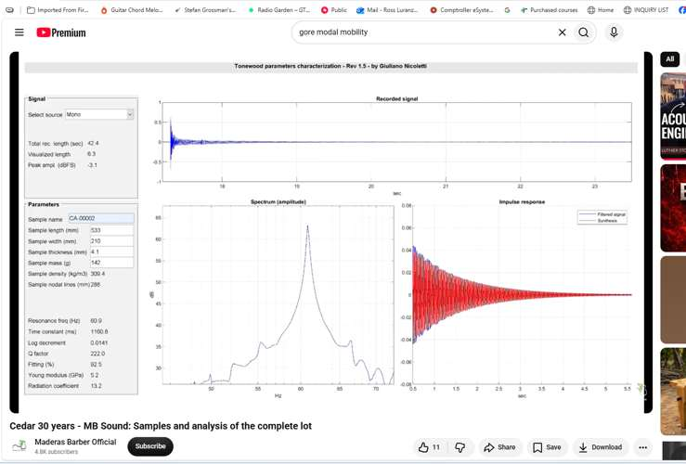

Sample 000025 | CA3-0003 | Summary | CA3-0003 | Detailed
 | 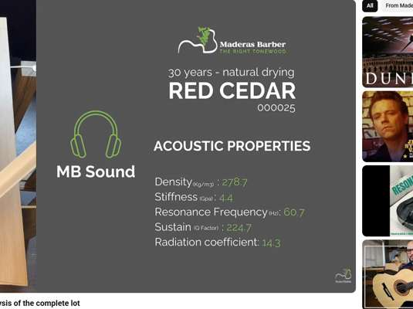 | 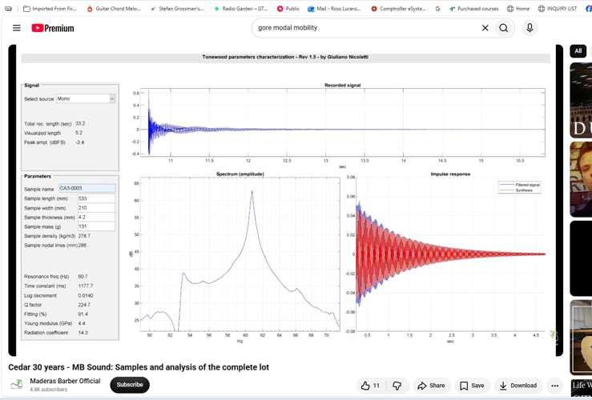

Sample 000026 | CA3-0004 | Summary | CA3-0004 | Detailed
 | 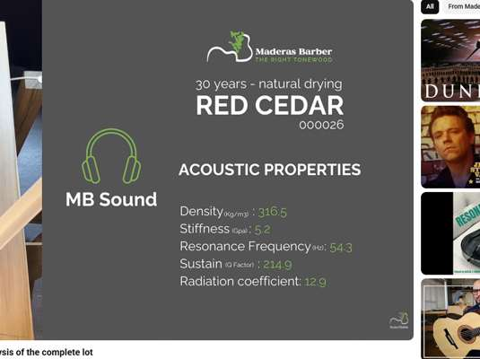 | 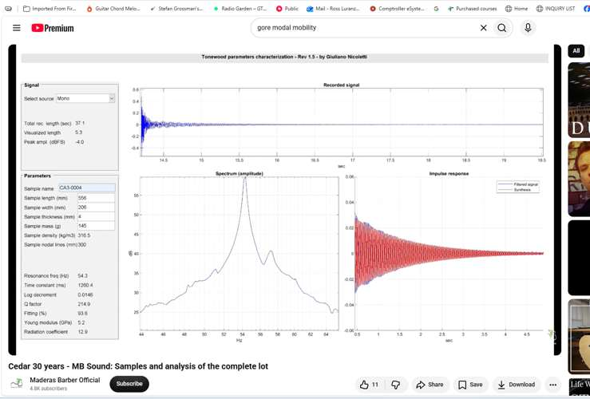

Sample 000027 | CA3-0005 | Summary | CA3-0005 | Detailed
 |  | 

Sample 000028 | CA23-0006 | Summary | CA23-0006 | Detailed
 | 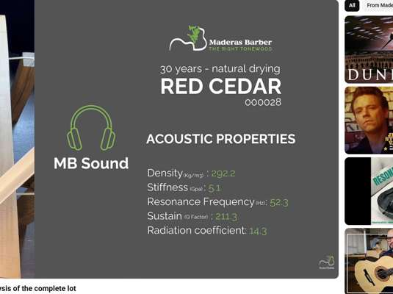 | 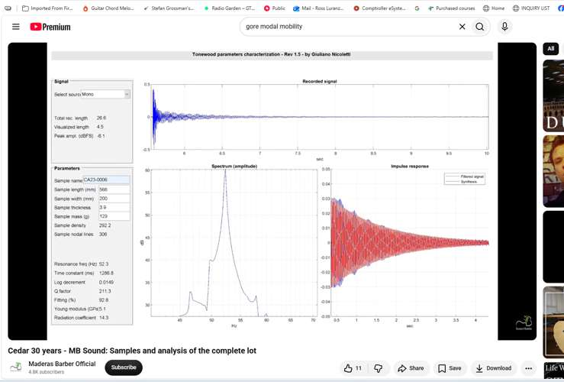

Sample 000029 | CA23-0007 | Summary | CA23-0007 | Detailed
 | 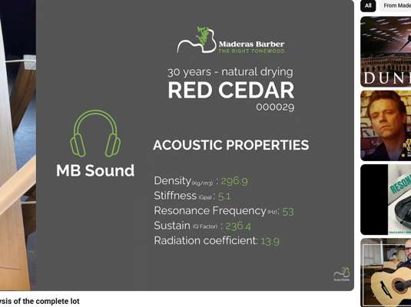 | 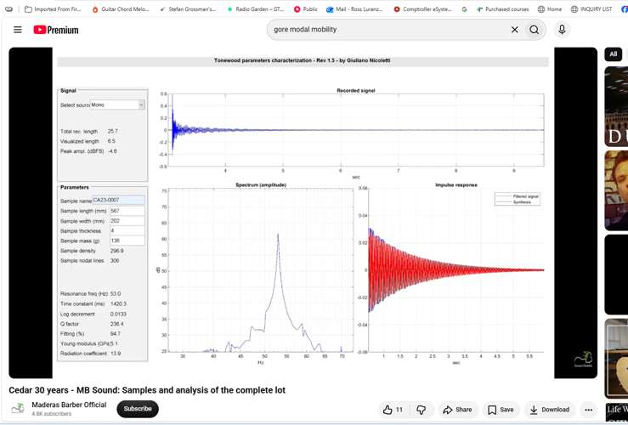

Sample 000030 | CA23-0008 | Summary | CA23-0008 | Detailed
 | 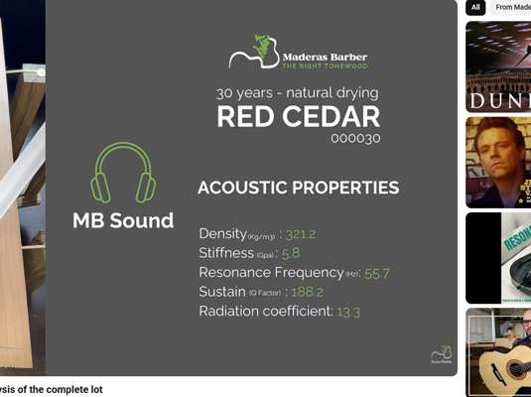 | 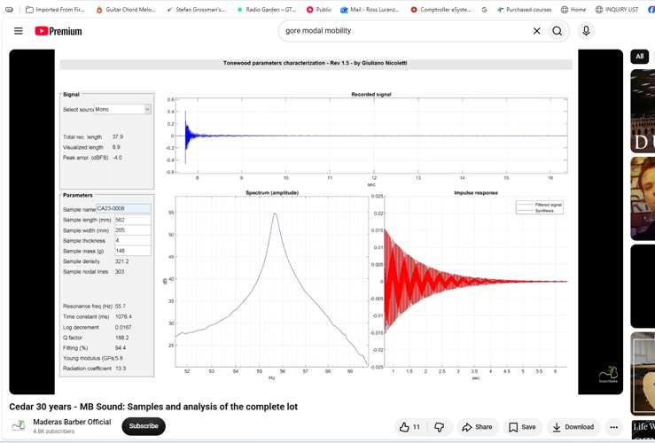

Sample 000031 | CA23-0009 | Summary | CA23-0009 | Detailed
 | 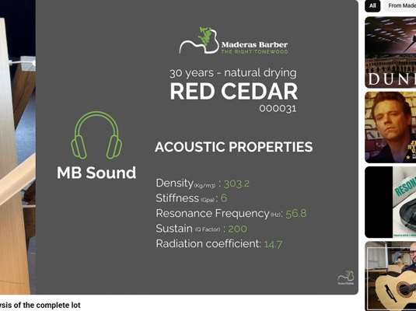 | 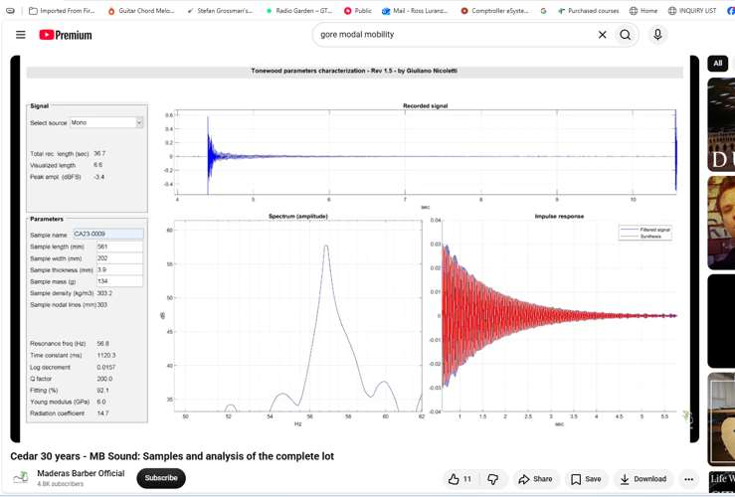

Sample 000032 | CA23-0010 | Summary | CA23-0010 | Detailed
 | 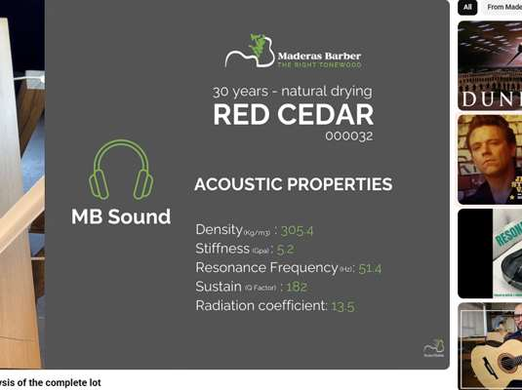 | 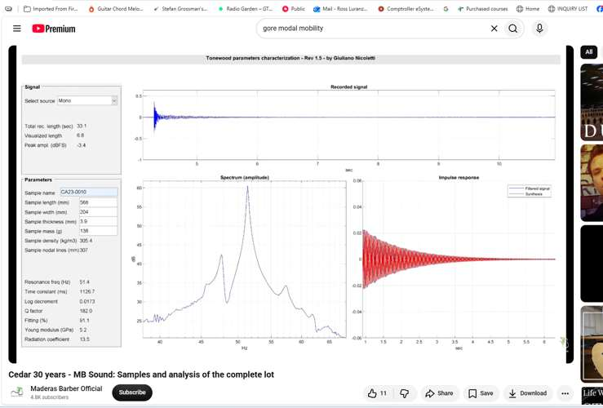

Sample 000033 | CA2-0011 | Summary | CA2-0011 | Detailed
 | 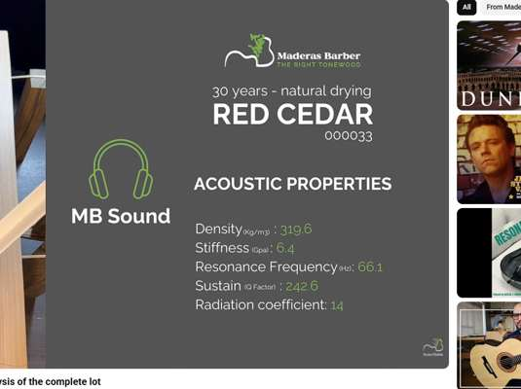 | 

Sample 000034 | CA2-0012 | Summary | CA2-0012 | Detailed
 |  | 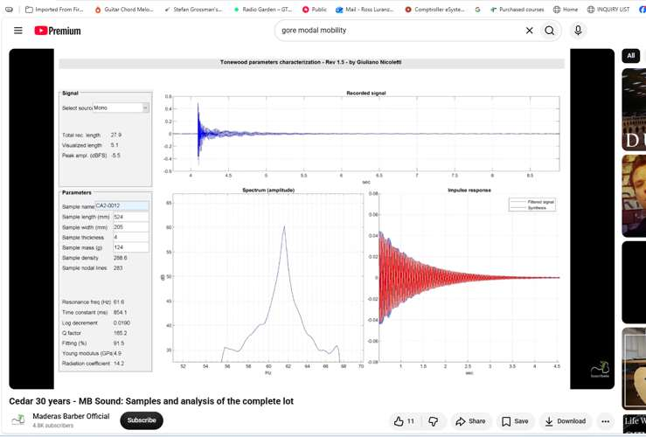

Sample 000035 | CA2-0013 | Summary | CA2-0013 | Detailed
 | 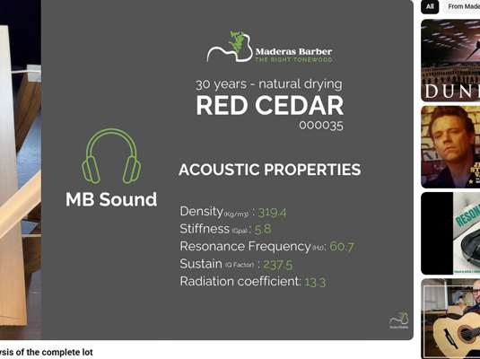 | 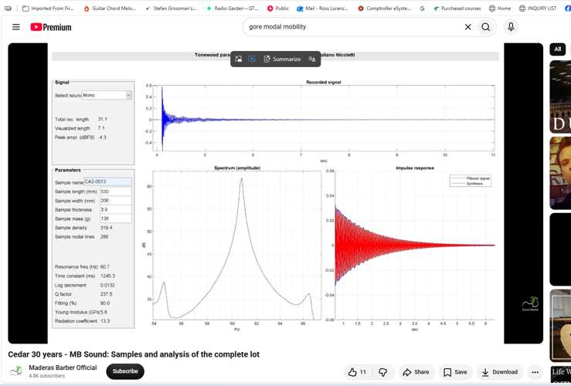

Sample 000036 | CA2-0014 | Summary | CA2-0014 | Detailed
 | 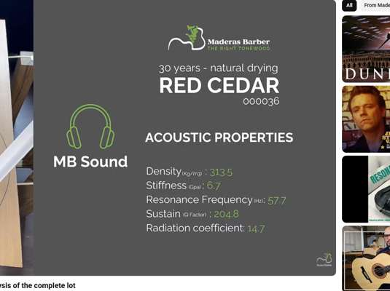 | 

Sample 000037 | CA2-0015 | Summary | CA2-0015 | Detailed
 | 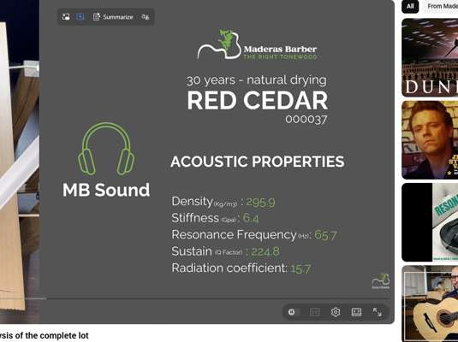 | 

Sample 000038 | CA1-0016 | Summary | CA1-0016 | Detailed
 |  | 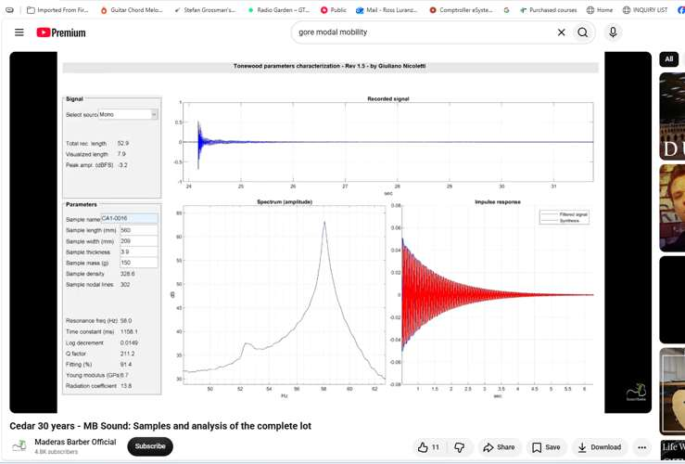

Sample 000039 | CA1-0017 | Summary | CA1-0017 | Detailed
 |  | 

Sample 000040 | CA1-0018 | Summary | CA1-0018 | Detailed
 | 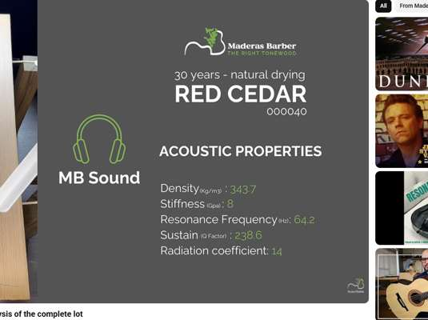 | 

Sample 000041 | CA1-0019 | Summary | CA1-0019 | Detailed
 | 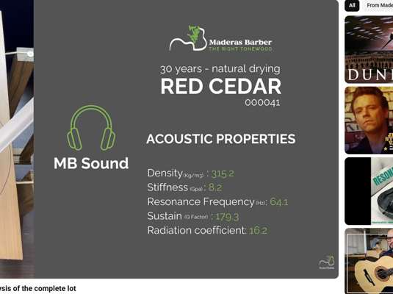 | 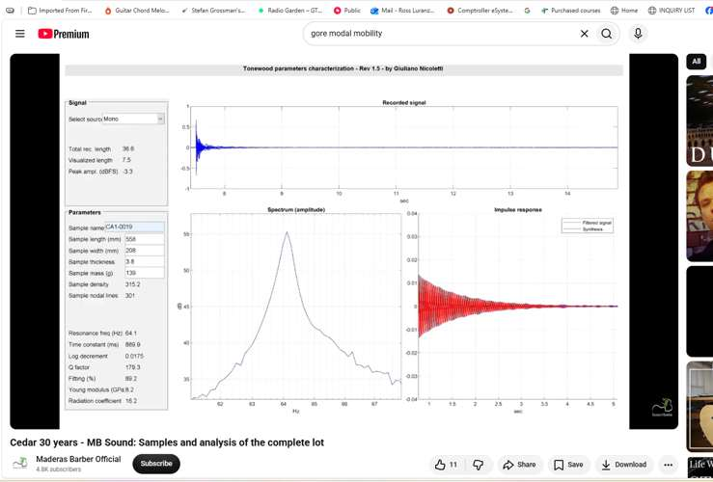

Sample 000042 | CA1-0020 | Summary | CA1-0020 | Detailed
 | 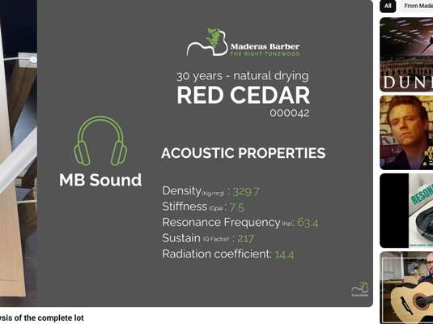 | 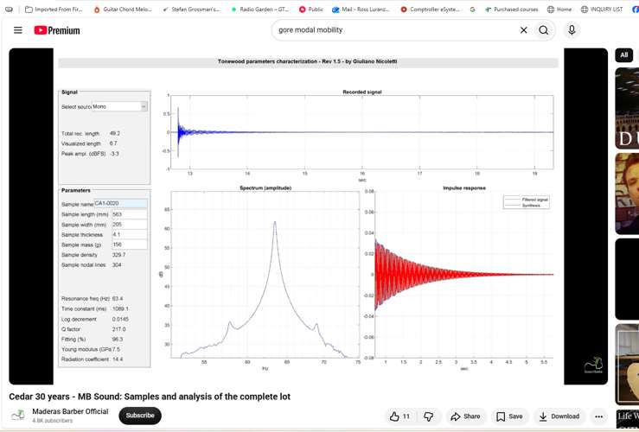

Sample 000043 | CAE-0021 | Summary | CAE-0021 | Detailed
 | 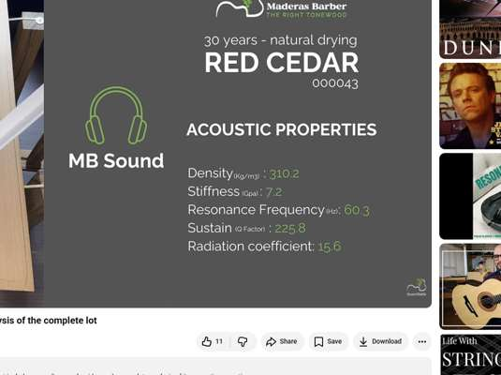 | 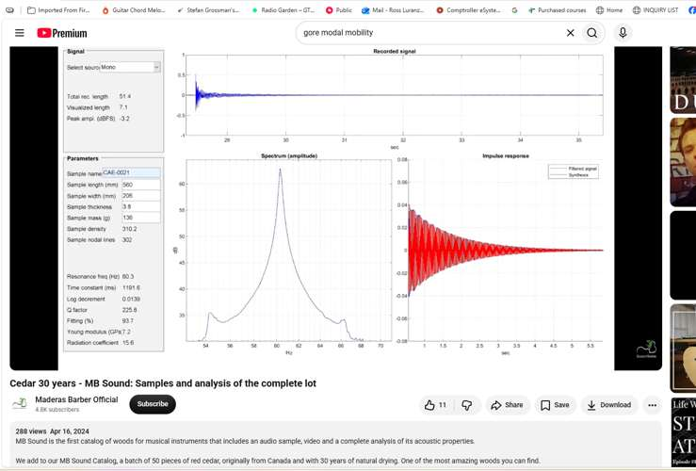

Sample 000044 | CAE-0022 | Summary | CAE-0022 | Detailed
 | 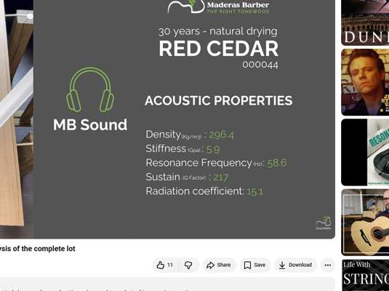 | 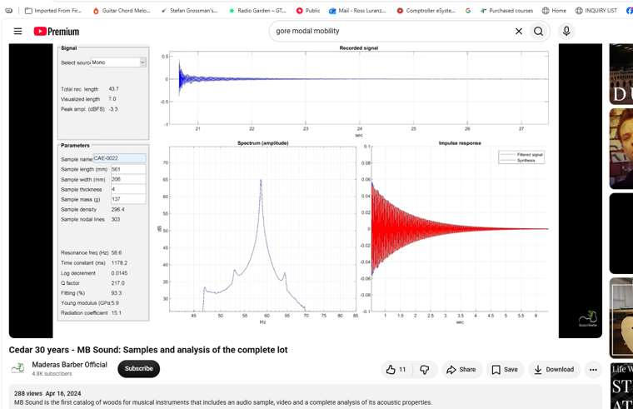

Sample 000045 | CAE-0023 | Summary | CAE-0023 | Detailed
 | 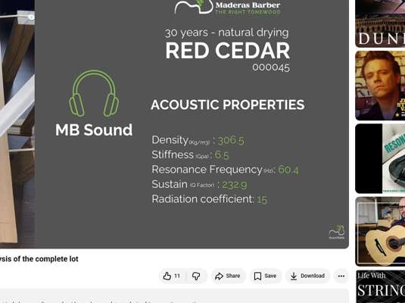 | 

Sample 000046 | CAE-0024 | Summary | CAE-0024 | Detailed
 | 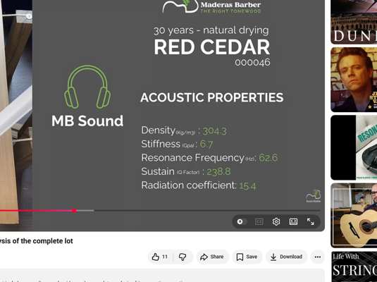 | 

Sample 000047 | CAE-0025 | Summary | CAE-0025 | Detailed
 | 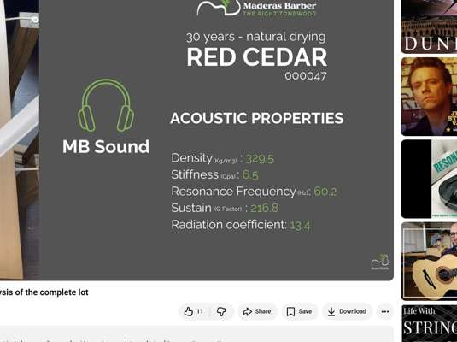 | 

Sample 000048 | CA3-0026 | Summary | CA3-0026 | Detailed
 | 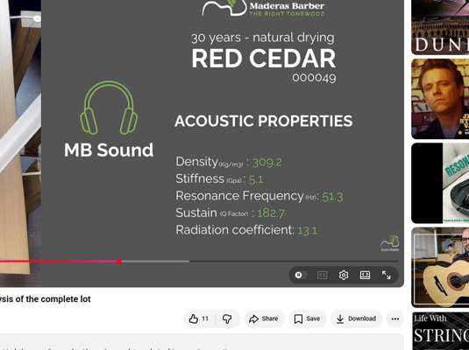 | 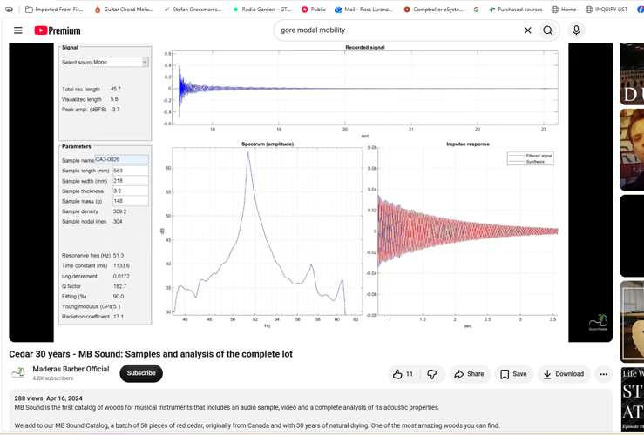

Sample 000049 | CA3-0027 | Summary | CA3-0027 | Detailed
 | 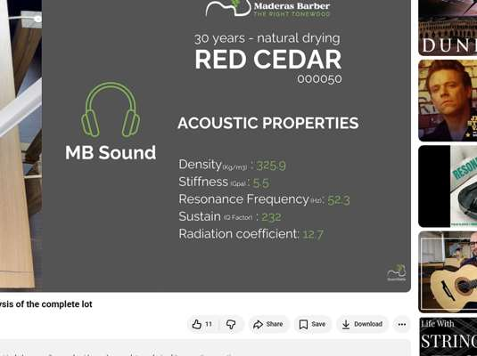 | 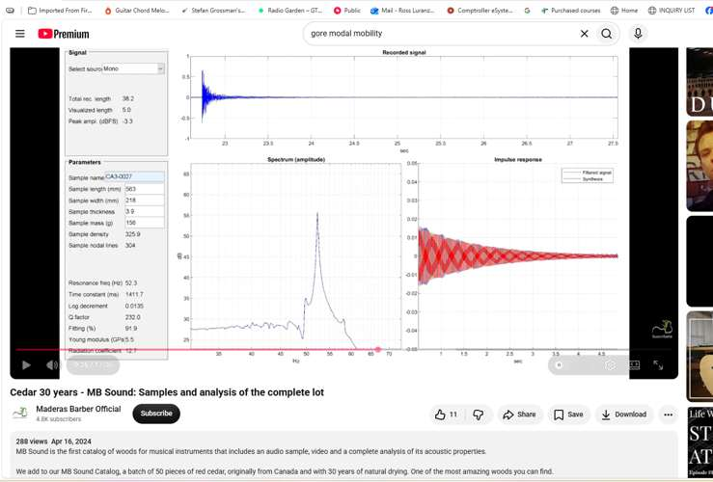

Sample 000050 | CA3-0028 | Summary | CA3-0028 | Detailed
 | 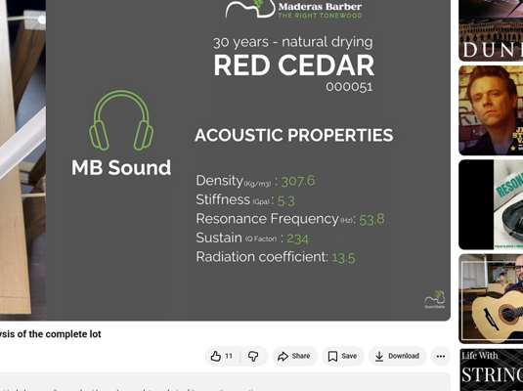 | 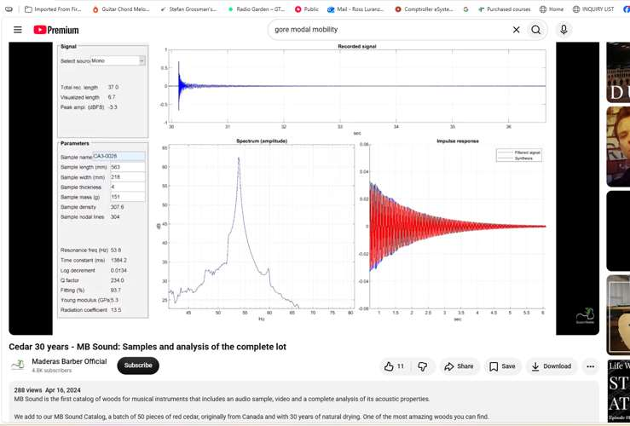

Sample 000051 | CA3-0029 | Summary | CA3-0029 | Detailed
 | 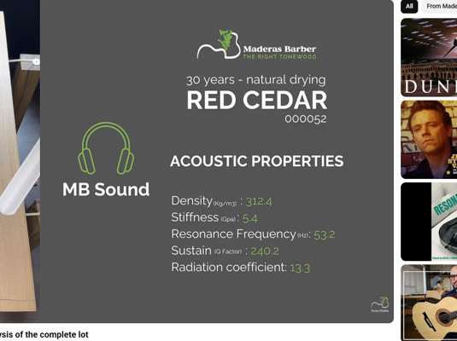 | 

Sample 000052 | CA3-0030 | Summary | CA3-0030 | Detailed
 | 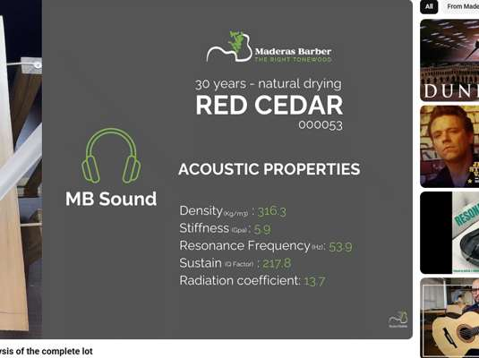 | 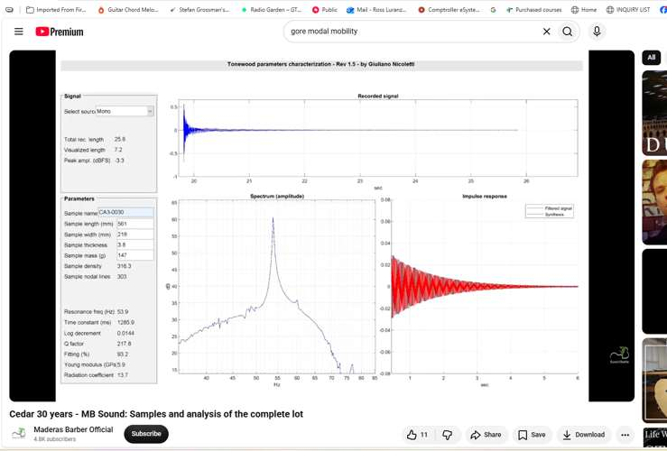

Sample 000053 | CA23-0031 | Summary | CA23-0031 | Detailed
 | 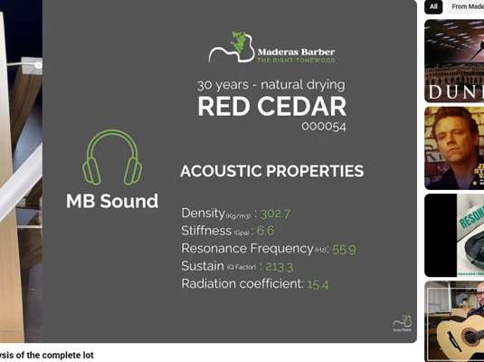 | 

Sample 000054 | CA23-0032 | Summary | CA23-0032 | Detailed
 | 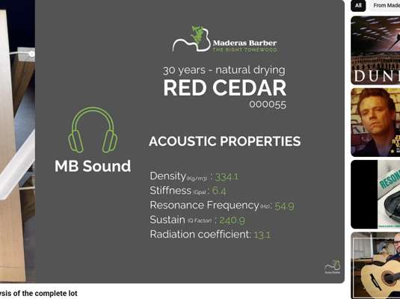 | 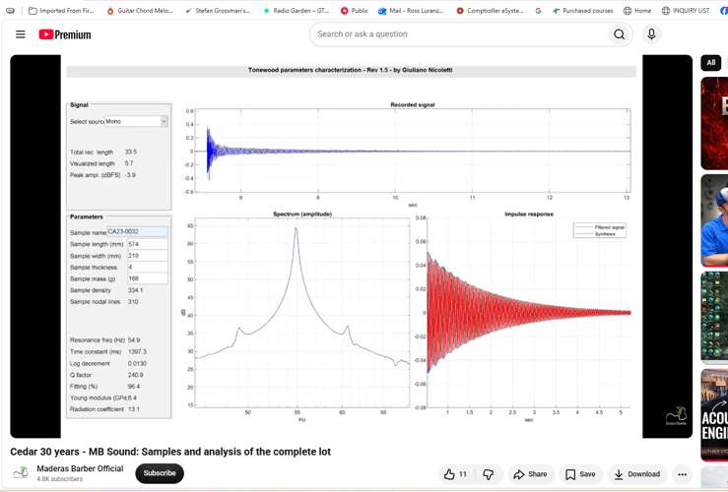

Sample 000055 | CA23-0033 | Summary | CA23-0033 | Detailed
 | 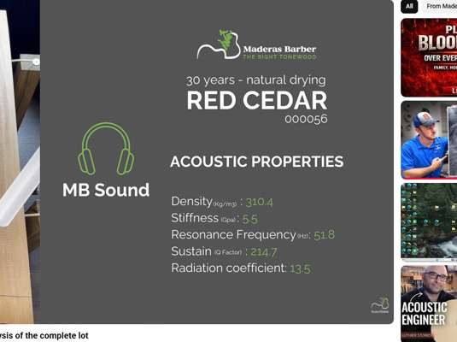 | 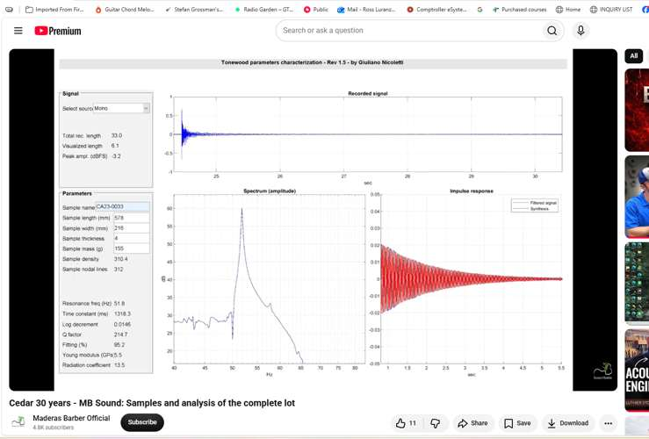

Sample 000056 | CA23-0034 | Summary | CA23-0034 | Detailed
 | 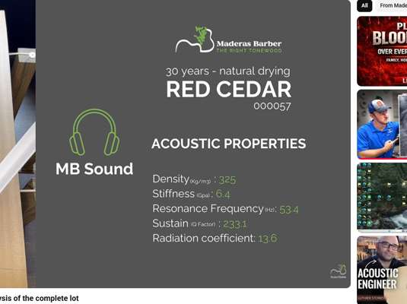 | 

Sample 000057 | CA23-0035 | Summary | CA23-0035 | Detailed
 |  | 

Sample 000058 | CA2-0036 | Summary | CA2-0036 | Detailed
 |  | 

Sample 000059 | CA2-0037 | Summary | CA2-0037 | Detailed
 |  | 

Sample 000060 | CA2-0038 | Summary | CA2-0038 | Detailed
 |  | 

Sample 000061 | CA2-0039 | Summary | CA2-0039 | Detailed
 |  | 

Sample 000062 | CA2-0040 | Summary | CA2-0040 | Detailed
 |  | 

Sample 000063 | CA1-0041 | Summary | CA1-0041 | Detailed
 |  | 

Sample 000064 | CA1-0042 | Summary | CA1-0042 | Detailed
 |  | 

Sample 000065 | CA1-0043 | Summary | CA1-0043 | Detailed
 |  | 

Sample 000066 | CA1-0044 | Summary | CA1-0044 | Detailed
 |  | 

Sample 000067 | CA1-0045 | Summary | CA1-0045 | Detailed
 |  | 

Sample 000068 | CAE-0046 | Summary | CAE-0046 | Detailed
 |  | 

Sample 000069 | CAE-0047 | Summary | CAE-0047 | Detailed
 |  | 

Sample 000070 | CAE-0048 | Summary | CAE-0048 | Detailed
 |  | 

Sample 000071 | CAE-0049 | Summary | CAE-0049 | Detailed
 |  | 

Sample 000072 | CAE-0050 | Summary | CAE-0050 | Detailed
 |  | 

