Spectral Sheet Archive
Embedded Source Archive – Summary Cards and Detailed Spectral Analysis Screens
The images preserve recorded-signal, spectrum, and impulse-response plots as visual evidence; underlying numeric arrays were not supplied.

Sample 000001 | CED-C-01 | Summary card | CED-C-01 | Detailed spectral analysis
 | 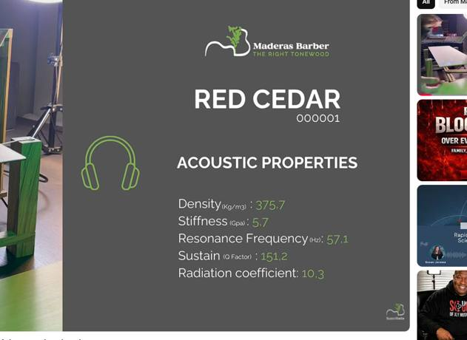 | 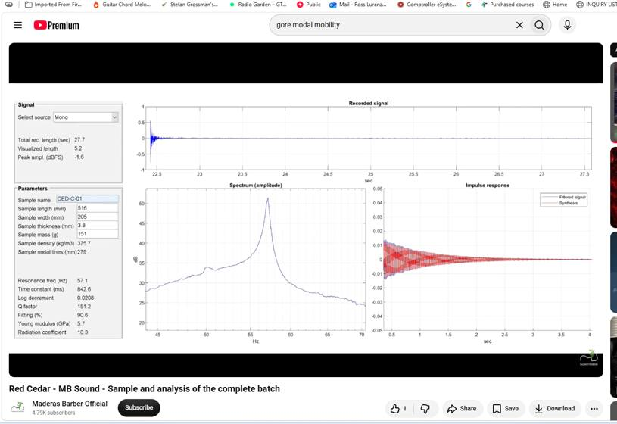

Sample 000002 | CED-C-02 | Summary card | CED-C-02 | Detailed spectral analysis
 | 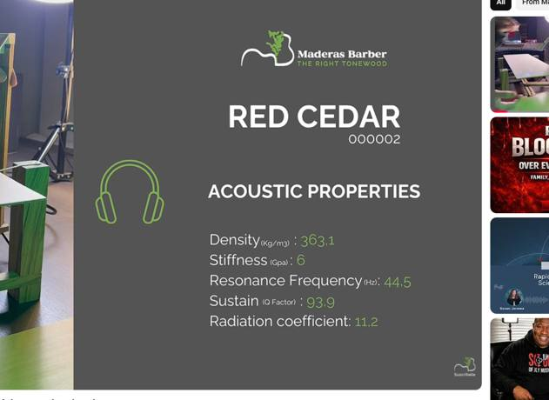 | 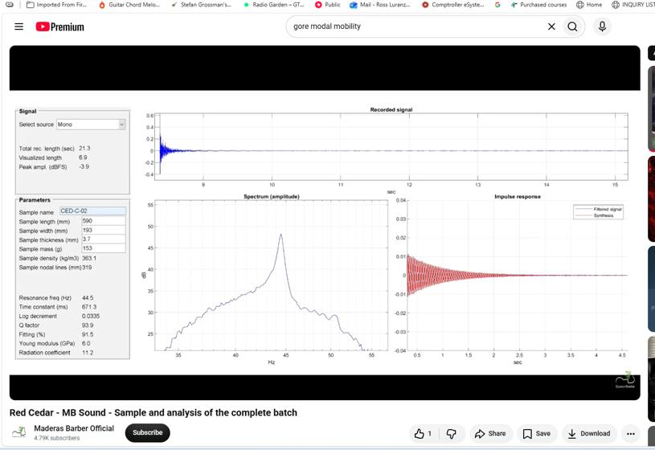

Sample 000003 | CED-C-03 | Summary card | CED-C-03 | Detailed spectral analysis
 | 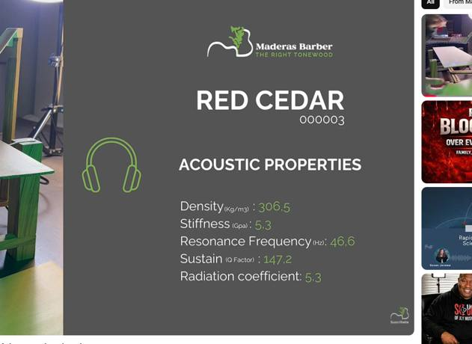 | 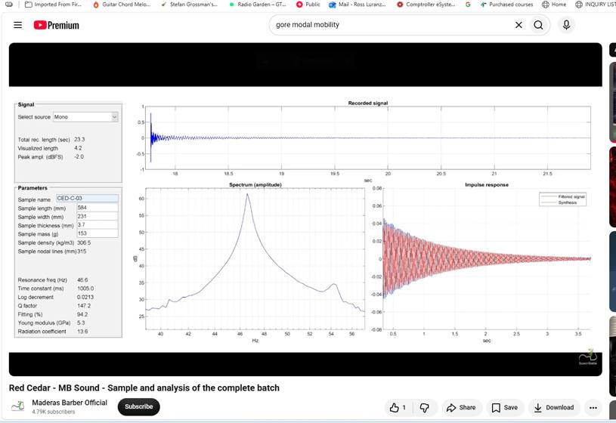

Sample 000004 | CED-C-04 | Summary card | CED-C-04 | Detailed spectral analysis
 | 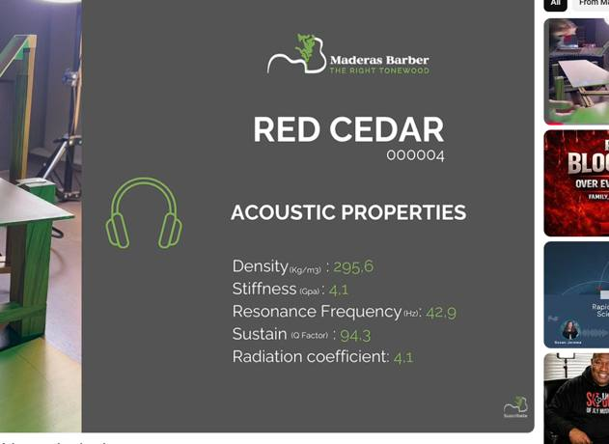 | 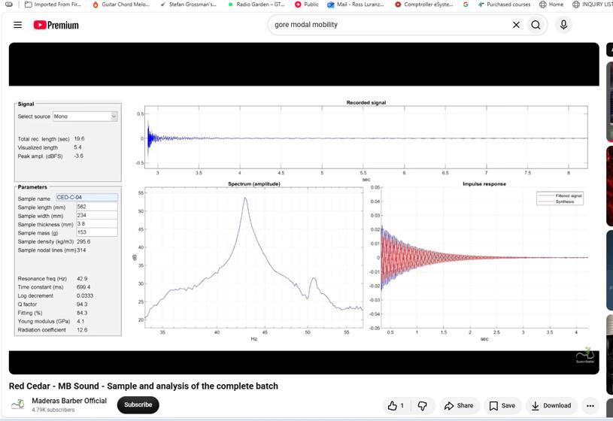

Sample 000005 | CED-C-05 | Summary card | CED-C-05 | Detailed spectral analysis
 | 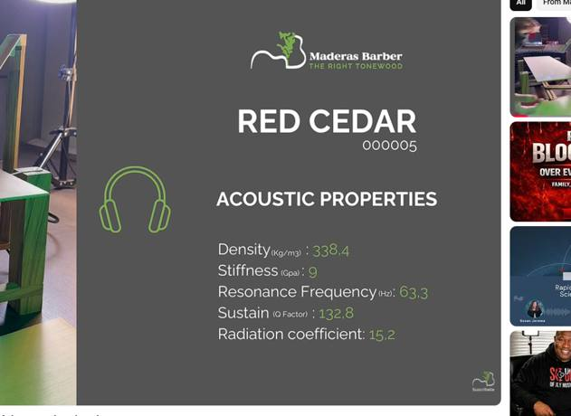 | 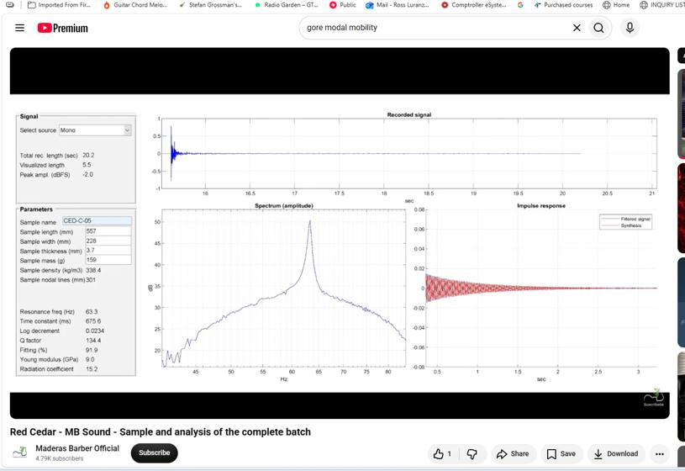

Sample 000006 | CED-C-06 | Summary card | CED-C-06 | Detailed spectral analysis
 | 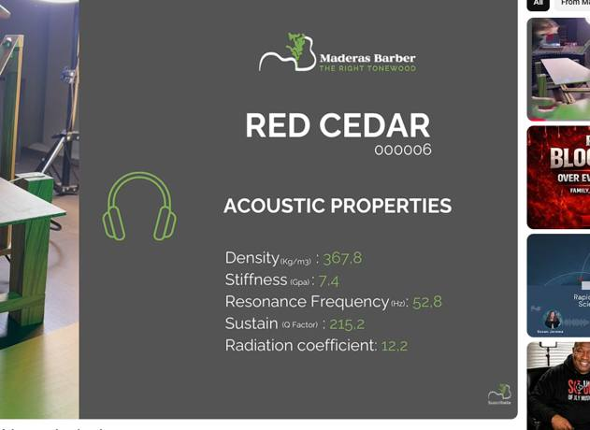 | 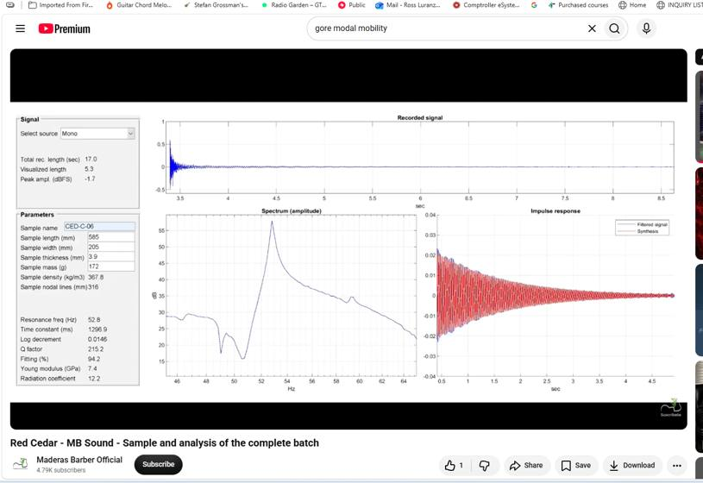

Sample 000007 | CED-C-07 | Summary card | CED-C-07 | Detailed spectral analysis
 | 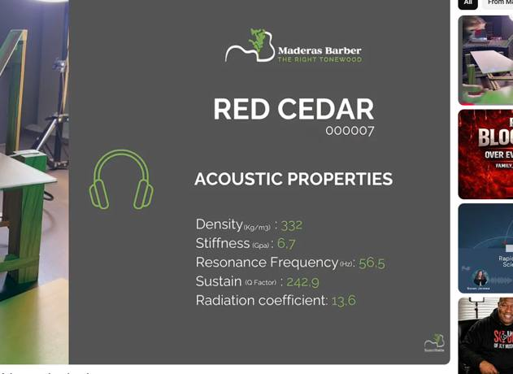 | 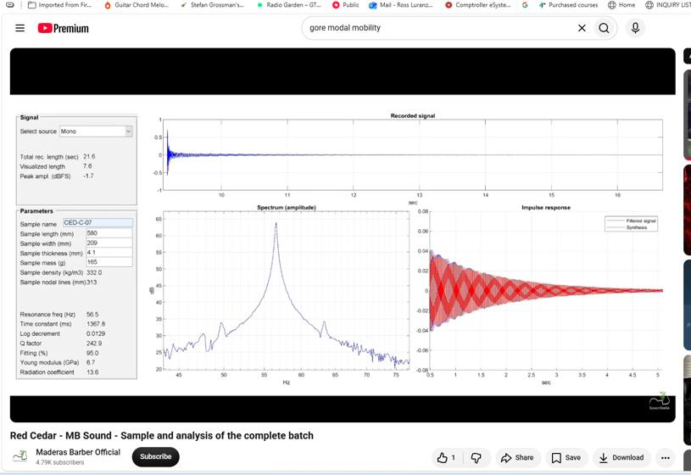

Sample 000008 | CED-C-08 | Summary card | CED-C-08 | Detailed spectral analysis
 |  | 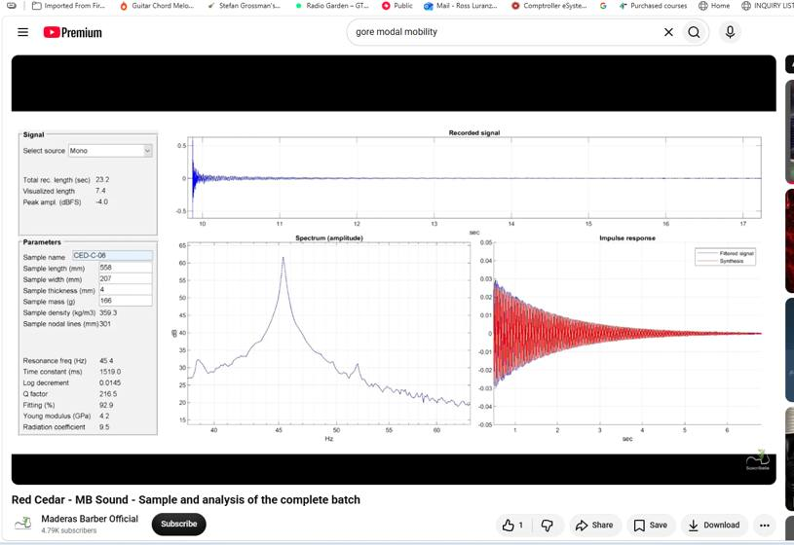

Sample 000009 | CED-C-09 | Summary card | CED-C-09 | Detailed spectral analysis
 | 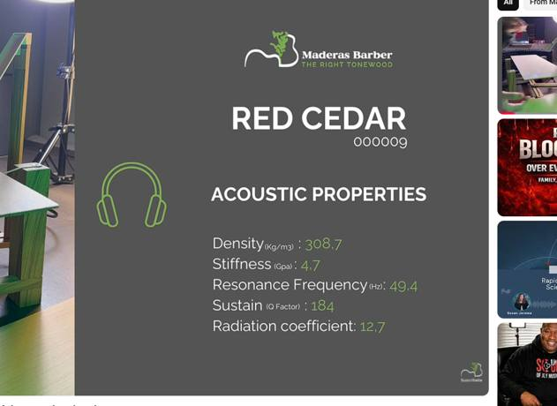 | 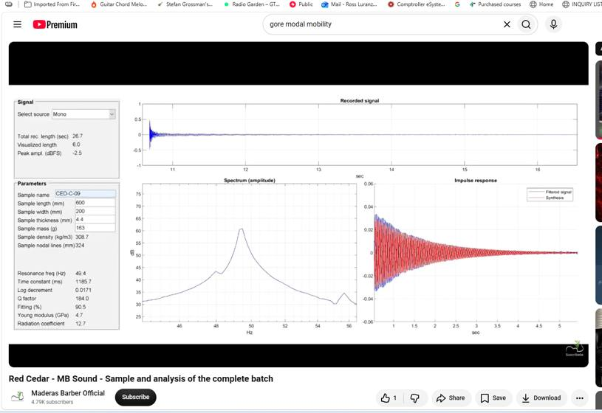

Sample 000010 | CED-C-10 | Summary card | CED-C-10 | Detailed spectral analysis
 |  | 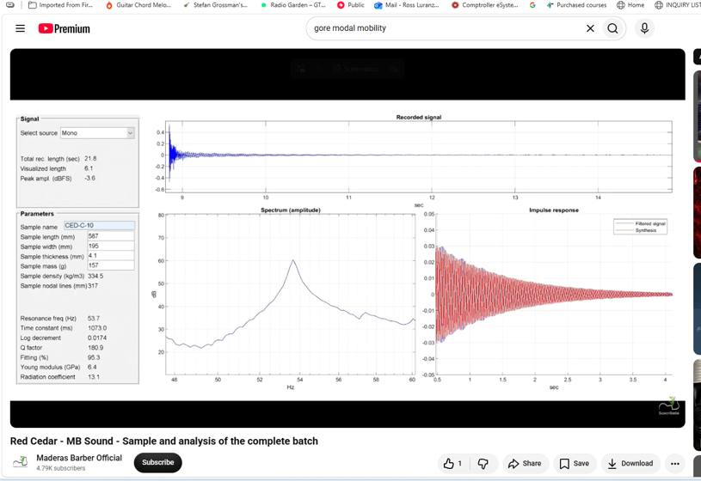

Sample 000011 | CED-W-01 | Summary card | CED-W-01 | Detailed spectral analysis
 | 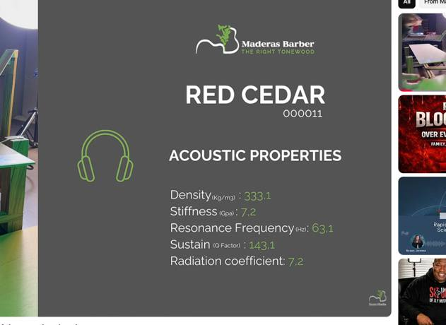 | 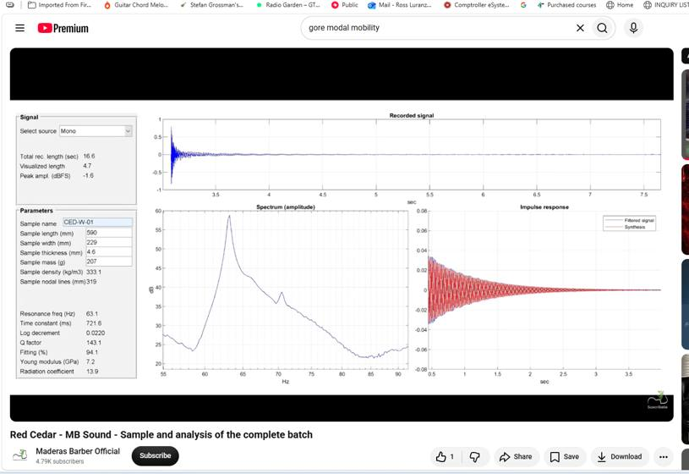

Sample 000012 | CED-W-02 | Summary card | CED-W-02 | Detailed spectral analysis
 | 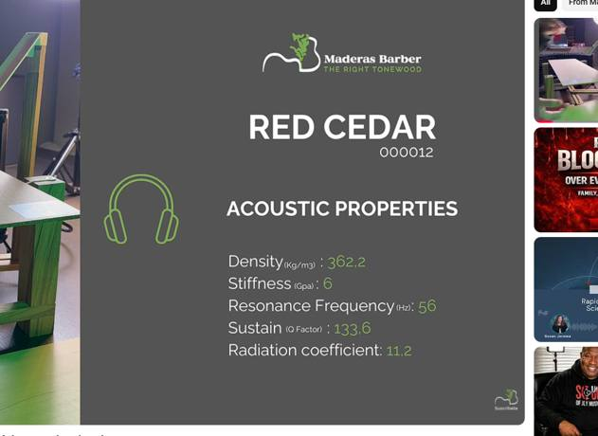 | 

Sample 000013 | CED-W-03 | Summary card | CED-W-03 | Detailed spectral analysis
 |  | 

Sample 000014 | CED-W-04 | Summary card | CED-W-04 | Detailed spectral analysis
 | 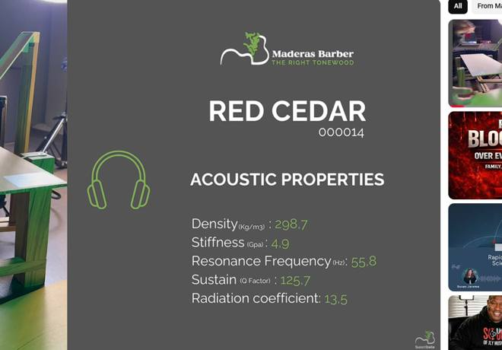 | 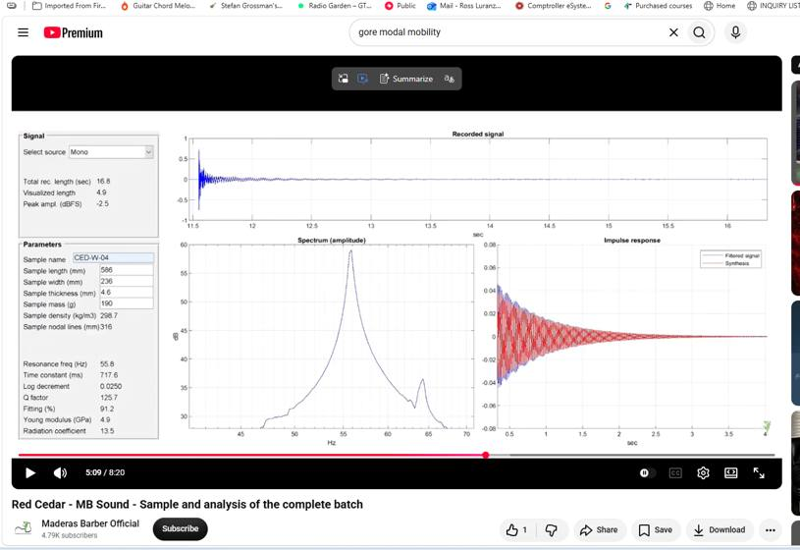

Sample 000015 | CED-W-05 | Summary card | CED-W-05 | Detailed spectral analysis
 | 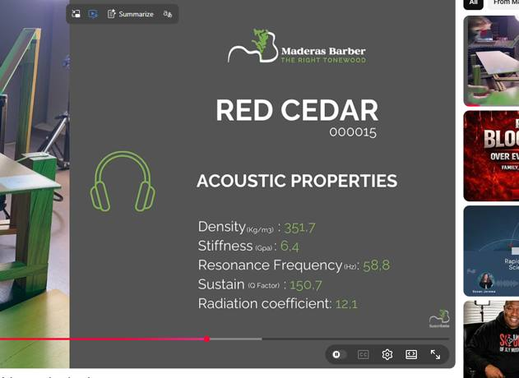 | 

Sample 000016 | CED-W-06 | Summary card | CED-W-06 | Detailed spectral analysis
 |  | 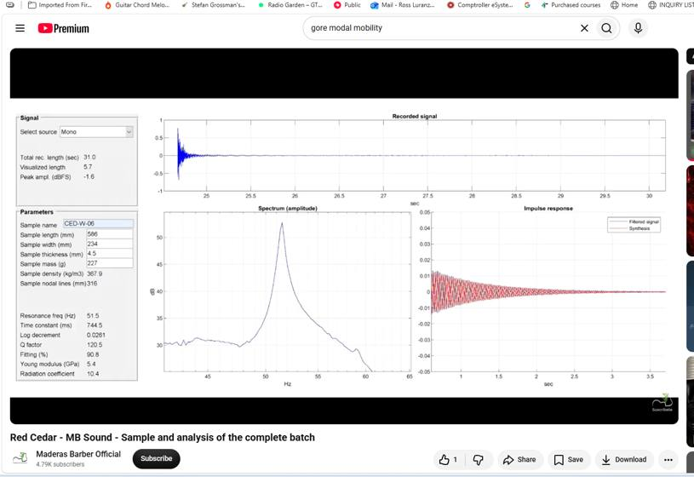

Sample 000017 | CED-W-07 | Summary card | CED-W-07 | Detailed spectral analysis
 | 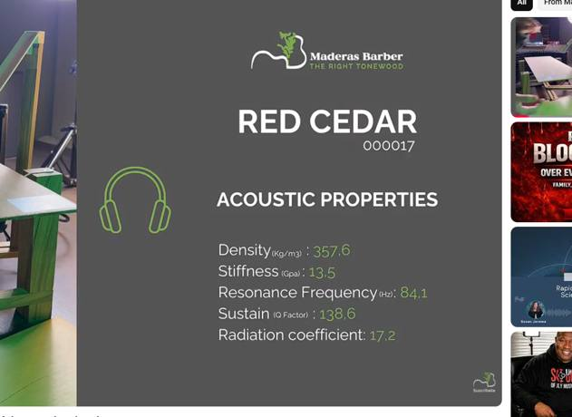 | 

Sample 000018 | CED-W-08 | Summary card | CED-W-08 | Detailed spectral analysis
 |  | 

Sample 000019 | CED-W-09 | Summary card | CED-W-09 | Detailed spectral analysis
 |  | 

Sample 000020 | CED-W-10 | Summary card | CED-W-10 | Detailed spectral analysis
 | 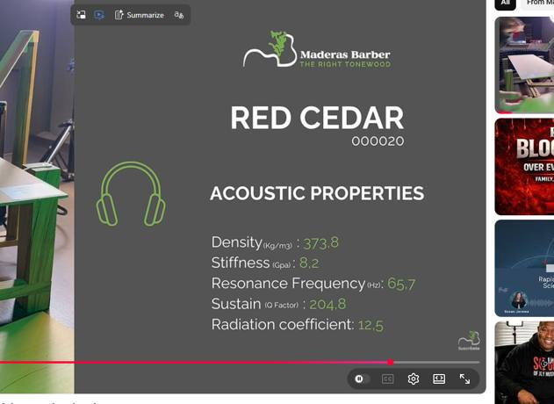 | 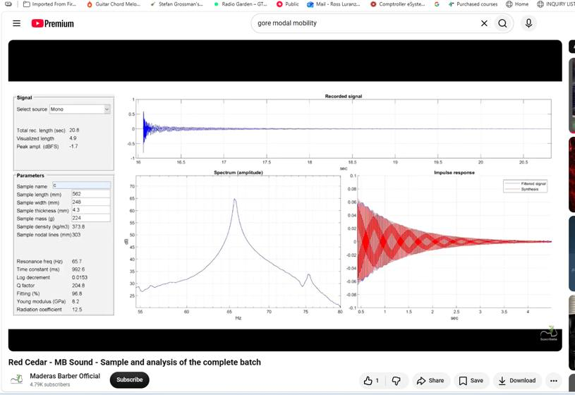

Sample 000021 | CED-W-11 | Summary card | CED-W-11 | Detailed spectral analysis
 | 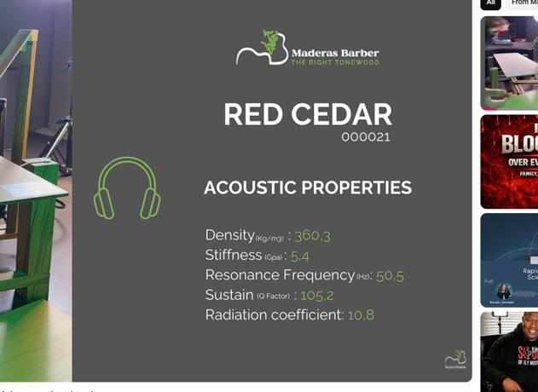 | 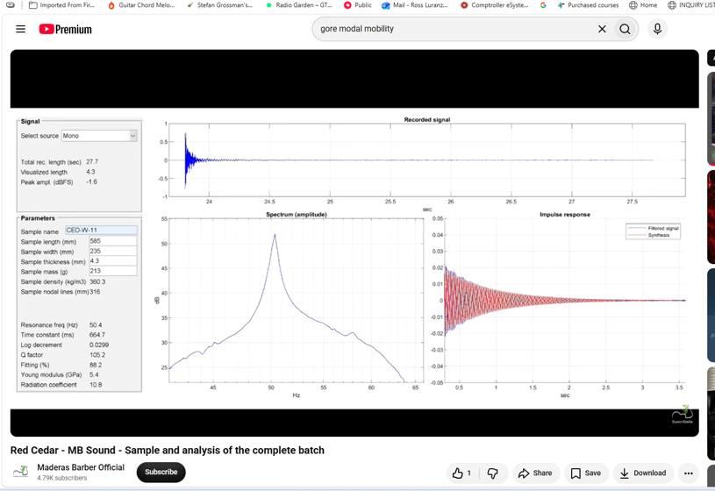

Sample 000022 | CED-W-12 | Summary card | CED-W-12 | Detailed spectral analysis
 | 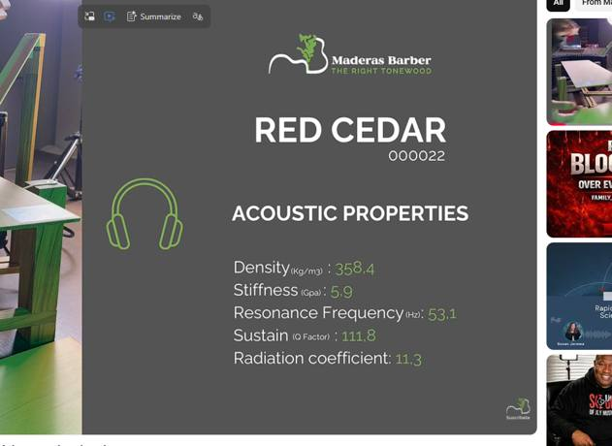 | 

