Spectral Sheet Archive
Embedded Source Archive – Summary Cards and Detailed Spectral Analysis Screens
These embedded images preserve the rendered signal, spectrum, and impulse-response evidence. They are not substitutes for raw numeric arrays.

Sample 000001 | ADT-C-01 | Summary card | ADT-C-01 | Detailed spectral analysis
 | 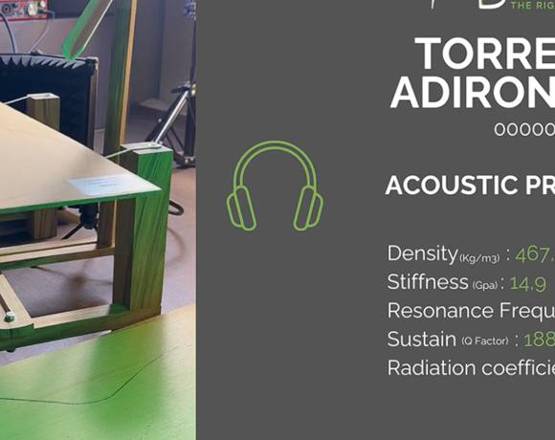 | 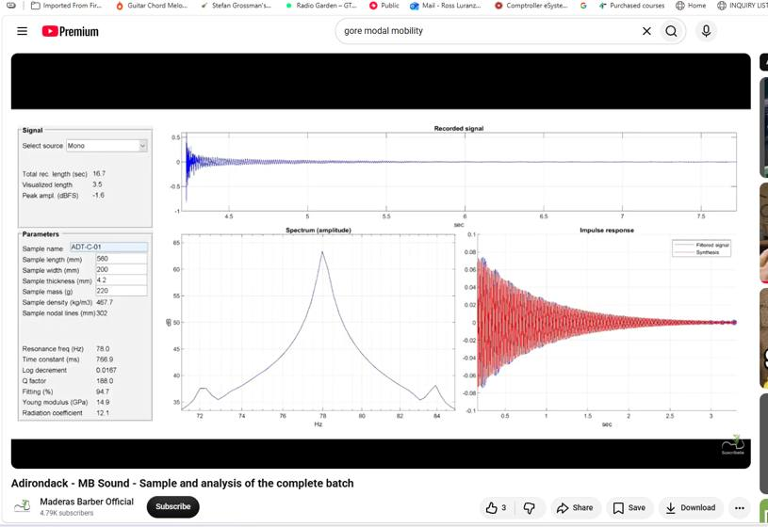

Sample 000003 | ADT-C-03 | Summary card | ADT-C-03 | Detailed spectral analysis
 | 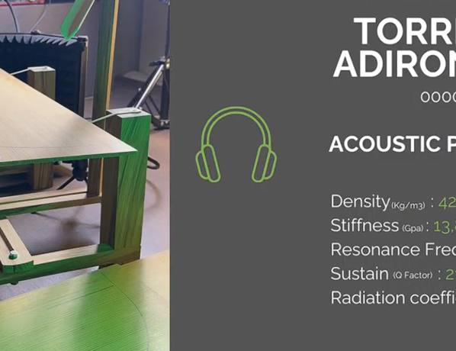 | 

Sample 000004 | ADT-C-04 | Summary card | ADT-C-04 | Detailed spectral analysis
 | 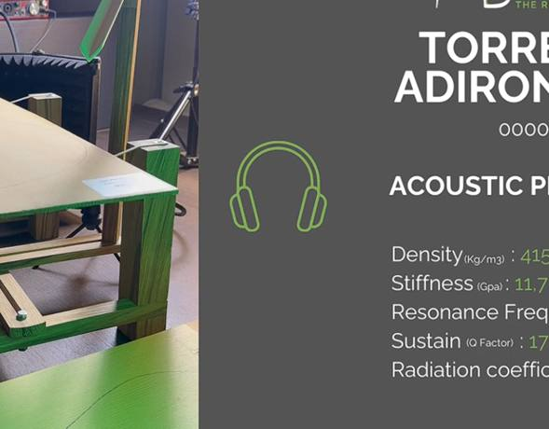 | 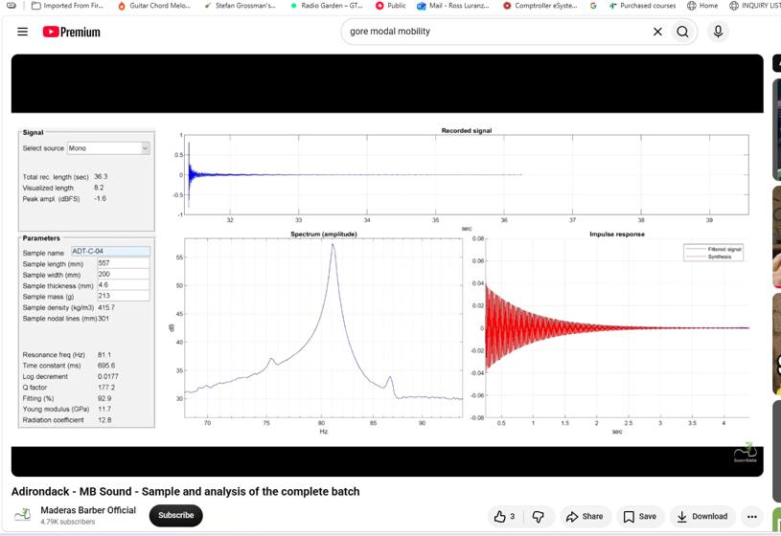

Sample 000005 | ADT-C-05 | Summary card | ADT-C-05 | Detailed spectral analysis
 | 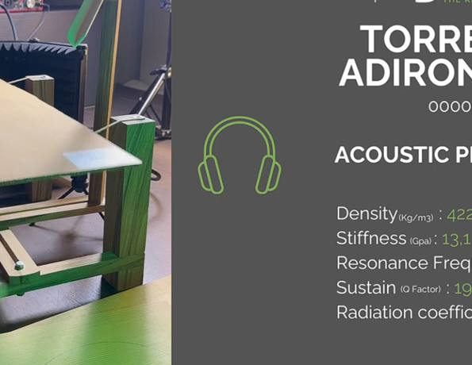 | 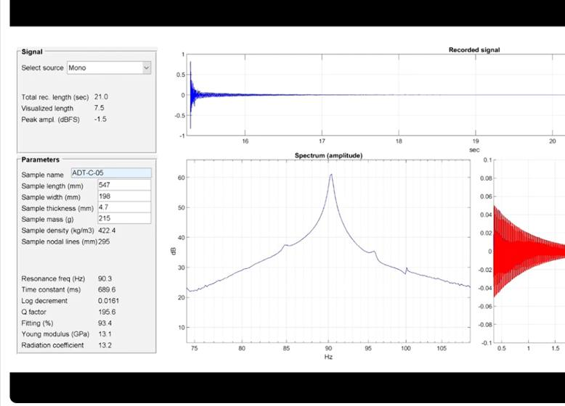

Sample 000006 | ADT-C-06 | Summary card | ADT-C-06 | Detailed spectral analysis
 | 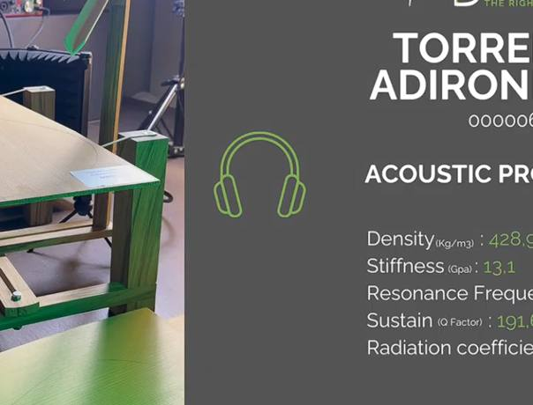 | 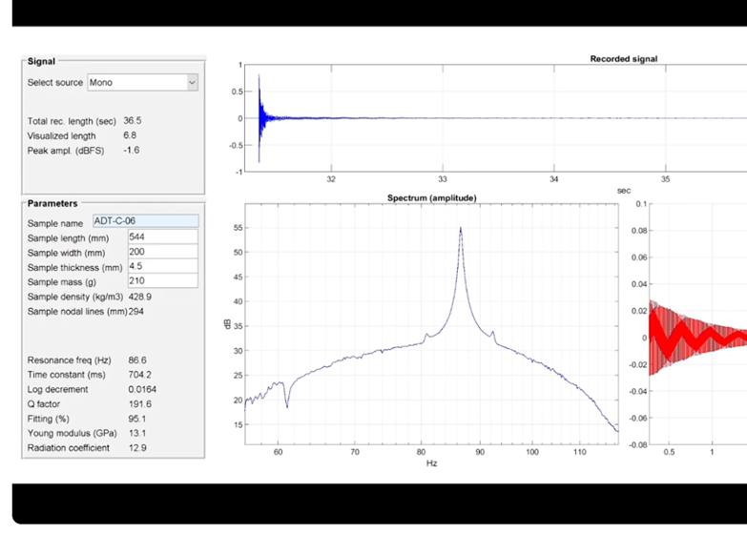

Sample 000007 | ADT-C-07 | Summary card | ADT-C-07 | Detailed spectral analysis
 | 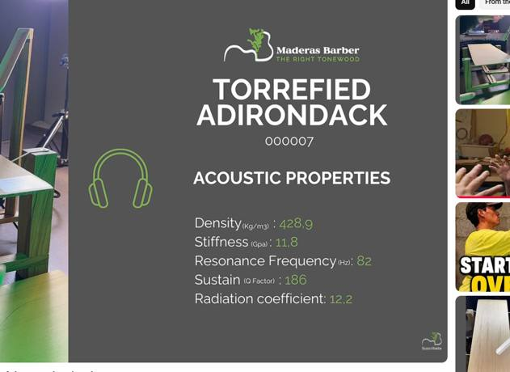 | 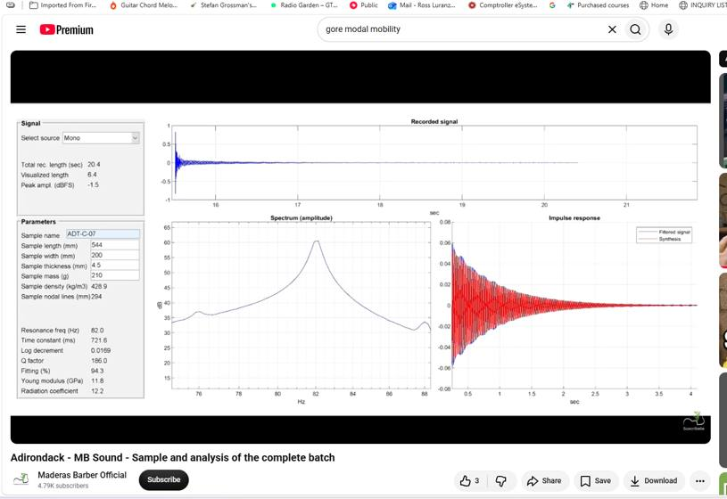

Sample 000008 | ADT-C-08 | Summary card | ADT-C-08 | Detailed spectral analysis
 | 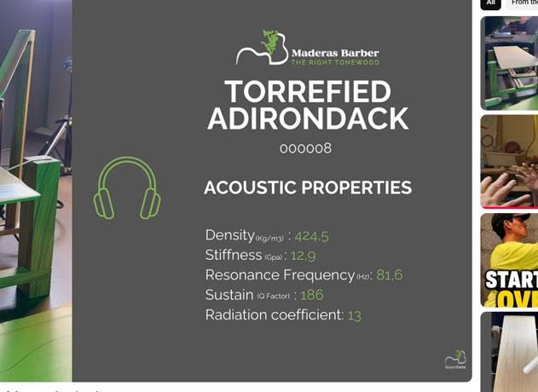 | 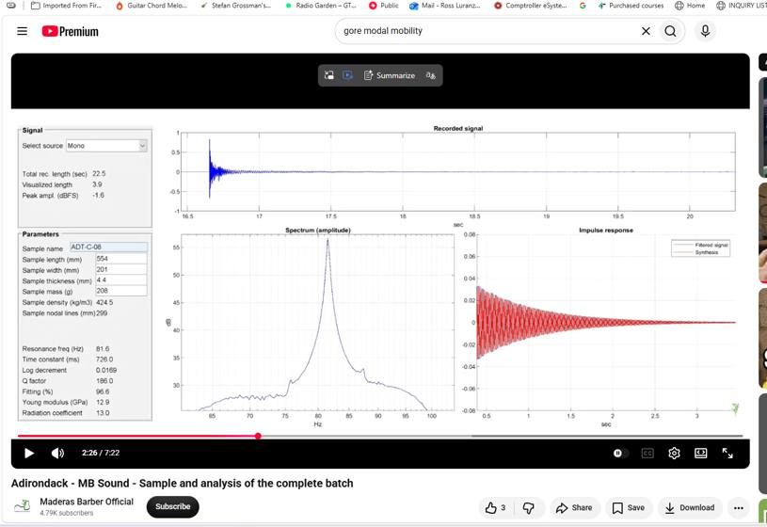

Sample 000009 | ADT-C-09 | Summary card | ADT-C-09 | Detailed spectral analysis
 |  | 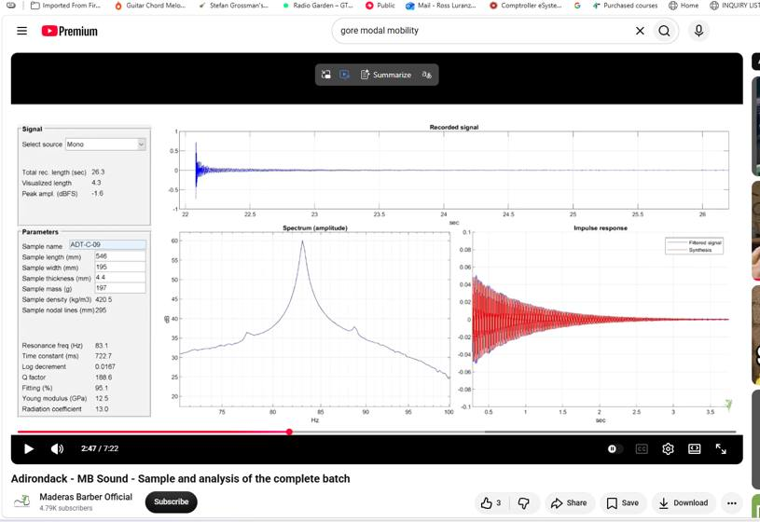

Sample 000010 | ADT-C-10 | Summary card | ADT-C-10 | Detailed spectral analysis
 |  | 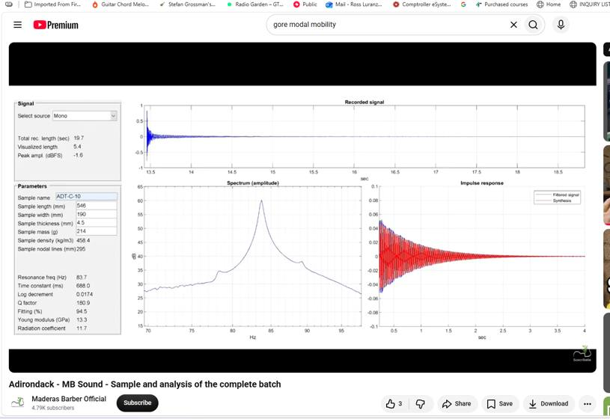

Sample 000011 | ADT-W-01 | Summary card | ADT-W-01 | Detailed spectral analysis
 | 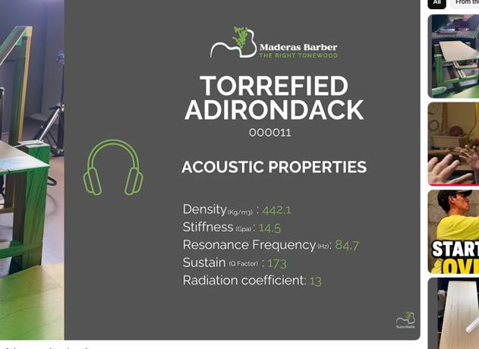 | 

Sample 000012 | ADT-W-02 | Summary card | ADT-W-02 | Detailed spectral analysis
 |  | 

Sample 000013 | ADT-W-03 | Summary card | ADT-W-03 | Detailed spectral analysis
 | 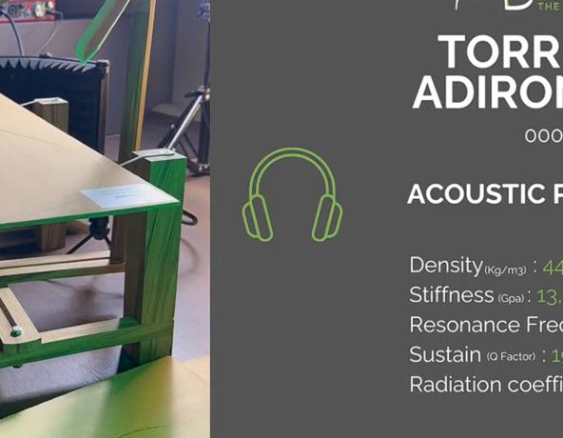 | 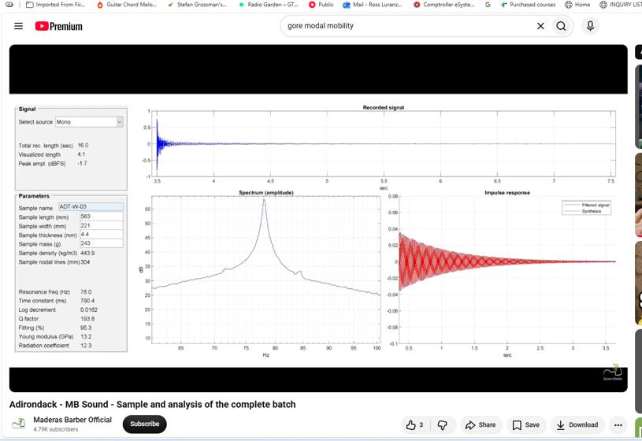

Sample 000014 | ADT-W-04 | Summary card | ADT-W-04 | Detailed spectral analysis
 | 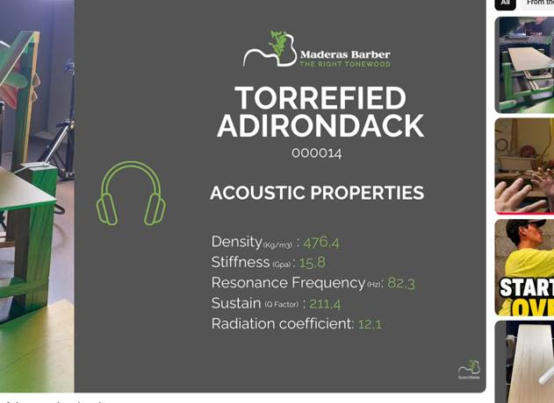 | 

Sample 000015 | ADT-W-05 | Summary card | ADT-W-05 | Detailed spectral analysis
 | 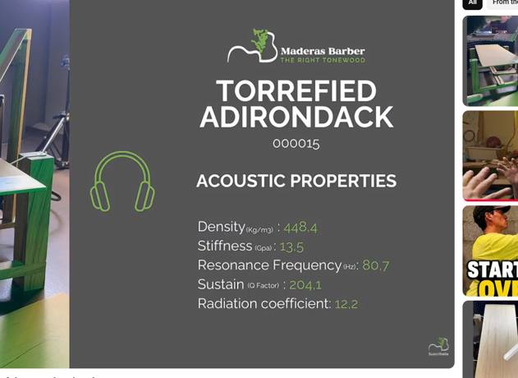 | 

Sample 000016 | ADT-W-06 | Summary card | ADT-W-06 | Detailed spectral analysis
 | 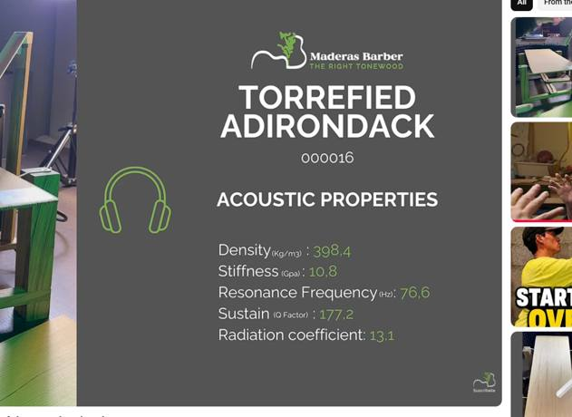 | 

Sample 000017 | ADT-W-07 | Summary card | ADT-W-07 | Detailed spectral analysis
 |  | 

Sample 000018 | ADT-W-08 | Summary card | ADT-W-08 | Detailed spectral analysis
 | 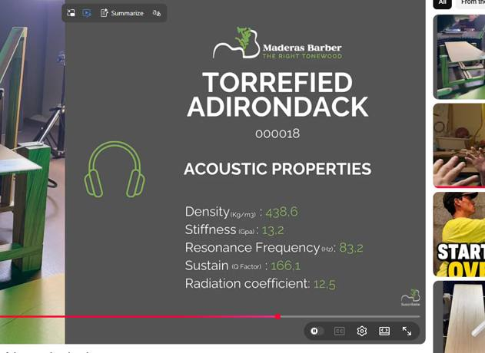 | 

Sample 000019 | ADT-W-09 | Summary card | ADT-W-09 | Detailed spectral analysis
 |  | 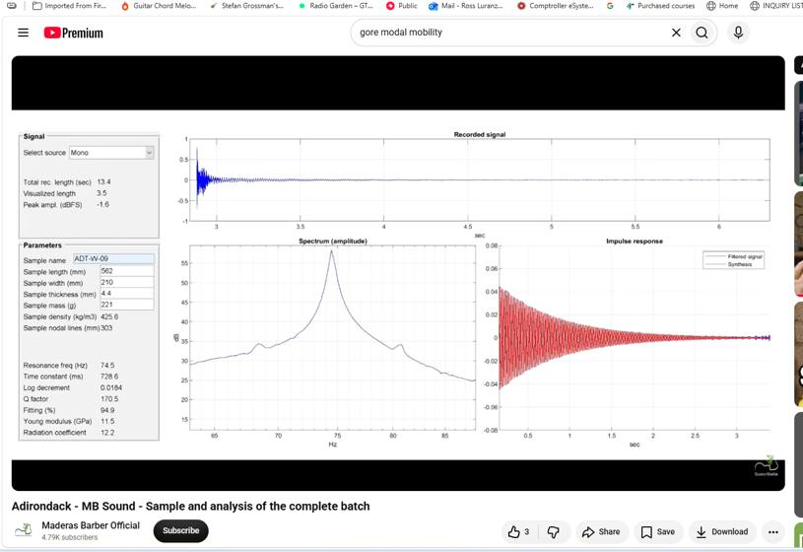

Sample 000020 | ADT-W-10 | Summary card | ADT-W-10 | Detailed spectral analysis
 |  | 

Sample 000021 | ADT-W-11 | Summary card | ADT-W-11 | Detailed spectral analysis
 |  | 

Sample 000022 | ADT-W-12 | Summary card | ADT-W-12 | Detailed spectral analysis
 | 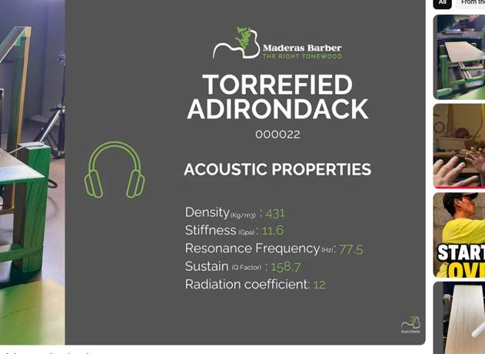 | 

Invalid duplicate pair | 031318 summary = 000008 | 031426 detail = repeated ADT-C-07 / 000007
 |  | 